juliabid
 |  |  |  |  |  | Campaign Builder Drivers

Humans Leveraging Artificial Intelligence Since Before AI Was Cool | Test Company |  |  |  |  | Client: | Test Company
 |  |  |  |  |  | Full | $- | Position Type
 |  |  |  |  |  | Half | $-
When we build your campaign, our team of humans collaborates internally to select the best media mix for reaching s within your geofence. This is not a one size fits all approach either. From news feeds to television, we have a massive deck of tools from which to choose. Once you tell us the campaign level and approve the messaging\landing page, we go to work. |  |  |  |  | Here are a few of the tools we could employ to generate potential hires | Quarter | $-
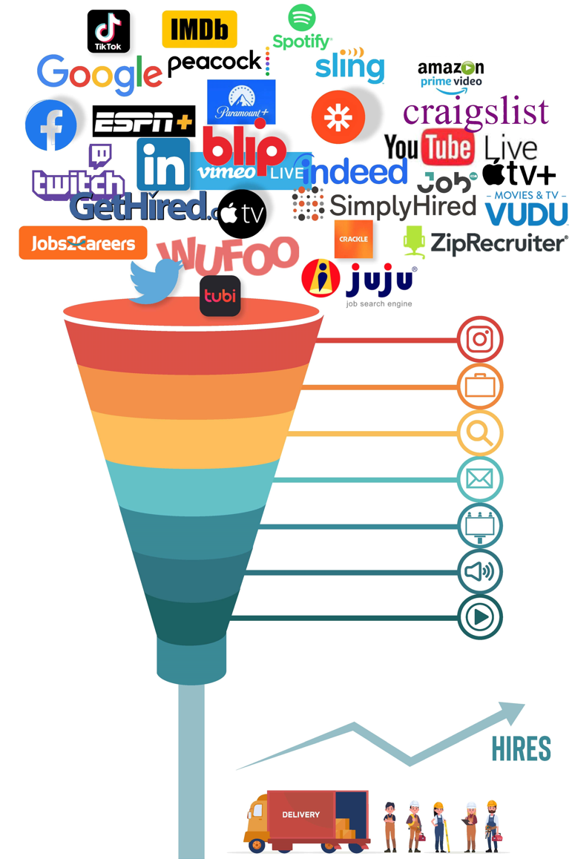
 |  |  |  |  |  | Job Multiplier: |  | 100%
 |  |  |  |  |  | Silo | Min Budget | Lead Estimate
 |  |  |  |  |  | S01 | $- | 0
 |  |  |  |  |  | S03 | $- | 0
 |  |  |  |  |  | S04 | $- | 0
Our team continuously manages the media and algorithms to drive high-quality leads to your recruiters via our innovative funneling system. After all, you come to us because you need s, not ads or impressions. TheJobsDriver is not about ads or impressions. We are about one thing, generating potential hires, interested in working for you! |  |  |  |  |  | S08 | $- | 0
 |  |  |  |  |  |  | $- | 0
 |  |  |  |  |  |  | $- | 0
 |  |  |  |  |  |  | $- | 0
 |  |  |  |  |  |  | $- | 0
Geofence for This Campaign |  |  |  |  |  |  | $- | 0
 |  |  |  |  |  |  | $- | 0
 |  |  |  |  |  |  | $- | 0
 |  |  |  |  |  |  | $- | 0
 |  |  |  |  |  |  | $- | 0
 |  |  |  |  |  |  | $- | 0
 |  |  |  |  |  |  | $- | 0
 |  |  |  |  |  |  | $- | 0
 |  |  |  |  |  |  | $- | 0
 |  |  |  |  |  |  | $- | 0
 |  |  |  |  |  |  | $- | 0
 |  |  |  |  |  |  | $- | 0
 |  |  |  |  |  | Totals: | $- | 0
Start | 0
Red | 20
Yellow | 20
End | 60
Blank | 100
 |  |  |  |  |  | #DIV/0!

Start | 0
Red | 20
Yellow | 20
End | 60
Blank | 100
 | 45
45 | 1
1 | 154
 |  |  |  |  |  | Notes
Active\Passive Scale
 | Estimates Based on Geofence and Role

 | Campaign Level | Potential Hires |  | Package Price Per Month
 |  | Min. Est. | Target Est.
 | Full Campaign | 0 | 0 | $-

 | Half Campaign | 0 | 0 | $-

 | Quarter Campaign | 0 | 0 | $-

Please Read: With TheJobsDriver, it's not all about advertising or impressions. It's about what you need most... Potential Hires. The main difference between the Full, Half, and Quarter Campaigns is the number of Potential Hires generated. We bill monthly, and you can cancel any time after the first month. We do ask that you give us a one-month notice if possible. Our goal is to hit the target lead estimate; however, at the very least, we will hit the minimum estimate shown on this campaign. If we don't, we will either refund you the pro-rated amount or run it until we do.

