juliabid
 |  |  |  |  |  | Campaign Builder Drivers

Leverage Human Intelligence to Maximize Artificial Intelligence |  |  |  |  |  | Client: | Test Company
 |  |  |  |  |  | Full | $- | Position Type
 |  |  |  |  |  | Half | $- | Driver
 |  |  |  |  | Here are a few of the tools we could employ to generate potential hires | Quarter | $-
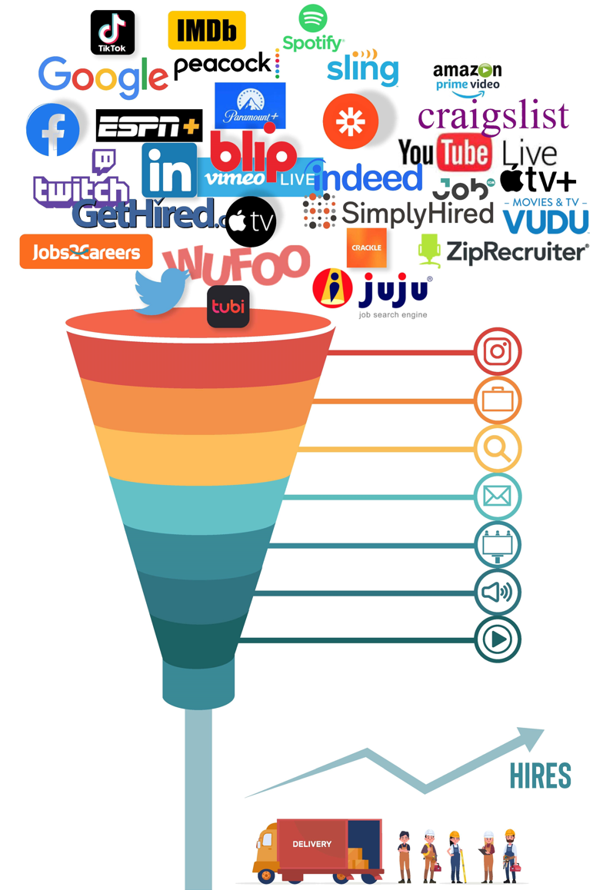
 |  |  |  |  |  | Job Multiplier: |  | 100%
 |  |  |  |  |  | Silo | Min Budget | Lead Estimate
 |  |  |  |  |  |  | $- | 0
 |  |  |  |  |  |  | $- | 0
 |  |  |  |  |  |  | $- | 0
 |  |  |  |  |  |  | $- | 0
 |  |  |  |  |  |  | $- | 0
 |  |  |  |  |  |  | $- | 0
 |  |  |  |  |  |  | $- | 0
 |  |  |  |  |  |  | $- | 0
Active vs. Passive |  |  |  |  |  |  | $- | 0
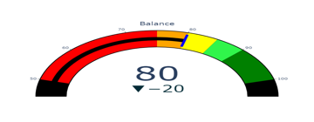
 |  |  |  |  |  |  | $- | 0
 |  |  |  |  |  |  | $- | 0
 |  |  |  |  |  |  | $- | 0
 |  |  |  |  |  |  | $- | 0
 |  |  |  |  |  |  | $- | 0
 |  |  |  |  |  |  | $- | 0
 |  |  |  |  |  |  | $- | 0
Geofence for This Campaign |  |  |  |  |  |  | $- | 0
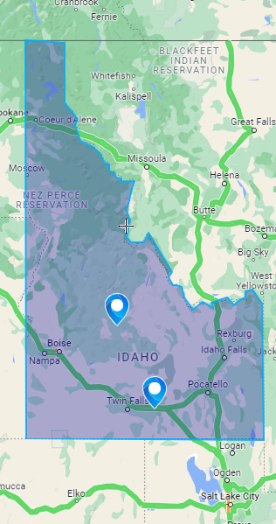
 |  |  |  |  |  |  | $- | 0
 |  |  |  |  |  |  | $- | 0
 |  |  |  |  |  |  | $- | 0
 |  |  |  |  |  | Totals:
Start | 0
Red | 20
Yellow | 20
End | 60
Blank | 100

Start | 0
Red | 20
Yellow | 20
End | 60
Blank | 100
 | 45
45 | 1
1 | 154
 |  |  |  |  |  | Notes

 | Campaign Level | Potential Hires |  | Package Price Per Month
 |  | Min. Est. | Target Est.
 | Full Campaign

 | Half Campaign

 | Quarter Campaign

Please Read: With TheJobsDriver, it's not all about advertising or impressions. It's about what you need most... Potential Hires. The main difference between the Full, Half, and Quarter Campaigns is the number of Potential Hires generated. We bill monthly, and you can cancel any time after the first month. We do ask that you give us a one-month notice if possible. Our goal is to hit the target lead estimate; however, at the very least, we will hit the minimum estimate shown on this campaign. If we don't, we will either refund you the pro-rated amount or run it until we do.

