maps
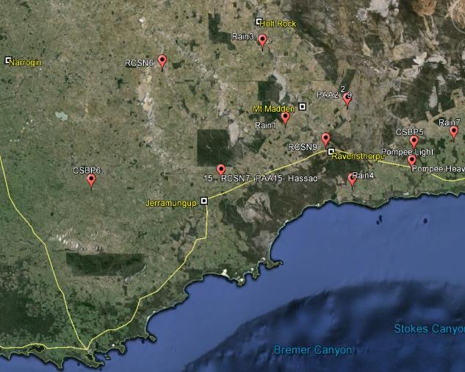
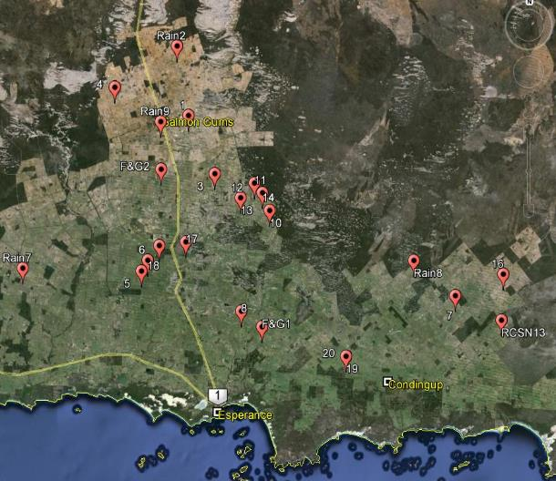
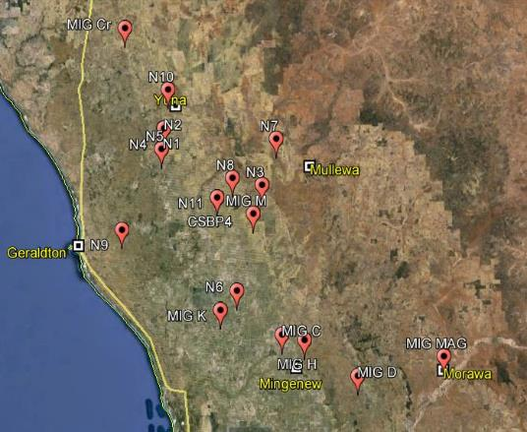
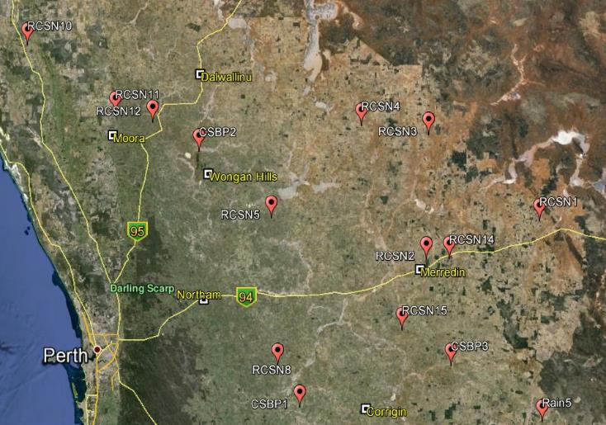
 | Convert kml to CSV online | http://www.monster.com.tw/kml2csv
 | get files into one folder - not lots of folders -
Esperance | Northern |  | Central

 | South Coast/Albany |  | Esperance

outpost centralmap
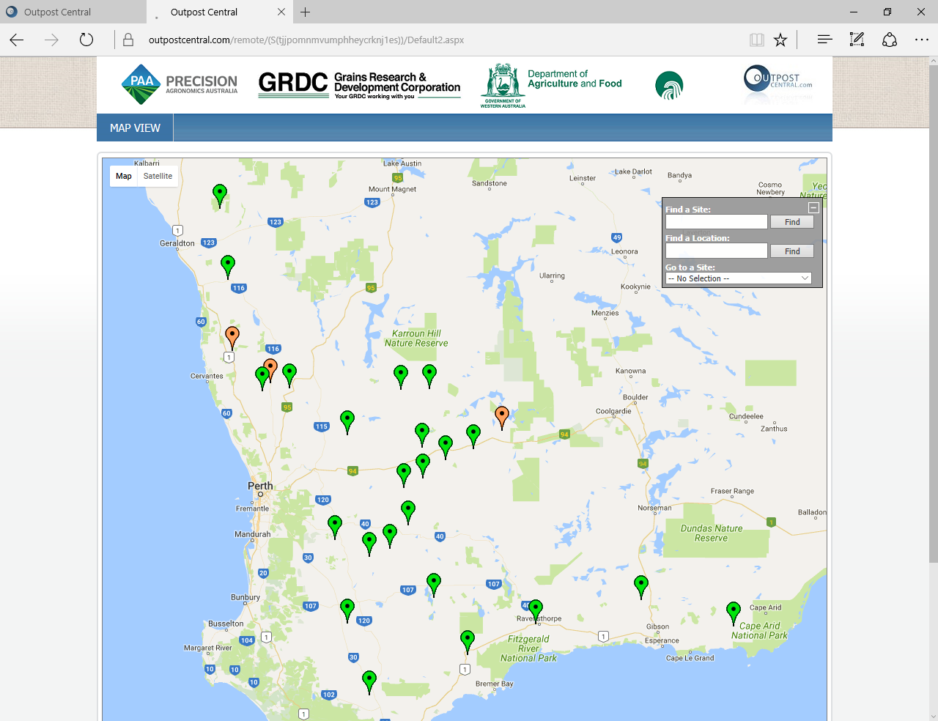
Schlink-Howick
RCSN-Taylor
RCSN-Murfitt
Schlink-Howick
RCSN-Murfitt
Schlink-Howick
Schlink-Howick

RCSN-Falconer
RCSN-Tonkin
RCSN-Murfitt
RCSN-Lefroy
RCSN-Faulkner
RCSN-Maddock

RCSN-Todd

RCSN-Dellabosca
RCSN-Murfitt

RCSN-Killmister

RCSN-Stacey

RCSN-Taylor
E-connect SEPWA
RCSN Webster
RCSN Schlink-Howick

RCSN Parsons

