Input
Wears Size Detector
 |  |  |  |  | Polo | chest/Bust | waist | shoulder width | length
 |  |  |  |  |  | 34-36 | 28-30 | 16-17 | 26-27
Select Category |  | Polo

Mesurement Unit |  | Centimeters

No Match
Measurememt | Required
Chest/Bust |  |  | Recommended Size | No Match
Waist
Hip
Shoulder Width
Sleeve Length
Length
Inseam
Underbust
Neck
Upper Arm
Bust Difference (Cup)
Thigh
Rise
Jacket Length
CLEAR
Trouser Waist
Shirt Length

 |  | ]

Pictures
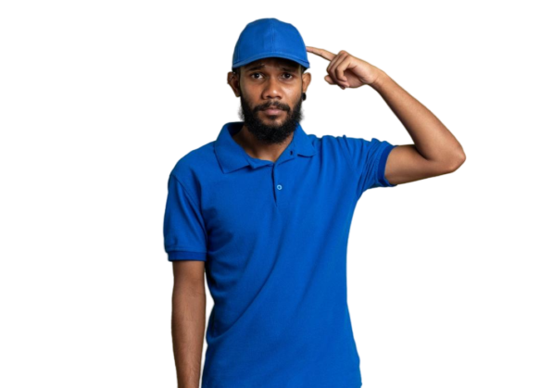

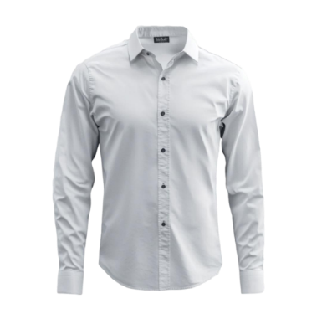

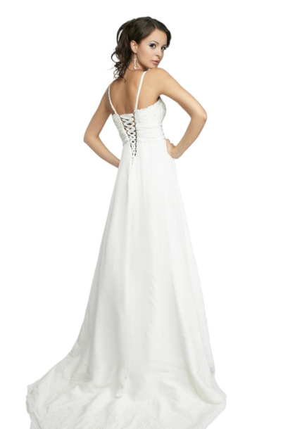

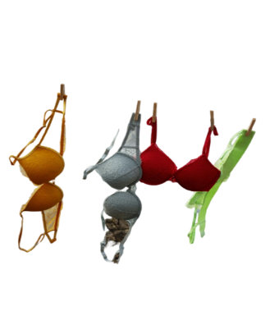

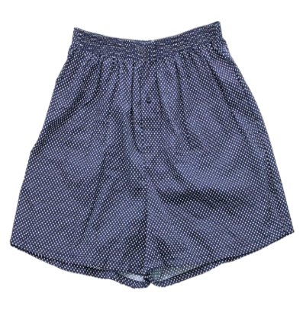

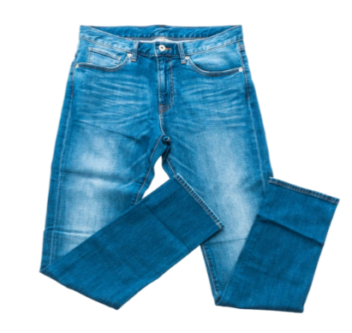

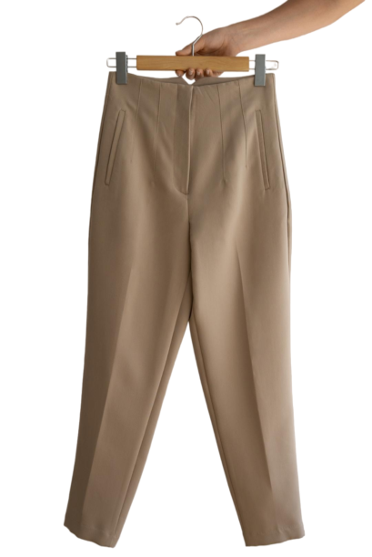

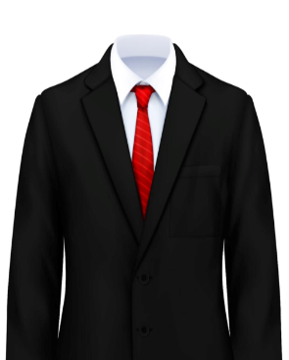



Instructions
INSTRUCTIONS!
For this Model to work Properly the examiner need to do the following :
1. Macro should be enabled on the system this particular file will be exanined.
2. I will submit an image folder along my project submission, please kindly download and copy to the C: drive "Local Disc" . the name of the folder is "Images". Please ensure this is the exact name of the file. The reason for this is so that the image can filter along with all the categories and also the CLEAR Botton can work appropriately. The image folder has all the pictures for all categories

