Sheet1
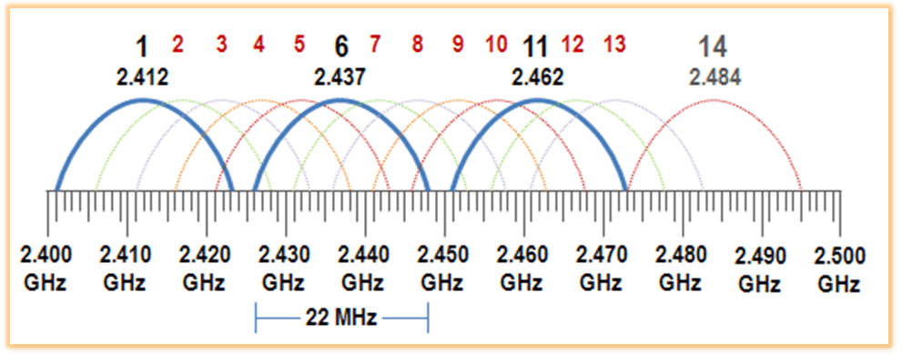
 | pipe | channel | Frequency [MHz]
Roboter 1 | r00001 | 100 | 2500 | *Roboter → Server
Controller 1 | c00001 | 25 | 2425 | *Controller → Roboter
Roboter 2 | r00002 | 50 | 2450
Controller 2 | c00002 | 75 | 2475
Roboter 3 | r00003 | 0 | 2400
Controller 3 | c00003 | 87 | 2487

 |  |  | *Bandwith < 1 MHz

