Sheet1
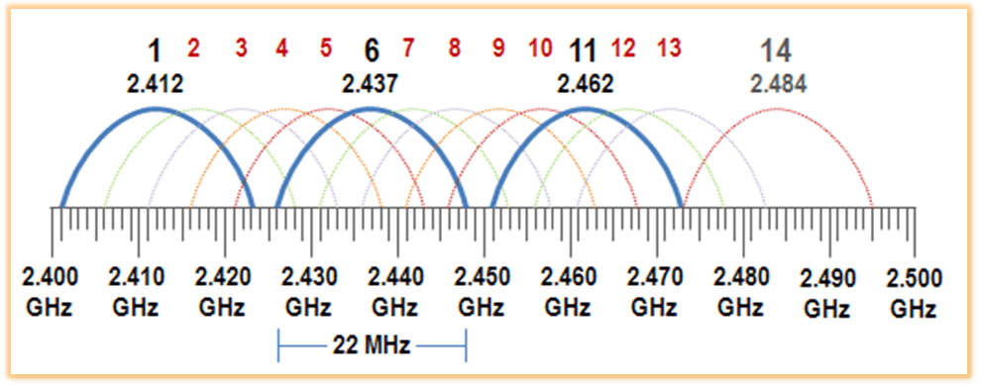
 | pipe | channel | Frequency [MHz]
Roboter 1 | r-s001 | 25 | 2425 | *Roboter → Server
Controller 1 | c-r001 | 75 | 2475 | *Controller → Roboter
Roboter 2 | r-s002 | 50 | 2450
Controller 2 | c-s002 | 100 | 2500
Roboter 3 | r-s003 | 0 | 2400
Controller 3 | c-r003 | 125 | 2525

 |  |  | *Bandwith < 1 MHz

