BKGR_QUALITY
Example data extracted from BKGR_QUALITY |  |  |  |  |  | Extracted 14/02/2018
Broadbalk wheat grain quality data 1974-2016

Screen for selecting data, showing key to column headings:
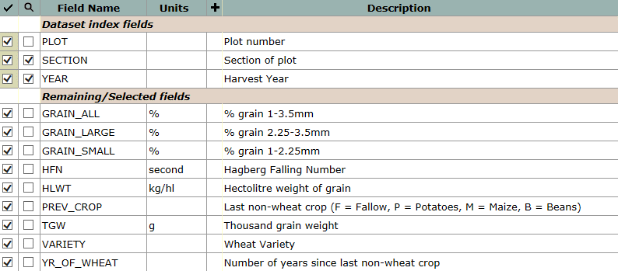

Example data, for Section 1, 2000:
plot | section | year | grain_all | grain_large | grain_small | hfn | hlwt | prev_crop | tgw | variety | yr_of_wheat
 |  |  | % | % | % | second | kg/hl |  | g
10 | 1 | 2000 | 99.2 | 92.9 | 6.2 | 353 | 76.2 | F | 32.5 | Hereward | 34
11 | 1 | 2000 | 99.2 | 84.9 | 14.3 | 369 | 70.2 | F | 26.6 | Hereward | 34
12 | 1 | 2000 | 99.0 | 86.7 | 12.3 | 370 | 72.2 | F | 26.1 | Hereward | 34
13 | 1 | 2000 | 99.0 | 91.8 | 7.3 | 364 | 75.8 | F | 34.7 | Hereward | 34
14 | 1 | 2000 | 99.3 | 94.1 | 5.2 | 352 | 76.5 | F | 34.3 | Hereward | 34
15 | 1 | 2000 | 99.3 | 91.6 | 7.8 | 387 | 76.5 | F | 32.5 | Hereward | 34
16 | 1 | 2000 | 99.3 | 95.6 | 3.8 | 349 | 79.2 | F | 39 | Hereward | 34
17 | 1 | 2000 | 99.3 | 95.1 | 4.1 | 364 | 78.2 | F | 39.6 | Hereward | 34
18 | 1 | 2000 | 99.4 | 95.7 | 3.8 | 363 | 79.6 | F | 37.6 | Hereward | 34
19 | 1 | 2000 | 99.1 | 96.0 | 3.1 | 344 | 78.0 | F | 38.5 | Hereward | 34
20 | 1 | 2000 | 99.1 | 95.4 | 3.6 | 367 | 78.3 | F | 34 | Hereward | 34
21 | 1 | 2000 | 99.5 | 96.5 | 3.0 | 351 | 77.0 | F | 38.5 | Hereward | 34
22 | 1 | 2000 | 99.4 | 97.0 | 2.4 | 328 | 77.9 | F | 43.4 | Hereward | 34
3 | 1 | 2000 | 99.1 | 96.6 | 2.5 | 295 | 77.7 | F | 32.5 | Hereward | 34
5 | 1 | 2000 | 99.0 | 95.9 | 3.1 | 358 | 76.2 | F | 33.5 | Hereward | 34
6 | 1 | 2000 | 99.0 | 94.1 | 4.9 | 349 | 75.5 | F | 36.2 | Hereward | 34
7 | 1 | 2000 | 99.1 | 93.7 | 5.3 | 347 | 75.7 | F | 35.5 | Hereward | 34
8 | 1 | 2000 | 99.2 | 94.7 | 4.5 | 356 | 77.6 | F | 37.1 | Hereward | 34
9 | 1 | 2000 | 99.2 | 94.1 | 5.1 | 362 | 78.0 | F | 38.3 | Hereward | 34

