BKWHNUTRI
Example data extracted from BKWHNUTRI |  |  |  |  |  | Extracted 14/02/2018
Broadbalk wheat crop nutrient data 1968-2013

Screen for selecting data, showing key to column headings:
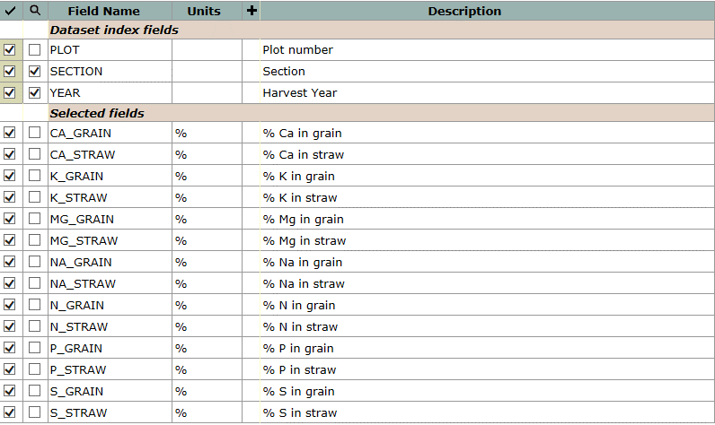

Example data, for Section 1, 2000:
plot | section | year | ca_grain | ca_straw | k_grain | k_straw | mg_grain | mg_straw | na_grain | na_straw | n_grain | n_straw | p_grain | p_straw | s_grain | s_straw
 |  |  | % | % | % | % | % | % | % | % | % | % | % | % | % | %
3 | 1 | 2000 | 0.0437 | 0.5830 | 0.506 | 0.892 | 0.0899 | 0.0570 | 0.0015 | 0.0037 | 1.490 | 0.510 | 0.323 | 0.064 | 0.116 | 0.220
5 | 1 | 2000 | 0.0438 | 0.3630 | 0.552 | 0.975 | 0.0920 | 0.0530 | 0.0016 | 0.0052 | 1.512 | 0.415 | 0.354 | 0.096 | 0.113 | 0.134
6 | 1 | 2000 | 0.0375 | 0.2940 | 0.601 | 0.954 | 0.0910 | 0.0407 | 0.0014 | 0.0036 | 1.539 | 0.385 | 0.359 | 0.056 | 0.115 | 0.088
7 | 1 | 2000 | 0.0367 | 0.3790 | 0.542 | 1.641 | 0.0792 | 0.0811 | 0.0013 | 0.0039 | 1.765 | 0.553 | 0.318 | 0.098 | 0.127 | 0.121
8 | 1 | 2000 | 0.0361 | 0.3520 | 0.524 | 1.446 | 0.0847 | 0.0616 | 0.0012 | 0.0048 | 1.844 | 0.554 | 0.332 | 0.065 | 0.135 | 0.124
9 | 1 | 2000 | 0.0370 | 0.3880 | 0.469 | 1.212 | 0.0819 | 0.0515 | 0.0010 | 0.0023 | 2.239 | 0.581 | 0.299 | 0.054 | 0.147 | 0.136
10 | 1 | 2000 | 0.0460 | 0.3620 | 0.458 | 0.551 | 0.0680 | 0.0411 | 0.0012 | 0.0060 | 1.998 | 0.516 | 0.190 | 0.024 | 0.127 | 0.075
11 | 1 | 2000 | 0.0732 | 0.6020 | 0.476 | 0.360 | 0.0864 | 0.0706 | 0.0017 | 0.0185 | 1.787 | 0.690 | 0.326 | 0.111 | 0.124 | 0.116
12 | 1 | 2000 | 0.0759 | 0.5630 | 0.460 | 0.317 | 0.0813 | 0.0643 | 0.0022 | 0.0215 | 1.872 | 0.568 | 0.314 | 0.075 | 0.140 | 0.132
13 | 1 | 2000 | 0.0388 | 0.3270 | 0.535 | 1.048 | 0.0717 | 0.0291 | 0.0012 | 0.0023 | 1.882 | 0.393 | 0.307 | 0.046 | 0.123 | 0.086
14 | 1 | 2000 | 0.0366 | 0.3350 | 0.575 | 1.001 | 0.0942 | 0.0593 | 0.0012 | 0.0038 | 1.737 | 0.433 | 0.339 | 0.049 | 0.118 | 0.109
15 | 1 | 2000 | 0.0418 | 0.3820 | 0.527 | 1.749 | 0.0895 | 0.0412 | 0.0010 | 0.0033 | 2.487 | 0.638 | 0.337 | 0.056 | 0.132 | 0.114
16 | 1 | 2000 | 0.0415 | 0.5830 | 0.460 | 1.801 | 0.0852 | 0.0661 | 0.0009 | 0.0047 | 2.488 | 0.798 | 0.298 | 0.062 | 0.130 | 0.157
17 | 1 | 2000 | 0.0343 | 0.3930 | 0.469 | 1.062 | 0.0777 | 0.0525 | 0.0010 | 0.0027 | 2.049 | 0.480 | 0.269 | 0.035 | 0.127 | 0.118
18 | 1 | 2000 | 0.0339 | 0.4050 | 0.486 | 1.060 | 0.0797 | 0.0519 | 0.0012 | 0.0022 | 2.026 | 0.453 | 0.259 | 0.030 | 0.124 | 0.117
19 | 1 | 2000 | 0.0389 | 0.3860 | 0.518 | 0.929 | 0.0931 | 0.0613 | 0.0012 | 0.0045 | 1.678 | 0.339 | 0.328 | 0.074 | 0.106 | 0.114
20 | 1 | 2000 | 0.0407 | 0.3500 | 0.480 | 1.036 | 0.0739 | 0.0481 | 0.0011 | 0.0026 | 2.238 | 0.475 | 0.185 | 0.018 | 0.116 | 0.098
21 | 1 | 2000 | 0.0336 | 0.3580 | 0.473 | 1.341 | 0.0899 | 0.0649 | 0.0010 | 0.0034 | 1.927 | 0.460 | 0.344 | 0.085 | 0.132 | 0.112
22 | 1 | 2000 | 0.0339 | 0.2670 | 0.500 | 1.212 | 0.1019 | 0.0698 | 0.0013 | 0.0031 | 1.716 | 0.414 | 0.368 | 0.123 | 0.126 | 0.089

