BKYIELD_R85
Example data extracted from BKYIELD_R85 |  |  |  |  |  | Extracted 12/02/2018
Broadbalk wheat yields 1968-present

Screen for selecting data, showing key to column headings:
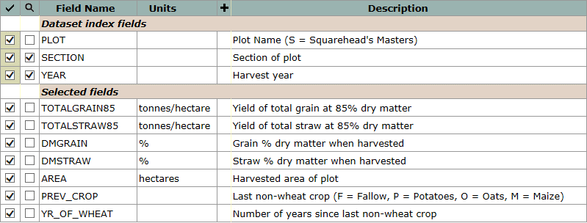

Example data, for Sections 1 (continuous wheat) and 2 (first wheat in rotation), 2014:
plot | section | year | totalgrain85 | totalstraw85 | dmgrain | dmstraw | area | prev_crop | yr_of_wheat
 |  |  | tonnes/hectare | tonnes/hectare | % | % | hectares
10 | 1 | 2014 | 2.34 | 1.63 | 86.7 | 87.0 | 0.00589 | F | 48
11 | 1 | 2014 | 6.08 | 3.59 | 86.7 | 90.1 | 0.00589 | F | 48
12 | 1 | 2014 | 8.35 | 5.26 | 87.7 | 89.4 | 0.00589 | F | 48
13 | 1 | 2014 | 7.63 | 4.05 | 86.9 | 89.8 | 0.00589 | F | 48
14 | 1 | 2014 | 5.48 | 3.20 | 87.3 | 87.5 | 0.00589 | F | 48
15 | 1 | 2014 | 8.12 | 4.66 | 87.4 | 89.2 | 0.00589 | F | 48
16 | 1 | 2014 | 7.65 | 4.88 | 87.3 | 90.3 | 0.00589 | F | 48
17 | 1 | 2014 | 8.19 | 4.60 | 87.4 | 89.9 | 0.00589 | F | 48
18 | 1 | 2014 | 6.02 | 3.86 | 87.2 | 89.8 | 0.00589 | F | 48
19 | 1 | 2014 | 5.33 | 3.62 | 87.0 | 89.3 | 0.00589 | F | 48
20 | 1 | 2014 | 1.02 | 0.97 | 86.8 | 88.2 | 0.00589 | F | 48
21 | 1 | 2014 | 7.05 | 4.97 | 87.1 | 89.2 | 0.00589 | F | 48
22 | 1 | 2014 | 4.20 | 3.15 | 86.4 | 87.6 | 0.00589 | F | 48
3 | 1 | 2014 | 1.37 | 0.70 | 85.7 | 89.4 | 0.00589 | F | 48
5 | 1 | 2014 | 1.47 | 0.62 | 86.1 | 89.1 | 0.00589 | F | 48
6 | 1 | 2014 | 3.29 | 1.90 | 86.9 | 88.8 | 0.00589 | F | 48
7 | 1 | 2014 | 4.71 | 2.57 | 86.8 | 89.6 | 0.00589 | F | 48
8 | 1 | 2014 | 5.91 | 3.27 | 86.8 | 90.2 | 0.00589 | F | 48
9 | 1 | 2014 | 7.51 | 4.27 | 87.1 | 89.5 | 0.00589 | F | 48
1 | 2 | 2014 | 12.29 | 5.83 | 86.7 | 90.0 | 0.00487 | M | 1
10 | 2 | 2014 | 10.21 | 3.85 | 86.9 | 89.4 | 0.00487 | M | 1
11 | 2 | 2014 | 9.60 | 4.52 | 87.5 | 90.4 | 0.00487 | M | 1
12 | 2 | 2014 | 12.97 | 7.03 | 87.1 | 90.6 | 0.00487 | M | 1
13 | 2 | 2014 | 11.78 | 5.65 | 86.7 | 89.9 | 0.00487 | M | 1
14 | 2 | 2014 | 11.17 | 4.83 | 86.8 | 89.5 | 0.00487 | M | 1
15 | 2 | 2014 | 12.62 | 6.34 | 86.7 | 90.5 | 0.00487 | M | 1
16 | 2 | 2014 | 12.99 | 6.64 | 87.6 | 90.3 | 0.00487 | M | 1
17 | 2 | 2014 | 12.77 | 7.02 | 86.9 | 89.9 | 0.00487 | M | 1
18 | 2 | 2014 | 11.98 | 6.58 | 86.9 | 89.4 | 0.00487 | M | 1
19 | 2 | 2014 | 10.21 | 5.33 | 86.4 | 90.1 | 0.00487 | M | 1
21 | 2 | 2014 | 12.08 | 5.96 | 86.5 | 89.3 | 0.00487 | M | 1
22 | 2 | 2014 | 6.86 | 3.36 | 86.4 | 89.4 | 0.00487 | M | 1
3 | 2 | 2014 | 2.34 | 0.78 | 86.2 | 90.4 | 0.00487 | M | 1
5 | 2 | 2014 | 2.02 | 0.76 | 86.1 | 90.6 | 0.00487 | M | 1
6 | 2 | 2014 | 5.47 | 2.79 | 86.2 | 89.9 | 0.00487 | M | 1
7 | 2 | 2014 | 8.56 | 3.85 | 86.4 | 89.6 | 0.00487 | M | 1
8 | 2 | 2014 | 11.07 | 4.78 | 86.6 | 90.5 | 0.00487 | M | 1
9 | 2 | 2014 | 12.04 | 5.81 | 86.7 | 90.1 | 0.00487 | M | 1

