HFNUTRIMAIN
Example data extracted from HFNUTRIMAIN |  |  |  |  |  | Extracted 12/02/2018
Hoosfield barley crop nutrient data MAIN PLOTS, 1970-2010

Screen for selecting data, showing key to column headings:
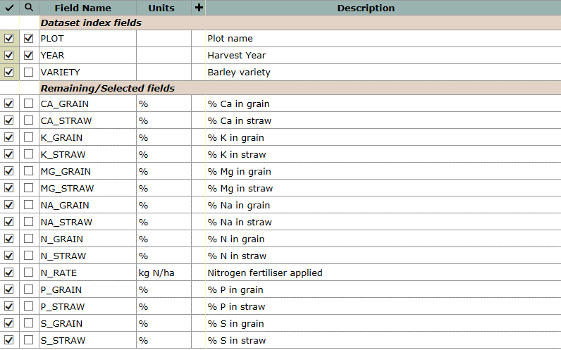

Example data, for selected plots, 2009:
plot | year | variety | ca_grain | ca_straw | k_grain | k_straw | mg_grain | mg_straw | na_grain | na_straw | n_grain | n_straw | n_rate | p_grain | p_straw | s_grain | s_straw
 |  |  | % | % | % | % | % | % | % | % | % | % | kg N/ha | % | % | % | %
111 | 2009 | TIPPLE | 0.0599 | 0.4710 | 0.441 | 0.490 | 0.0907 | 0.0397 | 0.0127 | 0.0682 | 1.279 | 0.449 | 0 | 0.094 | 0.0299 | 0.2254 | 0.0643
112 | 2009 | TIPPLE | 0.0588 | 0.5186 | 0.417 | 0.544 | 0.0860 | 0.0494 | 0.0136 | 0.0987 | 1.740 | 0.703 | 96 | 0.107 | 0.0305 | 0.1793 | 0.0844
113 | 2009 | TIPPLE | 0.0596 | 0.4557 | 0.422 | 0.446 | 0.0865 | 0.0442 | 0.0155 | 0.0840 | 1.604 | 0.699 | 48 | 0.104 | 0.0298 | 0.1897 | 0.0729
114 | 2009 | TIPPLE | 0.0623 | 0.5904 | 0.419 | 0.513 | 0.0899 | 0.0615 | 0.0147 | 0.0945 | 1.862 | 0.872 | 144 | 0.109 | 0.0401 | 0.1868 | 0.0911
121 | 2009 | TIPPLE | 0.0624 | 0.5242 | 0.432 | 0.496 | 0.0921 | 0.0569 | 0.0156 | 0.1194 | 1.235 | 0.534 | 0 | 0.097 | 0.0512 | 0.2389 | 0.0886
122 | 2009 | TIPPLE | 0.0608 | 0.5175 | 0.409 | 0.460 | 0.0894 | 0.0527 | 0.0181 | 0.1039 | 1.844 | 0.818 | 144 | 0.110 | 0.0335 | 0.1831 | 0.0784
123 | 2009 | TIPPLE | 0.0610 | 0.4998 | 0.403 | 0.373 | 0.0898 | 0.0473 | 0.0203 | 0.1034 | 1.743 | 0.712 | 96 | 0.106 | 0.0316 | 0.1952 | 0.0743
124 | 2009 | TIPPLE | 0.0578 | 0.4790 | 0.421 | 0.386 | 0.0911 | 0.0458 | 0.0161 | 0.0954 | 1.550 | 0.600 | 48 | 0.100 | 0.0297 | 0.2085 | 0.0725
211 | 2009 | TIPPLE | 0.0625 | 0.6311 | 0.407 | 0.253 | 0.1125 | 0.0494 | 0.0343 | 0.2182 | 1.327 | 0.429 | 48 | 0.096 | 0.0614 | 0.3237 | 0.0641
212 | 2009 | TIPPLE | 0.0645 | 0.6357 | 0.381 | 0.241 | 0.1120 | 0.0614 | 0.0350 | 0.2157 | 1.501 | 0.497 | 96 | 0.103 | 0.0640 | 0.3037 | 0.0679
213 | 2009 | TIPPLE | 0.0640 | 0.7946 | 0.356 | 0.167 | 0.1069 | 0.0491 | 0.0352 | 0.2491 | 1.689 | 0.574 | 144 | 0.110 | 0.0461 | 0.2890 | 0.0634
214 | 2009 | TIPPLE | 0.0648 | 0.5981 | 0.446 | 0.268 | 0.1096 | 0.0443 | 0.0206 | 0.1309 | 1.260 | 0.393 | 0 | 0.100 | 0.1005 | 0.3448 | 0.0776
221 | 2009 | TIPPLE | 0.0668 | 0.6122 | 0.437 | 0.239 | 0.1148 | 0.0527 | 0.0244 | 0.1557 | 1.247 | 0.387 | 0 | 0.091 | 0.0861 | 0.3462 | 0.0755
222 | 2009 | TIPPLE | 0.0657 | 0.6541 | 0.377 | 0.194 | 0.1094 | 0.0521 | 0.0433 | 0.2337 | 1.337 | 0.476 | 48 | 0.096 | 0.0648 | 0.3028 | 0.0698
223 | 2009 | TIPPLE | 0.0668 | 0.6521 | 0.356 | 0.136 | 0.1050 | 0.0473 | 0.0479 | 0.2505 | 1.663 | 0.629 | 96 | 0.111 | 0.0611 | 0.2948 | 0.0733
224 | 2009 | TIPPLE | 0.0684 | 0.6742 | 0.350 | 0.188 | 0.1042 | 0.0531 | 0.0467 | 0.2835 | 1.819 | 0.645 | 144 | 0.118 | 0.0707 | 0.2968 | 0.0837

