HOOSYIELD5
Example data extracted from HOOSYIELD5 |  |  |  |  |  | Extracted 12/02/2018
Hoosfield barley yields and grain quality, 2003-present

Screen for selecting data, showing key to column headings:
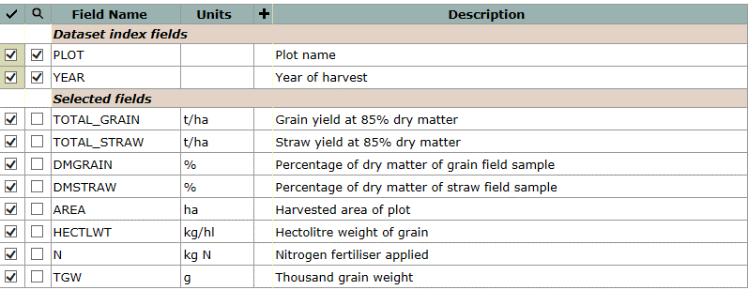

Example data, for selected plots, 2015:
plot | year | total_grain | total_straw | dmgrain | dmstraw | area | hectlwt | n | tgw
 |  | t/ha | t/ha | % | % | ha | kg/hl | kg N | g
111 | 2015 | 2.91 | 1.02 | 84.8 | 82.9 | 0.00256 | 59.0 | 96 | 44.4
112 | 2015 | 1.42 | 0.44 | 84.4 | 84.1 | 0.00256 | 57.5 | 0 | 40.7
113 | 2015 | 2.61 | 0.84 | 85.0 | 83.5 | 0.00256 | 62.0 | 144 | 44.9
114 | 2015 | 2.27 | 0.89 | 84.4 | 83.7 | 0.00256 | 59.5 | 48 | 45.1
121 | 2015 | 2.22 | 0.80 | 84.9 | 84.0 | 0.00256 | 58.5 | 96 | 44.1
122 | 2015 | 1.99 | 0.60 | 84.5 | 84.5 | 0.00256 | 59.5 | 48 | 44.3
123 | 2015 | 1.14 | 0.32 | 84.1 | 82.9 | 0.00256 | 58.0 | 0 | 40.6
124 | 2015 | 2.50 | 0.71 | 84.6 | 83.8 | 0.00256 | 59.0 | 144 | 44.5
131 | 2015 | 2.42 |  | 84.9 |  | 0.00256 | 62.0 | 144 | 44.0
132 | 2015 | 2.90 |  | 84.8 |  | 0.00256 | 59.5 | 144 | 43.7
133 | 2015 | 2.84 |  | 84.9 |  | 0.00256 | 62.0 | 144 | 44.0
134 | 2015 | 2.03 |  | 85.1 |  | 0.00256 | 59.0 | 144 | 44.9
142 | 2015 | 2.83 |  | 84.8 |  | 0.00256 | 61.0 | 144 | 45.9
143 | 2015 | 2.86 |  | 85.0 |  | 0.00256 | 61.5 | 144 | 46.2
144 | 2015 | 1.99 |  | 84.9 |  | 0.00256 | 62.0 | 144 | 45.3
211 | 2015 | 4.42 | 1.43 | 84.9 | 83.8 | 0.00256 | 59.5 | 144 | 41.2
212 | 2015 | 1.32 | 0.25 | 84.1 | 82.5 | 0.00256 | 61.5 | 0 | 38.2
213 | 2015 | 2.35 | 0.71 | 84.4 | 83.9 | 0.00256 | 59.5 | 48 | 39.1
214 | 2015 | 2.84 | 1.03 | 84.7 | 84.7 | 0.00256 | 61.5 | 96 | 39.6
221 | 2015 | 3.02 | 1.03 | 84.7 | 83.8 | 0.00256 | 59.0 | 96 | 36.5
222 | 2015 | 3.42 | 1.15 | 84.6 | 85.0 | 0.00256 | 58.5 | 144 | 37.0
223 | 2015 | 1.64 | 0.47 | 84.1 | 83.9 | 0.00256 | 60.0 | 0 | 39.7
224 | 2015 | 3.06 | 0.94 | 84.2 | 85.3 | 0.00256 | 60.0 | 48 | 40.6
231 | 2015 | 3.55 |  | 84.6 |  | 0.00256 | 61.5 | 144 | 39.3
232 | 2015 | 3.25 |  | 84.8 |  | 0.00256 | 60.0 | 144 | 40.8
233 | 2015 | 2.96 |  | 84.9 |  | 0.00256 | 61.0 | 144 | 40.0
234 | 2015 | 3.56 |  | 84.8 |  | 0.00256 | 61.0 | 144 | 42.6
242 | 2015 | 5.47 |  | 84.8 |  | 0.00256 | 63.0 | 144 | 45.8
243 | 2015 | 5.64 |  | 85.1 |  | 0.00256 | 65.0 | 144 | 47.3
244 | 2015 | 4.98 |  | 84.8 |  | 0.00256 | 62.5 | 144 | 47.5

