PGHAYEQUIV
Example data extracted from PGHAYEQUIV |  |  |  |  |  | Extracted 12/02/2018
Park Grass Yields 1960-present

Screen for selecting data, showing key to column headings:
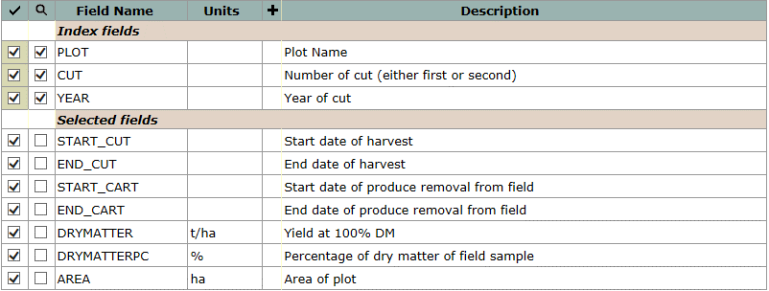

Example data, for selected plots, first cut, 2016:
plot | cut | year | start_cut | end_cut | start_cart | end_cart | drymatter | drymatterpc | area
 |  |  |  |  |  |  | t/ha | % | ha
10a | 1 | 2010 | 2010-06-21 | 2010-06-22 | 2010-06-21 | 2010-06-22 | 2.947 | 34.98 | 0.00392
10b | 1 | 2010 | 2010-06-21 | 2010-06-22 | 2010-06-21 | 2010-06-22 | 3.042 | 39.97 | 0.00381
10c | 1 | 2010 | 2010-06-21 | 2010-06-22 | 2010-06-21 | 2010-06-22 | 3.529 | 40.62 | 0.00381
10d | 1 | 2010 | 2010-06-21 | 2010-06-22 | 2010-06-21 | 2010-06-22 | 1.89 | 39.59 | 0.00392
11-1a | 1 | 2010 | 2010-06-21 | 2010-06-22 | 2010-06-21 | 2010-06-22 | 7.216 | 29.45 | 0.00392
11-1b | 1 | 2010 | 2010-06-21 | 2010-06-22 | 2010-06-21 | 2010-06-22 | 5.924 | 33.29 | 0.00381
11-1c | 1 | 2010 | 2010-06-21 | 2010-06-22 | 2010-06-21 | 2010-06-22 | 5.849 | 34.98 | 0.00381
11-1d | 1 | 2010 | 2010-06-21 | 2010-06-22 | 2010-06-21 | 2010-06-22 | 3.98 | 32.62 | 0.00392
11-2a | 1 | 2010 | 2010-06-21 | 2010-06-22 | 2010-06-21 | 2010-06-22 | 6.446 | 31.14 | 0.00392
11-2b | 1 | 2010 | 2010-06-21 | 2010-06-22 | 2010-06-21 | 2010-06-22 | 6.486 | 31.64 | 0.00381
11-2c | 1 | 2010 | 2010-06-21 | 2010-06-22 | 2010-06-21 | 2010-06-22 | 6.112 | 36.55 | 0.00381
11-2d | 1 | 2010 | 2010-06-21 | 2010-06-22 | 2010-06-21 | 2010-06-22 | 4.248 | 32.32 | 0.00392
12a | 1 | 2010 | 2010-06-21 | 2010-06-22 | 2010-06-21 | 2010-06-22 | 1.938 | 28.22 | 0.00392
12b | 1 | 2010 | 2010-06-21 | 2010-06-22 | 2010-06-21 | 2010-06-22 | 1.867 | 26.74 | 0.00381
12c | 1 | 2010 | 2010-06-21 | 2010-06-22 | 2010-06-21 | 2010-06-22 | 0.842 | 31.14 | 0.00381
12d | 1 | 2010 | 2010-06-21 | 2010-06-22 | 2010-06-21 | 2010-06-22 | 0.938 | 30.63 | 0.00392
13-1a | 1 | 2010 | 2010-06-21 | 2010-06-22 | 2010-06-21 | 2010-06-22 | 3.027 | 28.64 | 0.00392
13-1b | 1 | 2010 | 2010-06-21 | 2010-06-22 | 2010-06-21 | 2010-06-22 | 3.393 | 28.73 | 0.00381
13-1c | 1 | 2010 | 2010-06-21 | 2010-06-22 | 2010-06-21 | 2010-06-22 | 2.325 | 28.67 | 0.00381
13-1d | 1 | 2010 | 2010-06-21 | 2010-06-22 | 2010-06-21 | 2010-06-22 | 1.655 | 29.6 | 0.00392
13-2a | 1 | 2010 | 2010-06-21 | 2010-06-22 | 2010-06-21 | 2010-06-22 | 3.998 | 24.51 | 0.00392
13-2b | 1 | 2010 | 2010-06-21 | 2010-06-22 | 2010-06-21 | 2010-06-22 | 4.821 | 28.17 | 0.00381
13-2c | 1 | 2010 | 2010-06-21 | 2010-06-22 | 2010-06-21 | 2010-06-22 | 3.752 | 28.59 | 0.00381
13-2d | 1 | 2010 | 2010-06-21 | 2010-06-22 | 2010-06-21 | 2010-06-22 | 2.788 | 29.84 | 0.00392

