Sheet1
U | U | U | U | U | U | U | U | U | R | R | R | R | R | R | R | R | R | F | F | F | F | F | F | F | F | F | D | D | D | D | D | D | D | D | D | L | L | L | L | L | L | L | L | L | B | B | B | B | B | B | B | B | B
1 | 2 | 3 | 4 | 5 | 6 | 7 | 8 | 9 | 10 | 11 | 12 | 13 | 14 | 15 | 16 | 17 | 18 | 19 | 20 | 21 | 22 | 23 | 24 | 25 | 26 | 27 | 28 | 29 | 30 | 31 | 32 | 33 | 34 | 35 | 36 | 37 | 38 | 39 | 40 | 41 | 42 | 43 | 44 | 45 | 46 | 47 | 48 | 49 | 50 | 51 | 52 | 53 | 54 | SOLVED
1 | 2 | 21 | 4 | 5 | 24 | 7 | 8 | 27 | 16 | 13 | 10 | 17 | 14 | 11 | 18 | 15 | 12 | 19 | 20 | 30 | 22 | 23 | 33 | 25 | 26 | 36 | 28 | 29 | 52 | 31 | 32 | 49 | 34 | 35 | 46 | 37 | 38 | 39 | 40 | 41 | 42 | 43 | 44 | 45 | 9 | 47 | 48 | 6 | 50 | 51 | 3 | 53 | 54 | R
54 | 2 | 3 | 51 | 5 | 6 | 48 | 8 | 9 | 10 | 11 | 12 | 13 | 14 | 15 | 16 | 17 | 18 | 1 | 20 | 21 | 4 | 23 | 24 | 7 | 26 | 27 | 19 | 29 | 30 | 22 | 32 | 33 | 25 | 35 | 36 | 43 | 40 | 37 | 44 | 41 | 38 | 45 | 42 | 39 | 46 | 47 | 34 | 49 | 50 | 31 | 52 | 53 | 28 | L
12 | 15 | 18 | 4 | 5 | 6 | 7 | 8 | 9 | 10 | 11 | 36 | 13 | 14 | 35 | 16 | 17 | 34 | 19 | 20 | 21 | 22 | 23 | 24 | 25 | 26 | 27 | 28 | 29 | 30 | 31 | 32 | 33 | 37 | 40 | 43 | 3 | 38 | 39 | 2 | 41 | 42 | 1 | 44 | 45 | 52 | 49 | 46 | 53 | 50 | 47 | 54 | 51 | 48 | B
1 | 2 | 3 | 4 | 5 | 6 | 45 | 42 | 39 | 7 | 11 | 12 | 8 | 14 | 15 | 9 | 17 | 18 | 25 | 22 | 19 | 26 | 23 | 20 | 27 | 24 | 21 | 16 | 13 | 10 | 31 | 32 | 33 | 34 | 35 | 36 | 37 | 38 | 28 | 40 | 41 | 29 | 43 | 44 | 30 | 46 | 47 | 48 | 49 | 50 | 51 | 52 | 53 | 54 | F
7 | 4 | 1 | 8 | 5 | 2 | 9 | 6 | 3 | 46 | 47 | 48 | 13 | 14 | 15 | 16 | 17 | 18 | 10 | 11 | 12 | 22 | 23 | 24 | 25 | 26 | 27 | 28 | 29 | 30 | 31 | 32 | 33 | 34 | 35 | 36 | 19 | 20 | 21 | 40 | 41 | 42 | 43 | 44 | 45 | 37 | 38 | 39 | 49 | 50 | 51 | 52 | 53 | 54 | U
1 | 2 | 3 | 4 | 5 | 6 | 7 | 8 | 9 | 10 | 11 | 12 | 13 | 14 | 15 | 25 | 26 | 27 | 19 | 20 | 21 | 22 | 23 | 24 | 43 | 44 | 45 | 34 | 31 | 28 | 35 | 32 | 29 | 36 | 33 | 30 | 37 | 38 | 39 | 40 | 41 | 42 | 52 | 53 | 54 | 46 | 47 | 48 | 49 | 50 | 51 | 16 | 17 | 18 | D
1 | 2 | 3 | 44 | 41 | 38 | 7 | 8 | 9 | 10 | 4 | 12 | 13 | 5 | 15 | 6 | 17 | 18 | 19 | 20 | 21 | 22 | 23 | 24 | 25 | 26 | 27 | 28 | 29 | 30 | 16 | 14 | 11 | 34 | 35 | 36 | 37 | 31 | 39 | 40 | 32 | 42 | 43 | 33 | 45 | 46 | 47 | 48 | 49 | 50 | 51 | 52 | 53 | 54 | S
1 | 53 | 3 | 4 | 50 | 6 | 7 | 47 | 9 | 10 | 11 | 12 | 13 | 14 | 15 | 16 | 17 | 18 | 19 | 2 | 21 | 22 | 5 | 24 | 25 | 8 | 27 | 28 | 20 | 30 | 31 | 23 | 33 | 34 | 26 | 36 | 37 | 38 | 39 | 40 | 41 | 42 | 43 | 44 | 45 | 46 | 35 | 48 | 49 | 32 | 51 | 52 | 29 | 54 | M
1 | 2 | 3 | 4 | 5 | 6 | 7 | 8 | 9 | 10 | 11 | 12 | 13 | 14 | 15 | 16 | 17 | 18 | 19 | 20 | 21 | 22 | 23 | 24 | 25 | 26 | 27 | 28 | 29 | 30 | 31 | 32 | 33 | 34 | 35 | 36 | 37 | 38 | 39 | 40 | 41 | 42 | 43 | 44 | 45 | 46 | 47 | 48 | 49 | 50 | 51 | 52 | 53 | 54 | E

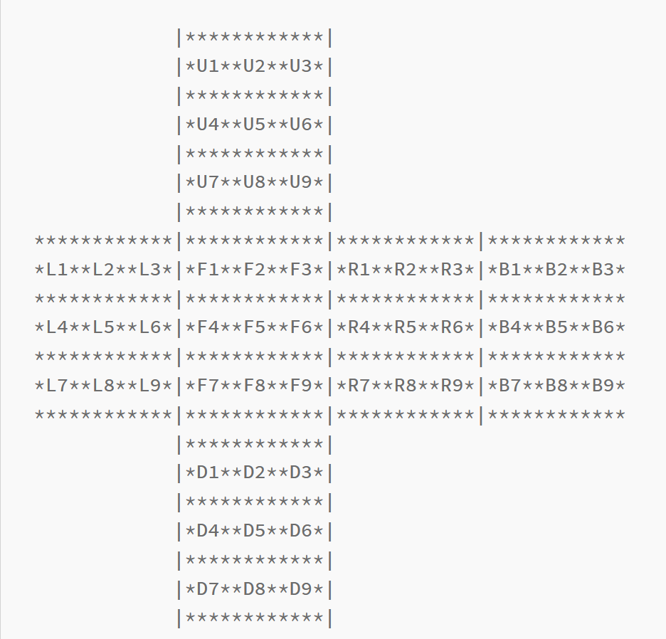
 |  |  |  |  |  |  |  |  |  |  |  |  |  |  |  |  |  |  |  |  |  |  |  |  |  |  |  |  |  |  |  |  |  |  | R |  |  |  |  | B |  |  |  |  | F
 |  |  |  |  |  |  |  |  |  |  |  |  |  |  |  |  |  |  |  |  |  |  |  |  |  |  |  |  |  |  |  |  |  |  | 9 | 46 | 36 | 27 |  | 1 | 43 | 36 | 12 |  | 7 | 10 | 30 | 45
 |  |  |  |  |  |  |  |  |  |  |  |  |  |  |  |  |  |  |  |  |  |  |  |  |  |  |  |  |  |  |  |  |  |  | 6 | 49 | 33 | 24 |  | 2 | 40 | 35 | 15 |  | 8 | 13 | 29 | 42
 |  |  |  |  |  |  |  |  |  |  |  |  |  |  |  |  |  |  |  |  |  |  |  |  |  |  |  |  |  |  |  |  |  |  | 3 | 52 | 30 | 21 |  | 3 | 37 | 34 | 18 |  | 9 | 16 | 28 | 39
 |  |  |  |  |  |  |  |  |  |  |  |  |  |  |  |  |  |  |  |  |  |  |  |  |  |  |  |  |  |  |  |  |  |  | 10 | 12 | 18 | 16 |  | 46 | 48 | 54 | 52 |  | 19 | 21 | 27 | 25
 |  |  |  |  |  |  |  |  |  |  |  |  |  |  |  |  |  |  |  |  |  |  |  |  |  |  |  |  |  |  |  |  |  |  | 11 | 15 | 17 | 13 |  | 47 | 51 | 53 | 49 |  | 20 | 24 | 26 | 22

 |  |  |  |  |  |  |  |  |  |  |  |  |  |  |  |  |  |  |  |  |  |  |  |  |  |  |  |  |  |  |  |  |  |  | L |  |  |  |  | D |  |  |  |  | U
 |  |  |  |  |  |  |  |  |  |  |  |  |  |  |  |  |  |  |  |  |  |  |  |  |  |  |  |  |  |  |  |  |  |  | 1 | 19 | 28 | 54 |  | 25 | 16 | 52 | 43 |  | 1 | 3 | 9 | 7
 |  |  |  |  |  |  |  |  |  |  |  |  |  |  |  |  |  |  |  |  |  |  |  |  |  |  |  |  |  |  |  |  |  |  | 4 | 22 | 31 | 51 |  | 26 | 17 | 53 | 44 |  | 2 | 6 | 8 | 4
 |  |  |  |  |  |  |  |  |  |  |  |  |  |  |  |  |  |  |  |  |  |  |  |  |  |  |  |  |  |  |  |  |  |  | 7 | 25 | 34 | 48 |  | 27 | 18 | 54 | 45 |  | 46 | 10 | 19 | 37
 |  |  |  |  |  |  |  |  |  |  |  |  |  |  |  |  |  |  |  |  |  |  |  |  |  |  |  |  |  |  |  |  |  |  | 37 | 39 | 45 | 43 |  | 28 | 30 | 36 | 34 |  | 47 | 11 | 20 | 38
 |  |  |  |  |  |  |  |  |  |  |  |  |  |  |  |  |  |  |  |  |  |  |  |  |  |  |  |  |  |  |  |  |  |  | 38 | 42 | 44 | 40 |  | 29 | 33 | 35 | 31 |  | 48 | 12 | 21 | 39

