Sheet2
 |  |  |  |  |  |  |  |  |  | PT. NewWicker Indonesia
 |  |  |  |  |  |  |  |  |  | Jalan Kisaba Lanang RT 019 RW 002, Bode Lor
 |  |  |  |  |  |  |  |  |  | Plumbon, Cirebon 45155
 |  |  |  |  |  |  |  |  |  | Indonesia
 |  |  |  |  |  |  |  |  |  | factory@newwicker.com

NO Spk |  |  |  |  |  |  |  | NO PO :
Nama
Tgl terima
Tgl Selesai
Kode Barang | Gambar | Nama Barang | Ukuran | Material | QTY |  | Harga | Total | Catatan

 |  |  |  |  | pcs | set

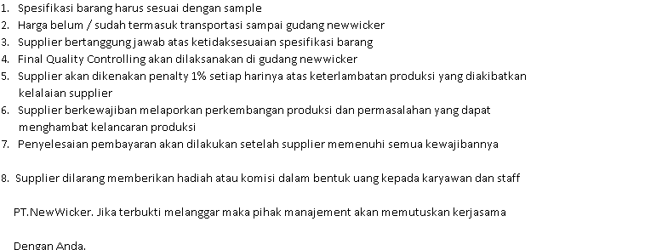
 |  |  |  |  |  |  |  | #REF!
 |  |  |  |  |  |  |  | Ammount | Date | Note

Made by : |  | Checked By: |  | Approved by: |  |  | Know by: |  | supplier

 |  | VIVI |  | Mr. Stanley |  |  |  |  | 0
 |  |  |  | General Manager

