P1-P9
 |  | Cash Flow Of The Loan |  |  |  |  |  |  |  |  |  | Result
Monthly | Initial Investment(Lock) | Amount Of Loan | Monthly Payment | Initial Investment(Unlock) | Part 3 -> PMT | Part 4 -> PPMT | Part 6 -> IPMT
0 | ($16,000,000.000) | $50,000,000.000 | $50,000,000.000 |  |  |  |  | Part 1 | Rate For Use Goal Seek | 1.5991%
1 |  |  | ($1,500,000.000) |  | ($1,468,749.98) | ($700,453.81) | ($799,546.19)
2 |  |  | ($1,500,000.000) |  | ($1,468,749.98) | ($711,654.72) | ($788,345.28)
3 |  |  | ($1,500,000.000) |  | ($1,468,749.98) | ($723,034.73) | ($776,965.27)
4 |  |  | ($1,500,000.000) |  | ($1,468,749.98) | ($734,596.73) | ($765,403.27) |  | Profit of Loan(annually) | 18%
5 |  |  | ($1,500,000.000) |  | ($1,468,749.98) | ($746,343.61) | ($753,656.39) | Part 2 | Rate | 1.5991%
6 |  |  | ($1,500,000.000) |  | ($1,468,749.98) | ($758,278.33) | ($741,721.67) | Part 5 | Cumulative Principles | ($50,000,000.00) | ($50,000,000.00) | مشاهده میکنیم که این تابع برابر با جمع ستون PPMT به ازای تمام 48 ماه است!
7 |  |  | ($1,500,000.000) |  | ($1,468,749.98) | ($770,403.90) | ($729,596.10) | Part 7 | Cumulative Interests | ($22,000,000.00) | ($22,000,000.00) | مشاهده میکنیم که این تابع برابر با جمع ستون IPMT به ازای تمام 48 ماه است!
8 |  |  | ($1,500,000.000) |  | ($1,468,749.98) | ($782,723.37) | ($717,276.63) | Part 8 | Summation Of All Instalments. | ($72,000,000.00) | ($72,000,000.000) | طبق خواسته مسئله بدست آوردیم که باهم برابر می‌شوند!
9 |  |  | ($1,500,000.000) |  | ($1,468,749.98) | ($795,239.84) | ($704,760.16)
10 |  |  | ($1,500,000.000) |  | ($1,468,749.98) | ($807,956.46) | ($692,043.54)
11 |  |  | ($1,500,000.000) |  | ($1,468,749.98) | ($820,876.43) | ($679,123.57)
12 |  |  | ($1,500,000.000) |  | ($1,468,749.98) | ($834,003.00) | ($665,997.00)
13 |  |  | ($1,500,000.000) |  | ($1,468,749.98) | ($847,339.48) | ($652,660.52)
14 |  |  | ($1,500,000.000) |  | ($1,468,749.98) | ($860,889.22) | ($639,110.78)
15 |  |  | ($1,500,000.000) |  | ($1,468,749.98) | ($874,655.64) | ($625,344.36) | Part 9 | After Pay the half of Installments
16 |  |  | ($1,500,000.000) |  | ($1,468,749.98) | ($888,642.19) | ($611,357.81) |  | Cumulative Interest Of Payment | ($15,702,650.57)
17 |  |  | ($1,500,000.000) |  | ($1,468,749.98) | ($902,852.40) | ($597,147.60) |  | Cumulative Principle Of Payment | ($20,297,349.43)
18 |  |  | ($1,500,000.000) |  | ($1,468,749.98) | ($917,289.84) | ($582,710.16) |  | Cumulative Interest & Cumulative Principle | ($36,000,000.00)
19 |  |  | ($1,500,000.000) |  | ($1,468,749.98) | ($931,958.15) | ($568,041.85) |  | Sum Of All Payment In First 24 Month | ($36,000,000.00)
20 |  |  | ($1,500,000.000) |  | ($1,468,749.98) | ($946,861.02) | ($553,138.98) |  | Amount Of Money To Settle | $29,702,650.57
21 |  |  | ($1,500,000.000) |  | ($1,468,749.98) | ($962,002.21) | ($537,997.79) |  | Bank Settle | $29,700,000.00 |  | مقدار بدست آمده برابر با مقدار مورد انتظار بانک است.( از بانک شهر چهارراه ولی عصر پرسیدم)
22 |  |  | ($1,500,000.000) |  | ($1,468,749.98) | ($977,385.51) | ($522,614.49)
23 |  |  | ($1,500,000.000) |  | ($1,468,749.98) | ($993,014.81) | ($506,985.19)
24 |  |  | ($1,500,000.000) |  | ($1,468,749.98) | ($1,008,894.03) | ($491,105.97)
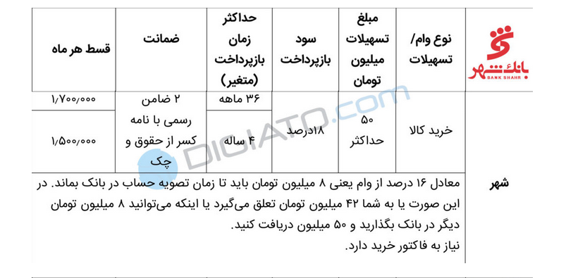
25 |  |  | ($1,500,000.000) |  | ($1,468,749.98) | ($1,025,027.18) | ($474,972.82)
26 |  |  | ($1,500,000.000) |  | ($1,468,749.98) | ($1,041,418.31) | ($458,581.69)
27 |  |  | ($1,500,000.000) |  | ($1,468,749.98) | ($1,058,071.55) | ($441,928.45)
28 |  |  | ($1,500,000.000) |  | ($1,468,749.98) | ($1,074,991.09) | ($425,008.91)
29 |  |  | ($1,500,000.000) |  | ($1,468,749.98) | ($1,092,181.19) | ($407,818.81)
30 |  |  | ($1,500,000.000) |  | ($1,468,749.98) | ($1,109,646.18) | ($390,353.82)
31 |  |  | ($1,500,000.000) |  | ($1,468,749.98) | ($1,127,390.45) | ($372,609.55)
32 |  |  | ($1,500,000.000) |  | ($1,468,749.98) | ($1,145,418.46) | ($354,581.54)
33 |  |  | ($1,500,000.000) |  | ($1,468,749.98) | ($1,163,734.76) | ($336,265.24)
34 |  |  | ($1,500,000.000) |  | ($1,468,749.98) | ($1,182,343.96) | ($317,656.04)
35 |  |  | ($1,500,000.000) |  | ($1,468,749.98) | ($1,201,250.73) | ($298,749.27)
36 |  |  | ($1,500,000.000) |  | ($1,468,749.98) | ($1,220,459.84) | ($279,540.16)
37 |  |  | ($1,500,000.000) |  | ($1,468,749.98) | ($1,239,976.12) | ($260,023.88)
38 |  |  | ($1,500,000.000) |  | ($1,468,749.98) | ($1,259,804.48) | ($240,195.52)
39 |  |  | ($1,500,000.000) |  | ($1,468,749.98) | ($1,279,949.92) | ($220,050.08)
40 |  |  | ($1,500,000.000) |  | ($1,468,749.98) | ($1,300,417.50) | ($199,582.50)
41 |  |  | ($1,500,000.000) |  | ($1,468,749.98) | ($1,321,212.38) | ($178,787.62)
42 |  |  | ($1,500,000.000) |  | ($1,468,749.98) | ($1,342,339.78) | ($157,660.22)
43 |  |  | ($1,500,000.000) |  | ($1,468,749.98) | ($1,363,805.04) | ($136,194.96)
44 |  |  | ($1,500,000.000) |  | ($1,468,749.98) | ($1,385,613.54) | ($114,386.46)
45 |  |  | ($1,500,000.000) |  | ($1,468,749.98) | ($1,407,770.78) | ($92,229.22)
46 |  |  | ($1,500,000.000) |  | ($1,468,749.98) | ($1,430,282.33) | ($69,717.67)
47 |  |  | ($1,500,000.000) |  | ($1,468,749.98) | ($1,453,153.87) | ($46,846.13)
48 |  |  | ($1,500,000.000) | $16,000,000.000 | ($1,468,749.98) | ($1,476,391.14) | ($23,608.86)

 | NPW |  | $0.00

