Cover page


IS602 Spreadsheets Modeling for Decision Making

Optimizing Pricing Strategy for Jollibee: Maximizing Profit in Singapore's Competitive Fast-Food Market

 | Group 9

 | Chen Shutian

 | Ding Yiwen

 | Enrico Sebastian DANUSANTOSO

 | Rajesh Babu SANTIGARI

 | Yang Lu

Competitor model
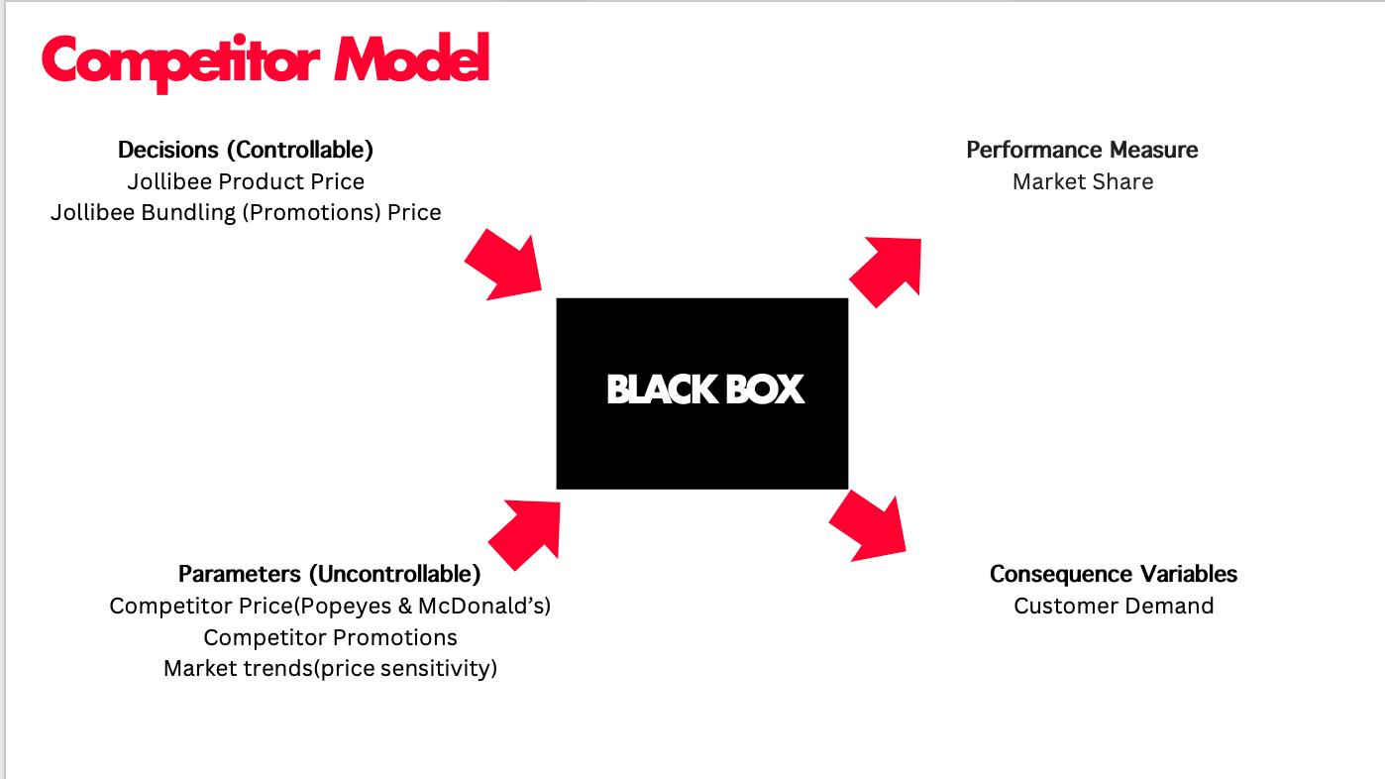
-Black box and influence diagram
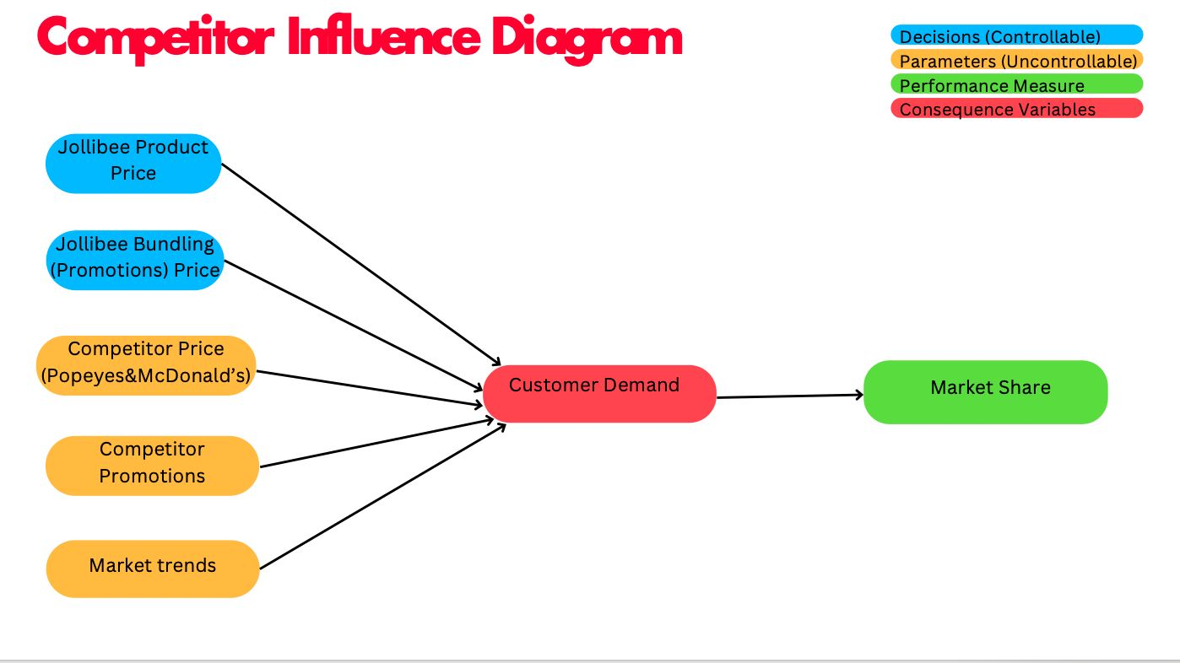

Price Comparison
 | Jollibee vs mcdonals | Jollibee vs Popeyes
Crispy Chicken (Ala Carte) | 0.2 | 0.1
Combo Meal (Chicken + Sides) | 0.5 | 0.2
Family Meal | 2 | 1.5
Beverages (Soft Drink) | 0.2 | 0.1
Chicken Sandwich (Ala Carte) | 0.2 | 0.1
Value Meal (Sandwich + Fries + Drink) | 0.5 | 0.3
Breakfast Combo (Egg + Meat + Drink) | 0.5 | 0.3
Desserts (Ice Cream) | 0.3 | 0.2
Kids Meal (Chicken + Side + Toy) | 0.2 | 0.1
Seasonal/Promotional Meal | 0.5 | 0.3
-Price comparison
Category | Jollibee Price | McDonald's Price | Popeyes Price
Crispy Chicken (Ala Carte) | $4.50 | $4.70 | $4.60
Combo Meal (Chicken + Sides) | $8.00 | $8.50 | $8.20
Family Meal | $20.00 | $22.00 | $21.50
Beverages (Soft Drink) | $1.50 | $1.70 | $1.60
Chicken Sandwich (Ala Carte) | $5.00 | $5.20 | $5.10
Value Meal (Sandwich + Fries + Drink) | $7.50 | $8.00 | $7.80
Breakfast Combo (Egg + Meat + Drink) | $6.00 | $6.50 | $6.30
Desserts (Ice Cream) | $1.20 | $1.50 | $1.40
Kids Meal (Chicken + Side + Toy) | $4.00 | $4.20 | $4.10
Seasonal/Promotional Meal | $9.00 | $9.50 | $9.30

price diff | Jollibee vs mcdonals | Jollibee vs Popeyes
Crispy Chicken (Ala Carte) | $0.20 | $0.10
Combo Meal (Chicken + Sides) | $0.50 | $0.20
Family Meal | $2.00 | $1.50
Beverages (Soft Drink) | $0.20 | $0.10
Chicken Sandwich (Ala Carte) | $0.20 | $0.10
Value Meal (Sandwich + Fries + Drink) | $0.50 | $0.30
Breakfast Combo (Egg + Meat + Drink) | $0.50 | $0.30
Desserts (Ice Cream) | $0.30 | $0.20
Kids Meal (Chicken + Side + Toy) | $0.20 | $0.10
Seasonal/Promotional Meal | $0.50 | $0.30

-Price Trend
Jollibee Price Trend
 | 2022-2023 | 2023-2024
6 pcs chickenjoy burket | 0.1 | 0.0090909090909
8 pcs chickenjoy burket | 0.12727272727 | 0.0035842293907
Pie |  | 0
Cheesy Yumburger | 0.055555555556 | 0.12280701754
Buttered corn | 0.088235294118 | 0
Mineral water | 0.021739130435 | 0.21276595745
Coca cola(canned) | 0.019230769231 | 0.075471698113
Mcdonal Price Trend
 | 2022-2023 | 2023-2024
6 pcs chickenjoy burket | 0.045454545455 | 0.0065217391304
8 pcs chickenjoy burket | 0.051724137931 | 0.016393442623
Pie | 0.071428571429 | 0.033333333333
Cheesy Yumburger | 0.03125 | 0.060606060606
Buttered corn | 0.052631578947 | 0.05
Mineral water | 0.04 | 0.038461538462
Coca cola(canned) | 0.074074074074 | 0.10344827586
Jollibee
Category | 2022 | 2023 | 2024 |  | 2022-2023 | 2023-2024
6 pcs chickenjoy burket | $20.00 | $22.00 | $22.20 | 6 pcs chickenjoy burket | 10.00% | 0.91%
8 pcs chickenjoy burket | $24.75 | $27.90 | $28.00 | 8 pcs chickenjoy burket | 12.73% | 0.36%
Pie |  | $2.30 | $2.30 | Pie |  | 0.00%
Cheesy Yumburger | $2.70 | $2.85 | $3.20 | Cheesy Yumburger | 5.56% | 12.28%
Buttered corn | $1.70 | $1.85 | $1.85 | Buttered corn | 8.82% | 0.00%
Mineral water | $2.30 | $2.35 | $2.85 | Mineral water | 2.17% | 21.28%
Coca cola(canned) | $2.60 | $2.65 | $2.85 | Coca cola(canned) | 1.92% | 7.55%

McDonald
Category | 2022 | 2023 | 2024 |  | 2022-2023 | 2023-2024
6 pcs chickenjoy burket | $22.00 | $23.00 | $23.15 | 6 pcs chickenjoy burket | 4.55% | 0.65%
8 pcs chickenjoy burket | $29.00 | $30.50 | $31.00 | 8 pcs chickenjoy burket | 5.17% | 1.64%
Pie | $2.80 | $3.00 | $3.10 | Pie | 7.14% | 3.33%
Cheesy Yumburger | $3.20 | $3.30 | $3.50 | Cheesy Yumburger | 3.12% | 6.06%
Buttered corn | $1.90 | $2.00 | $2.10 | Buttered corn | 5.26% | 5.00%
Mineral water | $2.50 | $2.60 | $2.70 | Mineral water | 4.00% | 3.85%
Coca cola(canned) | $2.70 | $2.90 | $3.20 | Coca cola(canned) | 7.41% | 10.34%

Popeyes
Category | 2022 | 2023 | 2024 |  | 2022-2023 | 2023-2024
6 pcs chickenjoy burket | $21.00 | $22.50 | $23.00 | 6 pcs chickenjoy burket | 7.14% | 2.22%
8 pcs chickenjoy burket | $28.00 | $29.50 | $30.00 | 8 pcs chickenjoy burket | 5.36% | 1.69%
Pie | $2.60 | $2.80 | $3.00 | Pie | 7.69% | 7.14%
Popeyes Price Trend
 | 2022-2023 | 2023-2024
6 pcs chickenjoy burket | 0.071428571429 | 0.022222222222
8 pcs chickenjoy burket | 0.053571428571 | 0.016949152542
Pie | 0.076923076923 | 0.071428571429
Cheesy Yumburger | 0.066666666667 | 0.0625
Buttered corn | 0.054054054054 | 0.051282051282
Mineral water | 0.041666666667 | 0.04
Coca cola(canned) | 0.037735849057 | 0.036363636364
Cheesy Yumburger | $3.00 | $3.20 | $3.40 | Cheesy Yumburger | 6.67% | 6.25%
Buttered corn | $1.85 | $1.95 | $2.05 | Buttered corn | 5.41% | 5.13%
Mineral water | $2.40 | $2.50 | $2.60 | Mineral water | 4.17% | 4.00%
Coca cola(canned) | $2.65 | $2.75 | $2.85 | Coca cola(canned) | 3.77% | 3.64%

2022-2023 PRICE TREND
 | Jollibee | McDonald | Popeyes
6 pcs chickenjoy burket | 0.1 | 0.045454545455 | 0.071428571429
8 pcs chickenjoy burket | 0.12727272727 | 0.051724137931 | 0.053571428571
Pie |  | 0.071428571429 | 0.076923076923
Cheesy Yumburger | 0.055555555556 | 0.03125 | 0.066666666667
Buttered corn | 0.088235294118 | 0.052631578947 | 0.054054054054
Mineral water | 0.021739130435 | 0.04 | 0.041666666667
Coca cola(canned) | 0.019230769231 | 0.074074074074 | 0.037735849057
2022-2023 PRICE TREND
 | Jollibee | McDonald | Popeyes
6 pcs chickenjoy burket | 10.00% | 4.55% | 7.14%
8 pcs chickenjoy burket | 12.73% | 5.17% | 5.36%
Pie |  | 7.14% | 7.69%
Cheesy Yumburger | 5.56% | 3.12% | 6.67%
Buttered corn | 8.82% | 5.26% | 5.41%
Mineral water | 2% | 4.00% | 4.17%
Coca cola(canned) | 1.92% | 7.41% | 3.77%

2023-2024 PRICE TREND
 | Jollibee | McDonald | Popeyes
6 pcs chickenjoy burket | 0.0090909090909 | 0.0065217391304 | 0.022222222222
8 pcs chickenjoy burket | 0.0035842293907 | 0.016393442623 | 0.016949152542
Pie | 0 | 0.033333333333 | 0.071428571429
Cheesy Yumburger | 0.12280701754 | 0.060606060606 | 0.0625
Buttered corn | 0 | 0.05 | 0.051282051282
Mineral water | 0.21276595745 | 0.038461538462 | 0.04
Coca cola(canned) | 0.075471698113 | 0.10344827586 | 0.036363636364
2023-2024 PRICE TREND
 | Jollibee | McDonald | Popeyes
6 pcs chickenjoy burket | 0.91% | 0.65% | 2.22%
8 pcs chickenjoy burket | 0.36% | 1.64% | 1.69%
Pie | 0.00% | 3.33% | 7.14%
Cheesy Yumburger | 12.28% | 6.06% | 6.25%
Buttered corn | 0.00% | 5.00% | 5.13%
Mineral water | 21% | 3.85% | 4.00%
Coca cola(canned) | 7.55% | 10.34% | 3.64%

-Market share

Outlets trend
 | Jollibee | McDonald | Popeyes
2023 | 0.066666666667 | 0.048951048951 | 0.16666666667
2024 | 0.0625 | 0 | 0.21428571429
< How many outlets for each >
 | 2022 | 2023 | 2024
Jollibee | 15 | 16 | 17
McDonald | 143 | 150 | 150
Popeyes | 12 | 14 | 17
Sum | 170 | 180 | 184

 | 2023 | 2024
Jollibee | 6.67% | 6.25%
McDonald | 4.90% | 0.00%
Popeyes | 16.67% | 21.43%

-Promotion simulation
 |  |  |  |  |  | McDonald promotion discount | 15.00% |  |  | Popeyes promotion discount | 15%
Category | Jollibee Price | McDonald's Price | Popeyes Price | Category | Jollibee Price | McDonald's Promotion Price | Popeyes Price | Category | Jollibee Price | McDonald's Promotion Price | Popeyes Price
Crispy Chicken (Ala Carte) | $4.50 | $4.70 | $4.60 | Crispy Chicken (Ala Carte) | $4.50 | $4.00 | $4.60 | Crispy Chicken (Ala Carte) | $4.50 | $4.70 | $3.91
Combo Meal (Chicken + Sides) | $8.00 | $8.50 | $8.20 | Combo Meal (Chicken + Sides) | $8.00 | $7.23 | $8.20 | Combo Meal (Chicken + Sides) | $8.00 | $8.50 | $6.97
Family Meal | $20.00 | $22.00 | $21.50 | Family Meal | $20.00 | $18.70 | $21.50 | Family Meal | $20.00 | $22.00 | $18.28
Beverages (Soft Drink) | $1.50 | $1.70 | $1.60 | Beverages (Soft Drink) | $1.50 | $1.44 | $1.60 | Beverages (Soft Drink) | $1.50 | $1.70 | $1.36
Chicken Sandwich (Ala Carte) | $5.00 | $5.20 | $5.10 | Chicken Sandwich (Ala Carte) | $5.00 | $4.42 | $5.10 | Chicken Sandwich (Ala Carte) | $5.00 | $5.20 | $4.34
Value Meal (Sandwich + Fries + Drink) | $7.50 | $8.00 | $7.80 | Value Meal (Sandwich + Fries + Drink) | $7.50 | $6.80 | $7.80 | Value Meal (Sandwich + Fries + Drink) | $7.50 | $8.00 | $6.63
Breakfast Combo (Egg + Meat + Drink) | $6.00 | $6.50 | $6.30 | Breakfast Combo (Egg + Meat + Drink) | $6.00 | $5.52 | $6.30 | Breakfast Combo (Egg + Meat + Drink) | $6.00 | $6.50 | $5.35
Desserts (Ice Cream) | $1.20 | $1.50 | $1.40 | Desserts (Ice Cream) | $1.20 | $1.28 | $1.40 | Desserts (Ice Cream) | $1.20 | $1.50 | $1.19
Kids Meal (Chicken + Side + Toy) | $4.00 | $4.20 | $4.10 | Kids Meal (Chicken + Side + Toy) | $4.00 | $3.57 | $4.10 | Kids Meal (Chicken + Side + Toy) | $4.00 | $4.20 | $3.48
Seasonal/Promotional Meal | $9.00 | $9.50 | $9.30 | Seasonal/Promotional Meal | $9.00 | $8.08 | $9.30 | Seasonal/Promotional Meal | $9.00 | $9.50 | $7.91
Average | $6.67 | $7.18 | $6.99 | Average | $6.67 | $6.10 | $6.99 | Average | $6.67 | $7.18 | $5.94

< assume there are two factors will affect customer trend , price and outlet numbers. Each factor occupies 50% probability of customer trend ratio>
1st lower price | 50.00% | Jollibee Price |  | 1st lower price | 50.00% | McDonald's Promotion Price |  | 1st lower price | 50.00% | Popeyes Price
2nd lower price | 30.00% | Popeyes Price |  | 2nd lower price | 30.00% | Jollibee Price |  | 2nd lower price | 30.00% | Jollibee Price
3rd lower price | 20.00% | McDonald's Price |  | 3rd lower price | 20.00% | Popeyes Price |  | 3rd lower price | 20.00% | McDonald's Promotion Price

outlet | 50.00%
Price | 50.00%

 | Jollibee | McDonald | Popeyes |  | Jollibee | McDonald | Popeyes |  | Jollibee | McDonald | Popeyes
outlet | 9.24% | 81.52% | 9.24% | outlet | 9.24% | 81.52% | 9.24% | outlet | 9.24% | 81.52% | 9.24%
Price | 50.00% | 20.00% | 30.00% | Price | 30.00% | 50.00% | 20.00% | Price | 30.00% | 20.00% | 50.00%
Cutomer trend ratio | 29.62% | 50.76% | 19.62% | Market ratio | 19.62% | 65.76% | 14.62% | Market ratio | 19.62% | 50.76% | 29.62%

 | 0 |  |  |  | 0 |  |  |  | 0
Jollibee | 29.62% |  |  | Jollibee | 19.62% |  |  | Jollibee | 19.62%
McDonald | 80.38% |  |  | McDonald | 85.38% |  |  | McDonald | 70.38%
Popeyes | 100.00% |  |  | Popeyes | 100.00% |  |  | Popeyes | 100.00%

Jollibee | 11 | 22.00% |  | Jollibee | 9 | 18.00% |  | Jollibee | 9 | 18.00%
McDonald | 28 |  |  | McDonald | 36 |  |  | McDonald | 36
Popeyes | 11 |  |  | Popeyes | 5 |  |  | Popeyes | 5

<asssume have 50 customers> | Seimulation 1.Normal price |  |  | Seimulation 2.When McDonald have promotion |  |  |  | Seimulation 3.When Popeyes have promotion

1 | Popeyes |  |  | 1 | McDonald |  |  | 1 | McDonald
2 | Jollibee |  |  | 2 | McDonald |  |  | 2 | McDonald
3 | Popeyes |  |  | 3 | McDonald |  |  | 3 | Jollibee
4 | Jollibee |  |  | 4 | McDonald |  |  | 4 | McDonald
5 | McDonald |  |  | 5 | McDonald |  |  | 5 | Popeyes
6 | Popeyes |  |  | 6 | Jollibee |  |  | 6 | McDonald
7 | McDonald |  |  | 7 | McDonald |  |  | 7 | Popeyes
8 | McDonald |  |  | 8 | McDonald |  |  | 8 | Jollibee
9 | Jollibee |  |  | 9 | McDonald |  |  | 9 | Jollibee
10 | McDonald |  |  | 10 | Jollibee |  |  | 10 | Popeyes
11 | Jollibee |  |  | 11 | McDonald |  |  | 11 | Popeyes
12 | Popeyes |  |  | 12 | McDonald |  |  | 12 | Popeyes
13 | Jollibee |  |  | 13 | McDonald |  |  | 13 | Popeyes
14 | Jollibee |  |  | 14 | McDonald |  |  | 14 | McDonald
15 | McDonald |  |  | 15 | McDonald |  |  | 15 | McDonald
16 | McDonald |  |  | 16 | McDonald |  |  | 16 | McDonald
17 | McDonald |  |  | 17 | McDonald |  |  | 17 | Popeyes
18 | Popeyes |  |  | 18 | McDonald |  |  | 18 | Popeyes
19 | McDonald |  |  | 19 | McDonald |  |  | 19 | Jollibee
20 | Jollibee |  |  | 20 | Popeyes |  |  | 20 | McDonald
21 | McDonald |  |  | 21 | Jollibee |  |  | 21 | Popeyes
22 | McDonald |  |  | 22 | McDonald |  |  | 22 | McDonald
23 | Popeyes |  |  | 23 | Jollibee |  |  | 23 | McDonald
24 | McDonald |  |  | 24 | Popeyes |  |  | 24 | Popeyes
25 | McDonald |  |  | 25 | Popeyes |  |  | 25 | Popeyes
26 | Popeyes |  |  | 26 | McDonald |  |  | 26 | McDonald
27 | McDonald |  |  | 27 | McDonald |  |  | 27 | McDonald
28 | McDonald |  |  | 28 | Jollibee |  |  | 28 | Jollibee
29 | McDonald |  |  | 29 | McDonald |  |  | 29 | McDonald
30 | McDonald |  |  | 30 | Jollibee |  |  | 30 | McDonald
31 | McDonald |  |  | 31 | Jollibee |  |  | 31 | Jollibee
32 | McDonald |  |  | 32 | McDonald |  |  | 32 | Popeyes
33 | McDonald |  |  | 33 | McDonald |  |  | 33 | McDonald
34 | McDonald |  |  | 34 | McDonald |  |  | 34 | McDonald
35 | McDonald |  |  | 35 | McDonald |  |  | 35 | McDonald
36 | Popeyes |  |  | 36 | McDonald |  |  | 36 | Popeyes
37 | Popeyes |  |  | 37 | Jollibee |  |  | 37 | McDonald
38 | McDonald |  |  | 38 | Popeyes |  |  | 38 | McDonald
39 | McDonald |  |  | 39 | McDonald |  |  | 39 | Jollibee
40 | McDonald |  |  | 40 | McDonald |  |  | 40 | Popeyes
41 | McDonald |  |  | 41 | McDonald |  |  | 41 | McDonald
42 | Jollibee |  |  | 42 | Popeyes |  |  | 42 | McDonald
43 | Jollibee |  |  | 43 | McDonald |  |  | 43 | Popeyes
44 | Popeyes |  |  | 44 | McDonald |  |  | 44 | Popeyes
45 | McDonald |  |  | 45 | McDonald |  |  | 45 | McDonald
46 | Jollibee |  |  | 46 | McDonald |  |  | 46 | Jollibee
47 | McDonald |  |  | 47 | Jollibee |  |  | 47 | McDonald
48 | Jollibee |  |  | 48 | McDonald |  |  | 48 | McDonald
49 | McDonald |  |  | 49 | McDonald |  |  | 49 | McDonald
50 | Popeyes |  |  | 50 | McDonald |  |  | 50 | McDonald

Customer model
-Black box and influence diagram
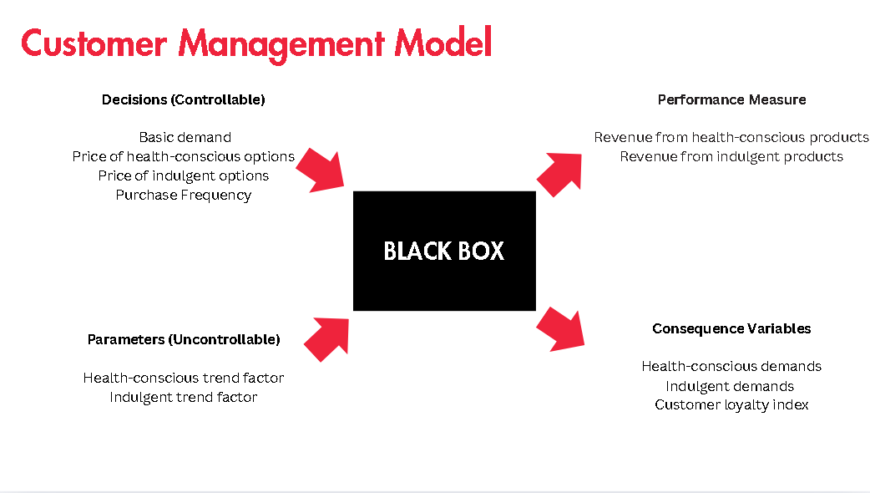 |  |  | 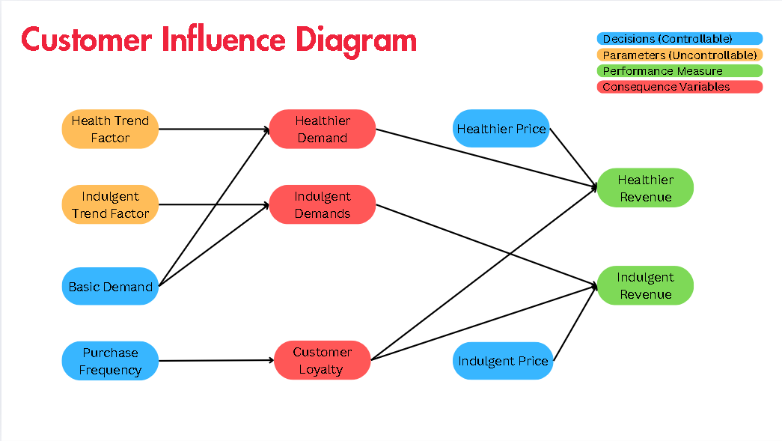
-Data base
Month | Product_Type | Demand(k) | Trend_Factor | Repeat_Customers(k) | Total_Customers(k) | Revenue(k)
2022-01-31 | Health-Conscious | 577 | 0.09 | 246 | 409 | $10,324.37
2022-02-28 | Health-Conscious | 547 | 0.09 | 177 | 471 | $9,741.32
2022-03-31 | Health-Conscious | 459 | 0.06 | 197 | 405 | $7,635.14
2022-04-30 | Health-Conscious | 536 | 0.08 | 183 | 492 | $9,566.07
2022-05-31 | Health-Conscious | 487 | 0.09 | 181 | 494 | $7,687.23
2022-06-30 | Health-Conscious | 552 | 0.09 | 232 | 446 | $10,867.48
2022-07-31 | Health-Conscious | 641 | 0.12 | 288 | 496 | $10,129.93
2022-08-31 | Health-Conscious | 630 | 0.09 | 236 | 458 | $11,085.36
2022-09-30 | Health-Conscious | 648 | 0.11 | 216 | 445 | $11,547.49
2022-10-31 | Health-Conscious | 613 | 0.10 | 201 | 451 | $11,892.96
2022-11-30 | Health-Conscious | 510 | 0.08 | 247 | 453 | $9,449.38
2022-12-31 | Health-Conscious | 616 | 0.11 | 250 | 418 | $12,395.75
2023-01-31 | Health-Conscious | 613 | 0.10 | 154 | 418 | $11,797.14
2023-02-28 | Health-Conscious | 582 | 0.11 | 181 | 474 | $11,612.09
2023-03-31 | Health-Conscious | 583 | 0.12 | 220 | 465 | $9,170.31
2023-04-30 | Health-Conscious | 639 | 0.11 | 159 | 465 | $10,793.62
2023-05-31 | Health-Conscious | 595 | 0.14 | 268 | 486 | $9,986.91
2023-06-30 | Health-Conscious | 535 | 0.15 | 184 | 499 | $8,637.47
2023-07-31 | Health-Conscious | 543 | 0.13 | 235 | 461 | $10,074.88
2023-08-31 | Health-Conscious | 585 | 0.15 | 281 | 419 | $11,004.70
2023-09-30 | Health-Conscious | 620 | 0.12 | 257 | 431 | $10,758.87
2023-10-31 | Health-Conscious | 648 | 0.14 | 243 | 422 | $12,966.19
2023-11-30 | Health-Conscious | 529 | 0.12 | 213 | 452 | $8,517.62
2023-12-31 | Health-Conscious | 505 | 0.11 | 276 | 464 | $10,032.67
2022-01-31 | Indulgent | 1405 | 0.03 | 938 | 1247 | $10,805.20
2022-02-28 | Indulgent | 1454 | 0.02 | 1073 | 1350 | $10,844.03
2022-03-31 | Indulgent | 1686 | 0.02 | 957 | 1449 | $10,882.86
2022-04-30 | Indulgent | 1678 | 0.02 | 876 | 1542 | $10,921.69
2022-05-31 | Indulgent | 1375 | 0.04 | 864 | 1431 | $10,960.53
2022-06-30 | Indulgent | 1482 | 0.03 | 877 | 1474 | $10,999.36
2022-07-31 | Indulgent | 1565 | 0.02 | 1026 | 1539 | $11,038.19
2022-08-31 | Indulgent | 1474 | 0.02 | 923 | 1242 | $11,077.03
2022-09-30 | Indulgent | 1531 | 0.02 | 853 | 1450 | $11,115.86
2022-10-31 | Indulgent | 1455 | 0.04 | 968 | 1525 | $11,154.69
2022-11-30 | Indulgent | 1437 | 0.02 | 1001 | 1223 | $11,193.52
2022-12-31 | Indulgent | 1473 | 0.03 | 1046 | 1575 | $11,232.36
2023-01-31 | Indulgent | 1587 | 0.04 | 1172 | 1450 | $11,271.19
2023-02-28 | Indulgent | 1745 | 0.05 | 988 | 1324 | $11,310.02
2023-03-31 | Indulgent | 1584 | 0.03 | 1139 | 1519 | $11,348.85
2023-04-30 | Indulgent | 1253 | 0.03 | 1044 | 1374 | $11,387.69
2023-05-31 | Indulgent | 1481 | 0.02 | 943 | 1405 | $11,426.52
2023-06-30 | Indulgent | 1497 | 0.01 | 856 | 1531 | $11,465.35
2023-07-31 | Indulgent | 1724 | 0.04 | 1175 | 1493 | $11,504.18
2023-08-31 | Indulgent | 1596 | 0.03 | 999 | 1520 | $11,543.02
2023-09-30 | Indulgent | 1356 | 0.04 | 820 | 1229 | $11,581.85
2023-10-31 | Indulgent | 1668 | 0.03 | 1103 | 1353 | $11,620.68
2023-11-30 | Indulgent | 1307 | 0.02 | 907 | 1599 | $11,659.51
2023-12-31 | Indulgent | 1391 | 0.04 | 900 | 1449 | $11,698.35

-Demand and revenue trend

Health-conscious/Indulgent Trend Demand
 |  | Repeat Cus/Total Cus | Revenue/Demand | Demand*(1+Trend Factor) | Price/Unit*Trend Demand*(1+Loyalty)
Month | Product_Type | Customer_Loyalty | Price_per_Unit | Trend_Demand(k) | Trend Revenue | Double Trend_Demand | Double Trend_Revenue | Month | Health Trend Demand(k) | Indulgent Trend Demand(k)
2022-01-31 | Health-Conscious | 60% | 17.89 | 629.34 | $18,033.95 | 681.68 | $19,533.76 | 2022-01-31 | 629.34 | 1440.79
2022-02-28 | Health-Conscious | 38% | 17.81 | 597.90 | $14,649.11 | 648.79 | $15,896.15 | 2022-02-28 | 597.90 | 1488.53
2022-03-31 | Health-Conscious | 49% | 16.63 | 487.21 | $12,046.44 | 515.41 | $12,743.84 | 2022-03-31 | 487.21 | 1720.85
2022-04-30 | Health-Conscious | 37% | 17.85 | 577.64 | $14,143.65 | 619.27 | $15,163.11 | 2022-04-30 | 577.64 | 1717.41
2022-05-31 | Health-Conscious | 37% | 15.78 | 532.28 | $11,480.50 | 577.57 | $12,457.19 | 2022-05-31 | 532.28 | 1430.82
2022-06-30 | Health-Conscious | 52% | 19.69 | 603.26 | $18,054.66 | 654.52 | $19,588.79 | 2022-06-30 | 603.26 | 1532.28
2022-07-31 | Health-Conscious | 58% | 15.80 | 720.65 | $18,001.37 | 800.29 | $19,990.91 | 2022-07-31 | 720.65 | 1598.48
2022-08-31 | Health-Conscious | 52% | 17.60 | 688.63 | $18,360.77 | 747.26 | $19,924.06 | 2022-08-31 | 688.63 | 1506.85
2022-09-30 | Health-Conscious | 49% | 17.82 | 718.64 | $19,022.39 | 789.28 | $20,892.21 | 2022-09-30 | 718.64 | 1556.84
2022-10-31 | Health-Conscious | 45% | 19.40 | 675.29 | $18,940.39 | 737.57 | $20,687.41 | 2022-10-31 | 675.29 | 1509.20
2022-11-30 | Health-Conscious | 55% | 18.53 | 551.37 | $15,786.17 | 592.74 | $16,970.64 | 2022-11-30 | 551.37 | 1461.62
2022-12-31 | Health-Conscious | 60% | 20.12 | 682.92 | $21,961.64 | 749.85 | $24,113.82 | 2022-12-31 | 682.92 | 1514.70
2023-01-31 | Health-Conscious | 37% | 19.24 | 675.34 | $17,785.21 | 737.68 | $19,426.97 | 2023-01-31 | 675.34 | 1642.80
2023-02-28 | Health-Conscious | 38% | 19.95 | 645.81 | $17,805.67 | 709.63 | $19,565.10 | 2023-02-28 | 645.81 | 1825.92
2023-03-31 | Health-Conscious | 47% | 15.73 | 650.10 | $15,063.69 | 717.20 | $16,618.45 | 2023-03-31 | 650.10 | 1628.85
2023-04-30 | Health-Conscious | 34% | 16.89 | 708.27 | $16,054.44 | 777.53 | $17,624.54 | 2023-04-30 | 708.27 | 1287.23
2023-05-31 | Health-Conscious | 55% | 16.78 | 676.40 | $17,613.77 | 757.80 | $19,733.46 | 2023-05-31 | 676.40 | 1510.34
2023-06-30 | Health-Conscious | 37% | 16.14 | 616.20 | $13,616.68 | 697.39 | $15,410.93 | 2023-06-30 | 616.20 | 1508.13
2023-07-31 | Health-Conscious | 51% | 18.55 | 612.22 | $17,149.57 | 681.43 | $19,088.48 | 2023-07-31 | 612.22 | 1797.42
2023-08-31 | Health-Conscious | 67% | 18.81 | 671.03 | $21,088.72 | 757.07 | $23,792.50 | 2023-08-31 | 671.03 | 1643.50
2023-09-30 | Health-Conscious | 60% | 17.35 | 693.54 | $19,211.37 | 767.08 | $21,248.48 | 2023-09-30 | 693.54 | 1413.83
2023-10-31 | Health-Conscious | 58% | 20.01 | 736.43 | $23,220.72 | 824.85 | $26,008.93 | 2023-10-31 | 736.43 | 1710.19
2023-11-30 | Health-Conscious | 47% | 16.10 | 592.29 | $14,030.67 | 655.57 | $15,529.88 | 2023-11-30 | 592.29 | 1337.52
2023-12-31 | Health-Conscious | 59% | 19.87 | 559.69 | $17,733.03 | 614.37 | $19,465.68 | 2023-12-31 | 559.69 | 1452.11
2022-01-31 | Indulgent | 75% | 7.69 | 1440.79 | $19,415.20 | 1476.58 | $19,897.47
Health-conscious/Indulgent Trend Revenue(k)
2022-02-28 | Indulgent | 79% | 7.46 | 1488.53 | $19,925.29 | 1523.07 | $20,387.55
2022-03-31 | Indulgent | 66% | 6.45 | 1720.85 | $18,444.01 | 1755.70 | $18,817.52 | Month | Health Trend Revenue(k) | Indulgent Trend Revenue(k)
2022-04-30 | Indulgent | 57% | 6.51 | 1717.41 | $17,528.47 | 1756.82 | $17,930.71 | 2022-01-31 | 18033.95 | 19415.20
2022-05-31 | Indulgent | 60% | 7.97 | 1430.82 | $18,291.76 | 1486.63 | $19,005.32 | 2022-02-28 | 14649.11 | 19925.29
2022-06-30 | Indulgent | 59% | 7.42 | 1532.28 | $18,139.01 | 1582.57 | $18,734.26 | 2022-03-31 | 12046.44 | 18444.01
2022-07-31 | Indulgent | 67% | 7.05 | 1598.48 | $18,790.51 | 1631.95 | $19,184.03 | 2022-04-30 | 14143.65 | 17528.47
2022-08-31 | Indulgent | 74% | 7.51 | 1506.85 | $19,739.38 | 1539.71 | $20,169.77 | 2022-05-31 | 11480.50 | 18291.76
2022-09-30 | Indulgent | 59% | 7.26 | 1556.84 | $17,952.97 | 1582.67 | $18,250.90 | 2022-06-30 | 18054.66 | 18139.01
2022-10-31 | Indulgent | 63% | 7.67 | 1509.20 | $18,914.51 | 1563.41 | $19,593.84 | 2022-07-31 | 18001.37 | 18790.51
2022-11-30 | Indulgent | 82% | 7.79 | 1461.62 | $20,703.90 | 1486.23 | $21,052.60 | 2022-08-31 | 18360.77 | 19739.38
2022-12-31 | Indulgent | 66% | 7.63 | 1514.70 | $19,221.20 | 1556.39 | $19,750.32 | 2022-09-30 | 19022.39 | 17952.97
2023-01-31 | Indulgent | 81% | 7.10 | 1642.80 | $21,098.00 | 1698.59 | $21,814.59 | 2022-10-31 | 18940.39 | 18914.51
2023-02-28 | Indulgent | 75% | 6.48 | 1825.92 | $20,665.64 | 1906.83 | $21,581.46 | 2022-11-30 | 15786.17 | 20703.90
2023-03-31 | Indulgent | 75% | 7.16 | 1628.85 | $20,420.94 | 1673.70 | $20,983.25 | 2022-12-31 | 21961.64 | 19221.20
2023-04-30 | Indulgent | 76% | 9.09 | 1287.23 | $20,587.77 | 1321.45 | $21,135.20 | 2023-01-31 | 17785.21 | 21098.00
2023-05-31 | Indulgent | 67% | 7.72 | 1510.34 | $19,473.96 | 1539.67 | $19,852.23 | 2023-02-28 | 17805.67 | 20665.64
2023-06-30 | Indulgent | 56% | 7.66 | 1508.13 | $18,008.69 | 1519.26 | $18,141.61 | 2023-03-31 | 15063.69 | 20420.94
2023-07-31 | Indulgent | 79% | 6.67 | 1797.42 | $21,433.52 | 1870.83 | $22,309.00 | 2023-04-30 | 16054.44 | 20587.77
2023-08-31 | Indulgent | 66% | 7.23 | 1643.50 | $19,698.83 | 1691.00 | $20,268.14 | 2023-05-31 | 17613.77 | 19473.96
2023-09-30 | Indulgent | 67% | 8.54 | 1413.83 | $20,132.81 | 1471.65 | $20,956.26 | 2023-06-30 | 13616.68 | 18008.69
2023-10-31 | Indulgent | 82% | 6.97 | 1710.19 | $21,627.65 | 1752.37 | $22,161.15 | 2023-07-31 | 17149.57 | 21433.52
2023-11-30 | Indulgent | 57% | 8.92 | 1337.52 | $18,699.85 | 1368.04 | $19,126.56 | 2023-08-31 | 21088.72 | 19698.83
2023-12-31 | Indulgent | 62% | 8.41 | 1452.11 | $19,797.52 | 1513.22 | $20,630.65 | 2023-09-30 | 19211.37 | 20132.81
 |  |  |  |  |  |  |  | 2023-10-31 | 23220.72 | 21627.65
 |  |  |  |  |  |  |  | 2023-11-30 | 14030.67 | 18699.85
 |  |  |  |  |  |  |  | 2023-12-31 | 17733.03 | 19797.52

Revenue by Factors and Trends
Total Revenue by Focusing on Different Trends |  |  | Double Trend Factor to each Trend
Year | Health Trend | Indulgent Trend | Double Health | Double Indulgent
2022-01-31 | $28,839.14 | $29,739.57 | $30,338.96 | $30,221.84
2022-02-28 | $25,493.14 | $29,666.61 | $26,740.18 | $30,128.87
2022-03-31 | $22,929.30 | $26,079.16 | $23,626.71 | $26,452.67
2022-04-30 | $25,065.34 | $27,094.55 | $26,084.81 | $27,496.79
2022-05-31 | $22,441.02 | $25,978.99 | $23,417.72 | $26,692.55
2022-06-30 | $29,054.02 | $29,006.49 | $30,588.15 | $29,601.74
2022-07-31 | $29,039.56 | $28,920.44 | $31,029.10 | $29,313.96
2022-08-31 | $29,437.79 | $30,824.74 | $31,001.09 | $31,255.13
2022-09-30 | $30,138.25 | $29,500.46 | $32,008.07 | $29,798.39
2022-10-31 | $30,095.08 | $30,807.47 | $31,842.10 | $31,486.80
2022-11-30 | $26,979.69 | $30,153.28 | $28,164.16 | $30,501.98
2022-12-31 | $33,194.00 | $31,616.94 | $35,346.17 | $32,146.07
2023-01-31 | $29,056.40 | $32,895.14 | $30,698.16 | $33,611.73
2023-02-28 | $29,115.69 | $32,277.73 | $30,875.12 | $33,193.55
2023-03-31 | $26,412.55 | $29,591.25 | $27,967.30 | $30,153.56
2023-04-30 | $27,442.13 | $31,381.39 | $29,012.23 | $31,928.82
2023-05-31 | $29,040.29 | $29,460.87 | $31,159.97 | $29,839.13
2023-06-30 | $25,082.03 | $26,646.15 | $26,876.28 | $26,779.08
2023-07-31 | $28,653.75 | $31,508.40 | $30,592.66 | $32,383.87
2023-08-31 | $32,631.74 | $30,703.53 | $35,335.51 | $31,272.84
2023-09-30 | $30,793.22 | $30,891.69 | $32,830.33 | $31,715.14
2023-10-31 | $34,841.40 | $34,593.84 | $37,629.61 | $35,127.34
2023-11-30 | $25,690.18 | $27,217.47 | $27,189.40 | $27,644.18
2023-12-31 | $29,431.38 | $29,830.20 | $31,164.03 | $30,663.32

-Cutomer loyalty

Cutomer loyalty Trend
Month | Indulgent | Health-Conscious
2022-01-31 | 75% | 60%
2022-02-28 | 79% | 38%
2022-03-31 | 66% | 49%
2022-04-30 | 57% | 37%
2022-05-31 | 60% | 37%
2022-06-30 | 59% | 52%
2022-07-31 | 67% | 58%
2022-08-31 | 74% | 52%
2022-09-30 | 59% | 49%
2022-10-31 | 63% | 45%
2022-11-30 | 82% | 55%
2022-12-31 | 66% | 60%
2023-01-31 | 81% | 37%
2023-02-28 | 75% | 38%
2023-03-31 | 75% | 47%
2023-04-30 | 76% | 34%
2023-05-31 | 67% | 55%
2023-06-30 | 56% | 37%
2023-07-31 | 79% | 51%
2023-08-31 | 66% | 67%
2023-09-30 | 67% | 60%
2023-10-31 | 82% | 58%
2023-11-30 | 57% | 47%
2023-12-31 | 62% | 59%

Forecast for Health-conscious
 | Health Trend | Forecast(Health Trend ) | Lower Confidence Bound(Health Trend ) | Upper Confidence Bound(Health Trend )
 | $28,839.14
 | $25,493.14
 | $22,929.30
 | $25,065.34
 | $22,441.02
 | $29,054.02
 | $29,039.56
 | $29,437.79
 | $30,138.25
 | $30,095.08
 | $26,979.69
 | $33,194.00
 | $29,056.40
 | $29,115.69
 | $26,412.55
 | $27,442.13
 | $29,040.29
 | $25,082.03
 | $28,653.75
 | $32,631.74
 | $30,793.22
 | $34,841.40
 | $25,690.18
 | $29,431.38 | 29431.378562 | 29431.378562 | 29431.378562
 |  | 29646.073163 | 23568.810064 | 35723.336262
 |  | 29816.369473 | 23019.062761 | 36613.676185
 |  | 29986.665783 | 22536.117198 | 37437.214368
 |  | 30156.962093 | 22103.696439 | 38210.227746
 |  | 30327.258403 | 21711.186628 | 38943.330177
 |  | 30497.554713 | 21351.213178 | 39643.896248
 |  | 30667.851023 | 21018.406814 | 40317.295231
 |  | 30838.147332 | 20708.715126 | 40967.579539
 |  | 31008.443642 | 20418.991 | 41597.896284
 |  | 31178.739952 | 20146.732942 | 42210.746963
 |  | 31349.036262 | 19889.913916 | 42808.158609
 |  | 31519.332572 | 19646.864423 | 43391.800721
 |  | 31689.628882 | 19416.190181 | 43963.067583
 |  | 31859.925192 | 19196.712662 | 44523.137722
 |  | 32030.221502 | 18987.425178 | 45073.017825
 |  | 32200.517812 | 18787.459827 | 45613.575796
 |  | 32370.814122 | 18596.062178 | 46145.566065
 |  | 32541.110431 | 18412.571596 | 46669.649267
 |  | 32711.406741 | 18236.405742 | 47186.407741
 |  | 32881.703051 | 18067.048216 | 47696.357887
 |  | 33051.999361 | 17904.038595 | 48199.960127
 |  | 33222.295671 | 17746.964326 | 48697.627016
 |  | 33392.591981 | 17595.454064 | 49189.729898
 |  | 33562.888291 | 17449.172159 | 49676.604423
Year | Health Trend | Forecast(Health Trend ) | Lower Confidence Bound(Health Trend ) | Upper Confidence Bound(Health Trend )
2022-01-31 | $28,839.14
2022-02-28 | $25,493.14
2022-03-31 | $22,929.30
2022-04-30 | $25,065.34
2022-05-31 | $22,441.02
2022-06-30 | $29,054.02
2022-07-31 | $29,039.56
2022-08-31 | $29,437.79
2022-09-30 | $30,138.25
2022-10-31 | $30,095.08
2022-11-30 | $26,979.69
2022-12-31 | $33,194.00
2023-01-31 | $29,056.40
2023-02-28 | $29,115.69
2023-03-31 | $26,412.55
2023-04-30 | $27,442.13
2023-05-31 | $29,040.29
2023-06-30 | $25,082.03
2023-07-31 | $28,653.75
2023-08-31 | $32,631.74
2023-09-30 | $30,793.22
2023-10-31 | $34,841.40
2023-11-30 | $25,690.18
2023-12-31 | $29,431.38 | $29,431.38 | $29,431.38 | $29,431.38
2024-01-31 |  | $29,646.07 | $23,568.81 | $35,723.34
2024-03-02 |  | $29,816.37 | $23,019.06 | $36,613.68
2024-03-31 |  | $29,986.67 | $22,536.12 | $37,437.21
2024-05-01 |  | $30,156.96 | $22,103.70 | $38,210.23
2024-05-31 |  | $30,327.26 | $21,711.19 | $38,943.33
2024-07-01 |  | $30,497.55 | $21,351.21 | $39,643.90
2024-07-31 |  | $30,667.85 | $21,018.41 | $40,317.30
2024-08-31 |  | $30,838.15 | $20,708.72 | $40,967.58
2024-10-01 |  | $31,008.44 | $20,418.99 | $41,597.90
2024-10-31 |  | $31,178.74 | $20,146.73 | $42,210.75
2024-12-01 |  | $31,349.04 | $19,889.91 | $42,808.16
2024-12-31 |  | $31,519.33 | $19,646.86 | $43,391.80
2025-01-31 |  | $31,689.63 | $19,416.19 | $43,963.07
2025-03-03 |  | $31,859.93 | $19,196.71 | $44,523.14
2025-03-31 |  | $32,030.22 | $18,987.43 | $45,073.02
2025-05-01 |  | $32,200.52 | $18,787.46 | $45,613.58
2025-05-31 |  | $32,370.81 | $18,596.06 | $46,145.57
2025-07-01 |  | $32,541.11 | $18,412.57 | $46,669.65
2025-07-31 |  | $32,711.41 | $18,236.41 | $47,186.41
2025-08-31 |  | $32,881.70 | $18,067.05 | $47,696.36
2025-10-01 |  | $33,052.00 | $17,904.04 | $48,199.96
2025-10-31 |  | $33,222.30 | $17,746.96 | $48,697.63
2025-12-01 |  | $33,392.59 | $17,595.45 | $49,189.73
2025-12-31 |  | $33,562.89 | $17,449.17 | $49,676.60

Forecast for Indulgent
 | Indulgent Trend | Forecast(Indulgent Trend ) | Lower Confidence Bound(Indulgent Trend ) | Upper Confidence Bound(Indulgent Trend )
 | $29,739.57
 | $29,666.61
 | $26,079.16
 | $27,094.55
 | $25,978.99
 | $29,006.49
 | $28,920.44
 | $30,824.74
 | $29,500.46
 | $30,807.47
 | $30,153.28
 | $31,616.94
 | $32,895.14
 | $32,277.73
 | $29,591.25
 | $31,381.39
 | $29,460.87
 | $26,646.15
 | $31,508.40
 | $30,703.53
 | $30,891.69
 | $34,593.84
 | $27,217.47
 | $29,830.20 | 29830.195782 | 29830.195782 | 29830.195782
 |  | 29760.138451 | 24961.908581 | 34558.368321
 |  | 29869.302236 | 23410.733328 | 36327.871143
 |  | 29978.466021 | 22203.845434 | 37753.086607
 |  | 30087.629805 | 21187.186292 | 38988.073319
 |  | 30196.79359 | 20295.64887 | 40097.938311
 |  | 30305.957375 | 19494.431699 | 41117.483051
 |  | 30415.12116 | 18762.344547 | 42067.897773
 |  | 30524.284945 | 18085.351757 | 42963.218133
 |  | 30633.44873 | 17453.589032 | 43813.308428
 |  | 30742.612515 | 16859.811022 | 44625.414008
 |  | 30851.7763 | 16298.510969 | 45405.04163
 |  | 30960.940084 | 15765.387736 | 46156.492433
 |  | 31070.103869 | 15257.006086 | 46883.201652
 |  | 31179.267654 | 14770.570911 | 47587.964398
 |  | 31288.431439 | 14303.771914 | 48273.090964
 |  | 31397.595224 | 13854.673613 | 48940.516835
 |  | 31506.759009 | 13421.635475 | 49591.882542
 |  | 31615.922794 | 13003.252674 | 50228.592913
 |  | 31725.086579 | 12598.311316 | 50851.861842
 |  | 31834.250363 | 12205.754033 | 51462.746694
 |  | 31943.414148 | 11824.653158 | 52062.175138
 |  | 32052.577933 | 11454.189533 | 52650.966334
 |  | 32161.741718 | 11093.635561 | 53229.847875
 |  | 32270.905503 | 10742.341528 | 53799.469478
Year | Indulgent Trend | Forecast(Indulgent Trend ) | Lower Confidence Bound(Indulgent Trend ) | Upper Confidence Bound(Indulgent Trend )
2022-01-31 | $29,739.57
2022-02-28 | $29,666.61
2022-03-31 | $26,079.16
2022-04-30 | $27,094.55
2022-05-31 | $25,978.99
2022-06-30 | $29,006.49
2022-07-31 | $28,920.44
2022-08-31 | $30,824.74
2022-09-30 | $29,500.46
2022-10-31 | $30,807.47
2022-11-30 | $30,153.28
2022-12-31 | $31,616.94
2023-01-31 | $32,895.14
2023-02-28 | $32,277.73
2023-03-31 | $29,591.25
2023-04-30 | $31,381.39
2023-05-31 | $29,460.87
2023-06-30 | $26,646.15
2023-07-31 | $31,508.40
2023-08-31 | $30,703.53
2023-09-30 | $30,891.69
2023-10-31 | $34,593.84
2023-11-30 | $27,217.47
2023-12-31 | $29,830.20 | $29,830.20 | $29,830.20 | $29,830.20
2024-01-31 |  | $29,760.14 | $24,961.91 | $34,558.37
2024-03-02 |  | $29,869.30 | $23,410.73 | $36,327.87
2024-03-31 |  | $29,978.47 | $22,203.85 | $37,753.09
2024-05-01 |  | $30,087.63 | $21,187.19 | $38,988.07
2024-05-31 |  | $30,196.79 | $20,295.65 | $40,097.94
2024-07-01 |  | $30,305.96 | $19,494.43 | $41,117.48
2024-07-31 |  | $30,415.12 | $18,762.34 | $42,067.90
2024-08-31 |  | $30,524.28 | $18,085.35 | $42,963.22
2024-10-01 |  | $30,633.45 | $17,453.59 | $43,813.31
2024-10-31 |  | $30,742.61 | $16,859.81 | $44,625.41
2024-12-01 |  | $30,851.78 | $16,298.51 | $45,405.04
2024-12-31 |  | $30,960.94 | $15,765.39 | $46,156.49
2025-01-31 |  | $31,070.10 | $15,257.01 | $46,883.20
2025-03-03 |  | $31,179.27 | $14,770.57 | $47,587.96
2025-03-31 |  | $31,288.43 | $14,303.77 | $48,273.09
2025-05-01 |  | $31,397.60 | $13,854.67 | $48,940.52
2025-05-31 |  | $31,506.76 | $13,421.64 | $49,591.88
2025-07-01 |  | $31,615.92 | $13,003.25 | $50,228.59
2025-07-31 |  | $31,725.09 | $12,598.31 | $50,851.86
2025-08-31 |  | $31,834.25 | $12,205.75 | $51,462.75
2025-10-01 |  | $31,943.41 | $11,824.65 | $52,062.18
2025-10-31 |  | $32,052.58 | $11,454.19 | $52,650.97
2025-12-01 |  | $32,161.74 | $11,093.64 | $53,229.85
2025-12-31 |  | $32,270.91 | $10,742.34 | $53,799.47

Price model
-Black box and influence diagram
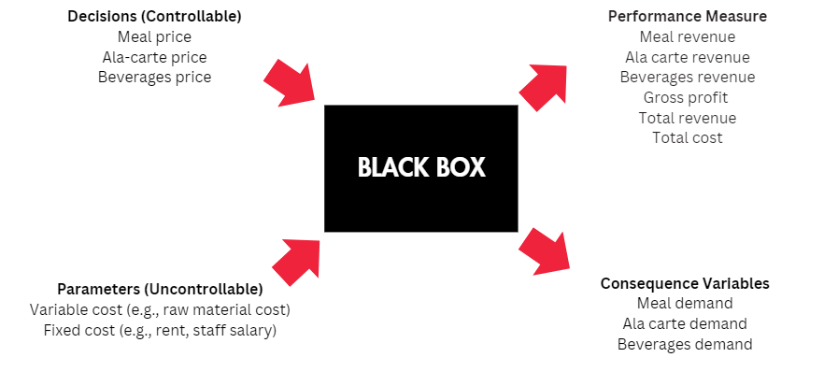
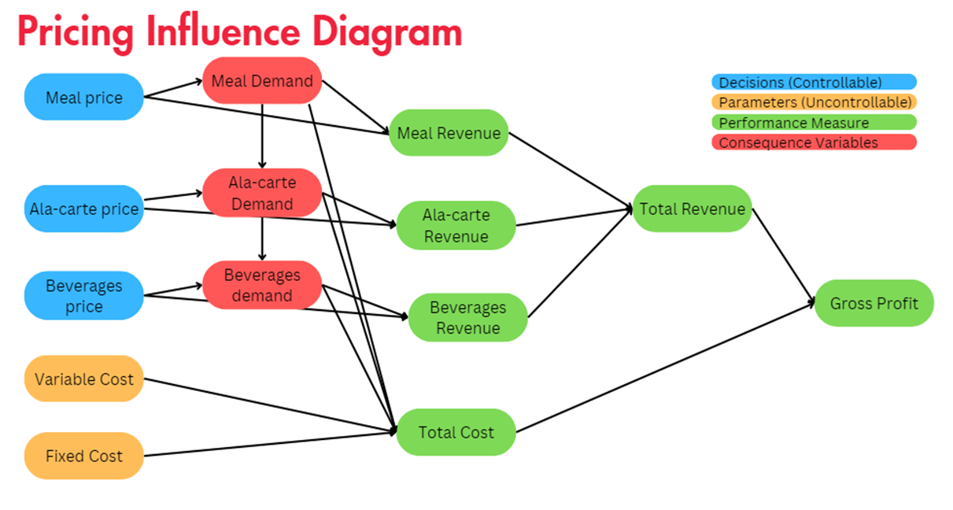

-Financial Statement

 | Jolibee's financial statement from 2018 to 2023
 | Data /Year | 2018 | 2019 | 2020 | 2021 | 2022 | 2023
 | Revenue (Ala-Carte) | $60.08 | $66.76 | $48.50 | $57.03 | $78.66 | $90.68 |  | Percentage of sales (by meal type)
 | Revenue (Beverages) | $15.02 | $16.69 | $12.12 | $14.26 | $19.67 | $22.67 |  | Ala-carte | 35%
 | Revenue (Set meal) | $75.10 | $83.45 | $60.62 | $71.29 | $98.33 | $113.35 |  | Beverages | 15%
 | Total Revenue | $150.20 | $166.91 | $121.25 | $142.59 | $196.66 | $226.70 |  | Set Meal | 50%
 | Total costs incurred | $132.42 | $150.26 | $115.73 | $127.50 | $174.95 | $198.81
 | Gross profit | $17.78 | $16.65 | $5.52 | $15.09 | $21.71 | $27.89
Ala-Carte price vs demand

-Price Elasticity

 | Year | Ala-Carte price | Ala-carte demand 'In Million | Revenue (Ala-Carte) 'In Million | Cost (Ala-Carte) | Total Cost (Ala-Carte) 'In Million | Profit (Ala-Carte) 'In Million
 | 2018 | $7.00 | 8.58290 | $60.08 | $6.17 | $52.96 | $7.12
 | 2019 | $7.50 | 8.90183 | $66.76 | $6.75 | $60.09 | $6.68
 | 2020 | $8.00 | 6.06225 | $48.50 | $7.64 | $46.32 | $2.18
 | 2021 | $9.00 | 6.33717 | $57.03 | $8.05 | $51.01 | $6.02
 | 2022 | $9.50 | 8.28031 | $78.66 | $8.45 | $69.97 | $8.69
 | 2023 | $10.00 | 9.06806 | $90.68 | $8.77 | $79.53 | $11.15
 | Total sum | $51.00 | 47.23253 | $401.72 | $45.83 | $359.87 | $41.85
 |  | Y= demand | X= Price | y = 0.0305x + 6.6292

 | Year | Beverages price | Beverages demand 'In Million | Revenue (Beverages)'In Million | Cost (Beverages) | Total Cost (Beverages)'In Million | Profit (Beverages) 'In Million
 | 2018 | $3.00 | 5.00669 | $15.02 | $1.80 | $9.01 | $6.01
 | 2019 | $3.50 | 4.76884 | $16.69 | $1.95 | $9.30 | $7.39
 | 2020 | $4.00 | 3.03113 | $12.12 | $2.25 | $6.82 | $5.30
 | 2021 | $5.00 | 2.85173 | $14.26 | $3.50 | $9.98 | $4.28
 | 2022 | $5.50 | 3.57559 | $19.67 | $3.80 | $13.59 | $6.08
 | 2023 | $6.00 | 3.77836 | $22.67 | $4.20 | $15.87 | $6.80
 | Total sum | $27.00 | 23.01233 | $100.43 | $17.50 | $64.57 | $35.86
 |  | Y= demand | X= Price | y = -0.4465x + 5.8446

 | Year | Set meal price | Set meal demand 'In Million | Revenue (Set meal)'In Million | Cost (Set meal) | Total Cost (Set meal)'In Million | Profit (Set meal) 'In Million
 | 2018 | $9.00 | 8.34449 | $75.10 | $7.93 | $66.17 | $8.93
 | 2019 | $9.50 | 8.78470 | $83.45 | $8.55 | $75.11 | $8.35
 | 2020 | $10.00 | 6.06225 | $60.62 | $9.54 | $57.83 | $2.79
 | 2021 | $11.00 | 6.48120 | $71.29 | $9.84 | $63.78 | $7.52
 | 2022 | $11.50 | 8.55032 | $98.33 | $10.23 | $87.47 | $10.86
 | 2023 | $12.00 | 9.44590 | $113.35 | $10.52 | $99.37 | $13.98
 | Total sum | $63.00 | 47.66886 | $502.15 | $56.61 | $449.73 | $52.42
 |  | Y= demand | X= Price | y = 0.2325x + 5.504

-Simulation

 | Input Variables

 | General data from Jolibee (Ala-Carte)
 | Year | Ala-Carte price | Ala-carte demand | Revenue (Ala-Carte) | Cost (Ala-Carte) | Total Cost (Ala-Carte) | Profit (Ala-Carte)
 | 2018 | $7.00 | 8.58290 | $60.08 | $6.17 | $52.96 | $7.12
 | 2019 | $7.50 | 8.90183 | $66.76 | $6.75 | $60.09 | $6.68
 | 2020 | $8.00 | 6.06225 | $48.50 | $7.64 | $46.32 | $2.18
 | 2021 | $9.00 | 6.33717 | $57.03 | $8.05 | $51.01 | $6.02
 | 2022 | $9.50 | 8.28031 | $78.66 | $8.45 | $69.97 | $8.69
 | 2023 | $10.00 | 9.06806 | $90.68 | $8.77 | $79.53 | $11.15
 | Mean | $8.50 | 7.87209
 | std dev | 1.1832159566 | 1.32620

 | General data from Jolibee (Beverages)
 | Year | Beverages price | Beverages demand | Revenue (Beverages) | Cost (Beverages) | Total Cost (Beverages) | Profit (Beverages)
 | 2018 | $3.00 | 5.00669 | $15.02 | $1.80 | $9.01 | $6.01
 | 2019 | $3.50 | 4.76884 | $16.69 | $1.95 | $9.30 | $7.39
 | 2020 | $4.00 | 3.03113 | $12.12 | $2.25 | $6.82 | $5.30
 | 2021 | $5.00 | 2.85173 | $14.26 | $3.50 | $9.98 | $4.28
 | 2022 | $5.50 | 3.57559 | $19.67 | $3.80 | $13.59 | $6.08
 | 2023 | $6.00 | 3.77836 | $22.67 | $4.20 | $15.87 | $6.80
 | Mean | $4.50 | 3.83539
 | std dev | 1.1832159566 | 0.88639

 | General data from Jolibee (Set-Meal)
 | Year | Set meal price | Set meal demand | Revenue (Set meal) | Cost (Set meal) | Total Cost (Set meal) | Profit (Set meal)
 | 2018 | $9.00 | 8.34449 | $75.10 | $7.93 | $66.17 | $8.93
 | 2019 | $9.50 | 8.78470 | $83.45 | $8.55 | $75.11 | $8.35
 | 2020 | $10.00 | 6.06225 | $60.62 | $9.54 | $57.83 | $2.79
 | 2021 | $11.00 | 6.48120 | $71.29 | $9.84 | $63.78 | $7.52
 | 2022 | $11.50 | 8.55032 | $98.33 | $10.23 | $87.47 | $10.86
 | 2023 | $12.00 | 9.44590 | $113.35 | $10.52 | $99.37 | $13.98
 | Mean | $10.50 | 7.94481
 | std dev | 1.1832159566 | 1.35434

 | The table below shows the simulation of the changes in the prices of different categories against its demand and how it impacts overall profit

 | Year | Ala-Carte price | Ala-carte demand | Revenue (Ala-Carte) | Unit Cost (Ala-Carte) | Total Cost (Ala-Carte) | Gross Profit (Ala-Carte)
 | 2024 | $10.15 | 8.39985 | $85 | $9.48 | $79.63 | $5.65
 | 2025 | $10.23 | 5.81057 | $59 | $9.84 | $57.16 | $2.28
 | 2026 | $10.38 | 7.30208 | $76 | $10.75 | $78.49 | ($2.67)
 | 2027 | $10.99 | 9.97959 | $110 | $11.64 | $116.20 | ($6.53)
 | 2028 | $11.61 | 6.76622 | $79 | $12.20 | $82.52 | ($3.97)

 | Year | Beverage price | Beverage demand | Revenue (Beverage) | Unit Cost (Beverage) | Total Cost (Beverage) | Gross Profit (Beverage)
 | 2024 | $6.95 | 10.14484 | $71 | $4.80 | $48.73 | $21.80
 | 2025 | $7.87 | 7.30707 | $58 | $5.14 | $37.58 | $19.95
 | 2026 | $8.69 | 6.63023 | $58 | $5.51 | $36.54 | $21.09
 | 2027 | $9.43 | 6.40531 | $60 | $5.73 | $36.70 | $23.73
 | 2028 | $10.26 | 7.49970 | $77 | $6.52 | $48.86 | $28.11

 | Year | Set Meal price | Set Meal demand | Revenue (Set-Meal) | Unit Cost (Set-Meal) | Total Cost (Set-Meal) | Gross Profit (Set-Meal)
 | 2024 | $12.04 | 6.23717 | $75 | $11.51 | $71.77 | $3.36
 | 2025 | $12.13 | 7.97440 | $97 | $12.01 | $95.77 | $0.96
 | 2026 | $12.28 | 7.44556 | $91 | $12.39 | $92.28 | ($0.84)
 | 2027 | $12.59 | 10.12898 | $128 | $12.70 | $128.61 | ($1.07)
 | 2028 | $13.06 | 5.28763 | $69 | $12.70 | $67.17 | $1.91

-Breakeven for 2023

 | Fixed cost for 2023 'In million | $4.04

 | Ala carte Cost as a percentage of selling price |  |  |  |  | Beverage Cost as a percentage of selling price
 | Year | Price | Cost | Percentage of selling price |  | Year | Price | Cost | Percentage of selling price
 | 2018 | 7 | 6.17 | 88.14% |  | 2018 | 3 | 1.8 | 60.00%
 | 2019 | 7.5 | 6.75 | 90.00% |  | 2019 | 3.5 | 1.95 | 55.71%
 | 2020 | 8 | 7.64 | 95.50% |  | 2020 | 4 | 2.25 | 56.25%
 | 2021 | 9 | 8.05 | 89.44% |  | 2021 | 5 | 3.5 | 70.00%
 | 2022 | 9.5 | 8.45 | 88.95% |  | 2022 | 5.5 | 3.8 | 69.09%
 | 2023 | 10 | 8.77 | 87.70% |  | 2023 | 6 | 4.2 | 70.00%
 |  |  | Average | 89.96% |  |  |  | Average | 63.51%

 | Set Meal Cost as a percentage of selling price
 | Year | Price | Cost | Percentage of selling price
 | 2018 | 9 | 7.93 | 88.11%
 | 2019 | 9.5 | 8.55 | 90.00%
 | 2020 | 10 | 9.54 | 95.40%
 | 2021 | 11 | 9.84 | 89.45%
 | 2022 | 11.5 | 10.23 | 88.96%
 | 2023 | 12 | 10.52 | 87.67%
 |  |  | Average | 89.93%

 | Year | Ala-Carte price | Ala-carte demand 'In Million | Revenue (Ala-Carte) 'In Million | Cost (Ala-Carte) | Total Cost (Ala-Carte) 'In Million | Fixed cost 'In Million | Profit (Ala-Carte)
 | 2023 | $2.10 | 6.69 | $14.08 | $1.89 | $12.66 | $1.4139 | ($0.00)

 | Year | Beverage price | Beverage demand 'In Million | Revenue (Beverage) 'In Million | Cost (Beverage) | Total Cost (Bevarage) 'In Million | Fixed cost 'In Million | Profit (Beverage)
 | 2023 | $0.29 | 5.71 | $1.66 | $0.18 | $1.05 | $0.6060 | ($0.00)

 | Year | Set-Meal price | Set-Meal demand 'In Million | Revenue (Set-meal) 'In Million | Cost (Set-meal) | Total Cost (Set-meal) 'In Million | Fixed cost 'In Million | Profit (Set-meal)
 | 2023 | $3.21 | 6.25 | $20.06 | $2.89 | $18.04 | $2.0199 | ($0.00)

Financial P&L model
-Black box and influence diagram
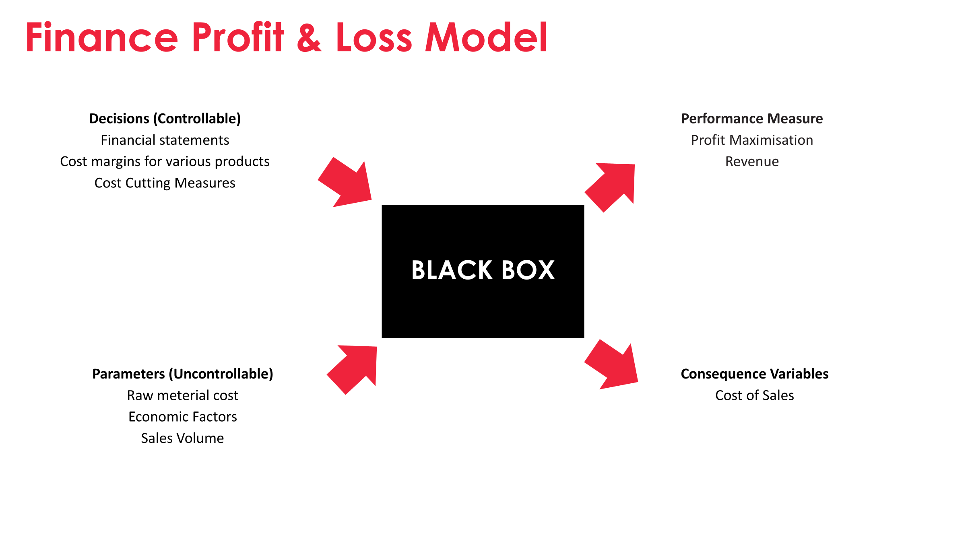
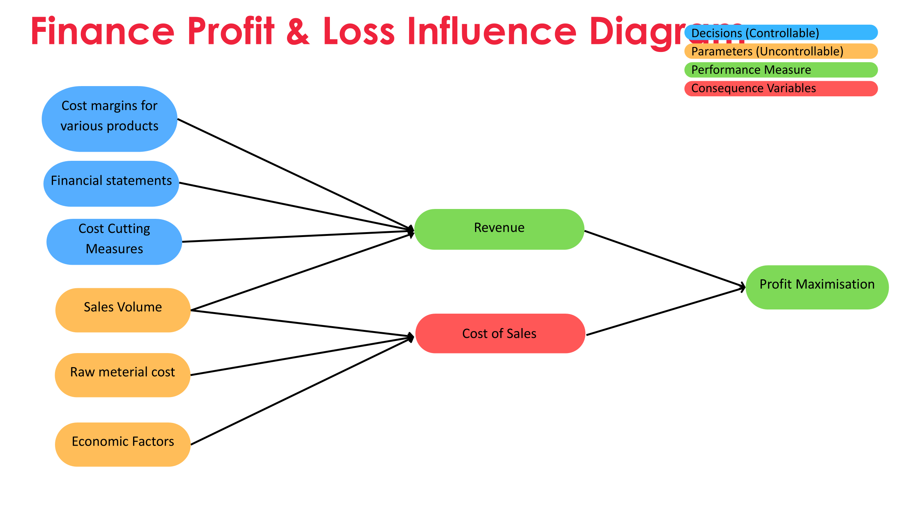

-Financial statement
Jolibee's financial statement from 2018 to 2023 |  |  |  |  |  |  | FORECAST FOR FOLLOWING YEARS
Data /Year | 2018 | 2019 | 2020 | 2021 | 2022 | 2023 | 2024 | 2025 | 2026 | 2027 | 2028
Tota Sales | $212,185,435.00 | $243,792,179.00 | $175,970,286.00 | $211,719,000.00 | $296,822,000.00 | $345,324,000.00 | $369,997,804.83 | $398,582,461.52 | $428,842,670.98 | $459,772,074.01 | $491,051,381.75
Total Revenue | $161,167,482.00 | $179,627,188.00 | $128,313,102.00 | $153,576,000.00 | $211,902,000.00 | $253,167,250.00 | $269,460,316.17 | $300,442,999.19 | $341,373,542.18 | $374,041,747.30 | $401,066,054.62
COGS | $132,420,285.00 | $150,258,881.00 | $114,726,437.00 | $127,497,089.00 | $175,306,000.00 | $198,806,000.00 | $199,622,589.91 | $221,987,841.85 | $246,084,076.60 | $264,355,201.19 | $280,472,378.87
Revenue Growth |  | 11.45% | -28.57% | 19.69% | 37.98% | 19.47% | 6.44% | 11.50% | 13.62% | 9.57% | 7.22%
Net Income | $7,641,586.00 | $7,510,781.00 | -$12,633,623.00 | -$6,275,000.00 | $9,941,000.00 | $14,414,000.00 | $8,184,259.00 | $8,184,259.00 | $7,731,769.95 | $7,123,423.57 | $6,535,187.80
Gross profit | $28,747,197.00 | $29,368,307.00 | $13,586,665.00 | $26,078,911.00 | $36,596,000.00 | $54,361,250.00 | $69,837,726.26 | $78,455,157.34 | $95,289,465.58 | $109,686,546.10 | $120,593,675.74
Revenue with respect to Sales | 75.96% | 73.68% | 72.92% | 72.54% | 71.39% | 73.31% | 72.83% | 75.38% | 79.60% | 81.35% | 81.67%
Gross profit = Revenue -COGS
Revenue vs Gross Profit
Net Income = revenue - expenses - interest- taxes
total revenue should be higher than sales revenue coz total revenue should generated from sales

-Gross Margin analysis

For the COGS we simulate the cost to be 50%,80% or 100 % of sales price |  |  |  | The performance
Optional 1 | 50% |  |  | Percentage | Status | Action to be taken
Optional 2 | 80% |  |  | 0.00% | Underperformer | Discontinue
Optional 3 | 100% |  |  | 10.00% | Average Performer | Reaccess
 |  |  |  | 20.00% | Good Performer | Promote
 |  |  |  | 40.00% | Good Performer | Promote
 |  |  |  | 51.00% | Excellent Performer | Promote

GROSS MARGIN ANALYSIS
Product | Sales Price | COGS(Individual) | Gross Margin | Gross Margin Percentage | Performance Status | Action Recommended
Crispy Chicken (Ala Carte) | $4.50 | $3.00 | $1.50 | 33.33% | Good Performer | Promote
Combo Meal (Chicken + Sides) | $8.00 | $5.00 | $3.00 | 37.50% | Good Performer | Promote
Family Meal | $20.00 | $14.00 | $6.00 | 30.00% | Good Performer | Promote
Beverages (Soft Drink) | $1.50 | $1.00 | $0.50 | 33.33% | Good Performer | Promote
Chicken Sandwich (Ala Carte) | $5.00 | $4.00 | $1.00 | 20.00% | Good Performer | Promote
Value Meal (Sandwich + Fries + Drink) | $7.50 | $4.00 | $3.50 | 46.67% | Good Performer | Promote
Breakfast Combo (Egg + Meat + Drink) | $6.00 | $3.00 | $3.00 | 50.00% | Good Performer | Promote
Desserts (Ice Cream) | $1.20 | $1.00 | $0.20 | 16.67% | Average Performer | Reaccess
Kids Meal (Chicken + Side + Toy) | $4.00 | $2.00 | $2.00 | 50.00% | Good Performer | Promote
Seasonal/Promotional Meal | $9.00 | $5.00 | $4.00 | 44.44% | Good Performer | Promote

-Cost volume profit

Data /Year | 2018 | 2019 | 2020 | 2021 | 2022 | 2023
Tota Sales | $150,200,826 | $166,909,364 | $121,245,043 | $142,586,436 | $196,657,285 | $226,701,561
Revenue (Ala-Carte) | $60,080,330 | $66,763,746 | $48,498,017 | $57,034,574 | $78,662,914 | $90,680,624
Revenue (Beverages) | $15,020,083 | $16,690,936 | $12,124,504 | $14,258,644 | $19,665,729 | $22,670,156
Revenue (Set meal) | $75,100,413 | $83,454,682 | $60,622,522 | $71,293,218 | $98,328,643 | $113,350,781
Other Income | $10,966,956 | $12,716,824 | $8,067,959 | $10,989,154 | $15,244,931 | $17,405,787
Total Revenue | $161,167,782 | $179,626,188 | $129,313,002 | $153,575,590 | $211,902,217 | $244,107,348

Year | Ala-Carte price | Ala-carte demand | Revenue (Ala-Carte) | Beverage price | Beverage demand | Revenue (Beverage) | Set meal price | Set meal demand | Revenue (set meal) | Other Income | Total Demand | Total Sales | Total revenue | Actual revenue
2018 | $7.00 | 8,582,904 | $60,080,328 | $3.00 | 5,006,694 | $15,020,082 | $9.00 | 8,344,490 | $75,100,410 | $3,342,528 | 21,934,088 | $150,200,820 | $153,543,348 | $161,167,782
2019 | $7.50 | 8,901,833 | $66,763,748 | $3.50 | 4,768,839 | $16,690,937 | $9.50 | 8,784,703 | $83,454,679 | $6,850,218 | 22,455,375 | $166,909,363 | $173,759,581 | $179,626,188
2020 | $8.00 | 6,062,252 | $48,498,016 | $4.00 | 3,031,126 | $12,124,504 | $10.00 | 6,062,252 | $60,622,520 | $4,161,177 | 15,155,630 | $121,245,040 | $125,406,217 | $129,313,002
2021 | $9.00 | 6,337,175 | $57,034,575 | $5.00 | 2,851,729 | $14,258,645 | $11.00 | 6,481,202 | $71,293,222 | $3,893,018 | 15,670,106 | $142,586,442 | $146,479,460 | $153,575,590
2022 | $9.50 | 8,280,307 | $78,662,917 | $5.50 | 3,575,587 | $19,665,729 | $11.50 | 8,550,317 | $98,328,646 | $5,669,710 | 20,406,211 | $196,657,291 | $202,327,001 | $211,902,216
2023 | $10.00 | 9,068,062 | $90,680,620 | $6.00 | 3,778,421 | $22,670,526 | $12.00 | 9,445,898 | $113,350,776 | $1,866,867 | 22,292,381 | $226,701,922 | $228,568,789 | $244,107,348

 |  |  |  |  |  |  | Category
 |  |  |  |  |  | 1 | Slope : | 1.0949457366
 |  |  |  |  |  | 2 | R Square | 0.99823186582
Actual Revenue vs Projected Revenue by adjusting Demand
 |  |  |  |  |  |  | The R-squared value measures the proportion of variance in the dependent variable (in this case, actual revenue) that can be explained by the independent variable (projected revenue). An R-squared close to 1 suggests that nearly all the variability in actual revenue can be explained by the projected revenueR-squared value of 0.9982 is a strong indicator of a reliable and accurate linear relationship between actual and projected revenue, suggesting that the projected figures are very reflective of the actual outcomes
Actual Revenue vs Total Revenue

Slope : 1.094945737
R Square : 0.998231866

