Title Page
PT |  | Report |  |  |  |  |  |  |  |  |  | Program Test for Online |  |  |  |  |  |  |  |  | Version | Creation Date |  |  | PIC
 |  |  |  |  |  |  |  |  |  |  |  |  |  |  |  |  |  |  |  |  | First Version | 2020-12-01 |  |  | Iskandar
 |  |  |  |  |  |  |  |  |  |  |  |  |  |  |  |  |  |  |  |  | Second Version
Subsystem |  |  |  |  |  |  | LOMOS
Business Process |  |  |  |  |  |  | KR002
Process Name |  |  |  |  |  |  | Host_IF_Status_Reference
Free Area
Test Target Development Company |  |  |  |  |  |  | FSGS
Test Target Developer PIC
Development Scale |  |  |  |  |  |  | 0.001 |  |  |  |  | KS

1. PS Design Document Review |  |  |  |  |  |  |  |  |  |  |  |  |  | <PT Result> |  |  |  |  | <Basic Test> |  |  |  | <Business Test> |  |  |  |  | <Total>
Review Issue Count |  |  |  | Review Issue Rate |  |  | Review Date |  |  | Reviewer |  | Reviewee |  | 1. Number of Test Item
 |  |  |  |  |  |  |  |  |  |  |  |  |  |  | Number of Test Item |  |  |  |  | 25 | Item |  |  | 0 |  | Item |  |  | 25 | Item
 |  |  |  |  |  |  |  |  |  |  |  |  |  |  | Test Item Rate |  |  |  |  | 25000.00 | Item/KS |  |  | 0.00 |  | Item/ | KS |  | 25000.00 | Item/KS
 |  |  |  |  |  |  |  |  |  |  |  |  |  | 2. Number of Error
 |  |  |  |  |  |  |  |  |  |  |  |  |  |  | Number of Defect |  |  |  |  | 1 | Item |  |  | 0 |  | Item |  |  | 1 | Item
2. PT Report Review |  |  |  |  |  |  |  |  |  |  |  |  |  |  | Error Rate |  |  |  |  | 1000.00 | Item/KS |  |  | 0.00 |  | Item/ | KS |  | 1000.00 | Item/KS
Review Issue Count |  |  |  | Review Issue Rate |  |  | Review Date |  |  | Reviewer |  | Reviewee |  | 3. Cause Phase
 |  |  |  |  |  |  |  |  |  |  |  |  |  |  | RD |  |  |  |  | 0 | Item |  |  | 0 |  | Item |  |  | 0 | Item
 |  |  |  |  |  |  |  |  |  |  |  |  |  |  | UI |  |  |  |  | 0 | Item |  |  | 0 |  | Item |  |  | 0 | Item
 |  |  |  |  |  |  |  |  |  |  |  |  |  |  | SS |  |  |  |  | 0 | Item |  |  | 0 |  | Item |  |  | 0 | Item
 |  |  |  |  |  |  |  |  |  |  |  |  |  |  | PS |  |  |  |  | 0 | Item |  |  | 0 |  | Item |  |  | 0 | Item
3. PG Source Review |  |  |  |  |  |  |  |  |  |  |  |  |  |  | PG |  |  |  |  | 0 | Item |  |  | 0 |  | Item |  |  | 0 | Item
Review Issue Count |  |  |  | Review Issue Rate |  |  | Review Date |  |  | Reviewer |  | Reviewee |  |  | PT |  |  |  |  | 0 | Item |  |  | 0 |  | Item |  |  | 0 | Item
 |  |  |  |  |  |  |  |  |  |  |  |  |  |  | PTU |  |  |  |  | 0 | Item |  |  | 0 |  | Item |  |  | 0 | Item
 |  |  |  |  |  |  |  |  |  |  |  |  |  |  | IT |  |  |  |  | 0 | Item |  |  | 0 |  | Item |  |  | 0 | Item
 |  |  |  |  |  |  |  |  |  |  |  |  |  |  | IT2 |  |  |  |  | 0 | Item |  |  | 0 |  | Item |  |  | 0 | Item
 |  |  |  |  |  |  |  |  |  |  |  |  |  |  | IT3 |  |  |  |  | 0 | Item |  |  | 0 |  | Item |  |  | 0 | Item
4. PT |  |  |  |  |  |  |  |  |  |  |  |  |  | 4. Cause Type
<Basic Test> |  |  |  |  |  |  |  |  |  |  |  |  |  |  | (Refer to Next Page)
Test Start Date |  |  | Test End Date |  |  | Tested By |  |  | Verified Date |  | Verified By
2020-12-01 |  |  | 2020-12-01 |  |  | Iskandar |  |  |  |  |  |  |  | < Document>
 |  |  |  |  |  |  |  |  |  |  |  |  |  |  |  |  | Document Name
 |  |  |  |  |  |  |  |  |  |  |  |  |  |  |  |  | Document Name
<Business Test> |  |  |  |  |  |  |  |  |  |  |  |  |  |  |  |  | Document Name
Test Start Date |  |  | Test End Date |  |  | Tested By |  |  | Verified Date |  | Verified By
2020-12-01 |  |  | 2020-12-01 |  |  | Iskandar |  |  |  |  |  |  |  | <PT Evaluation> (After PT Review, Verification PIC need to record Completion Judgement Contents)
Please input the result of PT Acceptance.
When the result failed, please repeat PT and do 2nd PT Acceptance.

<C1 Coverage (The conditional branch of the program is executed successfully.)>
C1 Coverage |  |  | Reason of not achieving to 100% in C1 Coverage

If acceptable: passed
if unacceptable: failed

 | C1 Coverage = Tested Conditional Branches/Total Conditional Branches
 |  |  |  |  |  |  |  |  |  |  |  |  |  | 5. PT Acceptance
<Performance (Need to be recorded when verifying performance by Registration/Updating operation.)> |  |  |  |  |  |  |  |  |  |  |  |  |  | First Acceptance |  |  |  |  |  |  | Second Acceptance
 |  | First Time |  |  | Second Time |  |  | Performance Evaluation |  |  |  |  |  | Number of Defect |  | Date |  | PIC |  | Result | Number of Defect | Date |  |  | PIC |  |  |  | Result
Data Count |  |  |  | Item |  |  | Item
Processing Time |  |  |  | ms |  |  | ms
Exec SQL |  |  |  | Times |  |  | Times

It counts the number of each Cause Type.
It counts the number of each Cause Type.
PT |  | Report

<PT Result> |  |  |  |  |  |  |  |  |  |  | <Basic Test> |  |  | <Business Test> |  |  |  |  | <Total>
4. Cause Type
 | 10:System Design Mistake |  |  |  |  |  |  |  |  |  |  | 0 | Item |  | 0 |  | Item |  |  | 0 | Item
 | 11:Interface Design Mistake |  |  |  |  |  |  |  |  |  |  | 0 | Item |  | 0 |  | Item |  |  | 0 | Item
 | 12:File/DB Design Mistake |  |  |  |  |  |  |  |  |  |  | 0 | Item |  | 0 |  | Item |  |  | 0 | Item
 | 13:System Function Design Mistake |  |  |  |  |  |  |  |  |  |  | 0 | Item |  | 0 |  | Item |  |  | 0 | Item
 | 14:Common Components Design Mistake |  |  |  |  |  |  |  |  |  |  | 0 | Item |  | 0 |  | Item |  |  | 0 | Item
 | 20:Logical Mistake |  |  |  |  |  |  |  |  |  |  | 0 | Item |  | 0 |  | Item |  |  | 0 | Item
 | 21:PG Mistake (Coding Mistake) |  |  |  |  |  |  |  |  |  |  | 0 | Item |  | 0 |  | Item |  |  | 0 | Item
 | 22:PG Mistake (SQL Mistake) |  |  |  |  |  |  |  |  |  |  | 0 | Item |  | 0 |  | Item |  |  | 0 | Item
 | 23:PG Mistake (Against Common Rules) |  |  |  |  |  |  |  |  |  |  | 0 | Item |  | 0 |  | Item |  |  | 0 | Item
 | 24:Regression (Modification Failure) |  |  |  |  |  |  |  |  |  |  | 0 | Item |  | 0 |  | Item |  |  | 0 | Item
 | 30:Test Specification Mistake |  |  |  |  |  |  |  |  |  |  | 0 | Item |  | 0 |  | Item |  |  | 0 | Item
 | 31:Test Data Mistake |  |  |  |  |  |  |  |  |  |  | 0 | Item |  | 0 |  | Item |  |  | 0 | Item
 | 40:Operation Mistake |  |  |  |  |  |  |  |  |  |  | 0 | Item |  | 0 |  | Item |  |  | 0 | Item
 | 41:Environment Setting Mistake |  |  |  |  |  |  |  |  |  |  | 0 | Item |  | 0 |  | Item |  |  | 0 | Item
 | 42:ConfManage/Release Mistake |  |  |  |  |  |  |  |  |  |  | 0 | Item |  | 0 |  | Item |  |  | 0 | Item
 | 50:Product Defect(Equip/OS/Mid/PKG/Net) |  |  |  |  |  |  |  |  |  |  | 0 | Item |  | 0 |  | Item |  |  | 0 | Item
 | 52:Linking Destination Defect |  |  |  |  |  |  |  |  |  |  | 0 | Item |  | 0 |  | Item |  |  | 0 | Item
 | 53:Fujitsu PKG Software Defect |  |  |  |  |  |  |  |  |  |  | 0 | Item |  | 0 |  | Item |  |  | 0 | Item
 | 54:3rd-party PKG Software Defect |  |  |  |  |  |  |  |  |  |  | 0 | Item |  | 0 |  | Item |  |  | 0 | Item
 | 55:Other Application Software Defect |  |  |  |  |  |  |  |  |  |  | 0 | Item |  | 0 |  | Item |  |  | 0 | Item
 | 60:Other |  |  |  |  |  |  |  |  |  |  | 0 | Item |  | 0 |  | Item |  |  | 0 | Item
 | 80:Unknown Cause (Wait for Reappear) |  |  |  |  |  |  |  |  |  |  | 0 | Item |  | 0 |  | Item |  |  | 0 | Item
 | 90:Following Requirement |  |  |  |  |  |  |  |  |  |  | 0 | Item |  | 0 |  | Item |  |  | 0 | Item
 | 91:Same Defect (Already Detected) |  |  |  |  |  |  |  |  |  |  | 0 | Item |  | 0 |  | Item |  |  | 0 | Item
 |  |  |  |  |  |  |  |  |  |  |  |  | Item |  |  |  | Item |  |  |  | Item
 |  |  |  |  |  |  |  |  |  |  |  |  | Item |  |  |  | Item |  |  |  | Item
 |  |  |  |  |  |  |  |  |  |  |  |  | Item |  |  |  | Item |  |  |  | Item
 |  |  |  |  |  |  |  |  |  |  |  |  | Item |  |  |  | Item |  |  |  | Item
 |  |  |  |  |  |  |  |  |  |  |  |  | Item |  |  |  | Item |  |  |  | Item
 |  |  |  |  |  |  |  |  |  |  |  |  | Item |  |  |  | Item |  |  |  | Item
 |  |  |  |  |  |  |  |  |  |  |  |  | Item |  |  |  | Item |  |  |  | Item
 |  |  |  |  |  |  |  |  |  |  |  |  | Item |  |  |  | Item |  |  |  | Item
 |  |  |  |  |  |  |  |  |  |  |  |  | Item |  |  |  | Item |  |  |  | Item
 |  |  |  |  |  |  |  |  |  |  |  |  | Item |  |  |  | Item |  |  |  | Item
 |  |  |  |  |  |  |  |  |  |  |  |  | Item |  |  |  | Item |  |  |  | Item
 |  |  |  |  |  |  |  |  |  |  |  |  | Item |  |  |  | Item |  |  |  | Item
 |  |  |  |  |  |  |  |  |  |  |  |  | Item |  |  |  | Item |  |  |  | Item
 |  |  |  |  |  |  |  |  |  |  |  |  | Item |  |  |  | Item |  |  |  | Item
 |  |  |  |  |  |  |  |  |  |  |  |  | Item |  |  |  | Item |  |  |  | Item
 |  |  |  |  |  |  |  |  |  |  |  |  | Item |  |  |  | Item |  |  |  | Item

Ev.1
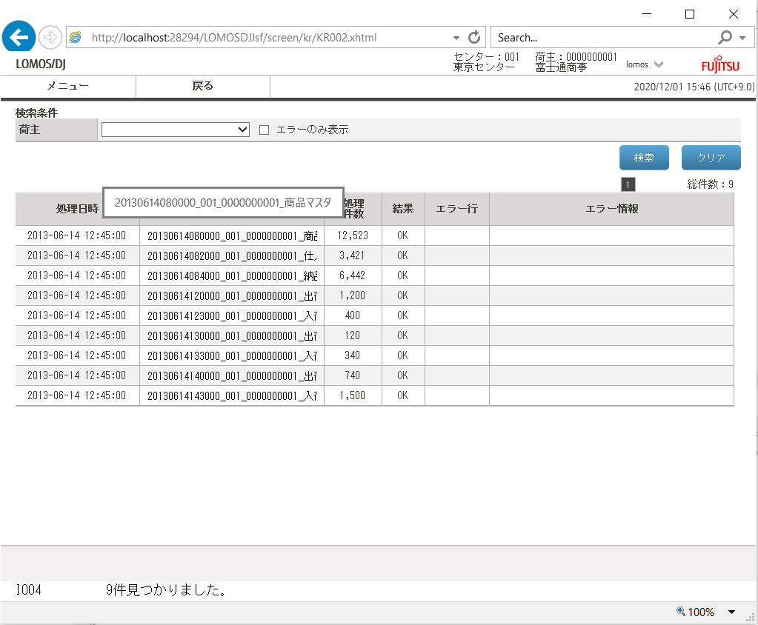

Ev.2
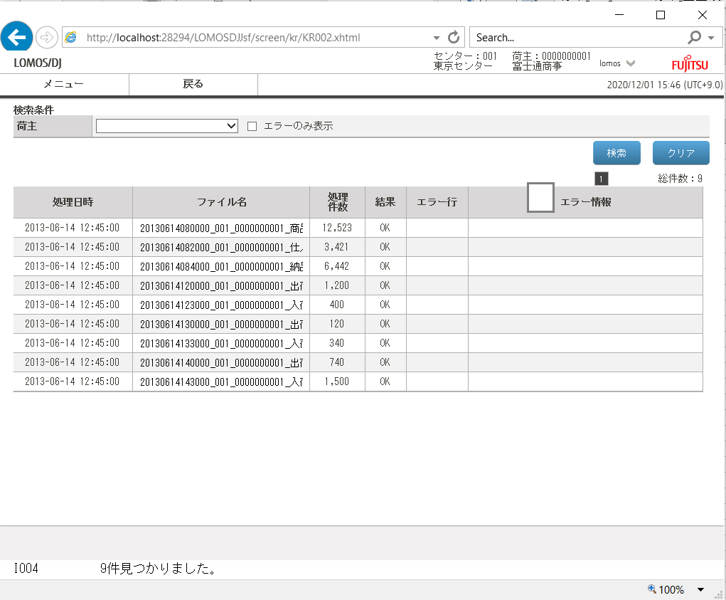

Ev.3
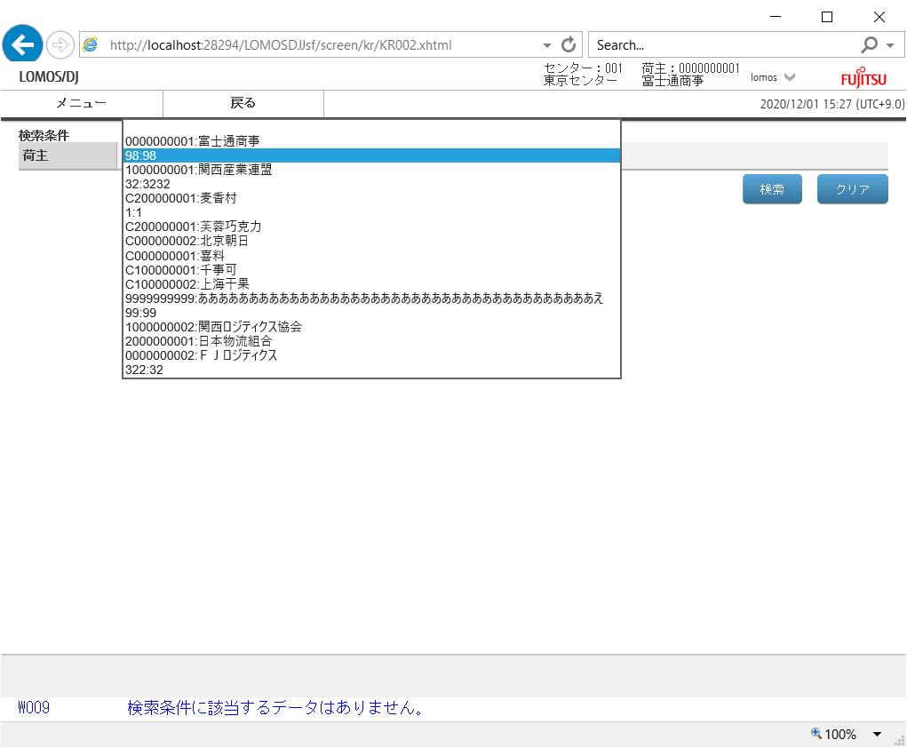
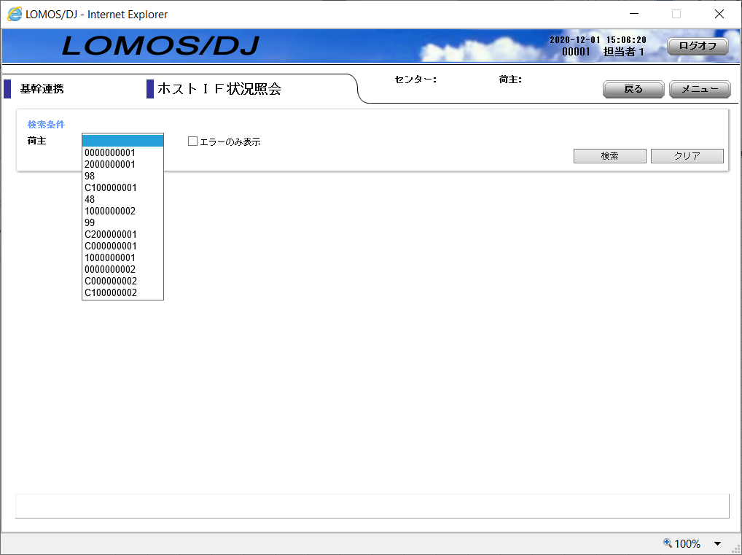

NG: Order is invalid

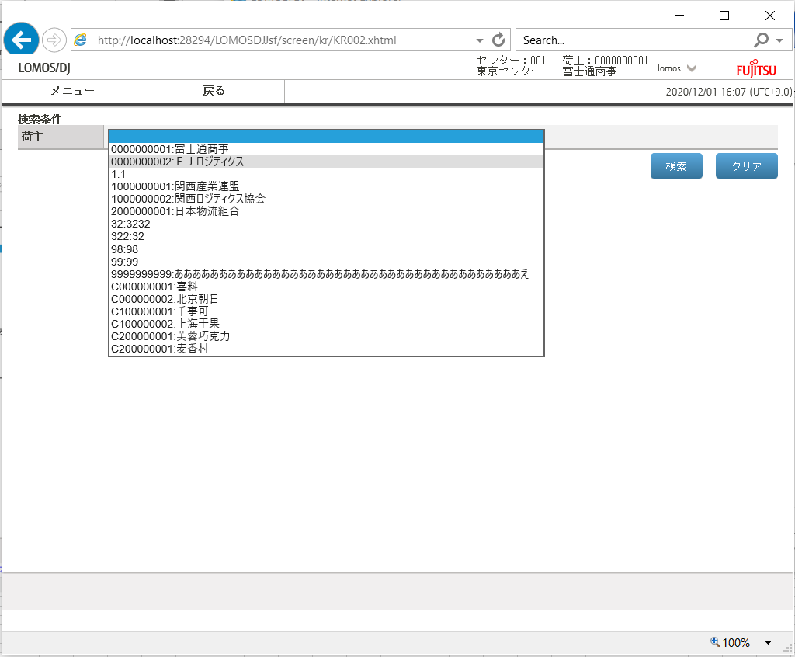

Fixed

Ev.4
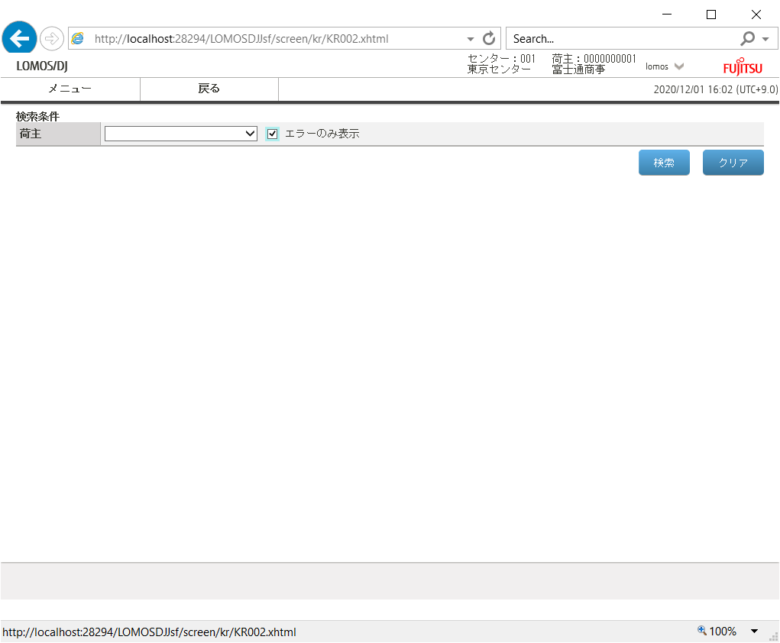

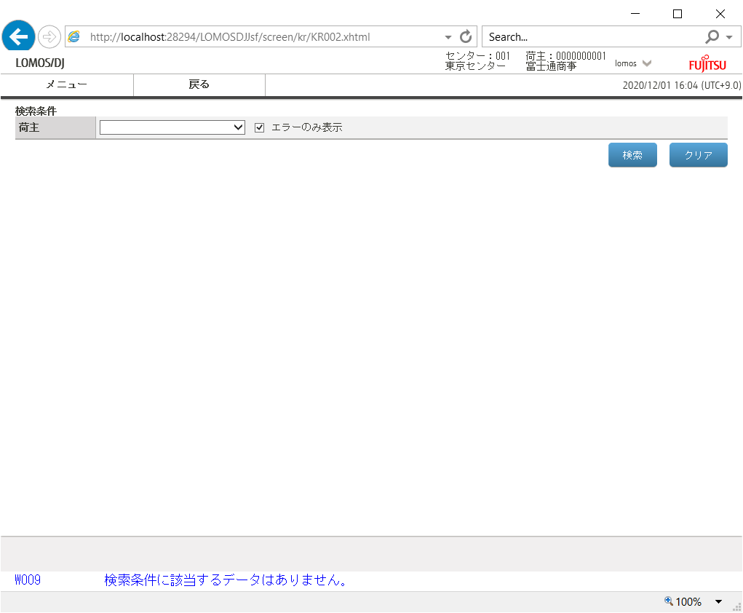

Ev.5
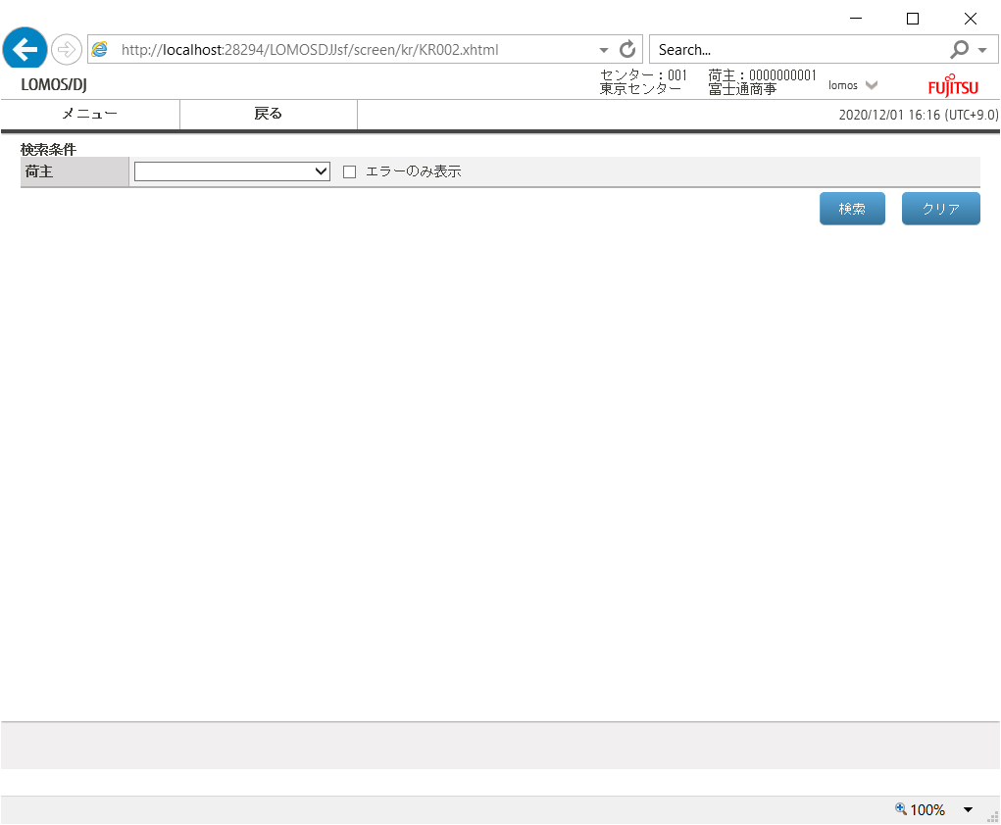

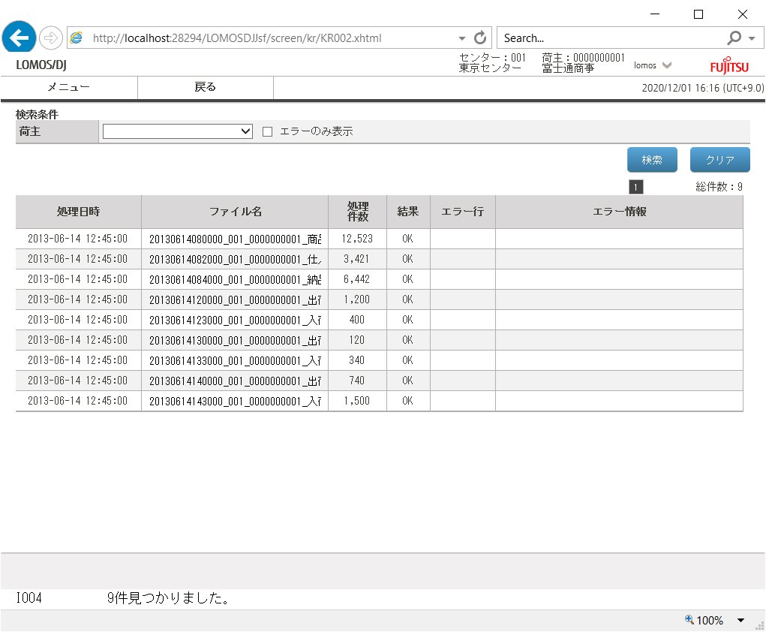

Ev.6
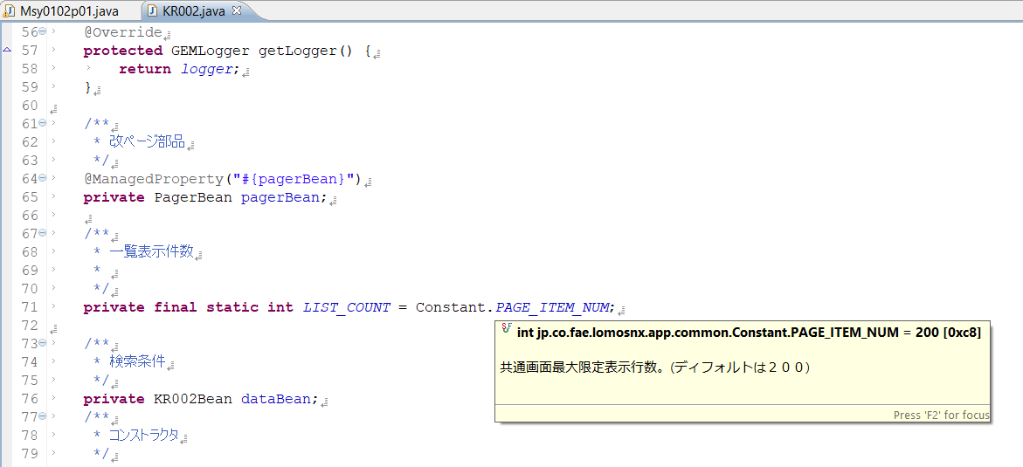

Ev.7
