Output
Campaign | Impressions | Clicks | Click Rate (CTR)
87954126 - CPC - Standard | 14963574 | 6448 | 0.04% | INSTRUCTIONS
48795456 - CPM - Standard | 966588 | 658 | 0.07% | There are 5 types of campaigns in column A: CPM Standard, CPC Standard, CPM IBV, CPM Expandable, and CPM Mobile
48795456 - CPM - IBV | 207094 | 95 | 0.05% | Find the benchmark CTR range (for example 0.05% - 0.10%) for the following 4 categories: CPM Standard, CPC Standard, CPM IBV/Expandable, CPM Mobile
79845236 - CPC - Standard | 354025 | 221 | 0.06% | Consider the likelihood of achieving that range of CTR based on the data given. Avoid submitting just the average or min/max value.
59745236 - CPC - Standard | 660416 | 893 | 0.14% | Please provide your methodology and be as detailed as possible.
27894525 - CPM - IBV | 829327 | 605 | 0.07% | Note that CTR is calculated as clicks/impressions
98452365 - CPM -Standard | 13690 | 14 | 0.10%
18795462 - CPM - Standard | 737582 | 687 | 0.09% | The following solution (Scroll Below) is taken using R and Plotly program.
68745125 - CPC - Standard | 15800834 | 6576 | 0.04%
28745625 - CPC - Standard | 735948 | 1699 | 0.23% | Initial Analysis of Click rate shows a right skewness
28745626 - CPC - Standard | 774072 | 1380 | 0.18%
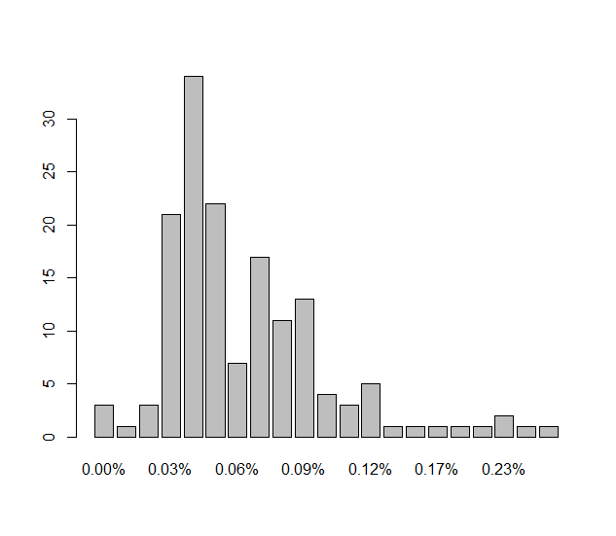
35874589 - CPM - Standard | 836050 | 556 | 0.07%
29874565 - CPM - Standard | 28591674 | 14999 | 0.05%
79541285 - CPM - Standard | 273157 | 177 | 0.07%
54698745 - CPM - Standard | 3755008 | 1439 | 0.04%
97458541 - CPM - Standard | 5325 | 2 | 0.04%
97458541 - CPM - Mobile | 2506 | 2 | 0.08%
55987412 - CPM - Standard | 1061818 | 685 | 0.07%
18745236 - CPM - Standard | 147521 | 107 | 0.07%
68745256 - CPM - Standard | 2172920 | 966 | 0.04%
68745257 - CPM - Standard | 1371059 | 643 | 0.05%
34875898 - CPM - Standard | 368642 | 155 | 0.04%
22547895 - CPM - Standard | 24001 | 9 | 0.04%
98758745 - CPM - Standard | 244463 | 176 | 0.07%
89494654 - CPM - Standard | 64069 | 33 | 0.05%
14785685 - CPM - Standard | 1456833 | 467 | 0.03%
14785686 - CPM - Expandable | 290160 | 10 | 0.00%
14785687 - CPM - Standard | 3112610 | 1555 | 0.05%
14785688 - CPM - Expandable | 522542 | 9 | 0.00%
38541254 – CPC - Standard | 19806142 | 18467 | 0.09% | The click rate above is a reflection of entire campaigns. We can further identify which campaigns are leading to a right skewness
57845125 - CPM - Standard | 160113 | 100 | 0.06%
68452145 - CPM - Standard | 24958 | 20 | 0.08%
85412565 - CPM - Standard | 1829596 | 1617 | 0.09% | CPC - Standard
64875425 - CPM - IBV | 48281 | 30 | 0.06%
18795463 - CPM - IBV | 14224 | 15 | 0.11% | 1. Histogram
47412565 - CPC - Standard | 9247032 | 10723 | 0.12%
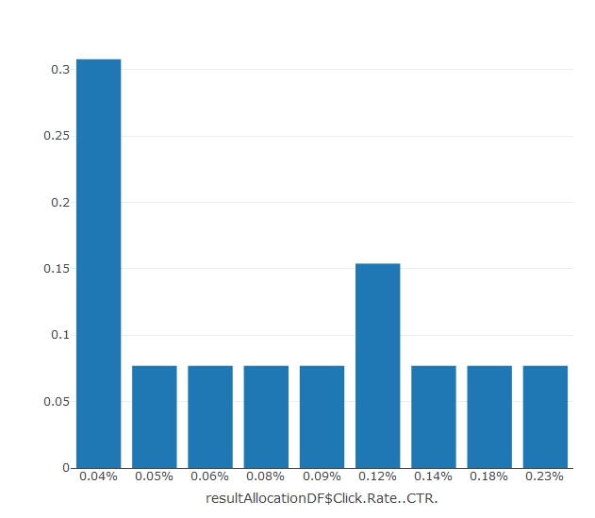
19874523 - CPM - Standard | 365006 | 229 | 0.06%
29874565 - CPM - IBV | 774420 | 372 | 0.05%
57485125 - CPM - IBV | 32413 | 16 | 0.05%
58745211 - CPC - Standard | 3067187 | 2371 | 0.08%
31458745 - CPM - Standard | 110105 | 98 | 0.09%
84123658 - CPC - Standard | 932579 | 1125 | 0.12%
73654125 - CPM - Standard | 1052737 | 796 | 0.08%
73654126 - CPM - Standard | 348322 | 171 | 0.05%
28745236 - CPM - Standard | 119633 | 38 | 0.03%
94652874 - CPC - Standard | 6443588 | 2368 | 0.04%
49785412 - CPM - Standard | 12092646 | 3665 | 0.03%
24785691 - CPM - Standard | 1534092 | 650 | 0.04%
85125412 – CPM - Standard | 181375 | 144 | 0.08%
46985412 – CPM - Standard | 18877 | 15 | 0.08%
67895412 – CPM - Standard | 364307 | 185 | 0.05%
24785692 - CPM - Standard | 661449 | 244 | 0.04%
24785693 - CPM - Standard | 410651 | 129 | 0.03%
24785694 - CPM - Standard | 405645 | 213 | 0.05% | We can see that CPC Standard is skewed towards right, this may move the benchmark on the higher ranges - we can use the box plot
24785695 - CPM - Standard | 773128 | 754 | 0.10%
24785696 - CPM - Standard | 1188225 | 411 | 0.04%
37845236 - CPM - Standard | 234720 | 113 | 0.05% | 2. Box plot diagram
87625145 - CPM - Mobile | 1337490 | 1966 | 0.15%
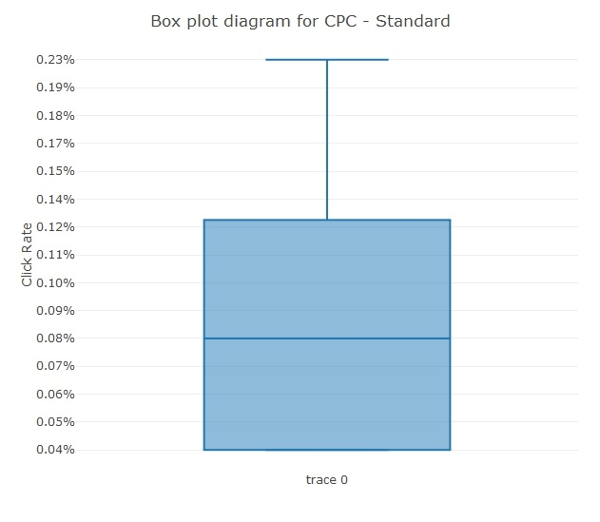
78451232 - CPM - Standard | 305250 | 98 | 0.03%
78451233 - CPM - Mobile | 207940 | 404 | 0.19%
54521523 - CPM - IBV | 324829 | 291 | 0.09%
82145236 - CPM - Standard | 437503 | 395 | 0.09%
94563252- CPM - Standard | 5353015 | 6559 | 0.12%
42145874 - CPM - Expandable | 1228037 | 590 | 0.05%
18541256 - CPM - Standard | 6636912 | 2865 | 0.04%
51287452 - CPM - Standard | 145783 | 41 | 0.03%
51287453 - CPM - Standard | 160353 | 64 | 0.04%
51287455 - CPM - Mobile | 357277 | 379 | 0.11%
30449178 - CPM - Standard | 499939 | 360 | 0.07%
63901918 - CPC - Standard | 25154439 | 9580 | 0.04%
40213682 - CPM - Standard | 341705 | 295 | 0.09%
40345916 - CPM - Standard | 303699 | 244 | 0.08%
44856572 - CPM - Standard | 593924 | 480 | 0.08%
53985561 - CPM - Standard | 296853 | 201 | 0.07%
89897024 - CPM - Standard | 35443 | 14 | 0.04% | A box and whisker plot is a way of summarizing a set of data measured on an interval scale. It is often used in explanatory data analysis. This type of graph is used to show the shape of the distribution, its central value, and its variability.
64134493 - CPM - Standard | 95642 | 31 | 0.03%
64233640 - CPM - Standard | 459774 | 172 | 0.04% | Bench Mark CTR Range is the lower quartile and upper quartile of this box plot diagram
78744248 - CPM - Standard | 1054327 | 274 | 0.03%
94010250 - CPM - Standard | 10160431 | 2996 | 0.03% | Benchmark CTR Range for CPC Standard is 0.04% to 0.12%
94956085 - CPM - Standard | 578973 | 246 | 0.04%
67798401 - CPM - Standard | 1100630 | 782 | 0.07%
51702078 - CPM - Standard | 502709 | 397 | 0.08%
46459923 - CPM - Standard | 799874 | 604 | 0.08% | CPM - Standard
70376385 - CPM - IBV | 195881 | 82 | 0.04%
23305392 - CPM - Standard | 566162 | 144 | 0.03% | 1. Histogram
16636011 - CPM - Standard | 491833 | 479 | 0.10%
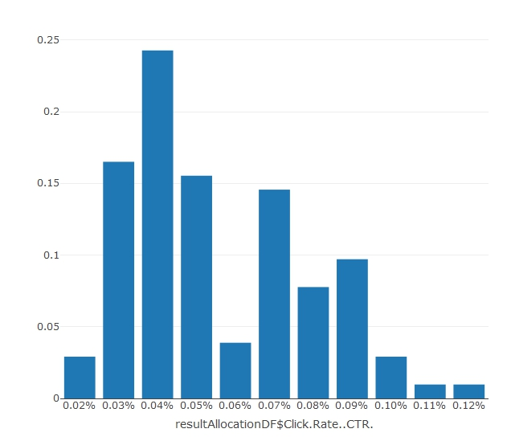
82351601 - CPM - IBV | 735034 | 685 | 0.09%
88919134 - CPM - Standard | 781423 | 282 | 0.04%
38426752 - CPM - Standard | 480892 | 134 | 0.03%
94010548 - CPM - Standard | 560672 | 222 | 0.04%
75029426 - CPM - Mobile | 217404 | 360 | 0.17%
53969142 - CPM - IBV | 1227048 | 543 | 0.04%
45373370 - CPM - Standard | 1019099 | 432 | 0.04%
44123474 - CPM - IBV | 1049291 | 319 | 0.03%
81243918 - CPM - IBV | 1474231 | 1400 | 0.10%
69263286 - CPM - IBV | 1734108 | 2022 | 0.12%
45408075 - CPM - Standard | 8990708 | 3968 | 0.04%
55306805 - CPM - Standard | 4330039 | 3037 | 0.07%
43429611 - CPM - Standard | 887916 | 767 | 0.09%
37970705 - CPM - Standard | 1259325 | 741 | 0.06%
83161243 - CPM - Mobile | 1289017 | 3581 | 0.28%
47527389 - CPM - Standard | 1199345 | 642 | 0.05%
52931456 - CPM - Standard | 970221 | 644 | 0.07%
90176804 - CPM - Standard | 1072629 | 551 | 0.05% | We can see that CPM Standard is slighty skewed towards right. we can use the box plot to get the range
48128488 - CPM - IBV | 1643412 | 706 | 0.04%
80576011 - CPM - IBV | 1665200 | 679 | 0.04%
45787734 - CPM - IBV | 170314 | 87 | 0.05% | 2. Box plot diagram
93175625 - CPM - IBV | 117879 | 5 | 0.00%
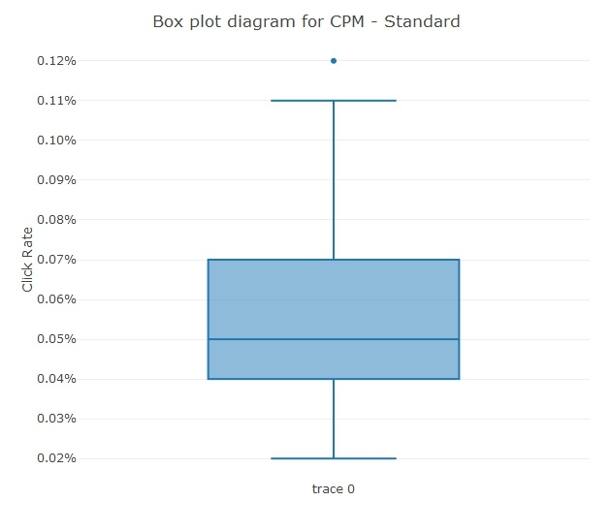
48081994 - CPM - IBV | 177405 | 19 | 0.01%
11291762 - CPM - IBV | 26119 | 7 | 0.03%
49973059 - CPM - Standard | 876861 | 436 | 0.05%
99160814 - CPM - Standard | 1123070 | 504 | 0.05%
48152710 - CPM - IBV | 862508 | 575 | 0.07%
66572647 - CPM - Standard | 1626317 | 624 | 0.04%
96092726 - CPM - Standard | 555310 | 283 | 0.05%
49244780 - CPM - Standard | 179796 | 153 | 0.09%
74278298 - CPM - Standard | 1194101 | 321 | 0.03%
22399016 - CPM - Standard | 299872 | 123 | 0.04%
59388753 - CPM - Standard | 1186822 | 506 | 0.04%
91932233 - CPM - Standard | 125996 | 75 | 0.06%
53418486 - CPM - Standard | 661297 | 266 | 0.04%
31275657 - CPM - Standard | 105961 | 46 | 0.04%
50131973 - CPM - Standard | 47243 | 10 | 0.02%
96131770 - CPM - IBV | 525295 | 181 | 0.03%
48795456 - CPM - Mobile | 1104692 | 2535 | 0.23%
17562364 - CPM - Standard | 428482 | 121 | 0.03%
74397947 - CPM - Standard | 148660 | 49 | 0.03% | Bench Mark CTR Range is the lower quartile and upper quartile of this box plot diagram
72559503 - CPM - Standard | 426988 | 208 | 0.05%
60719888 - CPM - IBV | 340728 | 274 | 0.08% | Benchmark CTR Range for CPM Standard is 0.04% to 0.07%
82357278 - CPM - Standard | 518879 | 269 | 0.05%
98559813 - CPM - Standard | 863173 | 1038 | 0.12%
72315591 - CPM - Standard | 3451142 | 3638 | 0.11%
64465035 - CPM - Standard | 600130 | 224 | 0.04% | CPM IBV/Expandable
95145675 - CPM - Standard | 986628 | 732 | 0.07%
70768168 - CPC - Standard | 8257317 | 4120 | 0.05% | 1. Histogram
77540142 - CPM - Standard | 395886 | 345 | 0.09%
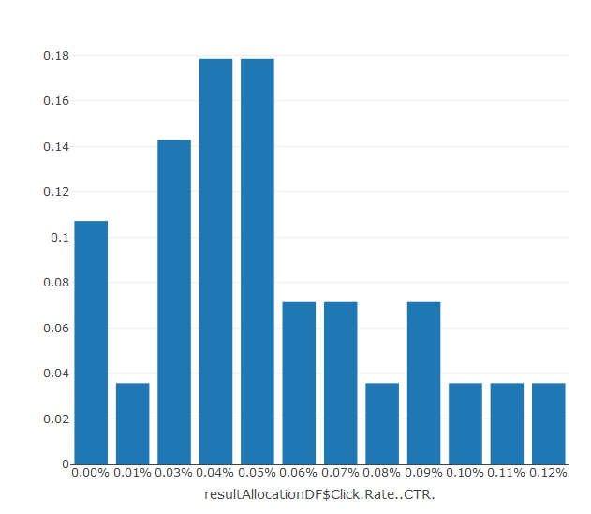
10985626 - CPM - Standard | 1237080 | 1112 | 0.09%
83826123 - CPM - Standard | 296942 | 259 | 0.09%
83973919 - CPM - Mobile | 253734 | 619 | 0.24%
73020645 - CPM - Standard | 353560 | 255 | 0.07%
82213644 - CPM - Standard | 119208 | 79 | 0.07%
68627733 - CPM - Standard | 2365185 | 492 | 0.02%
90619909 - CPM - Standard | 1546154 | 339 | 0.02%
55372878 - CPM - Standard | 471028 | 234 | 0.05%
99508786 - CPM - Standard | 657807 | 448 | 0.07%
15678944 - CPM - Standard | 935542 | 295 | 0.03%
78865603 - CPM - IBV | 36675 | 11 | 0.03%
78295544 - CPM - IBV | 48036 | 29 | 0.06%
14888690 - CPM - IBV | 40901 | 17 | 0.04%
52607027 - CPM - Standard | 578311 | 199 | 0.03%
19348099 - CPM - Standard | 445245 | 119 | 0.03%
94010759 - CPM - Standard | 428166 | 156 | 0.04%
17592908 - CPM - Standard | 128316 | 55 | 0.04%
 |  |  |  | We can see that CPM IBV/Expandable is skewed towards right - we can use the box plot to get ranges

 |  |  |  | 2. Box plot diagram

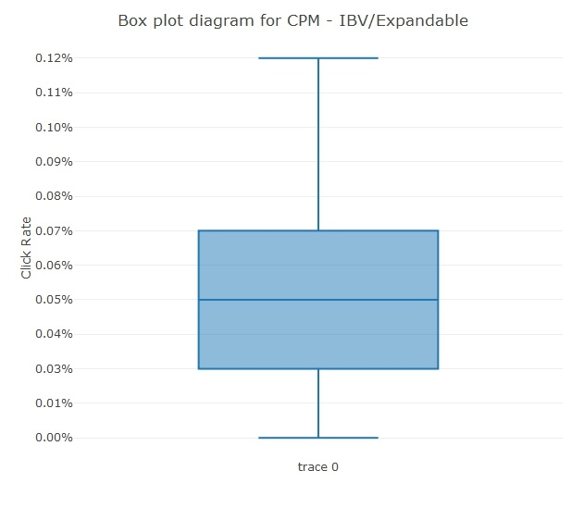

 |  |  |  | Bench Mark CTR Range is the lower quartile and upper quartile of this box plot diagram

 |  |  |  | Benchmark CTR Range for CPM IBV/Expandable is 0.03% to 0.07%

 |  |  |  | CPM - Mobile

 |  |  |  | 1. Histogram

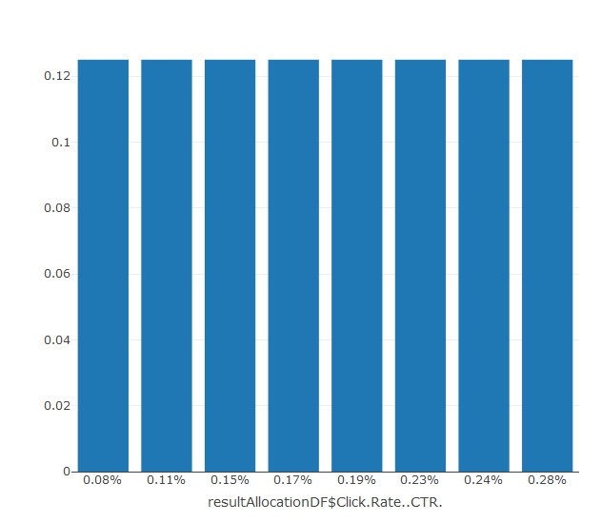

 |  |  |  | We can see that it is hard to identify if CPM Mobile is skewed or not - we can now use the box plot

 |  |  |  | 2. Box plot diagram

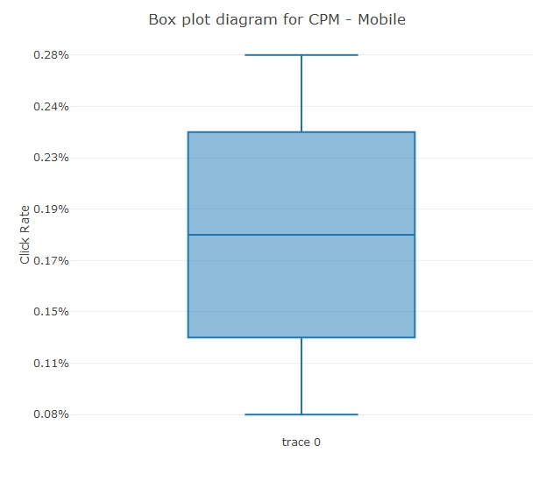

 |  |  |  | Bench Mark CTR Range is the lower quartile and upper quartile of this box plot diagram

 |  |  |  | Benchmark CTR Range for CPM Mobile is 0.15% to 0.24%

