Section 1.0-SVM config
SVM model development

1. Importing Libraries
a) Libraries like 'pandas', 'numpy', and 'matplotlib' are imported for data manipulation, mathematical computations, and visualisation
b) Scikit-learn modules are used for building SVM model for regression task 'SVR', splitting datasets 'train_test_split', hyperparameter tuning 'GridSearchCV', and evaluating model performance (metric like 'mean_absolute_error' [MAE], 'mean_squared_error' [MSE], 'mean_squared_error' [RMSE], and 'r2_score' [R²]

2. Loading Data
a) The data is loaded from a CSV file specified by its path.

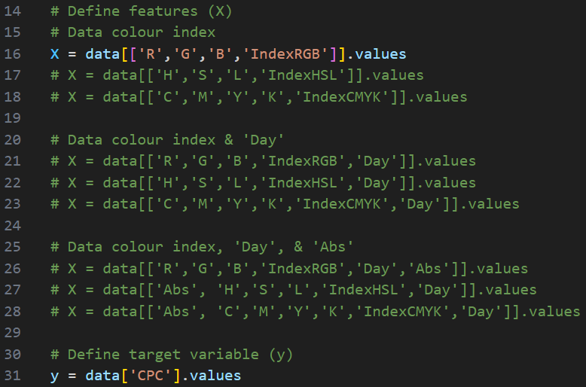

3. Defining Fetures (X) and Target (y)
Several combinations of features are explored:
Features/ Input parameters (X)
a) SVM (1V-Input) - With colour features only
X1 = ('R', 'G', 'B', 'IndexRGB') or
X2 = ('H', 'S', 'L', 'IndexHSL') or
X3 = ('C', 'M', 'Y', 'K', 'IndexCMYK')
b) SVM (2V-Input) - With colour features and 'Day' only
X4 = ('R', 'G', 'B', 'IndexRGB', 'Day') or
X5 = ('H', 'S', 'L', 'IndexHSL', 'Day') or
X6 = ('C', 'M', 'Y', 'K', 'IndexCMYK', 'Day')
c) SVM (3V-Input) - With colour features and 'Day', and 'Abs'
X7 = ('R', 'G', 'B', 'IndexRGB', 'Day', 'Abs') or
X8 = ('H', 'S', 'L', 'IndexHSL', 'Day', 'Abs') or
X9 = ('C', 'M', 'Y', 'K', 'IndexCMYK', 'Day', 'Abs')
Target/ output parameter (y)
y = CPC (CPC concentration)
Note: Choose 1 of any x-variable for training for the prediction (For example: X1 has been selected asa shown above) of target y-variable

4. Splitting the data
a) The dataset is split into training and testing subsets using 80% (2304 images) :20% (576 images) Train: Test split

5. Defining the model
a) A Support Vector Regressor (SVR) model is defined as part of SVM to solve regression task

6. Hyperparameter Tuning with GridSearchCV
a) A grid search is performed to find the optimal hyperparameter ('C', 'kernel', 'gamma', and 'epsilon') using a 5-fold cross validation strategy (cv = 5)
b)The 'neg_mean_squared_error' is used as the scoring metric
c) GridSearchCV is set to use all available cores (n_jobs = -1) for computational efficiency, and verbosity (verbose = 2) shows the progress

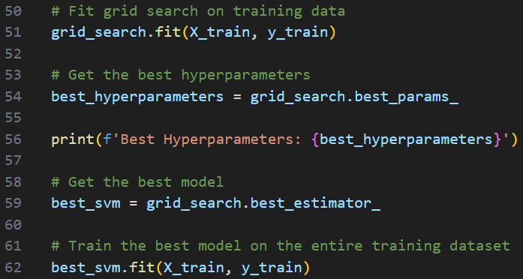

7. Training the best model
a) After identifying the best hyperparameters, the optimised model is trained on the entire training dataset

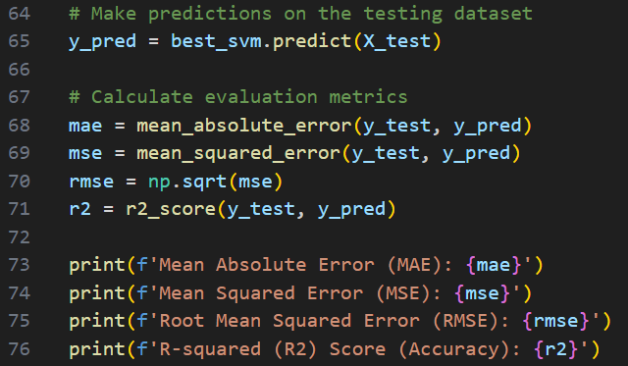

8. Model evaluation
a) Predictions are made on the test dataset
b) Various evaluation metrics are computer such as R², MAE, RMSE, MSE

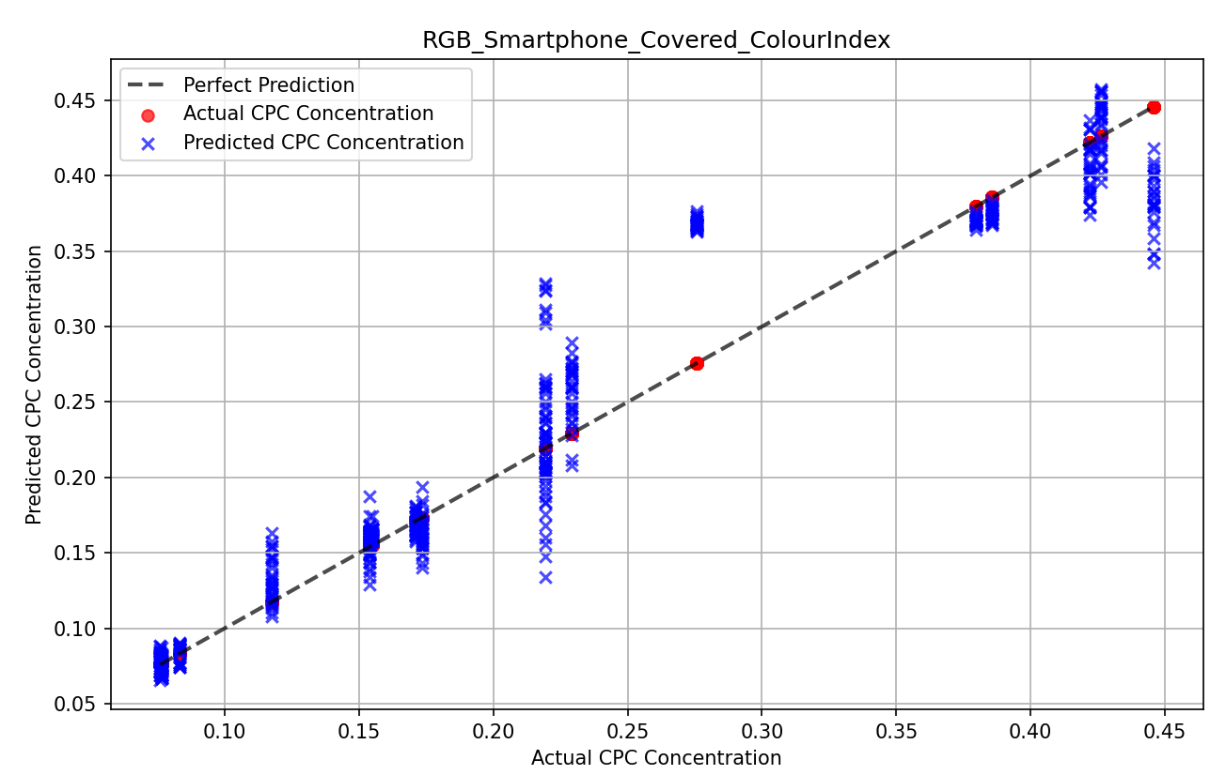

9. Visualistion
a) A scatter plot compares the predicted CPC concentration Vs actual CPC concentration (i.e. 1V-RGB-SP-C-Biomass)

Section 2.0-XGBoost config
XGBoost model development

1. Importing Libraries
a) Libraries like 'pandas', 'numpy', and 'matplotlib' are imported for data manipulation, mathematical computations, and visualisation
b) Scikit-learn modules are used for building XGBoost model for regression task 'XGBRegressor', splitting datasets 'train_test_split', hyperparameter tuning 'GridSearchCV', and evaluating model performance (metric like 'mean_absolute_error' [MAE], 'mean_squared_error' [MSE], 'mean_squared_error' [RMSE], and 'r2_score' [R²]

2. Loading Data
a) The data is loaded from a CSV file specified by its path.

3. Defining Fetures (X) and Target (y)
Several combinations of features are explored:
Features/ Input parameters (X)
a) SVM (1V-Input) - With colour features only
X1 = ('R', 'G', 'B', 'IndexRGB') or
X2 = ('H', 'S', 'L', 'IndexHSL') or
X3 = ('C', 'M', 'Y', 'K', 'IndexCMYK')
b) SVM (2V-Input) - With colour features and 'Day' only
X4 = ('R', 'G', 'B', 'IndexRGB', 'Day') or
X5 = ('H', 'S', 'L', 'IndexHSL', 'Day') or
X6 = ('C', 'M', 'Y', 'K', 'IndexCMYK', 'Day')
c) SVM (3V-Input) - With colour features and 'Day', and 'Abs'
X7 = ('R', 'G', 'B', 'IndexRGB', 'Day', 'Abs') or
X8 = ('H', 'S', 'L', 'IndexHSL', 'Day', 'Abs') or
X9 = ('C', 'M', 'Y', 'K', 'IndexCMYK', 'Day', 'Abs')
Target/ output parameter (y)
y = CPC (CPC concentration)
Note: Choose 1 of any x-variable for training for the prediction (For example: X1 has been selected asa shown above) of target y-variable

4. Splitting the data
a) The dataset is split into training and testing subsets using 80% (2304 images) :20% (576 images) Train: Test split

5. Defining the model
a) A XGBoost regressor (xgb) model is defined as part of XGBoost to solve regression task

6. Hyperparameter Tuning with GridSearchCV
a) A grid search is performed to find the optimal hyperparameter ('n_estimators', 'learning_rate', 'max_depth', 'subsample', 'colsample_bytree', 'reg_alpha' and 'reg_lambda') using a 5-fold cross validation strategy (cv = 5)
b)The 'neg_mean_squared_error' is used as the scoring metric
c) GridSearchCV is set to use all available cores (n_jobs = -1) for computational efficiency, and verbosity (verbose = 2) shows the progress

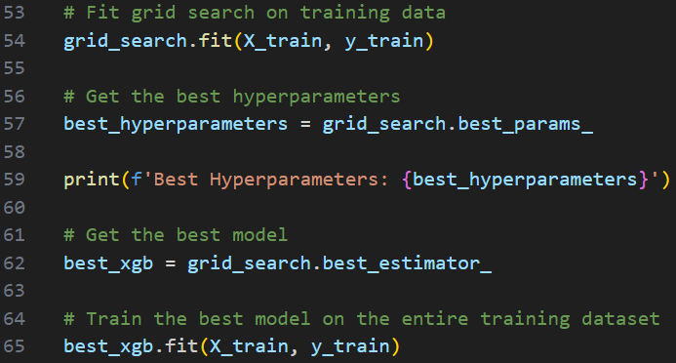

7. Training the best model
a) After identifying the best hyperparameters, the optimised model is trained on the entire training dataset

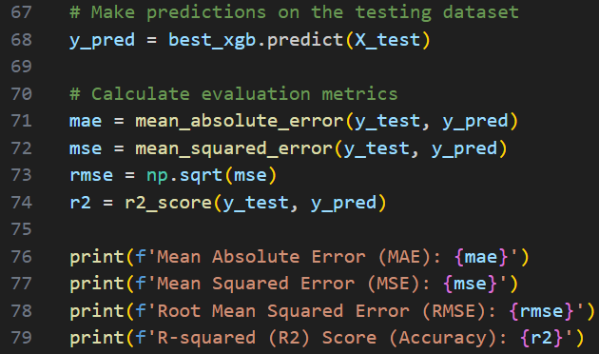

8. Model evaluation
a) Predictions are made on the test dataset
b) Various evaluation metrics are computer such as R², MAE, RMSE, MSE

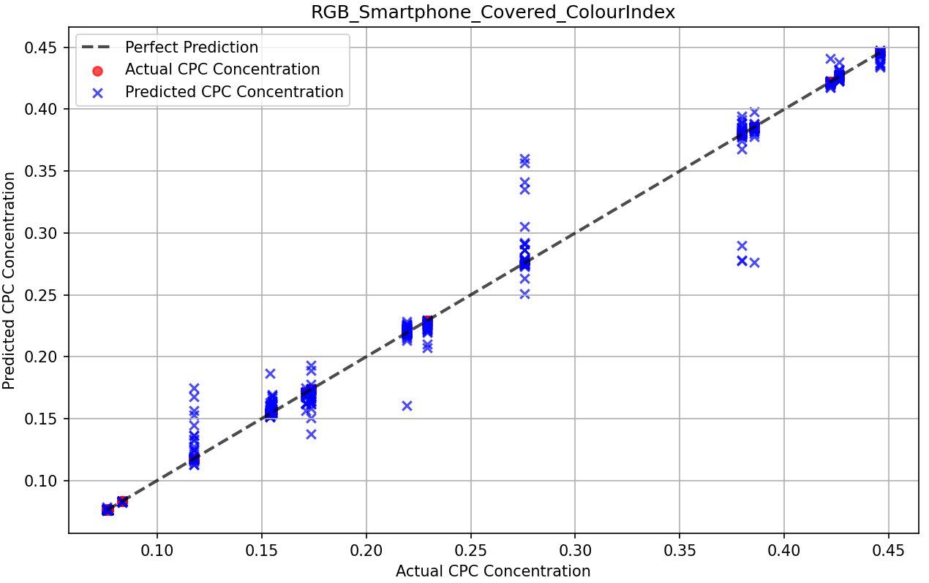

9. Visualistion
a) A scatter plot compares the predicted CPC concentration Vs actual CPC concentration (i.e. 1V-RGB-SP-C-Biomass)

Section 3.0-CNN config
CNN model development (using Pytorch framework

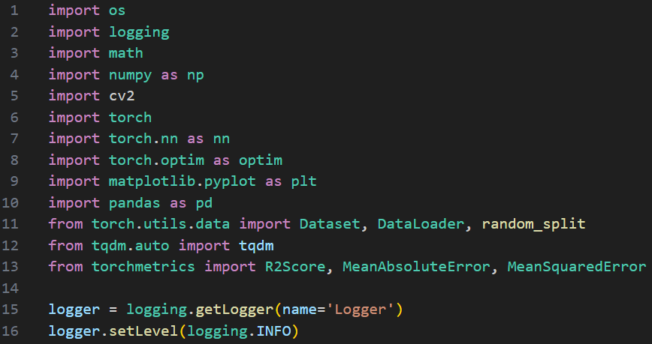

1. Importing Libraries
a) Data processing & visualisation: 'numpy', 'pandas', matplotib.pyplot', and 'cv2'
b) Pytorch modules: 'torch', 'torch.nn', 'torch.optim', and 'torch.utiles.data' for model defination, optimisation, and data handling
c) Metrics: import 'torchmetrics' for evaluation metrics like 'MeanAbsoluteError' [MAE], 'MeanSquaredError' [MSE], MeanSquaredError' [RMSE], and 'R2Score' [R²]
d) Logging and Progress: 'logging' for tracking the process & 'tqdm' for progress bars

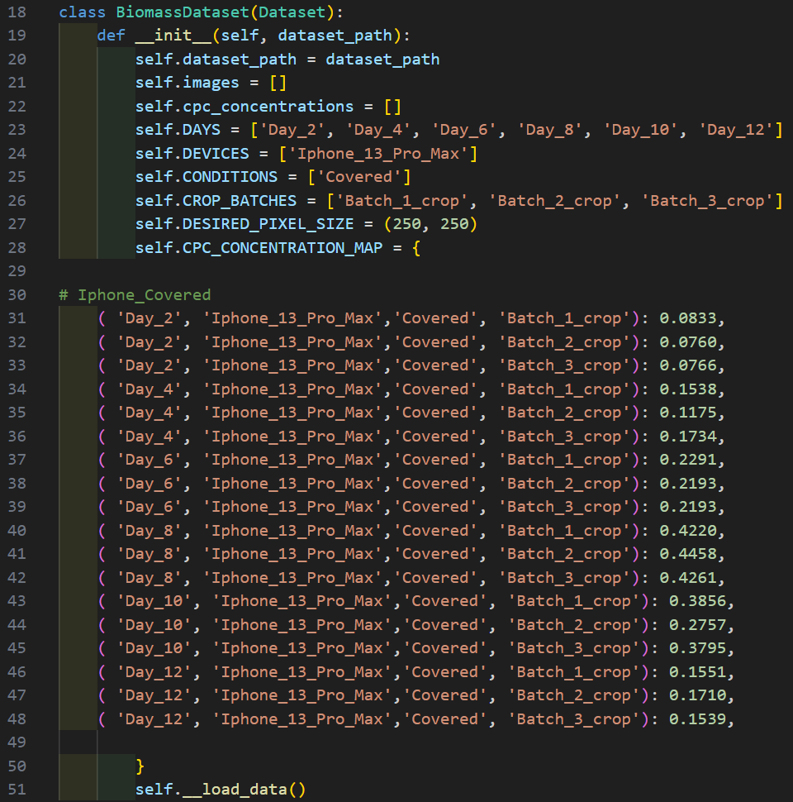

2. Defining the Custom Dataset
Class: 'BiomassDataset'
a) This class customises how the data is loaded and prepared for training
Initialisation (__init__):
a) 'dataset_path': Path to the dataset directory
b) Defines metadata like days ('DAYS'), devices ('DEVICES'), conditions ('CONDITIONS'), and crop batches ('CROP_BATCHES')
c) 'CPC_CONCENTRATION_MAP': maps to specific combinations of metadata to known CPC concentrations.
(For example as shown as per above, where images of smartphone under covered conditions [SP-C] were captured under specific folder ['Day_2', 'Iphone_13_Pro_Max', 'Covered', 'Batch_1_crop'], in which all images contained inside this specific folder, will corresponds to a specific value of CNN concentration, in this case [0.0833] and so on............ for the training of CNN.
d) Then calls '__load_data()' t load and preprocess data

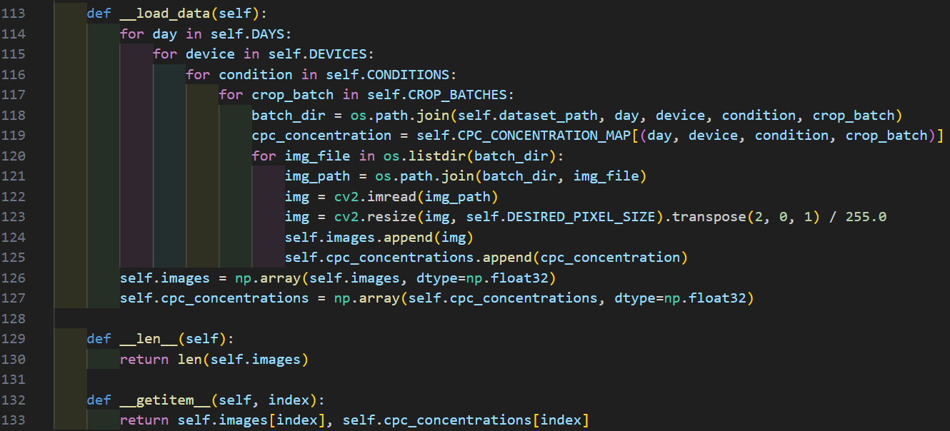

2. Defining the Custom Dataset (cont)
Data Loading (__load_data):
a) Iterates over combinations of 'DAYS', 'DEVICES', 'CONDITIONS', and 'CROP_BATCHES'
b) Reads images using 'cv2.imread', resizes them to '250 x 250' pixels, normalises pixel values, and converts to the Pytorch-friendly format
c) Collects images and CPC concentrations into lists, converting them into NumPy arrays
Dataset Interface:
a) '__len__': Returns the total number of samples
b) '__getitem__': Retrieves an image and its corresponding CPC concentration based on the index.

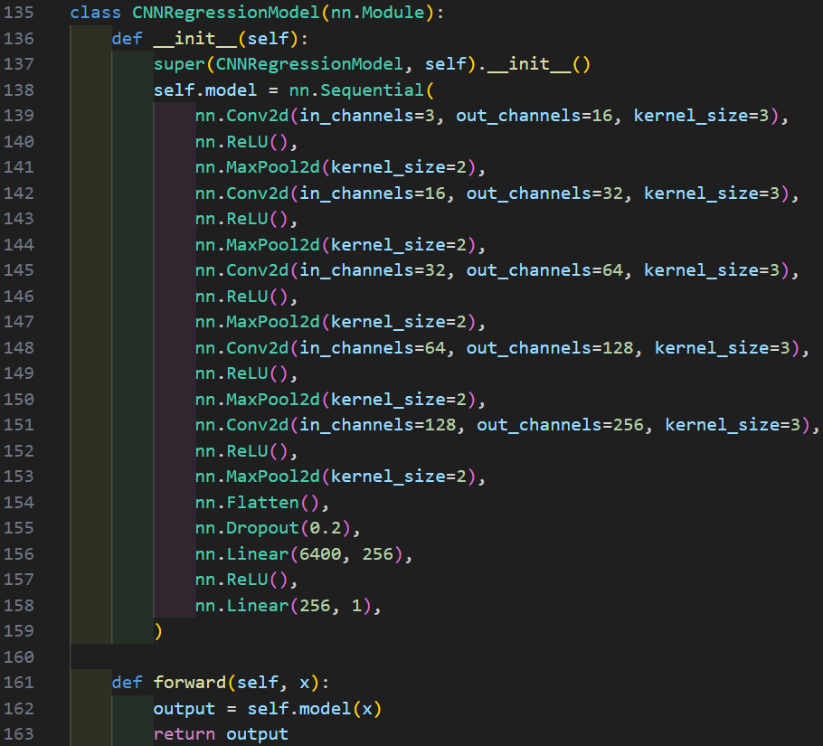
Convolution
16, 3 x 3 + 1(S) + ReLU
Convolution
256, 3 x 3 +1(S) + ReLU

Max pooling
16, 2 x 2
Max pooling
256, 2 x 2

Flatten
Convolution
32, 3 x 3 +1(S) + ReLU

Max pooling
32, 2 x 2
Dropout
20%

Convolution
64, 3 x 3 +1(S) + ReLU
Fully connected dense layer
256 units + ReLU

Max pooling
64, 2 x 2
Fully connected dense layer
1 unit + linear

Convolution
128, 3 x 3 +1(S) + ReLU
Output predicted value

C-phycocyanin concentration range (0.0786 – 0.4313 mg/mL)
Max pooling
128, 2 x 2

3. Defining the convolutional layers of CNN model
Class: 'CNNRegressionModel: This class defines a Convolutional Neural Network for regression tasks.
Structure:
Convolutional layers:
a) Five layers, each with increasing filter sizes (16 → 256), followed by ReLU activation and max pooling.
Convolutional layers:
After faltenning, the network includes a) A fully connected layer reducing dimensions to 256 and b) A final layer outputting a single regression value
Dropout layer:
a) Prevents overfitting by randomly dropping 20% of the connections.

4. Training the model
a) The function 'train_once' encapsulates the entire training process
Setup
a) Setting up the hyperparameters such as 'NUM_EPOCHS': number of training runs, 'DEVICE': uses GPU ('cuda') if available, and 'DATASET_DIR': the directory containing the specific dataset
b) Logs the dataset loading and splitting process
c) Splits the dataset into training 80% (2304 images) :20% (576 images)

4. Training the model (cont)
Data Preparation
a) Creates Pytorch DataLoader objects for training and testing, with batch size of 64

4. Training the model (cont)
Model and Optimiser
a) Initialises the 'CNNRegressionModel', Adam optimiser, and loss functions (MSE, MAE, RMSE, and R²)

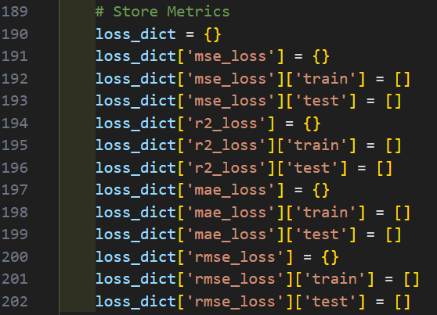

4. Training the model (cont)
Metric Storage
a) Initialises a dictionary ('loss_dict') to track metrics for both training and testing.

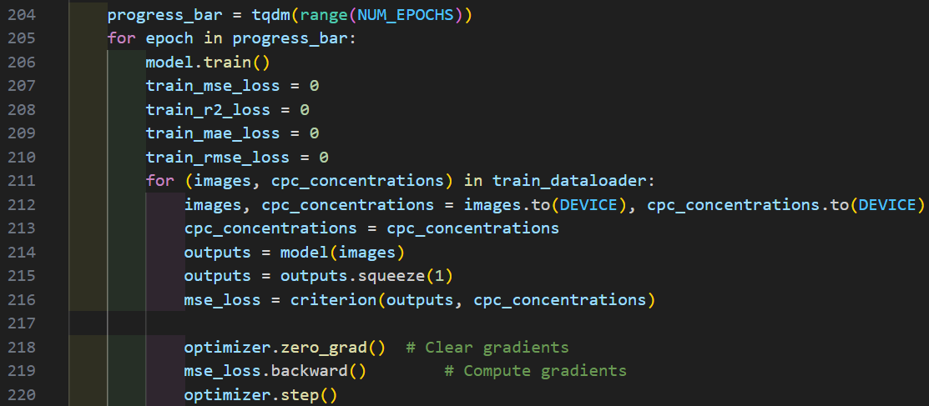

4. Training the model (cont)
Training Loop:
a) Iterates over epochs, performing training on:
- Sets the model to training mode
- Processes batches of images and CPC concentrations
- Calculates the loss (MSE) and performs backpropagation using the optimizer
- Tracks and aggregates metrics (MSE, MAE, RMSE, and R²)

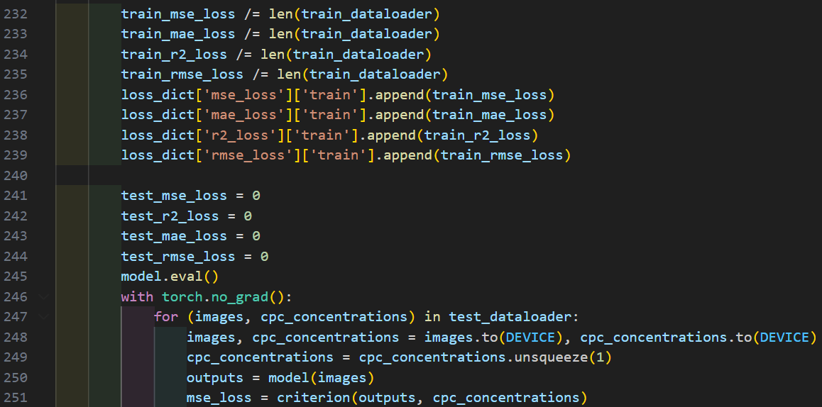

4. Training the model (cont)
Testing Loop:
a) Iterates over epochs, performing training on:
- Sets the model to evaluation mode
- Computes metrics on the validation set without gradient updates

4. Training the model (cont)
Results Logging and Visualisation
a) Logs training and testing metrics for each epoch.
b) Plots training and testing learning curves for all metrics (MSE, MAE, RMSE, and R²)
c) Saves all metrics as a CSV file for future analysis

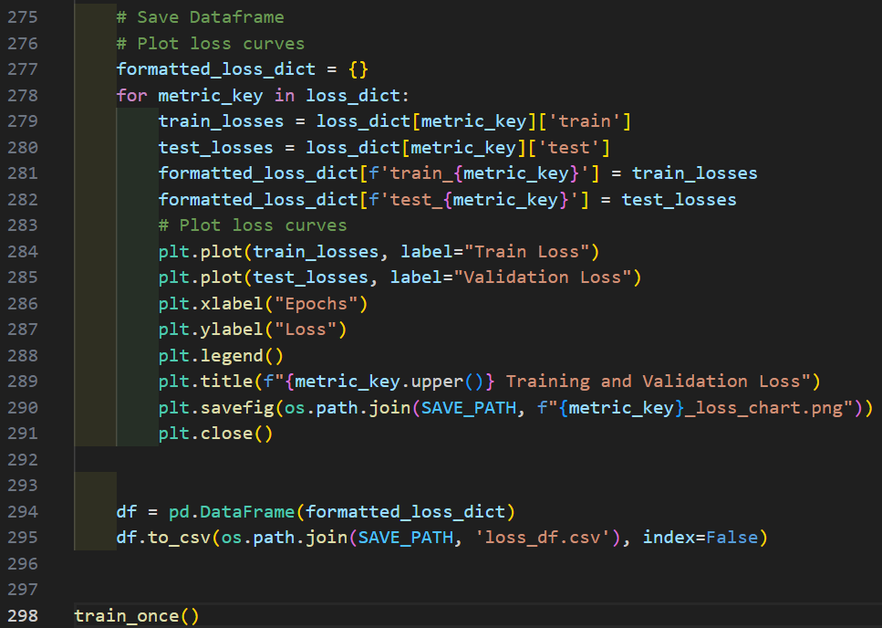

5. Saving Results
a) Plots training, testing learning curves and CSV files are saved to a specified directory ('experiment_3_charts')
b) Ensures the directory is created if it doesn’t exist.
c) Finally, the 'train_once()' function is invoked to start the training process.

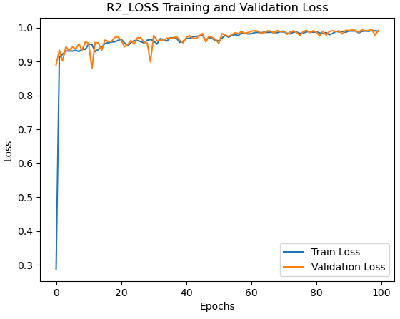

6. Visualisation example
a) Plots of training and validation R² for SP-C-Biomass configuration

Section 4.0-Hybrid EL config
Hybrid Stacking-ensemble model development

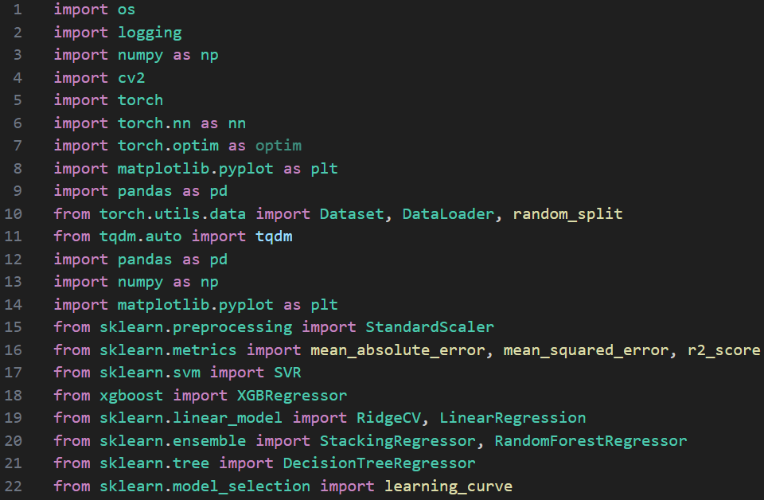

1. Importing Libraries
a) Data processing & visualisation: 'numpy', 'pandas', matplotib.pyplot', 'cv2', and 'os' for file path operations
b) Pytorch modules: 'torch', 'torch.nn', 'torch.optim', and 'torch.utiles.data' for CNN-based feature extraction
c) Machine learning linear models: from sklearn import RidgeCV and LinearRegression (for meta-regressor)
d) Machine learning ensemble models: from sklearn import RandomForest (for meta-regressor) and StackingRegressor ensemble learning technique)
e) Machine learning tree model: from sklearn import DecisionTree (for meta-regressor)
f) Scikit-learn modules are used for building both XGBoost and SVM (Base models) for regression task 'XGBRegressor' and 'SVR', respectively, and evaluating model performance (metric like 'mean_absolute_error' [MAE], 'mean_squared_error' [MSE], 'mean_squared_error' [RMSE], and 'r2_score' [R2]
g) Logging and Progress Tracking: 'logging' for tracking the process & 'tqdm' for progress bars

2. Defining the Custom Dataset (same config as CNN)
Class: 'BiomassDataset'
a) This class customises how the data is loaded and prepared for training
Initialisation (__init__):
a) 'dataset_path': Path to the dataset directory
b) Defines metadata like days ('DAYS'), devices ('DEVICES'), conditions ('CONDITIONS'), and crop batches ('CROP_BATCHES')
c) 'CPC_CONCENTRATION_MAP': maps to specific combinations of metadata to known CPC concentrations.
(For example as shown as per above, where images of smartphone under covered conditions [SP-C] were captured under specific folder ['Day_2', 'Iphone_13_Pro_Max', 'Covered', 'Batch_1_crop'], in which all images contained inside this specific folder, will corresponds to a specific value of CNN concentration, in this case [0.0833] and so on............ for the training of CNN.
d) Then calls '__load_data()' t load and preprocess data

2. Defining the Custom Dataset (same config as CNN) (cont)
Data Loading (__load_data):
a) Iterates over combinations of 'DAYS', 'DEVICES', 'CONDITIONS', and 'CROP_BATCHES'
b) Reads images using 'cv2.imread', resizes them to '250 x 250' pixels, normalises pixel values, and converts to the Pytorch-friendly format
c) Collects images and CPC concentrations into lists, converting them into NumPy arrays
Dataset Interface:
a) '__len__': Returns the total number of samples
b) '__getitem__': Retrieves an image and its corresponding CPC concentration based on the index.

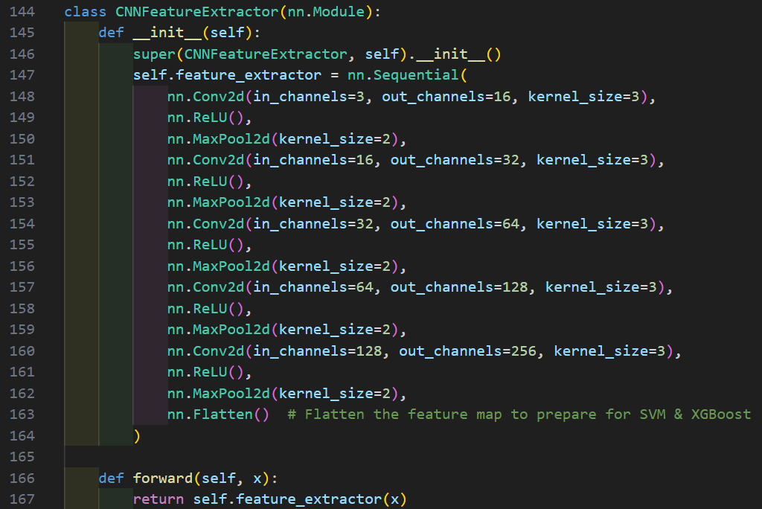
Convolution
16, 3 x 3 + 1(S) + ReLU

Max pooling
16, 2 x 2

Convolution
32, 3 x 3 +1(S) + ReLU

Max pooling
32, 2 x 2

Convolution
64, 3 x 3 +1(S) + ReLU

Max pooling
64, 2 x 2

Convolution
128, 3 x 3 +1(S) + ReLU

Max pooling
128, 2 x 2

Convolution
256, 3 x 3 +1(S) + ReLU
3. Defining the convolutional layers of CNN model
Class: 'CNNFeatureExtractor: a CNN is designed to extract features from input images
Structure
a) Multiple convolutional layers (filter sizes 16 → 256), each followed by ReLU activation and max pooling.
b) [Take NOTE! Not the same as the original configurations as in 'Section 3.0-CNN config'] - A final 'Flatten' layer prepares features for input into machine learning models
c) Defines the forward pass through CNN

Max pooling
256, 2 x 2

Flatten

4. Feature Extraction Workflow
The function 'extract_features'
a) Passes the dataset through the CNN to extract features (output of the last convolutional layer) and their corresponding labels.
b) Loads the dataset using a DataLoader and passes batches of images through the CNN.
b) Features are saved in a NumPy array, ready for further processing.

5. Data Normalisation
a) Normalizes extracted features using 'StandardScaler' to ensure they are on the same scale, improving model performance.

6. Base models
Two ML models are used as base models:
SVM
a) A kernel-based method (rbf kernel) with fine-tuned hyperparameters (C=100, gamma='auto', epsilon=0.01). [Note! follow the same configurations as in 'Section 1.0-SVM config' section]
XGBoost
a) A tree-based gradient boosting method with hyperparameter tuning to prevent overfitting (learning_rate fine-tuned from 0.3 to 0.1, reg_alpha fine-tuned from 0 to 2.0, & reg_lambda fine-tuned from 1.0 to 2.0 while other remains the same). [Note! modifications made from the original configurations as in 'Section2.0-XGBoost config'].

7. Training and Evaluation of Base models
Metrics computed:
a) R², MAE, RMSE, MSE
Visualisation:
a) Actual Vs predicted CPC concentration scatter plots
b) Training and validation learning curves to show the performance with increasing training dataset

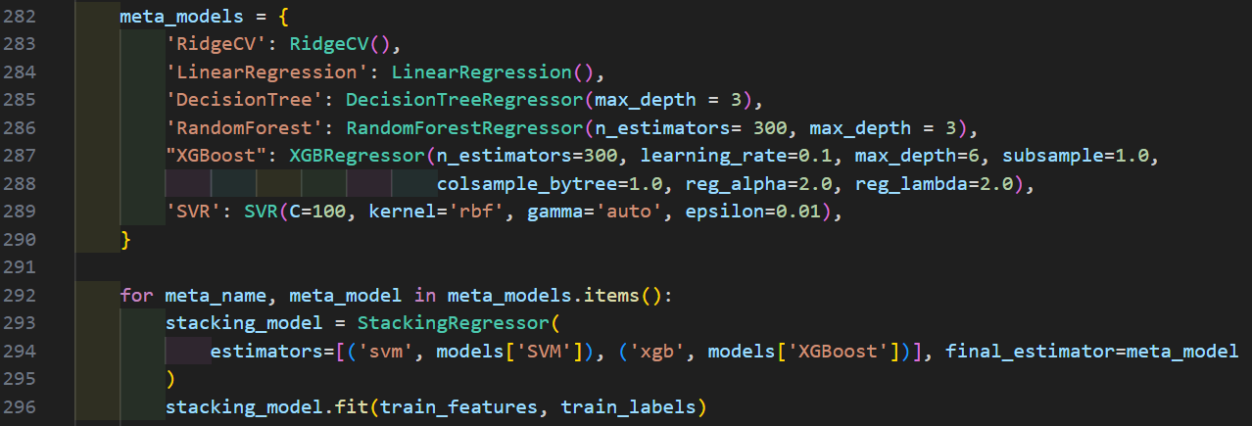

8. Meta-regressor models for Stacking
All meta-regressor models (RidgeCV, LinearRegression, DecisionTree, RandomForest, SVR, and XGBoost) are trained on predictions from base models (SVM & XGBoost)
Stacking workflow
a) Predictions from the base models (SVM and XGBoost) are used as input features for the meta-regressor models.
b) A 'StackingRegressor' combines these predictions and the meta-model for final predictions.

9. Training and Evaluating Stacking models
Stacking regressor combines the output of both the base models (SVM & XGBoost)
Metrics computed:
a) R2, MAE, RMSE, MSE
Visualisation:
a) Actual Vs predicted CPC concentration scatter plots
b) Training and validation learning curves to show the performance with increasing training dataset

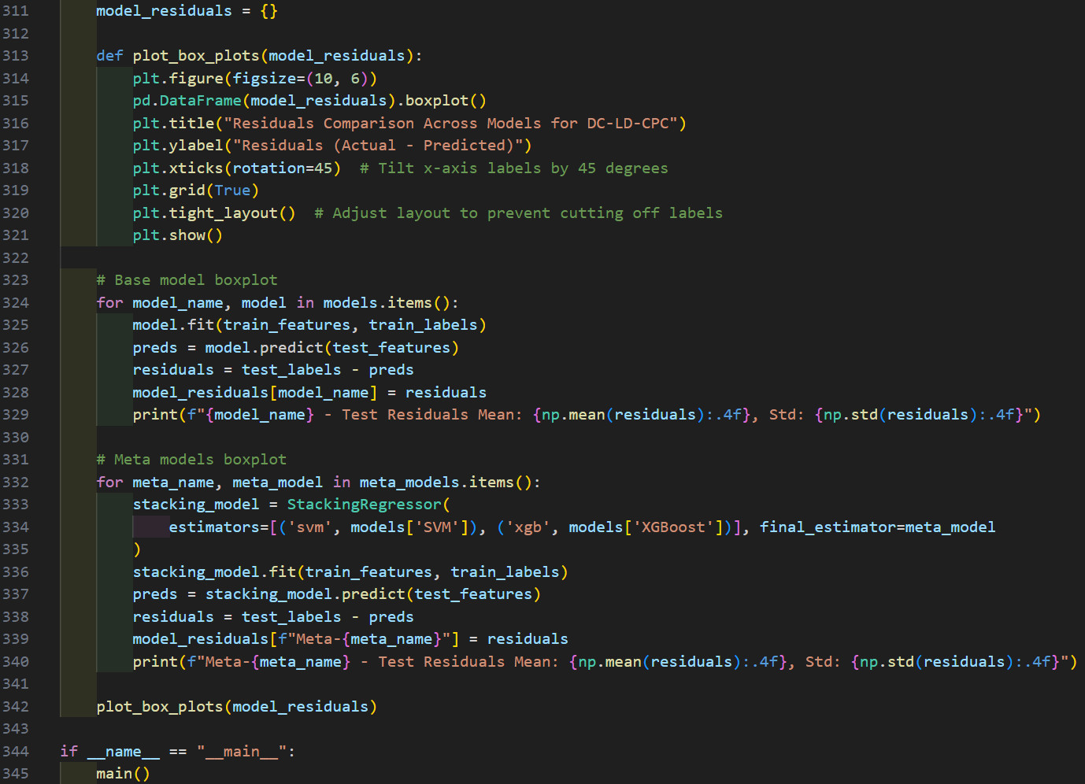

10. Residual analysis
Residuals are the differences between actual and predicted CPC concentrations:
a) Calculated for base and stacking models
b) Residual distributions are plotted using box plots to identify patterns or inconsistencies.

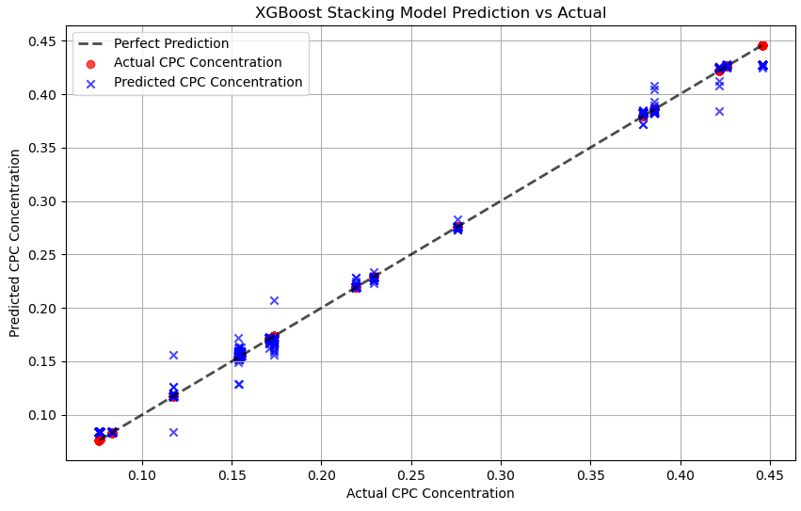
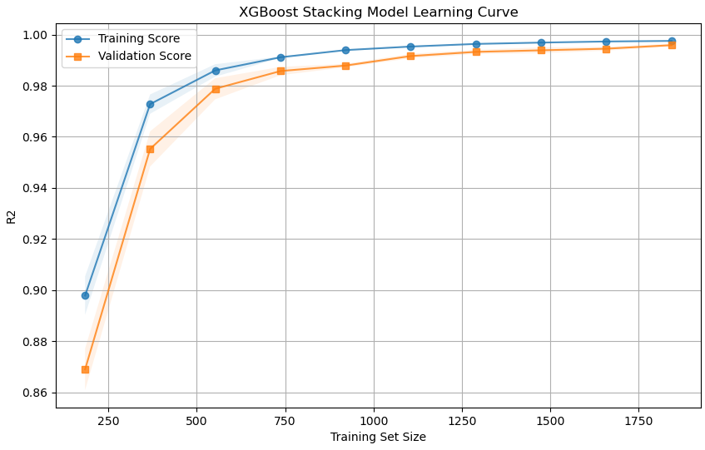

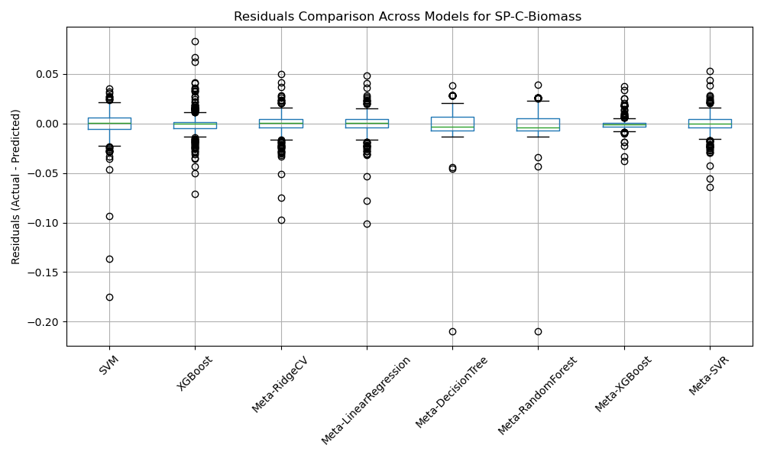

11. Visualisation
Key plots:
Actual vs. Predicted Scatter Plots:
a) Compare actual and predicted CPC values for each model. [Example shown for SP-C-Biomass using meta-XGBoost/ XGBoost as meta-regressor model]
Learning curves:
a) Show training and validation scores across varying training set sizes. [Example shown for SP-C-Biomass using meta-XGBoost/ XGBoost as meta-regressor model]
Box plots:
a) Compare residual distributions across models to highlight performance differences. [Example shown for SP-C-Biomass for all Base and meta-regressor models]

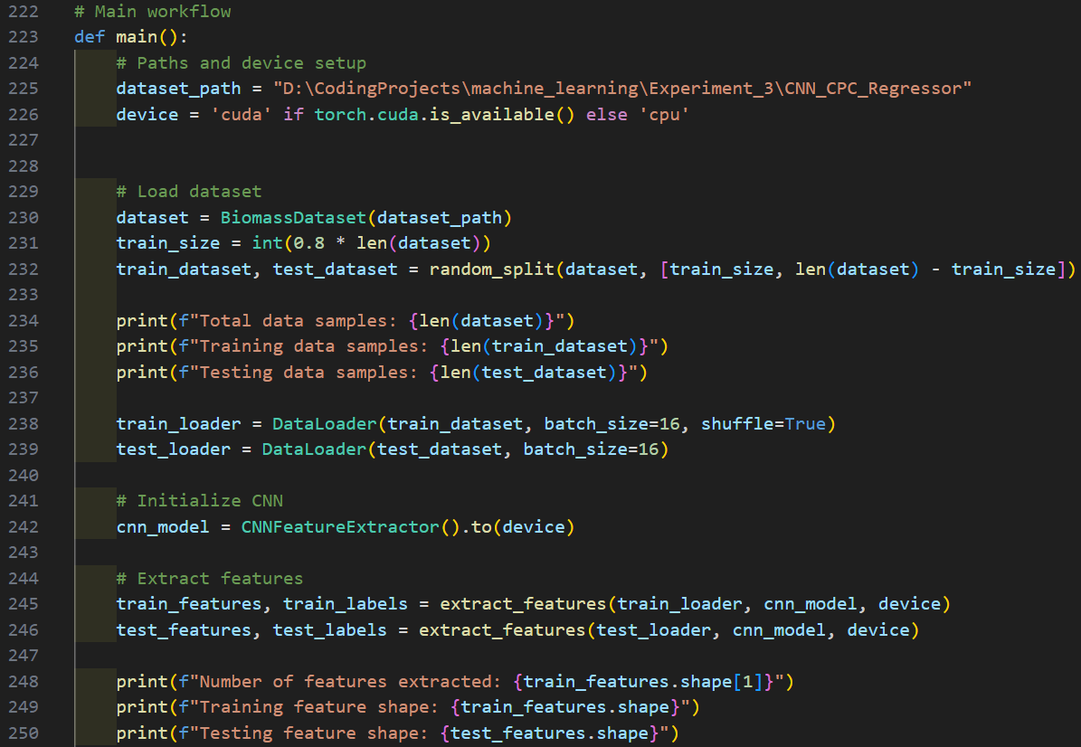

12. Main workflow
The function 'main' orchestrates the workflow:
Dataset preparation:
a) Splits the dataset into training 80% (2304 images) :20% (576 images)
b) Uses DataLoader for efficient batch processing
Feature extraction:
a) Features are extracted using the CNN and normalized
Model Training:
a) Trains base models (SVM and XGBoost) on the extracted features.
b) Trains stacking models with different meta-regressor models.
Evaluation:
a) Evaluates models on training and testing datasets using multiple metrics
b) Produces visualizations for better interpretability
Residual Analysis:
a) Compares residuals across models to identify outliers or biases

