Colour feature extraction
Colour feature extraction (RGB, HSL, CMYK) for MLmodels

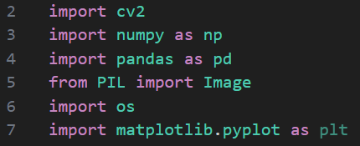
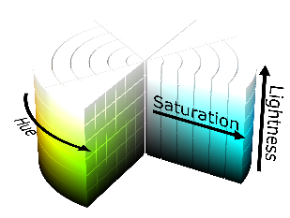

RGB
HSL
CMYK

1. Importing Libraries
a) Import 'cv2', 'numpy', and 'Pandas' for image processing, computations, and data organisation
b) Import Pillow 'PIL' for advanced image handling
c) Import 'os' for file path operations
d) Import 'matplotlib.pyplot' for visualisation

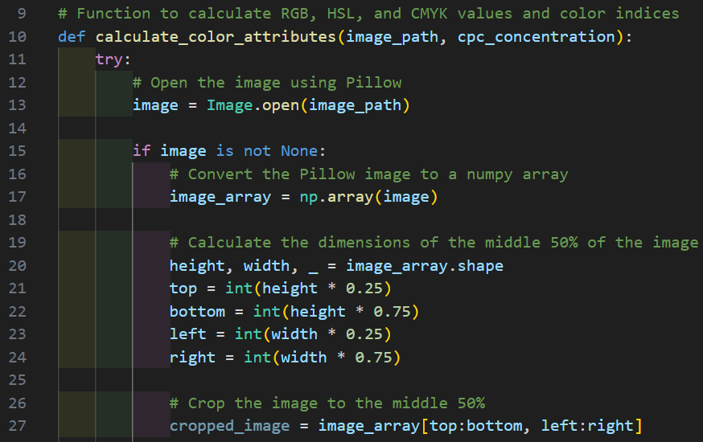

2. Colour feature extraction workflow
The process involves extracting color values (RGB, HSL, CMYK) and calculating indices for each image.
The function 'calculate_color_attributes', handles feature extraction for a single image:
i) Input:
a) 'image_path': path to image file
b) 'cpc_concentration': associated CPC concentration
Steps:
ii) Image loading:
a) Opens the image using Pillow.
b) Converts it to a NumPy array for manipulation
iii) Image cropping:
a) Extracts the central 50% of the image for analysis to reduce edge-related variations.

2. Colour feature extraction workflow (cont)
Steps (cont):
iii) RGB extraction:
a) Converts the image to RGB and calculates the mean values for Red, Green, and Blue channels.

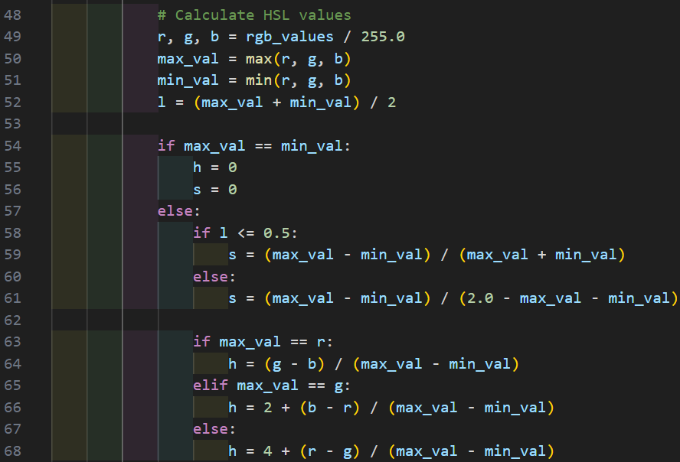

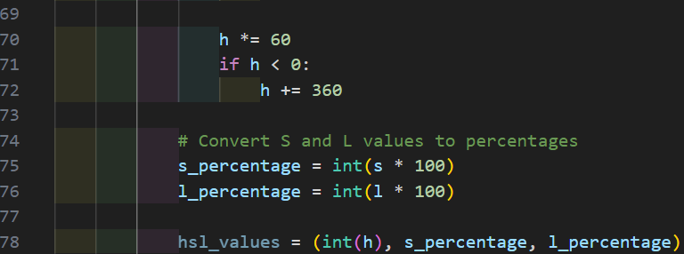

2. Colour feature extraction workflow (cont)
Steps (cont):
iv) HSL extraction:
a) Converts RGB to HSL using mathematical formulas.
b) Computes Hue (0-360 degrees), Saturation (0-100%), and Lightness (0-100%).

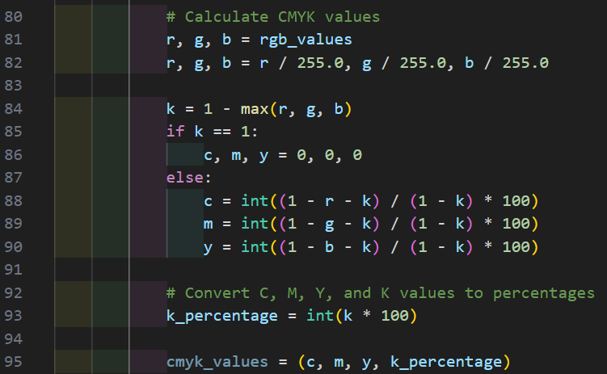

2. Colour feature extraction workflow (cont)
Steps (cont):
v) CMYK extraction:
a) Converts RGB values to Cyan, Magenta, Yellow, and Key (Black) percentages.

2. Colour feature extraction workflow (cont)
Steps (cont):
vi) RGB, HSL, CMYK colour indices extraction:
Derives numeric indices for RGB, HSL, and CMYK values:
a) IndexRGB: Encodes RGB values as a single number
b) IndexHSL: Encodes HSL values in a single number.
c) IndexCMYK: Encodes CMYK values similarly.

2. Colour feature extraction workflow (cont)
vii) Output:
a) Returns a dictionary containing all calculated values, image metadata (e.g., batch number), and the CPC concentration.

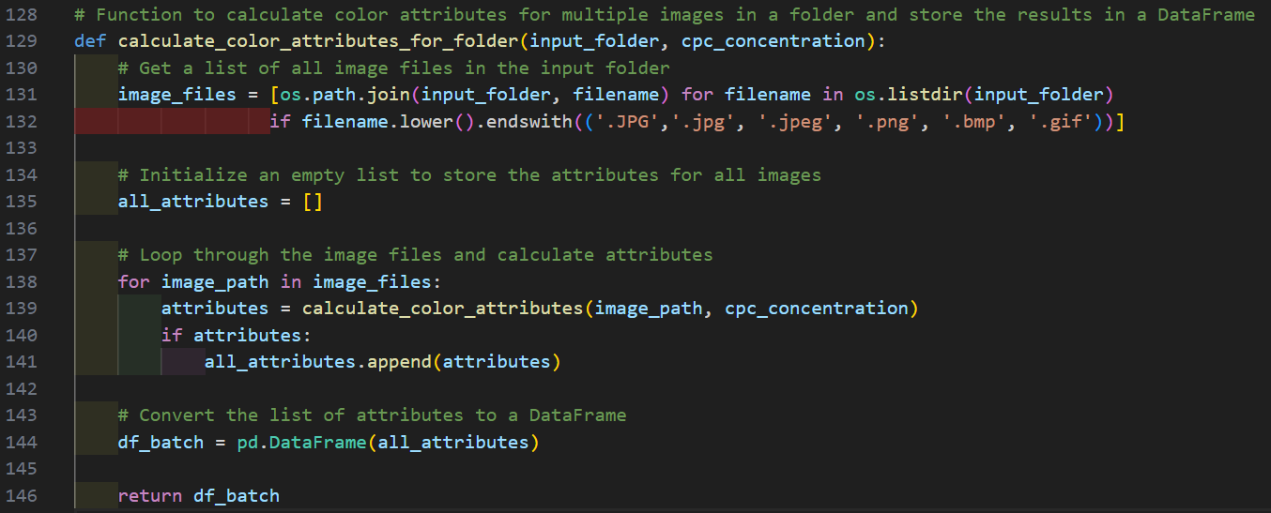

3. Batch-Wide Feature extraction
The function 'calculate_color_attributes_for_folder', extracts features from all images in a given folder:
i) Input:
a) 'input_folder': Path to the folder containing images.
b) 'cpc_concentration': CPC concentration for the batch.
ii) Steps:
a) Iterates through all valid image files in the folder.
b) Calls 'calculate_color_attributes' for each image and collects results.
c) Combines the results into a Pandas DataFrame.
iii) Output:
a) Returns a DataFrame containing color features for all images in the folder.

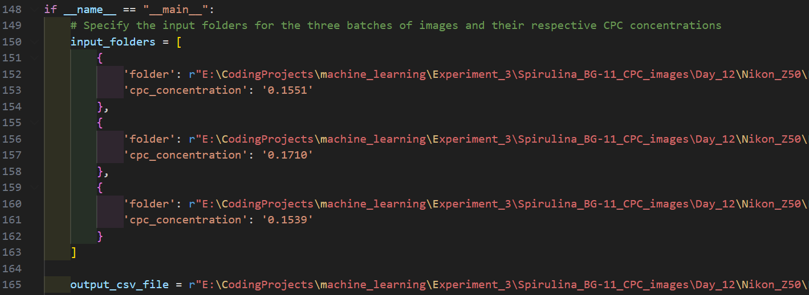

4. Main Workflow
The script processes multiple batches of images and aggregates their color features into a single dataset
Key Steps:
i) Input specification:
a) Paths to image folders for each batch.
b) Associated CPC concentrations for each batch

4. Main Workflow
The script processes multiple batches of images and aggregates their color features into a single dataset
Key Steps (cont):
ii) Processing:
Iterates through each batch:
a) Calls 'calculate_color_attributes_for_folder' to extract features
b) Adds batch-specific metadata to the resulting DataFrame
Then, merges the DataFrames for all batches into a single DataFrame.

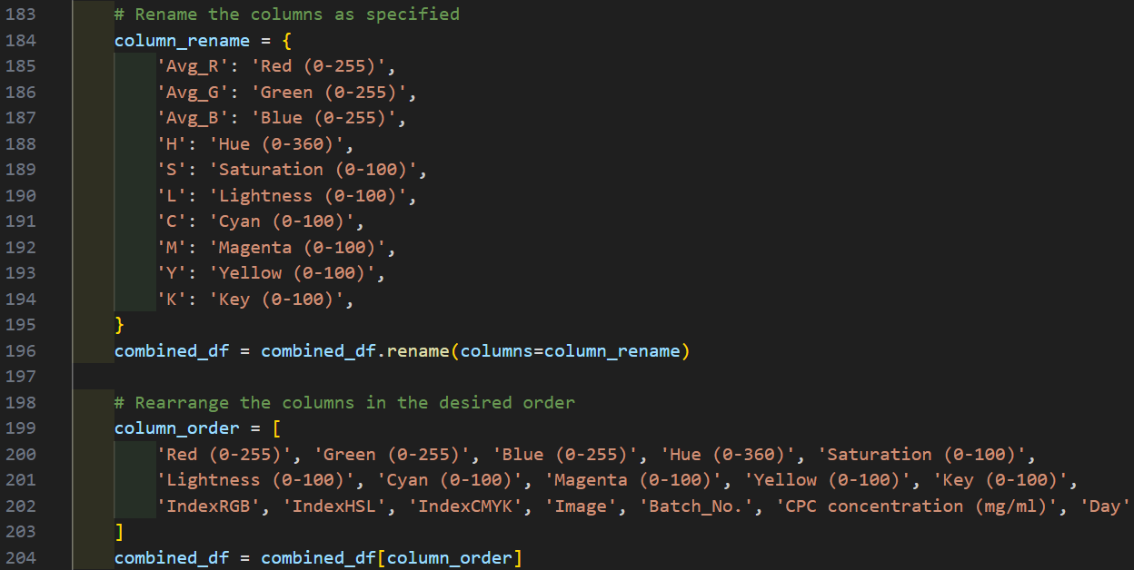

4. Main Workflow
The script processes multiple batches of images and aggregates their color features into a single dataset
Key Steps (cont):
iii) Post-processing:
a) Renames columns for better readability
b) Reorders columns for consistency and logical grouping

4. Main Workflow
The script processes multiple batches of images and aggregates their color features into a single dataset
Key Steps (cont):
iv) Output:
a) Saves the combined DataFrame to a CSV file for further analysis or machine learning.

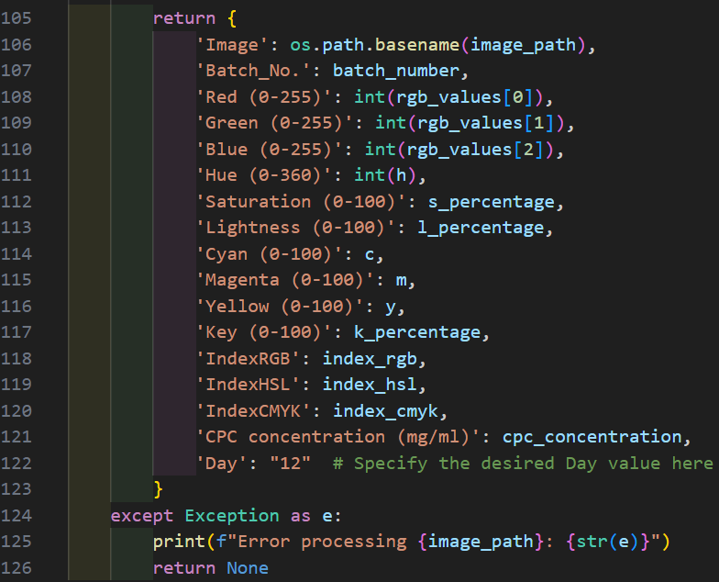

5. Final Output
The final DataFrame as shown as above:

Data normalisation
Data normalisation for MLmodels

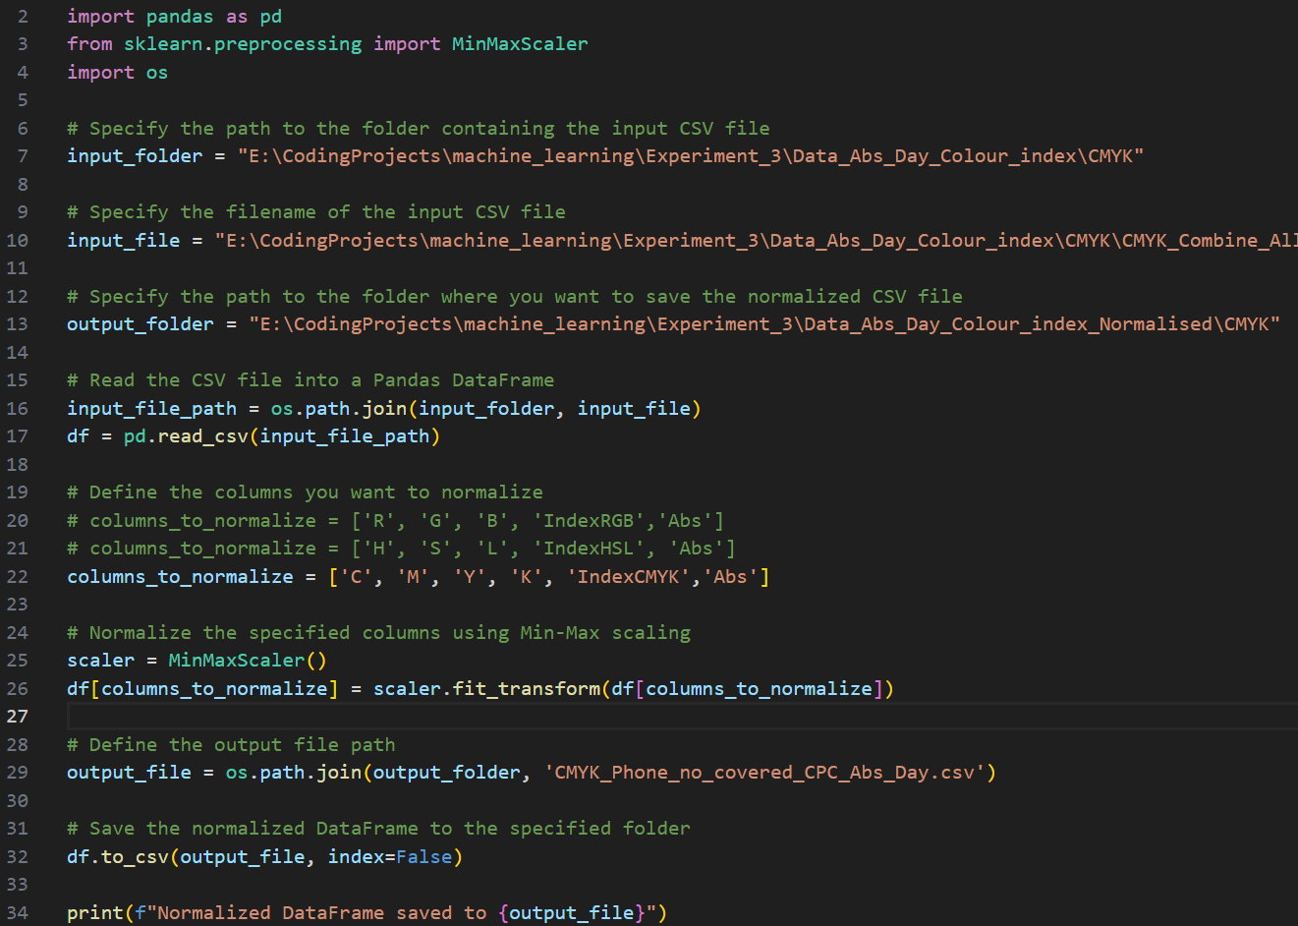

1. Data normalisation with Min-max scaling
Min-Max Scaling transforms data to a fixed range, typically [0, 1]. This ensures that all feature values are scaled proportionally.
Workflow:
i) Input file:
a) Specifies the path to the CSV file containing the data.
b) Example: "CMYK_Combine_All_Batch_Days_Phone_non_covered_CPC.csv"
ii) Data loading:
a) The CSV file is loaded into a Pandas DataFrame using pd.read_csv
iii) Columns to Normalize:
a) Defines the specific columns to scale
b) Example: ['C', 'M', 'Y', 'K', 'IndexCMYK', 'Abs']
iv) Applying Min-Max Scaling:
a) A MinMaxScaler instance is created
b) The specified columns are scaled using 'scaler.fit_transform'
v) Saving the normalised data:
a) The normalized DataFrame is saved as a new CSV file in the specified output folder.

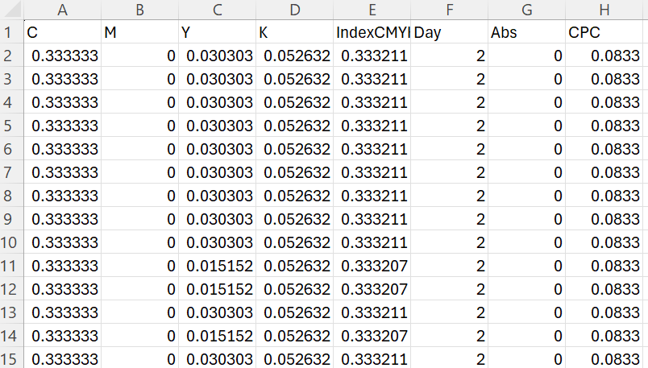

2. Final Output
The final DataFrame as shown as above:
a) Example: 'CMYK_Phone_no_covered_CPC_Abs_Day.csv' or 3V-Input-CMYK-SP-LD-CPC

