YOLOv5-n (Detection)
YOLOv5-n (nano) model development

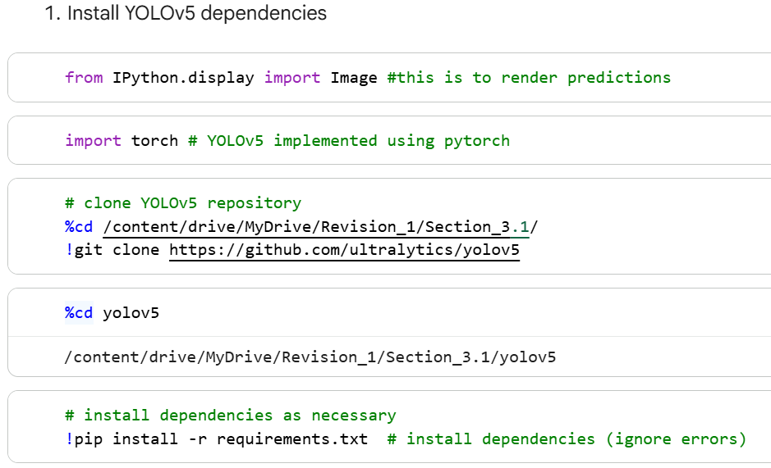
Hardware accelerator
a) T4 GPU (High-RAM)
b) CUDA-enabled environment (Google Colab)
Software environment
a) Runtime type: Python 3
b) Runtime version: Latest (recommended)

Step 1: Environment initialisation & dependencies installation
The experiment was conducted in a Python-based environment with GPU accelerated enabled. YOLOv5 is implemented using PyTorch.
Step 1.1: Import required libraries
a) "torch" is required for deep learning model training & inference
b) "IPython.display.Image" is used to render inference results inside the notebook
Step 1.2: Clone YOLOv5 Repository
a) The official YOLOv5 repository was cloned into the working directory
b) The working directory was then set to the YOLOv5 root folder
Step 1.3: Install YOLOv5 dependencies
a) All required dependencies were installed using the provided requirements file
b) This ensures consistency with the official YOLOv5 implementation

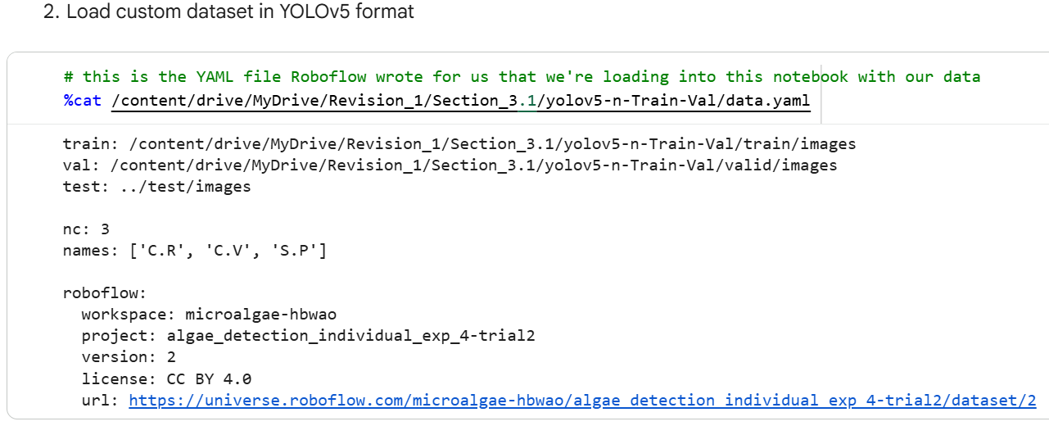

Step 2: Dataset configuration & loading
Step 2.1: Dataset format
The dataset was annotated and exported in YOLOv5 format using Roboflow. The dataset contains three object classes:
a) C.R
b) C.V
c) S.P
Step 2.2: Dataset YAML configuration
a) The dataset configuration file (data.yaml) specifies the dataset paths and class definitions:
b) The configuration includes:
i) Absolute paths to training and validation image directories
ii) Number of classes (nc = 3)
iii) Class names
iv) Dataset metadata (workspace, project, license)
c) This YAML file is directly passed to the YOLOv5 during training, validation, and inference commands

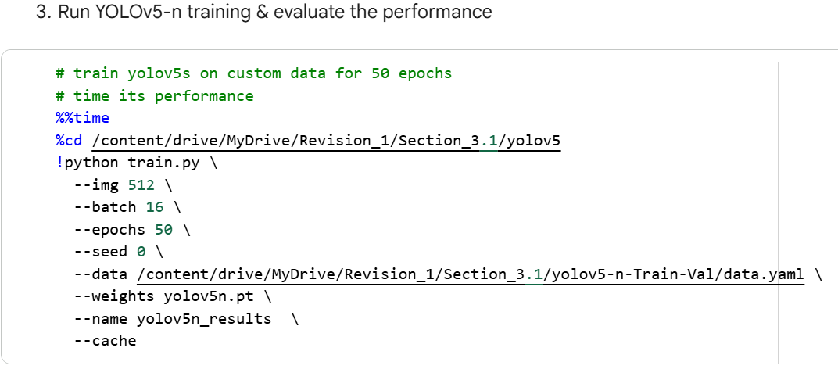

Step 3: Model Training
Step 3.1: Training configuration
The YOLOv5-n model was trained using the following fixed parameters:
a) Image resolution: 512 x 512
b) Batch size: 16
c) Number of epochs: 50
d) Random seed: 0 (For RUN 1)
e) Pretrained weights: yolov5n.pt
f) Dataset cache enabled to accelerate data loading
Step 3.2: Training execution
a) The training was initiated using the command
b) YOLOv5 automatically logs training metrics, hyperparameters, and model checkpoints during the execution
Step 3.3: Training Outputs
a) YOLOv5 automatically stores all the training results in "yolov5/runs/train/exp/"

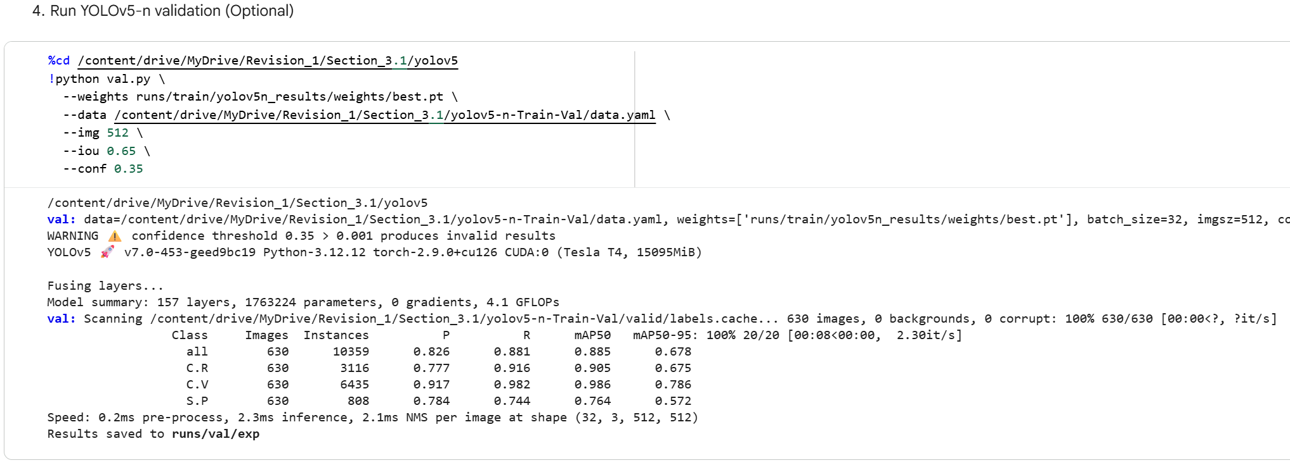

Step 4: Model Validation (Optional evaluation step)
After training, the best-performing model was evaluated on the validation set
Step 4.1: Validation execution
a) The trained model was validated using the "best.pt" weight
Step 4.2: Evaluation metrics
a) The validation results are saved automatically under "runs/val/exp"

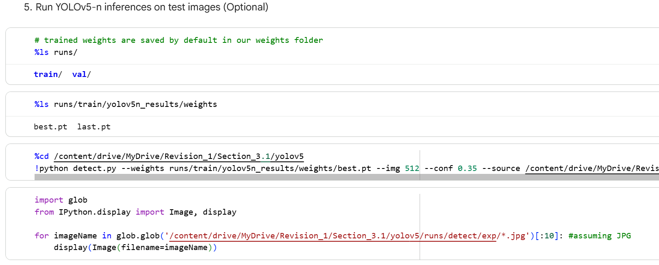

Step 5: Model Inference on Test Images (Optional)
The "best.pt" file from the trained model weights is used for inferencing
Step 5.2: Run Inference
a) Inference was performed on 300 (100 images per class) unseen test images from the "Testing" folder
b) The predicted images with bounding boxes are saved to "runs/detect/exp/"
Step 5.3: Visualise Inference results
a) The inference outputs were visualised directly in the notebook

Reproducibility Notes:
a) The entire training protocol was repeated for RUN 2 and RUN 3 with random seed of 42 and 1337, respectively to obtain the mean value
b) Training arguments and resolved hyperparameters are automatically stored in:
i) runs/train/yolov5n_results/opt.yaml
ii) runs/train/yolov5n_results/hyp.yaml
c) Performance metrics are recorded in "results.csv"

YOLOv7-tiny (Detection)
YOLOv7-tiny model development

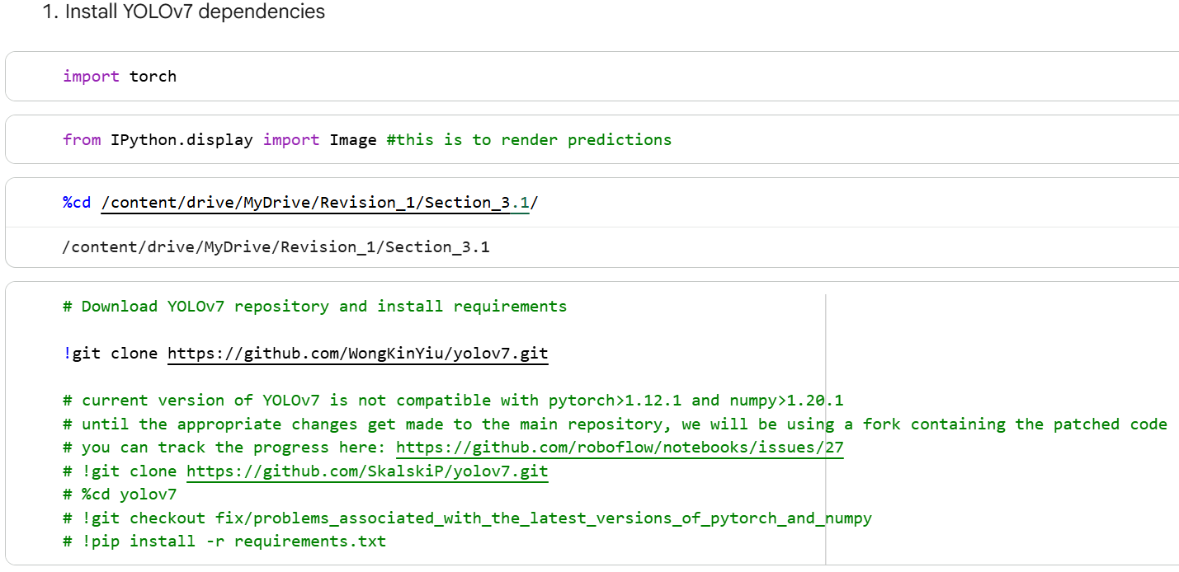
Hardware accelerator
a) T4 GPU (High-RAM)
b) CUDA-enabled environment (Google Colab)
Software environment
a) Runtime type: Python 3
b) Runtime version: 2025.07 (The oldest version)

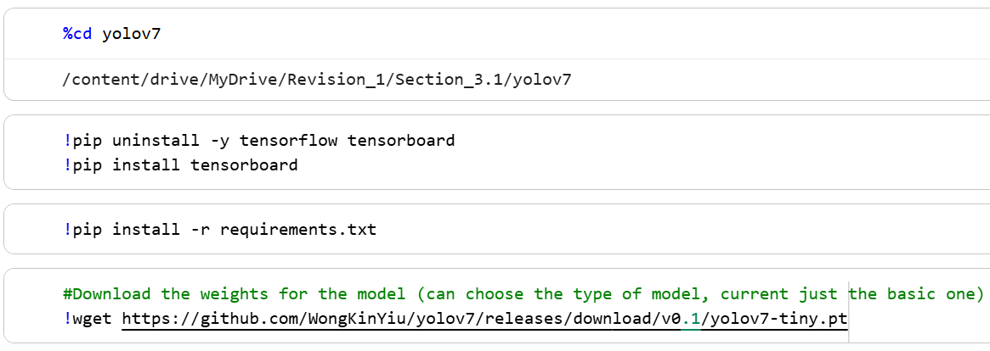

Step 1: Environment initialisation & dependencies installation
The experiment was conducted in a Python-based environment with GPU accelerated enabled. YOLOv7 is implemented using PyTorch.
Step 1.1: Import required libraries
a) "torch" is required for deep learning model training & inference
b) "IPython.display.Image" is used to render inference results inside the notebook
Step 1.2: Navigate to working directory
a) The working directory was set to the Google Drive path used in the experiment
Step 1.3: Clone YOLOv7 Repository
a) The YOLOv7 repository was downloaded
NOTE (compatability): As documented in the notebook, YOLOv7 may encounter compatability issues with newer PyTorch and NumPy versions. Therefore, a specific runtime environment was selected (2025.07)
Step 1.4: Tensorboard Fix (Optional)
a) To avoid TensorBoard conflicts, it will be removed/ reinstalled into the notebook
Step 1.5: Install YOLOv5 requirements
a) Install required dependencies
Step 1.6: Download pre-trained YOLOv7-tiny weights
a) The pre-trained checkpoint used as initialisation was downloaded

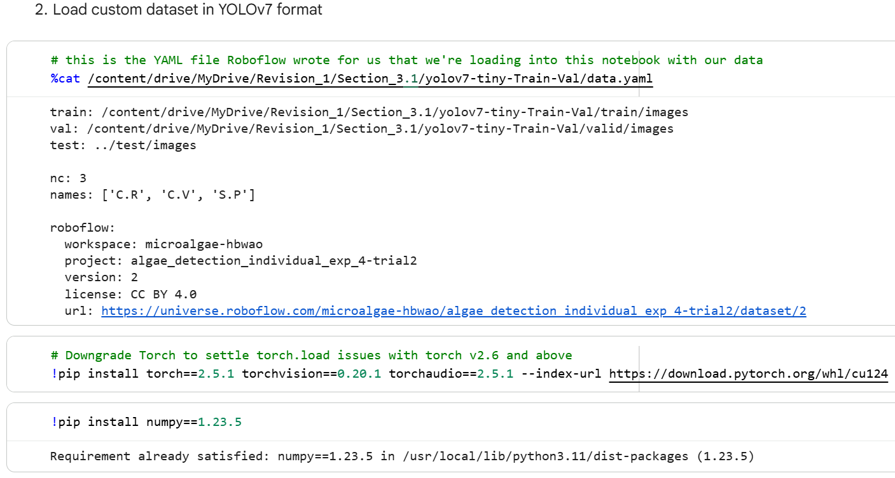

Step 2: Dataset configuration & loading
Step 2.1: Dataset format
The dataset was annotated and exported in YOLOv7 format using Roboflow. The dataset contains three object classes:
a) C.R
b) C.V
c) S.P
Step 2.2: Dataset YAML configuration
a) The dataset configuration file (data.yaml) specifies the dataset paths and class definitions:
b) The configuration includes:
i) Absolute paths to training and validation image directories
ii) Number of classes (nc = 3)
iii) Class names
iv) Dataset metadata (workspace, project, license)
c) This YAML file is directly passed to the YOLOv7 during training, validation, and inference commands
Step 2.3: Modify PyTorch and NumPy versions (Critical for reproducibility)
a) To avoid runtime issues, the notebook pins the environment

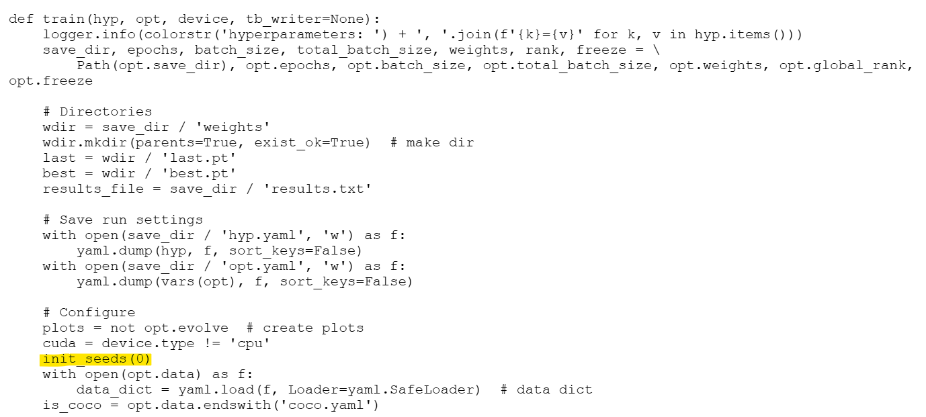

"train.py" file

Step 3: Model Training
Step 3.1: Training configuration
The YOLOv7-tiny model was trained using the following fixed parameters:
a) Image resolution: 512 x 512
b) Batch size: 16
c) Number of epochs: 50
d) Random seed: 0 (For RUN 1)
e) Pretrained weights: yolov7-tiny.pt
f) Device: GPU (-- device 0)
Step 3.2: Training execution
a) The training was initiated using the command
b) YOLOv7 automatically logs training metrics, hyperparameters, and model checkpoints during the execution
Step 3.3: Random Seed handling/input
a) Since YOLOv7 internally initialises the random seed via "init_seeds ()" from the "train.py" file, we need to specify the random seed manually by modifying it to "init_seeds (0)" in the "train.py"
Step 3.4: Training Outputs
a) YOLOv7 automatically stores all the training results in "yolov7/runs/train/exp/"

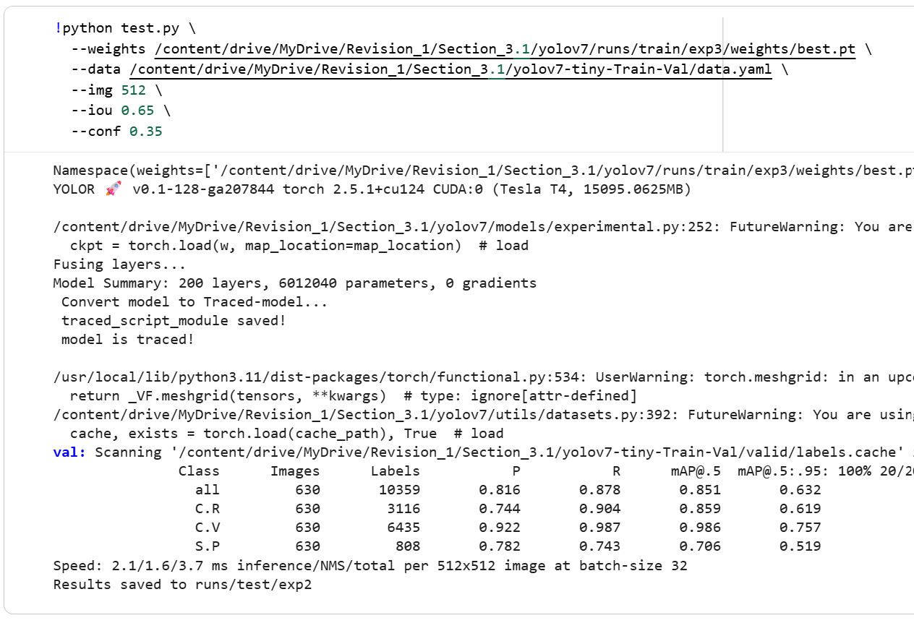

Step 4: Model Validation (Optional evaluation step)
After training, the best-performing model was evaluated on the validation set
Step 4.1: Validation execution
a) The trained model was validated using the "best.pt" weight
Step 4.2: Evaluation metrics
a) The validation results are saved automatically under "runs/test/val"

Step 5: Model Inference on Test Images (Optional)
The "best.pt" file from the trained model weights is used for inferencing
Step 5.2: Run Inference
a) Inference was performed on 300 (100 images per class) unseen test images from the "Testing" folder
b) The predicted images with bounding boxes are saved to "runs/detect/exp/"

Reproducibility Notes:
a) The entire training protocol was repeated for RUN 2 and RUN 3 with random seed of 42 and 1337, respectively to obtain the mean value
b) Training arguments and resolved hyperparameters are automatically stored in:
i) runs/train/exp/opt.yaml
ii) runs/train/exp/hyp.yaml
c) Performance metrics are recorded in "results.csv"

YOLOv8-n (Detection)
YOLOv8-n model development

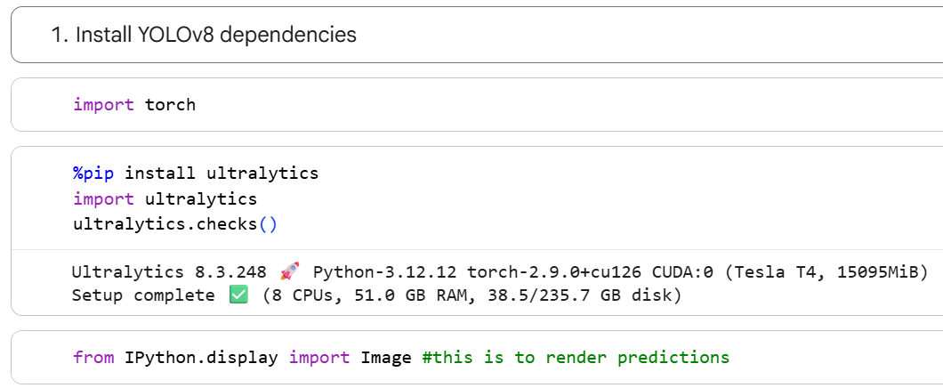
Hardware accelerator
a) T4 GPU (High-RAM)
b) CUDA-enabled environment (Google Colab)
Software environment
a) Runtime type: Python 3
b) Runtime version: Latest (recommended)

Step 1: Environment initialisation & dependencies installation
The experiment was conducted in a Python-based environment with GPU accelerated enabled. YOLOv8 is implemented using PyTorch.
Step 1.1: Import required libraries
a) "torch" is required for deep learning model training & inference
b) "IPython.display.Image" is used to render inference results inside the notebook
Step 1.2: Install Ultralytics (YOLOv8)
a) The YOLOv8 dependencies were installed and the runtime environment were verified

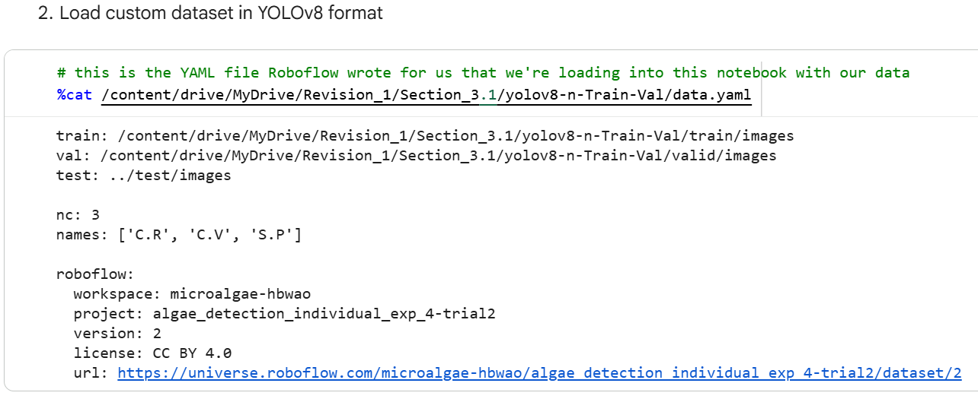

Step 2: Dataset configuration & loading
Step 2.1: Dataset format
The dataset was annotated and exported in YOLOv8 format using Roboflow. The dataset contains three object classes:
a) C.R
b) C.V
c) S.P
Step 2.2: Dataset YAML configuration
a) The dataset configuration file (data.yaml) specifies the dataset paths and class definitions:
b) The configuration includes:
i) Absolute paths to training and validation image directories
ii) Number of classes (nc = 3)
iii) Class names
iv) Dataset metadata (workspace, project, license)
c) This YAML file is directly passed to the YOLOv8 during training, validation, and inference commands

Step 3: Model Training
Step 3.1: Training configuration
The YOLOv8-n model was trained using the following fixed parameters:
a) Image resolution: 512 x 512
b) Batch size: 16
c) Number of epochs: 50
d) Random seed: 0 (For RUN 1)
e) Pretrained weights: yolov8n.pt
f) Task: detect
g) Training plots enabled
Step 3.2: Training execution
a) The training was initiated using the command
b) YOLOv8 automatically logs training metrics, hyperparameters, and model checkpoints during the execution
Step 3.3: Training Outputs
a) YOLOv8 automatically stores all the training results in "yolov8/detect/train/"

Step 4: Model Validation (Optional evaluation step)
After training, the best-performing model was evaluated on the validation set
Step 4.1: Validation execution
a) The trained model was validated using the "best.pt" weight
Step 4.2: Evaluation metrics
a) The validation results are saved automatically under "detect/val/"

Step 5: Model Inference on Test Images (Optional)
The "best.pt" file from the trained model weights is used for inferencing
Step 5.2: Run Inference
a) Inference was performed on 300 (100 images per class) unseen test images from the "Testing" folder
b) The predicted images with bounding boxes are saved to "detect/predict/"

Reproducibility Notes:
a) The entire training protocol was repeated for RUN 2 and RUN 3 with random seed of 42 and 1337, respectively to obtain the mean value
b) Performance metrics are recorded in "results.csv"

YOLOv11-n (Detection)
YOLOv11-n model development

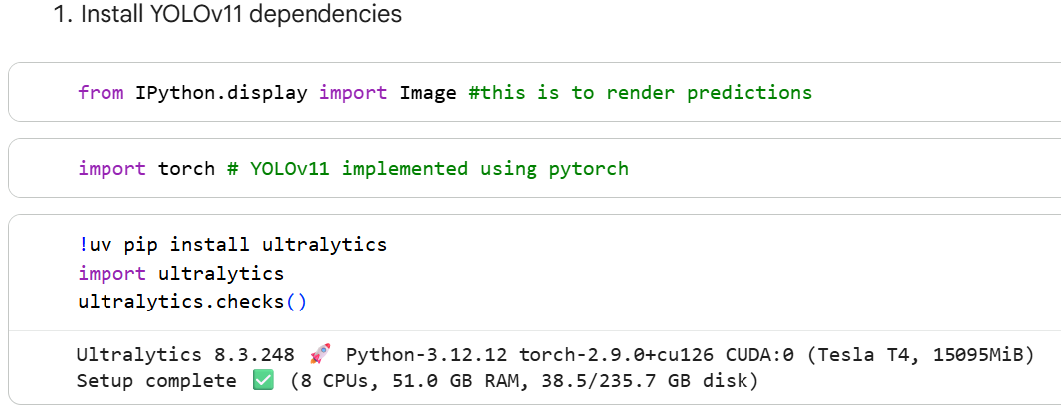
Hardware accelerator
a) T4 GPU (High-RAM)
b) CUDA-enabled environment (Google Colab)
Software environment
a) Runtime type: Python 3
b) Runtime version: Latest (recommended)

Step 1: Environment initialisation & dependencies installation
The experiment was conducted in a Python-based environment with GPU accelerated enabled. YOLOv11 is implemented using PyTorch.
Step 1.1: Import required libraries
a) "torch" is required for deep learning model training & inference
b) "IPython.display.Image" is used to render inference results inside the notebook
Step 1.2: Install Ultralytics (YOLOv11)
a) The YOLOv11 dependencies were installed and the runtime environment were verified

Step 2: Dataset configuration & loading
Step 2.1: Dataset format
The dataset was annotated and exported in YOLOv11 format using Roboflow. The dataset contains three object classes:
a) C.R
b) C.V
c) S.P
Step 2.2: Dataset YAML configuration
a) The dataset configuration file (data.yaml) specifies the dataset paths and class definitions:
b) The configuration includes:
i) Absolute paths to training and validation image directories
ii) Number of classes (nc = 3)
iii) Class names
iv) Dataset metadata (workspace, project, license)
c) This YAML file is directly passed to the YOLOv11 during training, validation, and inference commands

Step 3: Model Training
Step 3.1: Training configuration
The YOLOv11-n model was trained using the following fixed parameters:
a) Image resolution: 512 x 512
b) Batch size: 16
c) Number of epochs: 50
d) Random seed: 0 (For RUN 1)
e) Pretrained weights: yolov11n.pt
f) Task: detect
g) Training plots enabled
Step 3.2: Training execution
a) The training was initiated using the command
b) YOLOv11 automatically logs training metrics, hyperparameters, and model checkpoints during the execution
Step 3.3: Training Outputs
a) YOLOv11 automatically stores all the training results in "yolov11/detect/train/"

Step 4: Model Validation (Optional evaluation step)
After training, the best-performing model was evaluated on the validation set
Step 4.1: Validation execution
a) The trained model was validated using the "best.pt" weight
Step 4.2: Evaluation metrics
a) The validation results are saved automatically under "detect/val/"

Step 5: Model Inference on Test Images (Optional)
The "best.pt" file from the trained model weights is used for inferencing
Step 5.2: Run Inference
a) Inference was performed on 300 (100 images per class) unseen test images from the "Testing" folder
b) The predicted images with bounding boxes are saved to "detect/predict/"
Step 5.3: Visualise Inference results
a) The inference outputs were visualised directly in the notebook

Notes:
a) Performance metrics are recorded in "results.csv"
b) The entire training protocol was repeated for RUN 2 and RUN 3 with random seed of 42 and 1337, respectively to obtain the mean value
c) For section 3.5 Impact of model sizes on detection and instance segmentation task, the entire training protocol was repeated for model size s (small), m (medium), l (large), and x (x-large) by changing the pre-trained weights from yolov11n.pt to yolov11s.pt, yolov11m.pt, yolov11l.pt, and yolov11x.pt, respectively. Each model size will then repeated for RUN 1, RUN 2, and RUN 3 to obtain the mean value

YOLOv11-n (Seg)
YOLOv11-n model development

Hardware accelerator
a) T4 GPU (High-RAM)
b) CUDA-enabled environment (Google Colab)
Software environment
a) Runtime type: Python 3
b) Runtime version: Latest (recommended)

Step 1: Environment initialisation & dependencies installation
The experiment was conducted in a Python-based environment with GPU accelerated enabled. YOLOv11 is implemented using PyTorch.
Step 1.1: Import required libraries
a) "torch" is required for deep learning model training & inference
b) "IPython.display.Image" is used to render inference results inside the notebook
Step 1.2: Install Ultralytics (YOLOv11)
a) The YOLOv11 dependencies were installed and the runtime environment were verified

Step 2: Dataset configuration & loading
Step 2.1: Dataset format
The dataset was annotated and exported in YOLOv11 format using Roboflow. The dataset contains three object classes:
a) C.R
b) C.V
c) S.P
Step 2.2: Dataset YAML configuration
a) The dataset configuration file (data.yaml) specifies the dataset paths and class definitions:
b) The configuration includes:
i) Absolute paths to training and validation image directories
ii) Number of classes (nc = 3)
iii) Class names
iv) Dataset metadata (workspace, project, license)
c) This YAML file is directly passed to the YOLOv11 during training, validation, and inference commands

Step 3: Model Training
Step 3.1: Training configuration
The YOLOv11-n model was trained using the following fixed parameters:
a) Image resolution: 512 x 512
b) Batch size: 16
c) Number of epochs: 50
d) Random seed: 0 (For RUN 1)
e) Pretrained weights: yolov11n-seg.pt
f) Task: segment
g) Training plots enabled
Step 3.2: Training execution
a) The training was initiated using the command
b) YOLOv11 automatically logs training metrics, hyperparameters, and model checkpoints during the execution
Step 3.3: Training Outputs
a) YOLOv11 automatically stores all the training results in "yolov11/segment/train/"

Step 4: Model Validation (Optional evaluation step)
After training, the best-performing model was evaluated on the validation set
Step 4.1: Validation execution
a) The trained model was validated using the "best.pt" weight
Step 4.2: Evaluation metrics
a) The validation results are saved automatically under "segment/val/"

Step 5: Model Inference on Test Images (Optional)
The "best.pt" file from the trained model weights is used for inferencing
Step 5.2: Run Inference
a) Inference was performed on 300 (100 images per class) unseen test images from the "Testing" folder
b) The predicted images with bounding boxes are saved to "segment/predict/"
Step 5.3: Visualise Inference results
a) The inference outputs were visualised directly in the notebook

Notes:
a) Performance metrics are recorded in "results.csv"
b) The entire training protocol was repeated for RUN 2 and RUN 3 with random seed of 42 and 1337, respectively to obtain the mean value
c) For section 3.5 Impact of model sizes on detection and instance segmentation task, the entire training protocol was repeated for model size s (small), m (medium), l (large), and x (x-large) by changing the pre-trained weights from yolov11n-seg.pt to yolov11s-seg.pt, yolov11m-seg.pt, yolov11l-seg.pt, and yolov11x-seg.pt, respectively. Each model size will then repeated for RUN 1, RUN 2, and RUN 3 to obtain the mean value

