1.Openning
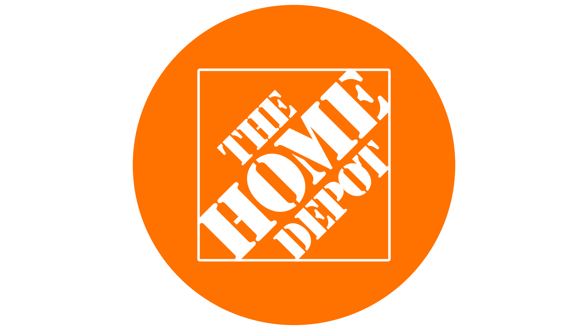


Home Depot - DCF Valuation

Date of valuation: 05/26/24 -

OPENNING

from home deot fiscal 2023 10k report:

"The Home Depot, Inc. is the world’s largest home improvement retailer based on net sales for fiscal 2023. We offer our customers a wide
assortment of building materials, home improvement products, lawn and garden products, décor products, and facilities maintenance, repair and
operations products. We also provide a number of services, including home improvement installation services and tool and equipment rental."

I don’t think there is an adult in america, who never in his life heard about home depot, as they said (in their fiscal 2023 10k report), they are the world's largest home
improvement retailer based on sales, their biggest advantage comes from the fact that "HOME DEPOT" itself is such a big brand that it attracts the castumers, and the numbers can just speak by themselves.

there is no dissagreement about the fact the home depot holds the "monopoly" about the home retailer sector.

with that being said, at the time of writing this, (05/26/24) ,the whole real estate sector is in dicline because of deep economic problems that doesn’t seem to go anywhere in the short term.

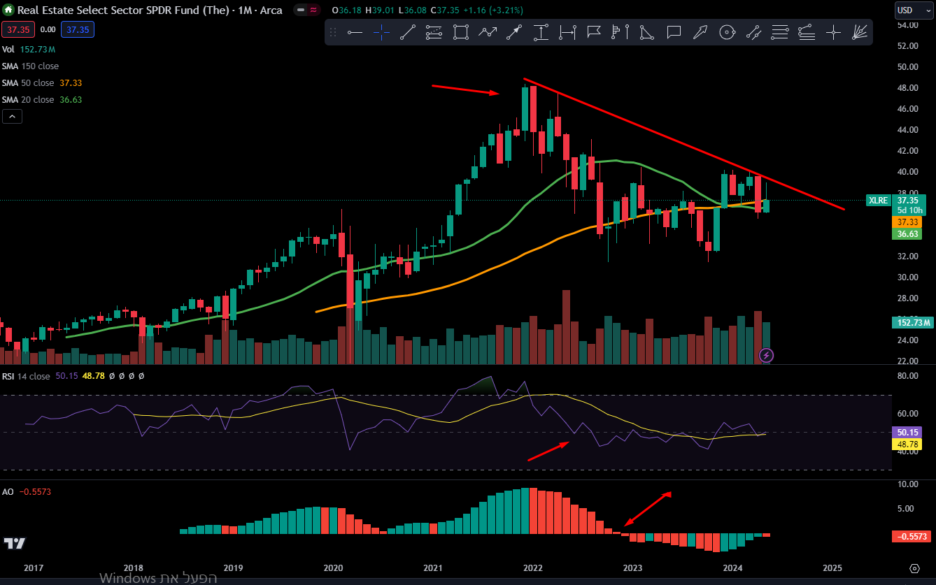
as you can see in figure 1.1, the graph is of the Real Estate sector of the s&p500, which represents the real estate sector as a whole. |  | figure 1.1 - real estate sector SPDR
that graph is in time units of monthes.
you can see that since the start, over the monthes the real estate sector grew and yeilded value to it's investors, this is due to the growth
of the real estate in the real world, people buys houses, make kids, more human are alive, more human buy houses, this is the simple cycle
the should cause a growing real estate market.

with that being said, at 2021, the real estate market found it's peak, and was in a down trend since then.
As we said, home depot is the world's largest home improvement retailer in the world, when people buy houses they
buy home improvement products, so the real estate market and home retailer sector are tied one to another.
Thus, you can also see Home Depot's decline in revenues.

the onging house crisis can be traced to 2 deep problems in the economy and society as a whole.
First, the birth rate in developed countries is smaller then 2, which means that society in developed countries is shirking.
shorking society means less humans, less humans means less adults, less adults mean less real estate customers and weaker
buying power of home improvement products.

Second, which is the main problem, is that since 2021 there has been a housing crisis in the us, as you can see at figure 1.3,
homedepot's most revenues come from the US (92%), thus, home depot's financial preformence is tied hand to hand with the housing
crisis that is currently going.

As i said, the ongoing housing crisis is the absolout main reason why the real estate secor and home improvement retailer firms are
currently losing value. |  | figure 1.2 - home depot revenues by fiscal years
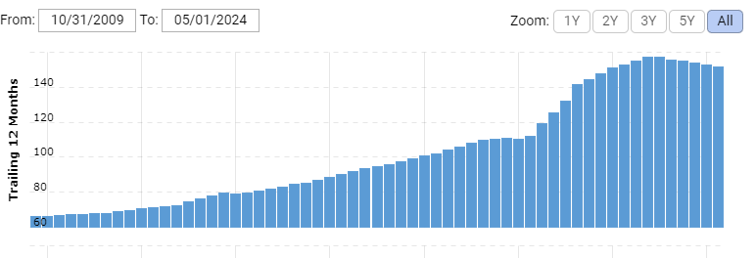

 |  | figure 1.3 - revenues by area
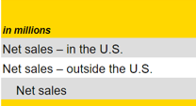
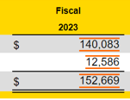

 |  |  | area | amount | precent
 |  |  | us | $140,083.00 | 92%
 |  |  | outside of the us | $12,586.00 | 8%
 |  |  | total | $152,669.00 | 100%
 |  |  |  |  |  |  |  |  |  | % chg
US HOUSING CRISIS |  |  |  |  |  | 2024 | $152,669 | 2009 |  |  | $71,288 | $71,288.00
 |  | chart 2.0 - yoy quarter growth in revenues. |  |  |  | 2023 | $157,403 | 2010 | -7.2% |  | $66,176 | $66,176.00
annual % chg hoe depot yearly revenues
2009
2010 | -7.2%
2011 | 2.8%
2012 | 3.5%
2013 | 6.2%
2014 | 5.4%
2015 | 5.5%
2016 | 6.4%
2017 | 6.9%
2018 | 6.7%
2019 | 7.2%
2020 | 1.9%
2021 | 19.9%
2022 | 14.4%
2023 | 4.1%
2024 | -3.0%
home depot revenue by year
As i said, the us is in deep housing crisis that causes Home Depot to be stagnant in growth, as can be seen in chart 2.0 |  |  |  |  |  | 2022 | $151,157 | 2011 | 2.8% |  | $67,997 | $67,997.00
*you can see in 2021-2022 that hd actually had an outstanding growth in those years, this is because first, the real estate market has |  |  |  |  |  | 2021 | $132,110 | 2012 | 3.5% |  | $70,395 | $70,395.00
some delay with its financial preformence and second, when people understood that housing is just going to get more expensive, there |  |  |  |  |  | 2020 | $110,225 | 2013 | 6.2% |  | $74,754 | $74,754.00
was a mini rush for housing. |  |  |  |  |  | 2019 | $108,203 | 2014 | 5.4% |  | $78,812 | $78,812.00
 |  |  |  |  |  | 2018 | $100,904 | 2015 | 5.5% |  | $83,176 | $83,176.00
 |  |  |  |  |  | 2017 | $94,595 | 2016 | 6.4% |  | $88,519 | $88,519.00
 |  |  |  |  |  | 2016 | $88,519 | 2017 | 6.9% |  | $94,595 | $94,595.00
 |  |  |  |  |  | 2015 | $83,176 | 2018 | 6.7% |  | $100,904 | $100,904.00
 |  |  |  |  |  | 2014 | $78,812 | 2019 | 7.2% |  | $108,203 | $108,203.00
 |  |  |  |  |  | 2013 | $74,754 | 2020 | 1.9% |  | $110,225 | $110,225.00
 |  |  |  |  |  | 2012 | $70,395 | 2021 | 19.9% |  | $132,110 | $132,110.00
 |  |  |  |  |  | 2011 | $67,997 | 2022 | 14.4% |  | $151,157 | $151,157.00
 |  |  |  |  |  | 2010 | $66,176 | 2023 | 4.1% |  | $157,403 | $157,403.00
 |  |  |  |  |  | 2009 | $71,288 | 2024 | -3.0% |  | $152,669 | $152,669.00

to have a sense of what is up to come in the future, first we need to have a sense of what is currently going on in the housing and the real estate crisis.

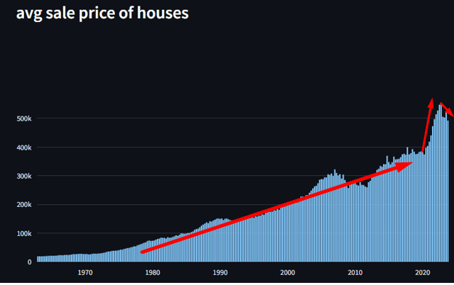
for the last 50 years, the average sale price of houses was slowly rising,
it had it's mini trends, for example at the 2008 crisis, but overall it kept rising in a steady pace, like a linear regression.
but that changed at 2021, as you can see, at 2021 and 2022, there was a surge in the prices of houses,
a surge that hasn’t been seen ever.
the extreme rise in prices is not Proportional to the change in avrage salary,
thus causing the inabilty of people to buy houses, which is the current housing crisis.

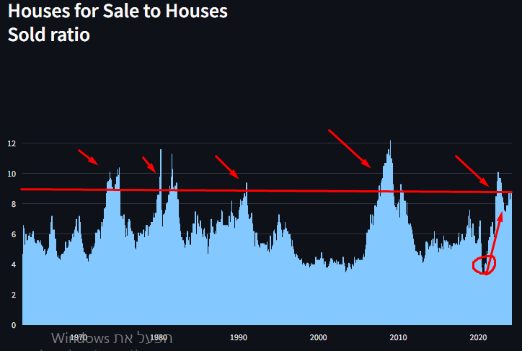
this crisis also takes shape in the houses for sale to houses sold raio.
this raio, as it says, measure the raio between houses that are on sales to houses that sold,
in a fixed economy, that ratio is about 5, when there is an ongoing crisis in the economy, people are trying to get more
money by selling their houses, but mostly stop buying houses.

in 2021, the raio surged to highes that only been sen in crisises like the one in2008.
and, the current value of the ratio doesn’t seem to go down, but seems to stay stable, whichh is a really bad sign.

the most important information that we can take from this data, is that people stopped buying houses,this sudden
stop isnt a normal part in the life cycle of the economy, but is at highes that represents deep economy crisises.
Also, there isnt seem to be a trend, but the current situation seems to stay stable, meaning that the real estate market
will keep having difficulty to yeild any value to it's investors.

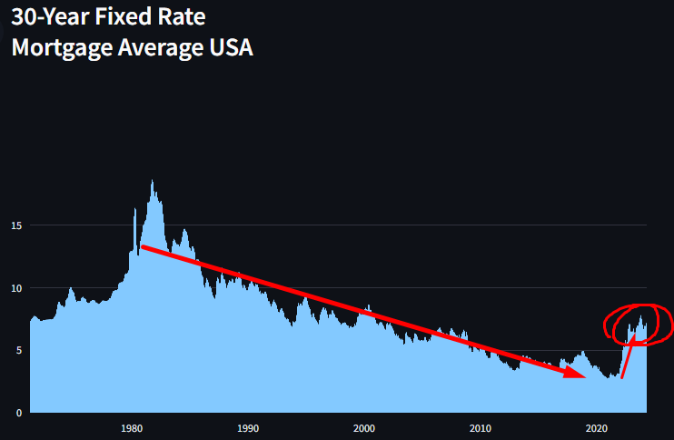
those outcomes can be traced to the mortgage rate in the us.
the mortgage rate is the interest rate charged for a home loan, to put things simple, when the mortgage rate is
high, people need to pay higher interest on their loan to buy a house.
when the mortgage rate is high, buying a house isnt as attractive as it was because you need to pay higher interest on the
house loan.
thus, high mortgage rate cause the buying power of houses to weaken.

in 2021, there was an extreme surge in the mortgage rate, which causes the start of an housing crisis.
worst then that, the high rate doesn’t seem to go down, but to stay high and stable.
this causes a deep economic problem in the housing market, and this crisis doesn’t seem to go anywhere.

 | mortgage and interest rate
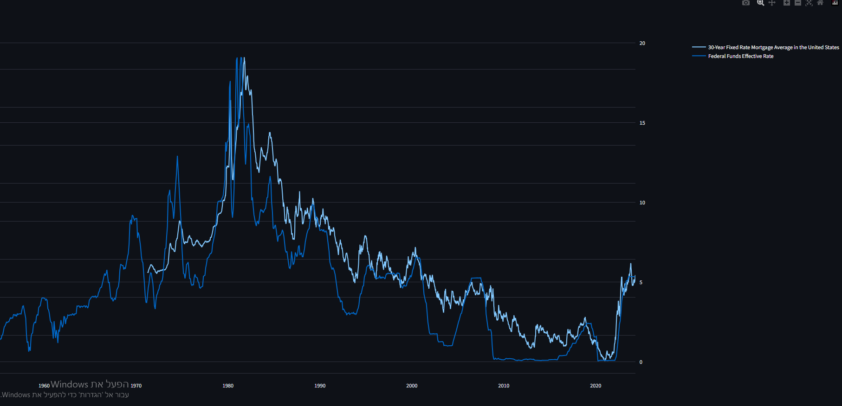
the reason that the mortgage rate is that high, is because the interest rate is high, as in the graph, both are moving
together, and it's to be expected that when the interest rate's will get lower, the mortgage rate will follow as well, which
will ease on the housing crisis.

with that being said, from my opinion, that housing crisis is too severe to be fixed by only lowering interest rates.
doing so will as I said, ease the crisis, but it is still a deep crisis that would not be fixed that easily.

CONCLUSION
There is an onging housing crisis in the us, people cant efford buying a house, but rather rent a place that already has house products, causing firms like home deopt to see
negative growth In revenues.
this crisis is tied to the high interest rate, but is deeper in the economy then just the interest rate.
lowering the interest rate will ease the crisis and cause home depot to see again positive growth.
the crisis is yet to find It's peak and it doesn’t seem like its going anywhere in the near time.

for the short term, home depot will keep to suffer from negative growth, but when interest rate go down, will see somewhat of a "rebound" in growth in revenues.
if lowering interest rates wouldn’t be sudden, but steady, and will last a long period, it's to be expected that the housing crisis will ease and ease, and home depot will slowly but surley
see again growth rates like it have seen in the past.

from one side, home depot is a grown company, on the other hand, there is an onging housing crisis that effect home depot, i will use a 7 years model to value home depot, because I believe that the
housing crisis will last about 3-6 years.

2.Equity
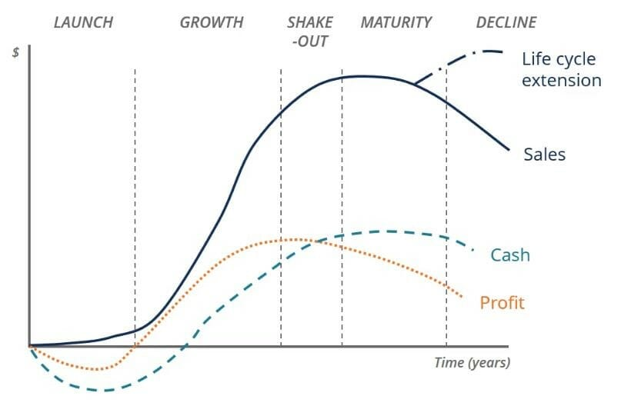

COST & VALUE OF EQUITY

Home depot is a grown company, as we already discussed, home depot is the world’s largest home improvement retailer based on net sales.
thus, home depot is a maature company, that already takes a large portion from the market, to be specific, home depot holds
a market share of 1.9% from the retail e-commerce, which is a wonderful sign, that home depot is succeding in making a turn from
Do it yourself to Do it for me.

because home depot is such a large company, we expect cost of equity close to the avrage sector.

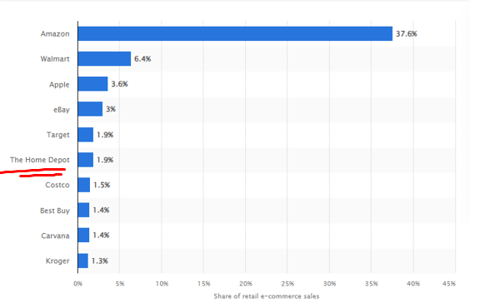
Market share of leading retail e-commerce companies in the United States in 2023

cost of equity = risk free rate + beta*equity risk premium

risk free rate
the risk free rate represents the rate of return in a risk free investment.
we would consider the 30 years us bond as a risk free investment because the us is the biggest and most powerful country in the wrorld, thus has the least default risk.
we can see that the the risk free rate is on the rise and is in an up trend, to estimate to future rate, we would believe that the risk free rate
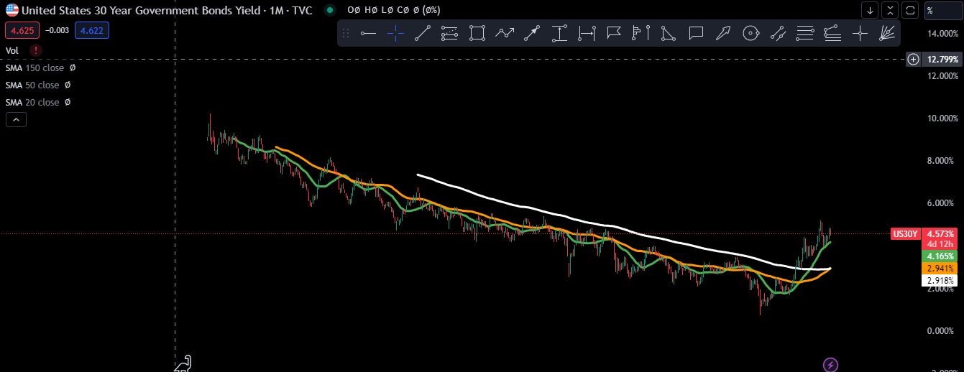
is going to go back to its averages within the years

 | year | rf | story
 | current | 4.573%
 | 1 | 5.00% | inflation keeps being stable, intrest rates doesn’t change much, bond yeild keep rising
 | 2 | 4.165% | inflation chills, interest rates getting low, bond yeilds lower too
 | 3 | 3.867% | bond yeild getting lower by average year chg, and get closer to historical averages
 | 4 | 3.569% | bond yeild getting lower by average year chg, and get closer to historical averages
 | 5 | 3.270% | bond yeild getting lower by average year chg, and get closer to historical averages
 | 6 | 2.972% | bond yeild getting lower by average year chg, and get closer to historical averages
 | 7 | 2.972% | bond yeild getting lower by average year chg, and get closer to historical averages

 | average year chg |  | 0.298%
 |  |  | 0.298%
 |  |  | 0.298%
 |  |  | 0.298%

Implied Equity Risk Premium for US Equity Market: 1960-2022
 | Implied Premium (DDM)
1960
1961 | 0.0292
1962 | 0.0356
1963 | 0.0338
1964 | 0.0331
1965 | 0.0332
1966 | 0.0368
1967 | 0.032
1968 | 0.03
1969 | 0.0374
1970 | 0.0341
1971 | 0.0309
1972 | 0.0272
1973 | 0.043
1974 | 0.0559
1975 | 0.0413
1976 | 0.0455
1977 | 0.0592
1978 | 0.0572
1979 | 0.0645
1980 | 0.0503
1981 | 0.0573
1982 | 0.049
1983 | 0.0431
1984 | 0.0511
1985 | 0.0384
1986 | 0.0358
1987 | 0.0399
1988 | 0.0377
1989 | 0.0351
1990 | 0.0389
1991 | 0.0348
1992 | 0.0355
1993 | 0.0317
1994 | 0.0355
1995 | 0.0329
1996 | 0.032
1997 | 0.0273
1998 | 0.0226
1999 | 0.0205
2000 | 0.0287
2001 | 0.0362
2002 | 0.041
2003 | 0.0369
2004 | 0.0365
2005 | 0.0408
2006 | 0.0416
2007 | 0.0437
2008 | 0.0643
2009 | 0.0436
...

equity risk premium
equity risk premium represents the the yeild investors require for the riskiness of the equity market
we can see that "latley" (since 2008) the equity risk premium is between the 4.1% to the 6%
with that being said, its plausible that in the next 5 years, the market will be less riskier, as the war in the middle east is currently active.
as an estimate, we would use the last 10 years average

current erp: 4.15%
historical avg: 4.24%
5 years avg: 4.93% |  | avg = | 4.929%
avg : | 4.585%

year | erp |  | equity risk premium represents the premium investors "ask" to invest in the non risk free
2024 | 4.15% | 1 | equity of the us, I believe that because of the ongoing and upcoming war in the middle east,
2025 | 5.30% | 2 | for the next two year there will be a raise in the erp because the market is riskier, after two
2026 | 6.00% | 3 | years, the erp will move back to it's historical average.
2026 | 5.30% | 4
2027 | 5.00% | 5
2028 | 4.50% | 6
2029 | 4.25% | 7

beta (relative risk measure)
beta is a relative risk measure to the market, as we discussed, home depot is a big company which owns a big portion of the retail e commerce market.
second, home improvement products are esstentail for a basic living.
thus, home depot should have a beta that close to 1.

year | unlevered beta
1 | 1.2785 | the avearge unlevered beta for retail and home improvement retail sector
2 | 1.2 | home depot is getting bigger, although it's growth is about 0 to negative, the whole sector is shrinking, so home depot's cut from the home improvement retailer is still the same if not getting bigger
3 | 1.15 | revenues grow, home depot getting bigger, thus beta getting smaller
4 | 1.1 | revenues grow, home depot getting bigger, thus beta getting smaller
5 | 1.05 | revenues grow, home depot getting bigger, thus beta getting smaller
6 | 1.03 | revenues grow, home depot getting bigger, thus beta getting smaller
7 | 1.01 | revenues grow, home depot getting bigger, thus beta getting smaller
 |  |  |  |  |  |  |  |  |  | home depot total assets |  |  | % chg |  |  | $ chg
 |  |  |  |  |  |  |  |  | 2024 | $76,530 | 2009 | $41,164.00 |  | $41,164 | 2009
 |  |  |  |  |  |  |  |  | 2023 | $76,445 | 2010 | $40,877.00 | -0.7% | $40,877 | 2010 | $-287.00
total assets |  |  |  |  |  |  |  |  | 2022 | $71,876 | 2011 | $40,125.00 | -1.8% | $40,125 | 2011 | $-752.00
Home Depot total assets
 | % chg
2009
2010 | -0.7%
2011 | -1.8%
2012 | 1.0%
2013 | 1.4%
2014 | -1.4%
2015 | -1.4%
2016 | 5.1%
2017 | 2.4%
2018 | 3.6%
2019 | -1.2%
2020 | 16.4%
2021 | 37.8%
2022 | 1.8%
2023 | 6.4%
2024 | 0.1%
 | $ chg
2009
2010 | $-287.00
2011 | $-752.00
2012 | $393.00
2013 | $566.00
2014 | $-566.00
2015 | $-572.00
2016 | $2,027.00
2017 | $993.00
2018 | $1,563.00
2019 | $-526.00
2020 | $7,233.00
2021 | $19,345.00
2022 | $1,295.00
2023 | $4,569.00
2024 | $85.00
 |  |  |  |  |  |  |  |  | 2021 | $70,581 | 2012 | $40,518.00 | 1.0% | $40,518 | 2012 | $393.00
 |  |  |  |  |  |  |  |  | 2020 | $51,236 | 2013 | $41,084.00 | 1.4% | $41,084 | 2013 | $566.00
 |  |  |  |  |  |  |  |  | 2019 | $44,003 | 2014 | $40,518.00 | -1.4% | $40,518 | 2014 | $-566.00
 |  |  |  |  |  |  |  |  | 2018 | $44,529 | 2015 | $39,946.00 | -1.4% | $39,946 | 2015 | $-572.00
 |  |  |  |  |  |  |  |  | 2017 | $42,966 | 2016 | $41,973.00 | 5.1% | $41,973 | 2016 | $2,027.00
 |  |  |  |  |  |  |  |  | 2016 | $41,973 | 2017 | $42,966.00 | 2.4% | $42,966 | 2017 | $993.00
 |  |  |  |  |  |  |  |  | 2015 | $39,946 | 2018 | $44,529.00 | 3.6% | $44,529 | 2018 | $1,563.00
 |  |  |  |  |  |  |  |  | 2014 | $40,518 | 2019 | $44,003.00 | -1.2% | $44,003 | 2019 | $-526.00
 |  |  |  |  |  |  |  |  | 2013 | $41,084 | 2020 | $51,236.00 | 16.4% | $51,236 | 2020 | $7,233.00
 |  |  |  |  |  |  |  |  | 2012 | $40,518 | 2021 | $70,581.00 | 37.8% | $70,581 | 2021 | $19,345.00
 |  |  |  |  |  |  |  |  | 2011 | $40,125 | 2022 | $71,876.00 | 1.8% | $71,876 | 2022 | $1,295.00
 |  |  |  |  |  |  |  |  | 2010 | $40,877 | 2023 | $76,445.00 | 6.4% | $76,445 | 2023 | $4,569.00
 |  |  |  |  |  |  |  |  | 2009 | $41,164 | 2024 | $76,530.00 | 0.1% | $76,530 | 2024 | $85.00
 |  |  |  |  |  |  |  |  |  |  | 1
 |  |  |  |  |  |  |  |  |  |  | 2
 |  |  |  |  |  |  |  |  |  |  | 3
when it comes to home depot's assets, its gettingh rough, because of the ongoing crisis, home depot had a hard time gainning any assets, and right now it seems like its stagnnant, with last year growth of 0.1%! |  |  |  |  |  |  |  |  |  |  | 4
at 2021, we see the total assets grow in 35%, that because home depot raise more debt, and that because of the housing crisis, so we expect this to be a one time growth, with that being said, every now and then home depot grow in either cash or inventory. |  |  |  |  |  |  |  |  |  |  | 5
as we discussed, I don’t see an end to the housing crisis and the near 4 years, thus, I don’t see home depot's total assets growing that much, to hd's total assets to grow, hd needs to have more stores and to branch out, but with the current crisis its just isnt plausible. |  |  |  |  |  |  |  |  |  |  | 6
 |  |  |  |  |  |  |  |  |  |  | 7
second, as we already showed, home depot is shifting torwards e commerce, thus lowering it's needs in assets and lowering it's total assets.
to conclude, In the near 4 years home depot wont have much growth in total assets, but stay stagnant, then for the next 3 years we will see some slow growth. |  |  |  |  |  |  |  |  |  |  |  |  |  |  |  | $ chg | % chg
 |  |  |  |  |  |  |  |  | 2024 | $75,486 | 2012 | $22,620.00 |  | $22,620 | 2012
total liabilities |  |  |  |  |  |  |  |  | 2023 | $74,883 | 2013 | $23,307.00 |  | $23,307 | 2013 | $687.00 | 3.0%
home depot total liabilities
 | $ chg
2012
2013 | $687.00
2014 | $4,689.00
2015 | $2,628.00
2016 | $5,033.00
2017 | $2,976.00
2018 | $4,442.00
2019 | $2,806.00
2020 | $8,471.00
2021 | $12,930.00
2022 | $6,290.00
2023 | $1,311.00
2024 | $603.00
 |  |  |  |  |  |  |  |  | 2022 | $73,572 | 2014 | $27,996.00 |  | $27,996 | 2014 | $4,689.00 | 20.1%
 | % chg
2012
2013 | 3.0%
2014 | 20.1%
2015 | 9.4%
2016 | 16.4%
2017 | 8.3%
2018 | 11.5%
2019 | 6.5%
2020 | 18.5%
2021 | 23.8%
2022 | 9.3%
2023 | 1.8%
2024 | 0.8%
 |  |  |  |  |  |  |  |  | 2021 | $67,282 | 2015 | $30,624.00 |  | $30,624 | 2015 | $2,628.00 | 9.4%
 |  |  |  |  |  |  |  |  | 2020 | $54,352 | 2016 | $35,657.00 |  | $35,657 | 2016 | $5,033.00 | 16.4%
 |  |  |  |  |  |  |  |  | 2019 | $45,881 | 2017 | $38,633.00 |  | $38,633 | 2017 | $2,976.00 | 8.3%
 |  |  |  |  |  |  |  |  | 2018 | $43,075 | 2018 | $43,075.00 |  | $43,075 | 2018 | $4,442.00 | 11.5%
 |  |  |  |  |  |  |  |  | 2017 | $38,633 | 2019 | $45,881.00 |  | $45,881 | 2019 | $2,806.00 | 6.5%
 |  |  |  |  |  |  |  |  | 2016 | $35,657 | 2020 | $54,352.00 |  | $54,352 | 2020 | $8,471.00 | 18.5%
 |  |  |  |  |  |  |  |  | 2015 | $30,624 | 2021 | $67,282.00 |  | $67,282 | 2021 | $12,930.00 | 23.8%
 |  |  |  |  |  |  |  |  | 2014 | $27,996 | 2022 | $73,572.00 |  | $73,572 | 2022 | $6,290.00 | 9.3%
 |  |  |  |  |  |  |  |  | 2013 | $23,307 | 2023 | $74,883.00 |  | $74,883 | 2023 | $1,311.00 | 1.8%
 |  |  |  |  |  |  |  |  | 2012 | $22,620 | 2024 | $75,486.00 |  | $75,486 | 2024 | $603.00 | 0.8%

taking about total liabilities, home depot raised a lot of debt as 2020 to 2022, which is a good sign, when a company gets larger and has more exccesive returns and cash flows, it feels free to raise more debt for investing in different projects.
with that being said, because home depot has been in decline for the last 2 years, she didn’t manage to convert those debt to assets, on the other hand, I don’t see home depot gainning much debt in the upcoming years, but I do see her gainning assets, beacuse of 2 reasons:
1. she already has a big debt burden on her back, a logical thing to do is to not gain more debt.
2. second, in my story, home depot manages to see growth, thus managing to invest in stores ect, thus gainning assets.

we can see that what I said, at least in the last 2 years, is true, in fiscal years 2023 2024 home depot raised small amount of debt, in fact so small its &chg and $chg is less then the one in 2013!
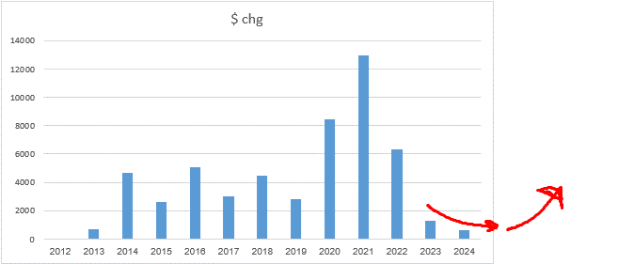

 |  |  |  |  |  |  |  |  |  | assets | liab |  | shr eq | chg %
 |  |  |  |  |  |  |  |  | 2012 | $40,518.00 | $22,620.00 | 2012 | $17,898.00
shareholders equity |  |  |  |  |  |  |  |  | 2013 | $41,084.00 | $23,307.00 | 2013 | $17,777.00 | -0.7% |  | -77.6%
shareholder's equity = total assets - total liabilities |  |  |  |  |  |  |  |  | 2014 | $40,518.00 | $27,996.00 | 2014 | $12,522.00 | -29.6%
 |  |  |  |  |  |  |  | quarterly | 2015 | $39,946.00 | $30,624.00 | 2015 | $9,322.00 | -25.6%
shareholders equity
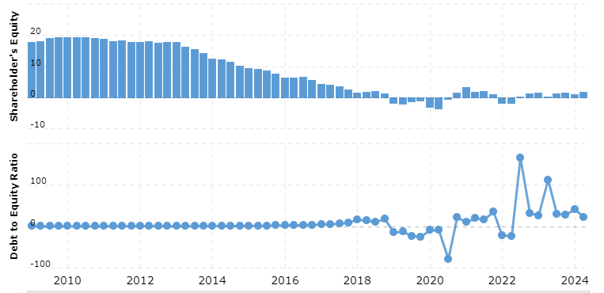
 |  |  |  |  |  |  |  |  | 2016 | $41,973.00 | $35,657.00 | 2016 | $6,316.00 | -32.2%
 |  |  |  |  |  |  |  |  | 2017 | $42,966.00 | $38,633.00 | 2017 | $4,333.00 | -31.4%
 |  |  |  |  |  |  |  |  | 2018 | $44,529.00 | $43,075.00 | 2018 | $1,454.00 | -66.4%
 |  |  |  |  |  |  |  |  | 2019 | $44,003.00 | $45,881.00 | 2019 | $-1,878.00 | -229.2%
 |  |  |  |  |  |  |  |  | 2020 | $51,236.00 | $54,352.00 | 2020 | $-3,116.00 | 65.9%
 |  |  |  |  |  |  |  |  | 2021 | $70,581.00 | $67,282.00 | 2021 | $3,299.00 | -205.9%
 |  |  |  |  |  |  |  |  | 2022 | $71,876.00 | $73,572.00 | 2022 | $-1,696.00 | -151.4%
 |  |  |  |  |  |  |  |  | 2023 | $76,445.00 | $74,883.00 | 2023 | $1,562.00 | -192.1%
 |  |  |  |  |  |  |  |  | 2024 | $76,530.00 | $75,486.00 | 2024 | $1,044.00 | -33.2%
 |  |  |  |  |  |  |  |  |  |  |  | 2025 | $1,000.00 | -4.2%
 |  |  |  |  |  |  |  |  |  |  |  | 2026 | $900.00 | -10.0%
 |  |  |  |  |  |  |  |  |  |  |  | 2027 | $800.00 | -11.1%
 |  |  |  |  |  |  |  |  |  |  |  | 2028 | $1,000.00 | 25.0%
 |  |  |  |  |  |  |  |  |  |  |  | 2029 | $1,200.00 | 20.0%
 |  |  |  |  |  |  |  |  |  |  |  | 2030 | $1,700.00 | 41.7%
 |  |  |  |  |  |  |  |  |  |  |  | 2031 | $2,500.00 | 47.1%

to conclude in shareholders equity, I think that for the next 4 years home depot isnt going to raise a lot of debt, and isnt going to see much growth In assets, thus shareholders equity going to almost stay stagnant

shareholders equity estimation

beta

 | year | tax rate | de ratio | unlvrd beta | levered beta
 | 1 | 24% | 23.11 | 1.2785 | 23.7335626
 | 2 | 24% |  | 1.2
 | 3 | 24% |  | 1.15
 | 4 | 24% |  | 1.1
 | 5 | 24% |  | 1.05
 | 6 | 24% |  | 1.03
 | 7 | 24% |  | 1.01
 | thereafter | 24% |  | 1

Cost Of Equity

cost of equity

 | year | rf | erp | beta | cost of equity | 2025 | 10.30577500%
 | 1 | 5.00% | 4.15% | 1.2785 | 10.30577500% | 2026 | 10.52500000%
 | 2 | 4.17% | 5.30% | 1.2 | 10.52500000% | 2027 | 10.76678125%
 | 3 | 3.87% | 6.00% | 1.15 | 10.76678125% | 2028 | 9.39856250%
 | 4 | 3.57% | 5.30% | 1.1 | 9.39856250% | 2029 | 8.52034375%
 | 5 | 3.27% | 5.00% | 1.05 | 8.52034375% | 2030 | 7.60712500%
 | 6 | 2.97% | 4.50% | 1.03 | 7.60712500% | 2031 | 7.26462500%
 | 7 | 2.97% | 4.25% | 1.01 | 7.26462500% | thereafter | 7.00000000%
 | thereafter |  | 4.25% | 1 | 7.00000000%

market value of equity

current price: |  | $325.00
shares |  | 991,614,186
market value of equity = |  | $322,274.61 | *in mill

3.Debt
Cost Of Debt

 | cost of debt = rf + x*country default risk + company default risk
 | x = 0; home depot is a us company and as we discussed, the usa has default risk 0f 0%

 | cost of debt = rf+company default risk

 | year | rf
 | current | 4.573%
 | 1 | 5.00%
 | 2 | 4.165%
 | 3 | 3.867%
 | 4 | 3.569%
 | 5 | 3.270%
 | 6 | 2.972%
 | 7 | 2.972%

 | there is handfull of ways to calculate a default risk for a company, but fortunately, companies like amazon
 | raise money by issuing bonds, and those bonds are being rated by official rating companies, that rating is the default risk for the copmany issuing the bond.

 | fitch, a rating company rated Home Depot's 'A', convering to a default risk of 1% within 5 years, and default risk of 2.7% within 10 years.
 | for the last decade, the rating for home depot was A, so we will assume it will stay like that.

 | year | rating | default risk
 | 1 | A | 1.0%
 | 2 | A | 1.0%
 | 3 | A | 1.0%
 | 4 | A | 1.0%
 | 5 | A | 2.7%
 | 6 | A | 2.7%
 | 7 | A | 2.7%
 | thereafter | A | 2.7%

cost of debt
 |  |  |  |  |  |  | Home Depot Cost Of Debt
 | year | rf | default risk | cost of debt |  | 2025 | 6.00%
 | 1 | 5.00% | 1.0% | 6.00% |  | 2026 | 5.17%
 | 2 | 4.17% | 1.0% | 5.17% |  | 2027 | 4.87%
 | 3 | 3.87% | 1.0% | 4.87% |  | 2028 | 4.57%
 | 4 | 3.57% | 1.0% | 4.57% |  | 2029 | 5.97%
 | 5 | 3.27% | 2.7% | 5.97% |  | 2030 | 5.67%
 | 6 | 2.97% | 2.7% | 5.67% |  | 2031 | 5.67%
 | 7 | 2.97% | 2.7% | 5.67% |  | thereafter | 5.70%
 | thereafter | 3% | 2.7% | 5.70%

converting book value of debt to present value of debt
to caluclate the cost of capital (wacc) we need to know how much equity and debt we have, we want to use the market vakue of equity and debt, to know what the market asses as the value, and not the
book value.

to convert the debt to it's present value, we would treat it like a bond, where the cupon rate is the interest expense, and the discount rate is the cost of debt.

to convert thereafter to amount of years:

 | year | principal
 | 2024 | $1,100.00
 | 2025 | $2,750.00
 | 2026 | $3,050.00
 | 2027 | $2,500.00
 | 2028 | $2,500.00
 | average | $2,380.00
 | thereafter: | $42,150.00
 | total | $54,050.00
 | thereafter/average = |  | 17.710084034 | we would round up to 18 years |  |  |  |  |  |  |  |  |  |  |  |  |  |  |  |  |  |  |  |  | $33,218

 |  | 1 | 2 | 3 | 4 | 5 | 6 | 7 | 8 | 9 | 10 | 11 | 12 | 13 | 14 | 15 | 16 | 17 | 18 | 19 | 20 | 21 | 22 | 23
 | year | 2024 | 2025 | 2026 | 2027 | 2028 | 2029 | 2030 | 2031 | 2032 | 2033 | 2034 | 2035 | 2036 | 2037 | 2038 | 2039 | 2040 | 2041 | 2042 | 2043 | 2044 | 2045 | 2046
 | annual interest ex | $1,954 | $1,954 | $1,954 | $1,954 | $1,954 | $1,954 | $1,954 | $1,954 | $1,954 | $1,954 | $1,954 | $1,954 | $1,954 | $1,954 | $1,954 | $1,954 | $1,954 | $1,954 | $1,954 | $1,954 | $1,954 | $1,954 | $1,954 | total | $44,942
 | cost of debt | 6.00% | 5.17% | 4.87% | 4.57% | 5.97% | 5.67% | 5.67% | 5.70% | 5.70% | 5.70% | 5.70% | 5.70% | 5.70% | 5.70% | 5.70% | 5.70% | 5.70% | 5.70% | 5.70% | 5.70% | 5.70% | 5.70% | 5.70%
 | present value | $1,843.4 | $1,766.8 | $1,694.4 | $1,634.3 | $1,462.2 | $1,403.3 | $1,328.0 | $1,254.1 | $1,186.5 | $1,122.5 | $1,061.9 | $1,004.7 | $950.5 | $899.2 | $850.7 | $804.9 | $761.5 | $720.4 | $681.6 | $644.8 | $610.0 | $577.1 | $546.0
 | total | $24,808.7
 | total debt | $52,243.00
 | sum | $77,051.7

4.WACC
wacc calculation

 |  | 1 | 2 | 3 | 4 | 5 | 6 | 7
 | year | 2024 | 2025 | 2026 | 2027 | 2028 | 2029 | 2030 | therafter
 | tax rate | 24% | 24% | 24% | 24% | 24% | 24% | 24% | 24%
 | cost of debt | 6.00% | 5.17% | 4.87% | 4.57% | 5.97% | 5.67% | 5.67% | 5.70%
 | afte r tax cod | 4.56% | 3.93% | 3.70% | 3.47% | 4.54% | 4.31% | 4.31% | 4.33%
 | cost of equity | 10.31% | 10.52% | 10.77% | 9.40% | 8.52% | 7.61% | 7.26% | 7.00%
 | market val debt | $52,243.0 | $52,243.0 | $52,243.0 | $52,243.0 | $52,243.0 | $52,243.0 | $52,243.0 | $52,243.0
 | market val equity | $322,274.6 | $322,274.6 | $322,274.6 | $322,274.6 | $322,274.6 | $322,274.6 | $322,274.6 | $322,274.6
 | wacc | 9.50% | 9.60% | 9.78% | 8.57% | 7.96% | 7.15% | 6.85% | 6.63%
Home Depot WACC

 |  | 2024 | 9.50%
 |  | 2025 | 9.60%
 |  | 2026 | 9.78%
 |  | 2027 | 8.57%
 |  | 2028 | 7.96%
 |  | 2029 | 7.15%
 |  | 2030 | 6.85%
 |  | thereafter | 6.63%

5.Story&estimations
Story&estimations

there is a reason that most value investors says that the cash is the king, at the end of the day, if you mess a DCF valuation up, its not because of the discount rate, but because you messed up in the cash flows.
first, to give life to a valuation, there need to be a story behind it, if there isnt a story behind a valuation, its lifeless and cannot be trusted.

Home Depot - thoughts about the future
the CEO of home depot, ted decker, turned in at 2022, at that time, the post - corona pandemic made the home retail consumer power much stronger, which caused home depot to experience outstanding growth rates.
In interviews, ted acknowledge that and boreadly speaks about a year of moderation after that high growth, with that being said, he says he does not know if this moderation phase will continue through out 2024, but as we can see from the current growth, it does.
at the Openning of this valuation, we also discussed about that macros, and how the current housing crisis causes home depot to see non to negative growth, combinning both reasons (post pandemic growth&housing crisis) we understand why this period of
moderation is extending to 2024.

as about the CEO himseslf, ted seems to be more of an analytic guy, he doesn’t seem to have vision for the future of home depot, but I don’t think it’s a bad sign at all;
first, home depot is a mature company, if we don’t consider future acqusitions, mature companies are already settled in, home depot is already settled in, home depot is a simple retail company with a simple model, it doesn’t need a CEO with an insane vision for
the future, but a ceo who expect and aims to an average growth, a CEO who will run the copmany in an operative way.
home depot is an old style company, seeing it brench out to different sectors like amazon brenched out with it's AWS, is just not realistic, don’t get me wrong, I want to see home depot evolve with the
technology, and get stronger in the e-commerce sector, but I don’t expect seeing it take big risk-projects or invest a lot in big long term projects.

With all that being said, I think its critical to see home depot evovle in the e-commerce buisness, one BIG weakness that home depot has, is that society isnt the same as it used to be, "back in the days" people build their own houses, fixed problem in the house or car by
themselves, and just overall were Do It Yourself kind of people, but these days, people want that job to be done for them, we don’t see the same enthusiasm to build something like it was in the past.
if home depot won't adapt to the society new way of living, it will lose customers and growth, there is a slow but sure shift from DIY(do it your self) to DIFM (do it for me).

We need to see home depot evolve and adapt this new change and invest in the e-commerce buisness, and likley it does, before ted tecker become the CEO, Ted served as chief merchant and executive vice president of merchandising for more than six years,
where he was responsible for store and online merchandising departments, merchandising strategy, marketing and vendor management and in-store environment, this is a great sign that ted is fimilier with that e-commerce world,
and know to shift the company torwards being more accessible through the phone.
I can also say that by reading the last annual repot of home depot (fiscal 2024), there where more mentions about the e-commerce and it's vision for the future, then in the annual report their biggest competitor, LOWES.

Overall, I think ted decker is a good ceo and on the bottom line the company knows to shift itself torwards the e-commerce world and generally its in the right direction.

Home Depot - my story
I think that the housing crisis is the biggest thing that holds the home retiail sector from seeing growth, thus, I believe that as the crisis will ease, we will see growth rates coming back to "normal terms".
As we discussed in the openning, I belive the housing crisis can be traced back to inflation and high interest rates, I belive that by the organic economy cycle, within 2 years we would see interest rate get low, and within 2 more years we would see
a significant easing in the housing crisis.

in the mean time, I think home depot will make the right decisions to seem more attractive to customers, with it's shifting in e-commerce, causing home depot to experience more then the avrage growth rate in the sector.
As ted tecker said himself, the post - pandemic caused home depot high growth, which after the high growth caused a period of moderation. I belive this post high growth moderation will ease with time.

To conclude my story, with the ongoing housing crisis, home depot having a hard time to experience any growth, after 2 years interest rate seems to get low, and the housing crisis seems to ease, as customers buy houses and get to the point of buying home products,
they find home depot the most attractive because of the overall brand, the atmosphere and most important the ability to buy products withing the touch of your phone.
as the housing crisis ease, home depot "bounces back" to normal growth, and keeps being to biggest brand for home rerail products.

I think the biggest thing you can take from this story, is that home depot' growth is much more reliable on the macro economics then on the copmany itself.
because of that, I would like to check in my DCF 3 scenarios;
the first one is most optimistic and unrealistic one, and its that right now, ie the next quarter, home depot will see growth just as if there is no crisis at all, and everything is normal.
the second one is sthe most pasimistic, and is that the housing crisis will continue for 6 years, and only after that home depot will experience really low growth.
and the third one is my story.

Home depot annual revenues
The data |  |  |  |  |  |  |  |  |  |  |  |  |  |  |  |  |  | #REF!

home depot % chg in revenues
2009
2010 | -7.17%
2011 | 2.75%
2012 | 3.53%
2013 | 6.19%
2014 | 5.43%
2015 | 5.54%
2016 | 6.42%
2017 | 6.86%
2018 | 6.67%
2019 | 7.23%
2020 | 1.87%
2021 | 19.85%
2022 | 14.42%
2023 | 4.13%
2024 | -3.01%
Revenues
2009 | $71,288.0 |  |  |  |  |  |  |  |  | 2009
2010 | $66,176.0 |  |  |  |  |  |  |  |  | 2010 | -7.17%
2011 | $67,997.0 |  |  |  |  |  |  |  |  | 2011 | 2.75%
2012 | $70,395.0 |  |  |  |  |  |  |  |  | 2012 | 3.53%
2013 | $74,754.0 |  |  |  |  |  |  |  |  | 2013 | 6.19%
2014 | $78,812.0 |  |  |  |  |  |  |  |  | 2014 | 5.43%
2015 | $83,176.0 |  |  |  |  |  |  |  |  | 2015 | 5.54%
2016 | $88,519.0 |  |  |  |  |  |  |  |  | 2016 | 6.42%
2017 | $94,595.0 |  |  |  |  |  |  |  |  | 2017 | 6.86%
2018 | $100,904.0 |  |  |  |  |  |  |  |  | 2018 | 6.67%
2019 | $108,203.0 |  |  |  |  |  |  |  |  | 2019 | 7.23%
2020 | $110,225.0 |  |  |  |  |  |  |  |  | 2020 | 1.87%
2021 | $132,110.0 |  |  |  |  |  |  |  |  | 2021 | 19.85%
2022 | $151,157.0 |  |  |  |  |  |  |  |  | 2022 | 14.42%
2023 | $157,403.0 |  |  |  |  |  |  |  |  | 2023 | 4.13%
2024 | $152,669.0 |  |  |  |  |  |  |  |  | 2024 | -3.01%
Home Depot Operating Income
Operating Margins
operating margins
2012 | 9.46% |  |  |  |  |  |  |  |  | operating income
2013 | 10.39% |  |  |  |  |  |  |  |  | 2012 | $6,661
2014 | 11.63% |  |  |  |  |  |  |  |  | 2013 | $7,766
2015 | 12.59% |  |  |  |  |  |  |  |  | 2014 | $9,166
2016 | 13.30% |  |  |  |  |  |  |  |  | 2015 | $10,469
2017 | 14.19% |  |  |  |  |  |  |  |  | 2016 | $11,774
2018 | 14.55% |  |  |  |  |  |  |  |  | 2017 | $13,427
2019 | 14.35% |  |  |  |  |  |  |  |  | 2018 | $14,681
2020 | 14.37% |  |  |  |  |  |  |  |  | 2019 | $15,530
2021 | 13.84% |  |  |  |  |  |  |  |  | 2020 | $15,843
2022 | 15.24% |  |  |  |  |  |  |  |  | 2021 | $18,278
2023 | 15.27% |  |  |  |  |  |  |  |  | 2022 | $23,040
2024 | 14.21% |  |  |  |  |  |  |  |  | 2023 | $24,039
 |  |  |  |  |  |  |  |  |  | 2024 | $21,689

income taxes
income taxes |  |  |  |  |  |  |  |  |  | pretax income
2009 | $1,278 |  |  |  |  |  |  |  |  | 2009 | $3,590 |  |  | #REF! |  | #REF!
2010 | $1,362 |  |  |  |  |  |  |  |  | 2010 | $3,982
2011 | $1,935 |  |  |  |  |  |  |  |  | 2011 | $5,273
2012 | $2,185 |  |  |  |  |  |  |  |  | 2012 | $6,068
2013 | $2,686 |  |  |  |  |  |  |  |  | 2013 | $7,221
2014 | $3,082 |  |  |  |  |  |  |  |  | 2014 | $8,467
2015 | $3,631 |  |  |  |  |  |  |  |  | 2015 | $9,976
2016 | $4,012 |  |  |  |  |  |  |  |  | 2016 | $11,021
2017 | $4,534 |  |  |  |  |  |  |  |  | 2017 | $12,491
2018 | $5,068 |  |  |  |  |  |  |  |  | 2018 | $13,698
2019 | $3,435 |  |  |  |  |  |  |  |  | 2019 | $14,556
2020 | $3,473 |  |  |  |  |  |  |  |  | 2020 | $14,715
2021 | $4,112 |  |  |  |  |  |  |  |  | 2021 | $16,978
2022 | $5,304 |  |  |  |  |  |  |  |  | 2022 | $21,737
2023 | $5,372 |  |  |  |  |  |  |  |  | 2023 | $22,477
2024 | $4,781 |  |  |  |  |  |  |  |  | 2024 | $19,924

effective tax rate
 | effective tax rate
2009 | 35.60%
2010 | 34.20%
2011 | 36.70%
2012 | 36.01% |  |  |  |  |  |  |  |  |  |  |  |  | #REF!
2013 | 37.20%
2014 | 36.40%
2015 | 36.40%
2016 | 36.40%
2017 | 36.30%
2018 | 37.00%
2019 | 23.60%
2020 | 23.60%
2021 | 24.22%
2022 | 24.40%
2023 | 23.90%
2024 | 24.00% |  |  |  |  |  |  |  |  |  |  |  |  |  |  |  |  |  | effective tax rate
 |  |  |  |  |  |  |  |  |  |  |  |  |  |  |  |  |  | 2009 | 35.60%
estimations |  |  |  |  |  |  |  |  |  |  |  |  |  |  |  |  |  | 2010 | 34.20%
tax rate |  |  |  |  |  |  |  |  |  |  |  |  |  |  |  |  |  | 2011 | 36.70%
lets starts with the easies one, effective tax rate, home depot is a mature copmany with big markets share, pays an effective tax rate of 24% |  |  |  |  |  |  |  |  |  |  |  |  |  |  |  |  |  | 2012 | 36.01%
 |  |  |  |  |  |  |  |  |  |  |  |  |  |  |  |  |  | 2013 | 37.20%
effective tax rate
effective tax rate - estimations
 |  |  |  |  |  |  |  |  |  |  |  |  |  |  |  |  |  | 2014 | 36.40%
 |  |  |  |  |  |  |  |  |  |  |  |  |  |  |  |  |  | 2015 | 36.40%
 |  |  |  |  |  |  |  |  |  |  |  |  |  |  |  |  |  | 2016 | 36.40%
 |  |  |  |  |  |  |  |  |  |  |  |  |  |  |  |  |  | 2017 | 36.30%
 |  |  |  |  |  |  |  |  |  |  |  |  |  |  |  |  |  | 2018 | 37.00%
 |  |  |  |  |  |  |  |  |  |  |  |  |  |  |  |  |  | 2019 | 23.60%
 |  |  |  |  |  |  |  |  |  |  |  |  |  |  |  |  |  | 2020 | 23.60%
 |  |  |  |  |  |  |  |  |  |  |  |  |  |  |  |  |  | 2021 | 24.22%
 |  |  |  |  |  |  |  |  |  |  |  |  |  |  |  |  |  | 2022 | 24.40%
 |  |  |  |  |  |  |  |  |  |  |  |  |  |  |  |  |  | 2023 | 23.90%
 |  |  |  |  |  |  |  |  |  |  |  |  |  |  |  |  |  | 2024 | 24.00%
 |  |  |  |  |  |  |  |  |  |  |  |  |  |  |  |  | 1 | 2025 | 24.00%
 |  |  |  |  |  |  |  |  |  |  |  |  |  |  |  |  | 2 | 2026 | 24.00%
 |  |  |  |  |  |  |  |  |  |  |  |  |  |  |  |  | 3 | 2027 | 24.00%
 |  |  |  |  |  |  |  |  |  |  |  |  |  |  |  |  | 4 | 2028 | 24.00%
 |  |  |  |  |  |  |  |  |  |  |  |  |  |  |  |  | 5 | 2029 | 24.00%
 |  |  |  |  |  |  |  |  |  |  |  |  |  |  |  |  | 6 | 2030 | 24.00%
 |  |  |  |  |  |  |  |  |  |  |  |  |  |  |  |  | 7 | 2031 | 24.00% |  |  |  |  | $71,288
 |  |  |  |  |  |  |  |  |  |  |  |  |  |  |  |  | thereafter | thereafter | 24.00% |  |  |  |  | $66,176
 |  |  |  |  |  |  |  |  |  |  |  |  |  |  |  |  |  |  |  |  |  |  |  | $67,997
revenues |  |  |  |  |  |  |  |  |  |  |  |  |  |  |  |  |  |  |  | Revenues
Home depot annual revenues
home depot % chg in revenues
2009
2010 | -7.17%
2011 | 2.75%
2012 | 3.53%
2013 | 6.19%
2014 | 5.43%
2015 | 5.54%
2016 | 6.42%
2017 | 6.86%
2018 | 6.67%
2019 | 7.23%
2020 | 1.87%
2021 | 19.85%
2022 | 14.42%
2023 | 4.13%
2024 | -3.01%
 |  |  |  |  |  |  |  |  |  |  |  |  |  |  |  |  |  |  |  | 2009
 |  |  |  |  |  |  |  |  |  |  |  |  |  |  |  |  |  |  |  | 2010
 |  |  |  |  |  |  |  |  |  |  |  |  |  |  |  |  |  |  |  | 2011 |  | year | Home Depot total liabilities | revenues
 |  |  |  |  |  |  |  |  |  |  |  |  |  |  |  |  |  |  |  | 2012 |  | 2012 | $22,620 | $70,395
 |  |  |  |  |  |  |  |  |  |  |  |  |  |  |  |  |  |  |  | 2013 |  | 2013 | $23,307 | $74,754
 |  |  |  |  |  |  |  |  |  |  |  |  |  |  |  |  |  |  |  | 2014 |  | 2014 | $27,996 | $78,812
 |  |  |  |  |  |  |  |  |  |  |  |  |  |  |  |  |  |  |  | 2015 |  | 2015 | $30,624 | $83,176
 |  |  |  |  |  |  |  |  |  |  |  |  |  |  |  |  |  |  |  | 2016 |  | 2016 | $35,657 | $88,519
 |  |  |  |  |  |  |  |  |  |  |  |  |  |  |  |  |  |  |  | 2017 |  | 2017 | $38,633 | $94,595
 |  |  |  |  |  |  |  |  |  |  |  |  |  |  |  |  |  |  |  | 2018 |  | 2018 | $43,075 | $100,904
 |  |  |  |  |  |  |  |  |  |  |  |  |  |  |  |  |  |  |  | 2019 |  | 2019 | $45,881 | $108,203
 |  |  |  |  |  |  |  |  |  |  |  |  |  |  |  |  |  |  |  | 2020 |  | 2020 | $54,352 | $110,225
 |  |  |  |  |  |  |  |  |  |  |  |  |  |  |  |  |  |  |  | 2021 |  | 2021 | $67,282 | $132,110
 |  |  |  |  |  |  |  |  |  |  |  |  |  |  |  |  |  |  |  | 2022 |  | 2022 | $73,572 | $151,157
 |  |  |  |  |  |  |  |  |  |  |  |  |  |  |  |  |  |  |  | 2023 |  | 2023 | $74,883 | $157,403
 |  |  |  |  |  |  |  |  |  |  |  |  |  |  |  |  |  |  |  | 2024 |  | 2024 | $75,486 | $152,669

total liabilities % chg
 | % chg
2012
2013 | 3.04%
2014 | 20.12%
2015 | 9.39%
2016 | 16.43%
2017 | 8.35%
2018 | 11.50%
2019 | 6.51%
2020 | 18.46%
2021 | 23.79%
2022 | 9.35%
2023 | 1.78%
2024 | 0.81%
total liabilities $ chg
 | $ chg
2012
2013 | $687
2014 | $4,689
2015 | $2,628
2016 | $5,033
2017 | $2,976
2018 | $4,442
2019 | $2,806
2020 | $8,471
2021 | $12,930
2022 | $6,290
2023 | $1,311
2024 | $603
 |  |  |  |  |  |  |  |  |  |  |  |  |  |  |  |  |  |  |  |  |  | year | % chg | $ chg | year | $ chg
 |  |  |  |  |  |  |  |  |  |  |  |  |  |  |  |  |  |  |  |  |  | 2012 |  |  | 2012
 |  |  |  |  |  |  |  |  |  |  |  |  |  |  |  |  |  |  |  |  |  | 2013 | 3.04% | $687 | 2013 | $687
 |  |  |  |  |  |  |  |  |  |  |  |  |  |  |  |  |  |  |  |  |  | 2014 | 20.12% | $4,689 | 2014 | $4,689
 |  |  |  |  |  |  |  |  |  |  |  |  |  |  |  |  |  |  |  |  |  | 2015 | 9.39% | $2,628 | 2015 | $2,628
 |  |  |  |  |  |  |  |  |  |  |  |  |  |  |  |  |  |  |  |  |  | 2016 | 16.43% | $5,033 | 2016 | $5,033
 |  |  |  |  |  |  |  |  |  |  |  |  |  |  |  |  |  |  |  |  |  | 2017 | 8.35% | $2,976 | 2017 | $2,976
 |  |  |  |  |  |  |  |  |  |  |  |  |  |  |  |  |  |  |  |  |  | 2018 | 11.50% | $4,442 | 2018 | $4,442
 |  |  |  |  |  |  |  |  |  |  |  |  |  |  |  |  |  |  |  |  |  | 2019 | 6.51% | $2,806 | 2019 | $2,806
 |  |  |  |  |  |  |  |  |  |  |  |  |  |  |  |  |  |  |  |  |  | 2020 | 18.46% | $8,471 | 2020 | $8,471
 |  |  |  |  |  |  |  |  |  |  |  |  |  |  |  |  |  |  |  |  |  | 2021 | 23.79% | $12,930 | 2021 | $12,930
 |  |  |  |  |  |  |  |  |  |  |  |  |  |  |  |  |  |  |  |  |  | 2022 | 9.35% | $6,290 | 2022 | $6,290
 |  |  |  |  |  |  |  |  |  |  |  |  |  |  |  |  |  |  |  |  |  | 2023 | 1.78% | $1,311 | 2023 | $1,311
 |  |  |  |  |  |  |  |  |  |  |  |  |  |  |  |  |  |  |  |  |  | 2024 | 0.81% | $603 | 2024 | $603

at the chart that presents total libalities $ chg, we can see that at 2020 & 2021, home depot took a lot of new fresh debt, that explains why at 2021&2022 we can see a ginificant jump in the growth,
when discussion on "normal terms" we allready talked about the fact that home depot is a mature company, with a big market share, and should aim for a moderate growth rate, and that’s what we can see that happened between 2013-2019

 |  |  |  |  |  |  |  | at 2013 to 2019, we can see home depot having normal and expected rates of growth, and as a mature thing I think that what we should expect
year | growth in revenues |  |  |  |  |  |  | from home depot in the future.
2013 | 6.19%
2014 | 5.43% |  |  |  |  |  |  | average = | 6.34%
2015 | 5.54%
2016 | 6.42%
2017 | 6.86%
2018 | 6.67%
2019 | 7.23%

revenues, gross profit, gross margins
margins |  |  |  |  |  |  |  |  |  |  |  |  |  |  |  |  |  |  |  |  | year | gross margins
 |  |  |  |  |  |  |  |  |  |  |  |  |  |  |  |  |  |  |  |  | 2009 | 33.65%
year | revenues | gross profit | gross margins |  |  |  |  |  |  |  |  |  |  |  |  |  |  |  |  |  | 2010 | 33.87%
2009 | $71,288.0 | $23,990 | 33.65% |  |  |  |  |  |  |  |  |  |  |  |  |  |  |  |  |  | 2011 | 34.27%
2010 | $66,176.0 | $22,412 | 33.87% |  |  |  |  |  |  |  |  |  |  |  |  |  |  |  |  |  | 2012 | 34.47%
2011 | $67,997.0 | $23,304 | 34.27% |  |  |  |  |  |  |  |  |  |  |  |  |  |  |  |  |  | 2013 | 34.57%
2012 | $70,395.0 | $24,262 | 34.47% |  |  |  |  |  |  |  |  |  |  |  |  |  |  |  |  |  | 2014 | 34.15%
2013 | $74,754.0 | $25,842 | 34.57% |  |  |  |  |  |  |  |  |  |  |  |  |  |  |  |  |  | 2015 | 34.13%
2014 | $78,812.0 | $26,915 | 34.15% |  |  |  |  |  |  |  |  |  |  |  |  |  |  |  |  |  | 2016 | 34.19%
2015 | $83,176.0 | $28,389 | 34.13% |  |  |  |  |  |  |  |  |  |  |  |  |  |  |  |  |  | 2017 | 34.16%
2016 | $88,519.0 | $30,265 | 34.19% |  |  |  |  |  |  |  |  |  |  |  |  |  |  |  |  |  | 2018 | 34.05%
2017 | $94,595.0 | $32,313 | 34.16% |  |  |  |  |  |  |  |  |  |  |  |  |  |  |  |  |  | 2019 | 34.34%
2018 | $100,904.0 | $34,356 | 34.05% |  |  |  |  |  |  |  |  |  |  |  |  |  |  |  |  |  | 2020 | 34.09%
2019 | $108,203.0 | $37,160 | 34.34% |  |  |  |  |  |  |  |  |  |  |  |  |  |  |  |  |  | 2021 | 33.95%
2020 | $110,225.0 | $37,572 | 34.09% |  |  |  |  |  |  |  |  |  |  |  |  |  |  |  |  |  | 2022 | 33.63%
2021 | $132,110.0 | $44,853 | 33.95% |  |  |  |  |  |  |  |  |  |  |  |  |  |  |  |  |  | 2023 | 33.53%
2022 | $151,157.0 | $50,832 | 33.63% |  |  |  |  |  |  |  |  |  |  |  |  |  |  |  |  |  | 2024 | 33.38%
2023 | $157,403.0 | $52,778 | 33.53%
2024 | $152,669.0 | $50,960 | 33.38%

LOWE'S gross margins |  |  |  |  |  |  |  | FASTENAL gross margins

home depot's gross margins isnt that bad considering it's competitors margins, it seems that after experiencing a lost in efficiency and thus a lost in gross margins, the margins get stable at around 32%.
Operating Margins
 |  |  |  |  |  | its impressive to see that home depot managed to maintain stable operating margins, conisdering the industry average at about 14%, and the fact that
 |  |  |  |  |  | home depot is a grown company, I belive home depot will maintain those 14% operating margins.

 |  |  |  |  |  | we can see that before 2017, home depot managed to get more efficient, and after 2016 maintained a stable margins, which can be explained by the fact that home depot
 |  |  |  |  |  | become a grown company, and managed to get industry average margins.

 |  |  |  |  |  | operating margins
 |  |  |  |  |  | 2017 | 14.19% |  | cutting out the period of getting efficient and becoming a grown company, and cutting out corona and post corona periods,
 |  |  |  |  |  | 2018 | 14.55% |  | yeild us an average of |  | 14.33% | margins, wich come hand to hand with the average industry margins.
 |  |  |  |  |  | 2019 | 14.35% |  | I will take a more pasimstic rouite and conclude future margins as |  |  |  |  |  | 14%
 |  |  |  |  |  | 2024 | 14.21%

reinvestment
year | revenues | bv equity | bv debt | cash | sales to invested capital
2012 | $70,395.0 | $17,898.00 | $10,758.0 | $1,987 | 2.6395815366
2013 | $74,754.0 | $17,777.00 | $9,475.0 | $2,494 | 3.0193876727
2014 | $78,812.0 | $12,522.00 | $14,691.0 | $1,929 | 3.1170700838
2015 | $83,176.0 | $9,322.00 | $16,869.0 | $1,723 | 3.3993787804
2016 | $88,519.0 | $6,316.00 | $20,789.0 | $2,216 | 3.5565510868
2017 | $94,595.0 | $4,333.00 | $22,349.0 | $2,538 | 3.9179506296
2018 | $100,904.0 | $1,454.00 | $24,267.0 | $3,595 | 4.5604266474
2019 | $108,203.0 | $-1,878.00 | $26,807.0 | $1,778 | 4.6737937886
2020 | $110,225.0 | $-3,116.00 | $28,670.0 | $2,133 | 4.7062465309
2021 | $132,110.0 | $3,299.00 | $35,822.0 | $7,895 | 4.2307692308
2022 | $151,157.0 | $-1,696.00 | $36,604.0 | $2,343 | 4.641701213
2023 | $157,403.0 | $1,562.00 | $41,962.0 | $2,757 | 3.8610395663
2024 | $152,669.0 | $1,044.00 | $42,743.0 | $3,760 | 3.8141504484

sales to capital ratio
 |  |  |  |  |  |  |  |  | sales to capital ratio = sales/(BV of equity + BV of debt - cash)
 |  |  |  |  |  |  |  |  | the sales to capital ratio measures how many dollars a firm can generate for 1 dollar of reinvestment

 |  |  |  |  |  |  |  |  | again, before 2017, we saw home depot getting more efficient, but then after become a mature company, having about the same value
 |  |  |  |  |  |  |  |  | for sales to capital ratio.

 |  |  |  |  |  |  |  |  | home depot has not raised a lot of debt In 2023 so I don’t expect a surge in revenues, which will make the STC higher.
 |  |  |  |  |  |  |  |  | generally speaking, home depot is a grown company which sould maintain the STC values that she has In the last year.

 |  |  |  |  |  |  |  |  | the average since 2017 to today is |  |  |  | 4.3007597569

7.CONCLUSION - BUY OR SELL
 |  |  |  | Conclusion

So, is HomeDeopt's stock buy or sell?
as we discussed, home depot is being effect by the housing crisis in the us, which does take a toll on it's growth.
in our optimstic valuation, home depot is undervalued by about 30%.
in our pasimistic valuation, home depot is over valued by about 20%
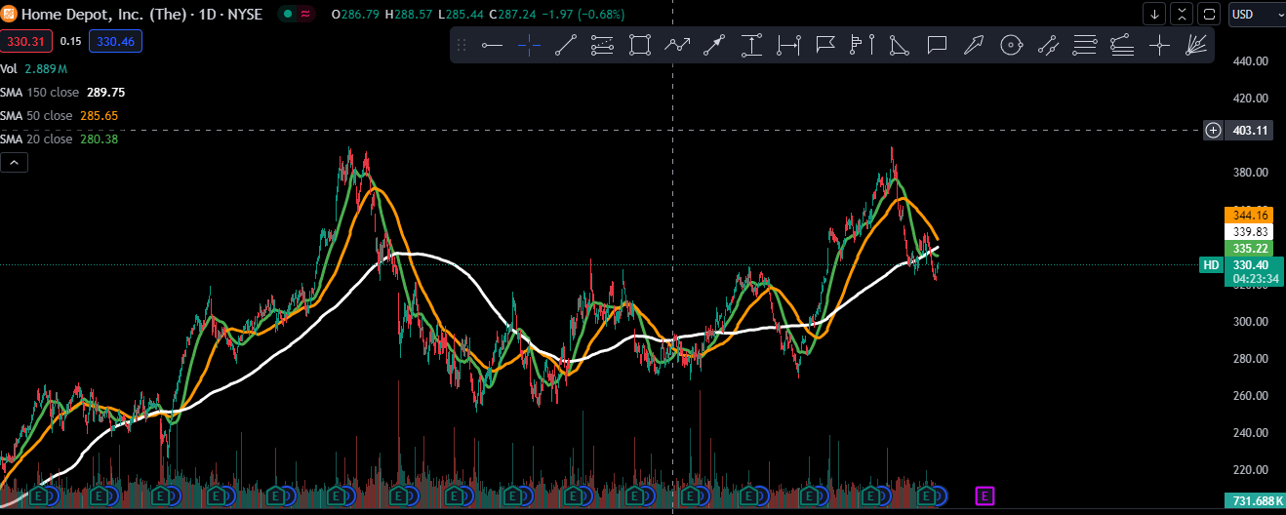
By analysists estimations, home depot is fair valued.
and by my story, home depot is undervalued by about 20%.

so what do we can conclude from that?

its not a surprise that grown companies such as home depot, come to be undervalued by about 20%, which isnt really worth investing, but tends
more to be a swing.
with that being said, I think my bias tends to value companies a bit more then what they are worth, and as you can see, I barley valued home depot more then what
its worth.

before concluding and tying up this valuation, I want to speak about plausible reasons why im awfully wrong in this valuation.
to be specific, there is one reason, I valued home depot as an home improvement retailer, which isnt wrong, but as we discussed, the
retail industry as a whole is moving torwards e-commerce, so while home deopt is a grown company in the home improvement retailer industry,
it’s a small company in the e-commerce retail industry.

there is a really possible and plausible route that home depot will shift itself to be more and more close torwards the general e-commerce retail
industry, and from that, she can experience major growth rates.
as I said, in this valuation I hadn't really gave that route much of an effect, I only took in mind that she uses the e-commerceto maintain the average growth rate
for a grown company in the home improvement retailer industry.

if im wrong, and she does shift herself torwards e-commerce, I probably massivley undervalued homedepot.

back to the point, to conclude this valuation I think that home depot is fair valued and thus

 |  |  | not a buy nor sell

at the current price 330$, I don’t think home depot is neither worth buying or selling, I believe its pretty much fairvalued.
with that being said, I do think that at about the price of 300$ it is worth buying and holding for about 2 years.

price | $330.00 | $300.00 | $380.00
decision | neutral | BUY | SELL

possible investment: enter at around 300$, sell at around 380$ |  |  |  |  |  | return of: | 26.67% | time: | 1/2 a year - 2 years

hold | 1 year | 2 years | 3 years | 4 years | 5+
decision | weak buy | weak buy | buy | buy | strong buy

by roi dayan
2024-05-31

