1.Openning
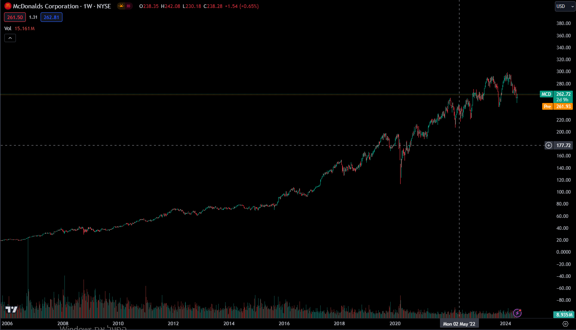
 | data from sec.gov



mcdonalds valuation

ticker: MCD
date of valuation: 06/04/24
start - 06/04/24
end - 06/07/24

2.Equity
 | equity

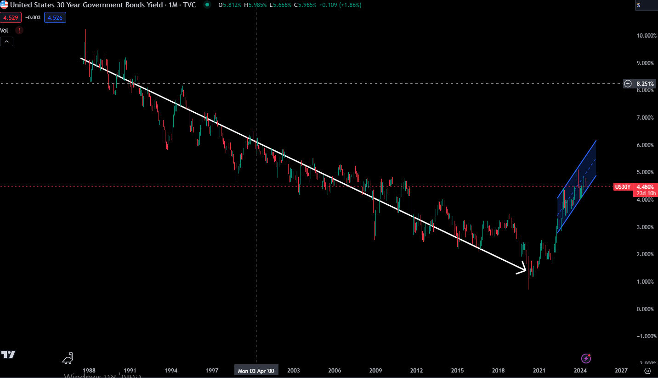

 | risk free rate

 | I will use the 30years t bond as the risk free rate, because there is an onging war in the middle east,
 | which does inherit some risk to the us, thus the 10year t bond isnt risk free.

 |  | risk free rate |  | the risk free rate is tied to the interest rate, I believe in the next year
 | current | 4.480% |  | interest rates will stay still, but after that we would see some
 | 1 | 5.000% |  | cooling in the interest rate.
 | 2 | 4.500%
 | 3 | 4.000%
 | 4 | 3.500%
 | 5 | 3.000%
 | terminal

Implied Equity Risk Premium for US Equity Market: 1960-2022
 | Implied Premium (DDM)
1960
1961 | 0.0292
1962 | 0.0356
1963 | 0.0338
1964 | 0.0331
1965 | 0.0332
1966 | 0.0368
1967 | 0.032
1968 | 0.03
1969 | 0.0374
1970 | 0.0341
1971 | 0.0309
1972 | 0.0272
1973 | 0.043
1974 | 0.0559
1975 | 0.0413
1976 | 0.0455
1977 | 0.0592
1978 | 0.0572
1979 | 0.0645
1980 | 0.0503
1981 | 0.0573
1982 | 0.049
1983 | 0.0431
1984 | 0.0511
1985 | 0.0384
1986 | 0.0358
1987 | 0.0399
1988 | 0.0377
1989 | 0.0351
1990 | 0.0389
1991 | 0.0348
1992 | 0.0355
1993 | 0.0317
1994 | 0.0355
1995 | 0.0329
1996 | 0.032
1997 | 0.0273
1998 | 0.0226
1999 | 0.0205
2000 | 0.0287
2001 | 0.0362
2002 | 0.041
2003 | 0.0369
2004 | 0.0365
2005 | 0.0408
2006 | 0.0416
2007 | 0.0437
2008 | 0.0643
2009 | 0.0436
...

 | equity risk premium

 | equity risk premium represents the the yeild investors require for the riskiness of the equity market
 | we can see that "latley" (since 2008) the equity risk premium is between the 4.1% to the 6%
 | with that being said, its plausible that in the next 5 years, the market will be less riskier, as the war in the middle east is currently active.
 | as an estimate, we would use the last 10 years average

 | current erp: 4.15%
 | historical avg: 4.24%
 | 5 years avg: 4.93% |  | avg = | 5.140%
 | avg : | 4.585%

 | year | erp
 | current | 4.15%
1 | 2024 | 5.00%
2 | 2025 | 5.30%
3 | 2026 | 6.00%
4 | 2026 | 5.30%
5 | 2027 | 5.00%
 | terminal | 4.24%
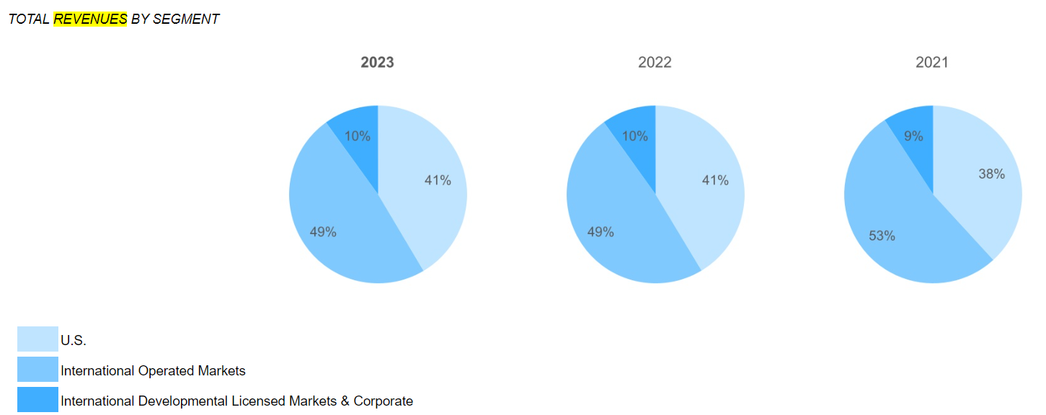

 | beta

 | revenues by spread

 | region/country |  | % | erp
 | u.s |  | 41% | 4.15% |  | we cant really do much with the lack of data about the "rest of the world" spread, to put a number on the ERP of the rest
 | rest of the world |  | 59% |  |  | of the world, first I would propose that the rest of the world is riskier then the us, thus there is a premium that needs to be added to the us erp to calculate the resat of the world erp.
 |  |  |  |  |  | to calculate this premium, we would estimate an average of the premium in the credit default swap market to invest in risky bonds.

 | Turkey CDS 5 Years | 253.56 | 2024-06-04 | 253.56
 | Italy CDS 5 Years | 61.3 | 2024-06-04 | 61.3
 | US CDS 5 Years | 36.88 | 2024-06-04 | 36.88
 | UK CDS 5 Years | 23.7 | 2024-06-04 | 23.7
 | Spain CDS 5 Years | 34.76 | 2024-06-04 | 34.76
 | Brazil CDS 5 Years | 141.83 | 2024-06-04 | 141.83
 | Australia CDS 5 Years | 13.15 | 2024-06-04 | 13.15
 | Canada CDS 5 Years | 39.6 | 2024-11-21 | 39.6
 | Mexico CDS 5 Years | 101.97 | 2024-06-04 | 101.97
 | France CDS 5 Years | 24 | 2024-06-04 | 24
 | Israel CDS 5 Year | 121.85 | 2024-06-04 | 121.85
 | Egypt CDS 5 Years | 558.55 | 2024-06-04 | 558.55
 | China CDS 5 Years | 61.75 | 2024-06-04 | 61.75
 | Indonesia CDS 5 Years | 72.24 | 2024-06-04 | 72.24
 | India CDS 5 Year | 84.1 | 2024-06-04 | 84.1
 | Saudi Arabia CDS 5 Year | 49.2 | 2024-06-04 | 49.2
 | Japan CDS 5 Year | 23.22 | 2024-06-04 | 23.22
 | Switzerland CDS 5 Year | 6.02 | 2024-05-31 | 6.02
 | South Korea CDS 5 Year | 34.62 | 2024-06-04 | 34.62
 | South Africa CDS 5 Year | 231.19 | 2024-06-04 | 231.19
 | Germany CDS 5 Year | 8.26 | 2024-06-04 | 8.26

 | average | 94.369047619 | basis points = |  | 0.94369047619 | %

 | rest of the world default risk = 1%

 | year | us erp | rest of the world erp |  | us portion | rest of the world portion | weighted avg erp
 | current | 4.15% | 5.09% |  | 41% | 59% | 4.71% | note that as the years go, the portion of the revenue from the us is getting lower, because mcdonalds
 | 1 | 5.00% | 5.94% |  | 41% | 59% | 5.56% | manage to srengthen it's roots in other countries, as its develop.
 | 2 | 5.30% | 6.24% |  | 40% | 60% | 5.87%
 | 3 | 6.00% | 6.94% |  | 39% | 61% | 6.58%
 | 4 | 5.30% | 6.24% |  | 38% | 62% | 5.89%
 | 5 | 5.00% | 5.94% |  | 37% | 63% | 5.59%
 | terminal | 4.24% | 5.18% |  | 37% | 63% | 4.83%

mcd equity risk premium

 | beta - relative risk measure

 | mcdonalds is a company that operates in
 | the Restaurant industry.
 | note that mcdonalds is one of the biggest firms
 | in the whole us market, that her beta should be
 | close to 1

 | year | unlevered beta
 | current | 1.12
 | 1 | 1.1
 | 2 | 1.05
 | 3 | 1.02
 | 4 | 1
 | 5 | 1
 | terminal | 1

 | cost of equity

 | coe = rf + (beta*erp)

 | year | rf | erp | beta | cost of equity
 | current | 4.480% | 4.71% | 1.12 | 9.752%
 | 1 | 5.000% | 5.56% | 1.1 | 11.112%
 | 2 | 4.500% | 5.87% | 1.05 | 10.660%
 | 3 | 4.000% | 6.58% | 1.02 | 10.707%
 | 4 | 3.500% | 5.89% | 1 | 9.385%
 | 5 | 3.000% | 5.59% | 1 | 8.595%
 | terminal |  | 4.83% | 1 | 8.000%

 | market value of equity

 | price = | $261.00
 | current shares outstanding = | 720.68 | (in millions)

 | market vaalue of equity = | $188,097.91

3.Debt
 | Debt

 | cost of debt = rf + x*country default risk + company default risk
 | x = 0; the usa has a default risk of 0%

 | cost of debt = rf+company default risk

 | year | risk free rate
 | current | 4.480%
 | 1 | 5.000%
 | 2 | 4.500%
 | 3 | 4.000%
 | 4 | 3.500%
 | 5 | 3.000%

 | we can have an estimate of the company default risk by rating of the firm's bonds.
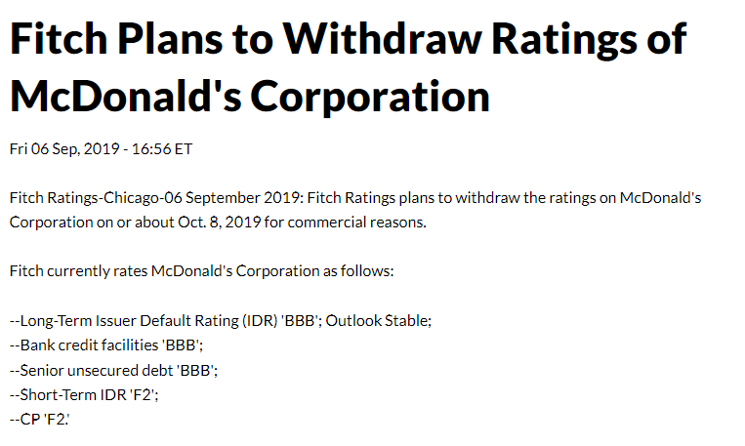

 | year | bond rating | default risk
 | current | BBB | 1.47%
 | 1 | BBB | 1.47%
 | 2 | BBB | 1.47%
 | 3 | BBB | 1.47%
 | 4 | BBB | 1.47%
 | 5 | BBB | 1.47%
 | terminal | A | 2.70% |  | By fitch, A rated bond has a defailt risk of 2.7% after ata least 10 years

 | cost of debt

 | year | risk free rate | default risk | cost of debt
 | current | 4.480% | 1.47% | 5.950%
 | 1 | 5.000% | 1.47% | 6.470%
 | 2 | 4.500% | 1.47% | 5.970%
 | 3 | 4.000% | 1.47% | 5.470%
 | 4 | 3.500% | 1.47% | 4.970%
 | 5 | 3.000% | 1.47% | 4.470%
 | terminal |  | 2.70% | 5.000%

 | market value of debt

to caluclate the cost of capital (wacc) we need to know how much equity and debt we have, we want to use the market value of equity and debt, to know what the market asses as the value, and not the
book value.

to convert the debt to it's present value, we would treat it like a bond, where the cupon rate is the interest expense, and the discount rate is the cost of debt.

 | year | debt | %
 | 2024 | $2,192.40 | 5.54% | $39,567.10
 | 2025 | $3,092.70 | 7.82% | $39,567.10
 | 2026 | $2,436.30 | 6.16% | $39,567.10
 | 2027 | $3,113.00 | 7.87% | $39,567.10
 | 2028 | $4,293.40 | 10.85% | $39,567.10
 | thereafter | $24,439.30 | 61.77% | $39,567.10
 | total | $39,567.10 | 100.00% | $39,567.10

 | average year debt = |  |  | $3,025.56
 | thereafter/average year debt = |  |  | 8.0776120784

 |  | 1 | 2 | 3 | 4 | 5 | 6 | 7 | 8 | 9 | 10 | 11 | 12 | 13
 |  |  |  |  |  |  | 1 | 2 | 3 | 4 | 5 | 6 | 7 | 8 |  | $36,306.72 | $3,260.38
 | year | 2024 | 2025 | 2026 | 2027 | 2028 | 2029 | 2030 | 2031 | 2032 | 2033 | 2034 | 2035 | 2036
 | debt | $2,192.40 | $3,092.70 | $2,436.30 | $3,113.00 | $4,293.40 | $3,025.56 | $3,025.56 | $3,025.56 | $3,025.56 | $3,025.56 | $3,025.56 | $3,025.56 | $3,260.38 | total | $39,567.10
 | cost of debt | 6.470% | 5.970% | 5.470% | 4.970% | 4.470% | 5.000% | 5.000% | 5.000% | 5.000% | 5.000% | 5.000% | 5.000% | 5.000%
 | interest ex | $1,402.80 | $1,402.80 | $1,402.80 | $1,402.80 | $1,402.80 | $1,402.80 | $1,402.80 | $1,402.80 | $1,402.80 | $1,402.80 | $1,402.80 | $1,402.80 | $1,402.80
 | present value | $1,317.55 | $1,249.19 | $1,195.66 | $1,155.41 | $1,127.30 | $1,046.79 | $996.94 | $949.47 | $904.26 | $861.20 | $820.19 | $781.13 | $743.93 | total | $13,149.03

 | current total debt by 2024 q1 report = |  |  | $37,152.90
 | total book value of debt = |  |  | $50,301.93

4.WACC
cost of capital

 | 1 | 2 | 3 | 4 | 5 | terminal
cost of equity | 11.11% | 10.66% | 10.71% | 9.39% | 8.59% | 8.00%
mv of equity | $188,097.91 | $188,097.91 | $188,097.91 | $188,097.91 | $188,097.91 | $188,097.91
cost of debt | 6.47% | 5.97% | 5.47% | 4.97% | 4.47% | 5.00%
tax rate | 20% | 20% | 20% | 21% | 21% | 21%
after tax cost of debt | 5.17600% | 4.77600% | 4.37600% | 3.92630% | 3.53130% | 3.95000%
market value of debt | $50,301.93 | $50,301.93 | $50,301.93 | $50,301.93 | $50,301.93 | $50,301.93
cost of capital | 9.86% | 9.42% | 9.37% | 8.23% | 7.53% | 7.15%

tax rate
 |  |  |  |  |  |  |  | income taxes |  | pre tax income |  | effective tax rate |  | % chg
 |  |  |  |  |  |  | 2009 | $1,936 | 2009 | $6,487 | 2009 | 29.84%
 |  |  |  |  |  |  | 2010 | $2,054 | 2010 | $7,000 | 2010 | 29.34% |  | -1.68%
 |  |  |  |  |  |  | 2011 | $2,509 | 2011 | $8,012 | 2011 | 31.32% |  | 6.72%
 |  |  |  |  |  |  | 2012 | $2,614 | 2012 | $8,079 | 2012 | 32.36% |  | 3.32%
 |  |  |  |  |  |  | 2013 | $2,619 | 2013 | $8,205 | 2013 | 31.92% |  | -1.35%
 |  |  |  |  |  |  | 2014 | $2,614 | 2014 | $7,372 | 2014 | 35.46% |  | 11.09%
 |  |  |  |  |  |  | 2015 | $2,026 | 2015 | $6,556 | 2015 | 30.90% |  | -12.85%
 |  |  |  |  |  |  | 2016 | $2,180 | 2016 | $6,866 | 2016 | 31.75% |  | 2.74%
 |  |  |  |  |  |  | 2017 | $3,381 | 2017 | $8,574 | 2017 | 39.43% |  | 24.20%
 |  |  |  |  |  |  | 2018 | $1,892 | 2018 | $7,816 | 2018 | 24.21% |  | -38.61%
 |  |  |  |  |  |  | 2019 | $1,993 | 2019 | $8,018 | 2019 | 24.86% |  | 2.68%
 |  |  |  |  |  |  | 2020 | $1,410 | 2020 | $6,141 | 2020 | 22.96% |  | -7.63%
 |  |  |  |  |  |  | 2021 | $1,583 | 2021 | $9,128 | 2021 | 17.34% |  | -24.47%
 |  |  |  |  |  |  | 2022 | $1,648 | 2022 | $7,825 | 2022 | 21.06% |  | 21.44%
 |  |  |  |  |  |  | 2023 | $2,053 | 2023 | $10,522 | 2023 | 19.51% |  | -7.36%
marginal tax rate in the us - |  | 21% |  |  |  |  |  |  |  |  |  |  | average | -1.55%

wacc
 |  |  |  | 2024
 |  |  |  | 2025
 |  |  |  | 2026
 |  |  |  | 2027
 |  |  |  | 2028
 |  |  |  | terminal

5.Story&Estimations
story & esstimations

mcdonalds is a huge copmany, it's market cap is about 190 billion dollars, thus it should be obvious that mcdonalds is a grown company, treating mcdonalds as a burger company is somewhat misstreating her, mcdonalds is one of the biggest real estate
companies in the entire world, she get's most of her revenues by royal&contract fees from the franchasee's, she is so big that her growth is pretty much determined by the macro economic enviroment.

in her last report, 1q 2024 meetings, she reported that mcdonalds and the whole industry is loosing traffic and growth because of the weakening consumer power, she reported that because of the macro economic eviorment, "we (mcd) must be laser-focused on affordability".
the reason mcdonalds want to aim for affordability is that in the current eviorment, the consumers power is weak and is "counting every dollar", its important to note that becoming affordability will be take a toll on mcd's revenue growth and margins.

in her quarter earnnings call, she also estimated that 2024 will not be an avrage year by past means, and that 2024 will be a year of moderation.

to conclude to current situation, as inflation is staying sticky and interest rates are staying high, consumer power is getting weaker and weaker, which effects mcdonalds expected growth, because of that mcdonalds decided to shift herself torwards "affordability", to
meet consumer abilities in their current buying power, mcdonalds doesn’t expect to see any massive growth in 2024, but that does not stop her from reinvesting in future growth, and in 2024 she expects to open more 2100 units.
with that being said, she also has a growth model called "Arches Strategic Plan", which by that plan, mcdonalds aim to:

 | I think that the traget unit expansion, operaing margin, unit growth and cap ex are relativly realistic tragets, but I got to say that targeting for a free cash flow conversion of 90% is just a bit of an overshoot, and it seems like a marketing sceme, but i would
 | value it as an option.

my story
as I said, mcdonalds is already a grown and well established firm, there is not a lot of room to "play" with it's future "story", but with that being said, I do have my own thoughts about mcdonalds.
my story of mcdonalds is a story about a restarunt that shifted itself torwards being 99% frenchised.
I believe that mcdonalds estimates for 2024 will come to be true, 2024 will be a year of moderation as consumer power is still weakenning, I think that thru 2024 to 2025 mcdonalds will lunch and shift herself torwards affordability, causing lower growth and lower margins,
with that being said, because she is affordable at hard times, she will strengthen her ties with consumers, after a year or two, inflation cools down and consumer power strengthen, mcdonalds sees an above average growth preformence, because she shifted herself torwards
being a a franchise, she enjoyes a high operating margins as she estimates in her model.
after that she setteles down as a company with bellow average preformence.

revenues

company | mcd | sbux | cmg | YUM | QSR | DPZ | DRI | YUMC | TXRH | WING | CAVA | ARMK | SHAK | SG | WEN | EAT | ARCO | CAKE | BLMN | PZZA | HDL | FWRG | CNNE | CRBL | JACK | KRUS | BJRI | PTLO | BH.A | DIN | CHUY | RICK | DENN | GENIK | LOCO | NATH | PBPB | STKS | THCH | RRGB | FAT | FATBB | NDLS | ARKR | BDL | RAVE | GTIM | SDOT | REBN | BTBD | BFI | YOSH
revenues | $25,765 | $36,502 | $10,205 | $7,029 | $7,140 | $4,540 | $11,202 | $11,019 | $4,779 | $497 | $785 | $18,258 | $1,125 | $617 | $2,188 | $4,282 | $4,422 | $3,465 | $4,622 | $2,123 | $687 | $922 | $526 | $3,413 | $1,622 | $212 | $1,329 | $689 | $364 | $823 | $459 | $298 | $456 | $187 | $470 | $137 | $484 | $335 | $219 | $1,274 | $526 | $526 | $498 | $185 | $182 | $12 | $139 | $622 | $6 | $14 | $168 | $9
% owned | 14.45% | 20.47% | 5.72% | 3.94% | 4.00% | 2.55% | 6.28% | 6.18% | 2.68% | 0.28% | 0.44% | 10.24% | 0.63% | 0.35% | 1.23% | 2.40% | 2.48% | 1.94% | 2.59% | 1.19% | 0.39% | 0.52% | 0.29% | 1.91% | 0.91% | 0.12% | 0.75% | 0.39% | 0.20% | 0.46% | 0.26% | 0.17% | 0.26% | 0.10% | 0.26% | 0.08% | 0.27% | 0.19% | 0.12% | 0.71% | 0.29% | 0.29% | 0.28% | 0.10% | 0.10% | 0.01% | 0.08% | 0.35% | 0.00% | 0.01% | 0.09% | 0.01%
 | $178,358 | $178,358 | $178,358 | $178,358 | $178,358 | $178,358 | $178,358 | $178,358 | $178,358 | $178,358 | $178,358 | $178,358 | $178,358 | $178,358 | $178,358 | $178,358 | $178,358 | $178,358 | $178,358 | $178,358 | $178,358 | $178,358 | $178,358 | $178,358 | $178,358 | $178,358 | $178,358 | $178,358 | $178,358 | $178,358 | $178,358 | $178,358 | $178,358 | $178,358 | $178,358 | $178,358 | $178,358 | $178,358 | $178,358 | $178,358 | $178,358 | $178,358 | $178,358 | $178,358 | $178,358 | $178,358 | $178,358 | $178,358 | $178,358 | $178,358 | $178,358 | $178,358
revenues % from the market

mcdonalds aproximtly own 14.45% of market share from the resterunt industry, the market share between firms is somewhat evenly shared, but you can see that Strubux and mcdonalds has the biggest market share
because of their competitive advantages.
 |  |  |  |  |  |  |  |  |  |  |  | % growth
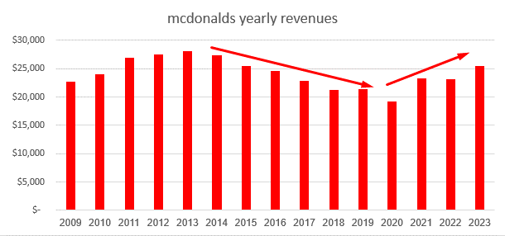
mcdonalds yearly revenues
 |  |  |  |  |  |  |  |  |  | 2009 | $22,745
 |  |  |  |  |  |  |  |  |  | 2010 | $24,075 | 5.8%
 |  |  |  |  |  |  |  |  |  | 2011 | $27,006 | 12.2%
 |  |  |  |  |  |  |  |  |  | 2012 | $27,567 | 2.1%
 |  |  |  |  |  |  |  |  |  | 2013 | $28,106 | 2.0% |  | 5.8%
 |  |  |  |  |  |  |  |  |  | 2014 | $27,441 | -2.4% |  | 12.2%
 |  |  |  |  |  |  |  |  |  | 2015 | $25,413 | -7.4% |  | 2.1%
 |  |  |  |  |  |  |  |  |  | 2016 | $24,622 | -3.1% |  | 2.0%
 |  |  |  |  |  |  |  |  |  | 2017 | $22,820 | -7.3% |  | -0.2%
 |  |  |  |  |  |  |  |  |  | 2018 | $21,258 | -6.8% |  | 10.0%
 |  |  |  |  |  |  |  |  |  | 2019 | $21,364 | 0.5% |  | 5.3% | 5.3% | 5.3% | 5.3% | 5.3%
 |  |  |  |  |  |  |  |  |  | 2020 | $19,208 | -10.1% |  | $25,765 | $27,133 | $28,573 | $30,090 | $31,687
 |  |  |  |  |  |  |  |  |  | 2021 | $23,223 | 20.9%
 |  |  |  |  |  |  |  |  |  | 2022 | $23,183 | -0.2%
 |  |  |  |  |  |  |  |  |  | 2023 | $25,494 | 10.0%
when discussing mcdonalds revenues , its important to note that because of mcdonalds buisness model, which concludes shifting herself torwards being a full franchise, she sold some of her own units,
thus, from one side she "lost revenues" beacuses the sales in those units arent their, but she gained larger margins because she doesn’t need to operate those units.

in macdonalds annual report, she reported that:
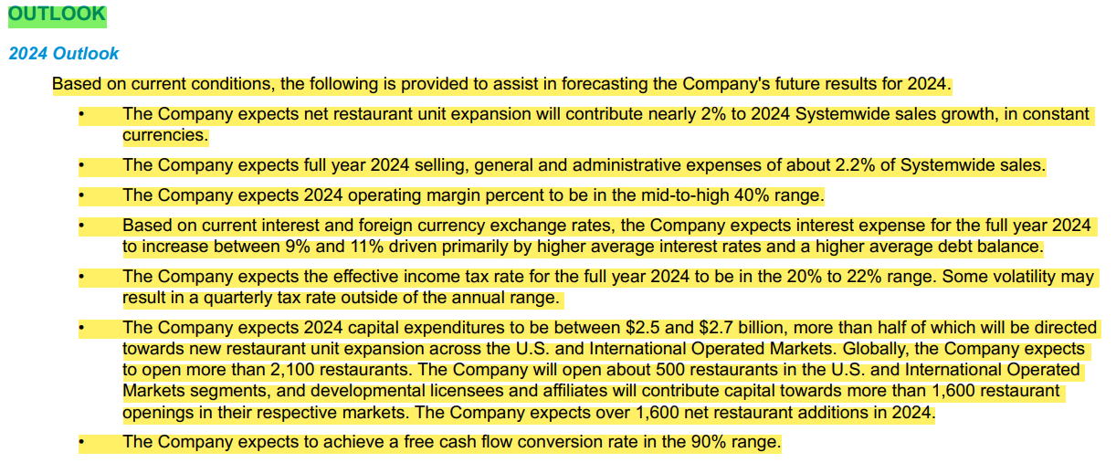

thus, she expects a 2% growth in 2024.

and 2.5% growth in the long term

year | growth | revenue
current | 2% | $25,765
1 | 2.50% | $26,280.30
2 | 2.50% | $26,937.31 | 1.025
3 | 2.50% | $27,610.74
4 | 2.50% | $28,301.01
5 | 2.50% | $29,008.53
terminal | 2.50% | $29,733.75

operating margins
 | revenues |  | operating income |  | operating margins |  |  |  |  |  |  |  |  |  |  |  |  |  | 0
2009 | $22,745 | 2009 | $6,841 | 2009 | 30.08% |  |  |  |  |  |  |  |  |  |  |  |  |  | 0
2010 | $24,075 | 2010 | $7,473 | 2010 | 31.04% |  |  |  |  |  |  |  |  |  |  |  |  |  | 0
2011 | $27,006 | 2011 | $8,530 | 2011 | 31.59% |  |  |  |  |  |  |  |  |  |  |  |  |  | 0
2012 | $27,567 | 2012 | $8,605 | 2012 | 31.21% |  |  |  |  |  |  |  |  |  |  |  |  |  | 0
2013 | $28,106 | 2013 | $8,764 | 2013 | 31.18% |  |  |  |  |  |  |  |  |  |  |  |  |  | 0
2014 | $27,441 | 2014 | $7,949 | 2014 | 28.97% |  |  |  |  |  |  |  |  |  |  |  |  |  | 0
2015 | $25,413 | 2015 | $7,146 | 2015 | 28.12% |  |  |  |  |  |  |  |  |  |  |  |  |  | 0
2016 | $24,622 | 2016 | $7,745 | 2016 | 31.46% |  |  |  |  |  |  |  |  |  |  |  |  |  | 0
2017 | $22,820 | 2017 | $9,553 | 2017 | 41.86% |  |  |  |  |  |  |  |  |  |  |  |  |  | 0
2018 | $21,258 | 2018 | $8,823 | 2018 | 41.50% |  |  |  |  |  |  |  |  |  |  |  |  |  | 0
2019 | $21,364 | 2019 | $9,070 | 2019 | 42.45% |  |  |  |  |  |  |  |  |  |  |  |  |  | 0
2020 | $19,208 | 2020 | $7,324 | 2020 | 38.13% |  |  |  |  |  |  |  |  |  |  |  |  |  | 0
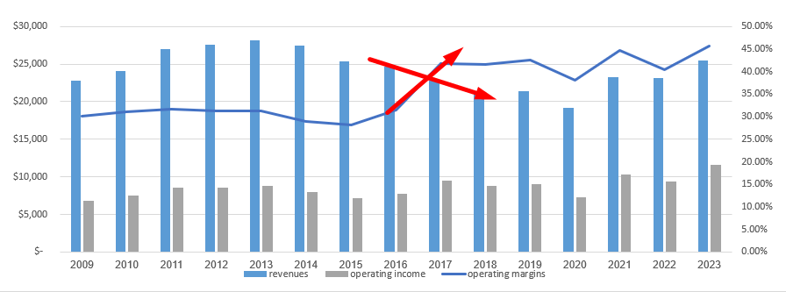
2021 | $23,223 | 2021 | $10,356 | 2021 | 44.59% |  |  |  |  |  |  |  |  |  |  |  |  |  | 0
2022 | $23,183 | 2022 | $9,371 | 2022 | 40.42% |  |  |  |  |  |  |  |  |  |  |  |  |  | 0
2023 | $25,494 | 2023 | $11,647 | 2023 | 45.69%

as mcdonalds reported:
"The Company expects 2024 operating margin percent to be in the
mid-to-high 40% range"
mid to high 40% range is about 45% - 49%, the current operating margins
is 45.69%, by my story, I do expect to see margins go a little bit yp in 2024,
but as the "effordabilty" plan comes to life we expected to see margins
slowly decrese to the low to mid 40%.

year | operating margins
current | 45.69%
1 | 47%
2 | 45%
3 | 44%
4 | 43%
5 | 43%
terminal | 45%

operating income

year | revenues | operating margins | operating income |  |  | operating income
current | $25,765 | 45.69% | $11,770.81 |  | 2009 | $6,841
1 | $26,280 | 47% | $12,351.74 |  | 2010 | $7,473
2 | $26,937 | 45% | $12,121.79 |  | 2011 | $8,530
3 | $27,611 | 44% | $12,148.73 |  | 2012 | $8,605
4 | $28,301 | 43% | $12,169.43 |  | 2013 | $8,764
5 | $29,009 | 43% | $12,473.67 |  | 2014 | $7,949
terminal | $29,734 | 45% | $13,380.19 |  | 2015 | $7,146
 |  |  |  |  | 2016 | $7,745
 |  |  |  |  | 2017 | $9,553
 |  |  |  |  | 2018 | $8,823
 |  |  |  |  | 2019 | $9,070
 |  |  |  |  | 2020 | $7,324
 |  |  |  |  | 2021 | $10,356
 |  |  |  |  | 2022 | $9,371
 |  |  |  |  | 2023 | $11,647
 |  |  |  | 1 | 2024 | $12,351.74
 |  |  |  | 2 | 2025 | $12,121.79
 |  |  |  | 3 | 2026 | $12,148.73
 |  |  |  | 4 | 2027 | $12,169.43
 |  |  |  | 5 | 2028 | $12,473.67

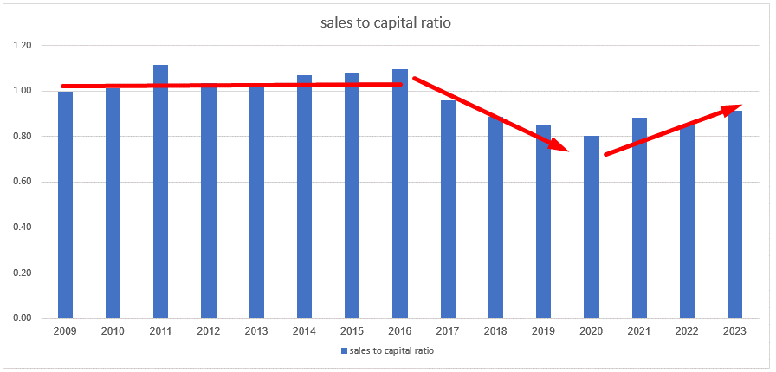
reinvestment

 | revenues | bv of equity | bv of debt | cash | capital | sales to capital ratio |  | chg
2009 | $22,745 | $14,034 | $10,560 | $1,796 | $22,798 | 1.00 |  |  |  |  |  |  |  |  |  |  | 0
2010 | $24,075 | $14,634 | $11,497 | $2,387 | $23,744 | 1.01 |  | 0.02 |  |  |  |  |  |  |  |  | 0
2011 | $27,006 | $14,390 | $12,134 | $2,336 | $24,188 | 1.12 |  | 0.10 |  |  |  |  |  |  |  |  | 0
2012 | $27,567 | $15,294 | $13,633 | $2,336 | $26,591 | 1.04 |  | -0.08 |  |  |  |  |  |  |  |  | 0
2013 | $28,106 | $16,010 | $14,130 | $2,799 | $27,341 | 1.03 |  | -0.01 |  |  |  |  |  |  |  |  | 0
2014 | $27,441 | $12,853 | $14,936 | $2,078 | $25,711 | 1.07 |  | 0.04 |  |  |  |  |  |  |  |  | 0
2015 | $25,413 | $7,088 | $24,122 | $7,686 | $23,524 | 1.08 |  | 0.01 |  |  |  |  |  |  |  |  | 0
2016 | $24,622 | $-2,204 | $25,879 | $1,223 | $22,452 | 1.10 |  | 0.02 |  |  |  |  |  |  |  |  | 0
2017 | $22,820 | $-3,268 | $29,536 | $2,464 | $23,804 | 0.96 |  | -0.14 |  |  |  |  |  |  |  |  | 0
2018 | $21,258 | $-6,258 | $31,075 | $866 | $23,951 | 0.89 |  | -0.07 |  |  |  |  |  |  |  |  | 0
2019 | $21,364 | $-8,210 | $34,118 | $899 | $25,009 | 0.85 |  | -0.03 |  |  |  |  |  |  |  |  | 0
2020 | $19,208 | $-7,825 | $35,197 | $3,449 | $23,923 | 0.80 |  | -0.05 |  |  |  |  |  |  |  |  | 0
2021 | $23,223 | $-4,601 | $35,623 | $4,709 | $26,313 | 0.88 |  | 0.08 |  |  |  |  |  |  |  |  | 0
2022 | $23,183 | $-6,003 | $35,904 | $2,584 | $27,317 | 0.85 |  | -0.03 |  |  |  |  |  |  |  |  | 0
2023 | $25,494 | $-4,707 | $37,153 | $4,579 | $27,867 | 0.91 |  | 0.07 |  |  |  |  |  |  |  |  | 0

revenues and capital

the sales to capial ratio tells an intresting stories, before 2016 the raio was stable at around 1, but at 2016 we saw mcdonalds shifting by her buisness model and selling her own unit's to franchisee's, thus losing revenue growth.
the lost in revenue growth caused mcdonalds STCR to get lower, but as we already can see by her model, we expect a sdeady grow in revenues from the new units show open.
thus the STCR coming back to it's averages.
1.05

 | chg
2009
2010 | 259
2011 | 773
2012 | 970
2013 | 949
2014 | 829
2015 | 267
2016 | 374
2017 | 342
2018 | 614
2019 | 840
2020 | 503
2021 | 833
2022 | 244
2023 | 1,547
year | num resterunts |  | chg
2009 | 32,478
2010 | 32,737 |  | 259
2011 | 33,510 |  | 773
2012 | 34,480 |  | 970
2013 | 35,429 |  | 949
2014 | 36,258 |  | 829
2015 | 36,525 |  | 267
2016 | 36,899 |  | 374
2017 | 37,241 |  | 342
2018 | 37,855 |  | 614
2019 | 38,695 |  | 840
2020 | 39,198 |  | 503
2021 | 40,031 |  | 833
2022 | 40,275 |  | 244
2023 | 41,822 |  | 1,547

year | num resterunts | chg | sales to capital ratio |  | sales to capital ratio to num of resterunts |  |  |  | chg in resterunts to sale to capital ratio
2009 | 32,478 |  | 1.00 |  | 32,553.68
2010 | 32,737 | 259 | 1.01 |  | 32,286.91 |  |  |  | 255.44
2011 | 33,510 | 773 | 1.12 |  | 30,013.33 |  |  |  | 692.34
2012 | 34,480 | 970 | 1.04 |  | 33,259.25 |  |  |  | 935.66
2013 | 35,429 | 949 | 1.03 |  | 34,464.68 |  |  |  | 923.17
2014 | 36,258 | 829 | 1.07 |  | 33,972.14 |  |  |  | 776.74
2015 | 36,525 | 267 | 1.08 |  | 33,810.02 |  |  |  | 247.15
2016 | 36,899 | 374 | 1.10 |  | 33,647.00 |  |  |  | 341.04
2017 | 37,241 | 342 | 0.96 |  | 38,846.83 |  |  |  | 356.75
2018 | 37,855 | 614 | 0.89 |  | 42,650.54 |  |  |  | 691.78
2019 | 38,695 | 840 | 0.85 |  | 45,296.91 |  |  |  | 983.32
2020 | 39,198 | 503 | 0.80 |  | 48,819.96 |  |  |  | 626.47
2021 | 40,031 | 833 | 0.88 |  | 45,357.43 |  |  |  | 943.84
2022 | 40,275 | 244 | 0.85 |  | 47,456.85 |  |  |  | 287.51
2023 | 41,822 | 1,547 | 0.91 |  | 45,714.82 |  |  |  | 1,691.00

