dcf_growth
 |  | Discounted Cash Flow Model
 |  |  |  |  |  |  |  |  |  |  |  |  |  |  |  |  |  |  | 6% | 6% | 6% | 6% | 6% | 6% | 5.8% | 6% | 6% | 6% | 6% | 6% | 6% | 6% | 6% | 6% | 6% | 6% | 6% | 6% | 6% | 6% | 6% | 6% | 6% | 6%
 |  |  |  |  |  |  |  |  |  |  |  |  |  |  |  |  |  |  | 2024 | 2024 | 2024 | 2024 | 2024 | 2024 | 2024 | 2024 | 2024 | 2024 | 2024 | 2024 | 2024 | 2024 | 2024 | 2024 | 2024 | 2024 | 2024 | 2024 | 2024 | 2024 | 2024 | 2024 | 2024 | 2024
 |  |  |  |  |  |  |  |  |  |  |  |  |  |  |  |  |  |  | 0 | 1 | 2 | 3 | 4 | 5 | 6 | 7 | 8 | 9 | 10 | 11 | 12 | 13 | 14 | 15 | 16 | 17 | 18 | 19 | 20 | 21 | 22 | 23 | 24 | 25
 |  |  |  |  |  |  |  |  |  |  |  |  |  |  |  |  |  |  | 5 | 5 | 5 | 5 | 5 | 5 | 5 | 5 | 5 | 5 | 5 | 5 | 5 | 5 | 5 | 5 | 5 | 5 | 5 | 5 | 5 | 5 | 5 | 5 | 5 | 5
 |  |  | enter current year: |  |  |  | 2024 |  |  |  |  |  |  |  |  |  |  |  | 8.620% | 8.620% | 8.620% | 8.620% | 8.620% | 8.620% | 8.620% | 8.620% | 8.620% | 8.620% | 8.620% | 8.620% | 8.620% | 8.620% | 8.620% | 8.620% | 8.620% | 8.620% | 8.620% | 8.620% | 8.620% | 8.620% | 8.620% | 8.620% | 8.620% | 8.620%
stock
pypl |  |  | Enter number of years before terminal value |  |  |  | 5

 |  |  | Year | 1 | 2 | 3 | 4 | 5 | 0 | 0 | 0 | 0 | 0 | 0 | 0 | 0 | 0 | 0 | 0 | 0 | 0 | 0 | 0 | 0 | 0 | 0 | 0 | 0

 |  |  | Growth rate | -0.60% | 10.70% | 19.00% | 8.00% | 6.00%

 |  |  | Average Growth Rate: |  | 8.620%

 |  |  | Cost of Capital (WACC): |  | 5.84510%

 |  |  | Period | 0 | 1 | 2 | 3 | 4 | 5 | 6 | 7 | 8 | 9 | 10 | 11 | 12 | 13 | 14 | 15 | 16 | 17 | 18 | 19 | 20 | 21 | 22 | 23 | 24 | 25
 |  |  | Year | ttm | 1 | 2 | 3 | 4 | 5 | 0 | 0 | 0 | 0 | 0 | 0 | 0 | 0 | 0 | 0 | 0 | 0 | 0 | 0 | 0 | 0 | 0 | 0 | 0 | 0
 |  | by real growth | future FCFF | $4,616.00 | $4,588.30 | $5,079.25 | $6,044.31 | $6,527.86 | $6,919.53 | $- | $- | $- | $- | $- | $- | $- | $- | $- | $- | $- | $- | $- | $- | $- | $- | $- | $- | $- | $-
 |  | by real growth | present value |  | $4,334.923 | $4,533.758 | $5,097.233 | $5,201.008 | $5,208.619 | $- | $- | $- | $- | $- | $- | $- | $- | $- | $- | $- | $- | $- | $- | $- | $- | $- | $- | $- | $-
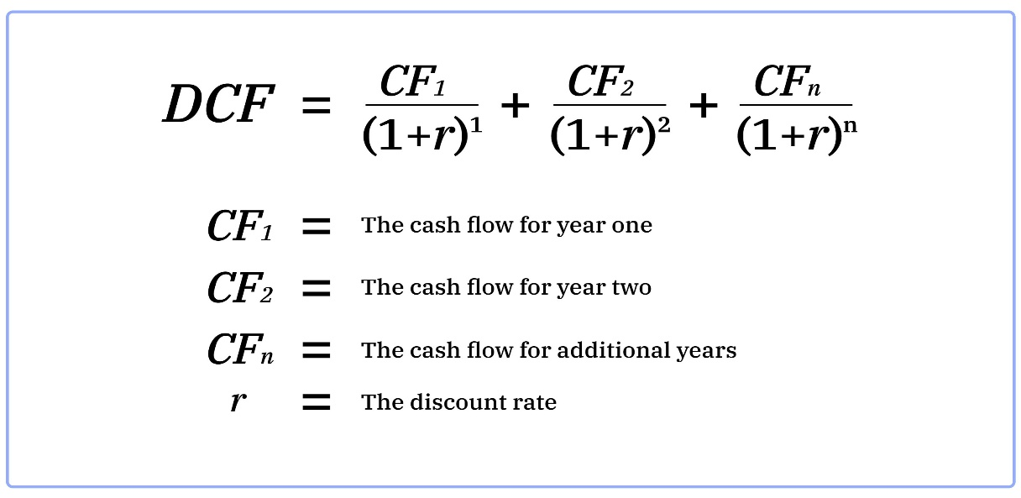
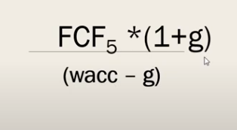
usually you would want a normalize risk free rate |  |  | Perpetual Growth Rate |  | 1.000%

 |  |  | Last Year FCFF | $6,919.53 |  |  |  | $24,375.541 | $144,243.09 | $168,618.630
 |  |  | Terminal value | $144,243.09 |  |  |  | #REF! | #REF! | #REF!
 |  |  | PV of Terminal Value | $144,243.09
 |  |  | PV of FCFF | $24,375.54

 | //sum pf pv pf fcff + pv of tm |  | Enterprise Value |  | $168,618.63 |  |  |  | $85,760.00
 |  |  | Cash & Cash Equivalents |  | $14,057.00
 |  |  | Total Debt |  | $9,676.00
 |  |  | Equity Value |  | $172,999.63 |  |  |  |  |  |  | $65.13
 |  |  | Shares Outstanding |  | 1,072.00

 |  |  | FAIR VALUE OF STOCK: |  | $161.38 |  | CURRENT PRICE: |  | $62.00 |  | GAP: |  | 160%

 |  |  |  |  |  |  | History of valuation

 |  |  |  |  |  |  | TICKER | VALUE | PRICE | DATE

 |  |  |  |  |  |  | pypl | $85.00 | $62.00 | 9.4.24

Intrinsic Valuation
stock | Intrinsic Valuation Model

 | Enter number of years before Terminal Value: |  |  |  |  |  | 7

 | Enter Current Year |  |  | 2024
 |  |  |  |  |  |  |  |  |  |  |  |  | EBIT*(1-tax rate) - ((cap ex - depreciation) + chg in non cash wc) = FCFF
 | Cost of Capital (WACC): |  | 5.84510%

 |  |  | 1 | 2 | 3 | 4 | 5 | 6 | 7 | 0 | 0 | 0 | 0 | 0 | 0 | 0 | 0 | 0 | 0 | 0 | 0 | 0 | 0 | 0 | 0 | 0 | 0 | 0
 | Year | ttm | 1 | 2 | 3 | 4 | 5 | 6 | 7 | 0 | 0 | 0 | 0 | 0 | 0 | 0 | 0 | 0 | 0 | 0 | 0 | 0 | 0 | 0 | 0 | 0 | 0 | 0
 | EBIT: | $5,753.33
you can start with effective tax rate but move torwards marginal | Tax Rate: | 21%
 | Cap Ex: | $3,596.00
 | Depreciation: | $4,049.67
 | Working Capital: |  |  |  |  |  |  |  |  |  |  |  |  |  |  |  |  |  |  |  |  |  |  |  |  |  |  |  | 0 | 1 | 2 | 3 | 4 | 5 | 6 | 7 | 8 | 9 | 10 | 11 | 12 | 13 | 14 | 15 | 16 | 17 | 18 | 19 | 20
 | Cash asset: |  |  |  |  |  |  |  |  |  |  |  |  |  |  |  |  |  |  |  |  |  |  |  |  |  |  |  | 7 | 7 | 7 | 7 | 7 | 7 | 7 | 7 | 7 | 7 | 7 | 7 | 7 | 7 | 7 | 7 | 7 | 7 | 7 | 7 | 7
 | non cash WC | $- | $- | $- | $- | $- | $- | $- | $- | $- | $- | $- | $- | $- | $- | $- | $- | $- | $- | $- | $- | $- | $- | $- | $- | $- | $- | $- | 2024 | 2024 | 2024 | 2024 | 2024 | 2024 | 2024 | 2024 | 2024 | 2024 | 2024 | 2024 | 2024 | 2024 | 2024 | 2024 | 2024 | 2024 | 2024 | 2024 | 2024
chg in wc tends to move a lot so you either want to | change in non cash WC | 382 | $- | $- | $- | $- | $- | $- | $- | $- | $- | $- | $- | $- | $- | $- | $- | $- | $- | $- | $- | $- | $- | $- | $- | $- | $- | $- |  | 5.84510% | 5.84510% | 5.84510% | 5.84510% | 5.84510% | 5.84510% | 5.84510% | 5.84510% | 5.84510% | 5.84510% | 5.84510% | 5.84510% | 5.84510% | 5.84510% | 5.84510% | 5.84510% | 5.84510% | 5.84510% | 5.84510% | 5.84510% | 5.84510%
break it down or use an secter average or firm average | FCFF | $4,616.80 | $- | $- | $- | $- | $- | $- | $- | $- | $- | $- | $- | $- | $- | $- | $- | $- | $- | $- | $- | $- | $- | $- | $- | $- | $- | $-
 | PV of FCFF |  | $- | $- | $- | $- | $- | $- | $- | $- | $- | $- | $- | $- | $- | $- | $- | $- | $- | $- | $- | $- | $- | $- | $- | $- | $- | $-

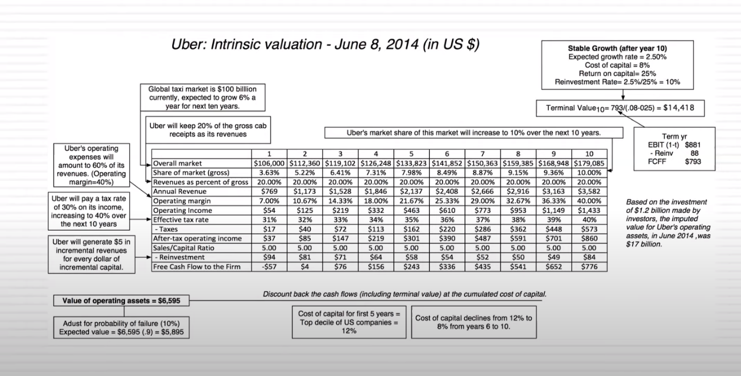
 | Perpetual Growth Rate |  | 4.000%

 | Last Year FCFF
 | Terminal value | $-
 | PV of Terminal Value
 | PV of FCFF | $-

 | pv of fcff + Terminal value |  | $-
 | Cash & Cash Equivalents
 | Total Debt
 | Equity Value |  | $-
 | Shares Outstanding

 | FAIR VALUE OF STOCK: |  | #DIV/0! |  | CURRENT PRICE: |  |  |  | GAP: |  | #DIV/0!

