dcf_growth
 |  | Discounted Cash Flow Model
 |  |  |  |  |  |  |  |  |  |  |  |  |  |  |  |  |  |  | 10% | 10% | 10% | 10% | 10% | 10% | 9.8% | 10% | 10% | 10% | 10% | 10% | 10% | 10% | 10% | 10% | 10% | 10% | 10% | 10% | 10% | 10% | 10% | 10% | 10% | 10%
 |  |  |  |  |  |  |  |  |  |  |  |  |  |  |  |  |  |  | 2024 | 2024 | 2024 | 2024 | 2024 | 2024 | 2024 | 2024 | 2024 | 2024 | 2024 | 2024 | 2024 | 2024 | 2024 | 2024 | 2024 | 2024 | 2024 | 2024 | 2024 | 2024 | 2024 | 2024 | 2024 | 2024
 |  |  |  |  |  |  |  |  |  |  |  |  |  |  |  |  |  |  | 0 | 1 | 2 | 3 | 4 | 5 | 6 | 7 | 8 | 9 | 10 | 11 | 12 | 13 | 14 | 15 | 16 | 17 | 18 | 19 | 20 | 21 | 22 | 23 | 24 | 25
 |  |  |  |  |  |  |  |  |  |  |  |  |  |  |  |  |  |  | 10 | 10 | 10 | 10 | 10 | 10 | 10 | 10 | 10 | 10 | 10 | 10 | 10 | 10 | 10 | 10 | 10 | 10 | 10 | 10 | 10 | 10 | 10 | 10 | 10 | 10
 |  |  | enter current year: |  |  |  | 2024 |  |  |  |  |  |  |  |  |  |  |  | 0.000% | 0.000% | 0.000% | 0.000% | 0.000% | 0.000% | 0.000% | 0.000% | 0.000% | 0.000% | 0.000% | 0.000% | 0.000% | 0.000% | 0.000% | 0.000% | 0.000% | 0.000% | 0.000% | 0.000% | 0.000% | 0.000% | 0.000% | 0.000% | 0.000% | 0.000%
stock
rblx |  |  | Enter number of years before terminal value |  |  |  | 10

 |  |  | Year | 1 | 2 | 3 | 4 | 5 | 6 | 7 | 8 | 9 | 10 | 0 | 0 | 0 | 0 | 0 | 0 | 0 | 0 | 0 | 0 | 0 | 0 | 0 | 0 | 0

 |  |  | Growth rate | -10.19% | -10.19% | -10.19% | -10.19% | -10.19% | 10.19% | 10.19% | 10.19% | 10.19% | 10.19%

 |  |  | Average Growth Rate: |  | 0.000%

 |  |  | Cost of Capital (WACC): |  | 9.84820%

 |  |  | Period | 0 | 1 | 2 | 3 | 4 | 5 | 6 | 7 | 8 | 9 | 10 | 11 | 12 | 13 | 14 | 15 | 16 | 17 | 18 | 19 | 20 | 21 | 22 | 23 | 24 | 25
 |  |  | Year | ttm | 1 | 2 | 3 | 4 | 5 | 6 | 7 | 8 | 9 | 10 | 0 | 0 | 0 | 0 | 0 | 0 | 0 | 0 | 0 | 0 | 0 | 0 | 0 | 0 | 0
 |  | by real growth | future FCFF | $-2,409.40 | $-2,163.88 | $-1,943.38 | $-1,745.35 | $-1,567.50 | $1,500.00 | $1,652.85 | $1,821.28 | $2,006.86 | $2,211.36 | $2,436.70 | $- | $- | $- | $- | $- | $- | $- | $- | $- | $- | $- | $- | $- | $- | $-
 |  | by real growth | present value |  | $-1,969.886 | $-1,610.545 | $-1,316.754 | $-1,076.556 | $937.835 | $940.753 | $943.681 | $946.617 | $949.562 | $952.517 | $- | $- | $- | $- | $- | $- | $- | $- | $- | $- | $- | $- | $- | $- | $-
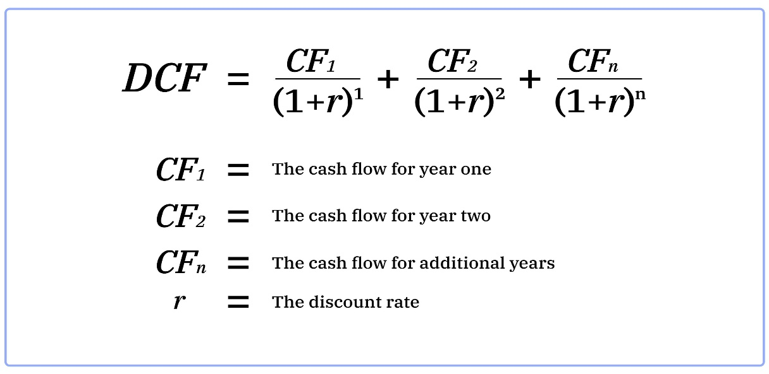
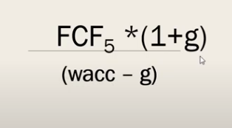
usually you would want a normalize risk free rate |  |  | Perpetual Growth Rate |  | 3.400%

 |  |  | Last Year FCFF | $2,436.70 |  |  |  | $-302.776 | $39,073.67 | $38,770.895
 |  |  | Terminal value | $39,073.67 |  |  |  | #REF! | #REF! | #REF!
 |  |  | PV of Terminal Value | $15,274.07
 |  |  | PV of FCFF | $-302.78 |  | $-2,409.40

 |  |  |  |  |  |  |  | 591.05

 | //sum pf pv pf fcff + pv of tm |  | Enterprise Value |  | $14,971.29 |  |  |  | $47,284.00
 |  |  | Cash & Cash Equivalents |  | $2,193.27
 |  |  | Total Debt |  | $1,005.00
 |  |  | Equity Value |  | $16,159.57 |  |  |  |  |  |  | $65.13
 |  |  | Shares Outstanding |  | 591.05

 |  |  | FAIR VALUE OF STOCK: |  | $27.34 |  | CURRENT PRICE: |  | $36.01 |  | GAP: |  | -24%

 |  |  |  |  |  |  | History of valuation

 |  |  |  |  |  |  | TICKER | VALUE | PRICE | DATE

 |  |  |  |  |  |  | pypl | $85.00 | $62.00 | 9.4.24
 |  |  |  |  |  |  | rblx | $27.00 | $36.01 | 29.4.24

Intrinsic Valuation
stock | Intrinsic Valuation Model

 | Enter number of years before Terminal Value: |  |  |  |  |  | 7

 | Enter Current Year |  |  | 2024
 |  |  |  |  |  |  |  |  |  |  |  |  | EBIT*(1-tax rate) - ((cap ex - depreciation) + chg in non cash wc) = FCFF
 | Cost of Capital (WACC): |  | 5.84510%

 |  |  | 1 | 2 | 3 | 4 | 5 | 6 | 7 | 0 | 0 | 0 | 0 | 0 | 0 | 0 | 0 | 0 | 0 | 0 | 0 | 0 | 0 | 0 | 0 | 0 | 0 | 0
 | Year | ttm | 1 | 2 | 3 | 4 | 5 | 6 | 7 | 0 | 0 | 0 | 0 | 0 | 0 | 0 | 0 | 0 | 0 | 0 | 0 | 0 | 0 | 0 | 0 | 0 | 0 | 0
 | EBIT: | $5,753.33
you can start with effective tax rate but move torwards marginal | Tax Rate: | 21%
 | Cap Ex: | $3,596.00
 | Depreciation: | $4,049.67
 | Working Capital: |  |  |  |  |  |  |  |  |  |  |  |  |  |  |  |  |  |  |  |  |  |  |  |  |  |  |  | 0 | 1 | 2 | 3 | 4 | 5 | 6 | 7 | 8 | 9 | 10 | 11 | 12 | 13 | 14 | 15 | 16 | 17 | 18 | 19 | 20
 | Cash asset: |  |  |  |  |  |  |  |  |  |  |  |  |  |  |  |  |  |  |  |  |  |  |  |  |  |  |  | 7 | 7 | 7 | 7 | 7 | 7 | 7 | 7 | 7 | 7 | 7 | 7 | 7 | 7 | 7 | 7 | 7 | 7 | 7 | 7 | 7
 | non cash WC | $- | $- | $- | $- | $- | $- | $- | $- | $- | $- | $- | $- | $- | $- | $- | $- | $- | $- | $- | $- | $- | $- | $- | $- | $- | $- | $- | 2024 | 2024 | 2024 | 2024 | 2024 | 2024 | 2024 | 2024 | 2024 | 2024 | 2024 | 2024 | 2024 | 2024 | 2024 | 2024 | 2024 | 2024 | 2024 | 2024 | 2024
chg in wc tends to move a lot so you either want to | change in non cash WC | 382 | $- | $- | $- | $- | $- | $- | $- | $- | $- | $- | $- | $- | $- | $- | $- | $- | $- | $- | $- | $- | $- | $- | $- | $- | $- | $- |  | 5.84510% | 5.84510% | 5.84510% | 5.84510% | 5.84510% | 5.84510% | 5.84510% | 5.84510% | 5.84510% | 5.84510% | 5.84510% | 5.84510% | 5.84510% | 5.84510% | 5.84510% | 5.84510% | 5.84510% | 5.84510% | 5.84510% | 5.84510% | 5.84510%
break it down or use an secter average or firm average | FCFF | $4,616.80 | $- | $- | $- | $- | $- | $- | $- | $- | $- | $- | $- | $- | $- | $- | $- | $- | $- | $- | $- | $- | $- | $- | $- | $- | $- | $-
 | PV of FCFF |  | $- | $- | $- | $- | $- | $- | $- | $- | $- | $- | $- | $- | $- | $- | $- | $- | $- | $- | $- | $- | $- | $- | $- | $- | $- | $-

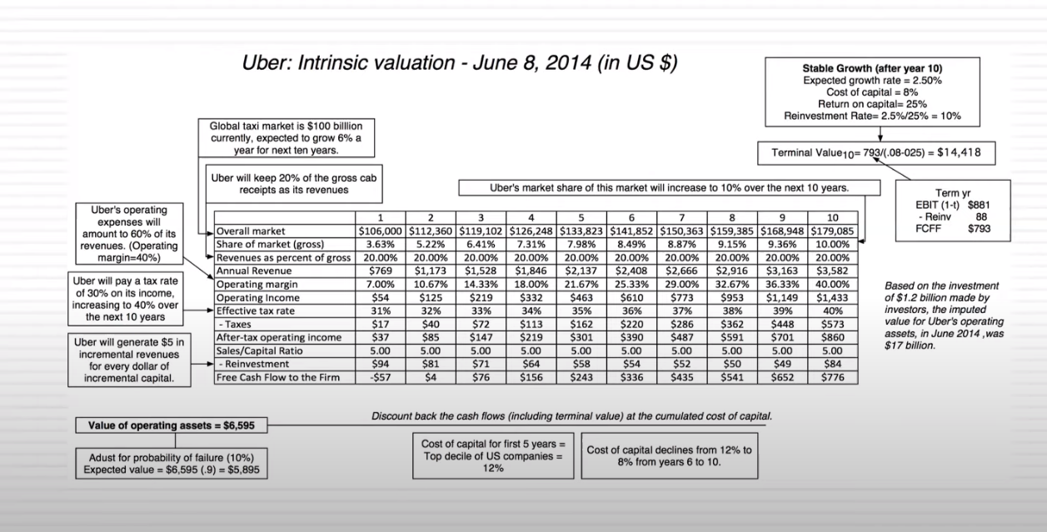
 | Perpetual Growth Rate |  | 4.000%

 | Last Year FCFF
 | Terminal value | $-
 | PV of Terminal Value
 | PV of FCFF | $-

 | pv of fcff + Terminal value |  | $-
 | Cash & Cash Equivalents
 | Total Debt
 | Equity Value |  | $-
 | Shares Outstanding

 | FAIR VALUE OF STOCK: |  | #DIV/0! |  | CURRENT PRICE: |  |  |  | GAP: |  | #DIV/0!

