Equity


AMZN VALUATION by Roi Dayan |  |  |  |  |  |  | data from sec.gov
 |  |  |  |  |  |  | trading view
 |  |  |  |  |  |  | yahoo finance
 |  |  |  |  |  |  | investing.com
date of valuation: 27 apr 2024 - 19 may 2024

 |  |  |  |  |  |  |  |  |  |  | chart 1 - firms' life cycle
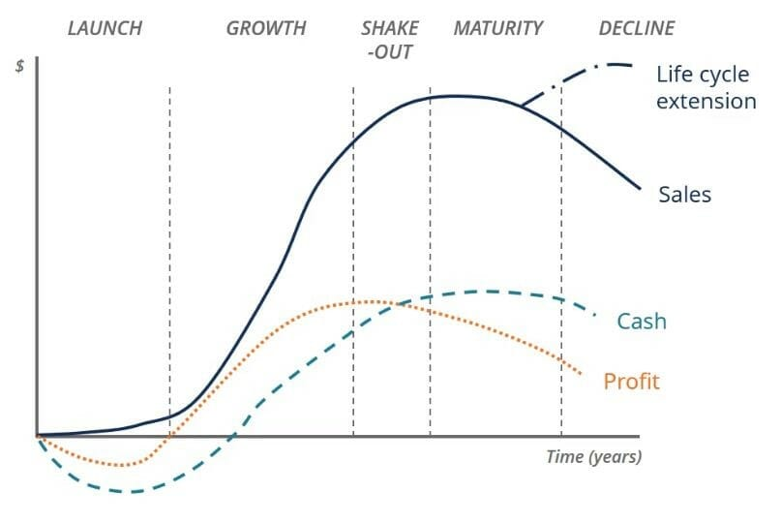

 | amazon is a grown company, amazon is far after it's "young growth" phase, thus, we will use in our Discounted Cash Flow model, 5 years
 | we don’t need more because apple is already grown

 | with that being said, amazon management stratdegy does include risk taking and new big projects, which is good, but makes the company more
 | riskier, but with higher growth rate.

 | risk free rate

 | the current risk free rate is the rate of US10Y bond which is 4.512%
 | we can see that the the risk free rate is on the rise and is in an up trend, to estimate to future rate, we would believe that the risk free rate |  |  |  |  |  |  |  |  |  | chart 2 - historical risk free rate
 | is going to go back to its averages within the years
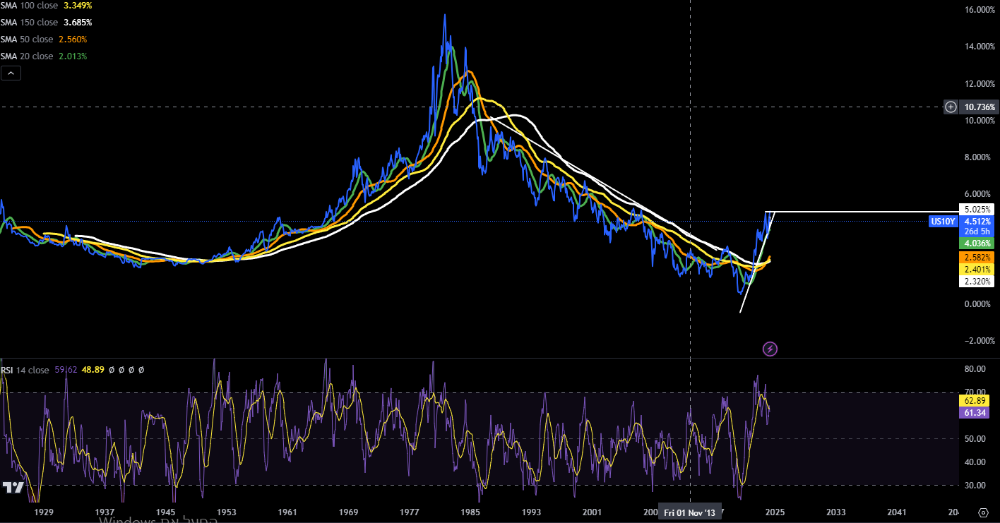

 | year | rf
 | 1 | 4.512% | current
 | 2 | 4.591% | sma 20 | avg 20 days
 | 3 | 4.380% | sma 50 | avg 50 days
 | 4 | 4.323% | sma 100 | avg 100 days
 | 5 | 4.220% | sma 150 | avg 150 days

 | equity risk premium

Implied Equity Risk Premium for US Equity Market: 1960-2022
 | Implied Premium (DDM)
1960
1961 | 0.0292
1962 | 0.0356
1963 | 0.0338
1964 | 0.0331
1965 | 0.0332
1966 | 0.0368
1967 | 0.032
1968 | 0.03
1969 | 0.0374
1970 | 0.0341
1971 | 0.0309
1972 | 0.0272
1973 | 0.043
1974 | 0.0559
1975 | 0.0413
1976 | 0.0455
1977 | 0.0592
1978 | 0.0572
1979 | 0.0645
1980 | 0.0503
1981 | 0.0573
1982 | 0.049
1983 | 0.0431
1984 | 0.0511
1985 | 0.0384
1986 | 0.0358
1987 | 0.0399
1988 | 0.0377
1989 | 0.0351
1990 | 0.0389
1991 | 0.0348
1992 | 0.0355
1993 | 0.0317
1994 | 0.0355
1995 | 0.0329
1996 | 0.032
1997 | 0.0273
1998 | 0.0226
1999 | 0.0205
2000 | 0.0287
2001 | 0.0362
2002 | 0.041
2003 | 0.0369
2004 | 0.0365
2005 | 0.0408
2006 | 0.0416
2007 | 0.0437
2008 | 0.0643
2009 | 0.0436
...
 | equity risk premium represents the the yeild investors require for the riskiness of the equity market |  |  |  |  |  |  |  |  | chart 3 - historical Equity risk premium
 | we can see that "latley" (since 2008) the equity risk premium is between the 4.1% to the 6%
 | with that being said, its plausible that in the next 5 years, the market will be less riskier, as the war in the middle east is currently active.
 | as an estimate, we would use the last 10 years average

 | current erp: 4.15%
 | historical avg: 4.24%
 | 5 years avg: 4.93% |  | avg = | 4.256%
 | avg : | 4.585%

 | year | erp |  | equity risk premium represents the premium investors "ask" to invest in the non risk free
 | 1 | 4.240% |  | equity of the us, I believe that because of the ongoing and upcoming war in the middle east,
 | 2 | 4.300% |  | for the next two year there will be a raise in the erp because the market is riskier, after two
 | 3 | 4.260% |  | years, the erp will move back to it's historical average.
 | 4 | 4.240%
 | 5 | 4.240%

 | beta
 | beta is a relative risk measure for the market, as we discussed, AMZN is a grown company with the fourth biggest market cap in the s&p500
 | thus, should have relitvily 1-ish as a market risk measure, because AMZN takes a big part in the market it self.

 | avg internet general retail beta = |  |  | 1.2145 |  |  |  |  |  |  | chart 4 - amazon avg beta by sector/industry

 | effective tax rate

 | to project to future (effective) tax rate and de raio we would use an average

chart 5 - amzn effective tax rate yearly
 |  | 2023-12-31 | 19.00% |  | to compute an average
 |  | 2022-12-31 | 54.20% |  | we will take out extrodinary numbers
 |  | 2021-12-31 | 12.60%
 |  | 2020-12-31 | 11.80% |  |  |  |  |  |  |  |  |  | 2023-12-31 | 19.00%
 |  | 2019-12-31 | 17.00% |  | 2023-12-31 | 19.00% |  |  |  |  |  |  | 2022-12-31 | 54.20%
 |  | 2018-12-31 | 10.60% |  | 2021-12-31 | 12.60% |  |  |  |  |  |  | 2021-12-31 | 12.60%
 |  | 2017-12-31 | 20.20% |  | 2020-12-31 | 11.80% | average: | 15.20% |  |  |  |  | 2020-12-31 | 11.80%
 |  | 2016-12-31 | 37.50% |  | 2019-12-31 | 17.00% |  |  |  |  |  |  | 2019-12-31 | 17.00%
 |  | 2015-12-31 | 61.40% |  | 2018-12-31 | 10.60% |  |  |  |  |  |  | 2018-12-31 | 10.60%
 |  | 2014-12-31 | -225.70% |  | 2017-12-31 | 20.20% |  |  |  |  |  |  | 2017-12-31 | 20.20%
 |  | 2013-12-31 | 37.00% |  |  |  |  |  |  |  |  |  | 2016-12-31 | 37.50%
 |  |  |  |  |  |  |  |  |  |  |  |  | 2015-12-31 | 61.40%
 |  |  |  |  |  |  |  |  |  |  |  |  | 2014-12-31 | -225.70%
 |  |  |  |  |  |  |  | chart 6 - de ratio |  |  |  |  | 2013-12-31 | 37.00%
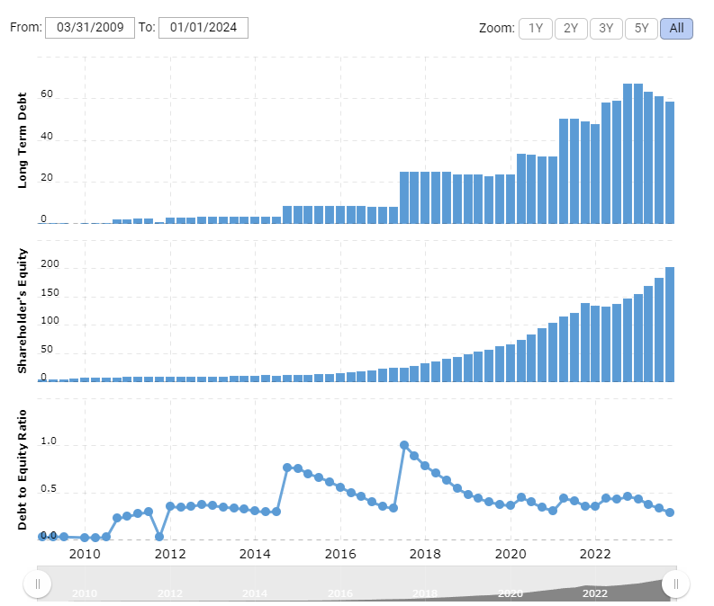
 | de ratio | fiscal year | de ratio
 |  | 2023 | 0.29
 |  | 2022 | 0.46 |  | avg = | 0.36142857143
 |  | 2021 | 0.35
 |  | 2020 | 0.34
 |  | 2019 | 0.38

 |  | 2013 | 0.33
 |  | 2012 | 0.38

 | at 2022 amzn peaked at it's debt, and we expect that she wil lose debt within time,
 | thus, de ratio goes down, but eventually come backs to average terms

 | year | unlevered beta | effective tax rate | de ratio | levered beta | explanation
 | 1 | 1.2145 | 18.00% | 0.290 | 1.503 | the stats are current stats, I like using the current stats as the "estimate" because amzn is stable so the next year's stats should have minimal difference then the current year
 | 2 | 1.2145 | 15.20% | 0.250 | 1.472 | in the second year, things fall to average, the de ratio goes down because at 2022 amzn raised a lot of debt with is expected to be due in short term
 | 3 | 1.2 | 15.20% | 0.230 | 1.434 | the beta gets closer to 1 because amzn is the 4th biggest company and keeps getting bigger, de ratio getting lower because amzn losses debt
 | 4 | 1.13 | 15.20% | 0.220 | 1.341 | the beta gets closer to 1 because amzn is the 4th biggest company and keeps getting bigger, de ratio getting lower because amzn losses debt
 | 5 | 1.05 | 15.20% | 0.210 | 1.237 | the beta gets closer to 1 because amzn is the 4th biggest company and keeps getting bigger, de ratio getting lower because amzn losses debt

 |  |  |  |  |  |  | chart 7 - amzn coe estimate
cost of equity estimate 5 years - AMZN
 | Cost of Equity

 | coe = rf+(beta*erp)

 | year | rf | erp | levered beta | erp |  |  | 2024 | 10.89%
 | 1 | 4.512% | 4.240% | 1.503 | 10.886026344% |  |  | 2025 | 10.92%
 | 2 | 4.591% | 4.300% | 1.472 | 10.920488200% |  |  | 2026 | 10.49%
 | 3 | 4.380% | 4.260% | 1.434 | 10.489044480% |  |  | 2027 | 10.01%
 | 4 | 4.323% | 4.240% | 1.341 | 10.008046272% |  |  | 2028 | 9.46%
 | 5 | 4.220% | 4.240% | 1.237 | 9.464812160%

 | story

 | the cost of equity represents the risk of investing in amzn equity, it represents what yeild investors should ask for investing in amzn equity, by the values we calulate our
 | story is that in fiscal 2024 2025 there will be a rise in the amzn riskiness, but eventually as the company setteles in, it becomes less risky.

 | which does make sense if we take into considiration that fiscal 2023 for amzn was a bounce back from 2022 which was a really bad year to amzn.
 | plus taking into considiration that war in the middle east that doesn’t seem to stop for at least the next year, the values we got for the cost of equity does make sense.

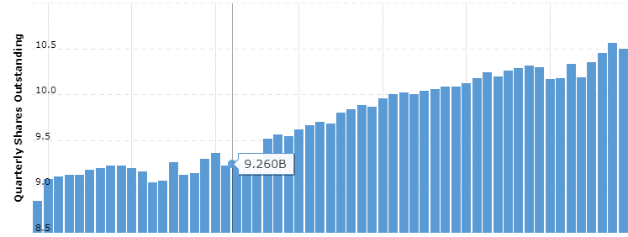

 | market value of equity: |  |  |  |  |  |  |  |  |  |  | year | shares outstanding annual | quarter | shares outstanding quarterly
 |  |  |  |  |  |  |  |  |  |  |  | 2023 | 10,492 | 2023-12-31 | 10,492 | 1
 |  | current price = |  | $187.48 |  |  |  |  |  |  |  | 2022 | 10,189 | 2023-09-30 | 10,558 | 2
 |  |  |  |  |  |  |  |  |  |  |  | 2021 | 10,296 | 2023-06-30 | 10,449 | 3
 |  | shares outstanding = |  | 10,406,627,415 |  |  |  |  |  |  |  | 2020 | 10,198 | 2023-03-31 | 10,347 | 4
 |  |  |  |  |  |  |  |  |  |  |  | 2019 | 10,080 | 2022-12-31 | 10,189 | 5
 |  | market value of equity = |  | $1,951,034,507,764.20 |  |  |  |  |  |  |  | 2018 | 10,000 | 2022-09-30 | 10,331 | 6
 |  |  |  |  |  |  |  |  |  |  |  | 2017 | 9,860 | 2022-06-30 | 10,175 | 7
 |  | in thousands* - |  | $1,951,034,507.76 |  |  |  |  |  |  |  | 2016 | 9,680 | 2022-03-31 | 10,171 | 8
 |  |  |  |  |  |  |  |  |  |  |  | 2015 | 9,540 | 2021-12-31 | 10,296 | 9 | -28.866323979
 |  |  |  |  |  |  |  |  |  |  |  | 2014 | 9,240 | 2021-09-30 | 10,309 | 10
 |  |  |  |  |  |  |  |  |  |  |  | 2013 | 9,300 | 2021-06-30 | 10,286 | 11
 | while we cannot know the future price, we can give an estimate of how many |  |  |  |  |  |  |  |  |  |  | 2012 | 9,060 | 2021-03-31 | 10,260 | 12
 | common shares will be by creating a slope |  |  |  |  |  |  |  |  |  |  | 2011 | 9,220 | 2020-12-31 | 10,198 | 13
 |  |  |  |  |  |  |  |  |  |  |  | 2010 | 9,120 | 2020-09-30 | 10,240 | 14
 | slope = 114.61x + 10591 |  |  |  |  |  |  |  |  |  |  | 2009 | 8,840 | 2020-06-30 | 10,180 | 15
 | year | x | y |  |  |  |  |  |  |  |  | year | shares outstanding annual | 2020-03-31 | 10,120 | 16
 | 1 | 16 | 10,591.21 |  |  |  |  |  |  |  |  | 1 | 10,492 | 2019-12-31 | 10,080 | 17
 | 2 | 17 | 10,705.82 |  |  |  |  |  |  |  |  | 2 | 10,189 | 2019-09-30 | 10,080 | 18
 | 3 | 18 | 10,820.43 |  |  |  |  |  |  |  |  | 3 | 10,296 | 2019-06-30 | 10,060 | 19
 | 4 | 19 | 10,935.04 |  |  |  |  |  |  |  |  | 4 | 10,198 | 2019-03-31 | 10,040 | 20
 | 5 | 20 | 11,049.64 |  |  |  |  |  |  |  |  | 5 | 10,080 | 2018-12-31 | 10,000 | 21
 |  |  |  |  |  |  |  |  |  |  |  | 6 | 10,000 | 2018-09-30 | 10,020 | 22
 | year | shares outstanding | price | market value equity |  |  |  |  |  |  |  | 7 | 9,860 | 2018-06-30 | 10,000 | 23
 | 1 | 10,591,214,285.71 | 187.48 | $1,985,640.85 |  |  |  |  |  |  |  | 8 | 9,680 | 2018-03-31 | 9,960 | 24
 | 2 | 10,705,821,428.57 | 187.48 | $2,007,127.40 |  |  |  |  |  |  |  | 9 | 9,540 | 2017-12-31 | 9,860 | 25
 | 3 | 10,820,428,571.43 | 187.48 | $2,028,613.95 |  |  |  |  |  |  |  | 10 | 9,240 | 2017-09-30 | 9,880 | 26
 | 4 | 10,935,035,714.29 | 187.48 | $2,050,100.50 |  |  |  |  |  |  |  | 11 | 9,300 | 2017-06-30 | 9,840 | 27
 | 5 | 11,049,642,857.14 | 187.48 | $2,071,587.04 |  |  |  |  |  |  |  | 12 | 9,060 | 2017-03-31 | 9,800 | 28
 |  |  |  |  |  |  |  |  |  |  |  | 13 | 9,220 | 2016-12-31 | 9,680 | 29
 |  |  |  |  |  |  |  |  |  |  |  | 14 | 9,120 | 2016-09-30 | 9,700 | 30
 |  |  |  |  |  |  |  |  |  |  |  | 15 | 8,840 | 2016-06-30 | 9,660 | 31
 |  |  |  |  |  |  |  |  |  |  |  |  |  | 2016-03-31 | 9,620 | 32
 |  |  |  | 10,410,000,000.00 |  |  |  |  |  |  |  | 1 | 8,840 | 2015-12-31 | 9,540 | 33
 |  |  |  |  |  |  |  |  |  |  |  | 2 | 9,120 | 2015-09-30 | 9,560 | 34
 |  |  |  |  |  |  |  |  |  |  |  | 3 | 9,220 | 2015-06-30 | 9,520 | 35
 |  |  |  |  |  |  |  |  |  |  |  | 4 | 9,060 | 2015-03-31 | 9,300 | 36
 |  |  |  |  |  |  |  |  |  |  |  | 5 | 9,300 | 2014-12-31 | 9,240 | 37
 |  |  |  |  |  |  |  |  |  |  |  | 6 | 9,240 | 2014-09-30 | 9,260 | 38
 |  |  |  |  |  |  |  |  |  |  |  | 7 | 9,540 | 2014-06-30 | 9,220 | 39
 |  |  |  |  |  |  |  |  |  |  | 114.60714286 | 8 | 9,680 | 2014-03-31 | 9,360 | 40
 |  |  |  |  |  |  |  |  |  |  | 114.60714286 | 9 | 9,860 | 2013-12-31 | 9,300 | 41
 |  |  |  |  |  |  |  |  |  |  | 114.60714286 | 10 | 10,000 | 2013-09-30 | 9,140 | 42
 |  |  |  |  |  |  |  |  |  |  | 114.60714286 | 11 | 10,080 | 2013-06-30 | 9,120 | 43
 |  |  |  |  |  |  |  |  |  |  | 114.60714286 | 12 | 10,198 | 2013-03-31 | 9,260 | 44
 |  |  |  |  |  |  |  |  |  |  | 114.60714286 | 13 | 10,296 | 2012-12-31 | 9,060 | 45
 |  |  |  |  |  |  |  |  |  |  | 114.60714286 | 14 | 10,189 | 2012-09-30 | 9,040 | 46
 |  |  |  |  |  |  |  |  |  |  | 114.60714286 | 15 | 10,492 | 2012-06-30 | 9,160 | 47
 |  |  |  |  |  |  |  |  |  |  |  |  |  | 2012-03-31 | 9,200 | 48
 |  |  |  |  |  |  |  |  |  |  |  |  |  | 2011-12-31 | 9,220 | 49
 |  |  |  |  |  |  |  |  |  |  |  |  |  | 2011-09-30 | 9,220 | 50
 |  |  |  |  |  |  |  |  |  |  |  |  |  | 2011-06-30 | 9,200 | 51
 |  |  |  |  |  |  |  |  |  |  |  |  |  | 2011-03-31 | 9,180 | 52
 |  |  |  |  |  |  |  |  |  |  |  |  |  | 2010-12-31 | 9,120 | 53
 |  |  |  |  |  |  |  |  |  |  |  |  |  | 2010-09-30 | 9,120 | 54
 |  |  |  |  |  |  |  |  |  |  |  |  |  | 2010-06-30 | 9,100 | 55
 |  |  |  |  |  |  |  |  |  |  |  |  |  | 2010-03-31 | 9,080 | 56
 |  |  |  |  |  |  |  |  |  |  |  |  |  | 2009-12-31 | 8,840 | 57
 |  |  |  |  |  |  |  |  |  |  |  |  |  | 2009-09-30 | 8,820 | 58
 |  |  |  |  |  |  |  |  |  |  |  |  |  | 2009-06-30 | 8,800 | 59
 |  |  |  |  |  |  |  |  |  |  |  |  |  | 2009-03-31 | 8,740 | 60

Debt
Cost of Debt

 | cost of debt = rf + x*country default risk + company default risk
 | x = 0; amzn is a us company and as we discussed, the usa has default risk 0f 0%

 | cost of debt = rf+company default risk

 | year | rf
 | 1 | 4.512%
 | 2 | 4.591%
 | 3 | 4.380%
 | 4 | 4.323%
 | 5 | 4.220%

 | there is handfull of ways to calculate a default risk for a company, but fortunately, companies like amazon
 | raise money by issuing bonds, and those bonds are being rated by official rating companies, that rating is the default risk for the copmany issuing the bond.

 | chart 8 - amzn corporate bond
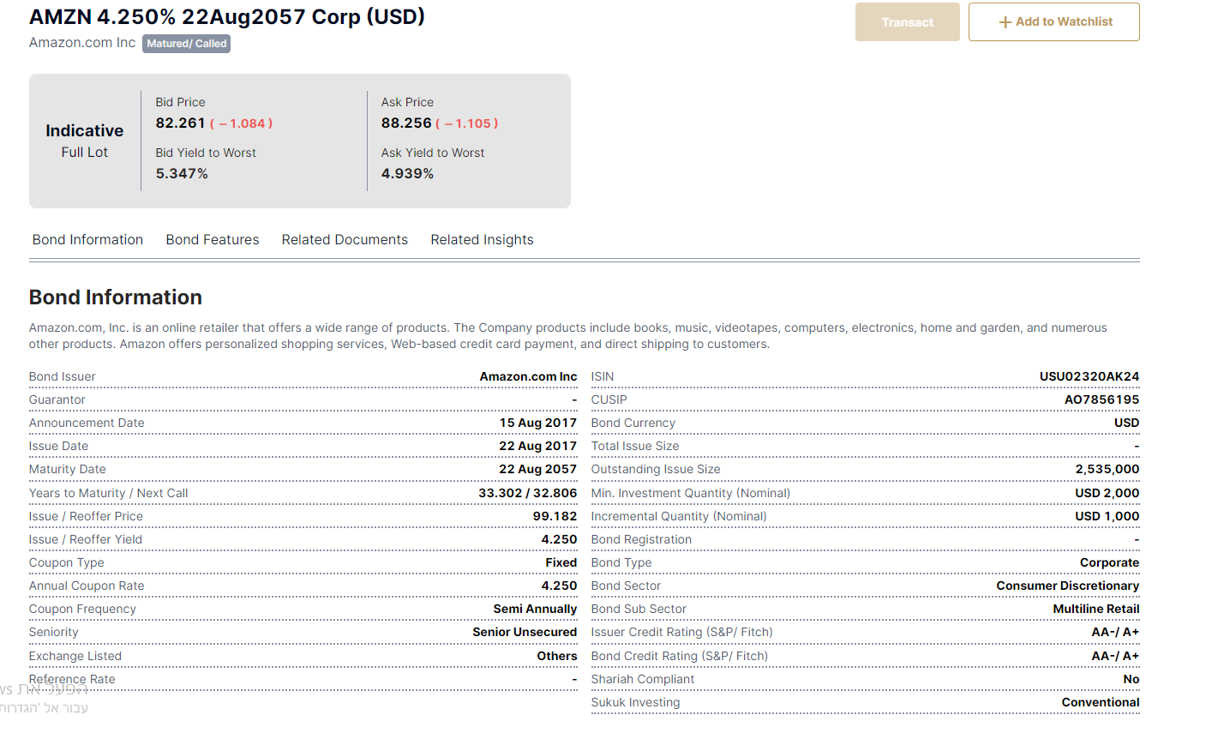

 | as you see, a 40 years bond by amzn
 |  |  |  |  |  | Rating is | Spread is
 | company | rating | SPREAD |  |  | D2/D | 20.00%
 | S&P | AA- | 1.21% |  |  | C2/C | 17.00%
 | Fitch | AA+ | 0.70% |  |  | Ca2/CC | 11.78%
 |  |  |  |  |  | Caa/CCC | 8.51%
 |  |  |  |  |  | B3/B- | 5.24%
 | in my story, as the years go amazon is more stable and less |  |  |  |  | B2/B | 3.61%
 | risky, thus it's rating for a bond should be better |  |  |  |  | B1/B+ | 3.14%
 |  |  |  |  |  | Ba2/BB | 2.21%
 | year | rating | spread |  |  | Ba1/BB+ | 1.74%
 | 1 | A- | 1.21% |  |  | Baa2/BBB | 1.47%
 | 2 | A | 1.07% |  |  | A3/A- | 1.21%
 | 3 | A+ | 0.92% |  |  | A2/A | 1.07%
 | 4 | A+ | 0.92% |  |  | A1/A+ | 0.92%
 | 5 | AA | 0.70% |  |  | Aa2/AA | 0.70%
 |  |  |  |  |  | Aaa/AAA | 0.59%

cost of debt AMZN 5 years estimate
 | cost of debt

 |  |  |  |  |  | year | cost of debt
 | year | risk free rate | spread | cost of debt |  | 1 | 5.722%
 | 1 | 4.512% | 1.21% | 5.722% |  | 2 | 5.661%
 | 2 | 4.591% | 1.07% | 5.661% |  | 3 | 5.300%
 | 3 | 4.380% | 0.92% | 5.300% |  | 4 | 5.243%
 | 4 | 4.323% | 0.92% | 5.243% |  | 5 | 4.920%
 | 5 | 4.220% | 0.70% | 4.920%

 | market value of debt

 | year | principal
 | 1 | $8,500.00
 | 2 | $5,286.00
 | 3 | $3,146.00
 | 4 | $8,750.00
 | 5 | $2,250.00
 | thereafter | $39,250.00

 | avg principal for a year = |  | $5,586.40
 | thereafter in years = thereafter/avg principal for a year = |  |  |  | 7.0259916941

 | year | principal | portion | weighted avg
 | 1 | $8,500.00 | 13% | 0.12652198506
 | 2 | $5,286.00 | 8% | 0.15736357953
 | 3 | $3,146.00 | 5% | 0.14048405823
 | 4 | $8,750.00 | 13% | 0.52097287964
 | 5 | $2,250.00 | 3% | 0.16745556846 |  | annual interest expense: |  | $3,003.00 | in mill
 | 7 | $39,250.00 | 58% | 4.0896371052 |  | cost of debt avg: |  | 5.369%
 |  |  | total | 5.2024351761 |  | total debt: |  | 135,611 | in mill

 | prsent value of debt:
 |  |  |  |  |  | year: | 1 | 2 | 3 | 4 | 5
 |  |  |  |  |  | value: | $2,849.98 | $2,704.77 | $2,566.95 | $2,436.15 | $2,312.02
 |  |  |  |  |  | present value = | $12,869.86

 |  |  |  |  |  | present value of principal = |  | $12,869.86

 |  |  |  |  |  | market value of debt = present value of principal + book value of debt = |  |  |  |  | $148,480.86

WACC
wacc

 | year | tax rate | cost of debt | after tax cod | cost of equity | market value of equity | market value of debt | WACC
 | 1 | 18.00% | 5.7220% | 4.6920% | 10.886026% | $1,985,640.85 | $148,480.86 | 10.4550816%
 | 2 | 15.20% | 5.6610% | 4.8005% | 10.920488% | $2,007,127.40 | $148,480.86 | 10.4989381%
 | 3 | 15.20% | 5.3000% | 4.4944% | 10.489044% | $2,028,613.95 | $148,480.86 | 10.0802015%
 | 4 | 15.20% | 5.2430% | 4.4461% | 10.008046% | $2,050,100.50 | $148,480.86 | 9.6324186%
 | 5 | 15.20% | 4.9200% | 4.1722% | 9.464812% | $2,071,587.04 | $148,480.86 | 9.1108331%

cost of equity estimate 5 years - AMZN
2024 | 10.89%
2025 | 10.92%
2026 | 10.49%
2027 | 10.01%
2028 | 9.46%
cost of debt AMZN 5 years estimate
 | cost of debt
1 | 5.722%
2 | 5.661%
3 | 5.300%
4 | 5.243%
5 | 4.920%

Market Value

 |  |  | year | WACC
 |  |  | 1 | 10.4550816% |  |  |  | year | market value of equity | market value of debt
 |  |  | 2 | 10.4989381% |  |  |  | 1 | $1,985,640.85 | $148,480.86
 |  |  | 3 | 10.0802015% |  |  |  | 2 | $2,007,127.40 | $148,480.86
 |  |  | 4 | 9.6324186% |  |  |  | 3 | $2,028,613.95 | $148,480.86
 |  |  | 5 | 9.1108331% |  |  |  | 4 | $2,050,100.50 | $148,480.86
 |  |  |  |  |  |  |  | 5 | $2,071,587.04 | $148,480.86

DCF by regression
 | AMZN | this dcf is based on regression of past data, to get a hang of what is the fair value if the company preformes absoloutly, by all means, average

x | Ticker | AMZN | Implied Share Price |  |  |  | current year: |  | 2023 |  |  | EBIT*(1-tax rate) - ((cap ex - depreciation) + chg in non cash wc) = FCFF
 | Date | 05/13/2024 | Today's Share Price

x | Assumptions
 | Valuation Assumptions
 | WACC
 | Terminal Growth rate
 |  |  | -4 | -3 | -2 | -1 |  | 1 | 2 | 3 | 4 | 5 |  |  |  |  | year | revenue |  |  | revenue | revenue by year
x | Income Statement |  | 2019 | 2020 | 2021 | 2022 | ttm | 2024 | 2025 | 2026 | 2027 | 2028 |  |  |  |  | 2023 | $574,785 |  | 1 | $24,509 | 2009 |  | 1 | $24,509
 | Revenue |  |  |  |  |  | $574,785.00 | $633,224.74 | $672,801.29 | $712,377.84 | $751,954.38 | $791,530.93 |  |  |  |  | 2022 | $513,983 |  | 2 | $34,204 | 2010 |  | 2 | $34,204
 | % growth |  |  |  |  |  |  | 10.2% | 6.3% | 5.9% | 5.6% | 5.3% |  |  |  |  | 2021 | $469,822 |  | 3 | $48,077 | 2011 |  | 3 | $48,077
 |  |  |  |  |  |  |  |  |  |  |  |  |  |  |  |  | 2020 | $386,064 |  | 4 | $61,093 | 2012 |  | 4 | $61,093
 | EBIT |  |  |  |  |  | $36,852.00 | $41,812.40 | $47,785.60 | $53,758.80 | $59,732.00 | $65,705.20 |  |  |  |  | 2019 | $280,522 |  | 5 | $74,452 | 2013 |  | 5 | $74,452
 | % of sales |  |  |  |  |  |  | 13.5% | 14.3% | 12.5% | 11.1% | 10.0% |  |  |  |  | 2018 | $232,887 |  | 6 | $88,988 | 2014 |  | 6 | $88,988
 |  |  |  |  |  |  |  |  |  |  |  |  |  |  |  |  | 2017 | $177,866 |  | 7 | $107,006 | 2015 | #DIV/0! | 7 | $107,006
 | Taxes |  |  |  |  |  |  |  |  |  |  |  |  |  |  |  | 2016 | $135,987 |  | 8 | $135,987 | 2016 |  | 8 | $135,987
 | % of EBIT |  |  |  |  |  |  |  |  |  |  |  |  |  |  |  | 2015 | $107,006 |  | 9 | $177,866 | 2017 |  | 9 | $177,866
 |  |  |  |  |  |  |  |  |  |  |  |  |  |  |  |  | 2014 | $88,988 |  | 10 | $232,887 | 2018 |  | 10 | $232,887
x | Cash Flow Items |  | 2019 | 2020 | 2021 | 2022 | ttm | 2024 | 2025 | 2026 | 2027 | 2028 |  |  |  |  | 2013 | $74,452 |  | 11 | $280,522 | 2019 |  | 11 | $280,522
 | Depreciation |  |  |  |  |  |  |  |  |  |  |  |  |  |  |  | 2012 | $61,093 |  | 12 | $386,064 | 2020 |  | 12 | $386,064
 | % of sales |  |  |  |  |  |  |  |  |  |  |  |  |  |  |  | 2011 | $48,077 |  | 13 | $469,822 | 2021 |  | 13 | $469,822
 |  |  |  |  |  |  |  |  |  |  |  |  |  |  |  |  | 2010 | $34,204 |  | 14 | $513,983 | 2022 |  | 14 | $513,983
 | CapEx |  |  |  |  |  |  |  |  |  |  |  |  |  |  |  | 2009 | $24,509 |  | 15 | $574,785 | 2023 |  | 15 | $574,785
 | % of sales

 | WC
 | % growth

 | Cash assets
 | % growth

 | non cash WC
 | % growth
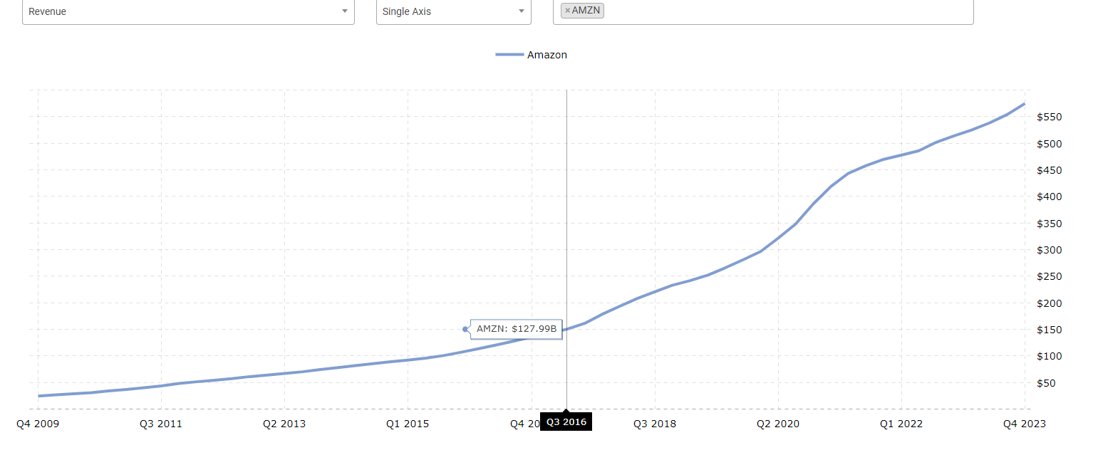
 | Change in NWC
 | % of sales
 |  |  |  |  |  |  |  | 1 | 2 | 3 | 4 | 5
x | DCF |  | 2019 | 2020 | 2021 | 2022 | ttm | 2024 | 2025 | 2026 | 2027 | 2028
 | Revenue |  |  |  |  |  | $574,785.00 | $633,224.74 | $672,801.29 | $712,377.84 | $751,954.38 | $791,530.93
 | % growth |  |  |  |  |  |  | 10.2% | 6.3% | 5.9% | 5.6% | 5.3%
 | %of revenue

 | EBIT |  |  |  |  |  | $36,852.00 | $44,222.40 | $53,066.88 | $63,680.26 | $76,416.31 | $91,699.57 |  | 2024 | $44,222.40 | $53,066.88 | $63,680.26 | $76,416.31 | $91,699.57
 | % growth |  |  |  |  |  |  | 13.5% | 14.3% | 12.5% | 11.1% | 10.0% |  | 2025
 | %of revenue |  |  |  |  |  | 6.4% | 7.0% | 7.9% | 8.9% | 10.2% | 11.6% |  | 2026
 |  |  |  |  |  |  |  |  |  |  |  |  |  | 2027
 | Tax Rate |  |  |  |  |  |  | 18.0% | 15.2% | 15.2% | 15.2% | 15.2% |  | 2028
 | % growth |  |  |  |  |  |  |  | -15.6% | 0.0% | 0.0% | 0.0%
 | %of revenue

 | Net chg PP&E |  |  |  |  |  |  | $-5,793.72 | $-5,793.72 | $-6,044.70 | $-6,250.98 | $-6,548.23
 | % growth |  |  |  |  |  |  |  | 0.0% | 4.3% | 3.4% | 4.8%
 | Depriciation |  |  |  |  |  |  | $52,968.11 | $56,278.62 | $59,589.13 | $62,899.64 | $66,210.14

 | CapEx |  |  |  |  |  |  | 47,174 | 50,485 | 53,544 | 56,649 | 59,662 | EBIT*(1-tax rate) - ((cap ex - depreciation) + chg in non cash wc) = FCFF
 | % growth |  |  |  |  |  |  |  | 7.0% | 6.1% | 5.8% | 5.3%
 | %of revenue |  |  |  |  |  |  |  |  |  |  |  | AFTER TAX OPERATING INCOME - NET CHG IN PP&E - CHG IN NON CASH WC

 | Change in non cash WC |  |  |  |  |  |  | $-11,000.00 | $-11,000.00 | $-11,000.00 | $-11,000.00 | $-11,000.00 |  |  |  | 18.00%
 | % growth |  |  |  |  |  |  |  |  |  |  |  |  |  |  | 15.20%
 |  |  |  |  |  |  |  |  |  |  |  |  |  | 1 |  | 15.20%
 | Depriciation |  |  |  |  |  |  | $52,968.11 | $56,278.62 | $59,589.13 | $62,899.64 | $66,210.14 |  |  |  | 15.20%
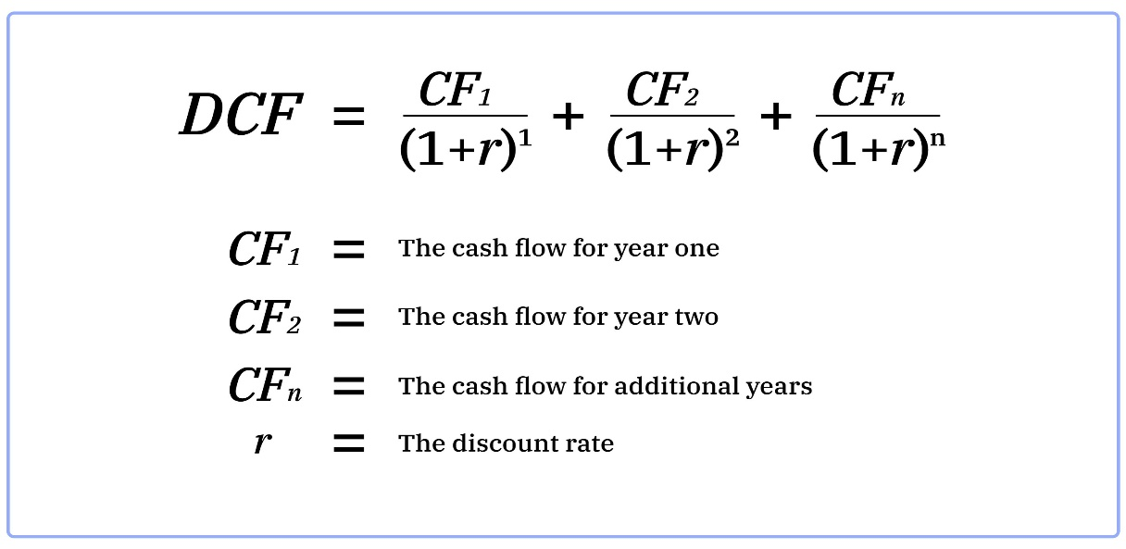
 | % growth |  |  |  |  |  |  |  |  |  |  |  |  |  |  | 15.20%
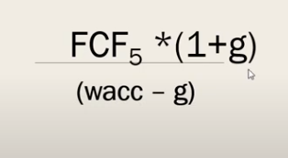
 | %of revenue
 |  |  |  |  |  |  |  | 1 | 2 | 3 | 4 | 5
 |  |  |  |  |  | Unlevered FCF |  | $53,056.08 | $61,794.43 | $71,045.56 | $82,052.01 | $95,309.47
w |  |  |  |  |  | wacc |  | 10.4550816% | 10.4989381% | 10.0802015% | 9.6324186% | 9.1108331%
 |  |  |  |  |  | Present Value of FCF |  | $48,034.08 | $50,609.63 | $53,260.99 | $56,798.03 | $61,630.64 | $270,333.37
 |  |  |  |  |  |  |  |  | 5.3619% | 5.2389% | 6.6409% | 8.5084%
 | perpetual growth rate: | 4.00%
x | Terminal Value |  |  |  |  |  |  |  |  |  |  | $1,939,445.93
 | Present Value of Terminal Value |  |  |  |  |  |  |  |  |  |  | $1,254,117.76
 | Enterprise Value |  |  |  |  |  |  |  |  |  |  | $1,524,451.13
 | + Cash |  |  |  |  |  |  |  |  |  |  | $86,780
 | - Debt |  |  |  |  |  |  |  |  |  |  | $135,611.00
 | Equity Value |  |  |  |  |  |  |  |  |  |  | $1,475,620.13
 | Shares |  |  |  |  |  |  |  |  |  |  | 10,410
x | Share Price |  |  |  |  |  |  |  |  |  |  | $141.75 | 141.75
 |  |  |  |  |  |  |  |  |  |  | current price | 186$ | 186
 |  |  |  |  |  |  |  |  |  |  |  | -24%

 | conclusions
 | by simple regression model, to predict the future cash flows, we get that the fair of amazon stock is 142$, which is overvalued by 24%
 | with that being said, I think that this is a GOOD SIGN, expecting amazon to generate cash flows by a simple regression is massivly underestimating amazon market power
 | if you believe in amazon ability to stabilaze free cash flow to the firm with it's current power, then amazon fair share price should be much higher.

 | this number (142$) represents the fair share value by amazon past growth, (2009-2023), but, as amazon continue to develop, im sure it's growth will be much better then it's past growth.

DCF estimations
 |  |  | revenue by year
 |  | 2009 | $24,509.00 | 1 |  | $24,509
 |  | 2010 | $34,204.00 | 2 |  | $34,204
 |  | 2011 | $48,007.00 | 3 |  | $48,077
 |  | 2012 | $61,093.00 | 4 |  | $61,093 | $61,093
 |  | 2013 | $74,452.00 | 5 |  | $74,452
 | #DIV/0! | 2014 | $88,988.00 | 6 |  | $88,988
 |  | 2015 | $107,006.00 | 7 |  | $107,006
 |  | 2016 | $135,987.00 | 8 |  | $135,987
 |  | 2017 | $177,866.00 | 9 |  | $177,866
 |  | 2018 | $232,887.00 | 10 |  | $232,887
 |  | 2019 | $280,522.00 | 11 |  | $280,522
 |  | 2020 | $386,064.00 | 12 |  | $386,064
 |  | 2021 | $462,822.00 | 13 |  | $469,822
 |  | 2022 | $513,983.00 | 14 |  | $513,983
revenue
revenue forcast
 |  | 2023 | $574,785.00 | 15 |  | $574,785
 | forcast | 2024 | $633,224.74 | 16
 |  | 2025 | $672,801.29 | 17
 |  | 2026 | $712,377.84 | 18
 |  | 2027 | $751,954.38 | 19
 |  | 2028 | $791,530.93 | 20 | slope | 39576.546429
 |  |  |  |  |  | 39576.546429
 |  |  |  |  |  | 39576.546429
 |  |  |  |  |  | 39576.546429
 |  |  |  |  |  | 39576.546429

EBIT
 | ebit

 |  |  |  |  |  |  | %chg
 |  | 2023 | $36,852 | 2009 | $1,129.00 | $1,129
 |  | 2022 | $12,248 | 2010 | $1,406.00 | $1,406 | 24.5%
 |  | 2021 | $24,879 | 2011 | $862.00 | $862 | -38.7%
 |  | 2020 | $22,899 | 2012 | $676.00 | $676 | -21.6%
 |  | 2019 | $14,541 | 2013 | $745.00 | $745 | 10.2%
 |  | 2018 | $12,421 | 2014 | $178.00 | $178 | -76.1%
 |  | 2017 | $4,106 | 2015 | $2,233.00 | $2,233 | 1154.5%
 |  | 2016 | $4,186 | 2016 | $4,186.00 | $4,186 | 87.5% | 87.5% | 34.2%
 |  | 2015 | $2,233 | 2017 | $4,106.00 | $4,106 | -1.9% | 10.2%
 |  | 2014 | $178 | 2018 | $12,421.00 | $12,421 | 202.5% | 24.5%
 |  | 2013 | $745 | 2019 | $14,541.00 | $14,541 | 17.1% | 17.1%
 |  | 2012 | $676 | 2020 | $22,899.00 | $22,899 | 57.5% | 57.5%
 |  | 2011 | $862 | 2021 | $24,879.00 | $24,879 | 8.6% | 8.6%
EBIT - no starting years and no one time losses
 |  | 2010 | $1,406 | 2022 | $12,248.00 | $12,248 | -50.8%
 |  | 2009 | $1,129 | 2023 | $36,852.00 | $36,852 | 200.9%
 |  |  |  |  |  |  |  |  |  |  | 2009 | $1,129.00
 |  |  |  |  |  |  | %chg |  |  |  | 2010 | $1,406.00
 |  |  |  | 1 | $4,186.00 | 2016 |  |  |  |  | 2011 | $862.00
 |  |  |  | 2 | $12,421.00 | 2018 | 196.7% | 32.8% | 20% |  | 2012 | $676.00
 |  |  |  | 3 | $14,541.00 | 2019 | 17.1% | 32.8% | 20% |  | 2013 | $745.00
 |  |  |  | 4 | $22,899.00 | 2020 | 57.5% | 32.8% | 20% |  | 2014 | $178.00
 |  |  |  | 5 | $24,879.00 | 2021 | 8.6% | 32.8% | 20% |  | 2015 | $2,233.00
 |  |  |  | 6 | $36,852.00 | 2023 | 48.1% | 32.8% | 20% |  | 2016 | $4,186.00
 |  | slope | 5973.2 | 7 | $41,812.40 | 2024 |  | forcast by avg %chg |  |  | 2017 | $4,106.00
 |  |  | 5973.2 | 8 | $47,785.60 | 2025 |  | 2024 | $44,222.40 |  | 2018 | $12,421.00
 |  |  | 5973.2 | 9 | $53,758.80 | 2026 |  | 2025 | $53,066.88 |  | 2019 | $14,541.00
 |  |  | 5973.2 | 10 | $59,732.00 | 2027 |  | 2026 | $63,680.26 |  | 2020 | $22,899.00
 |  |  | 5973.2 | 11 | $65,705.20 | 2028 |  | 2027 | $76,416.31 |  | 2021 | $24,879.00
 |  |  |  |  |  |  |  | 2028 | $91,699.57 |  | 2022 | $12,248.00
 |  |  |  |  |  |  |  |  |  |  | 2023 | $36,852.00
 |  |  |  |  |  |  |  |  |  |  | 2024 | $44,222.40
forcast
 |  |  |  |  |  |  |  |  |  |  | 2025 | $53,066.88
 |  |  |  |  |  |  |  |  |  |  | 2026 | $63,680.26
 |  |  |  |  |  |  |  |  |  |  | 2027 | $76,416.31
Net chg PP&E
 | PP&E |  |  |  |  |  |  |  |  |  | 2028 | $91,699.57

 |  |  | 2023 | $-48,133 | $-373 | 1 | 2009 | $-373.00 | $-373
 |  |  | 2022 | $-58,321 | $-979 | 2 | 2010 | $-979.00 | $-979
 |  |  | 2021 | $-55,396 | $-1,811 | 3 | 2011 | $-1,811.00 | $-1,811
 |  |  | 2020 | $-35,044 | $-3,785 | 4 | 2012 | $-3,785.00 | $-3,785
 |  |  | 2019 | $-12,689 | $-3,444 | 5 | 2013 | $-3,444.00 | $-3,444
 |  |  | 2018 | $-11,323 | $-4,893 | 6 | 2014 | $-4,893.00 | $-4,893
 |  |  | 2017 | $-10,058 | $-4,589 | 7 | 2015 | $-4,589.00 | $-4,589
 |  |  | 2016 | $-6,737 | $-6,737 | 8 | 2016 | $-6,737.00 | $-6,737
 |  |  | 2015 | $-4,589 | $-10,058 | 9 | 2017 | $-10,058.00 | $-10,058
 |  |  | 2014 | $-4,893 | $-11,323 | 10 | 2018 | $-11,323.00 | $-11,323
 |  |  | 2013 | $-3,444 | $-12,689 | 11 | 2019 | $-12,689.00 | $-12,689
 |  |  | 2012 | $-3,785 | $-35,044 | 12 | 2020 | $-35,044.00 | $-35,044
 |  |  | 2011 | $-1,811 | $-55,396 | 13 | 2021 | $-55,396.00 | $-55,396
 |  |  | 2010 | $-979 | $-58,321 | 14 | 2022 | $-58,321.00 | $-58,321
 | 121 |  | 2009 | $-373 | $-48,133 | 15 | 2023 | $-48,133.00 | $-48,133
 |  |  |  |  |  | 16 | 2024 | $-63,851.26 | $63,851.26
 |  |  |  |  |  | 17 | 2025 | $-67,841.96 | $67,841.96
 |  |  |  |  |  | 18 | 2026 | $-71,832.66 | $71,832.66 | -3990.7035714
 |  |  |  |  |  | 19 | 2027 | $-75,823.37 | $75,823.37 | -3990.7035714
 |  |  |  |  |  | 20 | 2028 | $-79,814.07 | $79,814.07 | -3990.7035714
 |  |  |  |  | chg in ppe | 2024 | $-15,718.26 |  |  | -3990.7035714 |  |  |  |  |  |  |  |  |  |  | %chg |  | net chg
 |  |  |  |  |  | 2025 | $-3,990.70 |  |  | -3990.7035714 |  |  |  |  |  |  |  |  | 2009 | $-373.00 |  | 2009
 |  |  |  |  |  | 2026 | $-3,990.70 |  |  |  |  |  |  |  |  |  |  |  | 2010 | $-979.00 | 162.5% | 2010 | $-606.00
Depriciation
 | Depriciation |  |  |  |  | 2027 | $-3,990.70 |  |  |  |  |  |  |  |  |  |  |  | 2011 | $-1,811.00 | 85.0% | 2011 | $-832.00
 |  |  |  |  |  | 2028 | $-3,990.70 |  |  |  |  |  |  |  |  |  |  |  | 2012 | $-3,785.00 | 109.0% | 2012 | $-1,974.00
 |  | 2023 | $48,663 |  | $378 | 1 | 2009 | $378.00 |  |  |  |  |  |  |  |  |  |  | 2013 | $-3,444.00 | -9.0% | 2013 | $341.00
 |  | 2022 | $41,921 |  | $568 | 2 | 2010 | $568.00 |  |  |  |  |  |  |  |  |  |  | 2014 | $-4,893.00 | 42.1% | 2014 | $-1,449.00
 |  | 2021 | $34,433 |  | $1,083 | 3 | 2011 | $1,083.00 |  |  |  |  |  |  |  |  |  |  | 2015 | $-4,589.00 | -6.2% | 2015 | $304.00
 |  | 2020 | $25,180 |  | $2,159 | 4 | 2012 | $2,159.00 |  |  |  |  |  |  |  |  |  |  | 2016 | $-6,737.00 | 46.8% | 2016 | $-2,148.00
 |  | 2019 | $21,789 |  | $3,253 | 5 | 2013 | $3,253.00 |  |  |  |  |  |  |  |  |  |  | 2017 | $-10,058.00 | 49.3% | 2017 | $-3,321.00
 |  | 2018 | $15,341 |  | $4,746 | 6 | 2014 | $4,746.00 |  |  |  |  |  |  |  |  |  |  | 2018 | $-11,323.00 | 12.6% | 2018 | $-1,265.00
 |  | 2017 | $11,478 |  | $6,281 | 7 | 2015 | $6,281.00 |  |  |  |  |  |  |  |  |  |  | 2019 | $-12,689.00 | 12.1% | 2019 | $-1,366.00
 |  | 2016 | $8,116 |  | $8,116 | 8 | 2016 | $8,116.00 |  |  |  |  |  |  |  |  |  |  | 2020 | $-35,044.00 | 176.2% | 2020 | $-22,355.00
 |  | 2015 | $6,281 |  | $11,478 | 9 | 2017 | $11,478.00 |  |  |  |  |  |  |  |  |  |  | 2021 | $-55,396.00 | 58.1% | 2021 | $-20,352.00
 |  | 2014 | $4,746 |  | $15,341 | 10 | 2018 | $15,341.00 |  |  |  |  |  |  |  |  |  |  | 2022 | $-58,321.00 | 5.3% | 2022 | $-2,925.00
 |  | 2013 | $3,253 |  | $21,789 | 11 | 2019 | $21,789.00 |  |  |  |  |  |  |  |  |  |  | 2023 | $-48,133.00 | -17.5% | 2023 | $10,188.00
 |  | 2012 | $2,159 |  | $25,180 | 12 | 2020 | $25,180.00 |  |  |  |  |  |  |  |  |  |  | 2024 | $-49,097.30 | 2.0% | 2024 | $-964.30
 |  | 2011 | $1,083 |  | $34,433 | 13 | 2021 | $34,433.00 |  |  |  |  |  |  |  |  |  |  | 2025 | $-54,891.01 | 11.8% | 2025 | $-5,793.72
 |  | 2010 | $568 |  | $41,921 | 14 | 2022 | $41,921.00 |  |  |  |  |  |  |  |  |  |  | 2026 | $-60,935.71 | 11.0% | 2026 | $-6,044.70
 |  | 2009 | $378 |  | $48,663 | 15 | 2023 | $48,663.00 |  |  |  |  |  |  |  |  |  |  | 2027 | $-67,186.69 | 10.3% | 2027 | $-6,250.98
 |  |  |  |  |  | 16 | 2024 | $52,968.11 | 3310.5071429 | 3310.5071429 |  |  |  |  |  |  |  |  | 2028 | $-73,734.92 | 9.7% | 2028 | $-6,548.23
 |  |  |  |  |  | 17 | 2025 | $56,278.62 | 3310.5071429
 |  |  |  |  |  | 18 | 2026 | $59,589.13 | 3310.5071429
 |  |  |  |  |  | 19 | 2027 | $62,899.64 | 3310.5071429
 |  |  |  |  |  | 20 | 2028 | $66,210.14 | 3310.5071429

Current Assets

 |  | current assets

 |  | 2023 | $172,351 | 1 | $9,797 | 2009 | $9,797.00
 |  | 2022 | $146,791 | 2 | $13,747 | 2010 | $13,747.00
 |  | 2021 | $161,580 | 3 | $17,490 | 2011 | $17,490.00
 |  | 2020 | $132,733 | 4 | $21,296 | 2012 | $21,296.00
 |  | 2019 | $96,334 | 5 | $24,625 | 2013 | $24,625.00
 |  | 2018 | $75,101 | 6 | $31,327 | 2014 | $31,327.00
 |  | 2017 | $60,197 | 7 | $35,705 | 2015 | $35,705.00
 |  | 2016 | $45,781 | 8 | $45,781 | 2016 | $45,781.00
 |  | 2015 | $35,705 | 9 | $60,197 | 2017 | $60,197.00
 |  | 2014 | $31,327 | 10 | $75,101 | 2018 | $75,101.00
 |  | 2013 | $24,625 | 11 | $96,334 | 2019 | $96,334.00
 |  | 2012 | $21,296 | 12 | $132,733 | 2020 | $132,733.00
 |  | 2011 | $17,490 | 13 | $161,580 | 2021 | $161,580.00
 |  | 2010 | $13,747 | 14 | $146,791 | 2022 | $146,791.00
 |  | 2009 | $9,797 | 15 | $172,351 | 2023 | $172,351.00
 |  |  |  | 16 |  | 2024 | $195,971.83 | 12248.239286
 |  |  |  | 17 |  | 2025 | $208,220.07 | 12248.239286
 |  |  |  | 18 |  | 2026 | $220,468.31 | 12248.239286
 |  |  |  | 19 |  | 2027 | $232,716.55 | 12248.239286
 |  |  |  | 20 |  | 2028 | $244,964.79 | 12248.239286
current cash
 |  | 2023 | $86,780 | 1 | $6,366 | 2009 | $6,366.00
 |  | 2022 | $70,026 | 2 | $8,762 | 2010 | $8,762.00
 |  | 2021 | $96,049 | 3 | $9,576 | 2011 | $9,576.00
 |  | 2020 | $84,396 | 4 | $11,448 | 2012 | $11,448.00
 |  | 2019 | $55,021 | 5 | $12,447 | 2013 | $12,447.00
 |  | 2018 | $41,250 | 6 | $17,416 | 2014 | $17,416.00
 |  | 2017 | $30,986 | 7 | $19,808 | 2015 | $19,808.00
 |  | 2016 | $25,981 | 8 | $25,981 | 2016 | $25,981.00
 |  | 2015 | $19,808 | 9 | $30,986 | 2017 | $30,986.00
 |  | 2014 | $17,416 | 10 | $41,250 | 2018 | $41,250.00
 |  | 2013 | $12,447 | 11 | $55,021 | 2019 | $55,021.00
 |  | 2012 | $11,448 | 12 | $84,396 | 2020 | $84,396.00
 |  | 2011 | $9,576 | 13 | $96,049 | 2021 | $96,049.00
 |  | 2010 | $8,762 | 14 | $70,026 | 2022 | $70,026.00
 |  | 2009 | $6,366 | 15 | $86,780 | 2023 | $86,780.00
 |  |  |  | 16 |  | 2024 | $105,211.83 | 6575.7392857
 |  |  |  | 17 |  | 2025 | $111,787.57 | 6575.7392857
 |  |  |  | 18 |  | 2026 | $118,363.31 | 6575.7392857
 |  |  |  | 19 |  | 2027 | $124,939.05 | 6575.7392857
 |  |  |  | 20 |  | 2028 | $131,514.79 | 6575.7392857

 |  |  |  |  | current assets - cush
 |  |  |  |  | 2024 | $90,760.00
 |  |  |  |  | 2025 | $96,432.50
Current liabilities
 |  |  |  |  | 2026 | $102,105.00
 |  |  |  |  | 2027 | $107,777.50
 |  |  |  |  | 2028 | $113,450.00

current liabilities
 |  |  |  |  |  |  | % chg
 |  | 2023 | $164,917 | 1 | 2009 | $7,364.00 |  | $7,364
 |  | 2022 | $155,393 | 2 | 2010 | $10,372.00 | 40.8% | $10,372
 |  | 2021 | $142,266 | 3 | 2011 | $14,896.00 | 43.6% | $14,896
 |  | 2020 | $126,385 | 4 | 2012 | $19,002.00 | 27.6% | $19,002
 |  | 2019 | $87,812 | 5 | 2013 | $22,980.00 | 20.9% | $22,980
 |  | 2018 | $68,391 | 6 | 2014 | $28,089.00 | 22.2% | $28,089
 |  | 2017 | $57,883 | 7 | 2015 | $33,887.00 | 20.6% | $33,887
 |  | 2016 | $43,816 | 8 | 2016 | $43,816.00 | 29.3% | $43,816
 |  | 2015 | $33,887 | 9 | 2017 | $57,883.00 | 32.1% | $57,883
 |  | 2014 | $28,089 | 10 | 2018 | $68,391.00 | 18.2% | $68,391
 |  | 2013 | $22,980 | 11 | 2019 | $87,812.00 | 28.4% | $87,812
 |  | 2012 | $19,002 | 12 | 2020 | $126,385.00 | 43.9% | $126,385
 |  | 2011 | $14,896 | 13 | 2021 | $142,266.00 | 12.6% | $142,266
 |  | 2010 | $10,372 | 14 | 2022 | $155,393.00 | 9.2% | $155,393
 |  | 2009 | $7,364 | 15 | 2023 | $164,917.00 | 6.1% | $164,917
Total debt
 |  |  |  | 16 | 2024 | $205,956.80 | 24.9% | slope | 11923.125 | 12872.3
 |  |  |  | 17 | 2025 | $218,829.10 | 6.2% |  | 11923.125 | 12872.3
 |  |  |  | 18 | 2026 | $231,701.40 | 5.9% |  | 11923.125 | 12872.3
 |  |  |  | 19 | 2027 | $244,573.70 | 5.6% |  | 11923.125 | 12872.3
 |  |  |  | 20 | 2028 | $257,446.00 | 5.3% |  | 11923.125 | 12872.3

 |  | 2023 | $58,314 | 1 | 2010 | $1,561.00 |  | $1,561
 |  | 2022 | $67,150 | 2 | 2011 | $255.00 |  | $255
 |  | 2021 | $48,744 | 3 | 2012 | $3,084.00 |  | $3,084
 |  | 2020 | $31,816 | 4 | 2013 | $3,191.00 |  | $3,191
 |  | 2019 | $23,414 | 5 | 2014 | $8,265.00 |  | $8,265
 |  | 2018 | $23,495 | 6 | 2015 | $8,227.00 |  | $8,227
 |  | 2017 | $24,743 | 7 | 2016 | $7,694.00 |  | $7,694
 |  | 2016 | $7,694 | 8 | 2017 | $24,743.00 |  | $24,743
non current liabilities
 |  | 2015 | $8,227 | 9 | 2018 | $23,495.00 |  | $23,495
 |  | 2014 | $8,265 | 10 | 2019 | $23,414.00 |  | $23,414
 |  | 2013 | $3,191 | 11 | 2020 | $31,816.00 |  | $31,816
 |  | 2012 | $3,084 | 12 | 2021 | $48,744.00 |  | $48,744
 |  | 2011 | $255 | 13 | 2022 | $67,150.00 |  | $67,150
 |  | 2010 | $1,561 | 14 | 2023 | $58,314.00 |  | $58,314
 |  |  |  | 15 | 2024 | $73,303.75 | 4886.9164835 |  |  |  |  |  | 2023 | $25,451 | 1 | 2011 | $2,370.00 | $2,370
 |  |  |  | 16 | 2025 | $78,190.66 | 4886.9164835 |  |  |  |  |  | 2022 | $21,121 | 2 | 2012 | $2,277.00 | $2,277
 |  |  |  | 17 | 2026 | $83,077.58 | 4886.9164835 |  |  |  |  |  | 2021 | $23,643 | 3 | 2013 | $4,242.00 | $4,242
 |  |  |  | 18 | 2027 | $87,964.50 | 4886.9164835 |  |  |  |  |  | 2020 | $17,017 | 4 | 2014 | $7,410.00 | $7,410
 |  |  |  | 19 | 2028 | $92,851.41 | 4886.9164835 |  |  |  |  |  | 2019 | $12,171 | 5 | 2015 | $9,249.00 | $9,249
 |  |  |  |  |  |  |  |  |  |  |  |  | 2018 | $17,563 | 6 | 2016 | $12,607.00 | $12,607
 |  |  |  |  |  |  |  |  |  |  |  |  | 2017 | $20,975 | 7 | 2017 | $20,975.00 | $20,975
 |  |  |  | non debt current liablities |  |  |  |  |  |  |  |  | 2016 | $12,607 | 8 | 2018 | $17,563.00 | $17,563
 |  |  |  | 2024 | $105,735.28 |  |  |  |  |  |  |  | 2015 | $9,249 | 9 | 2019 | $12,171.00 | $12,171
 |  |  |  | 2025 | $111,797.97 |  |  |  |  |  |  |  | 2014 | $7,410 | 10 | 2020 | $17,017.00 | $17,017
 |  |  |  | 2026 | $117,860.65 |  |  |  |  |  |  |  | 2013 | $4,242 | 11 | 2021 | $23,643.00 | $23,643
 |  |  |  | 2027 | $123,923.34 |  |  |  |  |  |  |  | 2012 | $2,277 | 12 | 2022 | $21,121.00 | $21,121
 |  |  |  | 2028 | $129,986.03 |  |  |  |  |  |  |  | 2011 | $2,370 | 13 | 2023 | $25,451.00 | $25,451
 |  |  |  |  |  |  |  |  |  |  |  |  |  |  | 14 | 2024 | $26,917.77 | 1922.6978022
 |  |  |  | wc |  |  |  |  |  |  |  |  |  |  | 15 | 2025 | $28,840.47 | 1922.6978022
 |  |  |  | 2024 | $-14,975.28 |  |  |  |  |  |  |  |  |  | 16 | 2026 | $30,763.16 | 1922.6978022
 |  |  |  | 2025 | $-15,365.47 |  |  |  |  |  |  |  |  |  | 17 | 2027 | $32,685.86 | 1922.6978022
 |  |  |  | 2026 | $-15,755.65 |  |  |  |  |  |  |  |  |  | 18 | 2028 | $34,608.56 | 1922.6978022
reinvestment
 |  |  |  | 2027 | $-16,145.84
 |  |  |  | 2028 | $-16,536.03

 | cash from investing activities

 |  |  |  |  |  | %chg
 | 2023 | $-49,833 | 1 | 2009 | $2,337.00 |  | $-2,337
 | 2022 | $-37,601 | 2 | 2010 | $3,360.00 | 43.8% | $-3,360
 | 2021 | $-58,154 | 3 | 2011 | $1,930.00 | -42.6% | $-1,930
 | 2020 | $-59,611 | 4 | 2012 | $3,595.00 | 86.3% | $-3,595
 | 2019 | $-24,281 | 5 | 2013 | $4,276.00 | 18.9% | $-4,276
 | 2018 | $-12,369 | 6 | 2014 | $5,065.00 | 18.5% | $-5,065
 | 2017 | $-27,084 | 7 | 2015 | $6,450.00 | 27.3% | $-6,450
 | 2016 | $-9,516 | 8 | 2016 | $9,516.00 | 47.5% | $-9,516
forcast
 | 2015 | $-6,450 | 9 | 2017 | $27,084.00 | 184.6% | $-27,084
 | 2014 | $-5,065 | 10 | 2018 | $12,369.00 | -54.3% | $-12,369
 | 2013 | $-4,276 | 11 | 2019 | $24,281.00 | 96.3% | $-24,281
 | 2012 | $-3,595 | 12 | 2020 | $59,611.00 | 145.5% | $-59,611
 | 2011 | $-1,930 | 13 | 2021 | $58,154.00 | -2.4% | $-58,154
 | 2010 | $-3,360 | 14 | 2022 | $37,601.00 | -35.3% | $-37,601
 | 2009 | $-2,337 | 15 | 2023 | $49,833.00 | 32.5% | $-49,833
 |  |  | 16 | 2024 | $52,888.68 | 6.1%
 |  |  | 17 | 2025 | $58,643.21 | 10.9%
 |  |  | 18 | 2026 | $64,653.58 | 10.2%
 |  |  | 19 | 2027 | $70,455.67 | 9.0%
 |  |  | 20 | 2028 | $76,282.45 | 8.3%

DCF by analysts estimates
AMZN | this dcf is based on Analyst estimates

Ticker | AMZN | Implied Share Price |  |  |  | current year: |  | 2023 |  |  | EBIT*(1-tax rate) - ((cap ex - depreciation) + chg in non cash wc) = FCFF
Date | 05/13/2024 | Today's Share Price |  |  |  |  |  |  |  | AFTER TAX OPERATING INCOME - NET CHG IN PP&E - CHG IN NON CASH WC

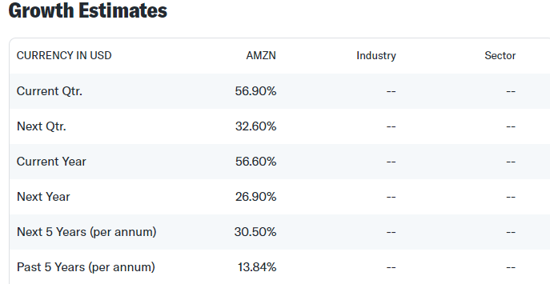
 |  |  |  |  |  |  | 1 | 2 | 3 | 4 | 5 | 6 | 7 | 8 | 9 | 10
DCF |  | 2019 | 2020 | 2021 | 2022 | 2023 | 2024 | 2025 | 2026 | 2027 | 2028 | 2029 | 2030 | 2031 | 2032 | 2033
EBIT |  |  |  |  |  | $36,852.00
% growth
%of revenue

Tax Rate |  |  |  |  |  | 19.0%
% growth
%of revenue

Net chg PP&E |  |  |  |  |  | $10,188.00
% growth
Depriciation

CapEx
% growth
%of revenue

Change in non cash WC |  |  |  |  |  | $-11,000.00
% growth

Depriciation
% growth
%of revenue |  |  |  |  | analyst estimate growth |  | 56.60% | 26.90% | 30.50% | 30.50% | 30.50% | 30.50% | 30.50% | 13.84% | 13.84% | 13.84%
 |  |  |  |  |  |  | 1 | 2 | 3 | 4 | 5 | 6 | 7 | 8 | 9 | 10
 |  |  |  |  | Unlevered FCF |  | $30,662.12 | $48,016.88 | $60,933.42 | $79,518.11 | $103,771.14 | $135,421.34 | $176,724.84 | $230,625.92 | $262,544.55 | $298,880.71
 |  |  |  |  | wacc |  | 10.4550816% | 10.4989381% | 10.0802015% | 9.6324186% | 9.1108331% | 8.8889896% | 8.3854966% | 7.9797363% | 7.5902845% | 7.2059628% |  | 1 | 10.4550816%
 |  |  |  |  | Present Value of FCF |  | $27,759.81 | $39,325.81 | $45,680.19 | $55,044.01 | $67,102.27 | $81,242.50 | $100,577.17 | $124,787.19 | $135,908.15 | $149,041.93 | $826,469.05 | 2 | 10.4989381%
 |  |  |  |  |  |  |  |  |  |  |  |  |  |  |  |  |  | 3 | 10.0802015%
perpetual growth rate: | 3.50% |  |  |  |  |  |  |  |  |  |  |  |  |  |  |  |  | 4 | 9.6324186%
Terminal Value |  |  |  |  |  |  |  |  |  |  | $8,347,130.10 |  |  |  |  |  |  | 5 | 9.1108331%
Present Value of Terminal Value |  |  |  |  |  |  |  |  |  |  | $4,162,437.89 |  |  |  |  |  |  | 6 | 8.8889896%
Enterprise Value |  |  |  |  |  |  |  |  |  |  | $4,988,906.94 |  |  |  |  |  |  | 7 | 8.3854966%
+ Cash |  |  |  |  |  |  |  |  |  |  | $86,780 |  |  |  |  |  |  | 8 | 7.9797363%
- Debt |  |  |  |  |  |  |  |  |  |  | $135,611.00 |  |  |  |  |  |  | 9 | 7.5902845%
Equity Value |  |  |  |  |  |  |  |  |  |  | $4,940,075.94 |  |  |  |  |  |  | 10 | 7.2059628%
Shares |  |  |  |  |  |  |  |  |  |  | 10,410
Share Price |  |  |  |  |  |  |  |  |  |  | $474.55

 |  |  |  |  |  |  |  |  | $141.75 | $308.15

Conclusion; Buy or Sell


amazon is an amazing company, amazon is by operated by good people with who have visions for the furure
and don’t just try to make money on the back of the company
we can see that fact taking place in amazon's 2022 price fall, where it went into an investment year and yeilded
poor results in the 10q's, amazon doesn’t try to perfect it's 10q's but really aim to a long journey torwards success.

seeing a future where people stop using amazon is just unrealistic, america and the world's consumer power will just keep rising.
seeing a future where amazon cant capitalize of that rise in consumer power is really unlikley giving the fact that amazon
is currently the biggest retailer in the world.

even if amazon's operation fall short, the fair price would be 142$, which isnt that low, and show just how strong amazon's
current operation is.
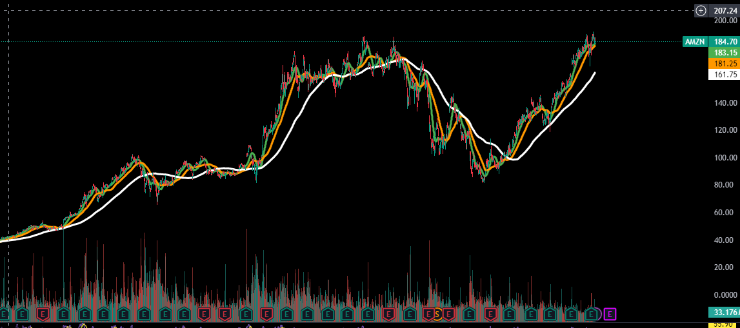

to conclude this valuation, for the long term (3-5 years)
amazon is a STRONG BUY

where its fair value lays around 300$.
which is about 63% yeild.

STRONG BUY

Roi Dayan - 05/19/24

 | data from sec.gov
 | trading view
 | yahoo finance
 | investing.com

