Lstm_short
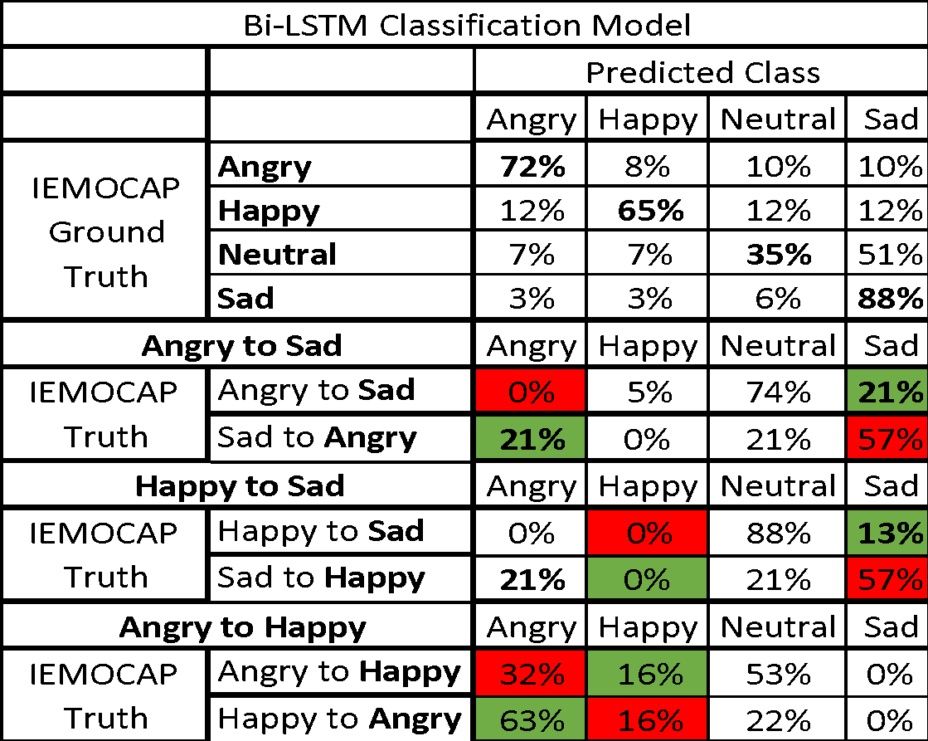
Bi-LSTM Classification Model
 |  | Predicted Class
 |  | Angry | Happy | Neutral | Sad
IEMOCAP Ground Truth | Angry | 72% | 8% | 10% | 10%
 | Happy | 12% | 65% | 12% | 12%
 | Neutral | 7% | 7% | 35% | 51%
 | Sad | 3% | 3% | 6% | 88%
Angry to Sad |  | Angry | Happy | Neutral | Sad
IEMOCAP Truth | Angry to Sad | 0% | 5% | 74% | 21%
 | Sad to Angry | 21% | 0% | 21% | 57%
Happy to Sad |  | Angry | Happy | Neutral | Sad
IEMOCAP Truth | Happy to Sad | 0% | 0% | 88% | 13%
 | Sad to Happy | 21% | 0% | 21% | 57%
Angry to Happy |  | Angry | Happy | Neutral | Sad
IEMOCAP Truth | Angry to Happy | 32% | 16% | 53% | 0%
 | Happy to Angry | 63% | 16% | 22% | 0%

mturk_emo
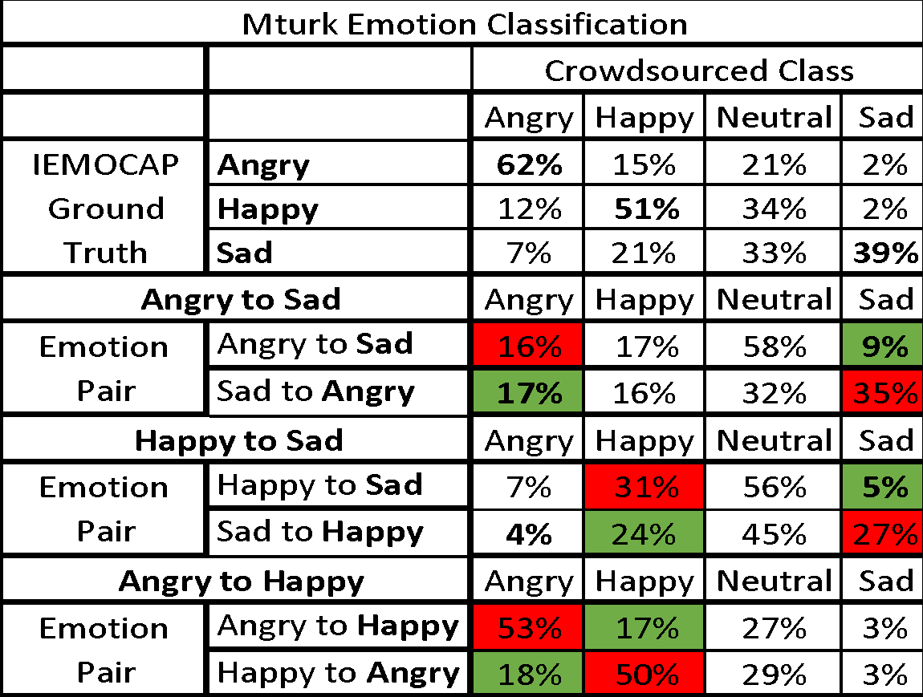
Mturk Emotion Classification
 |  | Crowdsourced Class
 |  | Angry | Happy | Neutral | Sad
IEMOCAP Ground Truth | Angry | 62% | 15% | 21% | 2%
 | Happy | 12% | 51% | 34% | 2%
 | Sad | 7% | 21% | 33% | 39%
Angry to Sad |  | Angry | Happy | Neutral | Sad
Emotion Pair | Angry to Sad | 16% | 17% | 58% | 9%
 | Sad to Angry | 17% | 16% | 32% | 35%
Happy to Sad |  | Angry | Happy | Neutral | Sad
Emotion Pair | Happy to Sad | 7% | 31% | 56% | 5%
 | Sad to Happy | 4% | 24% | 45% | 27%
Angry to Happy |  | Angry | Happy | Neutral | Sad
Emotion Pair | Angry to Happy | 53% | 17% | 27% | 3%
 | Happy to Angry | 18% | 50% | 29% | 3%
Angry to Neutral |  | Angry | Happy | Neutral | Sad
Emotion Pair | Angry to Neutral | 37% | 11% | 47% | 5%
 | Neu to Angry | 49% | 16% | 28% | 7%

mturk_noise
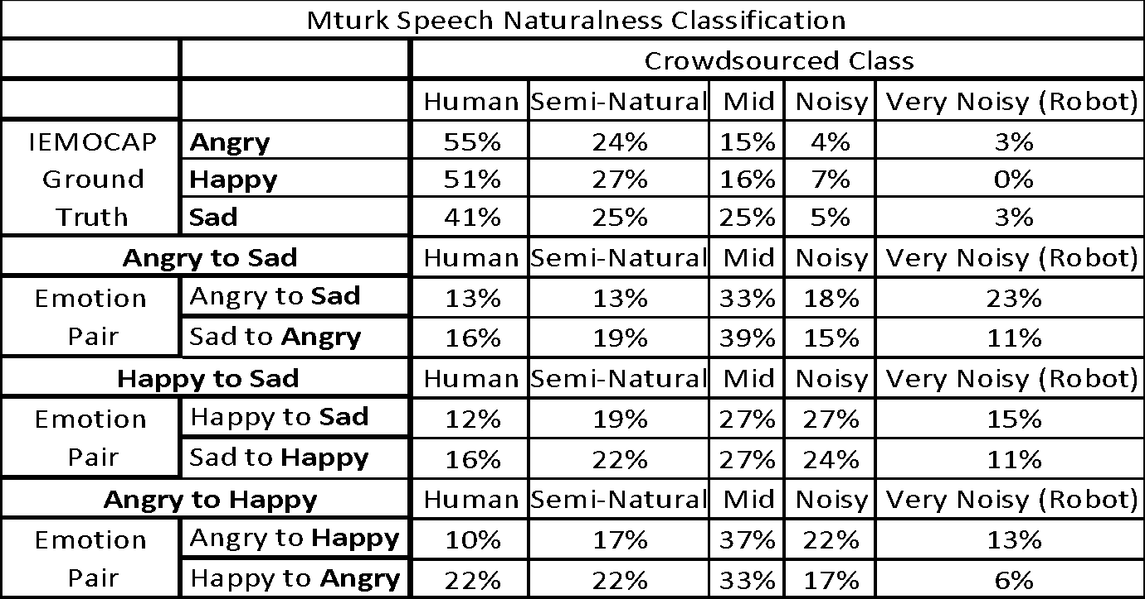
Mturk Speech Naturalness Classification
 |  | Crowdsourced Class
 |  | Human | Semi-Natural | Mid | Noisy | Very Noisy (Robot)
IEMOCAP Ground Truth | Angry | 55% | 24% | 15% | 4% | 3% | 427%
 | Happy | 51% | 27% | 16% | 7% | 0% | 425%
 | Sad | 41% | 25% | 25% | 5% | 3% | 393%
Angry to Sad |  | Human | Semi-Natural | Mid | Noisy | Very Noisy (Robot) | #VALUE!
Emotion Pair | Angry to Sad | 13% | 13% | 33% | 18% | 23% | 275%
 | Sad to Angry | 16% | 19% | 39% | 15% | 11% | 314%
Happy to Sad |  | Human | Semi-Natural | Mid | Noisy | Very Noisy (Robot) | #VALUE!
Emotion Pair | Happy to Sad | 12% | 19% | 27% | 27% | 15% | 286%
 | Sad to Happy | 16% | 22% | 27% | 24% | 11% | 308%
Angry to Happy |  | Human | Semi-Natural | Mid | Noisy | Very Noisy (Robot) | #VALUE!
Emotion Pair | Angry to Happy | 10% | 17% | 37% | 22% | 13% | 286%
 | Happy to Angry | 22% | 22% | 33% | 17% | 6% | 337%
Angry to Neutral |  | Human | Semi-Natural | Mid | Noisy | Very Noisy (Robot) | #VALUE!
Emotion Pair | Angry to Neu | 11% | 26% | 42% | 11% | 10% | 317%
 | Neu to Angry | 23% | 40% | 23% | 12% | 2% | 370%

ang | c_ang | hap | c_hap | neu | c_neu | sad | c_sad
4.27 | 3.4 | 4.25 | 2.97 | 4.07 | 3.17 | 3.93 | 2.805
4.3 | 3.4 | 4.3 | 3 | 4.1 | 3.2 | 4 | 2.8

mturk_speaker
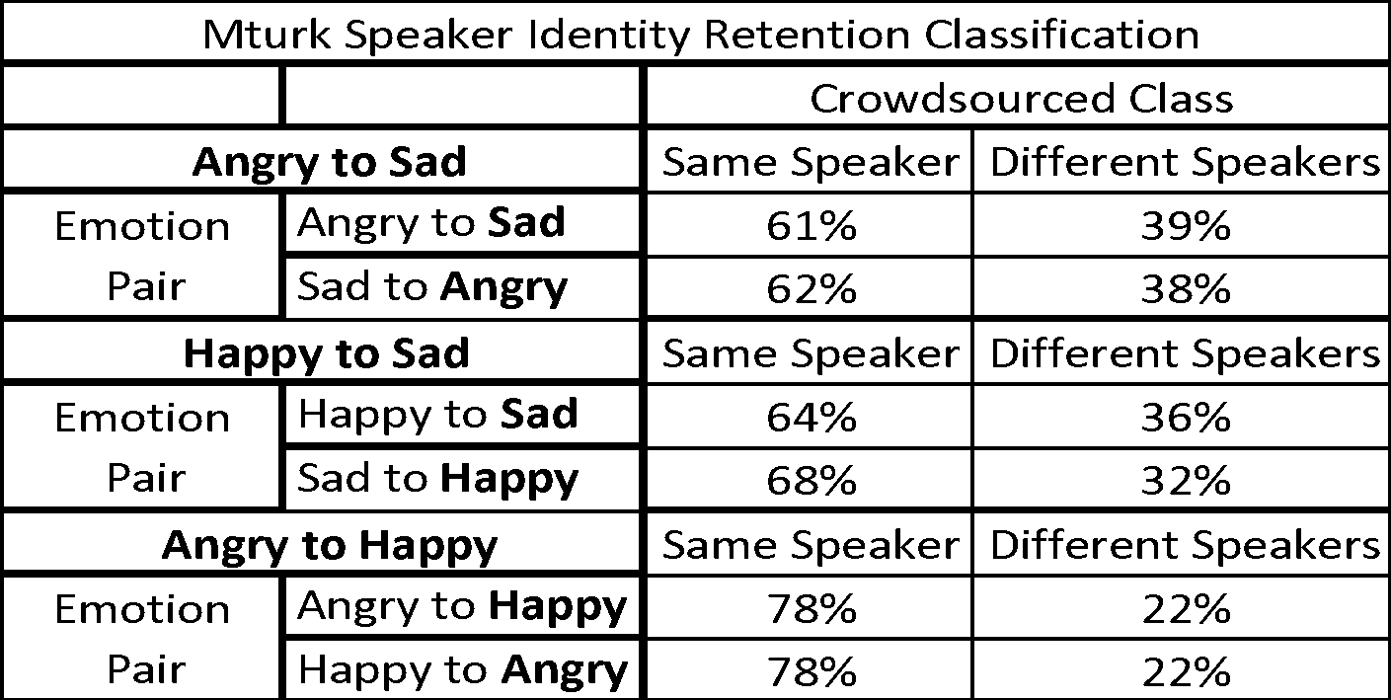
Mturk Speaker Identity Retention Classification
 |  | Crowdsourced Class
Angry to Sad |  | Same Speaker | Different Speakers
Emotion Pair | Angry to Sad | 61% | 39% | 333%
 | Sad to Angry | 62% | 38% | 336%
Happy to Sad |  | Same Speaker | Different Speakers | #VALUE!
Emotion Pair | Happy to Sad | 64% | 36% | 342%
 | Sad to Happy | 68% | 32% | 354%
Angry to Happy |  | Same Speaker | Different Speakers | #VALUE!
Emotion Pair | Angry to Happy | 78% | 22% | 384%
 | Happy to Angry | 78% | 22% | 384%
Angry to Neutral |  | Same Speaker | Different Speakers | #VALUE!
Emotion Pair | Angry to Neu | 68% | 32% | 354%
 | Neu to Angry | 67% | 33% | 351%

 | angry | happy | neutral | sad
 | 3.57 | 3.69 | 354% | 3.375

