SMB_Electric_AMI
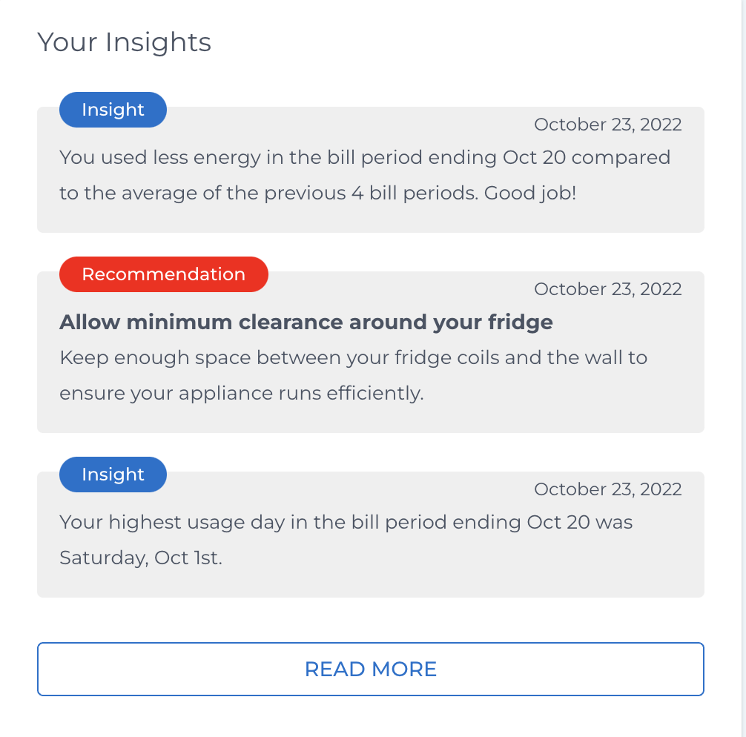
Section | Widget/Page |  | Regular without operating hours | Regular without Rates w/o operating hours | Regular with operating hours
 |  | New/Existing |  |  |  | Comments
Last month | Bill itemization | Existing | 2 | 2 | 2
 | Bill summary | Existing | 1 | 1 | 1
 | Operating hours | New | 0 | 0 | 3 | Carbon insight is a full size widget typically and comes in the end, but a half size one and comes under last month section when solar. I don't see/know how the grid system can handle this. It also is a half size widget under last month section in case of resi NSM and gas fuel

Current month | Bill projection | Existing | 1 | 0 | 1
 |  |  |  |  |  | Those highlighted in pale yellow are in future scope

Insights & trends | Bill history | Existing | 1 | 1 | 1
 | Your insights | Existing | 2 | 2 | 2
 | Program widget | Existing | 3 | 3 | 3
 | Carbon widget | Existing | 4 | 4 | 4

