REMBI Modules
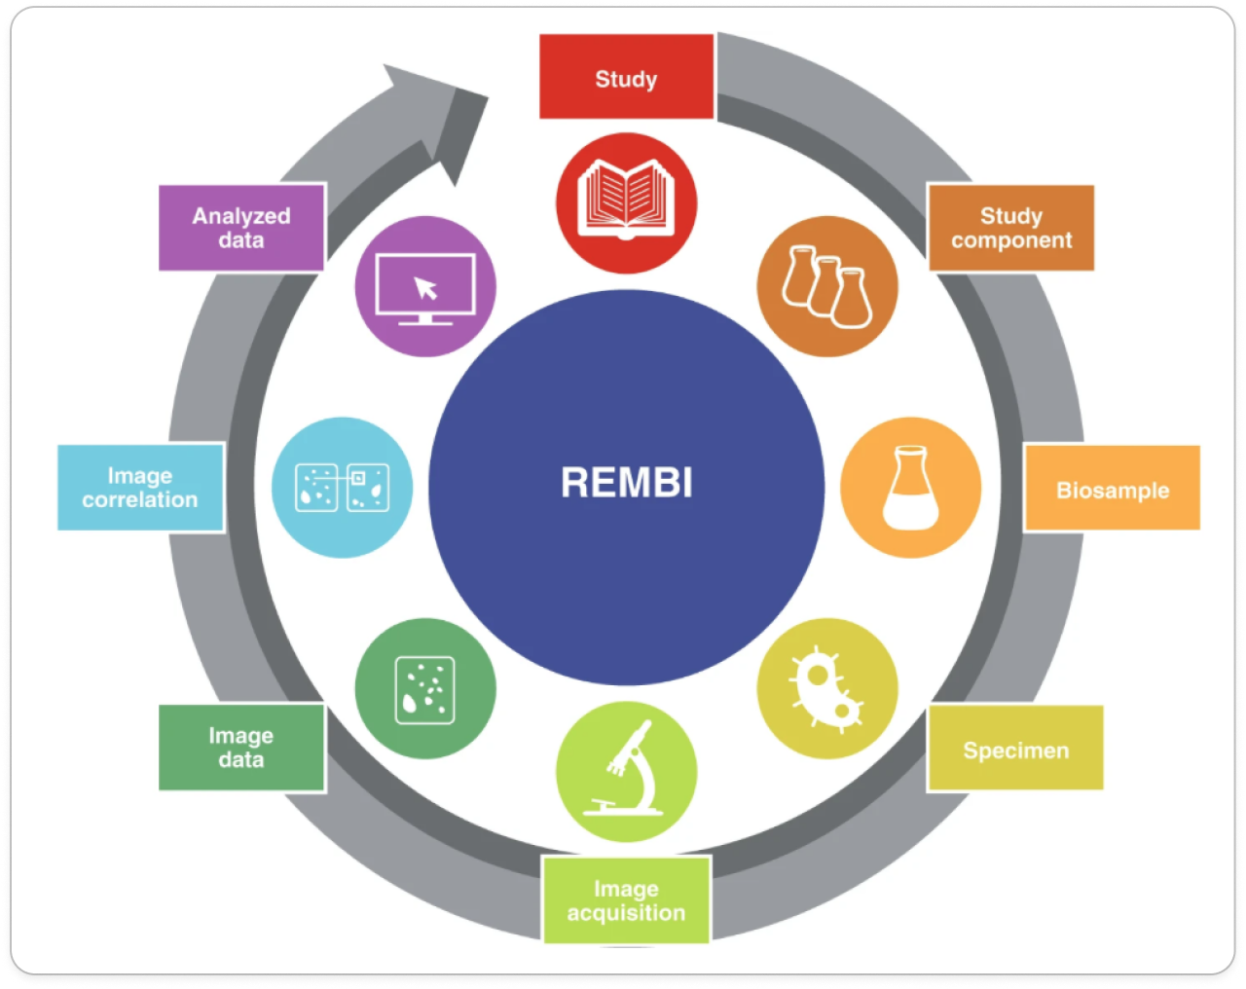
Sarkans, U., Chiu, W., Collinson, L. et al. REMBI: Recommended Metadata for Biological Images—enabling reuse of microscopy data in biology. Nat Methods 18, 1418–1422 (2021). https://doi.org/10.1038/s41592-021-01166-8

Figure 2 | https://www.nature.com/articles/s41592-021-01166-8/figures/2

REMBI Data Structure
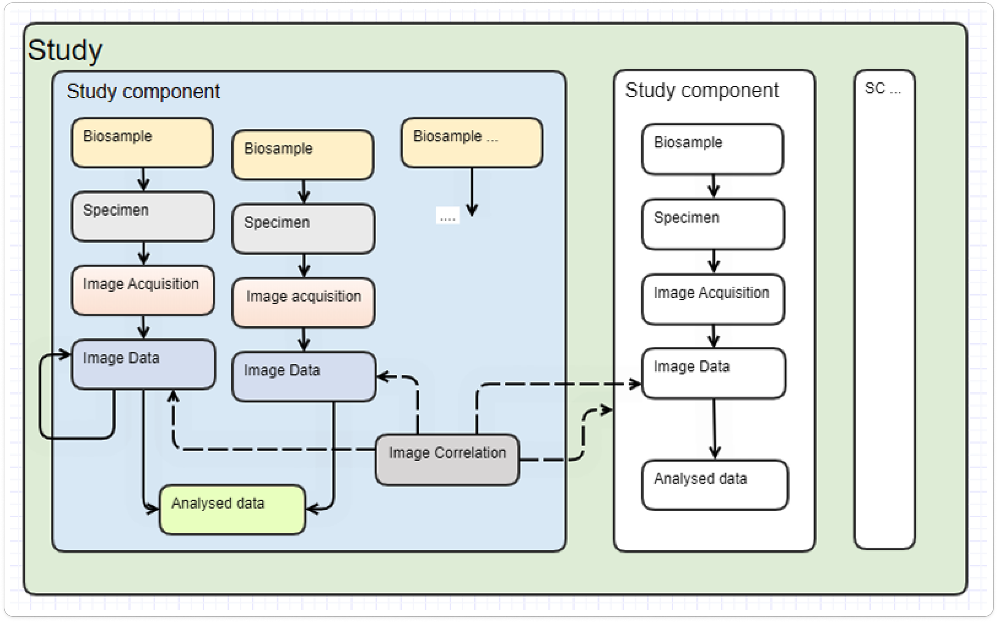
Sarkans, U., Chiu, W., Collinson, L. et al. REMBI: Recommended Metadata for Biological Images—enabling reuse of microscopy data in biology. Nat Methods 18, 1418–1422 (2021). https://doi.org/10.1038/s41592-021-01166-8

Supplemental material | https://static-content.springer.com/esm/art%3A10.1038%2Fs41592-021-01166-8/MediaObjects/41592_2021_1166_MOESM1_ESM.pdf

Study Structure
