Sheet1
 | 类型 | PartNo | Manufacturer | 参数 | 备注
Optional | Camera | GC0308 | galaxycore 格科微 | 640x480,, 有待具体要求
 | Lighter Sersor | CM3217 | Capella（凌耀）
 |  | isl76683 |  | i2c smd 3.3v 16bit | 可选
 | Motion Sensor | KXTJ3-1057TR-ND | Kionix Inc. | I²C X, Y, Z ±2g, 4g, 8g, 16g | Motion Sensors - Accelerometers (1512 items) • Motion Sensors - Gyroscopes (254 items) • Motion Sensors - IMUs (Inertial Measurement Units) (250 items) • Motion Sensors - Inclinometers (83 items) • Motion Sensors - Optical (336 items) • Motion Sensors - Tilt Switches (54 items) • Motion Sensors - Vibration (69 items)
 |  | MMA7660FC/MMA8452 | FreeScale |  | 可选/Capella
 |  | LIS3DH | STMicroelectronics |  | 可选
 | Humidity&Tempture Sensor | HIS-06--N | 日本北陆 | 湿敏电阻
 |  | ERT-J1VS104FA | Panasonic Electronic Components | NTC 热敏电阻 100k 100mW
 |  | CMFB3550103FNT | Cantherm | NTC 热敏电阻 10K 200mW
 |  | HPP845E034R5 | TE Connectivity Measurement Specialties | i2c ；0 ~ 100% 相对湿度 I²C 12b ±5% RH 5s

Main components | Wifi&BT | AP6210 | AMPAK | 802.11 B/G/N BT4.0
 | CPU | Rk3128 | Rockchip
 | Flash memory | H27UCG8T2BT(Y)R | Hynix | 8GB
 |  | H27UCG8T2ATR | Hynix | 8GB
 |  | SDTNRGAMA-008GK | SanDisk | 8GB
 |  | SDTNRFAMA-004GK | SanDisk | SanDisk mlc 4GB
 | Ram memory DDR3 | H5TQ4G63AFR | Hynix | Hynix 4G bit 256M*16 (512MB) 96ball
 | Lcd（+Touch Panel） | KWH050ST19-F04 | 科万宏 | 科万宏 800*480 5.0"TFT + 4线电阻触摸屏
 |  | YB-TG800480S25A-N-A0 | 亿都 | 亿都 没有TP屏 问要加TP情况
 | TP Sensor | ns2016 | Nisway
 |  | cp2007 | 启攀微电子
 |  | TSC2003IPWR(TSC2007IPWR)// | Texas Instruments | i2c 12bit 4线 | Texas Instruments
 | PMIC | AXP192 | 芯智汇
 |  | RK816 | Rockchip |  | 在RK3128中已购买
 | Audio IC | ES8323 | Everest
 |  | WAA2890 | willsemi
 |  | WM8904 | Wolfson
 |  | ALC5616 | Realtek

Wireless charge | 无线充控制IC IC300 | ATTINY45V-10XUR | Microchip Technology
 | 无线充线圈 L1 |  |  | 435UH, 要定制：Coil: 10 windings with enamelled copper; grade 1, nom. diameter d=0,4mm, wound in two layers Insulation between coil wire and ferrite needs to be >= 3,75kV. Ferrite: Material 3C90 (or 3C95) from Ferroxcube (http://www.ferroxcube.com). Insulation between any conductive surface and ferrite needs to be >= 3,75kV Magnet: Dimensions: 6mm x 6mm Material: NDFeB, Material quality: 45SH Weight: e.g. Material: zinc die-cast; steel, or similar; This weight needs to be the balance to the above mentioned total weight of the charger. The weight needs to be distributed evenly and properly fixed.
 | C301 | C0805C106J8RACAUTO | KEMET | 10µF CoiX7R (or better), 5%
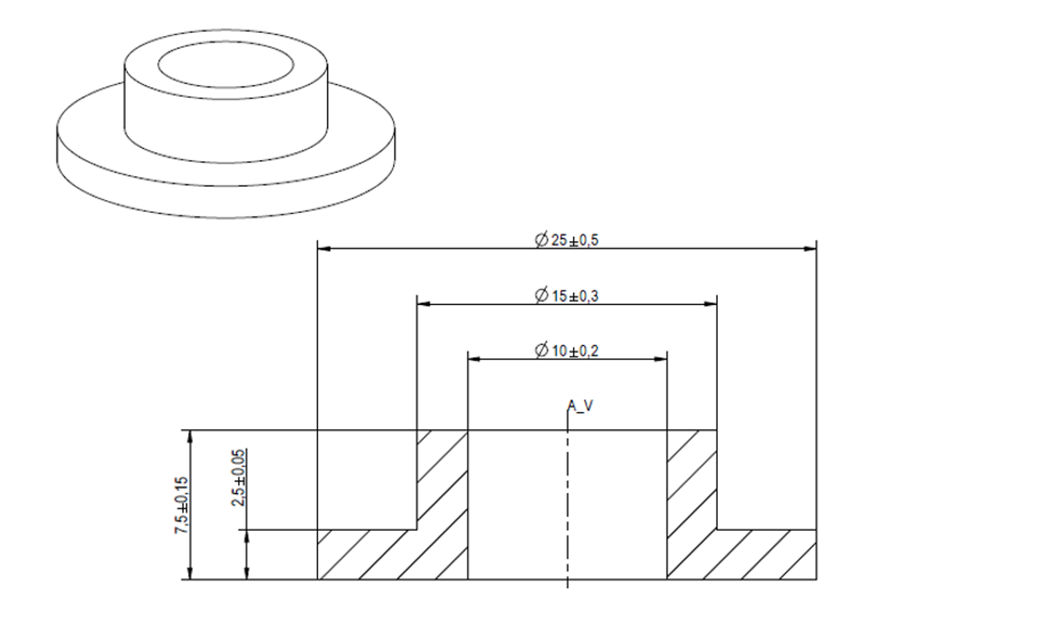
 | C302 | C0805C105J3RACTU | KEMET | 1U CoiX7R (or better), 5%
 | C303 | C1206C124J5RACTU | KEMET | 120nF, 50V, 5%, COG CoiX7R (or better), 5%
 | C304 | C1206C124J5RACTU | KEMET | 120nF, 50V, 5%, COG CoiX7R (or better), 5%
 | C300 | C0805C106J8RACAUTO | KEMET | 10U CoiX7R (or better), 5%
 | R309 | NTCS0805E3472FMT | Vishay BC Components | 4K7 NTC 1%
 | R302 | RC0603FR-0710KL | Yageo | 10K 1%
 | R301 |  |  | no value 1%
 | R310 |  |  | no value 1%
 | R304 |  |  | no value 1%
 | R308 |  |  | no value 1%
 | R305 |  |  | no value 1%
 | R306 |  |  | no value 1%
 | R307 |  |  | no value 1%
 | D301 | BAT54SW BAT54SWQ-7-F | DIODES | SCHOTTKY DIODE DUAL SMD SOT-323
 | T301 | BC817-40w | Diodes Incorporated
 | T302 | BC807-40w | Diodes Incorporated
 | T304B | QH8MA4 | ROHM
 | T305A | QH8MA4 | ROHM

 |  | lc2322 | 3-18V 2A
 | DCDC 16V to 5V 2-3A | TS2596SCS50 RLG
 |  | TS30012-M050QFNR / TS30013-M050QFNR

 |  | FAN4860UC5X
 |  | PCA9410AUKZ
 | DCDC 16V to 5V <=1A | TS30111-M050QFNR 700mA 4.5V 16V 5V - 700mA
 |  | TPS61240DRVR 500mA 2.3V 5.5V 5V - 500mA
 |  | TS30011-M050QFNR 4.5V 24V 5V - 1A

NO. | Material | Manufacturer | Manufacturer No. | No./set | DIGI-KEY prices | RMB
59 | 8PIN | ATtiny45 | Microchip Technology | 1 | ATTINY45V-10SUR 2,000 - 立即发货 ¥ 10.49985 | 10.5
75 |  | 定制线圈 |  | 1 | 未知
10 | CAP CER 10UF 10V X7R 0805 | C0805C106J8RACAUTO | KEMET | 2 | 2,500 0 原厂标准交货期 31 周 ¥ 1.71596 | 3.4
6 | 1µF ±5% 25V X7R | C0805C105J3RACTU | KEMET | 1 | 2,500 95,000 - 立即发货 ¥ 2.17797 | 2.2
19 |  | C1206C124J5RACTU | KEMET | 2 | 4,000 ¥ 0.93718 | 1.88
50 | NTC THERMISTOR 4.7K OHM 1% 0805 | NTCS0805E3472FMT | Vishay BC Components | 1 | 4,000 ¥ 3.22398 | 3.2
44 | RES SMD 10K OHM 1% 1/16W 0402 | RC0402FR-0710KL | Yageo | 1 | 10,000 13,010,000 - 立即发货 ¥ 0.01260 | 0.012
41 | RES SMD 0 OHM JUMPER 1/16W 0402 | RC0402JR-070RL | Yageo | 7 | 10,000 15,950,000 - 立即发货 ¥ 0.00779 | 0.05453
32 | DIODE SCHOTTKY 30V 200MA SC70 | BAT54SWF | Nexperia USA Inc. | 1 | ￥0.25 | 0.25
33 | MOSFET N/P-CH 30V TSMT8 | QH8MA4 | Rohm Semiconductor | 1 | 3,000 0 ¥ 2.21636 | 2.216
81 |  | BC817-40W | Diodes Incorporated | 1 | 3,000 6,000 - 立即发货 ¥ 0.40479 | 0.405
82 |  | BC807-40W | Diodes Incorporated | 1 | 3,000 33,000 - 立即发货 ¥ 0.40479 | 0.405
 |  |  |  |  |  | 24.52253

