Sheet1
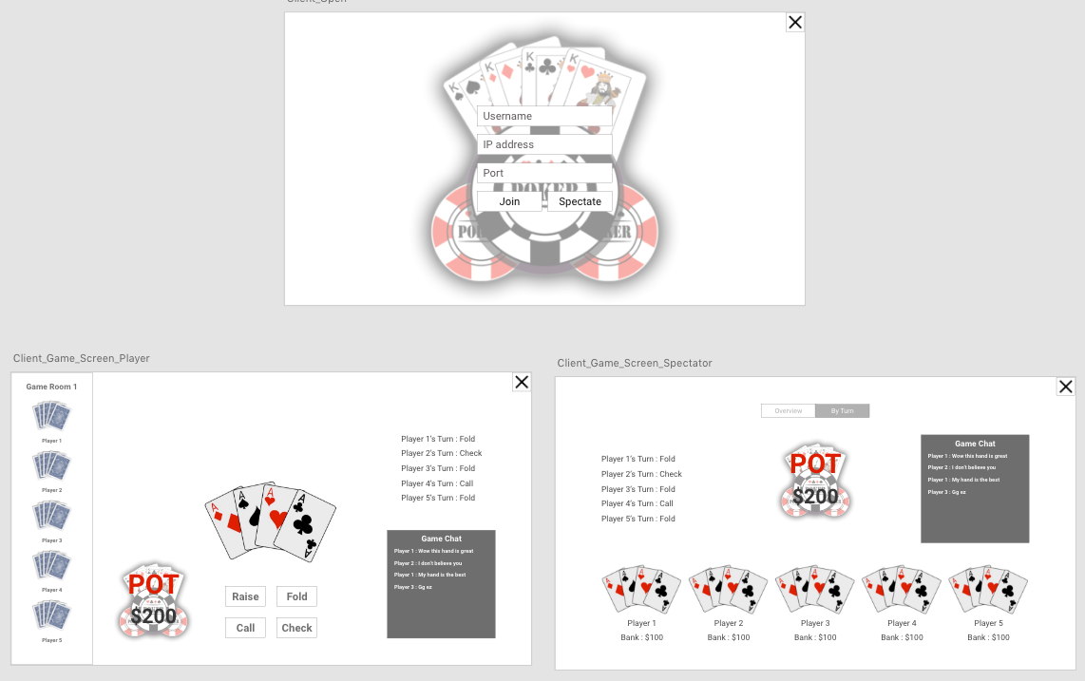
REQID | F/NF | DEALER/PLAYER | DESCRIPTION | TEST CASE / STEP | SOURCE | CLASS / METHOD | NOTES
1 | F | PLAYER | Each player shall start the game with a certain amount of money |  | Video
2 | F | DEALER | There should be at least one player |  | Project Description | SERVER::CHECK_FOR_PLAYER
3 | F | DEALER | Only five cards should be drawn for each player |  | Video | SERVER::DEALER::DISTRIBUTE_CARDS
4 | NF | PLAYER/DEALER | A royal flush will be the highest possible hand |  | Video
5 | F | DEALER | There will be two rounds of betting |  | Video | SERVER::DEALER::BETTING_ROUND
6 | F | DEALER | Players shall change turns after performing an action |  |  | SERVER::UPDATE_ACTIVE_PLAYER
7 | F | DEALER | The dealer will not allow the player to play if they don't have money |  |  | SERVER::DEALER::CHECK_PLAYER_FUNDS
8 | NF | PLAYER/DEALER | The system shall use a long double for all floating point variables
9 | NF | PLAYER/DEALER | Players who have not folded are known as active players |  | Internet
10 | F | PLAYER | UI shows all players and their card counts |  |  | CLIENT::UI::DISPLAY_PLAYERS
11 | F | PLAYER | Player is able to place bet amount and bet by clicking bet button |  | Video | CLIENT::PLAYER::PLACE_BET
12 | F | PLAYER | Player is able to fold by clicking fold button |  | Video | CLIENT::PLAYER::PLACE_FOLD
13 | F | PLAYER | Player is able to check by clicking check button |  | Video | CLIENT::PLAYER::PLACE_CHECK
14 | F | PLAYER | Player is able to raise by clicking raise button |  | Video | CLIENT::PLAYER::PLACE_RAISE
15 | F | PLAYER | Player is able to call by clicking call button |  | Video | CLIENT::PLAYER::PLACE_CALL
16 | F | PLAYER | UI highlights the current player who should perform an action |  |  | CLIENT::UI::ACTIVE_PLAYER
17 | F | PLAYER | Player is able to trade cards |  | Video | CLIENT::PLAYER::TRADE_CARDS
18 | F | PLAYER | Check if player has traded cards already |  |  | CLIENT::PLAYER::CHECK_TRADE_COUNT
19 | F | DEALER | Game will be played using only 52 cards |  | Video | SERVER::DEALER::CREATE_DECK
20 | F | PLAYER | If a player does not have enough money to fully match a bet, they may go "all-in" |  | Video | CLIENT::PLAYER::INSUFFICIENT_FUNDS
21 | NF | PLAYER | Player shall decide if they want to make A as a highest or lowest card
22 | NF | PLAYER/DEALER | The client and server will use the asio library to communicate using json strings
23 | NF | PLAYER/DEALER | Json string encoding/decoding will be handled by the nlohmann json library
24 | NF | PLAYER/DEALER | The base json string will contain key value pairs which contain the player uuid and the phase of the game.
25 | NF | PLAYER/DEALER | The json string will not relay information about other players' hands to any given player beyond the number of cards replaced during the DRAW phase, until the SHOWDOWN phase, including FOLDed players.
26 | NF | PLAYER/DEALER | Individual BANKs will be kept together in an std::unordered_map<boost::uuids::uuid, int> banks;
27 | NF | PLAYER/DEALER | The POTs will be represented by an std::unordered_map<boost::uuids::uuid, int> pot;
28 | NF | PLAYER/DEALER | The json string will relay information about individual transactions between players' contributions to the POT and their individual BANKs.
29 | NF | DEALER/PLAYER | A card will be defined as struct Card = { Suit suit; Card_rank rank; };
30 | NF | DEALER/PLAYER | A card's suit will be defined as enum Suit = { SPADES, CLUBS, DIAMONDS , HEARTS, MAX };
31 | NF | DEALER/PLAYER | A card's rank will be defined as enum Card_rank = { TWO, THREE, FOUR, FIVE, SIX, SEVEN, EIGHT, NINE, TEN, JACK, QUEEN, KING, ACE, MAX };
32 | NF | DEALER | Deck should be a vector of cards std::vector<Card> deck
33 | NF | DEALER | Deck shall be generated in order of suits and ranks, and then shuffled using std::shuffle from the algorithms library
34 | NF | DEALER/PLAYER | Hand should be a vector of cards std::vector<Card>
35 | NF | DEALER | Cards shall be dealt from deck using std::vector::pop_back and to the hand using std::vector::push_back
36 | NF | PLAYER | Each player will have a UUID generated on the player side and transmitted to the dealer.
37 | NF | DEALER | The dealer will distinguish each player using the given UUID.
38 | NF | PLAYER/DEALER | The game phases will be enum Phase { ANTE, DEAL, BET_ONE, DRAW, BET_TWO, SHOWDOWN, PHASE_MAX }
39 | F | PLAYER/DEALER | During ANTE, each player pays a predetermined sum into the pot. |  |  | CLIENT::PLAYER::ANTE_UP
40 | F | PLAYER/DEALER | During DEAL, DEALER shuffles the deck and deals five cards to each player's hand. |  |  | SERVER::DEALER::DISTRIBUTE_CARDS
41 | F | PLAYER/DEALER | During BET_ONE, a bet is made by each player; a bet of 0 is permitted. |  |  | CLIENT::PLAYER::PLACE_BET
42 | F | PLAYER/DEALER | During DRAW, the player can pick 0-5 cards to dispose of from their hand in exchange for being dealt an equal number. The number of cards must be made visible to all players. |  |  | CLIENT::PLAYER::DRAW_DISCARD
43 | F | PLAYER/DEALER | During BET_TWO, an additional bet is made by each player. |  |  | CLIENT::PLAYER::PLACE_BET
44 | F | PLAYER/DEALER | During SHOWDOWN, hands are compared, the winner is declared, and the pot is distributed accordingly. |  |  | SERVER::DEALER::SHOWDOWN
45 | NF | PLAYER/DEALER | Betting phases (BET_ONE, BET_TWO) present each player with options (CHECK, CALL, RAISE, FOLD, ALL_IN).
46 | F | PLAYER/DEALER | A CHECK during the first round of betting (only permitted in the first round) means the player has declined to bet.
47 | F | PLAYER/DEALER | A RAISE during a round of betting means that the player has increased his committment to the pot.
48 | F | PLAYER/DEALER | A CALL during a round of betting means that the player has matched a previous player's commitment to the pot.
49 | F | PLAYER/DEALER | A FOLD during a round of betting means that the player has declined to match (CALL) a previous increase (RAISE) to the pot and is forfeiting their current hand and bet for the rest of the game.
50 | F | PLAYER/DEALER | ALL_IN is a special situation where the player bets their whole bank and they will not be forced to RAISE, CALL or FOLD
51 | F | PLAYER/DEALER | When a betting round ends without a RAISE (all players are CHECK, CALL, FOLD or ALL_IN), the betting phase is over.
52 | F | PLAYER/DEALER | A player who has FOLDed will not participate the following rounds.
53 | F | DEALER | The dealer shall compare hands to calculate the winner
54 | NF | DEALER | The winning hand shall be determined by checking each hand in order from highest to lowest value, and in the case of two hands of equal value, they shall be determined directly and the higher rank hand will be the winner.
55 | NF | PLAYER/DEALER | A hand's rank will be defined as enum Hand_rank { ROYAL_FLUSH, STRAIGHT_FLUSH, FOUR_KIND, FULL_HOUSE, FLUSH, STRAIGHT, THREE_KIND, TWO_PAIR, PAIR, HIGH_CARD, MAX }
56 | NF | DEALER | A Royal Flush (ROYAL_FLUSH) shall be defined as when a hand consists of an ACE, KING, QUEEN, JACK and TEN of the same Suit
57 | NF | DEALER | A Straight Flush (STRAIGHT_FLUSH) shall be defined as when a hand consists of five cards of the same suit with sequential rank.
58 | NF | DEALER | A Four of a Kind (FOUR_KIND) shall be defined as when a hand consists of four cards of the same rank.
59 | NF | DEALER | A Full House (FULL_HOUSE) shall be defined as when a hand consists of one Three of a Kind (Three cards, same rank) and a pair (Two cards, same rank).
60 | NF | DEALER | A Flush (FLUSH) shall be defined as when a hand consists of five cards of the same suit.
61 | NF | DEALER | A Straight (STRAIGHT) shall be defined as when a hand consists of five cards with sequential rank.
62 | NF | DEALER | A Three of a Kind (THREE_KIND) shall be defined as when a hand consists of three cards of the same rank.
63 | NF | DEALER | A Two Pair (TWO_PAIR) shall be defined as when a hand consists of two pairs of cards of the same rank.
64 | NF | DEALER | A Pair (PAIR) shall be defined as when a hand consists of one pair of cards of the same rank.
65 | NF | DEALER | If no hands satisfy the above requirements, the hand with the highest ranked card wins.
66 | NF | DEALER | In the case of a tie, if the hands have the same highest rank, the pot will be split; otherwise, the player whose hand has the highest rank will win the pot.
67 | NF | DEALER | In the case of an ALL_IN player winning, they will receive no more than they bet from all players while any overages get returned.

 |  |  | Left: more details about what's in the JSON string, GUI, how to continue a match without breaking the lobby.

