Sheet1
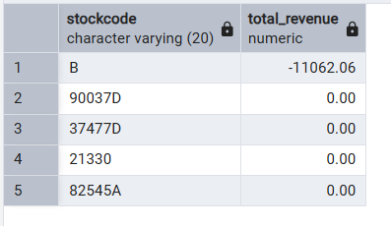
-- Q1. Which stock code has the highest quantity sold?

-- Q2. Which stock codes have the highest quantity returned?

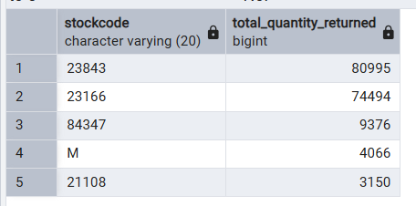

-- Q3. What is the total sales value?

-- Q4. What is the total return value?

-- Q5. What are the top 5 products by quantity sold?

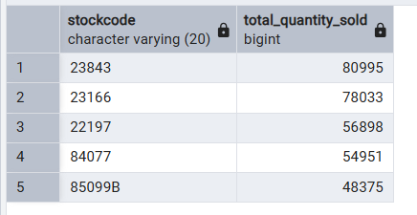

-- Q6. What are the top 5 products by quantity returned?
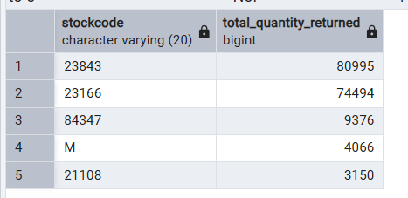

-- Q7. Which products generate the most revenue?

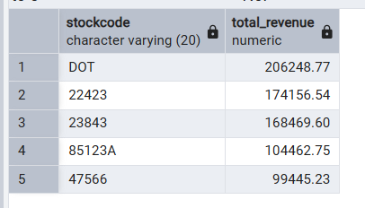

-- Q8. Which products have the highest return value?

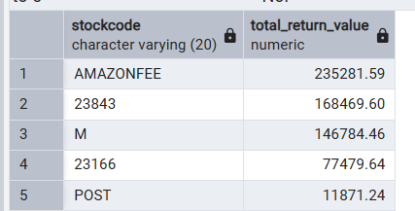

-- Q9. Which months have the highest sales revenue?

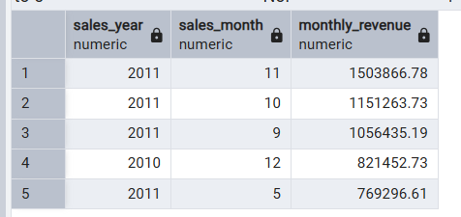

-- Q10. Which months have the highest quantity sold?

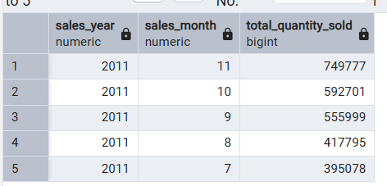

-- Q11. What is the average order value?

-- Q12. What are the top 5 orders by total value?

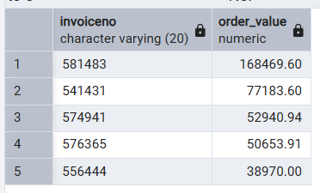

-- Q13. Which countries generate the most revenue?

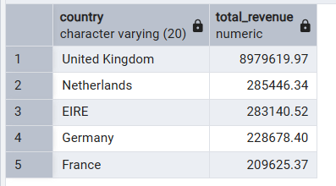

-- Q14. How many unique customers are there?

-- Q15. Which customers generate the most revenue?

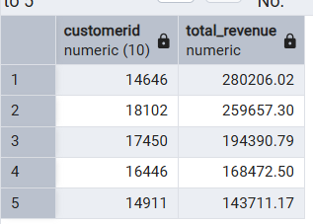

-- Q16. How many orders were placed each month?

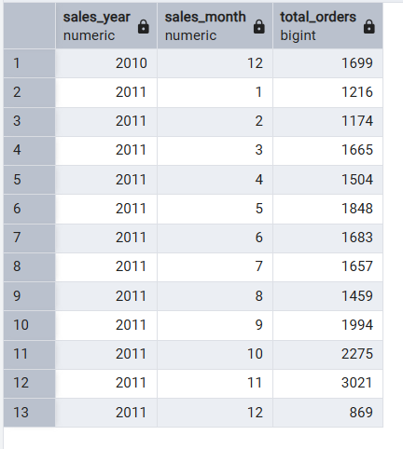

-- Q17. What is the total number of items sold?

-- Q18. Which products have the lowest revenue?

