Sheet1
1. How many customer records, unique customers, orders, sellers, products and reviews are there?

2. Which states and cities have the most and fewest customers?

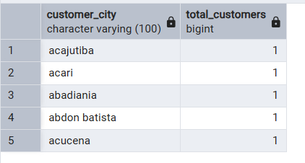

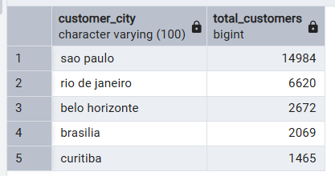

3. What is the order count for each status, and what percentage of orders were delivered or canceled?

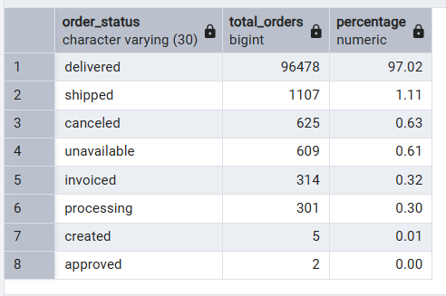

4. Which states and cities generate the most orders?

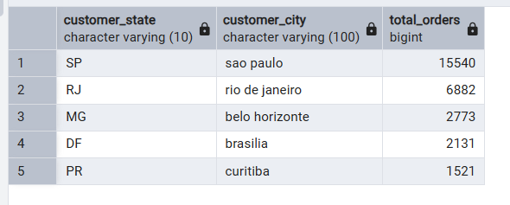

5. Which payment methods are most popular, and how much money is associated with each?

6. How many customers place repeat orders, and which customers order most often?

7. Which five products and product categories generate the most revenue?

Top five products:
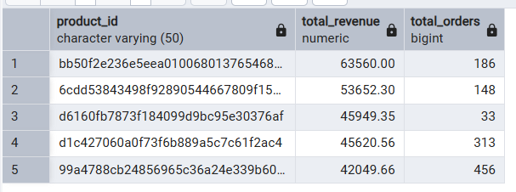

Top five product categories:

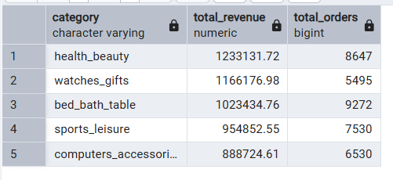

8. Top five sellers by revenue:

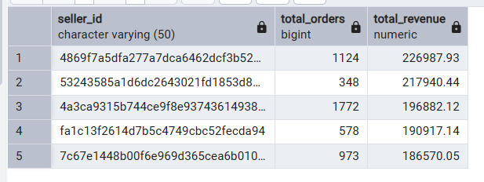

9. What are the five heaviest products, and how often are they ordered?

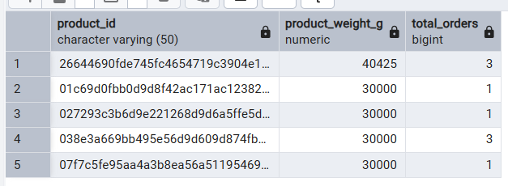

10. What is the total item revenue and average order value?

11. What is the average approval time, delivery time and delivery delay?

12. Which states have the highest number and percentage of late deliveries?

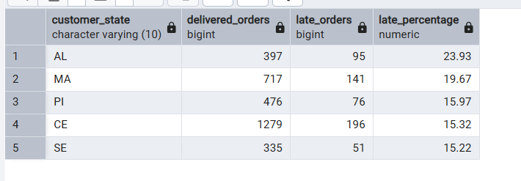

13. Which month has the most orders and the highest revenue?

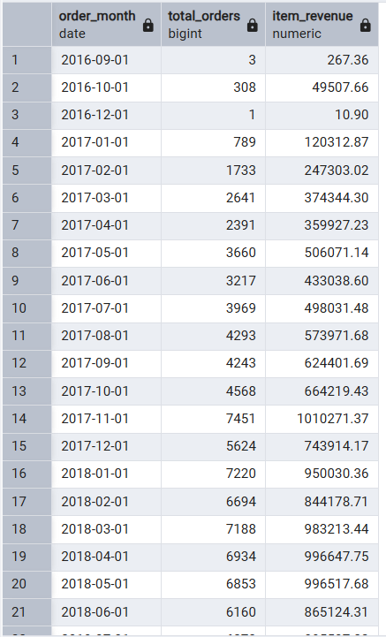

14. What are the review-score distribution and average review score?

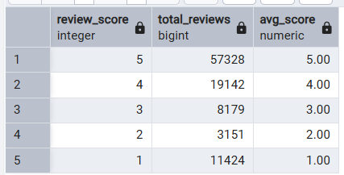

15. Do late deliveries tend to have lower review scores?

16. Do heavier products have higher freight charges?

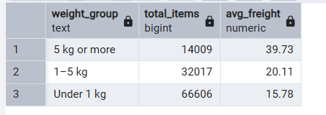

17. Are there missing dates or duplicate records that could affect the analysis?

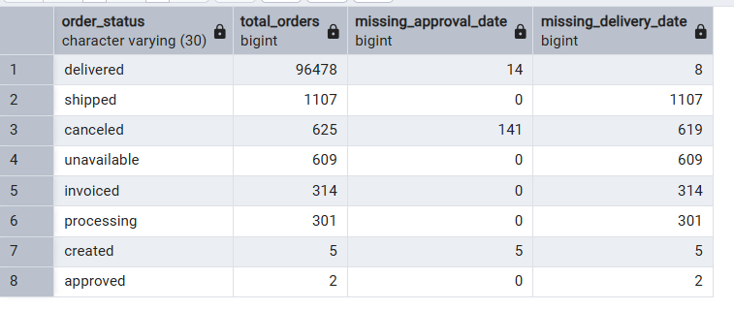

18. Do payment and item totals get inflated when tables are joined?

