Q4.1
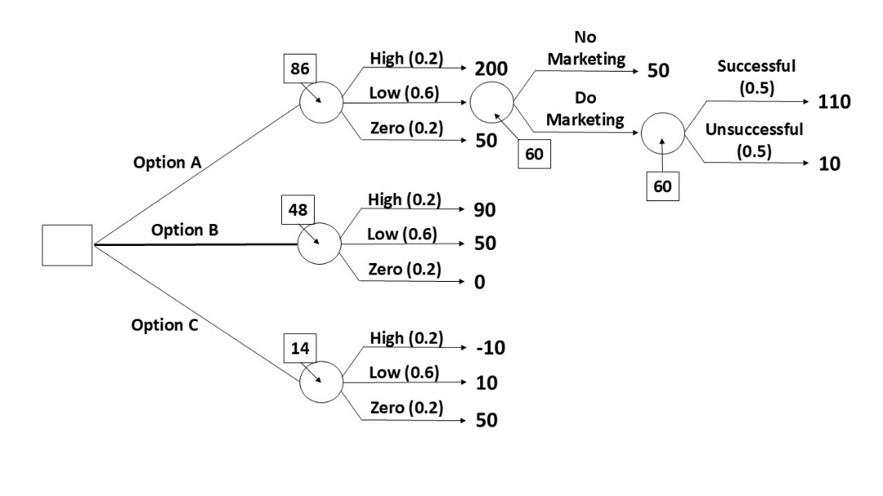
 |  | Economic growth
 | Decision | High (0.2) | Low (0.6) | Zero (0.2)
 | Option A | 200 | 50 | 50
 | Option B | 90 | 50 | 0
 | Option C | -10 | 10 | 50

A) | EMV;
 | Option A = | (200*0.2) + (50*0.6) + (50*0.2)
 | = | 80
 | Option B = | (90*0.2) + (50*0.6) + (0*0.2)
 | = | 48
 | Option C = | (-10*0.2) + (10*0.6) + (50*0.2)
 | = | 14

 | Decision : | Option A

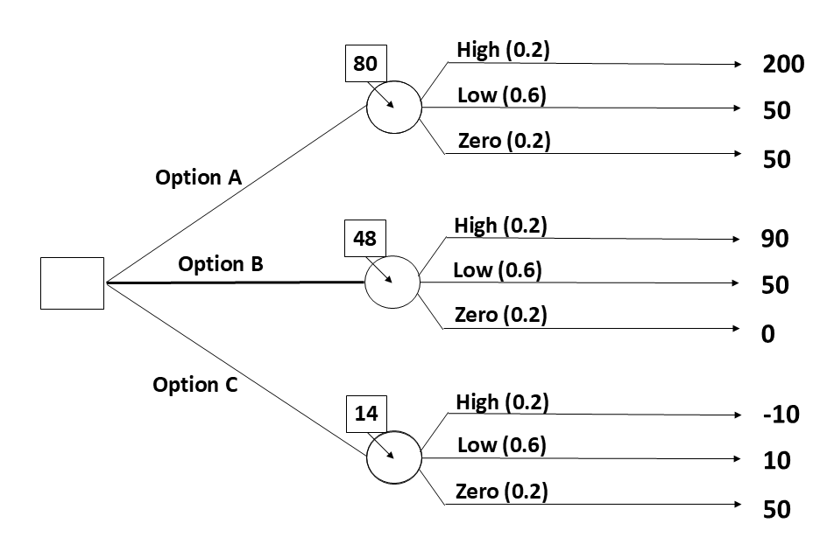
B)

C) |  | Economic growth
 | Decision | High (0.2) | Low (0.6) | Zero (0.2)
 | Option A | 200 | 50 | 50
 | Option B | 90 | 50 | 0
 | Option C | -10 | 10 | 50

 |  | Option A
 | Decision | Sucessful | Unsucessful
 | Do a MC | 110 | 10
 | Not do a MC | 50

