Bristol Elections
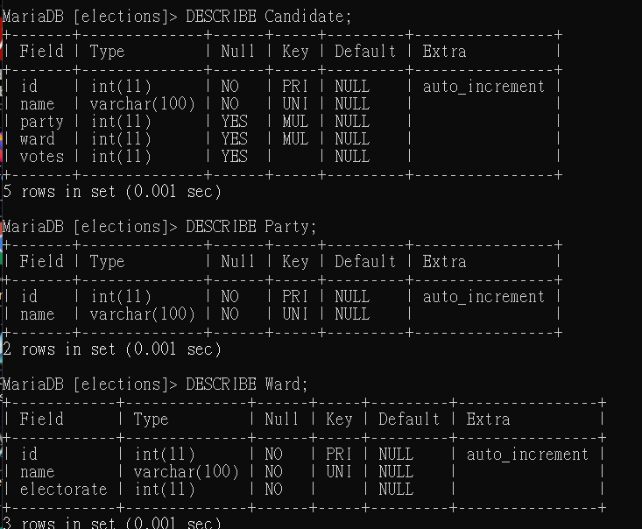
1. List the names of all parties that stood in the election, ordered alphabetically by name.
SELECT name FROM Party
+---------------------------------------------+ | name | +---------------------------------------------+ | Conservative | | Green | | Independent | | Independents for Bristol | | Labour | | Liberal Democrat | | Respect |
2. List the names of all parties that stood in the Bedminster ward.
SELECT Party.name AS party, -> Ward.name AS Ward -> FROM Candidate -> INNER JOIN Party ON Party.id = Candidate.party -> INNER JOIN Ward ON Ward.id = Candidate.ward -> WHERE Ward.name = 'Bedminster';
+---------------------------------------------+------------+ | party | Ward | +---------------------------------------------+------------+ | Conservative | Bedminster | | Green | Bedminster | | Labour | Bedminster | | Liberal Democrat | Bedminster | | Trade Unionists and Socialists Against Cuts | Bedminster | +---------------------------------------------+------------+
3. How many votes did Labour get in the Stockwood ward?
SELECT Party.name AS party, -> Ward.name AS Ward, -> votes -> FROM Candidate -> INNER JOIN Party ON Party.id = Candidate.party -> INNER JOIN Ward ON Ward.id = Candidate.ward -> WHERE Ward.name = 'Stockwood' -> AND Party.name = 'Labour';
+--------+-----------+-------+ | party | Ward | votes | +--------+-----------+-------+ | Labour | Stockwood | 855 | +--------+-----------+-------+
4. List the names, parties and number of votes obtained for all candidates in the Southville ward. Order the candidates by number of votes obtained descending (winner comes first).
SELECT Ward.name AS Ward, -> Candidate.name AS name, -> Party.name AS party, -> votes -> FROM Candidate -> INNER JOIN Party ON Party.id = Candidate.party -> INNER JOIN Ward ON Ward.id = Candidate.ward -> WHERE Ward.name = 'Southville' -> ORDER BY votes DESC;

5. List the name, party and number of votes obtained for the winner only in the Knowle ward. (Hint: apart from changing the ward name, you only need one small modification to the statement from the last question. You may assume no ties.)
SELECT Ward.name AS Ward, -> Candidate.name AS name, -> Party.name AS party, -> MAX(votes) AS votes -> FROM Candidate -> INNER JOIN Party ON Party.id = Candidate.party -> INNER JOIN Ward ON Ward.id = Candidate.ward -> WHERE Ward.name = 'Knowle';
+--------+---------------------+--------------+-------+ | Ward | name | party | votes | +--------+---------------------+--------------+-------+ | Knowle | Graham David Morris | Conservative | 1659 | +--------+---------------------+--------------+-------+

8.1 Elections
How many votes were cast in all of Bristol in the 2014 elections?

SELECT SUM(votes) FROM Candidate INNER JOIN Party ON Candidate.party = Party.id
INNER JOIN Ward ON Candidate.ward = Ward.id;

How many votes were cast in the 'Windmill Hill' ward and what percentage of the electorate in this ward does this represent? Your statement should produce a table with one row and two columns called 'votes' and 'percentage'.

SELECT SUM(votes) as total_votes, Ward.electorate as total_number, SUM(votes)/Ward.electorate as percentage | SELECT
FROM Candidate | SUM(votes) AS votes,
INNER JOIN Party ON Candidate.party = Party.id | SUM(votes)/(SELECT SUM(votes) FROM Candidate) AS percentage
INNER JOIN Ward ON Candidate.ward = Ward.id | FROM Candidate
WHERE Ward.name='Windmill Hill'; | INNER JOIN Party ON Candidate.party = Party.id
 | INNER JOIN Ward ON Candidate.ward = Ward.id
 | WHERE Ward.name='Windmill Hill';
List the names, parties and percentage of votes obtained for all candidates in the Southville ward. Order the candidates by percentage of votes obtained descending.

SELECT Candidate.name, votes, votes/Ward.electorate as percentage FROM Candidate | SELECT Candidate.name, votes, votes/(SELECT SUM(votes) FROM Candidate INNER JOIN Ward ON Candidate.ward = Ward.id WHERE Ward.name='Southville' ) as percentage FROM Candidate
INNER JOIN Party ON Candidate.party = Party.id | INNER JOIN Party ON Candidate.party = Party.id
INNER JOIN Ward ON Candidate.ward = Ward.id | INNER JOIN Ward ON Candidate.ward = Ward.id
WHERE Ward.name='Southville' order by percentage ; | WHERE Ward.name='Southville' order by percentage ;

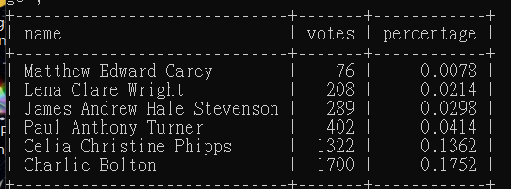

How successful (in % of votes cast) was the Conservative party in each ward?
SELECT Candidate.name AS name, Party.name AS party, Ward.name AS ward, Candidate.votes, Ward.electorate, votes/electorate as successful
FROM Candidate INNER JOIN Party ON Candidate.party = Party.id INNER JOIN Ward ON
Candidate.ward = Ward.id where Party.name='Conservative';

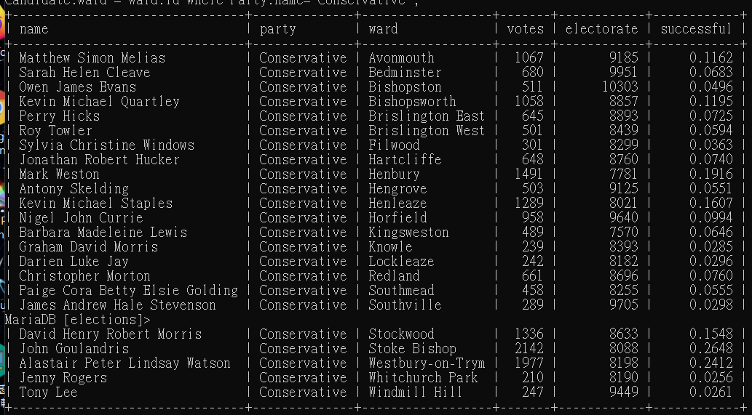

Which rank did Labour end up in the 'Whitchurch Park' ward? Your statement should produce a table with a single row and column containing the answer as a number. You can assume no ties.
SELECT Candidate.name AS name, Party.name AS party, Ward.name AS ward, Candidate.votes, Ward.electorate, | SELECT A.rank FROM (SELECT Candidate.name AS name, Party.name AS party, Ward.name AS ward, Candidate.votes, Ward.electorate,
rank() OVER (PARTITION BY ward ORDER BY votes ASC) rank | rank() OVER (PARTITION BY ward ORDER BY votes ASC) rank
FROM Candidate | FROM Candidate
INNER JOIN Party ON Candidate.party = Party.id | INNER JOIN Party ON Candidate.party = Party.id
 | INNER JOIN Ward ON Candidate.ward = Ward.id
 | where Ward.name='Whitchurch Park' ) A WHERE A.party='Labour'

What is the total number of votes that each party got in the elections? Your result should be a table with two columns party, votes.
SELECT SUM(votes), Party.name FROM Candidate
INNER JOIN Party ON Candidate.party = Party.id
INNER JOIN Ward ON Candidate.ward = Ward.id GROUP BY name;

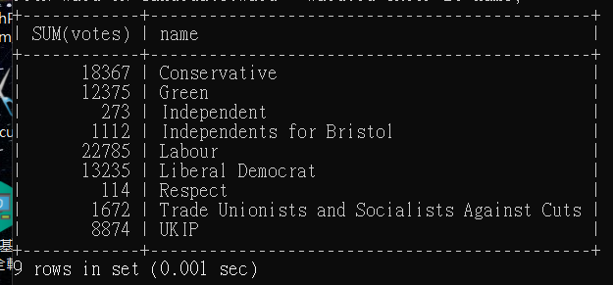

Find all wards where the Green party beat Labour and create a table with two columns ward, difference where the difference column is the number of Green votes minus the number of Labour votes. Your table should be ordered by difference, with the highest one first.

SELECT Ward.name AS Ward_name,
Party.name AS A_Party_name,
A.votes AS A_votes,
B.P_name AS B_Party_name,
B.votes AS B_votes,
(A.votes-B.votes) AS Difference
FROM Candidate A
INNER JOIN Party ON A.party = Party.id
INNER JOIN Ward ON A.ward = Ward.id
JOIN(SELECT C.name, C.party, C.ward, C.votes, Party.name AS P_name FROM Candidate AS C INNER JOIN Party ON C.party = Party.id WHERE Party.name='Labour') B
ON A.ward = B.ward
WHERE Party.name='Green' AND A.votes>B.votes;
ORDER BY Difference DESC;

