Life cycle&efficiency strategy
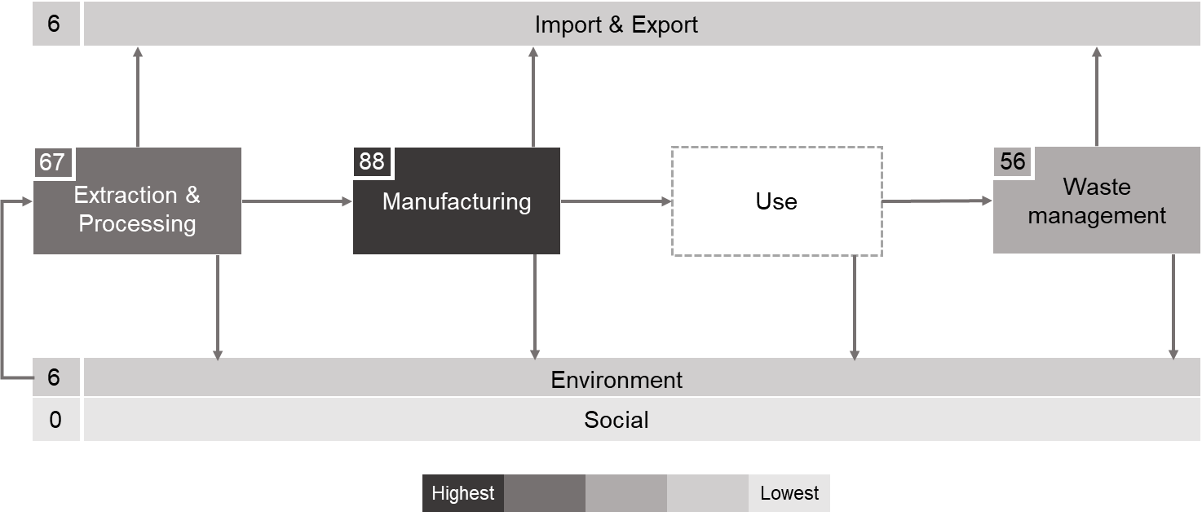
Reference number | Last name of the first author | Life cycle/supply chain |  |  |  |  |  | Material efficiency strategies
 |  | Extraction/ processing | Manufacturing | Waste management | Trade | Environment | Social | Recycle | Reduce | Reuse | Remanufacturing | Lifetime extension
1 | Elshkaki | 1 | 1 | 1 |  |  |  | 1 | 1
2 | Liu | 1 | 1 | 1 | 1 |  |  | 1
3 | Watari | 1 | 1 | 1 |  | 1 |  | 1
4 | Shammugam | 1 | 1 | 1 |  |  |  | 1 | 1
5 | Hache |  | 1 |  | 1 |  |  |  | 1
6 | Fishman | 1 | 1 | 1 |  |  |  | 1 | 1
7 | Li |  | 1 |  |  |  |  |  | 1
8 | Moreau | 1 | 1 | 1 |  |  |  | 1
9 | Beylot |  | 1 |  |  | 1
10 | Sun | 1 | 1 | 1 | 1 |  |  | 1
11 | Tokimatsu |  | 1
12 | Valero | 1 | 1 | 1 |  |  |  | 1
13 | Valero | 1 | 1 | 1 |  |  |  | 1
14 | Månberger | 1 | 1 | 1 |  |  |  | 1 | 1
15 | Li | 1 | 1 | 1 |  |  |  | 1 | 1 |  |  | 1
16 | Watari | 1 | 1 | 1 |  |  |  | 1 | 1
17 | Imholte | 1 | 1 |  | 1
18 | Deetman |  | 1
19 | Ziemann | 1 | 1 | 1 |  |  |  | 1
20 | de Koning |  | 1
21 | Fishman | 1 | 1 | 1 |  |  |  | 1 | 1
22 | Schipper | 1 | 1 | 1 |  |  |  | 1
23 | Harvey | 1 | 1 | 1 |  |  |  | 1 | 1
24 | Hun Choi | 1 | 1
25 | Zhou | 1 | 1
26 | Olivetti | 1 | 1
27 | Tokimatsu |  | 1
28 | Davidsson | 1 | 1 | 1 |  |  |  | 1 | 1
29 | Vidal | 1 | 1 | 1 |  |  |  | 1
30 | Martin |  | 1
31 | Jasiński | 1 | 1 | 1 |  |  |  | 1 | 1
32 | Busch | 1 | 1 | 1 |  |  |  | 1 |  | 1
33 | Pavel |  | 1 |  |  |  |  |  | 1
34 | Pehlken | 1 | 1 | 1 |  |  |  | 1
35 | Ulrik Sverdrup | 1 | 1 | 1 |  |  |  | 1 |  |  |  | 1
36 | Zhang |  | 1 |  |  |  |  |  | 1
37 | Nassar | 1 | 1 | 1 |  |  |  | 1 | 1
38 | Hun Choi | 1 | 1 | 1 |  |  |  | 1 | 1
39 | Løvik | 1 | 1 | 1 |  |  |  | 1 | 1
40 | Schulze | 1 | 1 | 1 |  |  |  | 1 | 1
41 | McLellan | 1 | 1 | 1 |  |  |  | 1
42 | Grandell | 1 | 1 | 1 |  |  |  | 1 | 1 |  |  | 1
43 | Rollat | 1 | 1 | 1 | 1 |  |  | 1 | 1
44 | Simon | 1 | 1 |  | 1
45 | Elshkaki | 1 | 1 | 1 |  | 1 |  | 1 | 1
46 | Kavlak | 1 | 1 |  |  |  |  |  | 1
47 | Kim |  | 1
48 | Viebahn |  | 1 |  |  |  |  |  | 1
49 | Elshkaki | 1 | 1 | 1 |  | 1 |  | 1
50 | Davidsson |  | 1
51 | Stamp | 1 | 1 | 1 |  |  |  | 1 | 1 |  |  | 1
52 | Richa | 1 | 1 | 1 |  |  |  | 1
53 | Busch | 1 | 1 | 1 |  |  |  | 1 |  | 1 | 1
54 | Bustamante | 1 | 1 | 1 |  |  |  | 1 | 1
55 | Habib | 1 | 1 | 1 |  |  |  | 1
56 | Speirs | 1 | 1 | 1 |  |  |  | 1 | 1
57 | Roelich | 1 | 1
58 | Houari | 1 | 1 | 1 |  |  |  | 1 | 1
59 | Vidal |  | 1
60 | Elshkaki |  | 1
61 | Elshkaki | 1 | 1 | 1 |  | 1 |  | 1 | 1
62 | Fizaine | 1 | 1 | 1 |  |  |  | 1 | 1
63 | Miedema | 1 | 1 | 1 |  |  |  | 1 | 1
64 | Vikström | 1 | 1
65 | Moss | 1 | 1
66 | Rademaker | 1 | 1 | 1 |  |  |  | 1
67 | Hoenderdaal | 1 | 1 | 1 |  |  |  | 1
68 | Zimmermann | 1 | 1 | 1 |  | 1 |  | 1
69 | Ravikumar | 1 | 1 |  |  |  |  |  | 1
70 | Mohr | 1 | 1 | 1 |  |  |  | 1
71 | Kushnir | 1 | 1 | 1 |  |  |  | 1
72 | Pihl | 1 | 1 | 1 |  |  |  | 1
73 | Fthenakis | 1 | 1 | 1 |  |  |  | 1 | 1
74 | Garcı´a-Olivares |  | 1
75 | Alonso | 1 | 1 | 1 |  |  |  | 1
76 | Alonso | 1 | 1
77 | Zuser | 1 | 1 | 1 |  |  |  | 1 | 1
78 | Sun | 1 | 1 | 1 |  |  |  | 1 | 1
79 | Gruber |  | 1 | 1 |  |  |  | 1 | 1
80 | Cherico Wanger | 1 | 1 | 1 |  |  |  | 1
81 | U.S. Department of Energy | 1 | 1
82 | Kleijn |  | 1
83 | Kleijn |  | 1
84 | Yaksic | 1 | 1 | 1 |  |  |  | 1
85 | Fthenakis | 1 | 1 | 1 |  |  |  | 1 | 1
86 | Andersson | 1 | 1 | 1 |  |  |  | 1
87 | Andersson |  | 1 |  |  |  |  |  | 1
88 | Andersson |  | 1
 |  | 67 | 88 | 56 | 6 | 6 | 0 | 56 | 37 | 2 | 1 | 4

