Natural Gas CHP
Natural gas CHP
Process datasheet (Mass & Energy Balance)

Production capacity |  | 50 MW electricity and 120 ton/h of steam
Operating hours per year |  | 8000 h/y

Overall Process Description
This process description presents a cogeneration plant, also called combined heat and power plant (CHP), which uses natural gas to produce 50 MW electricity and 120 ton/h of steam. A cogeneration is a system that recaptures otherwise wasted thermal energy, usually from a heat engine (such as a steam turbine, gas turbine, or diesel engine) to produce electricity and use it for industrial processes, space conditioning, or as an energy source for another system component. This “cascading” of energy use is what distinguishes cogeneration systems from conventional separate electric and thermal energy systems (e.g., a powerplant and an industrial boiler), or from simple heat recovery strategies [1]. Most cogeneration systems can be described either as “topping” systems or “bottoming” systems, depending on whether the electrical or thermal energy is produced first. In a topping system—the most common cogeneration mode— electricity is produced first. The thermal energy that is exhausted is captured and used for such purposes as industrial processes, space heating and cooling, water heating, or even producing more electricity. Topping systems would be used in residential/commercial and most industrial cogeneration applications. In a bottoming system, high-temperature thermal energy is produced first for applications such as steel reheat furnaces, glass kilns, or aluminum remelt furnaces. Heat is extracted from the hot exhaust waste stream and transferred to a working fluid, generally through a waste heat recovery boiler. The fluid is vaporized and used to drive a turbine (Rankine cycle) to produce electrical energy. Bottoming cycles are used mostly in industries where high-temperature waste heat is available, and thus are limited to a few industrial processes. Further, they tend to have a higher capital cost than topping systems [1,2]. Topping systems can be further classified as combined cycle CHP plant, steam turbine CHP plant, internal combustion engine and gas

Process Diagram description
The cogeneration plant is composed of a single shaft gas turbine, a heat recovery steam generator (HRSG), and a steam turbine [6,7]. The flow diagram presented above is described as follows. The cogeneration involves compression of air, the subsequent heating of this gas by burning a fuel without a change in pressure, followed by the expansion of the hot, pressurized gas. The compression process consumes power, while the expansion process extracts power from the gas. Some of the power from the expansion process is used to drive the compression process and the rest is used as useable power output [8]. The exhaust gases from the gas turbine are mixed and combusted with more natural gas, thus resulting in the increase in its temperature. The hot gases from the secondary combustion are carried out to the HRSG system and used to produce steam at different pressures[9]. The detailed description of the process is as follows: The single shaft gas turbine uses atmospheric air (15 °C, 1.02 bar) in excess to ensure complete combustion of the natural gas. For natural gas-fired burners, the stoichiometric air required is 9.4-11 ft.3 / 1.0 ft.3 of natural gas or approximately an air-to-gas ratio of approximately 24:1 (mol) [10]. In this case, the air flowrate is adjusted to maintain the combustion temperature below 1260 °C and reach an oxygen content of 13-15 mol% in the exhaust gas as required for the turbine and second burner [11,12]. A maximum turbine inlet temperature of over 1050 °C is preferred for thermal efficiency [13]. The air is then compressed in a multi-stage compressor with 15 stages and a compression ratio of 19.8:1, with equal compression ratio of 1.21 in each stage [7,14–16]. Isentropic efficiencies are taken to be constant, at 83% for the compressors and 90% for both the gas and steam turbines [17,18]. An intercooler is provided between each two stages of compression to cool air before it enters the next stage of compression[19]. The lower density of cool

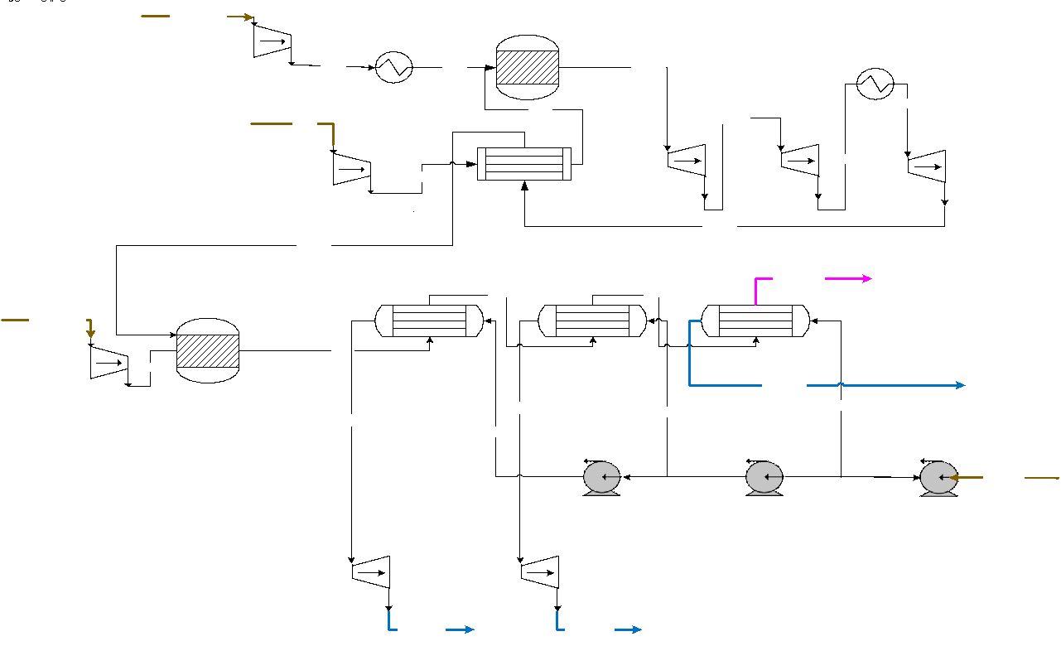

 |  |  |  |  |  |  |  |  |  | LEGENDS
 |  |  |  |  |  |  |  |  |  | FS- Feedstock/Raw material
 |  |  |  |  |  |  |  |  |  | PS- Product
 |  |  |  |  |  |  |  |  |  | WS-Waste

 |  |  |  |  |  |  |  |  |  |  |  | LEGENDS
 |  |  |  |  |  |  |  |  |  |  |  | FS- Feedstock/Raw material
 |  |  |  |  |  |  |  |  |  |  |  | PS- Product
 |  |  |  |  |  |  |  |  |  |  |  | WS-Waste

 |  |  |  |  | Figure 1. Process Flow Diagram- CHP for electricity and steam production

Mass Balances

Raw materials |  |  |  | Products |  |  |  | Balance check
Stream | Composition (% mass) | Flow kt/y |  | Stream | Composition (% mass) | Flow kt/y |  | Total inputs/outputs
FS-AIR | 23.3% O2, 76.7% N2 | 3924.0 |  | PS-LPS | 100 % H2O | 320.0 |  | Raw materials (FS) | 4996.3
FS-NG1 | 70.5% CH4, 2.38% CO2, 21.78 N2, 4.88% N-C2A, 0.47% NC3-A | 105.0 |  | PS-MPS | 100 % H2O | 320.0 |  | Products (PS) | 960.0
FS-NG2 | 70.5% CH4, 2.38% CO2, 21.78 N2, 4.88% N-C2A, 0.47% NC3-A | 7.3 |  | PS-HPS | 100 % H2O | 320.0 |  | Waste Streams (WS) | 4036.3
FS-WATER | 100 % H2O | 960.0 |  | WS-FLUEG | 75.2% N2, 5.9% CO2, 14.3% O2, 4.7% H2O | 4036.295
 |  |  |  |  |  |  |  | Balance check | 0.1
 |  |  |  |  |  |  |  | Percent error (%) | 0.0

Energy Balances
 |  |  |  |  |  |  |  |  | Utility process conditions
Utility type | Input - TJ/y | Input - kt/y | Output - TJ/y | Output - kt/y | Net - TJ/y | Net - kt/y | Remark |  | Utility type | Inlet temperature ( °C ) | Outlet temperature ( °C ) | Inlet pressure (bar) | Outlet pressure (bar) | Heat capacity/latent heat/lower heating value | Unit
Low pressure steam | 0.00 | 0.00 | -722.24 | -320.00 | -722.24 | -320.00 | Net Generation |  | Very Low pressure steam | - | - | - | - | - | -
Mid pressure steam | 0.00 | 0.00 | -604.80 | -320.00 | -604.80 | -320.00 | Net Generation |  | Low pressure steam | 155 | 155 | 5.5 | 5.5 | 2097 | KJ/kg
High pressure steam | 0.00 | 0.00 | -524.80 | -320.00 | -524.80 | -320.00 | Net Generation |  | Mid pressure steam | 214 | 214 | 21 | 21 | 1880 | KJ/kg
Cooling water | 1111.52 | 17759.20 | 0.00 | 0.00 | 1111.52 | 17759.20 |  |  | High pressure steam | 265 | 265 | 51 | 51 | 1632 | KJ/kg
Fired Heat | 708.04 | NA | 0.00 | NA | 708.04 | NA |  |  | Fired Heat | 1000 | 750 | 2 | 2 | - | -
Electricity | 1407.10 | 48857.70 | -2857.02 | -99202,2 | -1449.92 | -50344,5 | Net Generation, kt/y values are kW |  | Cooling water | 25 | 40 | 1.02 | 1.02 | 4.18 | KJ/kg.K
*NA- Not Applicable |  |  |  |  | -1482.20 | 16799.20

 | Value | Unit | Remark
TOTAL Energy requirements (kWh/y) from the other 5 plants in our system | 454253449.2 | kWh/y | Summed electricity inputs only (including the thermal and electric inputs for the biogas plant)
Original production capacity (mW) | 50 | MW | MW to kW = multiply by 1000
Our assumption of operating hours per year | 8,765.82 | h/y
Production capacity, scaled to our assumption of kWh/y | 438291000 | kWh/y | At the top of this sheet, they assume production capacity is 8000 h/y, but we're assuming it's the full capacity of a year, so 8765.82 h/y, assuming the average year of 365.25 days, accounting for gap years.
Scaling factor | 0.9648600374 | none

Energy Balances - SCALED | Normalization factor | 320 | Scaling factor | 0.9648600374

Utility type | Input - TJ/y | Input - kt/y | Output - TJ/y | Output - kt/y | Net - TJ/y | Net - kt/y | Remark
Low pressure steam | 0.00 | 0.00 | -696.86 | -308.76 | -696.86 | -308.76 | Net Generation
Mid pressure steam | 0.00 | 0.00 | -583.55 | -308.76 | -583.55 | -308.76 | Net Generation
High pressure steam | 0.00 | 0.00 | -506.36 | -308.76 | -506.36 | -308.76 | Net Generation
Cooling water | 1072.46 | 17135.14 | 0.00 | 0.00 | 1072.46 | 17135.14
Fired Heat | 683.16 | NA | 0.00 | NA | 683.16 | NA
Electricity | 1357.66 | 47140.84 | -2756.63 | -95716.24 | -1398.97 | -48575.40 | Net Generation, kt/y is kW
*NA- Not Applicable |  |  |  |  | -1430.11 | -32366.52
Electricity (kWh/y) |  | 413228137.8 |  | -839031316.9

Total energy | 3113.28 |  | -4543.39

Disclaimer
This process datasheet is part of the "Unravelling the impacts of using alternative raw materials in industrial clusters"
Project Leader: Prof. dr. ir. Andrea Ramirez Ramirez. Energy & Industry, Faculty of Technology, Policy and Management, Delft University of Technology, The Netherlands.
The affiliation of the process modelers and reviewers is: Energy & Industry, Faculty of Technology, Policy and Management, Delft University of Technology, The Netherlands.

No. | References
[1] | U.S. Technology Assessment Office, Industrial and Commercial Cogeneration, U.S. Government Printing Office, 1984, pp. 117–67.
[2] | L. Thierry, J.F. Ferrería de laFuente, F. Neuwahl, M. Canova, A. Pinasseau, I. Jankov, T. Brinkmann, S. Roudier, L.D. Sancho, BAT Reference Document for Large Combustion Plants, 2016.
[3] | A. Kaya, M.A. Keyes, Energy Convers. Manag. 33(4) (1992) 225–33. 10.1016/0196-8904(92)90112-A.
[4] | S. Green, PEI Power Eng. Int. (2000) 28. 10.1533/9780857096180.1.
[5] | A. Gunschera, Interactive Gas Turbine Portfolio Brochure - web version (February 2019), 2019.
[6] | Combined heat and power plant Alco Bio Fuel | Waterleau. Available at: https://www.waterleau.com/en/references/combined-heat-and-power-plant-alco-bio-fuel-1. Accessed March 9, 2021.
[7] | SGT-800 | Industrial Gas Turbine | Gas Turbines | Manufacturer | Siemens Energy Global. Available at: https://www.siemens-energy.com/global/en/offerings/power-generation/gas-turbines/sgt-800.html. Accessed March 24, 2021.
[8] | R. Kurz, C. Meher-Homji, B. Fellow, K. Brun, 43rd Turbomachinery & 30th Pump Users Symposia , 2014, pp.1-36.
[9] | Gas Turbine Combined Cycle - an overview | ScienceDirect Topics. Available at: https://www.sciencedirect.com/topics/engineering/gas-turbine-combined-cycle. Accessed March 24, 2021.
[10] | What is the Air Fuel Ratio Effect on Combustion Efficiency? Available at: https://sagemetering.com/combustion-efficiency/air-fuel-ratio-effect-on-combustion-efficiency/. Accessed March 8, 2021.
[11] | How Gas Turbine Power Plants Work | Department of Energy. Available at: https://www.energy.gov/fe/how-gas-turbine-power-plants-work. Accessed March 24, 2021.
[12] | Y. Kokura, Y. Tanaka, Y. Nagata, Development of Supplementary Firing Burner for Gas Turbine Cogeneration System, 2000.
[13] | Introduction to a Single-Shaft Turboprop Engine. Available at: https://skybrary.aero/bookshelf/books/1627.pdf. Accessed March 9, 2021.
[14] | T. Kiuru, M. Oijerholm, 21st Symposium of the Industrial Application of Gas Turbines, Flexible Package Solutions for SIEMENS SGT-800, 2015, pp.1-13.
[15] | M.P. Boyce, Gas Turbine Handbook, Axial Flow Compressors, pp. 163-194 . Available at: https://www.netl.doe.gov/sites/default/files/gas-turbine-handbook/2-0.pdf. Accessed March 20, 2021.
[16] | J. Wilkes, B. Pettinato, R. Kurz, J. Hollingsworth, D. Zhang, M. Taher, C. Kulhanek, F. Werdecker, D. Büche, G. Talabisco, Compression Machinery for Oil and Gas, Elsevier, 2018, pp. 31–133.
[17] | J.C. Solarte-Toro, Y. Chacón-Pérez, C.A. Cardona-Alzate, Electron. J. Biotechnol. (2018) 52–62. 10.1016/j.ejbt.2018.03.005.
[18] | I. Dincer, M.A. Rosen, Exergy: Energy, Environment and Sustainable Development, second ed., 2012, pp. 31–49.
[19] | A.K. Coker, Ludwig’s Applied Process Design for Chemical and Petrochemical Plants, Elsevier, 2015, pp. 729–978.
[20] | Understanding Air Compressor Intercooler Maintenance. Available at: https://www.fs-elliott.com/understanding-air-compressor-intercooler-maintenance?locale=en. Accessed March 8, 2021.
[21] | C. Soares, Gas Turbines, Gas Turbine Configurations and Heat Cycles, second ed., 2015, pp. 93–171.
[22] | M. Pérez‐Fortes,, A. Mian,, S. Srikanth,, L. Wang,, S. Diethelm,, E. Varkaraki,, I. Mirabelli,, R. Makkus,, R. Schoon,, F. Maréchal,, J. Van herle, Fuel Cells 19(4) (2019)
[23] | S.M. Javadi,, M. Moghiman, Int. J. Spray Combust. Dyn. 4(2) (2012) 175–84
[24] | M.P. Boyce, Gas Turbine Engineering Handbook, Elsevier, 2012, pp. 803–83.
[25] | A.M.I. Mamat, A. Romagnoli, R.F. Martinez-Botas, Int. J. Gas Turbine, Propuls. Power Syst. (2012) 1–8.
[26] | J. Larfeldt, Fuel Flexible Energy Generation: Solid, Liquid and Gaseous Fuels, Elsevier Inc., 2016, pp. 271–91.
[27] | Multistage Compressor - an overview | ScienceDirect Topics. Available at: https://www.sciencedirect.com/topics/engineering/multistage-compressor. Accessed March 24, 2021.
[28] | 4.3 Gas Turbines - UnderstandingCHP.com. Available at: https://understandingchp.com/chp-applications-guide/4-3-gas-turbines/. Accessed March 24, 2021.
[29] | Tebodin Netherlands B.V., POSM afval(water)verwerkingsproject: Veiligheidsrapport – Gesterde delen, Schiedam, 2017.
[30] | Steam Tables Pressure vs Temperature. Available at: https://www.valvesonline.com.au/references/steam-tables/. Accessed March 10, 2021.
[31] | M. Kreijkes, Groningen–Rotterdam: Changing dynamics. The reduction of gas production in the Netherlands and the influence on the energy dependency of the Rotterdam industrial cluster. TU Delft, Delft, 2015.
[32] | M. Khandelwal, T. van Dril, Decarbonisation options for the Dutch biofuels industry | PBL Netherlands Environmental Assessment Agency, 2020.
[33] | I. Dincer,, Y. Bicer, Integrated Energy Systems for Multigeneration, Elsevier, 2020, pp. 85–142.

Olefins Production Plant
LOW OLEFINS PRODUCTION
Process datasheet (Mass & Energy Balance)

Production capacity |  | Ethylene 876 kt/y, propylene 404 kt/y, acetylene 17 kt/y, butene 93 kt/y, butadiene 116 kt/y
Operating hours per year |  | 8000

Overall Process Description
The lower olefins are the primary feedstock for most plastics, polymers and chemicals and they comprise mainly ethylene, propylene, acetylene, butene and butadiene [1]. Steam cracking is currently the most commonly applied technology for the production of lower olefins. Steam cracking involves the high temperature pyrolysis (or cracking) of mainly saturated hydrocarbons in the presence of steam [1, 2]. The range of saturated hydrocarbons that can be used as feedstock for steam cracking is potentially wide. From the different feedstock alternatives, naphtha from crude oil refining is far the most important feedstock [1]. Hence, in this datasheet a model for steam cracking of naphtha feedstock is presented. During the steam cracking of naphtha, a wide range of lower hydrocarbons are produced mainly hydrogen, methane, ethylene, ethane, acetylene, propylene, propane, butene, butadiene, benzene, other non-aromatics and other aromatics [1, 3]. Thus, after steam cracking, the hydrocarbon mixture goes to the downstream purification section to separate the individual components. The downstream purification step consists of primary fractionation, gas clean-up, demethanizer, deethanize , acetylene extraction, C2-C2 splitter, depropanizer, C3-C3 splitter, debutanizer, butadiene extraction and aromatic extraction [1,2].

Process Diagram description
Naphtha feed at storage conditions is first pumped (O1-P1) and preheated (O1-E1) to 5 bar and 350 °C and is then mixed with superheated steam, at a steam to naphtha ratio of 0.5 (mass basis) [2]. The mixture is then heated to 500 °C and it enters the cracker furnace (O1-R1) operating at about 850 °C to ensure cracking of naphtha to lower olefins. The reaction being highly endothermic requires heat, which is supplied by burning off-gases produced within the olefin plant. The hot flue-gas from the furnace is used to preheat the feed and produce steam required for the process [2]. The hot olefin mixture from the furnace has an outlet pressure of 5 bar [3] and it is cooled to about 250 °C [1] (producing steam) before entering the quench tower. In the quench tower (O1-T1), the gas mixture is cooled down using recirculating quench liquid [1]. The mixture is then sent to a primary distillation tower (O1-T2) to remove heavy C9+ compounds like napthalene. The cooled olefin mixture is then compressed to about 30 bar using multistage compressor in order to facilitate the subsequent separation of different olefins [1]. During the compression, some of the BTX compounds get liquefied and are collected in a knock-out drum and sent to the benzene section for further processing [1]. As the cracked gas contains some CO and H2S [1], the gas has to be cleaned in order to prevent downstream processing problems like plugging and catalyst poisoning. Hence, a caustic scrubber (O1-T3) is typically used to remove unwanted gases. The scrubbing reactions are as follows: 2 NaOH + H2S → Na2S + 2 H2O CO + NaOH → HCO2Na (Sodium formate) During the scrubbing process some heavy components like benzene, toluene, p-xylene and styrene get removed from the gas and are recovered through phase separators, and then sent to the BTX section for further processing.

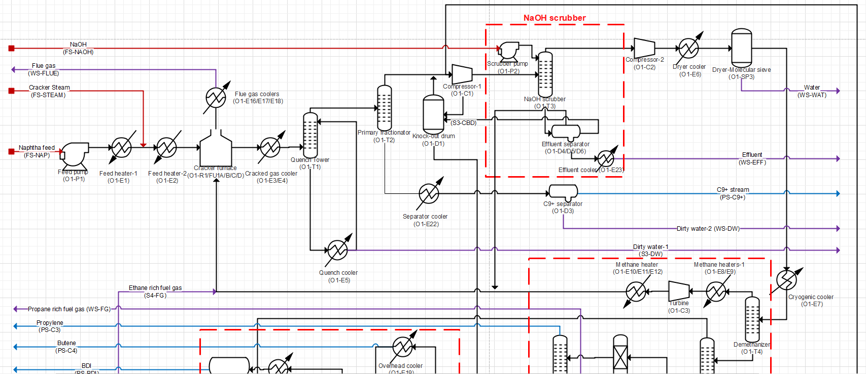

 |  |  |  |  |  |  |  |  | LEGENDS
 |  |  |  |  |  |  |  |  | FS- Feedstock/Raw material
 |  |  |  |  |  |  |  |  | PS- Product
 |  |  |  |  |  |  |  |  | WS-Waste

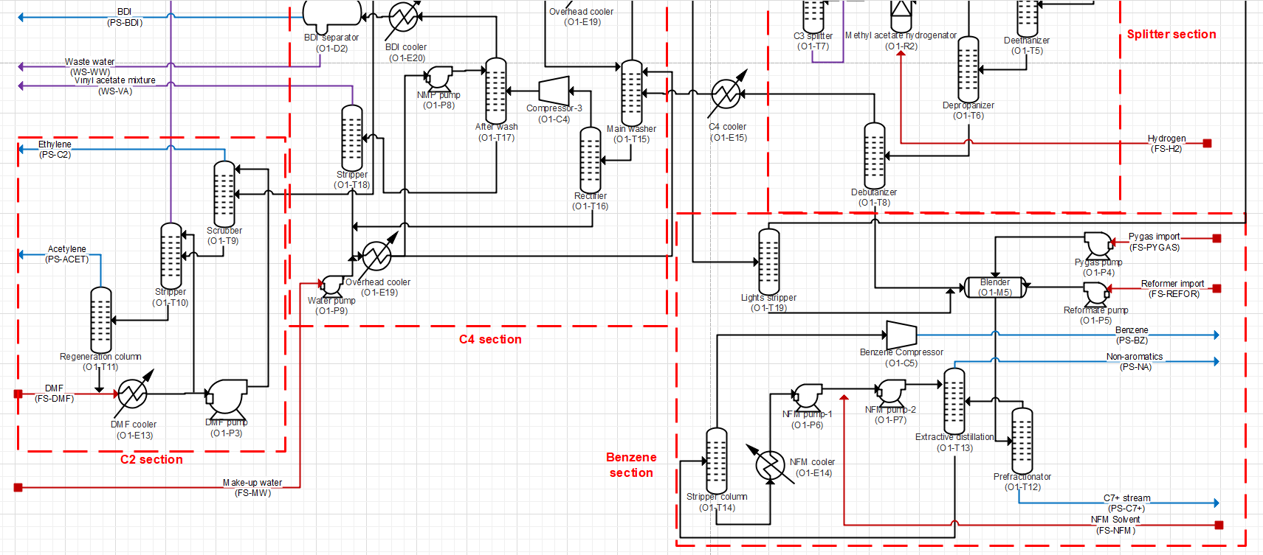

 |  |  |  | Figure 1. Process Flow Diagram- Lower Olefins Production

Mass Balances

Raw materials |  |  |  |  |  | Products |  |  |  |  |  |  | Balance check
Stream | Composition (% mass) | Flow kt/y | Temperature ( °C ) | Pressure (bar) |  | Stream | Composition (% mass) | Flow kt/y | Temperature ( °C ) | Pressure (bar) |  |  | Total inputs/outputs
Naphtha | ASTM D86 (IBP=26 C, FBP=183 C) | 3000 | 40 | 1.02 |  | Ethylene | 99.99% Ethylene, 0.01% ethane | 876 | -27 | 20 |  |  | Raw materials (FS) | 28767.1
Steam | 100% water | 1500 | 156 | 5.5 |  | Propylene | 99.95% Propylene, 0.04% ethane, 0.01% propane | 494 | 38 | 16 |  |  | Products (PS) | 2783.3
Combustion air | 23% O2, 77% N2 | 23311 | 15 | 1.02 |  | Acetylene | 99.62% acetylene, 0.02% propylene, 0.36% DMF | 17 | 4 | 1.02 |  |  | Waste Streams (WS) | 25983.7
NaOH | 50% water, 50% NaOH | 18 | 40 | 1.02 |  | Butene mixture | 92% butene, 5% butane, 2.8% BDI, 0.2% water | 93 | 30 | 3
Dilution water | 100% water | 147 | 15 | 1.02 |  | Butadiene | 99.07% BDI, 0.71% butene, 0.11% water, 0.09% vinyl acetylene, 0.02% NMP | 116 | 42 | 8 |  |  | Balance check | 0.1
NFM solvent | 100% NFM | 0.03 | 15 | 1.02 |  | C9+ stream | 0.02% H2O, 0.36% ethylene, 0.26% propylene, 2.2% Benzene, 0.11% BDI-13, 0.03% Acetylene, 0.08% Butene, 0.08% Methane, 0.05% ethane, 0.06% methyl acetylene, 12.06% p-xylene, 0.04% propylmercaptan, 60.11% naphthalene, 2.35% toluene, 3.63% ethyl benzene, 0.02% vinyl acetylene, 18.17% styrene, 0.37% cyclopentadiene | 221 | 41 | 2 |  |  | Percent error (%) | 0.0
DMF solvent | 100% DMF | 0.08 | 15 | 1.02 |  | Benzene | 99.995% benzene, 0.002% propylmercaptan, 0.001% methyhexane, 0.002% cyclohexane | 673 | 95 | 1.02
Make-up water | 100% water | 1.5 | 15 | 1.02 |  | Non aromatic stream | 7.52% benzene, 0.09% BDI-13, 0.06% butene, 6.7% propylene mercaptan, 0.02% vinyl acetylene, 56.45% cyclopentadiene, 27.76% hexane, 1.38% cyclohexane, 0.02% NFM | 294 | 77 | 2
Make-up NMP | 100% NMP | 0.03 | 15 | 1.02
H2 gas | 99.87% H2, 0.13% N2 | 1.14 | 40 | 16
Pygas import | 70% benzene, 15% Cyclopentadiene, 10% Toluene, 5% hexane | 372 | 15 | 1.02
HC Reformate import | 50% benzene, 15% hexane, 10% 2-methyhexane, 10% 3-methyl heptane 5% o-xylene, 5% toluene, 3% ethylbenzene, 1% cyclohexane, 1% Cumene | 417 | 15 | 1.02 |  | Waste streams
 |  |  |  |  |  | Stream | Concentration (wt %) | Flow kt/y | Temperature ( °C ) | Pressure (bar)
 |  |  |  |  |  | Flue gas | 74.5% N2, 11.35% O2, 6.4% water, 7.74% CO2, 0.01% propyl mercaptan | 23997 | 200 | 1.02
 |  |  |  |  |  | Effluent | 79.65% water, 0.62% ethylene, 1.23% propylene, 0.08% benzene, 0.01% acetylene, 0.87% butene, 0.07% butane, 0.05% methane, 0.13% ethane, 0.03% propane, 0.08% methyl acetylene, 4.1% propyl mercaptan, 0.02% toluene, 0.06% vinyl acetylene, 4.01% cyclopentadiene, 5.22% Na2S, 3.77% sodium formate | 114 | 40 | 1.02
 |  |  |  |  |  | Dirty water (WS-DW) | 99.81% water, 0.02% ethylene, 0.01% propylene, 0.05% benzene, 0.1% propyl mercaptan, 0.01% cyclopentadiene | 1471 | 40 | 2
 |  |  |  |  |  | Water | 100% water | 92 | 6 | 2
 |  |  |  |  |  | Propane rich fuel gas | 98.69% propane, 0.61% propylene, 0.39% BDI-13, 0.31% butene | 11 | 46 | 16
 |  |  |  |  |  | Vinyl acetylene | 94.35% vinyl acetylene, 0.35% water, 4.35% BDI-13, 0.53% butene, 0.42% Cyclopentadiene | 5 | 38 | 3
 |  |  |  |  |  | Waste water | 99.56% water, 0.09% BDI-13, 0.35% NMP | 1 | 42 | 2
 |  |  |  |  |  | C7+ stream/Pygas tail | 1.41% water, 0.3% benzene, 7.08% o-xylene, 2.62% p-xylene, 51.58% toluene, 6.01% ethylbenzene, 1.17% styrene, 0.04% Na2S, 0.03% HCOONA, 14.15% methylhexane, 14.15% methyl heptane, 0.04% cyclohexane, 1.42% cumene | 294 | 176 | 5

Energy Balances

Utility type | Input - TJ/y | Input - kt/y | Output - TJ/y | Output - kt/y | Net - TJ/y | Net - kt/y | Remark |  | Utility process conditions
Low pressure steam | 7780.49 | 3711.00 | -2659.25 | -1268.00 | 5121.24 | 2443.00 |  |  | Utility type | Inlet temperature ( °C ) | Outlet temperature ( °C ) | Inlet pressure (bar) | Outlet pressure (bar) | Heat capacity/latent heat/lower heating value | Unit
Mid pressure steam | 6519.80 | 3469.00 | -10026.37 | -5334.00 | -3506.56 | -1865.00 | Generation |  | Low pressure steam | 155 | 155 | 5.5 | 5.5 | 2097 | KJ/kg
High pressure steam | 0.00 | 0.00 | -5972.25 | -3658.00 | -5972.25 | -3658.00 | Generation |  | Mid pressure steam | 214 | 214 | 21 | 21 | 1880 | KJ/kg
Cooling water | 13370.42 | 213148.00 | 0.00 | 0.00 | 13370.42 | 213148.00 |  |  | High pressure steam | 265 | 265 | 51 | 51 | 1632 | KJ/kg
Electricity | 571.00 | 19823.00 | -122.77 | -4263 | 448.23 | 15560.00 | kt/y value is kW |  | Very High pressure steam | 500 | 311 | 100 | 100 | 1967.0 | KJ/kg
Very High pressure steam | 0 | 0 | -1962 | -998 | -1962 | -998 | Generation |  | Cooling water | 25 | 40 | 1.02 | 1.02 | 4.18 | KJ/kg.K
 |  |  |  |  | 7499.08 | 224630.00
Energy Balances - SCALED | Normalization factor | 876 | Scaling factor | 1.151854 | h/y | 8,765.82

Utility type | Input - TJ/y | Input - kt/y | Output - TJ/y | Output - kt/y | Net - TJ/y | Net - kt/y | Remark |  | Utility process conditions
Low pressure steam | 8961.99 | 4274.53 | -3063.07 | -1460.55 | 5898.92 | 2813.98 |  |  | Utility type | Inlet temperature ( °C ) | Outlet temperature ( °C ) | Inlet pressure (bar) | Outlet pressure (bar) | Heat capacity/latent heat/lower heating value | Unit
Mid pressure steam | 7509.86 | 3995.78 | -11548.91 | -6143.99 | -4039.05 | -2148.21 | Generation |  | Low pressure steam | 155 | 155 | 5.5 | 5.5 | 2097 | KJ/kg
High pressure steam | 0.00 | 0.00 | -6879.16 | -4213.48 | -6879.16 | -4213.48 | Generation |  | Mid pressure steam | 214 | 214 | 21 | 21 | 1880 | KJ/kg
Cooling water | 15400.78 | 245515.38 | 0.00 | 0.00 | 15400.78 | 245515.38 |  |  | High pressure steam | 265 | 265 | 51 | 51 | 1632 | KJ/kg
Electricity | 657.71 | 22833.20 | -141.41 | -4910.35 | 516.29 | 17922.85 | kt/y value is kW |  | Very High pressure steam | 500 | 311 | 100 | 100 | 1967.0 | KJ/kg
Very High pressure steam | 0.00 | 0.00 | -2259.94 | -1149.55 | -2259.94 | -1149.55 | Generation |  | Cooling water | 25 | 40 | 1.02 | 1.02 | 4.18 | KJ/kg.K
 |  |  |  |  | 8637.85 | 258740.96
 | 32530.33 |  | -23892.49

Electricity - kWh/y |  | 200151737.4 |  | -43043275.81 |  | 157108461.6 | kWh/y

Breakdown of requirements
Very Low pressure steam |  |  |  |  |  |  | Electricity
Unit name | Unit description | Duty - MJ/hr | Duty - TJ/y | Mass - ktonne/y | Remark |  | Unit name | Unit description | Power - KW | Energy- GWh/y | Energy- TJ/y | Remark
- | - | - | - | - | - |  | ACET-EXT.O1-P3 | #REF! | 86 | #REF! | #REF! | -
 |  |  |  |  |  |  | BENZENE.O1-P6 | #REF! | 1.3 | #REF! | #REF! | -
Low pressure steam |  |  |  |  |  |  | BENZENE.O1-P7 | #REF! | 3.8 | #REF! | #REF! | -
Unit name | Unit description | Duty - MJ/hr | Duty - TJ/y | Mass - ktonne/y | Remark |  | BENZENE.O1-C5 | #REF! | 1398.86 | #REF! | #REF! | -
ACET-EXT.O1-T9 | #REF! | 119018 | #REF! | 454 | - |  | SCRUB.O1-P2 | #REF! | 21 | #REF! | #REF! | -
BENZENE.O1-T13 | #REF! | 199902 | #REF! | 763 |  |  | SPLITTER.O1-C3 | #REF! | -4263 | #REF! | #REF! | Value taken as negative as it is a turbine
BENZENE.O1-T19 | #REF! | 8991 | #REF! | 34 |  |  | O1-P1 | #REF! | 74 | #REF! | #REF! | -
SPLITTER.O1-E12 | #REF! | 2421 | #REF! | 9 |  |  | O1-P4 | #REF! | 9.3 | #REF! | #REF! | -
SPLITTER.O1-T4 | #REF! | 64359 | #REF! | 246 |  |  | O1-P5 | #REF! | 11 | #REF! | #REF! | -
SPLITTER.O1-T5 | #REF! | 85876 | #REF! | 328 |  |  | O1-C2 | #REF! | 10431 | #REF! | #REF! | -
SPLITTER.O1-T6 | #REF! | 48439 | #REF! | 185 |  |  | O1-C1 | #REF! | 7386 | #REF! | #REF! | -
SPLITTER.O1-T7 | #REF! | 374004 | #REF! | 1427 |  |  | O1-P8 | #REF! | 9 | #REF! | #REF! | -
O1-E18 | #REF! | -332407 | #REF! | -1268 |  |  | O1-P9 | #REF! | 0.035 | #REF! | #REF! | -
O1-T15 | #REF! | 69551 | #REF! | 266 |  |  | O1-C4 | #REF! | 392 | #REF! | #REF! | -
 |  |  |  |  |  |  |  |  | 15560 |  | #REF!
 |  |  |  |  |  |  | Cooling water
Mid pressure steam |  |  |  |  |  |  | Unit name | Unit description | Duty - MJ/hr | Duty - TJ/y | Mass - ktonne/y | Remark
Unit name | Unit description | Duty - MJ/hr | Duty - TJ/y | Mass - ktonne/y | Remark |  | BENZENE.O1-T12 | #REF! | 460122 | #REF! | 58668 | -
ACET-EXT.O1-T11 | #REF! | 34228 | #REF! | 146 | - |  | BENZENE.O1-T13 | #REF! | 223109 | #REF! | 28448 | -
BENZENE.O1-T12 | #REF! | 526740 | #REF! | 2242 | - |  | BENZENE.O1-T14 | #REF! | 4547 | #REF! | 580 | -
BENZENE.O1-T14 | #REF! | 37172 | #REF! | 158 | - |  | SCRUB.O1-E23 | #REF! | 825 | #REF! | 105 | -
SPLITTER.O1-T8 | #REF! | 17564 | #REF! | 75 | - |  | O1-T6 | #REF! | 30411 | #REF! | 3878 | -
O1-E4 | #REF! | -206709 | #REF! | -880 | - |  | O1-T8 | #REF! | 10923 | #REF! | 1393 | -
O1-E17 | #REF! | -1046587 | #REF! | -4454 | - |  | O1-E5 | #REF! | 137563 | #REF! | 17540 | -
O1-T16 | #REF! | 140496 | #REF! | 599 | - |  | O1-E22 | #REF! | 26236 | #REF! | 3345 | -
O1-T17 | #REF! | 53722 | #REF! | 229 | - |  | O1-T2 | #REF! | 558923 | #REF! | 71266 | -
O1-T18 | #REF! | 5054 | #REF! | 22 | - |  | O1-C1 | #REF! | 67650 | #REF! | 8626 | -
 |  |  |  |  |  |  | O1-E20 | #REF! | 6055 | #REF! | 774 | -
High pressure steam |  |  |  |  |  |  | O1-T16 | #REF! | 94709 | #REF! | 12106 | -
Unit name | Unit description | Duty - MJ/hr | Duty - TJ/y | Mass - ktonne/y | Remark |  | O1-T17 | #REF! | 41408 | #REF! | 5293 | -
O1-E3 | #REF! | -746531 | #REF! | -3658 | - |  | O1-T18 | #REF! | 8822 | #REF! | 1128 | -

Very High pressure steam |  |  |  |  |  |  | Refrigerant-1
Unit name | Unit description | Duty - MJ/hr | Duty - TJ/y | Mass - ktonne/y | Remark |  | Unit name | Unit description | Duty - MJ/hr | Duty - TJ/y | Mass - ktonne/y | Remark
O1-E16 | #REF! | -245274 | #REF! | -998 | - |  | SPLITTER.O1-T4 | #REF! | 48527 | #REF! | 741 | -

 |  |  |  |  |  |  | Refrigerant-2
 |  |  |  |  |  |  | Unit name | Unit description | Duty - MJ/hr | Duty - TJ/y | Mass - ktonne/y | Remark
 |  |  |  |  |  |  | ACET-EXT.O1-T9 | #REF! | 117457 | #REF! | 1929 | -
 |  |  |  |  |  |  | ACET-EXT.O1-T10 | #REF! | 177717 | #REF! | 2918 | -
 |  |  |  |  |  |  | HS-13 | Heat stream | 62243 | #REF! | #REF! | The heat stream is manually provided to get the required temperature. Hence the mass flow is manually calculated

 |  |  |  |  |  |  | Refrigerant-3
 |  |  |  |  |  |  | Unit name | Unit description | Duty - MJ/hr | Duty - TJ/y | Mass - ktonne/y | Remark
 |  |  |  |  |  |  | SPLITTER.O1-T5 | #REF! | 38036 | #REF! | 1376 | -
 |  |  |  |  |  |  | SPLITTER.O1-T7 | #REF! | 386533 | #REF! | 13978 | -
 |  |  |  |  |  |  | O1-E19 | #REF! | 38871 | #REF! | 1429 | -
 |  |  |  |  |  |  | O1-E21 | #REF! | 85373 | #REF! | 3138 | -
 |  |  |  |  |  |  | HS-14 (stream name) | Heat stream | 142417 | #REF! | #REF! | The heat stream is manually provided to get the required temperature. Hence the mass flow is manually calculated

Disclaimer
This process datasheet is part of the "Unravelling the impacts of using alternative raw materials in industrial clusters"
Project Leader: Prof. dr. ir. Andrea Ramirez Ramirez. Energy & Industry, Faculty of Technology, Policy and Management, Delft University of Technology, The Netherlands.
The affiliation of the process modelers and reviewers is: Energy & Industry, Faculty of Technology, Policy and Management, Delft University of Technology, The Netherlands.

No. | References
[1] | Heino Falcke, Simon Holbrook, Iain Clenahan, Alfredo Lopez Carretero, Teoman Sanalan, Thomas Brinkmann, Joze Roth, Benoit Zerger, Serge Roudier and Luis Delgado Sancho, "Best Available Techniques (BAT) Reference Document for the Production of Large Volume Organic Chemicals," European Commission/JRC , 2017.
[2] | Louise Wong and Ton van Dril, "Decarbonisation options for large volume organic chemicals production, Shell Moerdijk," PBL Netherlands Environmental Assessment Agency and TNO EnergieTransitie, The Hague, 2020.
[3] | Heinz Zimmermann and Roland Walzi, "Ethylene," in Ullmann's Encyclopedia of Industrial Chemistry, Wiley-VCH Verlag GmbH & Co. KGaA, Weinheim, 2012, pp. 464-529, Vol. 13.
[4] | Mark Muldoon, Kirsten Rosselot P.E and V. M. Torres, "Refinery Intermediate Product Literature Review," Texas Commission on Environmental Quality, 2014.
[5] | NOVA Chemicals, "Safety Data Sheet for Pyrolysis Fuel Oil," 2019.
[6] | R Gobbo, R P Soares, M A Lansarin, A R Secchi and J. M. P. Ferreira, "Modeling, Simulation and Optimization of a front-end system for acetylene hydrogentaion reactors," Brazilian Journal of Chemical Engineering, vol. 21, no. 4, pp. 545-556, 2004.
[7] | The Linde Group, "Acetylene Recovery Units (ARUs): From the pioneer and leader in continuous recovery technology," Linde AG, 2018.
[8] | Joachim Grub and Eckhard Loser, "Butadiene," in Ullmann's Encyclopedia of Industrial Chemistry, Wiley-VCH Verlag GmbH & Co. KGaA, Weinheim, 2012, pp. 381- 396, Vol. 6.
[9] | ZEON Corporation, "Butadiene Recovery," ZEON, [Online]. Available: http://www.zeon.co.jp/business_e/enterprise/license/license1.html. [Accessed 2020].
[10] | Shell Chemicals Europe B V, "Safety Data Sheet: Pygas," 2020.
[11] | ExxonMobil, "VEILIGHEIDSINFORMATIEBLAD: RBHC," 2016.
[12] | Shell Chemicals Europe B V, "Safety Data Sheet: Reformate HC," 2019.
[13] | Shell Moerdijk/BBS, "Veiligheidsrapport SNC Moerdijk, Hoofdstuc 3: Analyse en gedetailleerde uitwerking van scenario's," 2011.
[14] | YoungHoon Kim, SungYoung Kim and Bomsock Lee, "Simulation of 1,3-butadiene extractive distillation process using N-methyl-2-pyrrolidone solvent," Korean J. Chem. Eng., vol. 29, no. 11, pp. 1493-1499, 2012.
[15] | Frank M A Geilen, Guido Stochniol, Stephan Peitz and Ekkehard Schulte-Koerne, "Butenes," in Ullmann's Encyclopedia of Industrial Chemistry, Wiley-VCH Verlag GmbH & Co. KGaA, Weinheim, 2013, pp. 1-13.
[16] | Uwe Stabel and P. Deckert, "Method for obtaining aromatic hydrocarbon from a hydrocarbon mixture". United States Patent US 8,362,314 B2, 2013.
[17] | Jelle Gerard Wijnja, "New Technologies in Ethylene Cracking Furnace Design," TechnipFMC, 2017.
[18] | FLOWSERVE, "Refinery Processes Industry Guide," Flow Control Division.

Aromatics Production Plant
AROMATICS PLANT
Process datasheet (Mass & Energy Balance)

Production capacity |  | Benzene 892 kt/y, o-xylene production 186 kt/y, p-xylene 754 kt/y
Operating hours per year |  | 8000 h/y

Overall Process Description
Aromatics are a category of compounds based on benzene rings at their cores. Aromatics plants produce chemicals like benzene, toluene, xylenes, ethylbenzene, cyclohexane, styrene, nitrobenzene (with some exceptions, like furans). The primary source of aromatics is the crude from the catalytic reforming process, also called reformate, which is used after the lighter (C4-C5) compounds have been removed. Another source of aromatics is the naphtha obtained as an outcome of the steam cracking process, called pyrolysis gas or pygas. The pygas obtained from crackers has a higher content of sulphur compounds compared to the reformate [2]. Thus, a desulphurization step is required as a pre-treatment to avoid catalyst poisoning. Moreover, a hydrofining process is required to hydrogenate (di)olefins and unsaturated aromatics from the pygas and reformate [6]. Overall, the pre-treatment section comprises pre-distillation to remove heavy compounds (C9+), and hydrogenation and stabilizing sections to remove sulphur compounds [6]. After the pre-treatment, the gas mix goes to a sulfolane extraction unit (SEU) to separate the aromatics from the non-aromatics using extractive distillation, since a normal distillation will not be efficient to separate these close boiling compounds. The distillate product contains light component and non-aromatics (like methylheptane) and some sulfolane and thus, it is sent to water stripping to recover the remaining solvent and non-aromatics. On the other hand, the bottom product from the extraction column is sent to a solvent regeneration column, where pure sulfolane is recovered and used back in the extraction process. The concentrated BTX (Benzene, toluene and xylenes) is now sent to clay pre-treatment to remove the remaining olefins and light compounds, and is further sent to the fractionation section [6]. In the fractionation section, each individual aromatic component is subsequently separated in a distillation column- starting with benzene, f

Process Diagram description
The aromatics plant consists of several sections including pre-distillation, hydrogenation, desulfurization, BTX extraction using sulfonale as solvent, clay treatment, BTX fractionation into benzene, toluene and xylenes. These sections are followed by toluene disproportionation into benzene and xylenes and finally the xylenes cryztallization, isomerization and separation section. All of these processes take place over a wide range of temperature and pressures. For instance, it goes from pre-distillation in vacuum (0.2-1.02 bar) to toluene disproportionation at high pressures (30 bar), from xylenes isomerization at high temperatures (400˚C) to crystallization using refrigerants (-15˚C). Pre-distillation section: The reformate and pygas enter the process at 25˚C and 1,02 bar and are mixed with the C7+ fraction to be pre-treated together (feed conditioning process). For this, the mixed feed is first heated to 116˚ C and then sent to an atmospheric pre-distillation step to remove the C9+ components like 1,2,4-Trimethylbenzene and dicyclopentadiene. A second distillation column operating under vacuum (0 .2 bar) is used to avoid the polymerization reactions and improve the separation of the C9+ components from the aromatic mix [6]. Hydrotreating section: The mixture free of C9+ components is subsequently hydrogenated, in which the diolefins and unsaturated aromatics (isoprene, styrene, butadiene, etc.) are treated with hydrogen to create saturated hydrocarbons. A trickle bed reactor with nickel or palladium-based catalysts working at 400˚ C and 26 bar is used for the hydrogenation process [6], [8]. Part of the reactor effluent is recycled back to the hydrotreating step to keep the reactor temperature down. The recycled stream is cooled down to 120 ˚C and mixed with the main feed and fresh hydrogen before entering the hydrotreating reactor. The reactor system is normally designed for a ratio of recycled to fresh feed of between 2:1 and 3:1 [6]. The remaining part of t

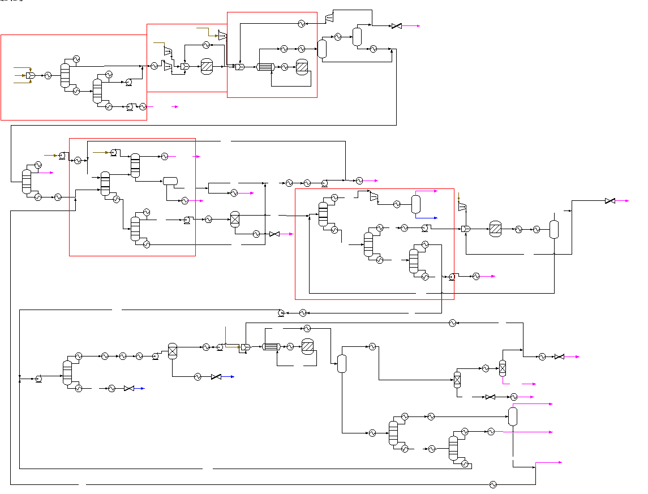

 |  |  |  |  |  |  |  |  |  |  |  |  | LEGENDS
 |  |  |  |  |  |  |  |  |  |  |  |  | FS- Feedstock/Raw material
 |  |  |  |  |  |  |  |  |  |  |  |  | PS- Product
 |  |  |  |  |  |  |  |  |  |  |  |  | WS-Waste

 |  |  |  |  | Figure 1. Process Flow Diagram- Aromatics Production

Mass Balances

Raw materials |  |  |  |  |  |  | Products |  |  |  |  |  |  | Balance check
Stream | Stream Name | Composition (% mass) | Flow kt/y | Temp (˚C) | Pressure (bar) |  | Stream | Stream Name | Composition (% mass) | Flow kt/y | Temp (˚C) | Pressure (bar) |  | Total inputs/outputs
Reformate | FS-REFM | Reported below | 1866.25 | 25 | 1.02 |  | Benzene product | PS-BENZ | Benzene (99.99%) | 891.74 | 40 | 1.02 |  | Raw materials (FS) | 4753.9
Pygas | FS-PYGAS | Reported below | 2220.70 | 25 | 1.02 |  | O-xylene product | PS-OXYL | o-xylene (99.54%), m-xylene (0.02%), p-xylene (0.41%), cumene (0.02%) | 185.68 | 40 | 1.02 |  | Products (PS) | 1831.5
C7+ stream/Pygas tail | FS-C7+ | Benzene (0.2%), Toluene (40.3%), o-Xylene (5.5%), m-Xylene (8.5%), Water (2%), Naphth (3.3%), Styrene (10.6%), EB (6.6%), 2-MEHX (10.9%), 3-MEHP (10.9%), Cumene (1.2%) | 381.56 | 180 | 5 |  | P-xylene product | PS-PXYL | o-xylene (0.11%), p-xylene (99.78%), EB (0.11%) | 754.11 | 22 | 1.02 |  | Waste Streams (WS) | 2922.7
H2 for hydrofining | FS-H2 | H2 (99.87%), N2 (0.13%) | 23.63 | 30 | 16
H2 for desulphurization | FS-H2IN | H2 (99.87%), N2 (0.13%) | 0.48 | 30 | 16 |  |  |  |  |  |  |  |  | Balance check | -0.3
H2 for Toluene disproportionation | FS-H2TOL | H2 (99.87%), N2 (0.13%) | 0.18 | 30 | 16 |  |  |  |  |  |  |  |  | Percent error (%) | 0.0
H2 for Isoformer unit | FS-HYDRO | H2 (99.87%), N2 (0.13%) | 4.92 | 30 | 16 |  | Waste streams
Water for wash | FS-WAT | Water (100%) | 129.71 | 15 | 1.02 |  | Stream | Stream Name | Composition (mass) | Flowrate - ktonne/y | Temp (˚C) | Pressure (bar)
Solvent | FS-SULFO | Sulfonale (99%), Water (1%) | 126.46 | 40 | 1.02 |  | Remaining heavy components C9+ | WS-2C9+ | o-xylene (8.87%), m-xylene (0.93%), p-xylene (1.03%), SL (0.73%), NAPH (0.01%), DCYPD (17.81%), EB (0.15%), TMB (61.88%), Cumene (8.58%) | 45.10 | 40 | 1.02
 |  |  |  |  |  |  | Heavy components C9+ | WS-C9+ | o-xylene (0.10%), NAPH (23.15%), DCYPD (12.18%), Styrene (0.12%), TMB (64.00%), BZAC (0.34%), Cumene (0.11%) | 605.35 | 40 | 1.02
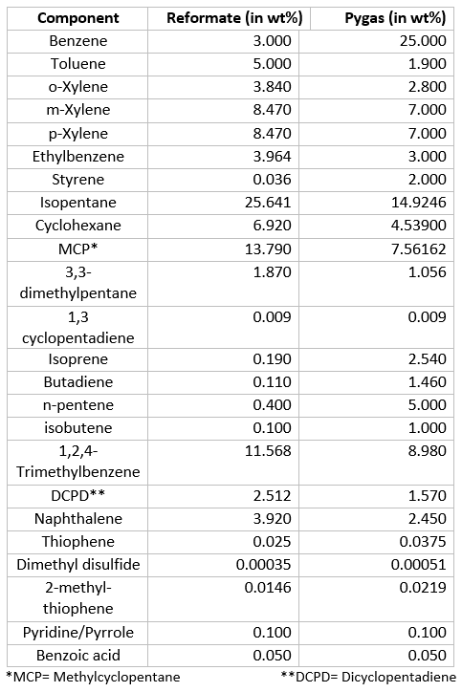
 |  |  |  |  |  |  | Ethane by-product | WS-ETHAN | H2 (0.07%), N2 (0.01%), N-C2A (99.92%) | 47.39 | -54 | 14
 |  |  |  |  |  |  | Aromatics removed from Hydrogen | WS-HEAVY | BZ (42.83%), TOL (0.63), o-xylene (2.24%), m-xylene (37.58%), p-xylene (15.21%), EB (1.50%) | 20.20 | 40 | 1.02
 |  |  |  |  |  |  | C7 components | WS-HEPT | BZ (5.82%), TOL (18.37), m-xylene (49.88%), p-xylene (23.29%), EB (2.64%) | 30.15 | 40 | 1.02
 |  |  |  |  |  |  | Benzene/Hydrogen | WS-OFFG | BZ (92.46%), H2 (7.53%) | 1.82 | 40 | 1.02
 |  |  |  |  |  |  | C1-C5 Hydrocarbons | WS-OFFGA | H2O (0.72%), H2 (0.11%), H2S (0.07%), N-C4A (3.54%), N-C1A (0.03%), I-C5A (81.83%), CYPD (0.03%), N-C5A (11.36%), I-C4A (2.32%) | 1066.32 | 46 | 2
 |  |  |  |  |  |  | Hydrogen purge (desulfurization) | WS-PRG | BZ (0.06%), H2O (0.04%), H2 (87.86%), N2 (0.21%), H2S (0.47%), N-C4A (1.56%), N-C1A (2.82%), CYHEX (0.02%), MCP (0.06%), I-C5A (4.88%), N-C5A (0.38%), I-C4A (1.83%) | 12.14 | -36 | 5
 |  |  |  |  |  |  | Sulfonale purge | WS-PRG1 | SL (99.13%), H2O (0.87%) | 125.93 | 40 | 2
 |  |  |  |  |  |  | Benzene purge | WS-PRG4 | BZ (98.77%), TOL (0.03%), N-C2A (1.20%) | 0.82 | 30 | 1.02
 |  |  |  |  |  |  | Hydrogen purge (isomerization) | WS-PRG5 | H2 (98.52%), N-C2A (1.48%) | 0.01 | 40 | 5
 |  |  |  |  |  |  | Hydrogen purge (disproportionation) | WS-PRG6 | BZ (4.85%), TOL (3.02%), m-xylene (0.01%), p-xylene (0.47%), H2 (91.57%), N2 (0.07%) | 0.04 | 26 | 5
 |  |  |  |  |  |  | Non-aromatics | WS-RAFF | BZ (0.07%), H2O (14.7%), CYHEX (27.22%), MCP (50.34%), I-C5A (0.04%), DMP (2.52%), MEHX (4.72%), MEHP (0.09%), N-C5A (0.08%), N-C2A (0.23%) | 844.33 | 40 | 2
 |  |  |  |  |  |  | Olefins | WS-RAFF2 | PY (100%) | 4.09 | 40 | 1.02
 |  |  |  |  |  |  | Light gases and benzene | WS-RAFF3 | BZ (33.86%), H2 (0.37%), N-C2A (65.76%) | 32.77 | 30 | 1.02
 |  |  |  |  |  |  | Water and sulfonale | WS-WW | SL (4.41%), H2O (95.56%), DMP (0.02%) | 6.03 | 40 | 2
 |  |  |  |  |  |  | Non-aromatics 2 | WS-NONAR | SL (0.05%), H2O (0.06%) CYHEX (0.17%), MCP (0.28%), DMP (46.23%), MEHX (2.20%), MEHP (50.96%), N-C2A (0.05%) | 80.16 | 40 | 2
Energy Balances
 |  |  |  |  | in | out
Utility type | Input - TJ/y | Input - kt/y | Output - TJ/y | Output - kt/y | Net - TJ/y | Net - kt/y | Remark |  | Utility process conditions
Very low pressure steam | 7504.06 | 3514.17 | -7281.29 | -3409.86 | 222.77 | 104.32 |  |  | Utility type | Inlet temperature ( °C ) | Outlet temperature ( °C ) | Inlet pressure (bar) | Outlet pressure (bar) | Heat capacity/latent heat/lower heating value | Unit
Low pressure steam | 5535.42 | 2556.21 | -1623.10 | -774.55 | 3912.31 | 1781.65 |  |  | Very Low pressure steam | 142.70 | 142.70 | 3.9 | 3.9 | 2135.37 | KJ/kg
Mid pressure steam | 14760.13 | 7860.03 | 0.00 | 0.00 | 14760.13 | 7860.03 |  |  | Low pressure steam | 155 | 155 | 5.5 | 5.5 | 2097 | KJ/kg
High pressure steam | 5636.93 | 3453.27 | 0.00 | 0.00 | 5636.93 | 3453.27 |  |  | Mid pressure steam | 214 | 214 | 21 | 21 | 1880 | KJ/kg
Cooling water | 26185.03 | 418368.16 | 0.00 | 0.00 | 26185.03 | 418368.16 |  |  | High pressure steam | 265 | 265 | 51 | 51 | 1632 | KJ/kg
Chilled water | 332.27 | 34929.46 | 0.00 | 0.00 | 332.27 | 34929.46 |  |  | Chilled water | 5.00 | 7.50 | 1.02 | 1.02 | 0.01 | MJ/kg
Electricity | 530.64 | 18424,94 | 0.00 | 0 | 530.64 | 18424,94 | kt/y value is kW |  | Cooling water | 25 | 40 | 1.02 | 1.02 | 4.18 | KJ/kg.K
 |  |  |  |  | 51580.09 | 466496.90
Energy Balances - SCALED | Normalization factor | 891.74 | Scaling factor | 0.264166 | h/y | 8,765.82

Utility type | Input - TJ/y | Input - kt/y | Output - TJ/y | Output - kt/y | Net - TJ/y | Net - kt/y | Remark
Very low pressure steam | 1982.32 | 928.33 | -1923.47 | -900.77 | 58.85 | 27.56
Low pressure steam | 1462.27 | 675.26 | -428.77 | -204.61 | 1033.50 | 470.65
Mid pressure steam | 3899.12 | 2076.35 | 0.00 | 0.00 | 3899.12 | 2076.35
High pressure steam | 1489.08 | 912.24 | 0.00 | 0.00 | 1489.08 | 912.24
Cooling water | 6917.19 | 110518.64 | 0.00 | 0.00 | 6917.19 | 110518.64
Chilled water | 87.78 | 9227.18 | 0.00 | 0.00 | 87.78 | 9227.18
Electricity | 140.18 | 4867.24 | 0.00 | 0.00 | 140.18 | 4867.24 | kt/y value is kW
 |  |  |  |  | 13625.71 | 128099.86
 | 15977.94 |  | -2352.24
 |  | 119745.82
Electricity - kWh/y |  | 42665373.4 |  | 0 |  | 42665373.4

Breakdown of requirements
Low pressure steam |  |  |  |  |  |  | Med pressure steam
Unit | Duty MJ/h | Energy - TJ/y | Mass - ktonne/y | Remark |  |  | Unit | Duty MJ/h | Energy - TJ/y | Mass - ktonne/y | Remark
A1-E1 | 246811.84 | 1974.49 | 999.89 |  |  |  | A1-T1 | 576642.00 | 4613.14 | 2456.58
A1-E7 | 2070.61 | 16.56 | 8.13 |  |  |  | A1-T4 | 336403.00 | 2691.22 | 1433.12
A1-E11 | 30705.86 | 245.65 | 111.57 |  |  |  | A1-T11 | 931971.00 | 7455.77 | 3970.33
A1-E50 | 2191.39 | 17.53 | 8.37
A1-T2 | 20873.78 | 166.99 | 77.69
A1-T10 | 275688.95 | 2205.51 | 967.01
A1-T12 | 70062.60 | 560.50 | 233.19
A1-T13 | 43522.26 | 348.18 | 150.37 |  |  |  | Electricity
A1-E9 | -202888.00 | -1623.10 | -774.55 | Generation |  |  | Unit | Energy GWh/y | Energy - TJ/y | Usage (kW) | Remark
 |  |  |  |  |  |  | A1-P3 | 3.23 | 0.03 | 0.90
High pressure steam |  |  |  |  |  |  | A1-P4 | 248.77 | 1.99 | 69.10
Unit | Duty MJ/h | Energy - TJ/y | Mass - ktonne/y | Remark |  |  | A1-P5 | 287.82 | 2.30 | 79.95
A1-T6 | 325379.00 | 2603.03 | 1594.66 |  |  |  | A1-P6 | 1.00 | 0.01 | 0.28
A1-R1 | 379237.00 | 3033.90 | 1858.61 |  |  |  | A1-P7 | 369.24 | 2.95 | 102.57
 |  |  |  |  |  |  | A1-P8 | 12.56 | 0.10 | 3.49
 |  |  |  |  |  |  | A1-P9 | 129.33 | 1.03 | 35.93
Very high pressure steam |  |  |  |  |  |  | A1-P10 | 238.56 | 1.91 | 66.27
Unit | Duty MJ/h | Energy - TJ/y | Mass - ktonne/y | Remark |  |  | A1-P11 | 96.29 | 0.77 | 26.75
A1-E26 | 76106.90 | 608.86 | 309.59 |  |  |  | A1-P12 | 1.69 | 0.01 | 0.47
A1-E35 | 29832.60 | 238.66 | 121.36 |  |  |  | A1-P13 | 10.56 | 0.08 | 2.93
A1-R3 | 80387.30 | 643.10 | 327.01 |  |  |  | A1-P14 | 3.71 | 0.03 | 1.03
 |  |  |  |  |  |  | A1-P15 | 2.73 | 0.02 | 0.76
 |  |  |  |  |  |  | A1-C1 | 2646.34 | 21.17 | 735.10
 |  |  |  |  |  |  | A1-C2 | 1115.94 | 8.93 | 309.98
Cooling water |  |  |  |  |  |  | A1-C3 | 24.97 | 0.20 | 6.94
Unit | Duty MJ/h | Energy - TJ/y | Mass - ktonne/y | Remark |  |  | A1-C4 | 136.65 | 1.09 | 37.96
A1-E3 | 382673.00 | 3061.38 | 48912.80 |  |  |  | A1-C5 | 60945.20 | 487.56 | 16929.20
A1-E4 | 395771.00 | 3166.17 | 50587.10 |  |  |  | A1-C6 | 55.28 | 0.44 | 15.36
A1-E8 | 53050.30 | 424.40 | 6780.84
A1-E10 | 168388.00 | 1347.10 | 21523.20 |  |  |  | Chilled water
A1-E12 | 50179.80 | 401.44 | 6413.93 |  |  |  | Unit | Duty MJ/h | Energy - TJ/y | Mass - ktonne/y | Remark
A1-E13 | 27665.40 | 221.32 | 3536.17 |  |  |  | A1-E20 | 8531.67 | 68.25 | 7174.95
A1-E14 | 54033.70 | 432.27 | 6906.53 |  |  |  | A1-E29 | 8051.45 | 64.41 | 6771.10
A1-E15 | 1058.14 | 8.47 | 135.25 |  |  |  | A1-E32 | 3174.61 | 25.40 | 2669.78
A1-E17 | 7588.32 | 60.71 | 969.93 |  |  |  | A1-E41 | 2317.69 | 18.54 | 1949.13
A1-E19 | 56483.10 | 451.86 | 7219.61 |  |  |  | A1-E49 | 19458.90 | 155.67 | 16364.50
A1-E25 | 59244.10 | 473.95 | 7572.52
A1-E28 | 20175.80 | 161.41 | 2578.85
A1-E30 | 20207.00 | 161.66 | 2582.83 |  |  |  | Very low pressure steam
A1-E31 | 562.07 | 4.50 | 71.84 |  |  |  | Unit | Duty MJ/h | Energy - TJ/y | Mass - ktonne/y | Remark
A1-E40 | 84753.70 | 678.03 | 10833.10 |  |  |  | A1-E2 | 211956.00 | 1695.65 | 794.08
A1-E43 | 10779.20 | 86.23 | 1377.79 |  |  |  | A1-E6 | 190.71 | 1.53 | 0.71
A1-E44 | 2180.10 | 17.44 | 278.66 |  |  |  | A1-E16 | 224.73 | 1.80 | 0.84
A1-E45 | 55.81 | 0.45 | 7.13 |  |  |  | A1-E21 | 4509.64 | 36.08 | 16.90
A1-E46 | 76828.10 | 614.62 | 9820.09 |  |  |  | A1-E23 | 5764.36 | 46.11 | 21.60
A1-E47 | 1384.34 | 11.07 | 176.94 |  |  |  | A1-E24 | 673.35 | 5.39 | 2.52
A1-E48 | 191.53 | 1.53 | 24.48 |  |  |  | A1-E27 | 1.35 | 0.01 | 0.01
A1-T1 | 791149.00 | 6329.19 | 101124.00 |  |  |  | A1-E42 | 123.33 | 0.99 | 0.46
A1-T2 | 29881.90 | 239.06 | 3819.47 |  |  |  | A1-T3 | 444971.00 | 3559.77 | 1667.05
A1-T3 | 328919.00 | 2631.35 | 42042.10 |  |  |  | A1-T8 | 160613.00 | 1284.90 | 601.73
A1-T6 | 207492.00 | 1659.94 | 26521.40 |  |  |  | A1-T9 | 108980.00 | 871.84 | 408.28
A1-T8 | 106703.00 | 853.62 | 13638.70 |  |  |  | A1-E18 | -95094.80 | -760.76 | -356.27 | Generation
A1-T9 | 87826.50 | 702.61 | 11225.90 |  |  |  | A1-T11 | -815066.00 | -6520.53 | -3053.59 | Generation
A1-T10 | 202122.00 | 1616.98 | 25835.10
A1-T12 | 26962.00 | 215.70 | 3446.25 |  |  |  | Refrigerant R1150
A1-T13 | 18820.70 | 150.57 | 2405.64 |  |  |  | Unit | Duty MJ/h | Energy - TJ/y | Mass - ktonne/y | Remark
 |  |  |  |  |  |  | A1-SP6 | 5,431.58 | 43.45 | 90.09 | Crystallization

Refrigerant R41
Unit | Duty MJ/h | Energy - TJ/y | Mass - ktonne/y | Remark
A1-E5 | 3504.64 | 28.04 | 56.02
A1-E33 | 1245.59 | 9.96 | 19.91

Disclaimer
This process datasheet is part of the "Unravelling the impacts of using alternative raw materials in industrial clusters"
Project Leader: Prof. dr. ir. Andrea Ramirez Ramirez. Energy & Industry, Faculty of Technology, Policy and Management, Delft University of Technology, The Netherlands.
The affiliation of the process modelers and reviewers is: Energy & Industry, Faculty of Technology, Policy and Management, Delft University of Technology, The Netherlands.

No. | References
[1] | V. Advani and T. van Dril, “Decarbonisation options for ExxonMobil Chemicals Rotterdam,” no. August, pp. 1–40, 2020.
[2] | C. M. Sorensen, R. Song, and T. J. Mazanec, “PROCESSES FOR CONVERTING BIOMASS TO BTX WITH LOW SULFUR, NITROGEN AND OLEFIN CONTENT VIA A CATALYTIC FAST PYROLYSIS PROCESS ,” WO 2016/004206 Al, Jan. 07, 2016.
[3] | N. Shedid Ali, “The Effect of Compositions (PIONA) on the Octane Numbers of Environmental Gasolines of Reformate, Isomerate and Hydrocracked Naphtha Blends by Using GC,” Int. J. Oil, Gas Coal Eng., vol. 5, no. 6, p. 167, 2017, doi: 10.11648/j.ogce.20170506.17.
[4] | S. Ito, “Analysis of Aromatic Hydrocarbons in Gasoline and Naphtha with the Agilent 6820 Series Gas Chromatograph and a Single Polar Capillary Column Application,” Agil. Technol., 2003.
[5] | J. G. Speight and J. G. Speight, Introduction to Refining Processes. 2016.
[6] | European IPPC Bureau, Best Available Techniques (BAT) Reference Document for the Production of Large Volume Organic Chemicals. 2017.
[7] | M. C. Roberts, J. D., & Caserio, “22 . 11 : Sources and Uses of Aromatic Hydrocarbons.” Chemistry LibreTexts, 2021.
[8] | “(12) INTERNATIONAL APPLICATION PUBLISHED UNDER THE PATENT COOPERATION TREATY (PCT) Title: A PROCESS FOR THE SELECTIVE HYDROGENATION AND HYDRODESULFERIZATION OF A PYROLYSIS GASOLINE FEEDSTOCK,” 2010.
[9] | P. B. Himelfarb, “Process for the deep desulfurization of heavy pyrolysis gasoline,” Sep. 11, 2008.
[10] | Sigma-Aldrich, “Sulfolane 99% | 126-33-0.” https://www.sigmaaldrich.com/NL/en/product/aldrich/t22209?gclid=CjwKCAjwv_iEBhASEiwARoemvF7V4ZDddnMkm5UmdpoZPm-BT7NQDJ0XEx5VowFFtvRMPHBR9Rb24RoCY-UQAvD_BwE. (accessed Aug. 20, 2021).
[11] | Q. Wang, B. J. Zhang, C. He, C. C. He, and Q. L. Chen, “Optimal Design of a New Aromatic Extractive Distillation Process Aided by a Co-solvent Mixture,” Energy Procedia, vol. 105, pp. 4927–4934, May 2017, doi: 10.1016/J.EGYPRO.2017.03.984.
[12] | S. H. . Brown, T. K. . Chaudhuri, and J. G. . Santiesteban, “Process for BTX purification,” Oct. 23, 2000.
[13] | ExxonMobil, “Unmatched PX Selectivity and catalyst cycles in STDP service,” Netherlands.
[14] | “Toluene Disproportionation | Petrochem Technology Licensing.” https://gtctech.com/technology-licensing/toluene-disproportionation/ (accessed Aug. 18, 2021).
[15] | K. P. . Kelly and J. R. . Butler, “Toluene disproportionation process,” EP0819666B1, Jul. 15, 1997.
[16] | H. Eranda, “Design of o-xylene Plate/Tray Distillation Column,” 2017. doi: 10.13140.
[17] | L. Zhong, J. Xiao, Y. Lu, Y. Guo, and D. Kong, “PROCESS FOR THE CRYSTALLIZATION SEPARATION OF P-XYLENE,” US 2010.01376.60A1, Jun. 03, 2010.
[18] | N. B. King, “July 28, 1970,” 3,522,153, 1970.
[19] | Ortega, “( 12 ) Patent Application Publication ( 10 ) Pub . No .: US 2010 / 0035098 A1 Patent Application Publication,” vol. 1, no. 19, pp. 1–5, 2010.
[20] | R. B. LaPierre, “Xylene isomerization process,” 87300162.2, Jul. 10, 1991.
[21] | “Xylene Isomerization | SIE NEFTEHIM, LLC.” https://nefthim.com/manual/xylene-isomerization/ (accessed Aug. 18, 2021).
[22] | F. T. Sherk, “RECOVERY OF HYDROGEN FROM GASEOUS MIXTURES AND IMPROVED HYDROGENA. TON PROCESS.”
[23] | E. Nederland, “Aanvraag (revisie)vergunning Wabo/Waterwet ExxonMobil Botlek locatie,” Rotterdam, Jan. 2015. Accessed: Aug. 20, 2021. [Online]. Available: https://www.commissiemer.nl/docs/mer/p29/p2964/2964-029vergunningaanvraag-wabo-ww.pdf.
[24] | L. B. Brondani, G. B. Flores, and R. P. Soares, “Modeling and simulation of a benzene recovery process by extractive distillation,” Brazilian J. Chem. Eng., vol. 32, no. 1, pp. 283–291, 2015, doi: 10.1590/0104-6632.20150321s00002825.
[25] | P. O. Box, B. J. Bahru, J. Bahru, W. Malaysia, and K. Kolmetz, “KLM Technology Group Practical Engineering Guidelines for Processing Plant Solutions Kolmetz Handbook of Process Equipment Design BTX EXTRACTION UNIT SELECTION, SIZING AND TROUBLESHOOTING (ENGINEERING DESIGN GUIDELINES),” 2017, Accessed: Aug. 19, 2021. [Online]. Available: www.klmtechgroup.com.
[26] | A. Mivechian and M. Pakizeh, “Hydrogen recovery from Tehran refinery off-gas using pressure swing adsorption, gas absorption and membrane separation technologies: Simulation and economic evaluation,” Korean J. Chem. Eng., vol. 30, no. 4, pp. 937–948, Apr. 2013, doi: 10.1007/S11814-012-0221-Y.

Biogas Plant
BIOGAS PLANT
Process datasheet (Mass & Energy Balance)

Production capacity |  | 837 tons/y biogas
Operating hours per year |  | 8000 h/y

Overall Process Description
A biogas plant uses a process called anaerobic digestion to break down organic materials like manure, agricultural waste, and food scraps into biogas, which is a mixture of methane and carbon dioxide. The core components of each biogas plant consists of one or several storage tanks for organic material, a fermentation (digester) tank where microorganisms consume the feedstock in an oxygen-free environment, and a final storage tank for fully digested sludge. There are four processes involved in biogas production [1]. 1. Hydrolysis breaks complex organic structures open to make them accessible to the following processes. 2. Acidogenesis produces organic acids as well as hydrogen, CO2, different alcohols, and a small amount of acetic acid out of organic material. 3. Acetogenesis uses organic acids, hydrogen, and CO2 to produce acetic acid. 4. Methanogenesis produces CH4 from acetic acid and to a lesser extent from hydrogen and CO2.

Process Diagram description
Food waste generation in canteens typically ranges from 0.06 to 0.30 kg/person/day [2]. For this case study, a value of 0.17 kg/person/day has been adopted as a representative figure, calculated as the average of the reported range. Assuming an average of 51 kg/person/year, and considering a university population of 61,700 students and approximately 3,000 academic staff, the annual food waste generation is estimated to be around 3,300 tonnes. This calculation assumes that food waste is generated on 300 operational days per year. Pretreatment The collected food waste is transported to a biogas production facility for energy recovery. Before entering the anaerobic digestion stage, the waste undergoes pretreatment to ensure a uniform and stable feedstock. The pretreatment system consists of: • A grinder (10 kW) to reduce particle size and homogenize the material. • A pretreatment tank equipped with a mixer for thorough blending. • A storage tank of 100 m³, which allows for pH adjustment (to maintain conditions optimal for microbial activity, typically pH 6.5–7.5) and for buffering feedstock flow to the digesters. Anaerobic Digestion After pretreatment, the homogenized substrate is pumped to the anaerobic digestion (AD) system, which includes two digesters (primary and secondary), each with a working volume of 1,260 m³. The primary digester is where most of the biochemical decomposition occurs. Microorganisms convert the organic matter into biogas (mainly methane and carbon dioxide) under oxygen-free (anaerobic) conditions. The secondary digester serves as a post-digestion stage, allowing further biogas production and stabilization of the digestate. Each digester consists of membrane modules, a circulating pump, and associated piping and fittings to maintain continuous mixing and temperature control. The two main products of anaerobic digestion are: • Biogas, used for energy recovery, and • Digestate, wh

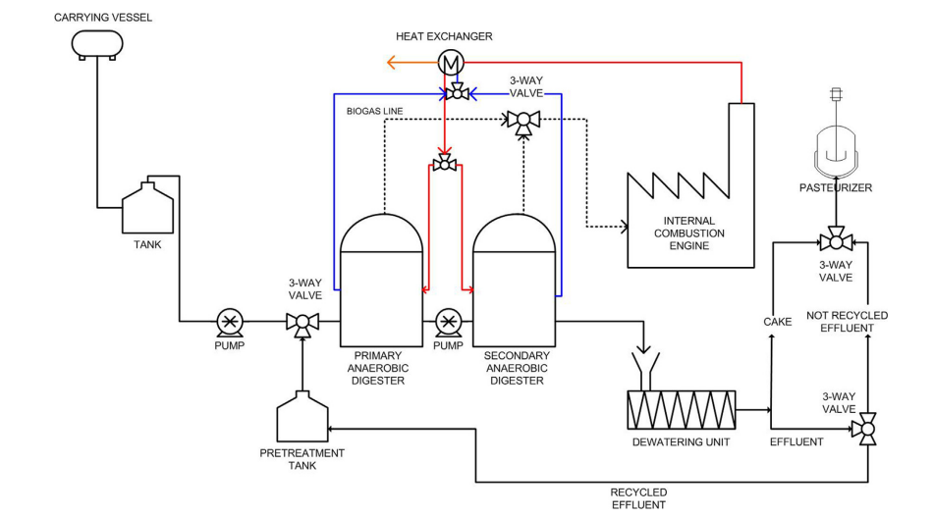

 |  |  |  |  | Figure 1. Process Flow Diagram- Biogas Plant [3]

Mass Balances

Raw materials |  |  |  | Products |  |  | Balance check
Stream | Composition (% mass) | Flow t/y |  | Stream | Composition (% mass) | Flow t/y | Total inputs/outputs | Flow t/y
Food waste | - | 3300.0 |  | Biogas line 1 | 61.99% CH4, 37.5% CO2, 0.51% H2S | 769 (673040 m3) | Raw materials (FS) | 16820.0
Dilution water | 100% water | 13520.0 |  | Biogas line 2 | 64% CH4, 35.67% CO2, 0.33% H2S | 68 (61680 m3) | Products (PS) | 837.0
 |  |  |  | Cake | - | 1095.0 | Waste Streams (WS) | 15983.0
 |  |  |  | Liquid effluent | - | 2205
 |  |  |  | Dilution water | 100% water | 12683.00 | Balance check | 0.0
 |  |  |  |  |  |  | Percent error (%) | 0.0

Energy Balances |  |  |  | normalisation factor | 837

Process section | Input Electricity- kWe | Input Heat- kWt
Grinder | 10.00 | 0.00
Anaerobic digester 1 | 5.00 | 33.50
Anaerobic digester 2 | 5.00 | 33.50
Dewatering unit | 6.00 | 0.00
Pasteurizer | 0.00 | 27.00

 | 26.00 | 94.00

Energy Balances - SCALED | Normalization factor | 837 | Scaling factor | 0.018182 | h/y | 8,765.82

Process section | Input Electricity- kWe | Input Heat- kWt
Grinder | 0.18 | 0.00
Anaerobic digester 1 | 0.09 | 0.61
Anaerobic digester 2 | 0.09 | 0.61
Dewatering unit | 0.11 | 0.00
Pasteurizer | 0.00 | 0.49

Sum | 0.47 | 1.71
kWh/y | 4143.88362 | 14981.73309 | 19125.61671

No. | References
[1] | Cigano, I., Todini, E., Di Piazza, G., & Morosanu, C. (2021). Valorization of food-waste-derived biomethane in a smart energy system. In Smart energy systems for a green future (pp. 65-88). Elsevier. https://doi.org/10.1016/B978-0-12-822718-3.00004-6
[2] | Liwei G, Shengkui C, Xiaochang C, Dan Z, Xiaojie L, Qi Q, et al. An overview of the resources and environmental issues from wasted food in urban catering across China. J Resour Ecol 2013;4(4):337–43.
[3] | Zeng, H., Yan, Y., Liberti, F., Bartocci, P., & Fantozzi, F. (2019). Technical and economic feasibility analysis of an anaerobic digestion plant fed with canteen food waste. Energy Conversion and Management, 180, 938-948.

Methanol Production Plant
METHANOL PRODUCTION
Process datasheet (Mass & Energy Balance)

Production capacity |  | 94 kt/y methanol
Operating hours per year |  | 8000 h/y

Overall Process Description
Methanol is industrially produced by the catalytic conversion of syngas. The industrial process can be described by the following three steps: 1) Syngas production 2) Methanol synthesis 3) Crude methanol purification Starting with the production of syngas from methane, there are two methods being used, Steam Methane Reforming (SMR) and Autothermal Reforming (ATR). ATR involves the partial combustion of methane in the reforming reactor to produce the required heat for the reforming of methane. SMR involves an external source for generating the required heat, but produces an increased amount of hydrogen per methane. For the synthesis of methanol a hydrogen to carbon ratio of two would be ideal. Thus a combination of SMR and ATR would be preferable and would allow the hydrogen to carbon ratio to be tuned accordingly. However, for a relatively small methanol production plant, a standalone SMR is predominantly used for the production of syngas for methanol synthesis [1]. In this spreadsheet, a single SMR is presented for the production of syngas, in which the steam and methane mixture is reformed per the following reactions: 〖𝐶𝐻〗_4+𝐻_2 𝑂→𝐶𝑂+〖3𝐻〗_2 𝐶𝑂+𝐻_2 𝑂→〖𝐶𝑂〗_2+𝐻_2 To reach the ideal hydrogen to carbon ratio, it was opted to add extra CO2 to the syngas. It is important to reach an ideal ratio because below two there is a reduction in methanol selectivity, while above two there will be an accumulation of hydrogen in the synthesis loop. For the production of methanol, the reaction is carried out in a quasi-isothermal tubular reactor, at a pressure of 69 bar and temperature of 255 °C over a Cu-ZnO-Al2O3 based catalyst per following reactions: 𝐶𝑂+𝐻_2→〖𝐶𝐻〗_3 𝑂𝐻 〖𝐶𝑂〗_2+〖3𝐻〗_2→〖𝐶𝐻〗_3 𝑂𝐻+𝐻_2 𝑂 〖𝐶𝑂〗_2+𝐻_2→𝐶𝑂+𝐻_2 𝑂 Additionally there are some unwanted side-products produced according to the following reactions: 2𝐶𝑂+4𝐻_2→〖𝐶𝐻〗_3 〖𝐶𝐻〗_2 𝑂𝐻+𝐻_2 𝑂 2𝐶𝑂+2𝐻_2→〖𝐻𝐶𝑂𝑂𝐶𝐻〗_3 3𝐶𝑂+6𝐻_2→𝐶_3 𝐻_7 𝑂𝐻+〖2𝐻〗_2 𝑂

Process Diagram description
First, methane is pressurized to 20 bar, mixed with steam and pre-heated by a heat exchanger. The methane and steam mixture is then reformed in the tubular reformer, where rows of reformer tubes are heated by the burning of natural gas. The steam required for the reforming process is produced from the excess heat of the fluegas from the furnace. The produced syngas goes through a system of heat exchangers and then to a flash drum where the excess steam is removed as condensed water. The syngas is pressurized to 69,7 bar and injected with CO2 to reach an optimal hydrogen to carbon ratio of 2 for the synthesis of methanol. A ratio of 2 is ideal since below a hydrogen to carbon ratio of two, there is a reduction in methanol selectivity, while above two there will be an accumulation of hydrogen in the synthesis loop. Afterwards, the recycled syngas is mixed with fresh syngas. Methanol is produced in a quasi-isothermal tubular reactor, at a pressure of 69 bar and temperature of 255 °C. The reactions are exothermic, so the reactor is cooled with utility water resulting in boiling water outside of the tubes and thus, the production of steam. The conversion of carbon in a single pass is 50% to 80%, thus the unreacted syngas is recycled to the reactor. This is achieved by first condensing methanol and water and separating them with a flash drum. Part of the recycled syngas is purged to keep the methane fraction at the reactor inlet sufficiently low. Methanol is purified in a two stage distillation process, first the remaining light components (H2,CO, CO2 and CH4) are removed. In the second stage methanol is distilled into a 99,5 wt% methanol product.

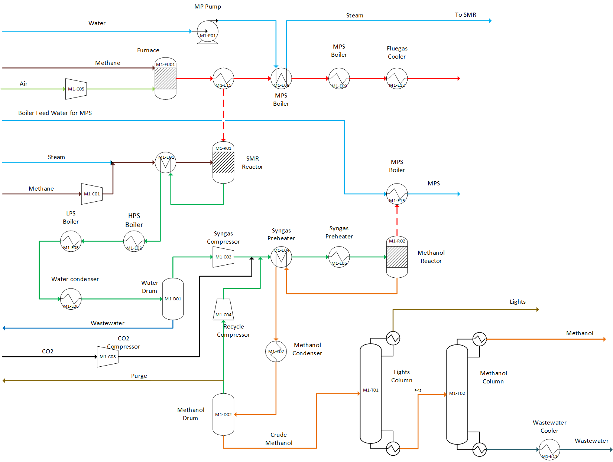

 |  |  |  |  |  |  |  |  |  | LEGENDS
 |  |  |  |  |  |  |  |  |  | FS- Feedstock/Raw material
 |  |  |  |  |  |  |  |  |  | PS- Product
 |  |  |  |  |  |  |  |  |  | WS-Waste

 |  |  |  |  | Figure 1. Process Flow Diagram- Methanol Production
Mass Balances

Raw materials |  |  |  |  |  | Products |  |  |  |  |  | Balance check
Stream | Composition (% mass) | Flow kt/y | Temperature ( °C ) | Pressure (bar) |  | Stream | Composition (% mass) | Flow kt/y | Temperature ( °C ) | Pressure (bar) |  | Total inputs/outputs
FS-AIR | 23,29% O2, 76,71% N2 | 828 | 20 | 1.02 |  | PS-CH3OH | 99,96% CH3OH, 0,02% H2O, 0,02% Ethanol | 94 | 40 | 1.02 |  | Raw materials (FS) | 1186.2
 |  |  |  |  |  |  |  |  |  |  |  | Products (PS) | 173.9
FS-BFW1 | 100% H2O | 80 | 204 | 17.00 |  |  |  |  |  |  |  | Waste Streams (WS) | 1012.3
FS-Methane | 100% CH4 | 50 | 20 | 1.02 |  | PS-MPS | 100% H2O | 80 | 230 | 17
FS-Methane-2 | 100% CH4 | 32 | 20 | 1.02 |  |  |  |  |  |  |  | Balance check | 0.0
FS-CO2 | 100% CO2 | 39 | 20 | 1.02 |  |  |  |  |  |  |  | Percent error (%) | 0.0
FS-WATER | 100% H2O | 157 | 20 | 1.02 |  | Waste streams
 |  |  |  |  |  | Stream | Component | Composition (% mass) | Flow kt/y | Temperature ( °C ) | Pressure (bar)
 |  |  |  |  |  | WS-FG | H2O | 8.41 | 860 | 64 | 1.02
 |  |  |  |  |  |  | CO2 | 10.28
 |  |  |  |  |  |  | O2 | 7.47
 |  |  |  |  |  |  | N2 | 73.83
 |  |  |  |  |  | WS-LIGHT | CH4 | 3.49 | 7 | 63 | 7
 |  |  |  |  |  |  | H2O | 0.04
 |  |  |  |  |  |  | H2 | 1.30
 |  |  |  |  |  |  | CO | 1.54
 |  |  |  |  |  |  | CO2 | 79.94
 |  |  |  |  |  |  | CH3OH | 13.35
 |  |  |  |  |  |  | METFORM | 0.35
 |  |  |  |  |  | WS-PURGE | CH4 | 12.82 | 34 | 40 | 40
 |  |  |  |  |  |  | H2O | 0.15
 |  |  |  |  |  |  | H2 | 13.08
 |  |  |  |  |  |  | CO | 10.85
 |  |  |  |  |  |  | CO2 | 60.63
 |  |  |  |  |  |  | CH3OH | 2.47
 |  |  |  |  |  | WS-W1 | H2O | 99.99 | 89 | 40 | 1.02
 |  |  |  |  |  | WS-W2 | H2O | 99.58 | 22 | 40 | 1.02
 |  |  |  |  |  |  | CH3OH | 0.42

Energy Balances

Utility type | Input - TJ/y | Input - kt/y | Output - TJ/y | Output - kt/y | Net - TJ/y | Net - kt/y | Remark |  | Utility process conditions
Low pressure steam | 118 | 53.00 | -57.47 | -26.00 | 60.34 | 27.00 |  |  | Utility type | Inlet temperature ( °C ) | Outlet temperature ( °C ) | Inlet pressure (bar) | Outlet pressure (bar) | Heat capacity/latent heat/lower heating value | Unit
Mid pressure steam | 66 | 33.00 | -209.56 | -104.00 | -143.59 | -71.00 | Generation |  | Very Low pressure steam | - | - | - | - | - | -
High pressure steam | 0 | 0.00 | -221.42 | -118.00 | -221.42 | -118.00 | Generation |  | Low pressure steam | 155 | 155 | 5.5 | 5.5 | 2097 | KJ/kg
Cooling water | 1292 | 20583.90 | 0.00 | 0.00 | 1291.54 | 20583.90 |  |  | Mid pressure steam | 214 | 214 | 21 | 21 | 1880 | KJ/kg
Electricity | 197 | 6842.00 | 0.00 | 0.00 | 197.04 | 6842.00 |  |  | High pressure steam | 265 | 265 | 51 | 51 | 1632 | KJ/kg
 |  |  |  |  | 1183.90 | 27263.90 |  |  | Cooling water | 25 | 40 | 1.02 | 1.02 | 4.18 | KJ/kg.K
Energy Balances - SCALED | Normalization factor | 94 | Scaling factor | 3.201134 | h/y | 8,765.82

Utility type | Input - TJ/y | Input - kt/y | Output - TJ/y | Output - kt/y | Net - TJ/y | Net - kt/y | Remark
Low pressure steam | 377 | 169.66 | -183.95 | -83.23 | 193.15 | 86.43
Mid pressure steam | 211 | 105.64 | -670.84 | -332.92 | -459.66 | -227.28 | Generation
High pressure steam | 0 | 0.00 | -708.81 | -377.73 | -708.81 | -377.73 | Generation
Cooling water | 4134 | 65891.82 | 0.00 | 0.00 | 4134.38 | 65891.82
Electricity | 631 | 21902.16 | 0.00 | 0.00 | 630.77 | 21902.16 | kt/y is kW
 |  |  |  |  | 3789.83 | 87275.40
 | 5353 |  | -1563.60

Electricity - kWh/y |  | 191990381.9 |  | 0

Breakdown of requirements |  |  |  |  |  |  |  |  |  |  | Methanol production
LLP steam |  |  |  |  |  |  | Electricity
Unit name | Unit description | Duty - MJ/hr | Duty - TJ/y | Mass - ktonne/y | Remark |  | Unit name | Unit description | Power - KW | Energy- GWh/y | Energy- TJ/y | Remark
M1-T02 | Methanol column | 35804 | 286 | 129 | - |  | M1-C01 | CH4 compressor | 1250 | 10 | 36 | -
 |  |  |  |  |  |  | M1-C02 | Syngas compressor | 2357 | 19 | 68 | -
 |  |  |  |  |  |  | M1-C03 | CO2 compressor | 486 | 4 | 14
Low pressure steam |  |  |  |  |  |  | M1-C04 | Recycle syngas compressor | 2728 | 22 | 79 | -
Unit name | Unit description | Duty - MJ/hr | Duty - TJ/y | Mass - ktonne/y | Remark |  | P-101 | Water pump | 20 | 0.2 | 0.6
M1-T01 | Lights column | 14725 | 118 | 53 |  |  |  |  | 6842
M1-E03 | LPS boiler | -7183 | -57 | -26 |  |  | Natural gas
 |  |  |  |  |  |  | Unit name | Unit description | Duty - MJ/hr | Duty - TJ/y | Mass - ktonne/y | Remark
 |  |  |  | 27
Mid pressure steam |  |  |  |  |  |  | COMB-101 | Tubular reformer | - | 633 | 32 | -
Unit name | Unit description | Duty - MJ/hr | Duty - TJ/y | Mass - ktonne/y | Remark |  | - | - | - | - | - | -
M1-E05 |  | 8246 | 66 | 33 |  |  | - | - | - | - | - | -
M1-E09 |  | -5908 | -47 | -24
M1-E14 |  | -20288 | -162 | -80 |  |  | Cooling water
 |  |  |  | -71 |  |  | Unit name | Unit description | Duty - MJ/hr | Duty - TJ/y | Mass - ktonne/y | Remark
High pressure steam |  |  |  |  |  |  | M1-C01 | Methane compressor | 3135 | 25 | 400 | -
Unit name | Unit description | Duty - MJ/hr | Duty - TJ/y | Mass - ktonne/y | Remark |  | M1-C02 | Syngas compressor | 4621 | 37 | 589 | -
E-102 | HPS boiler | -27678 | #REF! | -118 | - |  | M1-C03 | CO2 compressor | 1475 | 12 | 188
- | - | - | - | - | - |  | M1-E06 | Excess steam condenser | 39543 | 316 | 5042 | -
 |  |  |  |  |  |  | M1-E07 | Methanol condenser | 45966 | 368 | 5861 | -
Refrigerant |  |  |  |  |  |  | M1-E10 | Wastewater 1 cooler | 1095 | 9 | 140 | -
Unit name | Unit description | Duty - MJ/hr | Duty - TJ/y | Mass - ktonne/y | Remark |  | M1-E11 | Wastewater 2 cooler | 713 | 6 | 91
M1-T01 | Lights column | 4634 | 37 | 26 | - |  | M1-E12 | Fluegas cooler | 38921 | 311 | 4962 | -
 |  |  |  |  |  |  | M1-T02 | Methanol column | -25973 | 208 | 3312 | -
 |  |  |  |  |  |  |  |  |  |  | 20584
 |  |  |  |  |  |  |  |  |  |  | 674

Disclaimer
This process datasheet is part of the "Unravelling the impacts of using alternative raw materials in industrial clusters"
Project Leader: Prof. dr. ir. Andrea Ramirez Ramirez. Energy & Industry, Faculty of Technology, Policy and Management, Delft University of Technology, The Netherlands.
The affiliation of the process modelers and reviewers is: Energy & Industry, Faculty of Technology, Policy and Management, Delft University of Technology, The Netherlands.

No. | References
[1] | Rainer Reimert, Friedemann Marschner, Hans-Joachim Renner, Walter Boll, Emil Supp, Miron Brejc, Waldemar Liebner and George Schaub: "Gas Production, 2. Processes", Ullmann's Encyclopedia of Industrial Chemistry, Electronic Release, Wiley-VCH, Weinheim September 2012.
[2] | Rainer Reimert, Christopher Higman, Wolfgang Hilsebein, Veronika Gronemann, Uwe Zwiefelhofer and Johannes Albrecht: "Gas Production, 5. Examples of Complex Gas Production Plants" , Ullmann's Encyclopedia of Industrial Chemistry, Electronic Release, Wiley-VCH, Weinheim September 2012.
[3] | Jörg Ott, Veronika Gronemann, Florian Pontzen, Eckhard Fiedler, Georg Grossman, D. Burkhard Kersebohm, Günter Weiss and Claus Witte: "Methanol", Ullmann's Encyclopedia of Industrial Chemistry, Electronic Release, Wiley-VCH, Weinheim September 2012.
[4] | Lei Chen, Qingzhe Jiang, Zhaozheng Song and Dusko Porasac Optimization of methanol yield from Lurgi reactor. Chemical engineering & technology, 34(5):817–822, 2011.
[5] | Veronica Torri," Methanol Production from Renewable routes: A techno-economic assessment", Delft University of Technology, Delft, 2019
[6] | The Engineering ToolBox, "Fuels- Higher and Lower Calorific Values," 2003. [Online]. Available: https://www.engineeringtoolbox.com/fuels-higher-calorific-values-d_169.html. [Accessed April 2020].

DME Plant
DIMETHYL ETHER (DME) PRODUCTION
Process datasheet (Mass & Energy Balance)

Production capacity |  | 67 kt/y DME
Operating hours per year |  | 8000 h/y

Overall Process Description
Currently there are two possible pathways to DME from syngas (CO+H2), indirect and direct synthesis. Indirect synthesis, involves first the production of methanol followed by the production of DME. Direct synthesis, involves the direct production of DME from syngas. Currently, DME is only produced on an industrial scale through indirect synthesis. Dimethyl ether(DME) is industrially produced by the catalytic dehydration of methanol. Methanol is the only raw material being used by the process and DME is the only product.

Process Diagram description
Dimethyl ether is produced by the catalytic dehydration of methanol. The gaseous methanol is first pressurized to 10 bar and fed to a packed bed reactor containing γ-Al2O3 as a catalyst [2,3], where DME is produced by dehydration of methanol. The reaction is exothermic, so the reactor temperature is kept at 250 ° C by producing LPS. DME is purified in a two stage rectification process, consisting of two distillation columns. Pure DME is distilled as the top product in the first column, while methanol and water are separated in the second column. The remaining methanol is recycled to the dehydration reactor, while the wastewater is sent to wastewater treatment. A small fraction of the methanol recycle stream is purged to prevent the build-up of ethanol in the system.

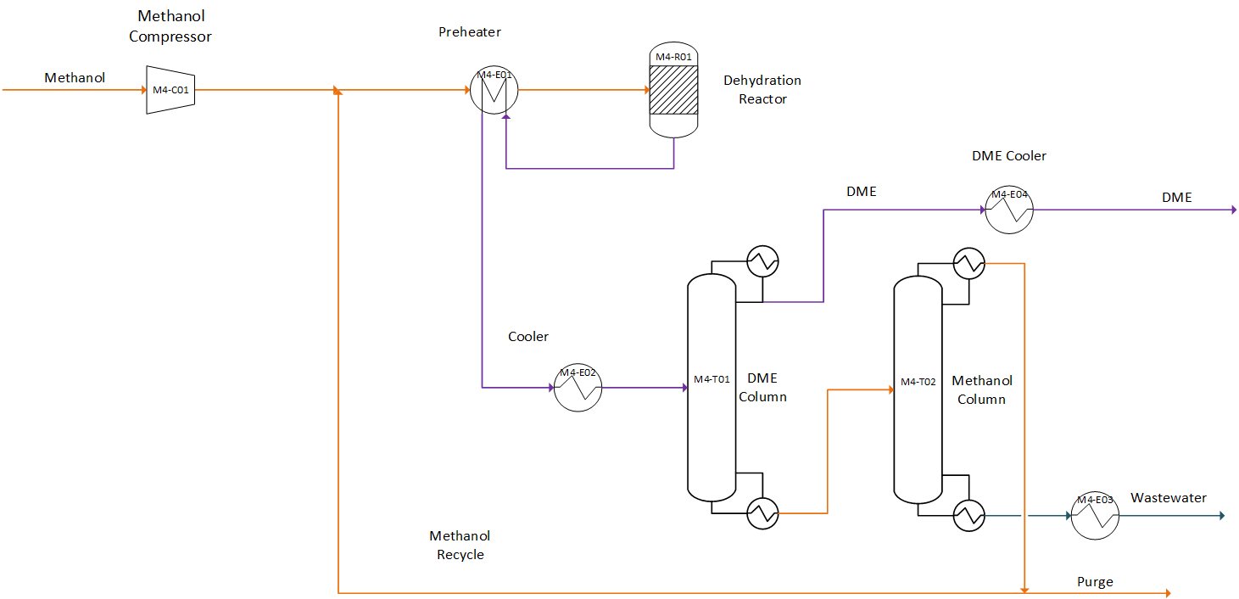

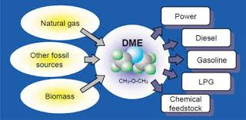

 |  |  |  |  |  |  |  |  |  | LEGENDS
 |  |  |  |  |  |  |  |  |  | FS- Feedstock/Raw material
 |  |  |  |  |  |  |  |  |  | PS- Product
 |  |  |  |  |  |  |  |  |  | WS-Waste

 |  |  |  |  | Figure 1. Process Flow Diagram- Methanol Production
Mass Balances

Raw materials |  |  |  |  |  | Products |  |  |  |  |  | Balance check
Stream | Composition (% mass) | Flow kt/y | Temperature ( °C ) | Pressure (bar) |  | Stream | Composition (% mass) | Flow kt/y | Temperature ( °C ) | Pressure (bar) |  | Total inputs/outputs
FS-CH3OH (Methanol) | H2O 0,023% | 93.7 | 64 | 1.02 |  | PS-DME | CH3OH 0,018 %, DME 99,98% | 67.3 | 40 | 10 |  | Raw materials (FS) | 93.7
 | CH3OH 99,96% |  |  |  |  |  |  |  |  |  |  | Products (PS) | 67.3
 | ETHANOL 0,017 % |  |  |  |  |  |  |  |  |  |  | Waste Streams (WS) | 0.0

 |  |  |  |  |  |  |  |  |  |  |  | Balance check | 26.4
 |  |  |  |  |  |  |  |  |  |  |  | Percent error (%) | 28.2
 |  |  |  |  |  | Waste streams
 |  |  |  |  |  | Stream | Component | Composition (% mass) | Flow kt/y | Temperature ( °C ) | Pressure (bar)
 |  |  |  |  |  | WS-PRG1 | H2O | 0.20 | 0.13 | 137 | 10
 |  |  |  |  |  |  | CH3OH | 90.01
 |  |  |  |  |  |  | ETHANOL | 9.29
 |  |  |  |  |  |  | DME | 0.51
 |  |  |  |  |  | WS-WATER | H2O | 99.94 | 26.33 | 40 | 1
 |  |  |  |  |  |  | CH3OH | 0.05
 |  |  |  |  |  |  | ETHANOL | 0.01

Energy Balances

Utility type | Input - TJ/y | Input - kt/y | Output - TJ/y | Output - kt/y | Net - TJ/y | Net - kt/y | Remark |  | Utility process conditions
Very low pressure steam | 0.00 | 0.00 | -25.03 | -11.32 | -25.03 | -11.32 | Generation |  | Utility type | Inlet temperature ( °C ) | Outlet temperature ( °C ) | Inlet pressure (bar) | Outlet pressure (bar) | Heat capacity/latent heat/lower heating value | Unit
Low pressure steam | 0.00 | 0.00 | -30.75 | -13.76 | -30.75 | -13.76 | Generation |  | Very Low pressure steam | - | - | - | - | - | -
Mid pressure steam | 213.96 | 107.40 | 0.00 | 0.00 | 213.96 | 107.40 |  |  | Low pressure steam | 155 | 155 | 5.5 | 5.5 | 2097 | KJ/kg
High pressure steam | 0.00 | 0.00 | 0.00 | 0.00 | 0.00 | 0.00 |  |  | Mid pressure steam | 214 | 214 | 21 | 21 | 1880 | KJ/kg
Cooling water | 316.96 | 5051.48 | 0.00 | 0.00 | 316.96 | 5051.48 |  |  | High pressure steam | 265 | 265 | 51 | 51 | 1632 | KJ/kg
Electricity | 30.68 | 1065.36 | 0.00 | 0.00 | 30.68 | 1065.36 | kt/y is kW |  | Cooling water | 25 | 40 | 1.02 | 1.02 | 4.18 | KJ/kg.K

Energy Balances - SCALED | Normalization factor | 67.30 | Scaling factor | 2.080238 | h/y | 8,765.82

Utility type | Input - TJ/y | Input - kt/y | Output - TJ/y | Output - kt/y | Net - TJ/y | Net - kt/y | Remark
Very low pressure steam | 0.00 | 0.00 | -52.06 | -23.54 | -52.06 | -23.54 | Generation
Low pressure steam | 0.00 | 0.00 | -63.97 | -28.63 | -63.97 | -28.63 | Generation
Mid pressure steam | 445.08 | 223.41 | 0.00 | 0.00 | 445.08 | 223.41
High pressure steam | 0.00 | 0.00 | 0.00 | 0.00 | 0.00 | 0.00
Cooling water | 659.34 | 10508.28 | 0.00 | 0.00 | 659.34 | 10508.28
Electricity | 63.83 | 2216.20 | 0.00 | 0.00 | 63.83 | 2216.20 | kt/y is kW

 | 1168.25 |  | -116.03

Electricity - kWh/y |  | 19426830.93 |  | 0

Breakdown of requirements |  |  |  |  |  |  |  |  |  |  | DME Production
LLP steam |  |  |  |  |  |  | Electricity
Unit name | Unit description | Duty - MJ/hr | Duty - TJ/y | Mass - ktonne/y | Remark |  | Unit name | Unit description | Power - KW | Energy- GWh/y | Energy- TJ/y | Remark
M1-T02 | Methanol column | -3128 | -25 | -11 | - |  | M4-C01 | Methanol compressor | 1065 | 9 | 31 | -

Low pressure steam
Unit name | Unit description | Duty - MJ/hr | Duty - TJ/y | Mass - ktonne/y | Remark
M4-R01 | Dehydration reactor | -3844 | -31 | -14 |  |  | Natural gas
- | - | - | - | - | - |  | Unit name | Unit description | Duty - MJ/hr | Duty - TJ/y | Mass - ktonne/y | Remark
 |  |  |  |  |  |  | - | - | - | - | - | -
Mid pressure steam |  |  |  |  |  |  | - | - | - | - | - | -
Unit name | Unit description | Duty - MJ/hr | Duty - TJ/y | Mass - ktonne/y | Remark |  | - | - | - | - | - | -
M4-T01 | DME column | 3718 | #REF! | 15 | -
M4-T02 | Methanol column | 23026 | #REF! | 92 | - |  | Cooling water
- | - | - | - | - | - |  | Unit name | Unit description | Duty - MJ/hr | Duty - TJ/y | Mass - ktonne/y | Remark
 |  |  |  | 107 |  |  | M4-C01 | Methanol compressor | 716 | 6 | 91
High pressure steam |  |  |  |  |  |  | M4-E03 | Cooler | 2089 | 17 | 266
Unit name | Unit description | Duty - MJ/hr | Duty - TJ/y | Mass - ktonne/y | Remark |  | M4-E04 | DME cooler | 99 | 0.8 | 13
- | - | - | - | - | - |  | M4-T01 | DME column | 15524 | 124 | 1979
- | - | - | - | - | - |  | M4-T02 | Methanol column | 21193 | 170 | 2702

Refrigerant
Unit name | Unit description | Duty - MJ/hr | Duty - TJ/y | Mass - ktonne/y | Remark |  |  |  |  |  | 5051
- | - | - | - | - | -
- | - | - | - | - | -
- | - | - | - | - | -

Disclaimer
This process datasheet is part of the "Unravelling the impacts of using alternative raw materials in industrial clusters"
Project Leader: Prof. dr. ir. Andrea Ramirez Ramirez. Energy & Industry, Faculty of Technology, Policy and Management, Delft University of Technology, The Netherlands.
The affiliation of the process modelers and reviewers is: Energy & Industry, Faculty of Technology, Policy and Management, Delft University of Technology, The Netherlands.

No. | References
[1] | Manfred Müller, Ute Hübsch: "Dimethyl Ether", Ullmann's Encyclopedia of Industrial Chemistry, Electronic Release, Wiley-VCH, Weinheim September 2012.
[2] | M. Rashid Khan, Advances In Clean Hydrocarbon Fuel Processing: Science And Technology. Woodhead Publishing, 2011
[3] | Eric C.D. Tan, Michael Talmadge, Abhijit Dutta, Jesse Hensley, Josh Schaidle, and Mary Biddy., David Humbird., Lesley J. Snowden-Swan., Jeff Ross, Danielle Sexton, Raymond Yap, and John Lukas.,"Process Design and Economics for the Conversion of Lignocellulosic Biomass to Hydrocarbons via Indirect Liquefaction: Thermochemical Research Pathway to High-Octane Gasoline Blendstock Through Methanol/Dimethyl Ether Intermediates", National Renewable Energy Lab, United States, 2015, Web. doi:10.2172/1215006

