Sheet1
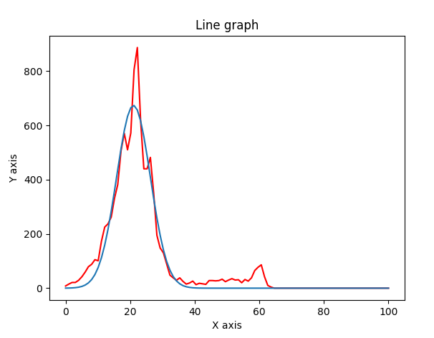
 | 13.8 | 17.7 | 20.7 | 26.3 | 59.5
 | americium pixel |  | 8 | 15 | 21 | 21 | 29 | 42 | 59 | 79 | 88 | 105 | 101 | 173 | 225 | 237 | 262 | 331 | 382 | 506 | 571 | 510 | 572 | 805 | 887 | 619 | 440 | 440 | 482 | 352 | 195 | 148 | 130 | 89 | 48 | 38 | 29 | 38 | 25 | 15 | 19 | 26 | 13 | 18 | 16 | 14 | 28 | 28 | 27 | 28 | 33 | 24 | 30 | 35 | 30 | 31 | 20 | 32 | 26 | 38 | 65 | 77 | 86 | 42 | 10 | 4 | 0 | 0 | 0 | 0 | 0 | 0 | 0 | 0 | 0 | 0 | 0 | 0 | 0 | 0 | 0 | 0 | 0 | 0 | 0 | 0 | 0 | 0 | 0 | 0 | 0 | 0 | 0 | 0 | 0 | 0 | 0 | 0 | 0 | 0 | 0 | 0
 | gauss | amp | 673.66552332
 |  | mean | 21.035595848
 |  | stddev | 5.2407706314

 | americium spocitane |  | 666677 | 1078769 | 1312656 | 1691434 | 2285390 | 3032911 | 3874401 | 4760955 | 5735250 | 6789275 | 7870196 | 8969707 | 10302283 | 11781190 | 13674560 | 15869034 | 18303873 | 20254472 | 21469910 | 22702067 | 24199749 | 26089054 | 27135805 | 26483270 | 24522956 | 21964140 | 19795114 | 17483627 | 15275236 | 12950447 | 10776654 | 8700605 | 6980577 | 5458137 | 4304505 | 3392139 | 2668520 | 2146579 | 1777420 | 1523494 | 1350979 | 1260717 | 1203112 | 1185012 | 1181998 | 1189413 | 1220826 | 1264095 | 1288518 | 1319847 | 1351585 | 1386570 | 1413266 | 1464037 | 1474731 | 1517793 | 1540207 | 1567312 | 1603776 | 1656882 | 1665953 | 1700434 | 1700623 | 1680151 | 1654171 | 1617080 | 1524862 | 1441065 | 1339567 | 1205245 | 1078880 | 952014 | 815031 | 698620 | 590696 | 490716 | 405087 | 329431 | 267558 | 217641 | 174516 | 137668 | 107609 | 83687 | 64329 | 49033 | 37869 | 28612 | 22237 | 17160 | 13146 | 10606 | 8221 | 6469 | 4983 | 3737 | 2980 | 2340 | 1972 | 1540
 | nekalibrovane
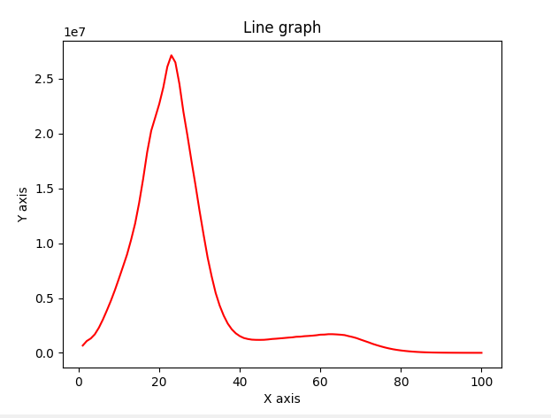

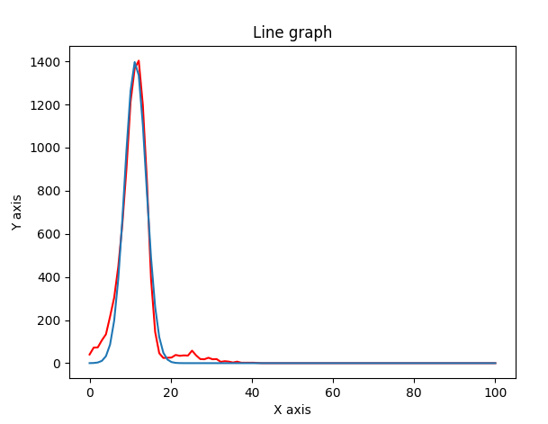
 | 9.885 | 10.981
 | germanium pixel |  | 40 | 72 | 73 | 106 | 134 | 216 | 304 | 447 | 645 | 902 | 1212 | 1366 | 1403 | 1197 | 843 | 390 | 145 | 46 | 24 | 25 | 26 | 38 | 34 | 36 | 35 | 58 | 36 | 19 | 18 | 25 | 18 | 19 | 6 | 9 | 7 | 3 | 7 | 2 | 2 | 2 | 2 | 1 | 0 | 0 | 0 | 0 | 0 | 0 | 0 | 0 | 0 | 0 | 0 | 0 | 0 | 0 | 0 | 0 | 0 | 0 | 0 | 0 | 0 | 0 | 0 | 0 | 0 | 0 | 0 | 0 | 0 | 0 | 0 | 0 | 0 | 0 | 0 | 0 | 0 | 0 | 0 | 0 | 0 | 0 | 0 | 0 | 0 | 0 | 0 | 0 | 0 | 0 | 0 | 0 | 0 | 0 | 0 | 0 | 0 | 0
 | gauss | amp | 1400.3615295
 |  | mean | 11.306072994
 |  | stddev | 2.6487182073

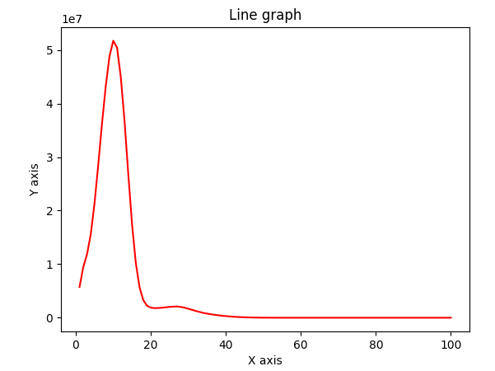
 | ger spocitane |  | 5737167 | 9451419 | 11857196 | 15583796 | 21371715 | 28597936 | 36303119 | 43285283 | 48857421 | 51722791 | 50451910 | 44966541 | 36714084 | 26813338 | 17492347 | 10243835 | 5694273 | 3289199 | 2237080 | 1883028 | 1795405 | 1817874 | 1873111 | 1948703 | 2031330 | 2077075 | 2103470 | 2020841 | 1873202 | 1676510 | 1474651 | 1266649 | 1083010 | 908565 | 770635 | 653997 | 546804 | 455748 | 374917 | 307816 | 245685 | 193700 | 150330 | 114184 | 84554 | 61360 | 44510 | 31612 | 21605 | 14995 | 10412 | 6901 | 4480 | 3043 | 1974 | 1318 | 786 | 548 | 390 | 264 | 202 | 122 | 88 | 69 | 62 | 56 | 37 | 29 | 26 | 10 | 11 | 21 | 13 | 10 | 8 | 8 | 4 | 1 | 1 | 2 | 2 | 2 | 3 | 0 | 1 | 0 | 0 | 1 | 0 | 0 | 1 | 0 | 0 | 1 | 0 | 1 | 1 | 0 | 0 | 0
 | nekalibrovane

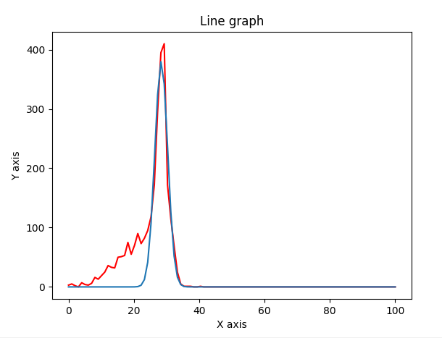
 | 24.207 | 27.274
 | ind pixel |  | 3 | 5 | 2 | 0 | 7 | 4 | 3 | 6 | 16 | 13 | 19 | 25 | 36 | 33 | 32 | 50 | 51 | 53 | 75 | 55 | 70 | 90 | 73 | 82 | 95 | 118 | 172 | 296 | 395 | 410 | 172 | 115 | 69 | 25 | 5 | 1 | 1 | 1 | 0 | 0 | 1 | 0 | 0 | 0 | 0 | 0 | 0 | 0 | 0 | 0 | 0 | 0 | 0 | 0 | 0 | 0 | 0 | 0 | 0 | 0 | 0 | 0 | 0 | 0 | 0 | 0 | 0 | 0 | 0 | 0 | 0 | 0 | 0 | 0 | 0 | 0 | 0 | 0 | 0 | 0 | 0 | 0 | 0 | 0 | 0 | 0 | 0 | 0 | 0 | 0 | 0 | 0 | 0 | 0 | 0 | 0 | 0 | 0 | 0 | 0
 | gauss | amp | 380.212603
 |  | mean | 28.389554224
 |  | stddev | 1.9707482917

 | ind spocitane |  | 135762 | 217771 | 264601 | 339918 | 461650 | 619714 | 800514 | 999205 | 1224138 | 1480715 | 1750879 | 2030972 | 2352926 | 2666939 | 2991838 | 3278949 | 3569801 | 3825821 | 4016113 | 4191138 | 4309890 | 4448977 | 4616207 | 4866466 | 5328545 | 6098258 | 7419941 | 8949945 | 10498166 | 11520165 | 11806293 | 11037031 | 9636452 | 7735767 | 5945076 | 4367707 | 3054730 | 2074152 | 1362687 | 872525 | 552901 | 347377 | 214595 | 131699 | 81072 | 50123 | 31249 | 20092 | 12923 | 8394 | 5820 | 4124 | 2905 | 2193 | 1581 | 1189 | 882 | 623 | 516 | 385 | 237 | 186 | 119 | 93 | 76 | 51 | 42 | 27 | 22 | 17 | 10 | 3 | 5 | 2 | 2 | 4 | 1 | 0 | 0 | 2 | 0 | 0 | 0 | 0 | 0 | 0 | 0 | 1 | 0 | 0 | 0 | 0 | 0 | 3 | 0 | 0 | 0 | 1 | 0 | 0
 | nekalibrovane
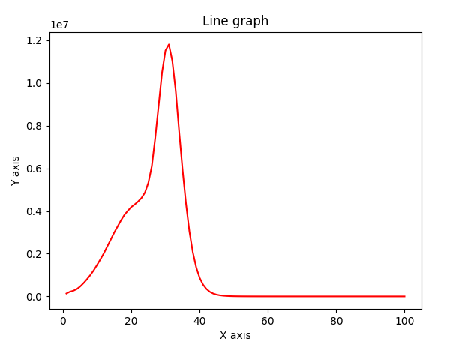

 | keV | ToT
ger | 10 | 11.3
am | 20.7 | 21.03
ind | 27 | 28.39
am | 59.5 | 61

