Dashboard
Rudy's Retro Intel Vintage Computer Diagnostic - Apple V11.0

Apple II Info
Apple II Diagnostics
Apple IIe Info
Apple IIe Diagnostics
Apple IIc Info
Apple IIc Diagnostics

Apple IIgs Info
Apple IIgs Diagnostics
Peripheral Cards
Apple III Info
Apple III Diagnostic
Apple Lisa Info

Apple LIsa Diagnostic
Machintosh Color Classic Info
Machintosh Color Classic Diagnostic
N/A
N/A
N/A

Currently looking additional repair information on:
 | Apple IIc | Apple IIgs | Apple Macs | Apple III | Apple Lisa

Apple IIgs Info
Menu
 | Apple IIGS

Apple Iigs Internal Diagnostic Routines

The Apple IIgs has a fairly extensive inbuilt diagnostic program that is easily accessed at power up by holding the Open-Apple & Option keys when turning on the power, or at any time when pressing Control - Open-Apple - Option - Reset. |  |  | Control Panel Access: 2 ways, 1) Open-Apple/Control/Reset, or by holding Option while starting it up. 2) Next to slot 1 and in front of the power plug from the supply, there is a header marked "W1". If this is jumpered or touching together, you can't enter control panel. Check it. If it is closed, open it, and you should be able to then. This is there to safe guard the settings from kids, like in a school environment, or at home, or simply from the curious employees in large companies

# | Name | $Location | A failure of any of these tests is indicated by an error code on the screen and a high-pitched tone. While the tests are executing, the border color changes as the test cycles both internally, and to the next test sequence.
 |  |  | Some commentary about failures:
1 | ROM Checksum | $FF/7CAE | Test 1 - A ROM checksum failure would indicate that the onboard ROM chip has failed, and while this is pretty rare, anything is a possibility. But in actuality, if the ROM were to fail in such a manner it's more likely that it would simply not work at power up. The fix here, get another ROM perhaps, but if you have one, you probably have a motherboard - swap the the whole thing, if you know that other one is good.
2 | RAM 1 -- Moving Inversions | $FF/776C | Test 5 - Speed Test, a failure here usually means the computer is unpredictable to not usable, as many peripherals depend in set speeds and other areas can run faster, part of the FPI function is to regulate processor speed, as it's name implies, for what needs fast and what needs slow. If this is not working, .. you can see where that can lead.
3 | Softwitches and Status Reg. | $FF/7A58 | Test 6 - Serial Test, these test the internal function of the serial port and should be done without anything hooked to either serial port. A failure here usually means you're out of luck as the components are all soldered.
4 | RAM Addressing | $FF/7F54 | Test 7 - Clock, if the clock battery is bad this test will not fail, but rather if you have issues here it's generally that the onboard RTC (Real Time Clock) circuit has ceased to function properly. Most of the time this results in a stuck clock. But I have seen a few where it fails yet software still works just fine.
5 | Speed (Fast Processor Interface) | $FF/7AF7 | Test 8 - BRAM, an error with Battery RAM usually means that the RAM area used has gone bad, but could also mean the contents are scrambled up. This can usually be cleared up by holding down Control - Closed-Apple - Reset, and then picking "Set System Standards - xxHz" where the 60 or 50 Hz option that is proper for your locality/electricity network. US, Tokyo, other parts of North America would be 60 Hz, and Europe, Australasia, Asia and the southern half of Japan are usually 50 Hz. NTSC TV is 60 Hz, PAL, SECAM are 50 Hz.
6 | Serial Test | $FF/7902 | Test 9 - ADB, an Apple Desktop Bus failure could be attributed to the mouse, keyboard or other ADB peripheral plugged in as well. If you have this, try the tests with just the keyboard first, or another keyboard. If it persists you'll probably be replacing the motherboard.
7 | Clock | $FF/7CFA | Test B - Interrupts, an interrupt at the level this test is concerned with is a type of asynchronous (meaning, one sided, on it's own) signal internal to the functioning of the computer. The disk drive is ready to be used, or memory can be read now, or keyboard input is acknowledged. If there is a failure here you might not notice anything and be able to use the computer, but chances are good that any intense use will probably result in unwanted behavior.
8 | Battery RAM (BRAM) | $FF/7DD3
9 | Apple Desktop Bus | $FF/7EC9
A | Shadow Register | $FF/7D5F
B | Interrupts | $FF/7B3C

IIe-80ColumnCard
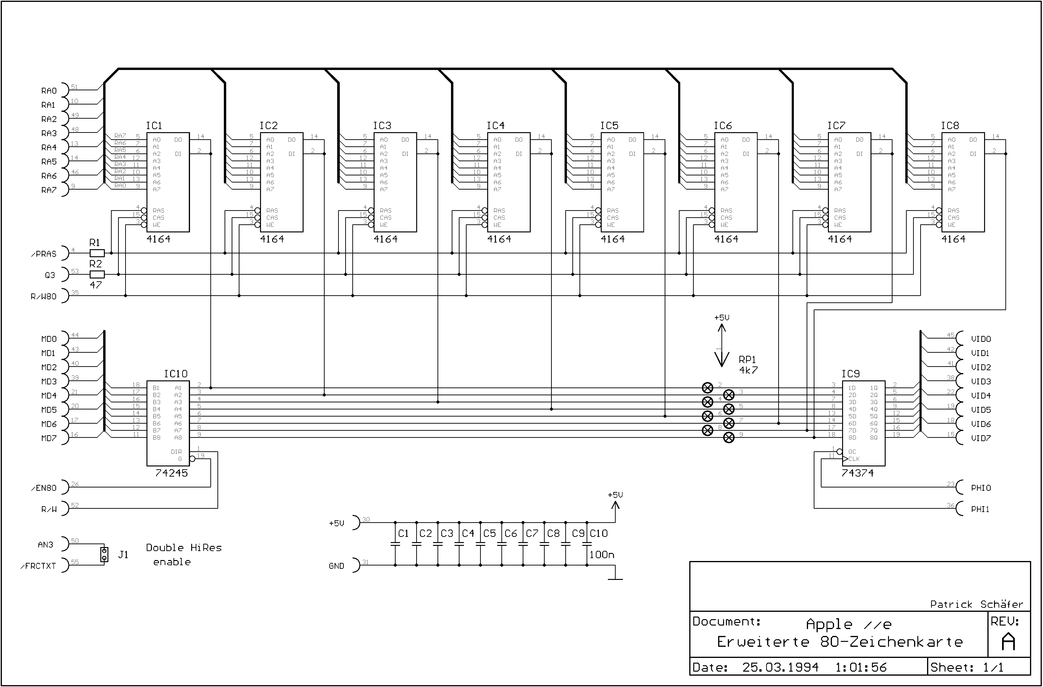
Back

Peripheral Cards
Menu
 | *** Ensure Apple II works without card installed first ***

ROM Card Schematic
Symptom(s) and Diagnostics | IC Location | Commemts
ROM Card
Computer will not restart\reset | 74LS09
 | 74LS244
 | 74S74
 | 74LS11

FP will not work or INT | 74S74
 | D0 ROM
 | 74LS138

ROM test failure | 74LS09
 | 74LS138

Apple reset when switch is up | Clean or replace switch

Serial Schematic
Serial Card
Will not boot | 74LS109
 | P8 Prom
 | P7 Prom
 | 74LS365

Prom test fails even after replacment | Q6-MPSU51
 | Q1,Q2-2N3906

Receiving error | Q7-2N3904
 | 74LS125

Transmit error | Q4-2N3904
 | 74LS109
 | Q3-2N3906
Parallel Schematic
Parallel Card
Computer will not reset | P9 Prom
 | P1 Prom
 | 74LS74
 | Q1-2N3906
 | Q2-MPSU51

Floopy drive will not boot | 74LS74
 | Ensure Apple works without card installed

PR#n command prompt doesn’t return cursor | Q2-MPSU51

Incorrect data being printed | 74LS174

Will not acknowledge data | B2 -74LS74

Data not ready error | B2 -74LS74
Language Schematic
Language Card
Computer will not reset | 74LS09
 | D0 ROM

Runs Interger but not Apple soft | 74LS09

Will not reet | Autostart ROM
 | Bad RAM
 | 74LS02
 | 74LS175

RAM fails tests | Bad cable
 | Bad RAM

Bank switching not working | 74LS86
 | 74LS00
 | 74LS09
 | 74LS08
 | 74LS74
 | 74LS20
 | 74LS175
DiskII Schematic
Apple Floppy Drive and Disk II controller
Computer will not boot | 74LS259 | Controller board
 | 74LS323 | Controller board
 | 74LS05 | Controller board
 | PROM P5 | Controller board
 | 74LS259 | Controller board
 | 74LS05 | Controller board
 | 74LS323 | Controller board
 | NE556 | Controller board

Drive motor runs continously | 74LS174 | Controller board
 | 74LS125 | Analog board, behind drive

Drive motor not working | 10K Pot | Controller board

Stepper motor | ULN2003 | Analog board, behind drive
 | Cable

Drive will not boot\load OS | PROM P5 | Controller board
 | Q1 | Analog board, behind drive
 | PROM P6 | Controller board
 | 74LS125 | Analog board, behind drive
 | Q2 | Controller board
 | 74LS132 | Controller board
 | 74LS259 | Controller board
 | Head alignment

Diskette write issues | CA3146 | Analog board, behind drive
 | 74LS125 | Analog board, behind drive
 | CR3 (IN4148-analog) | Analog board, behind drive
 | ULN2003 | Analog board, behind drive
 | 74LS05 | Controller board
 | P6 | Controller board

Floppy motor speed test shonw no information | MC3470 | Analog board, behind drive
 | 74LS125 | Analog board, behind drive
 | 74LS174 | Controller board
 | 74LS132 | Controller board

Floppy motor speed extremely high | 74LS05 | Controller board
 | CA3146 | Analog board, behind drive

Cannot write, protect is always enabled | Cable
 | 74LS323 | Controller board
 | PROM P6 | Controller board

Read and write errors | 74LS05 | Controller board
 | ULN2003 | Analog board, behind drive
 | PROM P5 or PROM P6 | Controller board

80Col Schematic
Apple IIe 80 Column and Ram Card - Additional infornation

Comm Schematic
Communiation Card - Additional infornation

Z80 Schematic
Z80 Processor Card

Z80Schematic
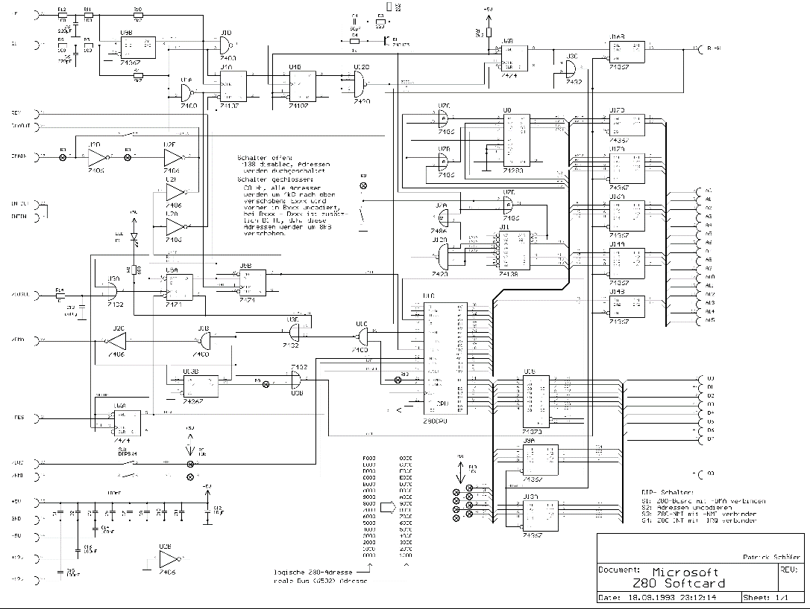
Back

SerialSchematic
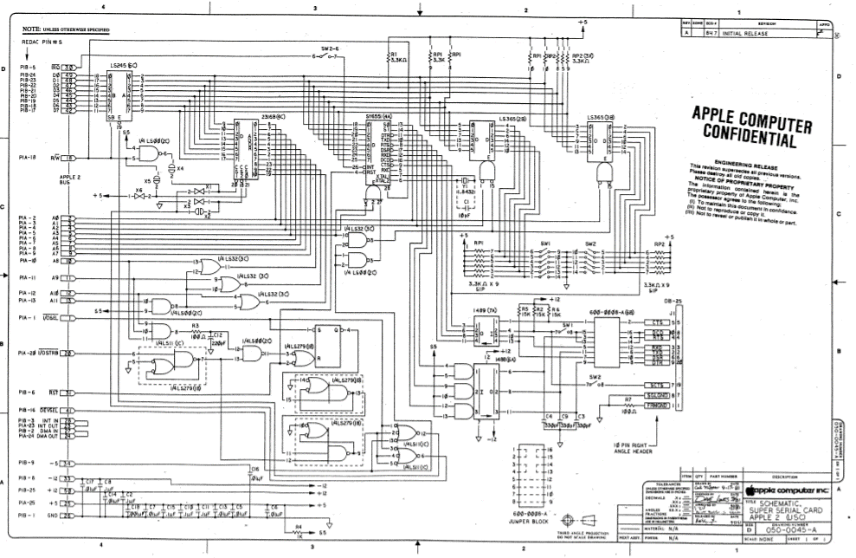
Menu

ParallelSchematic
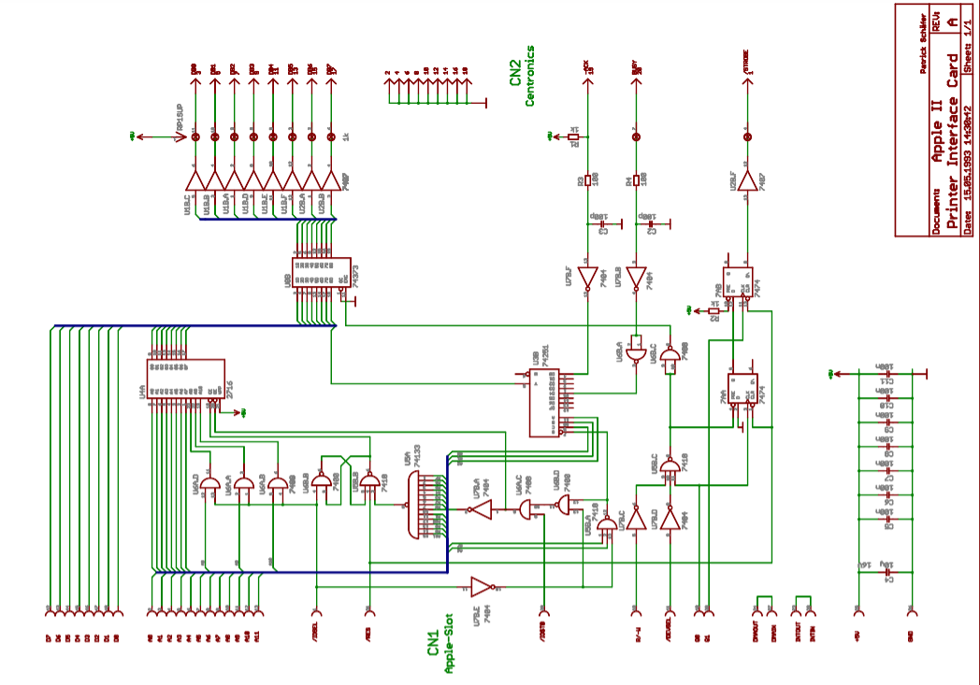
Back

16KCardSchematic
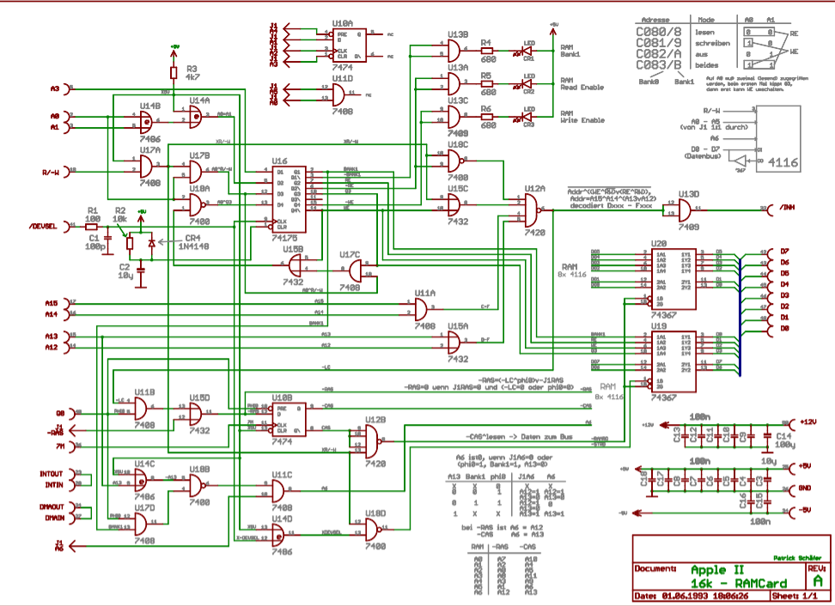
Back

DiskIISchematic
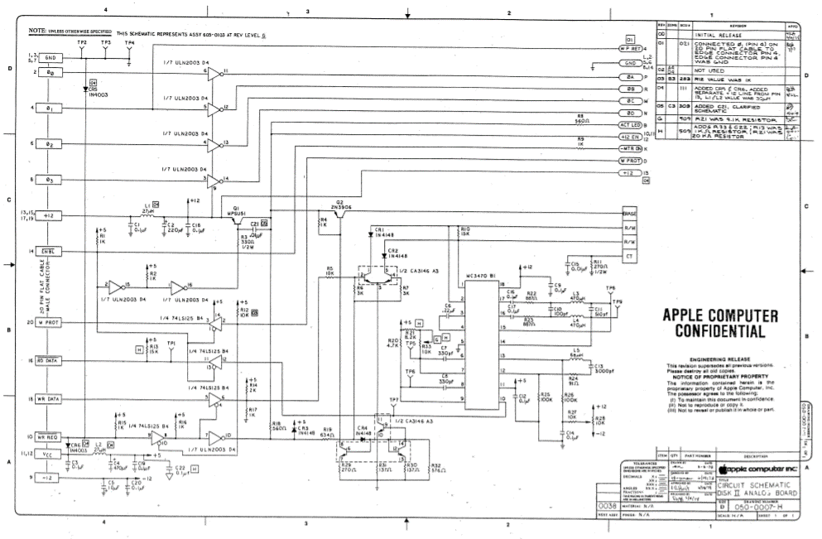
Back

ROMCardSchematic
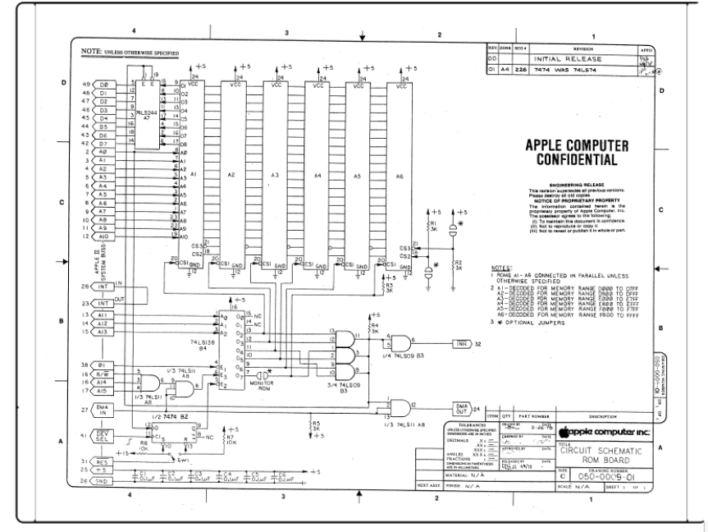
Back

CommSchematic
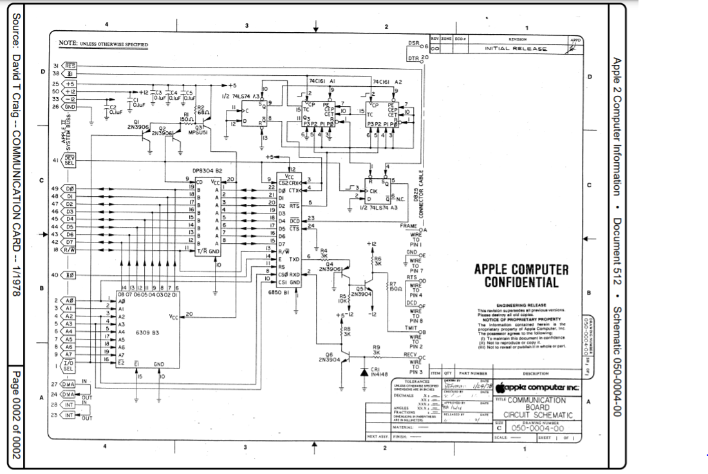
Back

Retro Info
Menu

 | Created by Rudy Panigas - 2019 - 2021 Youtube chanel: Rudy’s Retro Intel Email: retrointeldiy@gmail.com Contributions by: Rudy's Retro Intel

Transmit error |  | Q4-2N3904
 |  | 74LS109
 |  | Q3-2N3906

Parellel Card
Computer will not reset |  | P9 Prom
 |  | P1 Prom
 |  | 74LS74
 |  | Q1-2N3906
 |  | Q2-MPSU51

Floopy drive will not boot |  | 74LS74
 |  | Ensure Apple works without card installed

PR#n command prompt doesn’t return cursor |  | Q2-MPSU51

Incorrect data being printed |  | 74LS174
 |  | 74LS298

Will not acknowledge data |  | B2 -74LS74

Data not ready error |  | B2 -74LS74

Apple llc Information
Menu
Apple IIc

Quick Bad Connection Repair |  |  |  |  |  | Manufacturer | Apple Computer Co. 1988
Sometime the Apple II series computer has a bad connection issue with the chips and the connectors. Before you start your diagnostics, open the computer and re seat all the chips. This done by pressing down on all the chips to re seat them. You may hear a small cracking sound but this is not a bad sound. Once done try to boot up the computer. Chips can get loose in the socket over time due to heat. |  |  |  |  |  | Processor | MOS 65C02
 |  |  |  |  |  | Speed | 1.0Mhz
 |  |  |  |  |  | ROM | 10K, 16K
 |  |  |  |  |  | Onboard RAM | 128KB - 1MB
 |  |  |  |  |  | Number of slots | 0
 |  |  |  |  |  | Operating System | Apple DOS and ProDOS
 |  |  |  |  |  | Max video resolution | 40 or 80 X 24 text mode 560 X 192 maximum
 |  |  |  |  |  | Ports | Two serial port RGB monitor port, Composite video output, External floppy port
 |  |  |  |  |  | Speaker | Mono
 |  |  |  |  |  | Diagnostic Software | Apple II Dealer Diagnostics
 |  |  |  |  |  |  | Apple-Cillian II - XPS Inc
 |  |  |  |  |  |  | Apex II
 |  |  |  |  |  |  | XPS Diagnostics IIe

Apple Iic Version | ROM | Results from ?PEEK(644447) | Self Test | Exec Time | Results | Apple IIc ROM Versions
A2S4000 | ROM 255 | 255 | No | NA | NA
A2S4000 | ROM 0 | 0 | Yes | 34 seconds | System OK | Find out your ROM version by clicking Control-Reset typing right after boot and type print peek(64447)
A2S4100 | ROM 3 | 3 | Yes | 34 seconds | System OK | Original IIc ( $FBBF = $FF )
A2S4100 | ROM 4 | 4 | Yes | 34 seconds | System OK |  Can use the IIc external drive only
A2S4500 | ROM 4 | 7 | Yes | 34 seconds | System OK |  No AppleTalk firmware
 |  |  |  |  |  |  PR#7 boots the second drive
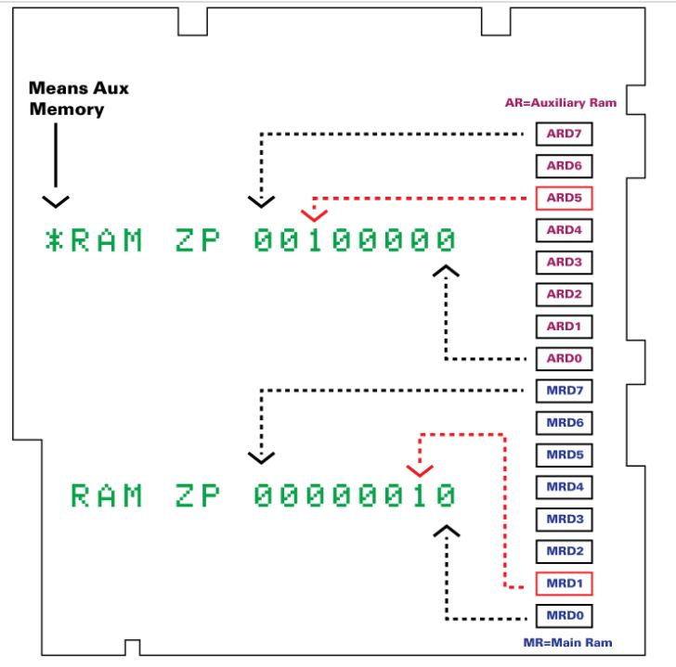
 |  |  |  |  |  |  Mouse firmware maps to slot 4
 |  |  |  |  |  |  Serial firmware does not mask incoming linefeed characters
 |  |  |  |  |  |  Serial firmware does not support XON/XOFF protocol
 |  |  |  |  |  | 3.5 ROM IIc ( $FBBF = $00 )
 |  |  |  |  |  |  Can use the IIc external drive and the UniDisk 3.5 drive
 |  |  |  |  |  |  AppleTalk firmware maps to slot 7
 |  |  |  |  |  |  PR#7 returns the message “AppleTalk Off Line”

 |  |  |  |  |  |  Mouse firmware maps to slot 4
 |  |  |  |  |  |  Serial firmware defaults to mask all incoming linefeed characters
 |  |  |  |  |  |  Serial firmware supports XON/XOFF protocol

 |  |  |  |  |  | Original “Memory-Expandable” IIc ( $FBBF = $03 )
 |  |  |  |  |  |  Can use the IIc external drive, the UniDisk 3.5 drive, and the IIc
 |  |  |  |  |  | Memory Expansion Card
 |  |  |  |  |  |  Mouse firmware maps to slot 7
 |  |  |  |  |  |  No AppleTalk firmware
 |  |  |  |  |  |  PR#7 kills the system
 |  |  |  |  |  |  Serial firmware defaults to mask all incoming linefeed characters
 |  |  |  |  |  |  Serial firmware supports XON/XOFF protocol
 |  |  |  |  |  | Revised “Memory-Expandable” IIc ( $FBBF = $04 )
 |  |  |  |  |  | Same as Original Memory-Expandable, plus:
 |  |  |  |  |  |  Keyboard buffering firmware bug fixed
 |  |  |  |  |  |  Firmware returns correct information when the Memory Expansion Card is
 |  |  |  |  |  | not present
 |  |  |  |  |  | Apple IIc Plus ( $FBBF = $05 )
Picture found on internet without creator information |  |  |  |  |  |  Can use the external IIc drive, the UniDisk 3.5 drive, the Apple 3.5
 |  |  |  |  |  | drives, but not the original IIc Memory Expansion Card.
 |  |  |  |  |  |  Contains a Memory Expansion Card connector
 |  |  |  |  |  |  3.5″ internal drive replaces 5.25″ internal drive
 |  |  |  |  |  |  Mouse maps to slot 7
 |  |  |  |  |  |  PR#7 kills the system
 |  |  |  |  |  |  4 MHz 65C02 microprocessor
 |  |  |  |  |  |  Accelerator chip and static RAM cache permit operation up to 4 MHz
 |  |  |  |  |  |  Keyboard replaced with Apple Standard Keyboard (minus numeric keypad)
 |  |  |  |  |  |  Internal power supply
 |  |  |  |  |  |  Internal modem connector
 |  |  |  |  |  |  Serial ports refitted with mini-DIN 8 connectors
 |  |  |  |  |  |  Headphone jack has been removed
 |  |  |  |  |  |  Volume control relocated above the keyboard
 |  |  |  |  |  |  40/80 column switch replaced by keyboard (Sholes/Dvorak) switch

Apple llc Diagnostics
Menu

Diagnostics of Apple llc - Symptom(s) | Boot | Power Light | Beep | Screen | Floppy Drive | Cassette | Diagnosis | IC Location
Boot and Startup Issues
Will not boot, no power light, no beep and disk drive won't run (spin) | No | No | No | No | No | Unknown | No power - 1. Check power cord 2. Check power supply | Power Supply

No system message and no beep | No | Yes | No | Blank | Unknown | Unknown

Message appears and no beep | Unknown | Yes | No | Apple | Unknown | Unknown

Will not boot, power light on, no beep, drive will not run(spin) and garbage on the screen | No | Yes | No | Garbage | No | Unknown

Will not boot floppy, power light on, beeps and screen shows APPLE message but floppy will not run | No | Yes | Yes | Apple | No | Unknown

Will not boot floppy, power light on, beeps and screen shows APPLE message but floppy drive keeps running | No | Yes | Yes | Apple | Spins | Unknown

Will not boot floppy, power light on, beeps and screen shows APPLE message but floppy drive spins and then stops | No | Yes | Yes | Apple | Spin and stops | Unknown

Will not boot floppy, power light on, beeps and screen blank but floppy drive spins and then stops | No | Yes | Yes | Blank | Spin and stops | Unknown

Issues with running
Disk drive just spins or I/O error message appears | Yes | Yes | Yes | IO error message | No | Unknown

Disk drive will read but not write | Yes | Yes | Yes | Good | Read but not write | Unknown

Floppy drive operates intermittently for reads and writes | Yes | Yes | Yes | Yes | R\W intermittent | Unknown

Computer locks up and keyboard not responding | Yes | Yes | Yes | Frozen | Yes | Unknown

Issues with Display
White screen and not other display | Unknown | Unknown | Unknown | White | Unknown | Unknown

No display and no video | Unknown | Unknown | Unknown | None | Unknown | Unknown

No display with a blank screen | Unknown | Unknown | Unknown | Blank | Unknown | Unknown

No colour | Yes | Yes | Yes | No colour | Good | Unknown

No video synchronization (Sync) | Yes | Yes | Yes | No sync | Unknown | Unknown

No cursor or bad cursor being shown | Yes | Yes | Yes | Bad cursor | Yes | Unknown

Bad flash or bad inverse | Yes | Yes | Yes | Bad Flash\Inverse | Yes | Unknown

No text on screen | Yes | Yes | Yes | No text | Yes | Unknown

Wrong characters shown | Yes | Yes | Yes | Wrong Characters | Yes | Unknown

Bad video colour | Yes | Yes | Yes | Bad colour | Yes | Unknown

Bad graphics no hi or low resolution but text OK | Yes | Yes | Yes | No graphics | Yes | Unknown

Bad graphics no hi resolution but low resolution and text OK | Yes | Yes | Yes | Bad Hi Res | Yes | Unknown

Issues with Keyboard
Keys with no response or some key with press | Yes | Yes | Yes | Bad key press | Yes | Unknown | Bad keyboard | Keyboard
Keys with no response or some key with press | Yes | Yes | Yes | Bad key press | Yes | Unknown | Keyboard not connected properly | Keyboard
Keys with no response or some key with press | Yes | Yes | Yes | Bad key press | Yes | Unknown
Keys with no response or some key with press | Yes | Yes | Yes | Bad key press | Yes | Unknown | Keyboard key issue | Keyboard

Keyboard shows wrong characters | Yes | Yes | Yes | Repeated character | Yes | Unknown | Bad Keyboard Encoder -AY-5-3600 PRO | UB16

keyboard shows repeated characters | Yes | Yes | Yes | Repeated character | Yes | Unknown | Bad Keyboard Encoder -AY-5-3600 PRO | UB16
keyboard shows repeated characters | Yes | Yes | Yes | Repeated character | Yes | Unknown | Bad Keyboard | Keyboard

Keyboard repeat not working | Yes | Yes | Yes | Not repeating | Yes | Unknown | Bad Keyboard Encoder -AY-5-3600 PRO | UB16
Keyboard repeat not working | Yes | Yes | Yes | Not repeating | Yes | Unknown | Bad Keyboard | Keyboard

Sound issues with speaker
Speaker volume very low | Yes | Yes | Low volume | Yes | Yes | Unknown

 |  |  |  |  |  |  |  | `
Speaker has no sound | Yes | Yes | No | Yes | Yes | Unknown

 |  |  |  |  |  |  |  | `

Cassette tape Issues
Cassette will not load data | Yes | Yes | Yes | Good | Unknown | Not loading

Cassette will not save data | Yes | Yes | Yes | Good | Unknown | Not saving

Game Paddle Issues
Game paddle not working. No response | Yes | Yes | Yes | Good | Good | Good

Apple ll+Information
Menu
Apple II + (plus)

Card configuration - Viewed left to right from power supply
Slot 0 | Language Card | Manufacturer | Apple Computer Co. 1978
Slot 1 | Printer Card | Processor | MOS 65502
Slot 2 | Modem or Serial Card | Speed | 1.0Mhz
Slot 3 | 80 Column Card | ROM | 10K, 16K
Slot 4 | CP/M Card | Onboard RAM | 16 or 32KB
Slot 5 | Disk Drive Card 3 and 4 | Max RAM | 48KB
Slot 6 | Disk Drive Card 1 and 2 | Number of slots | 7
Slot 7 | Disk Drive Card 5 and 6 | Operating System | Apple DOS and CP/M with Z80 card
 |  | Max video resolution | various resolutions to 320x192x16 color. Composite monitor or RF Modulator to TV supported
 |  | Input\Output | Parallel and Serial
 |  | Speaker | Mono

 |  | Diagnostic Software | Apple II Dealer Diagnostics
 |  |  | Apple-Cillian II - XPS Inc
 |  |  | Apex II
 |  |  | XPS Diagnostics IIe
Quick Bad Connection Repair
Sometime the Apple II series computer has a bad connection issue with the chips and the connectors. Before you start your diagnostics, open the computer and re seat all the chips. This done by pressing down on all the chips to re seat them. You may hear a small cracking sound but this is not a bad sound. Once done try to boot up the computer. Chips can get loose in the socket over time due to heat.

 |  | *** Note *** After repairs are completed, always run the diagnostic software and loop through all the tests as they may be other issues with the computer. Loop through all the system board test several times before you start using the computer. I recommend that test run at least 10 times with out errors

Apple ll+ Diagnostics
Menu

Diagnostics of Apple II + (plus) - Symptom(s) | Boot | Power Light | Beep | Screen | Floppy Drive | Cassette Tape | Diagnosis | IC Location
Boot and Startup Issues
Will not boot, no power light, no beep and disk drive won't run (spin) | No | Off | No | No | No | Unknown | 1. Check power cord 2. Check power supply | Power Supply

Will not boot, power light on, no beep and drive won’t run (spin) | No | On | No | No | No | Unknown | 74S86 | B2
Will not boot, power light on, no beep and drive won’t run (spin) | No | On | No | No | No | Unknown | 74LS195 | C2
Will not boot, power light on, no beep and drive won’t run (spin) | No | On | No | No | No | Unknown | 74LS153 | C1
Will not boot, power light on, no beep and drive won’t run (spin) | No | On | No | No | No | Unknown | 74S175 | B1
Will not boot, power light on, no beep and drive won’t run (spin) | No | On | No | No | No | Unknown | 74LS00 | A2
Will not boot, power light on, no beep and drive won’t run (spin) | No | On | No | No | No | Unknown | 74LS02 | B13
Will not boot, power light on, no beep and drive won’t run (spin) | No | On | No | No | No | Unknown | Replace timing crystal | Motherboard

Will not boot and screen has garbage | No | Yes | No | Garbage | Spin & stops | Unknown | F8 ROM | F8
Will not boot and screen has garbage | No | Yes | No | Garbage | Spin & stops | Unknown | Bad CPU 6502 | H7

Will not boot, screen shows APPLE II & drive spins then stops | No | Yes | Yes | APPLE II | No | Unknown | ULN2003 | Disk Card
Will not boot, screen shows APPLE II & drive spins then stops | No | Yes | Yes | APPLE II | No | Unknown | Bad disk card | Disk Card
Will not boot, screen shows APPLE II & drive spins then stops | No | Yes | Yes | APPLE II | No | Unknown | Bad stepper motor | Floppy Drive
Will not boot, screen shows APPLE II & drive spins then stops | No | Yes | Yes | APPLE II | No | Unknown | Bad ribbon cable | Disk Card
Will not boot, screen shows APPLE II & drive spins then stops | No | Yes | Yes | APPLE II | Spin & stops | Unknown | Bad disk, bad program, try another disk | Diskette
Will not boot, screen shows APPLE II & drive spins then stops | No | Yes | Yes | APPLE II | Spin & stops | Unknown | Bad RAM (motherboard) IC 2116 in row C,D and\or E | Motherboard
Will not boot, screen shows APPLE II & drive spins then stops | No | Yes | Yes | APPLE II | Spin & stops | Unknown | Bad RAM chip on language card | Language Card

Will not boot, and drive spins then stops | No | Yes | Yes | Blank | Spin & stops | Unknown | Bad video cable | Video Cable
Will not boot, and drive spins then stops | No | Yes | Yes | Blank | Spin & stops | Unknown | Video connector bad or dirty | Motherboard
Will not boot, and drive spins then stops | No | Yes | Yes | Blank | Spin & stops | Unknown | Bad monitor or brightness low | Monitor
Will not boot, and drive spins then stops | No | Yes | Yes | Blank | Spin & stops | Unknown | 74LS00 | A2
Will not boot, and drive spins then stops | No | Yes | Yes | Blank | Spin & stops | Unknown | 74LS02 | B13
Will not boot, and drive spins then stops | No | Yes | Yes | Blank | Spin & stops | Unknown | 74S195 | C2
Will not boot, and drive spins then stops | No | Yes | Yes | Blank | Spin & stops | Unknown | 74LS04 | C1
Will not boot, and drive spins then stops | No | Yes | Yes | Blank | Spin & stops | Unknown | 74S161 | D11, D12, D13, D14
Will not boot, and drive spins then stops | No | Yes | Yes | Blank | Spin & stops | Unknown | 74LS74 | B10
Will not boot, and drive spins then stops | No | Yes | Yes | Blank | Spin & stops | Unknown | 74LS151 | A9
Will not boot, and drive spins then stops | No | Yes | Yes | Blank | Spin & stops | Unknown | 74LS194 | A10
Will not boot, and drive spins then stops | No | Yes | Yes | Blank | Spin & stops | Unknown | 74LS257 | A8
Will not boot, and drive spins then stops | No | Yes | Yes | Blank | Spin & stops | Unknown | 74S86 | B2

Unable to access, disk LED on | Yes | Yes | Yes | Good | LED on, no access | Unknown | 74LS174 | B5
Unable to boot disk | Yes | Yes | Yes | Good | No boot | Unknown | 74LS138 | C1
Unable to boot disk | Yes | Yes | Yes | Good | No boot | Unknown | 74LS138, 74LS153 | H2
Unable to boot disk | Yes | Yes | Yes | Good | No boot | Unknown | 8T97 | H3
Disk boots, screen goes blank | Yes | Yes | Yes | Blank | Yes | Unknown | 74LS194 | B9
Goes into monitor, program dies after warm | Yes | Yes | Yes | Goes into monitor | Yes | Unknown | ROM | E0
Goes into monitor, program dies after warm | Yes | Yes | Yes | Goes into monitor | Yes | Unknown | 74LS138 | H2, H12
Goes into monitor, program dies after warm | Yes | Yes | Yes | Goes into monitor | Yes | Unknown | ROM card slot | Slot 0
Issues with running
Disk drive just spins or I/O error message appears | Yes | Yes | Yes | IO error message | No | Unknown | Bad diskette - DOS 3.2 will not work on Apple II+, needs DOS 3.3 | Diskette
Disk drive just spins or I/O error message appears | Yes | Yes | Yes | IO error message | No | Unknown | Read Head - clean and try again | Floppy Drive
Disk drive just spins or I/O error message appears | Yes | Yes | Yes | IO error message | No | Unknown | Bad drive card | Disk Card
Disk drive just spins or I/O error message appears | Yes | Yes | Yes | IO error message | No | Unknown | Bad ribbon cable | Disk Card
Disk drive just spins or I/O error message appears | Yes | Yes | Yes | IO error message | No | Unknown | MC3470 | Disk Card
Disk drive just spins or I/O error message appears | Yes | Yes | Yes | IO error message | No | Unknown | CA3146 | Disk Card

Cannot write to disk but reads OK | Yes | Yes | Yes | Write error | Read\not write | Unknown | Disk not formatted or Write tab on | Diskette
Cannot write to disk but reads OK | Yes | Yes | Yes | Write error | Read\not write | Unknown | Drive able loose on disk card | Disk Card
Cannot write to disk but reads OK | Yes | Yes | Yes | Write error | Read\not write | Unknown | Connector dirty | Disk Card
Cannot write to disk but reads OK | Yes | Yes | Yes | Write error | Read\not write | Unknown | 74LS125 | Floppy Drive
Cannot write to disk but reads OK | Yes | Yes | Yes | Write error | Read\not write | Unknown | CA3146 | Floppy Drive
Cannot write to disk but reads OK | Yes | Yes | Yes | Write error | Read\not write | Unknown | MC3470 | Floppy Drive
Cannot write to disk but reads OK | Yes | Yes | Yes | Write error | Read\not write | Unknown | ULN2003 | Floppy Drive
Cannot write to disk but reads OK | Yes | Yes | Yes | Write error | Read\not write | Unknown | Write head dirty or damaged | Floppy Drive

Floppy drive operates intermittently for reads and writes | Yes | Yes | Yes | Good | R\W intermittent | Unknown | Disk card connector dirty. Clean edge connectors | Disk Card
Floppy drive operates intermittently for reads and writes | Yes | Yes | Yes | Good | R\W intermittent | Unknown | Over heating. Install fan | Motherboard
Floppy drive operates intermittently for reads and writes | Yes | Yes | Yes | Good | R\W intermittent | Unknown | diskette tracking misalignment. Alignment with diagnostic software | Floppy Drive

Computer locks up and keyboard not responding | Yes | Yes | Yes | Frozen | Yes | Unknown | Bad keyboard character ROM - 2513 char gen ROM | A5
Computer locks up and keyboard not responding | Yes | Yes | Yes | Frozen | Yes | Unknown | 74166 | A3
Computer locks up and keyboard not responding | Yes | Yes | Yes | Frozen | Yes | Unknown | 74LS257 | B6, B7
Computer locks up and keyboard not responding | Yes | Yes | Yes | Frozen | Yes | Unknown | 74LS174 | B5,B8
Computer locks up and keyboard not responding | Yes | Yes | Yes | Frozen | Yes | Unknown | 74LS139 | F2,E2
Computer locks up and keyboard not responding | Yes | Yes | Yes | Frozen | Yes | Unknown | 74LS20 | D2
Computer locks up and keyboard not responding | Yes | Yes | Yes | Frozen | Yes | Unknown | 74LS138 | F12
Computer locks up and keyboard not responding | Yes | Yes | Yes | Frozen | Yes | Unknown | Defective CPU - 6502 | H7

Floppy drive does not work | No | Yes | Yes | Good | Unknown | Unknown | Disk card connector dirty. Clean edge connectors | Disk Card
Floppy drive does not work | No | Yes | Yes | Good | Unknown | Unknown | Over heating. Install fan | Motherboard
Floppy drive does not work | No | Yes | Yes | Good | Unknown | Unknown | diskette tracking misalignment. Alignment with diagnostic software | Floppy Drive
Floppy drive does not work | No | Yes | Yes | Good | Unknown | Unknown | Check Ics | Motherboard
Floppy drive does not work | No | Yes | Yes | Good | Unknown | Unknown | 74LS138 | H2 and H12
Floppy drive does not work | No | Yes | Yes | Good | Unknown | Unknown | 8T97 | H3

Intermittent Reset | Yes | Yes | Yes | Good | Yes | Unknown | 74LS32 | C14
Intermittent Reset | Yes | Yes | Yes | Good | Yes | Unknown | 74LS00 | A2
Intermittent Reset | Yes | Yes | Yes | Good | Yes | Unknown | ROM | E8
Continuous reset | Unknown | Yes | Yes | Good | Unknown | Unknown | 74LS257 | B7
Random characters at keybd reset | Yes | Yes | Yes | Good | Yes | Unknown | 74LS08 | B11
Random characters at keybd reset | Yes | Yes | Yes | Good | Yes | Unknown | F1 jumper block | pre rev7
Works w/16K RAM but not with 32K or 48K | Yes | Yes | Yes | Good | Yes | Unknown | 74LS139 | F2
Works w/16K RAM but not with 32K or 48K | Yes | Yes | Yes | Good | Yes | Unknown |  | RA02,03
No reset with disk card | Unknown | Yes | Yes | Good | Unknown | Unknown | 74LS138 | H2, H12
Beep, no prompt or cursor | Yes | Yes | No | No prompt\cursor | Unknown | Unknown | 74LS153 | E11
Beep, no prompt or cursor | Yes | Yes | No | No prompt\cursor | Unknown | Unknown | 74LS283 | E14
Beep, no prompt or cursor | Yes | Yes | No | No prompt\cursor | Unknown | Unknown | 9334 | F14
Issues with Display
Screen all white with not other displayed | No | Yes | No | All white | No | Unknown | 74LS194 | B4, B9

Screen no display or video | Unknown | Yes | Unknown | Blank | Unknown | Unknown | Bad monitor or brightness low | Monitor
Screen no display or video | Unknown | Yes | Unknown | Blank | Unknown | Unknown | Bad monitor | Monitor
Screen no display or video | Unknown | Yes | Unknown | Blank | Unknown | Unknown | Bad video cable | Monitor
Screen no display or video | Unknown | Yes | Unknown | Blank | Unknown | Unknown | 74LS195 | C2
Screen no display or video | Unknown | Yes | Unknown | Blank | Unknown | Unknown | 74LS02 | B13
Screen no display or video | Unknown | Yes | Unknown | Blank | Unknown | Unknown | 74LS00 | A2
Screen no display or video | Unknown | Yes | Unknown | Blank | Unknown | Unknown | 74LS161 | D11, D12, D13, D14
Screen no display or video | Unknown | Yes | Unknown | Blank | Unknown | Unknown | 74LS04 | C11
Screen no display or video | Unknown | Yes | Unknown | Blank | Unknown | Unknown | 74LS74 | B10
Screen no display or video | Unknown | Yes | Unknown | Blank | Unknown | Unknown | 74LS151 | A9
Screen no display or video | Unknown | Yes | Unknown | Blank | Unknown | Unknown | 74LS194 | A10
Screen no display or video | Unknown | Yes | Unknown | Blank | Unknown | Unknown | 74LS257 | A8
Screen no display or video | Unknown | Yes | Unknown | Blank | Unknown | Unknown | 74S86 | B2
Screen no display or video | Unknown | Yes | Unknown | Blank | Unknown | Unknown | M3904 | Q3
Screen no display or video | Unknown | Yes | Unknown | Blank | Unknown | Unknown | 74LS51 | C13

Screen blank, no display | Unknown | Unknown | Unknown | Blank | Unknown | Unknown | Bad monitor or brightness low | Monitor
Screen blank, no display | Unknown | Unknown | Unknown | Blank | Unknown | Unknown | Bad monitor | Monitor
Screen blank, no display | Unknown | Unknown | Unknown | Blank | Unknown | Unknown | Bad video cable | Cable
Screen blank, no display | Unknown | Unknown | Unknown | Blank | Unknown | Unknown | 74LS175 | B1
Screen blank, no display | Unknown | Unknown | Unknown | Blank | Unknown | Unknown | 74S86 | B2
Screen blank, no display | Unknown | Unknown | Unknown | Blank | Unknown | Unknown | 74LS00 | A2
Screen blank, no display | Unknown | Unknown | Unknown | Blank | Unknown | Unknown | 74LS153 | C1
Screen blank, no display | Unknown | Unknown | Unknown | Blank | Unknown | Unknown | 74LS195 | C2
Screen blank, no display | Unknown | Unknown | Unknown | Blank | Unknown | Unknown | 74LS51 | C13

Screen has no colour | Yes | Yes | Yes | No colour | Yes | Unknown | No colour burst signal | Motherboard
Screen has no colour | Yes | Yes | Yes | No colour | Yes | Unknown | 74LS51 | C13
Screen has no colour | Yes | Yes | Yes | No colour | Yes | Unknown | 74LS11 | B12
Screen has no colour | Yes | Yes | Yes | No colour | Yes | Unknown | 74LS02 | B13
Screen has no colour | Yes | Yes | Yes | No colour | Yes | Unknown | Capacitors | C2, C3
Screen has no colour | Yes | Yes | Yes | No colour | Yes | Unknown | Inductor | L1

Screen with no vertical sync (synchronization) | Yes | Yes | Yes | No vert sync | Yes | Unknown | 74LS161 | D11, D12
Screen with no vertical sync (synchronization) | Yes | Yes | Yes | No vert sync | Yes | Unknown | 74LS51 | C13
Screen with no vertical sync (synchronization) | Yes | Yes | Yes | No vert sync | Yes | Unknown | 74LS32 | C14

Screen with no horizontal sync (synchronization) | Yes | Yes | Yes | No hor sync | Yes | Unknown | 74LS161 | D13, D14
Screen with no horizontal sync (synchronization) | Yes | Yes | Yes | No hor sync | Yes | Unknown | 74LS51 | C13
Screen with no horizontal sync (synchronization) | Yes | Yes | Yes | No hor sync | Yes | Unknown | 74LS32 | C14

Screen with no cursor or bad cursor display | Yes | Yes | Yes | No cursor | Yes | Unknown | 74S86 | B2
Screen with no cursor or bad cursor display | Yes | Yes | Yes | No cursor | Yes | Unknown | Bad character generated | Motherboard
Screen with no cursor or bad cursor display | Yes | Yes | Yes | No cursor | Yes | Unknown | 74LS08 | B2
Screen with no cursor or bad cursor display | Yes | Yes | Yes | No cursor | Yes | Unknown | 74LS02 | B13
Screen with no cursor or bad cursor display | Yes | Yes | Yes | No cursor | Yes | Unknown | 74LSLS166 | A3
Screen with no cursor or bad cursor display | Yes | Yes | Yes | No cursor | Yes | Unknown | Bad timer circuit 555 | B3

Screen no cursor flash or bad inverse | Yes | Yes | Yes | Bad flash | Yes | Unknown | 74LS02 | B13
Screen no cursor flash or bad inverse | Yes | Yes | Yes | Bad flash | Yes | Unknown | 74LS08 | B11
Screen no cursor flash or bad inverse | Yes | Yes | Yes | Bad flash | Yes | Unknown | Bad timer circuit 555 | B3

Screen with no text | Yes | Yes | Yes | No text | Yes | Unknown | Text mode bad | Motherboard
Screen with no text | Yes | Yes | Yes | No text | Yes | Unknown | 74LS151 | A9
Screen with no text | Yes | Yes | Yes | No text | Yes | Unknown | 74166 | A3
Screen with no text | Yes | Yes | Yes | No text | Yes | Unknown | 74LS194 | A10
Screen with no text | Yes | Yes | Yes | No text | Yes | Unknown | No clock pulse | Motherboard
Screen with no text | Yes | Yes | Yes | No text | Yes | Unknown | 74S86 | B2
Screen with no text | Yes | Yes | Yes | No text | Yes | Unknown | Bad 2513 char gen ROM | A5
Screen with no text | Yes | Yes | Yes | No text | Yes | Unknown | 74LS257 | A8

Screen with wrong characters | Yes | Yes | Yes | Wrong Characters | Yes | Unknown | 2513 char gen ROM | A5
Screen with wrong characters | Yes | Yes | Yes | Wrong Characters | Yes | Unknown | Bad keyboard, bad keyboard ribbon cable or bad key(s) | Keyboard

Screen has annoying colour tint | Yes | Yes | Yes | Colour tint | Yes | Unknown | Adjust colour trim | F14\H14

Screen with bad graphics. Bad hi and Low res but text good | Yes | Yes | Yes | Hi\Low Res | Yes | Unknown | Bad hi\low res pixel generated | Motherboard
Screen with bad graphics. Bad hi and Low res but text good | Yes | Yes | Yes | Hi\Low Res | Yes | Unknown | 74LS194 | B4, B9
Screen with bad graphics. Bad hi and Low res but text good | Yes | Yes | Yes | Hi\Low Res | Yes | Unknown | Hi\low res not activated | Motherboard
Screen with bad graphics. Bad hi and Low res but text good | Yes | Yes | Yes | Hi\Low Res | Yes | Unknown | 74LS257 | A8

Screen with bad graphics, No hi res graphics but low res and text good | Yes | Yes | Yes | Hi res | Yes | Unknown | Hi res signal stuck low | Motherboard
Screen with bad graphics, No hi res graphics but low res and text good | Yes | Yes | Yes | Hi res | Yes | Unknown | 74LS257 | C12
Screen with bad graphics, No hi res graphics but low res and text good | Yes | Yes | Yes | Hi res | Yes | Unknown | Page signal stuck in low res or text | Motherboard
Screen with bad graphics, No hi res graphics but low res and text good | Yes | Yes | Yes | Hi res | Yes | Unknown | 74LS08 | A11

No video, no reset | No | Yes | Unknown | No video | Unknown | Unknown | Check\Replace crystal | Motherboard
No video, no reset | No | Yes | Unknown | No video | Unknown | Unknown | 2N4258 | Q1,Q2 below crystal
No video, no reset | No | Yes | Unknown | No video | Unknown | Unknown | 74LS00 | A2
No video, no reset | No | Yes | Unknown | No video | Unknown | Unknown | 74LS194 | A10
No video, no reset | No | Yes | Unknown | No video | Unknown | Unknown | 74LS151 | A9
No video, no reset | No | Yes | Unknown | No video | Unknown | Unknown | 74LS175 | B1
No video, no reset | No | Yes | Unknown | No video | Unknown | Unknown | 74S86 | B2
No video, no reset | No | Yes | Unknown | No video | Unknown | Unknown | 74LS74 | B10
No video, no reset | No | Yes | Unknown | No video | Unknown | Unknown | 74LS02 | B11
No video, no reset | No | Yes | Unknown | No video | Unknown | Unknown | 74LS153 | C1
No video, no reset | No | Yes | Unknown | No video | Unknown | Unknown | 74L195 | C2
No video, no reset | No | Yes | Unknown | No video | Unknown | Unknown | 74LS51 | C13
No video, no reset | No | Yes | Unknown | No video | Unknown | Unknown | 74LS32 | C14
No video, no reset | No | Yes | Unknown | No video | Unknown | Unknown | 74LS20 | D2
No video, no reset | No | Yes | Unknown | No video | Unknown | Unknown | 74LS04 | C11
No video, no reset | No | Yes | Unknown | No video | Unknown | Unknown | 74LS16 | D11-D14

No prompt/cursor | Unknown | Yes | Unknown | No prompt\cursor | Unknown | Unknown | 555 timer | B3

Chars. moving, appearing randomly on screen | Yes | Yes | Yes | Char moveing\random | Unknown | Unknown | 74LS04 | C11
Blank white screen | Unknown | Unknown | Unknown | Blank white | Unknown | Unknown | 74166 | A3
Blank white screen | Unknown | Unknown | Unknown | Blank white | Unknown | Unknown | 74LS174 | B5,8
Blank white screen | Unknown | Unknown | Unknown | Blank white | Unknown | Unknown | 9334 | F14
Blank white screen | Unknown | Unknown | Unknown | Blank white | Unknown | Unknown | 6502
Blank dark grey screen | Unknown | Unknown | Unknown | Dark grey | Unknown | Unknown | 74LS74 | B10
Screen goes blank when disk boots | Yes | Yes | Yes | Blank during boot | Yes | Unknown | 74LS194 | B9
Video goes blank during RAM test | Yes | Yes | Yes | Blank with RAM test | Yes | Unknown | 74S86 | B2
Videos wavers | Yes | Yes | Yes | Wavers | Yes | Unknown | 74LS04 | C11
Video distorted, reset OK | Yes | Yes | Yes | Distored videp | Yes | Unknown | 74LS20 | D2
Top of video missing/distorted | Yes | Yes | Yes | Missing top video | Yes | Unknown | 74LS02 | B14
Video pushed down/to right | Yes | Yes | Yes | Push down to right | Unknown | Unknown | 74LS02 | C13
Can’t write to upper left screen | Yes | Yes | Yes | Upper left | Unknown | Unknown | 74LS151 | A9
Top 3 lines HIRES gone | Yes | Yes | Yes | Top 3 lines missing HIRES | Unknown | Unknown | 74LS74 | A11
Rolling video | Yes | Yes | Yes | Rolling video | Unknown | Unknown | 74LS32 | B14
Rolling video | Yes | Yes | Yes | Rolling video | Unknown | Unknown | LS04 | C11
Video all scrolls | Yes | Yes | Yes | All video scrolls | Unknown | Unknown | 74LS153 | E11
Inverse video, cursor not flash | Yes | Yes | Yes | Inverse\no flash prompt | Unknown | Unknown | 74S86 | B2
Inverse/incorrect prompt | Yes | Yes | Yes | Inverse\bad prompt | Unknown | Unknown | F8 ROM | F8
Split video 4 corners | Yes | Yes | Yes | Video Split | Yes | Unknown | 74LS175 | B1
Split video 4 corners | Yes | Yes | Yes | Video Split | Yes | Unknown | 74LS153 | C1
Split location prompt | Yes | Yes | Yes | Split prompt | Yes | Unknown | 74LS04 | C11
Split location prompt | Yes | Yes | Yes | Split prompt | Yes | Unknown | 74LS283 | E14
Horizontal lines/junk chars. | Yes | Yes | Yes | Horz links\junk bars | Unknown | Unknown | 74LS174 | B5,8
Distorted color bars | Yes | Yes |  | Horz links\junk bars | Unknown | Unknown | 74LS02 | A12
Vertical bars/cold start | Yes | Yes | Yes | Vertical bars | Unknown | Unknown | F14-9334 | F14
Vertical bars/cold start | Yes | Yes | Yes | Vertical bars | Unknown | Unknown | 74LS257 | C12
Vertical bars/cold start | Yes | Yes | Yes | Vertical bars | Unknown | Unknown | 74LS161 | D12
Vertical bars/cold start | Yes | Yes | Yes | Vertical bars | Unknown | Unknown | 2513 char gen | A5
Vertical bars HIRES | Yes | Yes | Yes | Vertical bars HIRES | Unknown | Unknown | 74LS194 | B4
Left magin vertical white bar | Yes | Yes | Yes | Left margin vert white bars | Unknown | Unknown | 74166 | A3
Graphics/color bars broken up | Yes | Yes | Yes | Graph\color bars broken up | Unknown | Unknown | 74LS194 | B4,9
No page 2 HIRES |  |  |  |  |  | Unknown | Open trace | B11-6 to R1-10
Black squares w/left to right moving chars. | Yes | Yes | Yes | Black squares\left moving char | Unknown | Unknown | B12,13-74LS11, 74LS02 | B12,13
No cursor | Unknown | Unknown | Unknown | No cursor | Unknown | Unknown | 0.1uf cap above 555 B8 | B8
Inverse flashes instead of steady inverse | Yes | Yes | Yes | Inverse flash | Yes | Unknown | 74LS08 | B11
Smallers chars./vertical bars | Yes | Yes | Yes | Small\moving char | Unknown | Unknown | 74S86 | B2
Moving chars | Yes | Yes | Yes | Moving char | Yes | Unknown | 74LS04 | C11
Random chars at reset | Unknown | Yes | Yes | Random char | Unknown | Unknown | 74LS08 | B11
Part graphics/part text chars. | Yes | Yes | Yes | Part graphic\text | Yes | Unknown | 74LS74 | A11
Random char entire screen | Unknown | Unknown | Unknown | Random char entire screen | Unknown | Unknown | 2513 char gen | A5
Junk chars/ after warmup | Yes | Yes | Yes | Junk char | Unknown | Unknown | Microhenry choke | 27
Video shows only top halves of letters, you get 2 tops instead of a top and a bottom | Yes | Yes | Yes | Half letters | Yes | Unknown | 74LS08 | H1
Video shows only top halves of letters, you get 2 tops instead of a top and a bottom | Yes | Yes | Yes | Half letters | Yes | Unknown | 2513 char gen | A5
Adds chars, and scrolls from bottom | Yes | Yes | Yes | Add char\scrolls | Yes | Unknown | 74LS257 | B6,7
Adds chars, and scrolls from bottom | Yes | Yes | Yes | Add char\scrolls | Yes | Unknown | 74LS138 | F12
Adds chars, and scrolls from bottom | Yes | Yes | Yes | Add char\scrolls | Yes | Unknown | 74LS74 | B10
Issues with Keyboard - Old Style
Keys with no response or some key with press | Yes | Yes | Yes | Bad key press | Yes | Unknown | Bad key(s) | Keyboard
Keys with no response or some key with press | Yes | Yes | Yes | Bad key press | Yes | Unknown | Loose or bad keyboard ribbon cable | Keyboard
Keys with no response or some key with press | Yes | Yes | Yes | Bad key press | Yes | Unknown | Bad character generated | Motherboard
Keys with no response or some key with press | Yes | Yes | Yes | Bad key press | Yes | Unknown | 2513 char gen | A5
Keys with no response or some key with press | Yes | Yes | Yes | Bad key press | Yes | Unknown | 74LS138 | F13

Keyboard shows wrong characters | Yes | Yes | Yes | Wrong Characters | Yes | Unknown | Bad character generated – ROM | A5
Keyboard shows wrong characters | Yes | Yes | Yes | Wrong Characters | Yes | Unknown | 74166 | A3
Keyboard shows wrong characters | Yes | Yes | Yes | Wrong Characters | Yes | Unknown | 74LS257 | B6, B7
Keyboard shows wrong characters | Yes | Yes | Yes | Wrong Characters | Yes | Unknown | 5740 encoder | U1
Keyboard shows wrong characters | Yes | Yes | Yes | Wrong Characters | Yes | Unknown | 74LS174 | B5,B8

keyboard shows repeated characters | Yes | Yes | Yes | Repeated character | Yes | Unknown | Key bounce | Keyboard
keyboard shows repeated characters | Yes | Yes | Yes | Repeated character | Yes | Unknown | 74LS74 | B10
keyboard shows repeated characters | Yes | Yes | Yes | Repeated character | Yes | Unknown | 74LS02 | A12
keyboard shows repeated characters | Yes | Yes | Yes | Repeated character | Yes | Unknown | 74LS04 | C11
keyboard shows repeated characters | Yes | Yes | Yes | Repeated character | Yes | Unknown | 5740 encoder | U1
keyboard shows repeated characters | Yes | Yes | Yes | Repeated character | Yes | Unknown | 7400 | U1

Keyboard repeat not working | Yes | Yes | Yes | Not repeating | Yes | Unknown | Bad key contact | Keyboard
Keyboard repeat not working | Yes | Yes | Yes | Not repeating | Yes | Unknown | Bad timer circuit 555 | B3
`
Series of letters don’t work (for example “9”, “6”, “5” or “Q”, “ESC”, “A”, “Z”, “1”) | Yes | Yes | Yes | Wrong Characters | Yes | Unknown | Encoder (331-5740) | bad traces
No control function | Yes | Yes | Yes | Good | Yes | Unknown | 7400 | U1
No control function | Yes | Yes | Yes | Good | Yes | Unknown | 4.7K Ohm | R1
No shift chars | Yes | Yes | Yes | Good | Yes | Unknown | U4 (7400) | U4
No output at all | Yes | Yes | Yes | No | Yes | Unknown | 5740 (encoder), bad cable | encoder
No keyboard strobe | Yes | Yes | Yes | Good | Yes | Unknown | 7400 | U1, check pin 3
No keyboard strobe | Yes | Yes | Yes | Good | Yes | Unknown | 5740 encoder U1 | U1
No output/wrong output | Yes | Yes | Yes | Wrong Characters | Yes | Unknown | U2 (7404) encoder | U2
Encoder not being clocked | Yes | Yes | Yes | Good | Yes | Unknown | U4 (7400) pin 3 on encoder | U4
Repeat key does not work | Yes | Yes | Yes | Good | Yes | Unknown | U3 (555 timer) | U3
Characters repeat after unit warm | Yes | Yes | Yes | Wrong Characters | Yes | Unknown | 5740 encoder U1 | U1
Keyboard failures (keybd. OK) | Yes | Yes | Yes | Good | Yes | Unknown | 74LS257 | B6,7
Keyboard failures (keybd. OK) | Yes | Yes | Yes | Good | Yes | Unknown | 74LS74 | B10
Keyboard failures (keybd. OK) | Yes | Yes | Yes | Good | Yes | Unknown | 74LS04 | C11
Issues with Keyboard - New Style
No keyboard output | Yes | Yes | Yes | No | Unknown | Unknown | Encoder (331-0931) | U1
No Data Strobe (no keybd output) | Yes | Yes | Yes | No | Unknown | Unknown | 0.1 microfarad cap | C6
No Data Strobe (no keybd output) | Yes | Yes | Yes | No | Unknown | Unknown | 74LS00 | B3
No Data Strobe (no keybd output) | Yes | Yes | Yes | No | Unknown | Unknown | 74LS00 | B4
Incorrect data out | Yes | Yes | Yes | No | Unknown | Unknown | 74LS04 | B5
Incorrect data out | Yes | Yes | Yes | No | Unknown | Unknown | 74LS00 | B3
P, Return, and : keys repeat | Yes | Yes | Yes | Wrong Characters | Unknown | Unknown | Change R10 to 3.0K ohm 1/4 watt resistor | R10
Sound issues with speaker
Speaker volume very low | Yes | Yes | Low volume | Good | Yes | Unknown | Amplifier transistor MPSA13 | J13
Speaker has no sound | Yes | Yes | No | Good | Yes | Unknown | Bad speaker | Motherboard
Speaker has no sound | Yes | Yes | No | Good | Yes | Unknown | Speaker wire bad or disconnected | Motherboard
Speaker has no sound | Yes | Yes | No | Good | Yes | Unknown | 74LS74 | J12
Speaker has no sound | Yes | Yes | No | Good | Yes | Unknown | MPSA13 | J13
 |  |  |  |  |  |  |  | `
Noisy speaker | Yes | Yes | Noise | Good | Yes | Unknown | 74LS08 | H1
Noisy speaker | Yes | Yes | Noise | Good | Yes | Unknown | 74LS257 | J1
Noisy speaker | Yes | Yes | Noise | Good | Yes | Unknown | 74LS20 | D2
Noisy speaker | Yes | Yes | Noise | Good | Yes | Unknown | Jumper blocks | except rev 7
 |  |  |  |  |  |  |  | `
Pulsating data, speaker clicks | Yes | Yes | Clicks | Good | Yes | Unknown | 74LS08 | H1
Cassette tape Issues
Cassette will not load data | Yes | Yes | Yes | Good | Unknown | Not loading | Bad cassette drive | Cassette
Cassette will not load data | Yes | Yes | Yes | Good | Unknown | Not loading | Bad cassette cable | Cassette
Cassette will not load data | Yes | Yes | Yes | Good | Unknown | Not loading | Cassette volume too low | Cassette
Cassette will not load data | Yes | Yes | Yes | Good | Unknown | Not loading | Bad cassette tape | Cassette
Cassette will not load data | Yes | Yes | Yes | Good | Unknown | Not loading | LM741 | K13
Cassette will not load data | Yes | Yes | Yes | Good | Unknown | Not loading | 74LS251 | H14
Cassette will not load data | Yes | Yes | Yes | Good | Unknown | Not loading | 74LS138 | F13

Cassette will not save data | Yes | Yes | Yes | Good | Unknown | Not saving | Bad cassette drive | Cassette
Cassette will not save data | Yes | Yes | Yes | Good | Unknown | Not saving | Bad cassette cable | Cassette
Cassette will not save data | Yes | Yes | Yes | Good | Unknown | Not saving | Cassette tape bad | Cassette
Cassette will not save data | Yes | Yes | Yes | Good | Unknown | Not saving | Signal not sent. Data out error | Motherboard
Cassette will not save data | Yes | Yes | Yes | Good | Unknown | Not saving | 74LS74 | J13
Cassette will not save data | Yes | Yes | Yes | Good | Unknown | Not saving | 74LS138 | F13

Game Paddle Issues
Game paddle not working. No response | Yes | Yes | Yes | Good | Good | Good | Bad paddle cable | Game Paddle
Game paddle not working. No response | Yes | Yes | Yes | Good | Good | Good | Bad timer circuit 558 | H13
Game paddle not working. No response | Yes | Yes | Yes | Good | Good | Good | 74LS259 or N9334 | F14
Game paddle not working. No response | Yes | Yes | Yes | Good | Good | Good | 74LS251 | H14
Game paddle not working. No response | Yes | Yes | Yes | Good | Good | Good | 74LS138 | F13

Peripheral Cards Issues
Card in peripheral slot does not work | Yes | Yes | Yes | Good | Good | Good | Bad card | Card
Card in peripheral slot does not work | Yes | Yes | Yes | Good | Good | Good | Slot not being accessed | Motherboard
Card in peripheral slot does not work | Yes | Yes | Yes | Good | Good | Good | 74LS138 | H2, H12

 |  |  |  |  |  |  |  |  | 74LS00 | A2

Apple lle Information
Menu
Apple lle and Enhanced

Card configuration - Viewed left to right from power supply
Auxiliary Slot | 80 Column Card | Manufacturer | Apple Computer Co. 1983
Slot 1 | Printer Card | Processor | CPU MOS Technology/SynerTek 6502
Slot 2 | Modem or Serial Card | Speed | 1.02Mhz
Slot 3 | 80 Column Card | ROM | 16K or 32K
Slot 4 | CP/M Card | Onboard RAM | 64KB
Slot 5 | Disk Drive Card 3 and 4 | Max RAM | 128KB with 80 column card
Slot 6 | Disk Drive Card 1 and 2 | Number of slots | 8
Slot 7 | Disk Drive Card 5 and 6 | Operating System | DOS 3.3, ProDOS and CP/M with Z80 card
 |  | Max video resolution | Apple II video: 140x192, 280x192 and others, 16 colors, TV or composite monitor
 |  | Input\Output | Serial and Parallel
 |  | Speaker | Mono speaker

 |  | Diagnostic Software | Apple-Cillian II - XPS Inc
 |  |  | Apex II
 |  |  | XPS Diagnostics IIe
 |  |  | Apple IIe Diagnostics V2.1
Apple IIe Built in Diagnostics
To start the test both the closed and the open Apple keys must be pressed during boot. It is also possible to press the closed apple while pressing the CONTROL-OPEN APPLE-RESET keys to start the test at any time. The test is also performed automatically if the keyboard is detached when the computer boots. Tests performed Following components are tested: Main RAM and aux. RAM. MMU IOU GLU If a problem is detected at any point of the test sequence the test stops and a failure message is displayed. Interpreting the results If the MMU, IOU or the GLU are detected as faulty, the corresponding component name is displayed. RAM Chips are tested sequentially starting with the least significant bit of main RAM and working through the most significant bit. Then the auxiliary RAM is tested. A RAM fault is shown as a 1 in a series of zeroes. The faulty RAM chip corresponds to the bit position of the 1. This means the rightmost number corresponds to the memory chip labeled as MDR0 for the main RAM. A fault on the auxiliary RAM is indicated with an asterisk. A fault on the first 255 bytes of ram is additionally marked with a ZP which stands for zero pointer. When finished a SYSTEM OK message or KERNEL OK (Apple IIe Enhanced) appears.

 |  | Quick Bad Connection Repair
 |  | Sometime the Apple II series computer has a bad connection issue with the chips and the connectors. Before you start your diagnostics, open the computer and re seat all the chips. This done by pressing down on all the chips to re seat them. You may hear a small cracking sound but this is not a bad sound. Once done try to boot up the computer. Chips can get loose in the socket over time due to heat.

 |  | *** Note *** After repairs are completed, always run the diagnostic software and loop through all the tests as they may be other issues with the computer. Loop through all the system board test several times before you start using the computer. I recommend that test run at least 10 times with out errors

 |  | **** NOTE **** Built in RAM test display is backwards, so to locate bad RAM indicated, you must have the slots of the board nearest to you. If you view with slots farthest from you, you will replace the wrong RAM IC

Apple lle Diagnostics
Menu

Diagnostics of Apple lle and Enhanced - Symptom(s) | Boot | Power Light | Beep | Screen | Floppy Drive | Cassette | Diagnosis | IC Location
Boot and Startup Issues
Will not boot, no power light, no beep and disk drive won't run | No | No | No | No | No | Unknown | No power - Check power cord, check power supply | Power Supply
Will not boot, no power light, no beep and disk drive won't run | No | No | No | No | No | Unknown | 74LS125 | E1
Will not boot, no power light, no beep and disk drive won't run | No | No | No | No | No | Unknown | 74S109 | C1
Will not boot, no power light, no beep and disk drive won't run | No | No | No | No | No | Unknown | 74S02 | B8
Will not boot, no power light, no beep and disk drive won't run | No | No | No | No | No | Unknown | Programmed Array Logic PAL 16R8\8323T | D1
Will not boot, no power light, no beep and disk drive won't run | No | No | No | No | No | Unknown | IOU Input Output Unit | E5
Will not boot, no power light, no beep and disk drive won't run | No | No | No | No | No | Unknown | 2N4258 | Q6,Q4
Will not boot, no power light, no beep and disk drive won't run | No | No | No | No | No | Unknown | Bad Crystal
Will not boot, no power light, no beep and disk drive won't run | No | No | No | No | No | Unknown | 14.318 MHz | Lower left side of motherboard

No system message and no beep | No | Yes | No | Blank | Unknown | Unknown | 74S02 | B8
No system message and no beep | No | Yes | No | Blank | Unknown | Unknown | 74S109 | C1
No system message and no beep | No | Yes | No | Blank | Unknown | Unknown | PAL 16R8\8323T | D1

Message appears and no beep | Unknown | Yes | No | Apple | Unknown | Unknown | Programmed Array Logic PAL 16R8\8323T | D1
Message appears and no beep | Unknown | Yes | No | Apple | Unknown | Unknown | IOU Input Output Unit | E5
Message appears and no beep | Unknown | Yes | No | Apple | Unknown | Unknown | Transistor MPSA13 | A14

Will not boot, power light on, no beep, drive will not run(spin) and garbage on the screen | No | Yes | No | Garbage | No | Unknown | Monitor read-only memory EF ROM | E10
Will not boot, power light on, no beep, drive will not run(spin) and garbage on the screen | No | Yes | No | Garbage | No | Unknown | CPU – 6502B | C4

Will not boot floppy, power light on, beeps and screen shows APPLE message but floppy will not run | No | Yes | Yes | Apple | No | Unknown | ULN2003 | Disk Card
Will not boot floppy, power light on, beeps and screen shows APPLE message but floppy will not run | No | Yes | Yes | Apple | No | Unknown | Bad disk card | Disk Card
Will not boot floppy, power light on, beeps and screen shows APPLE message but floppy will not run | No | Yes | Yes | Apple | No | Unknown | Bad stepper motor | Floppy Drive
Will not boot floppy, power light on, beeps and screen shows APPLE message but floppy will not run | No | Yes | Yes | Apple | No | Unknown | Bad ribbon cable | Disk Card
Will not boot floppy, power light on, beeps and screen shows APPLE message but floppy will not run | No | Yes | Yes | Apple | No | Unknown | Bad regulator on floppy drive | Floppy Drive

Will not boot floppy, power light on, beeps and screen shows APPLE message but floppy drive keeps running | No | Yes | Yes | Apple | Spins | Unknown | Bad disk, bad program, bad DOS - try another disk | Diskette

Will not boot floppy, power light on, beeps and screen shows APPLE message but floppy drive spins and then stops | No | Yes | Yes | Apple | Spin and stops | Unknown | Bad disk, bad program, bad DOS - try another disk | Diskette

Will not boot floppy, power light on, beeps and screen blank but floppy drive spins and then stops | No | Yes | Yes | Blank | Spin and stops | Unknown | Video cable bad
Will not boot floppy, power light on, beeps and screen blank but floppy drive spins and then stops | No | Yes | Yes | Blank | Spin and stops | Unknown | Monitor bad | Monitor
Will not boot floppy, power light on, beeps and screen blank but floppy drive spins and then stops | No | Yes | Yes | Blank | Spin and stops | Unknown | Monitor brightness low | Monitor
Will not boot floppy, power light on, beeps and screen blank but floppy drive spins and then stops | No | Yes | Yes | Blank | Spin and stops | Unknown | Bad ICs | Motherboard
Will not boot floppy, power light on, beeps and screen blank but floppy drive spins and then stops | No | Yes | Yes | Blank | Spin and stops | Unknown | 74LS02 | B8
Will not boot floppy, power light on, beeps and screen blank but floppy drive spins and then stops | No | Yes | Yes | Blank | Spin and stops | Unknown | 74SL10 | C5
Will not boot floppy, power light on, beeps and screen blank but floppy drive spins and then stops | No | Yes | Yes | Blank | Spin and stops | Unknown | 74LS166 | F5
Will not boot floppy, power light on, beeps and screen blank but floppy drive spins and then stops | No | Yes | Yes | Blank | Spin and stops | Unknown | IOU Input Output Unit | E5
Will not boot floppy, power light on, beeps and screen blank but floppy drive spins and then stops | No | Yes | Yes | Blank | Spin and stops | Unknown | Character ROM 2732 | E5
Will not boot floppy, power light on, beeps and screen blank but floppy drive spins and then stops | No | Yes | Yes | Blank | Spin and stops | Unknown | 2N3904 | A14
Will not boot floppy, power light on, beeps and screen blank but floppy drive spins and then stops | No | Yes | Yes | Blank | Spin and stops | Unknown | 2N3906 | A14

Issues with running
Disk drive just spins or I/O error message appears | Yes | Yes | Yes | IO error message | No | Unknown | Bad diskette - DOS 3.2 will not work on Apple II+, needs DOS 3.3 | Diskette
Disk drive just spins or I/O error message appears | Yes | Yes | Yes | IO error message | No | Unknown | Read Head - clean and try again | Floppy Drive
Disk drive just spins or I/O error message appears | Yes | Yes | Yes | IO error message | No | Unknown | Bad drive card | Floppy Card
Disk drive just spins or I/O error message appears | Yes | Yes | Yes | IO error message | No | Unknown | Bad ribbon cable | Floppy Card
Disk drive just spins or I/O error message appears | Yes | Yes | Yes | IO error message | No | Unknown | Floppy drive read amplifier MC3470 | Floppy Card
Disk drive just spins or I/O error message appears | Yes | Yes | Yes | IO error message | No | Unknown | NPN Transistors CA3146 | Floppy Card
Disk drive just spins or I/O error message appears | Yes | Yes | Yes | IO error message | No | Unknown | Bad floppy drive | Floppy Card

Disk drive will read but not write | Yes | Yes | Yes | Good | Read, not write | Unknown | Disk not formatted or Write tab on | Disksette
Disk drive will read but not write | Yes | Yes | Yes | Good | Read, not write | Unknown | Drive able loose on disk card | Disk Card
Disk drive will read but not write | Yes | Yes | Yes | Good | Read, not write | Unknown | Connector dirty | Disk Card
Disk drive will read but not write | Yes | Yes | Yes | Good | Read, not write | Unknown | Floppy Drive
Disk drive will read but not write | Yes | Yes | Yes | Good | Read, not write | Unknown | 74LS125 | Floppy Drive
Disk drive will read but not write | Yes | Yes | Yes | Good | Read, not write | Unknown | CA3146 | Floppy Drive
Disk drive will read but not write | Yes | Yes | Yes | Good | Read, not write | Unknown | MC3470 | Floppy Drive
Disk drive will read but not write | Yes | Yes | Yes | Good | Read, not write | Unknown | ULN2003 | Floppy Drive
Disk drive will read but not write | Yes | Yes | Yes | Good | Read, not write | Unknown | Write head dirty or damaged | Floppy Drive

Floppy drive operates intermittently for reads and writes | Yes | Yes | Yes | Yes | R\W intermittent | Unknown | Disk card connector dirty. Clean edge connectors | Disk Card
Floppy drive operates intermittently for reads and writes | Yes | Yes | Yes | Yes | R\W intermittent | Unknown | Over heating. Install fan | Motherboard
Floppy drive operates intermittently for reads and writes | Yes | Yes | Yes | Yes | R\W intermittent | Unknown | diskette tracking misalignment. Alignment with diagnostic software | Floppy Drive

Computer locks up and keyboard not responding | Yes | Yes | Yes | Frozen | Yes | Unknown | Bad keyboard character ROM - 2716 ROM | E12
Computer locks up and keyboard not responding | Yes | Yes | Yes | Frozen | Yes | Unknown | Bad Character data block AY3600 | E14
Computer locks up and keyboard not responding | Yes | Yes | Yes | Frozen | Yes | Unknown | Defective CPU - 6502 | C4
Computer locks up and keyboard not responding | Yes | Yes | Yes | Frozen | Yes | Unknown | Memory management unit MMU | E4

Issues with Display
White screen and not other display | Unknown | Unknown | Unknown | White | Unknown | Unknown | 74LS166 | F5
White screen and not other display | Unknown | Unknown | Unknown | White | Unknown | Unknown | Bad Character generator ROM | F4

No display and no video | Unknown | Unknown | Unknown | None | Unknown | Unknown | Video cable bad
No display and no video | Unknown | Unknown | Unknown | None | Unknown | Unknown | Video connector bad | Motherboard
No display and no video | Unknown | Unknown | Unknown | None | Unknown | Unknown | Monitor bad | Monitor
No display and no video | Unknown | Unknown | Unknown | None | Unknown | Unknown | Monitor brightness low | Monitor
No display and no video | Unknown | Unknown | Unknown | None | Unknown | Unknown | Bad ICs | Motherboard
No display and no video | Unknown | Unknown | Unknown | None | Unknown | Unknown | 74LS02 | B8
No display and no video | Unknown | Unknown | Unknown | None | Unknown | Unknown | 74LS10 | C5
No display and no video | Unknown | Unknown | Unknown | None | Unknown | Unknown | 74LS166 | F5
No display and no video | Unknown | Unknown | Unknown | None | Unknown | Unknown | 74LS374 | D3
No display and no video | Unknown | Unknown | Unknown | None | Unknown | Unknown | Programmed Array Logic PAL 16R8\8323T | D1
No display and no video | Unknown | Unknown | Unknown | None | Unknown | Unknown | IOU Input Output Unit | E5
No display and no video | Unknown | Unknown | Unknown | None | Unknown | Unknown | 2N3904 | A14
No display and no video | Unknown | Unknown | Unknown | None | Unknown | Unknown | 2N3906 | A14

No display with a blank screen | Unknown | Unknown | Unknown | Blank | Unknown | Unknown | Video cable bad
No display with a blank screen | Unknown | Unknown | Unknown | Blank | Unknown | Unknown | Video connector bad | Motherboard
No display with a blank screen | Unknown | Unknown | Unknown | Blank | Unknown | Unknown | Monitor bad | Monitor
No display with a blank screen | Unknown | Unknown | Unknown | Blank | Unknown | Unknown | Monitor brightness low | Monitor
No display with a blank screen | Unknown | Unknown | Unknown | Blank | Unknown | Unknown | IOU Input Output Unit | E5
No display with a blank screen | Unknown | Unknown | Unknown | Blank | Unknown | Unknown | Bad Character generator ROM | F4

No colour | Yes | Yes | Yes | No colour | Good | Unknown | Bad ICs | Motherboard
No colour | Yes | Yes | Yes | No colour | Good | Unknown | IOU Input Output Unit | E5
No colour | Yes | Yes | Yes | No colour | Good | Unknown | Bad Capacitor | C32
No colour | Yes | Yes | Yes | No colour | Good | Unknown | Bad Inductor | L3

No video synchronization (Sync) | Yes | Yes | Yes | No sync | Unknown | Unknown | Bad ICs | Motherboard
No video synchronization (Sync) | Yes | Yes | Yes | No sync | Unknown | Unknown | IOU Input Output Unit | E5
No video synchronization (Sync) | Yes | Yes | Yes | No sync | Unknown | Unknown | Monitor bad | Monitor

No cursor or bad cursor being shown | Yes | Yes | Yes | Bad cursor | Yes | Unknown | Monitor read-only memory EF ROM | E10
No cursor or bad cursor being shown | Yes | Yes | Yes | Bad cursor | Yes | Unknown | Bad Character generator ROM | F4

Bad flash or bad inverse | Yes | Yes | Yes | Bad Flash\Inverse | Yes | Unknown | Bad Character generator ROM | F4

No text on screen | Yes | Yes | Yes | No text | Yes | Unknown | Bad Character generator ROM | F4
No text on screen | Yes | Yes | Yes | No text | Yes | Unknown | IOU Input Output Unit | E5

Wrong characters shown | Yes | Yes | Yes | Wrong Characters | Yes | Unknown | Bad Character generator ROM | F4
Wrong characters shown | Yes | Yes | Yes | Wrong Characters | Yes | Unknown | Bad keyboard character ROM - 2716 ROM | E12

Bad video colour | Yes | Yes | Yes | Bad colour | Yes | Unknown | Programmed Array Logic HAL\PAL 16R8 | D1

Bad graphics no hi or low resolution but text OK | Yes | Yes | Yes | No graphics | Yes | Unknown | IOU Input Output Unit | E5

Bad graphics no hi resolution but low resolution and text OK | Yes | Yes | Yes | Bad Hi Res | Yes | Unknown | IOU Input Output Unit | E5

Issues with Keyboard
Keys with no response or some key with press | Yes | Yes | Yes | Bad key press | Yes | Unknown | Loose or bad keyboard ribbon cable | Keyboard
Keys with no response or some key with press | Yes | Yes | Yes | Bad key press | Yes | Unknown | Bad character generated | Motherboard
Keys with no response or some key with press | Yes | Yes | Yes | Bad key press | Yes | Unknown | Bad Character generator ROM | F4
Keys with no response or some key with press | Yes | Yes | Yes | Bad key press | Yes | Unknown | Bad keyboard character ROM - 2716 ROM | E12

Keyboard shows wrong characters | Yes | Yes | Yes | Wrong Characters | Yes | Unknown | Bad Character generator ROM | F4
Keyboard shows wrong characters | Yes | Yes | Yes | Wrong Characters | Yes | Unknown | Bad keyboard character ROM - 2716 ROM | E12
Keyboard shows wrong characters | Yes | Yes | Yes | Wrong Characters | Yes | Unknown | Bad Character data block AY3600 | E14

keyboard shows repeated characters | Yes | Yes | Yes | Repeat char | Yes | Unknown | Key bounce | Keyboard
keyboard shows repeated characters | Yes | Yes | Yes | Repeat char | Yes | Unknown | Bad Character generator ROM | F4
keyboard shows repeated characters | Yes | Yes | Yes | Repeat char | Yes | Unknown | Bad keyboard character ROM - 2716 ROM | E12
keyboard shows repeated characters | Yes | Yes | Yes | Repeat char | Yes | Unknown | Bad Character data block AY3600 | E14

Keyboard repeat not working | Yes | Yes | Yes | Not repeating | Yes | Unknown | Bad key contact | Keyboard
Keyboard repeat not working | Yes | Yes | Yes | Not repeating | Yes | Unknown | Bad Character data block AY3600 | E14
Keyboard repeat not working | Yes | Yes | Yes | Not repeating | Yes | Unknown | Bad Capacitor | C71

Sound issues with speaker
Speaker volume very low | Yes | Yes | Low volume | Yes | Yes | Unknown | MPSA13 – Q5 | E14
 |  |  |  |  |  |  |  | `
Speaker has no sound | Yes | Yes | No | Yes | Yes | Unknown | Bad speaker | Speaker
Speaker has no sound | Yes | Yes | No | Yes | Yes | Unknown | Speaker wire bad or disconnected
Speaker has no sound | Yes | Yes | No | Yes | Yes | Unknown | Transistor | Motherboard
Speaker has no sound | Yes | Yes | No | Yes | Yes | Unknown | MPSA13 – Q5 | E14
 |  |  |  |  |  |  |  | `
Cassette tape Issues
Cassette will not load data | Yes | Yes | Yes | Good | Unknown | Not loading | Bad cassette drive | Cassette
Cassette will not load data | Yes | Yes | Yes | Good | Unknown | Not loading | Bad cassette cable
Cassette will not load data | Yes | Yes | Yes | Good | Unknown | Not loading | Cassette volume too low
Cassette will not load data | Yes | Yes | Yes | Good | Unknown | Not loading | Bad cassette tape
Cassette will not load data | Yes | Yes | Yes | Good | Unknown | Not loading | LM741 | A11
Cassette will not load data | Yes | Yes | Yes | Good | Unknown | Not loading | 74LS251 | C12
Cassette will not load data | Yes | Yes | Yes | Good | Unknown | Not loading | 74LS154 | C10

Cassette will not save data | Yes | Yes | Yes | Good | Unknown | Not saving | Bad cassette drive | Cassette
Cassette will not save data | Yes | Yes | Yes | Good | Unknown | Not saving | Bad cassette cable
Cassette will not save data | Yes | Yes | Yes | Good | Unknown | Not saving | Cassette tape bad
Cassette will not save data | Yes | Yes | Yes | Good | Unknown | Not saving | Signal not sent. Data out error | Motherboard
Cassette will not save data | Yes | Yes | Yes | Good | Unknown | Not saving | IOU Input Output Unit | E5

Game Paddle Issues
Game paddle not working. No response | Yes | Yes | Yes | Good | Good | Good | Bad paddle cable | Game Paddle
Game paddle not working. No response | Yes | Yes | Yes | Good | Good | Good | Bad timer circuit 558 | A12
Game paddle not working. No response | Yes | Yes | Yes | Good | Good | Good | 74LS251 | C12
Game paddle not working. No response | Yes | Yes | Yes | Good | Good | Good | 74LS154 | C10

Peripheral Cards Issues
Card in peripheral slot does not work | Yes | Yes | Yes | Good | Good | Good | Slot not being accessed | Motherboard
Card in peripheral slot does not work | Yes | Yes | Yes | Good | Good | Good | 74LS138 | B5
Card in peripheral slot does not work | Yes | Yes | Yes | Good | Good | Good | 74LS154 | C10
Card in peripheral slot does not work | Yes | Yes | Yes | Good | Good | Good | 74LS10 | C5

System ok, strange prompt not ] symbol | Yes | Yes | Yes | Good | Good | Good | Apple IIe has English and French keyboard. Remove jumper | J19

