Dashboard
Rudy's Retro Intel Vintage Computer Diagnostic - Apple V10.1

Apple II Info
Apple II Diagnostics
Apple IIe Info
Apple IIe Diagnostics
Apple IIc Info
Apple IIc Diagnostics

Apple IIgs Info
Apple IIgs Diagnostics
Peripheral Cards
Apple III Info
Apple III Diagnostic
Apple Lisa Info

Apple LIsa Diagnostic
Machintosh Color Classic Info
Machintosh Color Classic Diagnostic
N/A
N/A
N/A

Currently looking additional repair information on:
 | Apple IIc | Apple IIgs | Apple Macs | Apple III | Apple Lisa

IIe-80ColumnCard
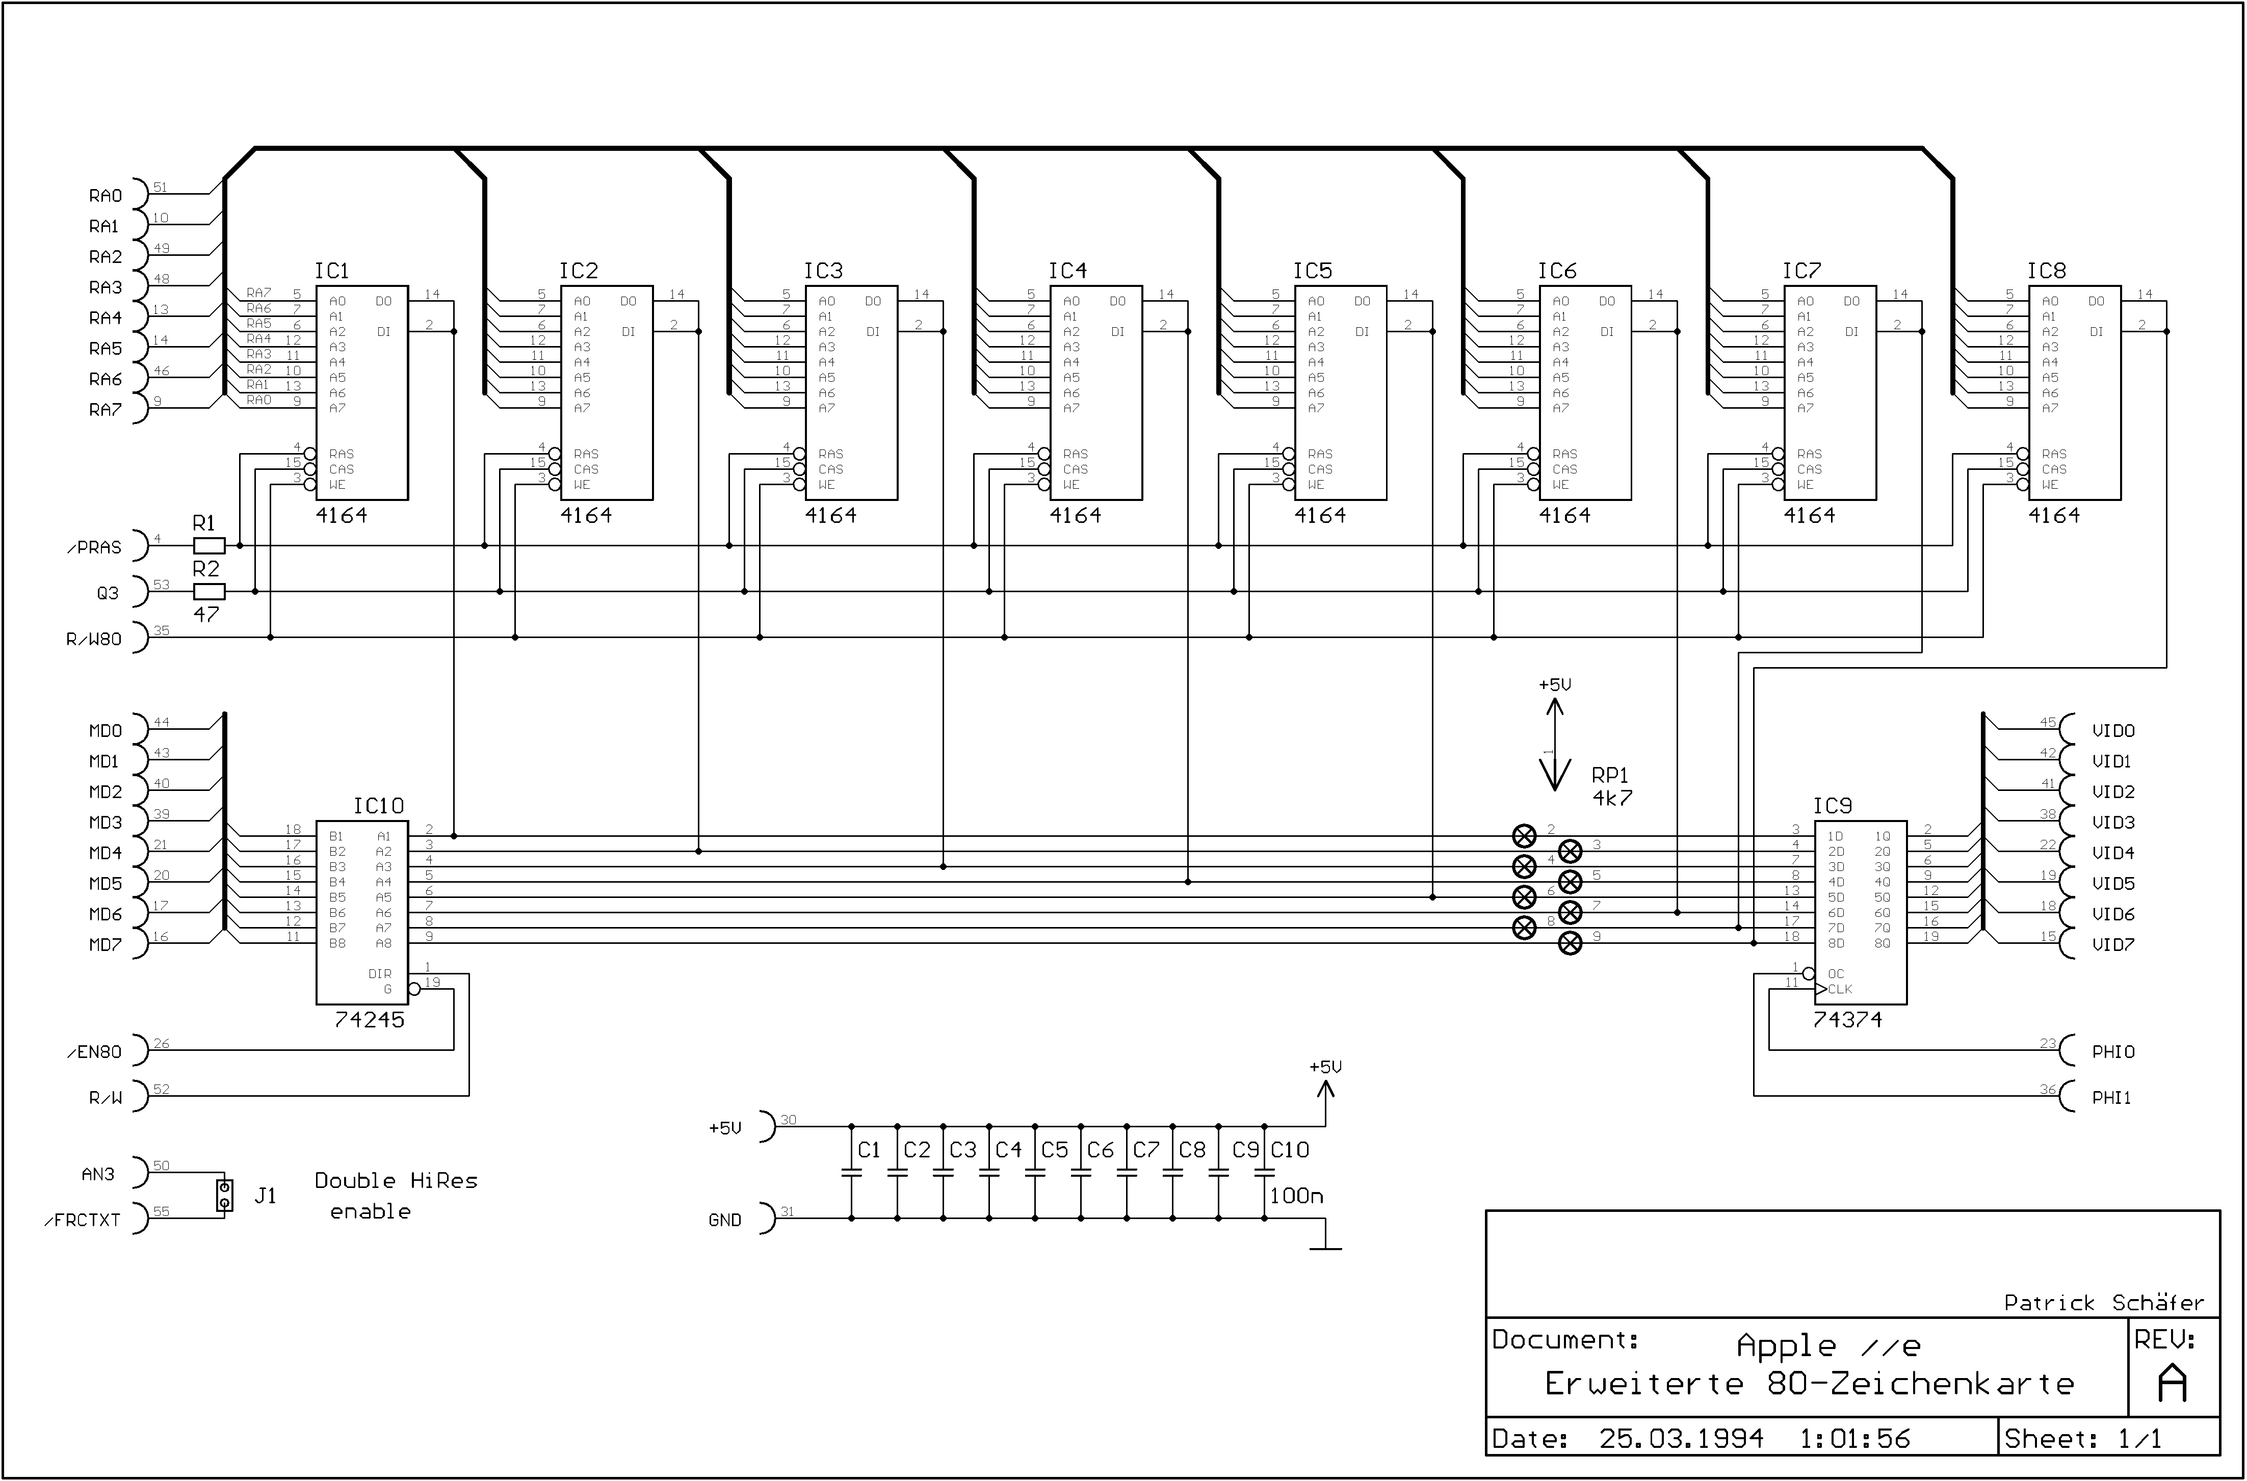
Back

Peripheral Cards
Menu

ROM Card Schematic
Symptom(s) and Diagnostics | IC Location | Ensure Apple II works without card installed first
ROM Card |  | Make sure computer works properly without card installed
Computer will not restart\reset | 74LS09
 | 74LS244
 | 74S74
 | 74LS11

FP will not work or INT | 74S74
 | D0 ROM
 | 74LS138

ROM test failure | 74LS09
 | 74LS138

Apple reset when switch is up | Clean or replace switch

Serial Schematic
Serial Card |  | Make sure computer works properly without card installed
Will not boot | 74LS109
 | P8 Prom
 | P7 Prom
 | 74LS365

Prom test fails even after replacment | Q6-MPSU51
 | Q1,Q2-2N3906

Receiving error | Q7-2N3904
 | 74LS125

Transmit error | Q4-2N3904
 | 74LS109
 | Q3-2N3906
Parallel Schematic
Parallel Card |  | Make sure computer works properly without card installed
Computer will not reset | P9 Prom
 | P1 Prom
 | 74LS74
 | Q1-2N3906
 | Q2-MPSU51

Floopy drive will not boot | 74LS74
 | Ensure Apple works without card installed

PR#n command prompt doesn’t return cursor | Q2-MPSU51

Incorrect data being printed | 74LS174

Will not acknowledge data | B2 -74LS74

Data not ready error | B2 -74LS74
Language Schematic
Language Card |  | Make sure computer works properly without card installed
Computer will not reset | 74LS09
 | D0 ROM

Runs Interger but not Apple soft | 74LS09

Will not reet | Autostart ROM
 | Bad RAM
 | 74LS02
 | 74LS175

RAM fails tests | Bad cable
 | Bad RAM

Bank switching not working | 74LS86
 | 74LS00
 | 74LS09
 | 74LS08
 | 74LS74
 | 74LS20
 | 74LS175
DiskII Schematic
Disk II Floppy Drive - Additional infornation |  | Make sure computer works properly without card installed
Computer will not boot | 74LS259
 | 74LS323
 | 74LS05
 | P5 Controller board
 | 74LS259 Controller board
 | 74LS05 Controller board
 | 74LS323 Controller board
 | NE556 Controller board

Drive motor runs continously | Controller board 74LS174
 | Analog board, behind drive 74LS125

Drive motor not working | Controller board 10K Pot

Stepper motor | Analog board ULN2003
 | Cable

Drive will not boot\load OS | P5 Controller board
 | Q1 Analog Board
 | P6 Controller board
 | 74LS125 Analog Board
 | Q2 Controller board
 | 74LS132 Controller board
 | 74LS259 Controller board
 | Head alignment

Diskette write issues | CA3146 Analog Board
 | 74LS125 Analog Board
 | CR3 (IN4148-analog)
 | 74LS05 Controller board
 | ULN2003 Analog Board
 | P6 Controller board

Floppy motor speed test shonw no information | MC3470 Analog Board
 | 74LS125 Analog Board
 | 74LS174 Controller board
 | 74LS132 Controller board

Floppy motor speed extremely high | 74LS05 Controller board
 | CA3146 Analog Board

Cannot write, protect is always enabled | Cable
 | 74LS323 Controller board
 | P6 Controller board

Read and write errors | 74LS05 Controller board
 | ULN2003 Analog Board
 | P5 or P6 Controller board

80Col Schematic
Apple Iie 80 Column and Ram Card - Additional infornation |  | Make sure computer works properly without card installed

Comm Schematic
Communiation Card - Additional infornation |  | Make sure computer works properly without card installed

Z80 Schematic
Z80 Processor Card |  | Make sure computer works properly without card installed

Z80Schematic
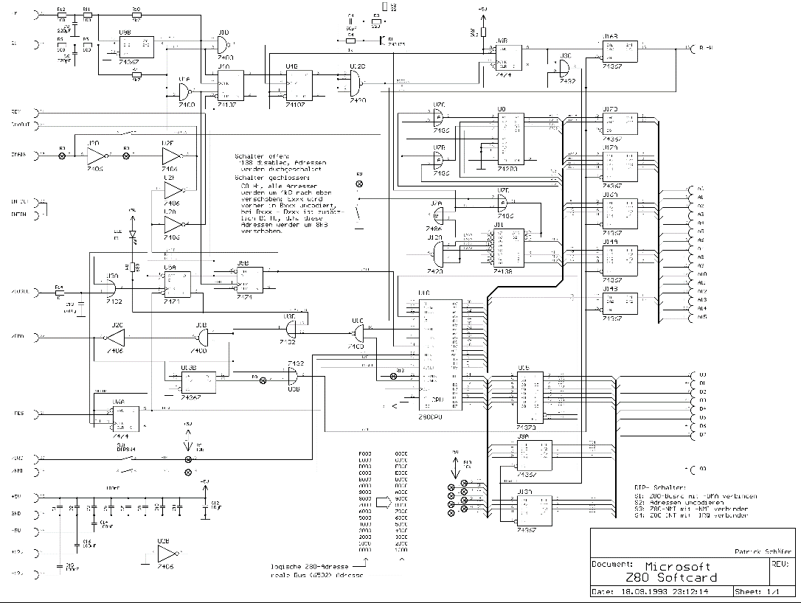
Back

SerialSchematic
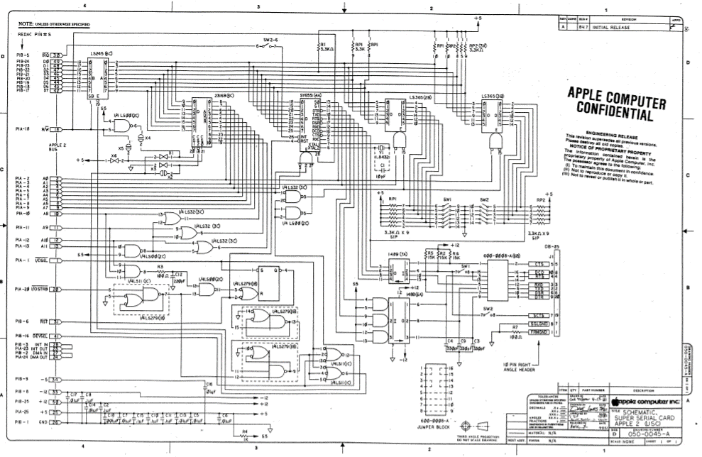
Menu

ParallelSchematic
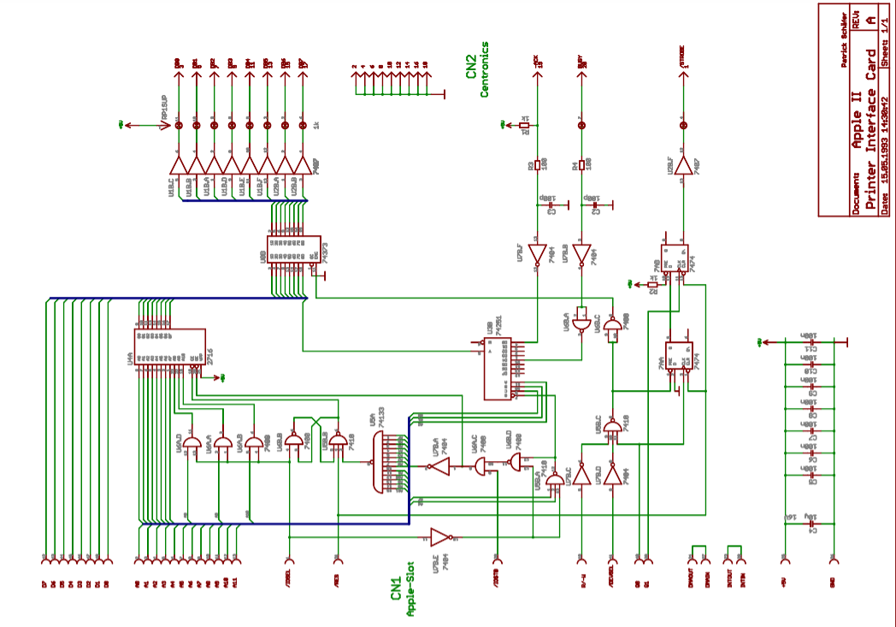
Back

16KCardSchematic
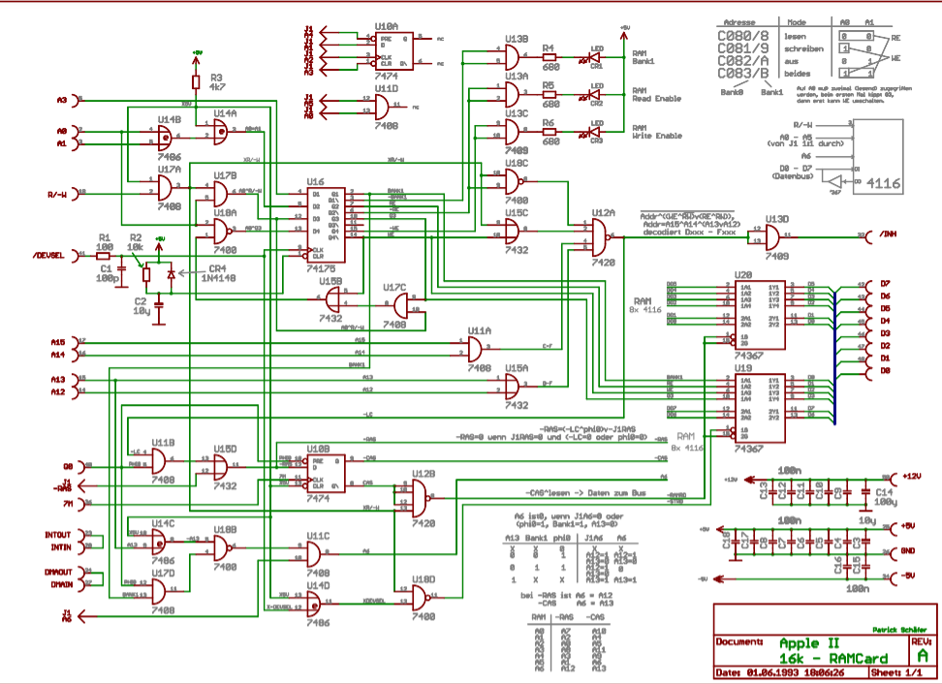
Back

DiskIISchematic
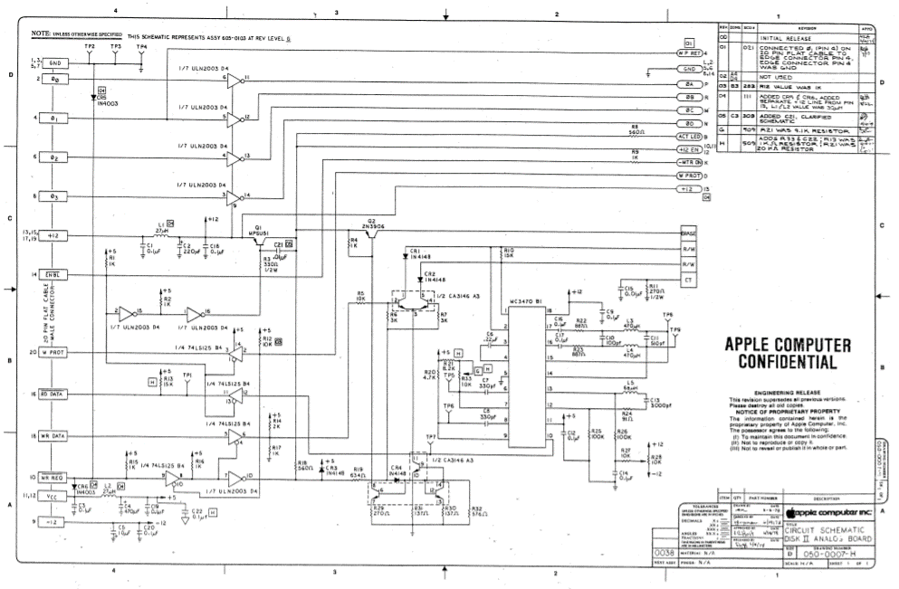
Back

ROMCardSchematic
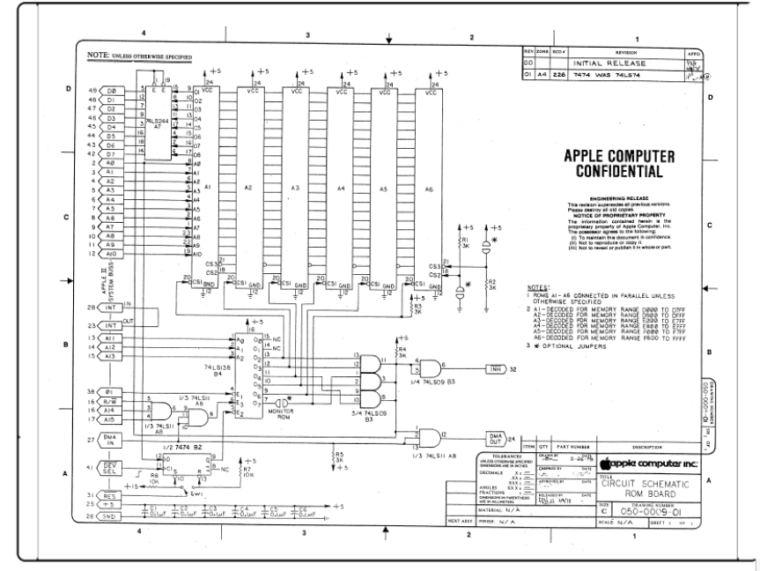
Back

CommSchematic
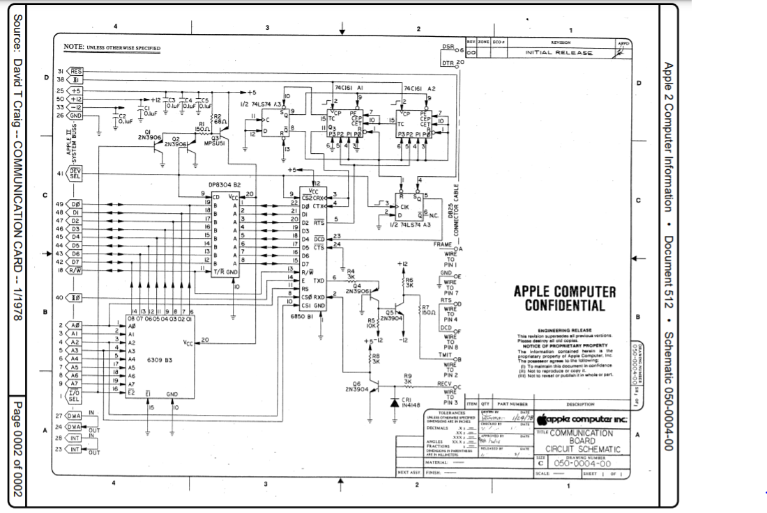
Back

Retro Info
Menu

 | Created by Rudy Panigas - 2019 - 2021 Youtube chanel: Rudy’s Retro Intel Email: retrointeldiy@gmail.com Contributions by: Rudy's Retro Intel

Transmit error |  | Q4-2N3904
 |  | 74LS109
 |  | Q3-2N3906

Parellel Card
Computer will not reset |  | P9 Prom
 |  | P1 Prom
 |  | 74LS74
 |  | Q1-2N3906
 |  | Q2-MPSU51

Floopy drive will not boot |  | 74LS74
 |  | Ensure Apple works without card installed

PR#n command prompt doesn’t return cursor |  | Q2-MPSU51

Incorrect data being printed |  | 74LS174
 |  | 74LS298

Will not acknowledge data |  | B2 -74LS74

Data not ready error |  | B2 -74LS74

Apple llc Information
Menu
Apple IIc

Quick Bad Connection Repair |  |  |  |  |  | Manufacturer | Apple Computer Co. 1988
Sometime the Apple II series computer has a bad connection issue with the chips and the connectors. Before you start your diagnostics, open the computer and re seat all the chips. This done by pressing down on all the chips to re seat them. You may hear a small cracking sound but this is not a bad sound. Once done try to boot up the computer. Chips can get loose in the socket over time due to heat. |  |  |  |  |  | Processor | MOS 65C02
 |  |  |  |  |  | Speed | 1.0Mhz
 |  |  |  |  |  | ROM | 10K, 16K
 |  |  |  |  |  | Onboard RAM | 128KB - 1MB
 |  |  |  |  |  | Number of slots | 0
 |  |  |  |  |  | Operating System | Apple DOS and ProDOS
 |  |  |  |  |  | Max video resolution | 40 or 80 X 24 text mode 560 X 192 maximum
 |  |  |  |  |  | Ports | Two serial port RGB monitor port, Composite video output, External floppy port
 |  |  |  |  |  | Speaker | Mono
 |  |  |  |  |  | Diagnostic Software | Apple II Dealer Diagnostics
 |  |  |  |  |  |  | Apple-Cillian II - XPS Inc
 |  |  |  |  |  |  | Apex II
 |  |  |  |  |  |  | XPS Diagnostics IIe

Apple Iic Version | ROM | Results from ?PEEK(644447) | Self Test | Exec Time | Results | Apple IIc ROM Versions
A2S4000 | ROM 255 | 255 | No | NA | NA
A2S4000 | ROM 0 | 0 | Yes | 34 seconds | System OK | Find out your ROM version by clicking Control-Reset typing right after boot and type print peek(64447)
A2S4100 | ROM 3 | 3 | Yes | 34 seconds | System OK | Original IIc ( $FBBF = $FF )
A2S4100 | ROM 4 | 4 | Yes | 34 seconds | System OK |  Can use the IIc external drive only
A2S4500 | ROM 4 | 7 | Yes | 34 seconds | System OK |  No AppleTalk firmware
 |  |  |  |  |  |  PR#7 boots the second drive
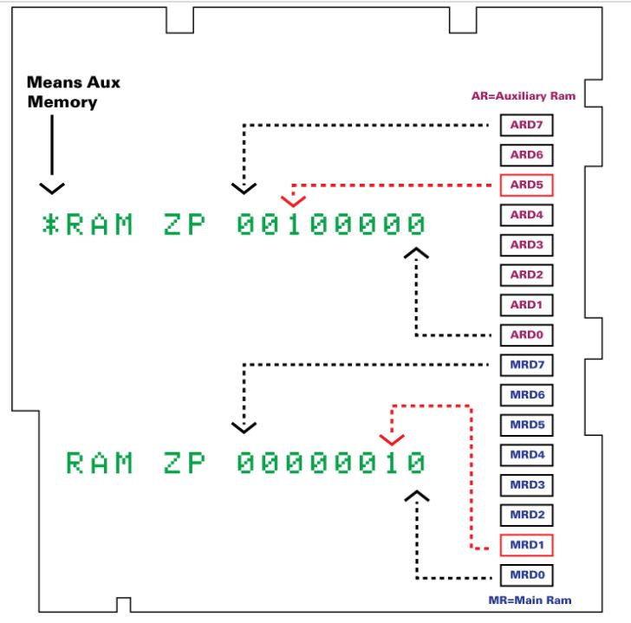
 |  |  |  |  |  |  Mouse firmware maps to slot 4
 |  |  |  |  |  |  Serial firmware does not mask incoming linefeed characters
 |  |  |  |  |  |  Serial firmware does not support XON/XOFF protocol
 |  |  |  |  |  | 3.5 ROM IIc ( $FBBF = $00 )
 |  |  |  |  |  |  Can use the IIc external drive and the UniDisk 3.5 drive
 |  |  |  |  |  |  AppleTalk firmware maps to slot 7
 |  |  |  |  |  |  PR#7 returns the message “AppleTalk Off Line”

 |  |  |  |  |  |  Mouse firmware maps to slot 4
 |  |  |  |  |  |  Serial firmware defaults to mask all incoming linefeed characters
 |  |  |  |  |  |  Serial firmware supports XON/XOFF protocol

 |  |  |  |  |  | Original “Memory-Expandable” IIc ( $FBBF = $03 )
 |  |  |  |  |  |  Can use the IIc external drive, the UniDisk 3.5 drive, and the IIc
 |  |  |  |  |  | Memory Expansion Card
 |  |  |  |  |  |  Mouse firmware maps to slot 7
 |  |  |  |  |  |  No AppleTalk firmware
 |  |  |  |  |  |  PR#7 kills the system
 |  |  |  |  |  |  Serial firmware defaults to mask all incoming linefeed characters
 |  |  |  |  |  |  Serial firmware supports XON/XOFF protocol
 |  |  |  |  |  | Revised “Memory-Expandable” IIc ( $FBBF = $04 )
 |  |  |  |  |  | Same as Original Memory-Expandable, plus:
 |  |  |  |  |  |  Keyboard buffering firmware bug fixed
 |  |  |  |  |  |  Firmware returns correct information when the Memory Expansion Card is
 |  |  |  |  |  | not present
 |  |  |  |  |  | Apple IIc Plus ( $FBBF = $05 )
Picture found on internet without creator information |  |  |  |  |  |  Can use the external IIc drive, the UniDisk 3.5 drive, the Apple 3.5
 |  |  |  |  |  | drives, but not the original IIc Memory Expansion Card.
 |  |  |  |  |  |  Contains a Memory Expansion Card connector
 |  |  |  |  |  |  3.5″ internal drive replaces 5.25″ internal drive
 |  |  |  |  |  |  Mouse maps to slot 7
 |  |  |  |  |  |  PR#7 kills the system
 |  |  |  |  |  |  4 MHz 65C02 microprocessor
 |  |  |  |  |  |  Accelerator chip and static RAM cache permit operation up to 4 MHz
 |  |  |  |  |  |  Keyboard replaced with Apple Standard Keyboard (minus numeric keypad)
 |  |  |  |  |  |  Internal power supply
 |  |  |  |  |  |  Internal modem connector
 |  |  |  |  |  |  Serial ports refitted with mini-DIN 8 connectors
 |  |  |  |  |  |  Headphone jack has been removed
 |  |  |  |  |  |  Volume control relocated above the keyboard
 |  |  |  |  |  |  40/80 column switch replaced by keyboard (Sholes/Dvorak) switch

Apple llc Diagnostics
Menu

Diagnostics of Apple llc - Symptom(s) | Boot | Power Light | Beep | Screen | Floppy Drive | Cassette | Diagnosis | IC Location
Boot and Startup Issues
Will not boot, no power light, no beep and disk drive won't run (spin) | No | No | No | No | No | Unknown | No power - 1. Check power cord 2. Check power supply | Power Supply

No system message and no beep | No | Yes | No | Blank | Unknown | Unknown

Message appears and no beep | Unknown | Yes | No | Apple | Unknown | Unknown

Will not boot, power light on, no beep, drive will not run(spin) and garbage on the screen | No | Yes | No | Garbage | No | Unknown

Will not boot floppy, power light on, beeps and screen shows APPLE message but floppy will not run | No | Yes | Yes | Apple | No | Unknown

Will not boot floppy, power light on, beeps and screen shows APPLE message but floppy drive keeps running | No | Yes | Yes | Apple | Spins | Unknown

Will not boot floppy, power light on, beeps and screen shows APPLE message but floppy drive spins and then stops | No | Yes | Yes | Apple | Spin and stops | Unknown

Will not boot floppy, power light on, beeps and screen blank but floppy drive spins and then stops | No | Yes | Yes | Blank | Spin and stops | Unknown

Issues with running
Disk drive just spins or I/O error message appears | Yes | Yes | Yes | IO error message | No | Unknown

Disk drive will read but not write | Yes | Yes | Yes | Good | Read but not write | Unknown

Floppy drive operates intermittently for reads and writes | Yes | Yes | Yes | Yes | R\W intermittent | Unknown

Computer locks up and keyboard not responding | Yes | Yes | Yes | Frozen | Yes | Unknown

Issues with Display
White screen and not other display | Unknown | Unknown | Unknown | White | Unknown | Unknown

No display and no video | Unknown | Unknown | Unknown | None | Unknown | Unknown

No display with a blank screen | Unknown | Unknown | Unknown | Blank | Unknown | Unknown

No colour | Yes | Yes | Yes | No colour | Good | Unknown

No video synchronization (Sync) | Yes | Yes | Yes | No sync | Unknown | Unknown

No cursor or bad cursor being shown | Yes | Yes | Yes | Bad cursor | Yes | Unknown

Bad flash or bad inverse | Yes | Yes | Yes | Bad Flash\Inverse | Yes | Unknown

No text on screen | Yes | Yes | Yes | No text | Yes | Unknown

Wrong characters shown | Yes | Yes | Yes | Wrong Characters | Yes | Unknown

Bad video colour | Yes | Yes | Yes | Bad colour | Yes | Unknown

Bad graphics no hi or low resolution but text OK | Yes | Yes | Yes | No graphics | Yes | Unknown

Bad graphics no hi resolution but low resolution and text OK | Yes | Yes | Yes | Bad Hi Res | Yes | Unknown

Issues with Keyboard
Keys with no response or some key with press | Yes | Yes | Yes | Bad key press | Yes | Unknown | Bad keyboard | Keyboard
 |  |  |  |  |  |  | Keyboard not connected properly | Keyboard

 |  |  |  |  |  |  | Keyboard key issue | Keyboard

Keyboard shows wrong characters | Yes | Yes | Yes | Repeated character | Yes | Unknown | Bad Keyboard Encoder -AY-5-3600 PRO | UB16

keyboard shows repeated characters | Yes | Yes | Yes | Repeated character | Yes | Unknown | Bad Keyboard Encoder -AY-5-3600 PRO | UB16
 |  |  |  |  |  |  | Bad Keyboard | Keyboard

Keyboard repeat not working | Yes | Yes | Yes | Not repeating | Yes | Unknown | Bad Keyboard Encoder -AY-5-3600 PRO | UB16
 |  |  |  |  |  |  | Bad Keyboard | Keyboard

Sound issues with speaker
Speaker volume very low | Yes | Yes | Low volume | Yes | Yes | Unknown

 |  |  |  |  |  |  |  | `
Speaker has no sound | Yes | Yes | No | Yes | Yes | Unknown

 |  |  |  |  |  |  |  | `

Cassette tape Issues
Cassette will not load data | Yes | Yes | Yes | Good | Unknown | Not loading

Cassette will not save data | Yes | Yes | Yes | Good | Unknown | Not saving

Game Paddle Issues
Game paddle not working. No response | Yes | Yes | Yes | Good | Good | Good

Apple ll+Information
Menu
Apple II + (plus)

Card configuration - Viewed left to right from power supply
Slot 0 | Language Card | Manufacturer | Apple Computer Co. 1978
Slot 1 | Printer Card | Processor | MOS 65502
Slot 2 | Modem or Serial Card | Speed | 1.0Mhz
Slot 3 | 80 Column Card | ROM | 10K, 16K
Slot 4 | CP/M Card | Onboard RAM | 16 or 32KB
Slot 5 | Disk Drive Card 3 and 4 | Max RAM | 48KB
Slot 6 | Disk Drive Card 1 and 2 | Number of slots | 7
Slot 7 | Disk Drive Card 5 and 6 | Operating System | Apple DOS and CP/M with Z80 card
 |  | Max video resolution | various resolutions to 320x192x16 color. Composite monitor or RF Modulator to TV supported
 |  | Input\Output | Parallel and Serial
 |  | Speaker | Mono

 |  | Diagnostic Software | Apple II Dealer Diagnostics
 |  |  | Apple-Cillian II - XPS Inc
 |  |  | Apex II
 |  |  | XPS Diagnostics IIe
Quick Bad Connection Repair
Sometime the Apple II series computer has a bad connection issue with the chips and the connectors. Before you start your diagnostics, open the computer and re seat all the chips. This done by pressing down on all the chips to re seat them. You may hear a small cracking sound but this is not a bad sound. Once done try to boot up the computer. Chips can get loose in the socket over time due to heat.

 |  | *** Note *** After repairs are completed, always run the diagnostic software and loop through all the tests as they may be other issues with the computer. Loop through all the system board test several times before you start using the computer. I recommend that test run at least 10 times with out errors

Apple ll+ Diagnostics
Menu

Diagnostics of Apple II + (plus) - Symptom(s) | Boot | Power Light | Beep | Screen | Floppy Drive | Cassette Tape | Diagnosis | IC Location
Boot and Startup Issues
Will not boot, no power light, no beep and disk drive won't run (spin) | No | Off | No | No | No | Unknown | No power - 1. Check power cord 2. Check power supply | Power Supply

Will not boot, power light on, no beep and drive won’t run (spin) | No | On | No | No | No | Unknown |  | Motherboard
 |  |  |  |  |  |  | 74S86 | B2
 |  |  |  |  |  |  | 74LS195 | C2
 |  |  |  |  |  |  | 74LS153 | C1
 |  |  |  |  |  |  | 74S175 | B1
 |  |  |  |  |  |  | 74LS00 | A2
 |  |  |  |  |  |  | 74LS02 | B13
 |  |  |  |  |  |  | Replace timing crystal | Motherboard

Will not boot but power light on with no beep, drive won't run (spin) and screen has garbage | No | Yes | No | Garbage | Spin and stops | Unknown | F8 ROM | F8
 |  |  |  |  |  |  | Bad CPU 6502 | H7

Will not boot, power light on, beeps, screen shows APPLE II drive won't run | No | Yes | Yes | APPLE II | No | Unknown | ULN2003 | Disk Card
 |  |  |  |  |  |  | Bad disk card | Disk Card
 |  |  |  |  |  |  | Bad stepper motor | Floppy Drive
 |  |  |  |  |  |  | Bad ribbon cable | Disk Card

Will not boot, power light on, screen shows APPLE II and drive spins then stops | No | Yes | Yes | APPLE II | Spin and stops | Unknown | Bad disk, bad program, bad DOS - try another disk | Diskette
 |  |  |  |  |  |  | Bad RAM chip on mother board. IC 2116 in row C,D and\or E | Motherboard
 |  |  |  |  |  |  | Bad RAM chip on language card | Language Card

Will not boot, power light is on, beeps, screen blank and drive spins then stops | No | Yes | Yes | Blank | Spin and stops | Unknown | Bad video cable | Video Cable
 |  |  |  |  |  |  | Video connector bad or dirty | Motherboard
 |  |  |  |  |  |  | Bad monitor or brightness low | Monitor
 |  |  |  |  |  |  | Motherboard
 |  |  |  |  |  |  | 74LS00 | A2
 |  |  |  |  |  |  | 74LS02 | B13
 |  |  |  |  |  |  | 74S195 | C2
 |  |  |  |  |  |  | 74LS04 | C1
 |  |  |  |  |  |  | 74S161 | D11, D12, D13, D14
 |  |  |  |  |  |  | 74LS74 | B10
 |  |  |  |  |  |  | 74LS151 | A9
 |  |  |  |  |  |  | 74LS194 | A10
 |  |  |  |  |  |  | 74LS257 | A8
 |  |  |  |  |  |  | 74S86 | B2

Issues with running
Disk drive just spins or I/O error message appears | Yes | Yes | Yes | IO error message | No | Unknown | Bad diskette - DOS 3.2 will not work on Apple II+, needs DOS 3.3 | Diskette
 |  |  |  |  |  |  | Read Head - clean and try again | Floppy Drive
 |  |  |  |  |  |  | Bad drive card
 |  |  |  |  |  |  | Bad ribbon cable | Disk Card
 |  |  |  |  |  |  | MC3470 | Disk Card
 |  |  |  |  |  |  | CA3146 | Disk Card

Cannot write to disk but reads OK | Yes | Yes | Yes | Write error | Read but not write | Unknown | Disk not formatted or Write tab on | Diskette
 |  |  |  |  |  |  | Drive able loose on disk card | Disk Card
 |  |  |  |  |  |  | Connector dirty | Disk Card
 |  |  |  |  |  |  | Floppy Drive
 |  |  |  |  |  |  | 74LS125 | Floppy Drive
 |  |  |  |  |  |  | CA3146 | Floppy Drive
 |  |  |  |  |  |  | MC3470 | Floppy Drive
 |  |  |  |  |  |  | ULN2003 | Floppy Drive
 |  |  |  |  |  |  | Write head dirty or damaged | Floppy Drive

Floppy drive operates intermittently for reads and writes | Yes | Yes | Yes | Yes | R\W intermittent | Unknown | Disk card connector dirty. Clean edge connectors | Disk Card
 |  |  |  |  |  |  | Over heating. Install fan | Motherboard
 |  |  |  |  |  |  | diskette tracking misalignment. Alignment with diagnostic software | Floppy Drive

Computer locks up and keyboard not responding | Yes | Yes | Yes | Frozen | Yes | Unknown | Motherboard
 |  |  |  |  |  |  | Bad keyboard character ROM - 2513 ROM | A5
 |  |  |  |  |  |  | 74166 | A3
 |  |  |  |  |  |  | 74LS257 | B6, B7
 |  |  |  |  |  |  | 74LS174 | B5,B8
 |  |  |  |  |  |  | Bad RAM
 |  |  |  |  |  |  | 74LS139 | F2,E2
 |  |  |  |  |  |  | 74LS20 | D2
 |  |  |  |  |  |  | 74LS138 | F12
 |  |  |  |  |  |  | Defective CPU - 6502 | H7

Floppy drive does not work | No | Yes | Yes | Yes | Unknow | Unknown | Disk card connector dirty. Clean edge connectors | Disk Card
 |  |  |  |  |  |  | Over heating. Install fan | Motherboard
 |  |  |  |  |  |  | diskette tracking misalignment. Alignment with diagnostic software | Floppy Drive
 |  |  |  |  |  |  | Check Ics | Motherboard
 |  |  |  |  |  |  | 74LS138 | H2 and H12
 |  |  |  |  |  |  | 8T97 | H3

Issues with Display
Screen all white with not other displayed | No | Yes | No | All white | No | Unknown | 74LS194 | B4, B9

Screen no display or video | Unknown | Yes | Unknown | Blank | Unknown | Unknown | Bad monitor or brightness low | Monitor
 |  |  |  |  |  |  | Bad monitor | Monitor
 |  |  |  |  |  |  | Bad video cable | Monitor
 |  |  |  |  |  |  | Motherboard
 |  |  |  |  |  |  | Bad video signal
 |  |  |  |  |  |  | 74LS195 | C2
 |  |  |  |  |  |  | 74LS02 | B13
 |  |  |  |  |  |  | 74LS00 | A2
 |  |  |  |  |  |  | 74LS161 | D11, D12, D13, D14
 |  |  |  |  |  |  | 74LS04 | C11
 |  |  |  |  |  |  | 74LS74 | B10
 |  |  |  |  |  |  | 74LS151 | A9
 |  |  |  |  |  |  | 74LS194 | A10
 |  |  |  |  |  |  | 74LS257 | A8
 |  |  |  |  |  |  | 74S86 | B2
 |  |  |  |  |  |  | M3904 | Q3
 |  |  |  |  |  |  | 74LS51 | C13

Screen blank, no display | Unknown | Unknown | Unknown | Blank | Unknown | Unknown | Bad monitor or brightness low
 |  |  |  |  |  |  | Bad monitor
 |  |  |  |  |  |  | Bad video cable
 |  |  |  |  |  |  | 74LS175 | B1
 |  |  |  |  |  |  | 74S86 | B2
 |  |  |  |  |  |  | 74LS00 | A2
 |  |  |  |  |  |  | 74LS153 | C1
 |  |  |  |  |  |  | 74LS195 | C2
 |  |  |  |  |  |  | 74LS51 | C13

Screen has no colour | Yes | Yes | Yes | No colour | Yes | Unknown | No colour burst signal | Motherboard
 |  |  |  |  |  |  | 74LS51 | C13
 |  |  |  |  |  |  | 74LS11 | B12
 |  |  |  |  |  |  | 74LS02 | B13

 |  |  |  |  |  |  | Capacitors | C2, C3
 |  |  |  |  |  |  | Inductor | L1

Screen with no vertical sync (synchronization) | Yes | Yes | Yes | No vert sync | Yes | Unknown | No sync signal being sent
 |  |  |  |  |  |  | 74LS161 | D11, D12

 |  |  |  |  |  |  | No sync signal being received
 |  |  |  |  |  |  | 74LS51 | C13
 |  |  |  |  |  |  | 74LS32 | C14

Screen with no horizontal sync (synchronization) | Yes | Yes | Yes | No hor sync | Yes | Unknown | No sync signal being sent
 |  |  |  |  |  |  | 74LS161 | D13, D14
 |  |  |  |  |  |  | No sync signal being received
 |  |  |  |  |  |  | 74LS51 | C13
 |  |  |  |  |  |  | 74LS32 | C14

Screen with no cursor or bad cursor display | Yes | Yes | Yes | No cursor | Yes | Unknown | No clock pulse
 |  |  |  |  |  |  | 74S86 | B2
 |  |  |  |  |  |  | Bad character generated | Motherboard
 |  |  |  |  |  |  | 74LS08 | B2
 |  |  |  |  |  |  | 74LS02 | B13
 |  |  |  |  |  |  | 74LSLS166 | A3
 |  |  |  |  |  |  | Bad timer circuit
 |  |  |  |  |  |  | 555 | B3

Screen no cursor flash or bad inverse | Yes | Yes | Yes | Bad flash | Yes | Unknown | Selected mode bad | Motherboard
 |  |  |  |  |  |  | 74LS02 | B13
 |  |  |  |  |  |  | 74LS08 | B11
 |  |  |  |  |  |  | Bad timer circuit
 |  |  |  |  |  |  | 555 | B3

Screen with no text | Yes | Yes | Yes | No text | Yes | Unknown | Text mode bad | Motherboard
 |  |  |  |  |  |  | 74LS151 | A9
 |  |  |  |  |  |  | 74166 | A3
 |  |  |  |  |  |  | 74LS194 | A10
 |  |  |  |  |  |  | No clock pulse
 |  |  |  |  |  |  | 74S86 | B2
 |  |  |  |  |  |  | Bad 2513 ROM | A5
 |  |  |  |  |  |  | 74LS257 | A8

Screen with wrong characters | Yes | Yes | Yes | Wrong Characters | Yes | Unknown |  | Motherboard
 |  |  |  |  |  |  | Bad keyboard character ROM - 2513 ROM | A5
 |  |  |  |  |  |  | Bad keyboard, bad keyboard ribbon cable or bad key(s) | Keyboard

Screen has annoying colour tint | Yes | Yes | Yes | Colour tint | Yes | Unknown | Adjust colour trim | F14\H14

Screen with bad graphics. Bad hi and Low res but text good | Yes | Yes | Yes | Hi\Low Res | Yes | Unknown | Bad hi\low res pixel generated | Motherboard
 |  |  |  |  |  |  | 74LS194 | B4, B9
 |  |  |  |  |  |  | Hi\low res not activated
 |  |  |  |  |  |  | 74LS257 | A8

Screen with bad graphics, No hi res graphics but low res and text good | Yes | Yes | Yes | Hi res | Yes | Unknown | Hi res signal stuck low | Motherboard
 |  |  |  |  |  |  | 74LS257 | C12
 |  |  |  |  |  |  | Page signal stuck in low res or text
 |  |  |  |  |  |  | 74LS08 | A11

Issues with Keyboard
Keys with no response or some key with press | Yes | Yes | Yes | Bad key press | Yes | Unknown | Bad key(s) | Keyboard
 |  |  |  |  |  |  | Loose or bad keyboard ribbon cable | Keyboard
 |  |  |  |  |  |  | Bad character generated | Motherboard
 |  |  |  |  |  |  | 2513 | A5
 |  |  |  |  |  |  | 74LS138 | F13

Keyboard shows wrong characters | Yes | Yes | Yes | Wrong Characters | Yes | Unknown |  | Motherboard
 |  |  |  |  |  |  | Bad character generated – ROM | A5
 |  |  |  |  |  |  | 74166 | A3
 |  |  |  |  |  |  | 74LS257 | B6, B7
 |  |  |  |  |  |  | 74LS174 | B5,B8

keyboard shows repeated characters | Yes | Yes | Yes | Repeated character | Yes | Unknown | Key bounce | Keyboard
 |  |  |  |  |  |  |  | Motherboard
 |  |  |  |  |  |  | 74LS74 | B10
 |  |  |  |  |  |  | 74LS02 | A12
 |  |  |  |  |  |  | 74LS04 | C11
 |  |  |  |  |  |  | 7400 | U1

Keyboard repeat not working | Yes | Yes | Yes | Not repeating | Yes | Unknown | Bad key contact | Keyboard
 |  |  |  |  |  |  |  | Motherboard
 |  |  |  |  |  |  | Bad timer circuit
 |  |  |  |  |  |  | 555 | B3
`

Sound issues with speaker
Speaker volume very low | Yes | Yes | Low volume | Yes | Yes | Unknown | Amplifier transistor | Motherboard
 |  |  |  |  |  |  | MPSA13 | J13
 |  |  |  |  |  |  |  | `
Speaker has no sound | Yes | Yes | No | Yes | Yes | Unknown | Bad speaker | Motherboard
 |  |  |  |  |  |  | Speaker wire bad or disconnected
 |  |  |  |  |  |  | 74LS74 | J12
 |  |  |  |  |  |  | MPSA13 | J13
 |  |  |  |  |  |  |  | `

Cassette tape Issues
Cassette will not load data | Yes | Yes | Yes | Good | Unknown | Cassette not loading data | Bad cassette drive | Cassette
 |  |  |  |  |  |  | Bad cassette cable
 |  |  |  |  |  |  | Cassette volume too low
 |  |  |  |  |  |  | Bad cassette tape
 |  |  |  |  |  |  |  | Motherboard
 |  |  |  |  |  |  | LM741 | K13
 |  |  |  |  |  |  | 74LS251 | H14
 |  |  |  |  |  |  | 74LS138 | F13

Cassette will not save data | Yes | Yes | Yes | Good | Unknown | Cassette not saving data | Bad cassette drive | Cassette
 |  |  |  |  |  |  | Bad cassette cable
 |  |  |  |  |  |  | Cassette tape bad
 |  |  |  |  |  |  | Signal not sent. Data out error | Motherboard
 |  |  |  |  |  |  | 74LS74 | J13
 |  |  |  |  |  |  | 74LS138 | F13

Game Paddle Issues
Game paddle not working. No response | Yes | Yes | Yes | Good | Good | Good | Bad paddle cable | Game Paddle
 |  |  |  |  |  |  |  | Motherboard
 |  |  |  |  |  |  | Bad timer circuit
 |  |  |  |  |  |  | 558 | H13
 |  |  |  |  |  |  | 74LS259 or N9334 | F14
 |  |  |  |  |  |  | 74LS251 | H14
 |  |  |  |  |  |  | 74LS138 | F13

Peripheral Cards Issues
Card in peripheral slot does not work | Yes | Yes | Yes | Good | Good | Good | Bad card | Card
 |  |  |  |  |  |  | Slot not being accessed | Motherboard
 |  |  |  |  |  |  | 74LS138 | H2, H12

Apple lle Information
Menu
Apple lle and Enhanced

Card configuration - Viewed left to right from power supply
Auxiliary Slot | 80 Column Card | Manufacturer | Apple Computer Co. 1983
Slot 1 | Printer Card | Processor | CPU MOS Technology/SynerTek 6502
Slot 2 | Modem or Serial Card | Speed | 1.02Mhz
Slot 3 | 80 Column Card | ROM | 16K or 32K
Slot 4 | CP/M Card | Onboard RAM | 64KB
Slot 5 | Disk Drive Card 3 and 4 | Max RAM | 128KB with 80 column card
Slot 6 | Disk Drive Card 1 and 2 | Number of slots | 8
Slot 7 | Disk Drive Card 5 and 6 | Operating System | DOS 3.3, ProDOS and CP/M with Z80 card
 |  | Max video resolution | Apple II video: 140x192, 280x192 and others, 16 colors, TV or composite monitor
 |  | Input\Output | Serial and Parallel
 |  | Speaker | Mono speaker

 |  | Diagnostic Software | Apple-Cillian II - XPS Inc
 |  |  | Apex II
 |  |  | XPS Diagnostics IIe
 |  |  | Apple IIe Diagnostics V2.1
Apple IIe Built in Diagnostics
To start the test both the closed and the open Apple keys must be pressed during boot. It is also possible to press the closed apple while pressing the CONTROL-OPEN APPLE-RESET keys to start the test at any time. The test is also performed automatically if the keyboard is detached when the computer boots. Tests performed Following components are tested: Main RAM and aux. RAM. MMU IOU GLU If a problem is detected at any point of the test sequence the test stops and a failure message is displayed. Interpreting the results If the MMU, IOU or the GLU are detected as faulty, the corresponding component name is displayed. RAM Chips are tested sequentially starting with the least significant bit of main RAM and working through the most significant bit. Then the auxiliary RAM is tested. A RAM fault is shown as a 1 in a series of zeroes. The faulty RAM chip corresponds to the bit position of the 1. This means the rightmost number corresponds to the memory chip labeled as MDR0 for the main RAM. A fault on the auxiliary RAM is indicated with an asterisk. A fault on the first 255 bytes of ram is additionally marked with a ZP which stands for zero pointer. When finished a SYSTEM OK message or KERNEL OK (Apple IIe Enhanced) appears.

 |  | Quick Bad Connection Repair
 |  | Sometime the Apple II series computer has a bad connection issue with the chips and the connectors. Before you start your diagnostics, open the computer and re seat all the chips. This done by pressing down on all the chips to re seat them. You may hear a small cracking sound but this is not a bad sound. Once done try to boot up the computer. Chips can get loose in the socket over time due to heat.

 |  | *** Note *** After repairs are completed, always run the diagnostic software and loop through all the tests as they may be other issues with the computer. Loop through all the system board test several times before you start using the computer. I recommend that test run at least 10 times with out errors

 |  | **** NOTE **** Built in RAM test display is backwards, so to locate bad RAM indicated, you must have the slots of the board nearest to you. If you view with slots farthest from you, you will replace the wrong RAM IC

Apple lle Diagnostics
Menu

Diagnostics of Apple lle and Enhanced - Symptom(s) | Boot | Power Light | Beep | Screen | Floppy Drive | Cassette | Diagnosis | IC Location
Boot and Startup Issues
Will not boot, no power light, no beep and disk drive won't run (spin) | No | No | No | No | No | Unknown | No power - 1. Check power cord 2. Check power supply | Power Supply

Will not boot, no power light, no beep and disk drive won't run (spin) | No | No | No | No | No | Unknown | Bad ICs | Motherboard
 |  |  |  |  |  |  | 74LS125 | E1
 |  |  |  |  |  |  | 74S109 | C1
 |  |  |  |  |  |  | 74S02 | B8
 |  |  |  |  |  |  | Programmed Array Logic PAL 16R8\8323T | D1
 |  |  |  |  |  |  | IOU Input Output Unit | E5
 |  |  |  |  |  |  | Bad Transistor
 |  |  |  |  |  |  | 2N4258 | Q6,Q4
 |  |  |  |  |  |  | Bad Crystal
 |  |  |  |  |  |  | 14.318 MHz | Lower left side of motherboard

No system message and no beep | No | Yes | No | Blank | Unknown | Unknown | Bad ICs | Motherboard
 |  |  |  |  |  |  | 74S02 | B8
 |  |  |  |  |  |  | 74S109 | C1
 |  |  |  |  |  |  | PAL 16R8\8323T | D1

Message appears and no beep | Unknown | Yes | No | Apple | Unknown | Unknown |  | Motherboard
 |  |  |  |  |  |  | Programmed Array Logic PAL 16R8\8323T | D1
 |  |  |  |  |  |  | IOU Input Output Unit | E5
 |  |  |  |  |  |  | Transistor
 |  |  |  |  |  |  | MPSA13 | A14

Will not boot, power light on, no beep, drive will not run(spin) and garbage on the screen | No | Yes | No | Garbage | No | Unknown |  | Motherboard
 |  |  |  |  |  |  | Monitor read-only memory EF ROM | E10
 |  |  |  |  |  |  | CPU – 6502B | C4

Will not boot floppy, power light on, beeps and screen shows APPLE message but floppy will not run | No | Yes | Yes | Apple | No | Unknown | ULN2003 | Disk Card
 |  |  |  |  |  |  | Bad disk card | Disk Card
 |  |  |  |  |  |  | Bad stepper motor | Floppy Drive
 |  |  |  |  |  |  | Bad ribbon cable | Disk Card
 |  |  |  |  |  |  | Bad regulator on floppy drive | Floppy Drive

Will not boot floppy, power light on, beeps and screen shows APPLE message but floppy drive keeps running | No | Yes | Yes | Apple | Spins | Unknown | Bad disk, bad program, bad DOS - try another disk | Diskette

Will not boot floppy, power light on, beeps and screen shows APPLE message but floppy drive spins and then stops | No | Yes | Yes | Apple | Spin and stops | Unknown | Bad disk, bad program, bad DOS - try another disk | Diskette
 |  |  |  |  |  |  | Bad RAM chip | Motherboard

Will not boot floppy, power light on, beeps and screen blank but floppy drive spins and then stops | No | Yes | Yes | Blank | Spin and stops | Unknown | Video cable bad
 |  |  |  |  |  |  | Video connector bad | Motherboard
 |  |  |  |  |  |  | Monitor bad | Monitor
 |  |  |  |  |  |  | Monitor brightness low | Monitor
 |  |  |  |  |  |  | Bad ICs | Motherboard
 |  |  |  |  |  |  | 74LS02 | B8
 |  |  |  |  |  |  | 74SL10 | C5
 |  |  |  |  |  |  | 74LS166 | F5
 |  |  |  |  |  |  | IOU Input Output Unit | E5
 |  |  |  |  |  |  | Character ROM 2732 | E5
 |  |  |  |  |  |  | Transistor | Motherboard
 |  |  |  |  |  |  | 2N3904 | A14
 |  |  |  |  |  |  | 2N3906 | A14

Issues with running
Disk drive just spins or I/O error message appears | Yes | Yes | Yes | IO error message | No | Unknown | Bad diskette - DOS 3.2 will not work on Apple II+, needs DOS 3.3 | Diskette
 |  |  |  |  |  |  | Read Head - clean and try again | Floppy Drive
 |  |  |  |  |  |  | Bad drive card | Floppy Card
 |  |  |  |  |  |  | Bad ribbon cable | Floppy Card
 |  |  |  |  |  |  | Floppy drive read amplifier MC3470 | Floppy Card
 |  |  |  |  |  |  | NPN Transistors CA3146 | Floppy Card
 |  |  |  |  |  |  | Bad floppy drive | Floppy Card

Disk drive will read but not write | Yes | Yes | Yes | Good | Read but not write | Unknown | Disk not formatted or Write tab on | Disksette
 |  |  |  |  |  |  | Drive able loose on disk card | Disk Card
 |  |  |  |  |  |  | Connector dirty | Disk Card
 |  |  |  |  |  |  | Floppy Drive
 |  |  |  |  |  |  | 74LS125 | Floppy Drive
 |  |  |  |  |  |  | CA3146 | Floppy Drive
 |  |  |  |  |  |  | MC3470 | Floppy Drive
 |  |  |  |  |  |  | ULN2003 | Floppy Drive
 |  |  |  |  |  |  | Write head dirty or damaged | Floppy Drive

Floppy drive operates intermittently for reads and writes | Yes | Yes | Yes | Yes | R\W intermittent | Unknown | Disk card connector dirty. Clean edge connectors | Disk Card
 |  |  |  |  |  |  | Over heating. Install fan | Motherboard
 |  |  |  |  |  |  | diskette tracking misalignment. Alignment with diagnostic software | Floppy Drive

Computer locks up and keyboard not responding | Yes | Yes | Yes | Frozen | Yes | Unknown | Motherboard | Motherboard
 |  |  |  |  |  |  | Bad keyboard character ROM - 2716 ROM | E12
 |  |  |  |  |  |  | Bad Character data block AY3600 | E14
 |  |  |  |  |  |  | Defective CPU - 6502 | C4
 |  |  |  |  |  |  | Memory management unit MMU | E4

Issues with Display
White screen and not other display | Unknown | Unknown | Unknown | White | Unknown | Unknown | Bad ICs | Motherboard
 |  |  |  |  |  |  | 74LS166 | F5
 |  |  |  |  |  |  | Bad Character generator ROM | F4

No display and no video | Unknown | Unknown | Unknown | None | Unknown | Unknown | Video cable bad
 |  |  |  |  |  |  | Video connector bad | Motherboard
 |  |  |  |  |  |  | Monitor bad | Monitor
 |  |  |  |  |  |  | Monitor brightness low | Monitor
 |  |  |  |  |  |  | Bad ICs | Motherboard
 |  |  |  |  |  |  | 74LS02 | B8
 |  |  |  |  |  |  | 74LS10 | C5
 |  |  |  |  |  |  | 74LS166 | F5
 |  |  |  |  |  |  | 74LS374 | D3
 |  |  |  |  |  |  | Programmed Array Logic PAL 16R8\8323T | D1
 |  |  |  |  |  |  | IOU Input Output Unit | E5
 |  |  |  |  |  |  | Transistor
 |  |  |  |  |  |  | 2N3904 | A14
 |  |  |  |  |  |  | 2N3906 | A14

No display with a blank screen | Unknown | Unknown | Unknown | Blank | Unknown | Unknown | Video cable bad
 |  |  |  |  |  |  | Video connector bad | Motherboard
 |  |  |  |  |  |  | Monitor bad | Monitor
 |  |  |  |  |  |  | Monitor brightness low | Monitor
 |  |  |  |  |  |  | Bad ICs | Motherboard
 |  |  |  |  |  |  | IOU Input Output Unit | E5
 |  |  |  |  |  |  | Bad Character generator ROM | F4

No colour | Yes | Yes | Yes | No colour | Good | Unknown | Bad ICs | Motherboard
 |  |  |  |  |  |  | IOU Input Output Unit | E5
 |  |  |  |  |  |  | Bad Capacitor
 |  |  |  |  |  |  |  | C32
 |  |  |  |  |  |  | Bad Inductor | L3

No video synchronization (Sync) | Yes | Yes | Yes | No sync | Unknown | Unknown | Bad ICs | Motherboard
 |  |  |  |  |  |  | IOU Input Output Unit | E5
 |  |  |  |  |  |  | Monitor bad | Monitor

No cursor or bad cursor being shown | Yes | Yes | Yes | Bad cursor | Yes | Unknown | Bad ICs | Motherboard
 |  |  |  |  |  |  | Monitor read-only memory EF ROM | E10
 |  |  |  |  |  |  | Bad Character generator ROM | F4

Bad flash or bad inverse | Yes | Yes | Yes | Bad Flash\Inverse | Yes | Unknown | Bad ICs | Motherboard
 |  |  |  |  |  |  | Bad Character generator ROM | F4

No text on screen | Yes | Yes | Yes | No text | Yes | Unknown | Bad ICs | Motherboard
 |  |  |  |  |  |  | Bad Character generator ROM | F4
 |  |  |  |  |  |  | IOU Input Output Unit | E5

Wrong characters shown | Yes | Yes | Yes | Wrong Characters | Yes | Unknown | Bad ICs | Motherboard
 |  |  |  |  |  |  | Bad Character generator ROM | F4
 |  |  |  |  |  |  | Bad keyboard character ROM - 2716 ROM | E12

Bad video colour | Yes | Yes | Yes | Bad colour | Yes | Unknown | Bad ICs | Motherboard
 |  |  |  |  |  |  | Programmed Array Logic HAL\PAL 16R8 | D1

Bad graphics no hi or low resolution but text OK | Yes | Yes | Yes | No graphics | Yes | Unknown | Bad ICs | Motherboard
 |  |  |  |  |  |  | IOU Input Output Unit | E5

Bad graphics no hi resolution but low resolution and text OK | Yes | Yes | Yes | Bad Hi Res | Yes | Unknown | Bad ICs | Motherboard
 |  |  |  |  |  |  | IOU Input Output Unit | E5

Issues with Keyboard
Keys with no response or some key with press | Yes | Yes | Yes | Bad key press | Yes | Unknown | Bad key(s) | Keyboard
 |  |  |  |  |  |  | Loose or bad keyboard ribbon cable | Keyboard
 |  |  |  |  |  |  | Bad character generated | Motherboard
 |  |  |  |  |  |  | Bad Character generator ROM | F4
 |  |  |  |  |  |  | Bad keyboard character ROM - 2716 ROM | E12

Keyboard shows wrong characters | Yes | Yes | Yes | Wrong Characters | Yes | Unknown | Bad ICs | Motherboard
 |  |  |  |  |  |  | Bad Character generator ROM | F4
 |  |  |  |  |  |  | Bad keyboard character ROM - 2716 ROM | E12
 |  |  |  |  |  |  | Bad Character data block AY3600 | E14

keyboard shows repeated characters | Yes | Yes | Yes | Repeated character | Yes | Unknown | Key bounce | Keyboard
 |  |  |  |  |  |  |  | Motherboard
 |  |  |  |  |  |  | Bad Character generator ROM | F4
 |  |  |  |  |  |  | Bad keyboard character ROM - 2716 ROM | E12
 |  |  |  |  |  |  | Bad Character data block AY3600 | E14

Keyboard repeat not working | Yes | Yes | Yes | Not repeating | Yes | Unknown | Bad key contact | Keyboard
 |  |  |  |  |  |  |  | Motherboard
 |  |  |  |  |  |  | Bad Character data block AY3600 | E14
 |  |  |  |  |  |  | Bad Capacitor | C71

Sound issues with speaker
Speaker volume very low | Yes | Yes | Low volume | Yes | Yes | Unknown | Transistor | Motherboard
 |  |  |  |  |  |  | MPSA13 – Q5 | E14
 |  |  |  |  |  |  |  | `
Speaker has no sound | Yes | Yes | No | Yes | Yes | Unknown | Bad speaker | Speaker
 |  |  |  |  |  |  | Speaker wire bad or disconnected
 |  |  |  |  |  |  | Transistor | Motherboard
 |  |  |  |  |  |  | MPSA13 – Q5 | E14
 |  |  |  |  |  |  |  | `

Cassette tape Issues
Cassette will not load data | Yes | Yes | Yes | Good | Unknown | Cassette not loading data | Bad cassette drive | Cassette
 |  |  |  |  |  |  | Bad cassette cable
 |  |  |  |  |  |  | Cassette volume too low
 |  |  |  |  |  |  | Bad cassette tape
 |  |  |  |  |  |  |  | Motherboard
 |  |  |  |  |  |  | LM741 | A11
 |  |  |  |  |  |  | 74LS251 | C12
 |  |  |  |  |  |  | 74LS154 | C10

Cassette will not save data | Yes | Yes | Yes | Good | Unknown | Cassette not saving data | Bad cassette drive | Cassette
 |  |  |  |  |  |  | Bad cassette cable
 |  |  |  |  |  |  | Cassette tape bad
 |  |  |  |  |  |  | Signal not sent. Data out error | Motherboard
 |  |  |  |  |  |  | IOU Input Output Unit | E5

Game Paddle Issues
Game paddle not working. No response | Yes | Yes | Yes | Good | Good | Good | Bad paddle cable | Game Paddle
 |  |  |  |  |  |  |  | Motherboard
 |  |  |  |  |  |  | Bad timer circuit
 |  |  |  |  |  |  | 558 | A12
 |  |  |  |  |  |  | 74LS251 | C12
 |  |  |  |  |  |  | 74LS154 | C10

Peripheral Cards Issues
Card in peripheral slot does not work | Yes | Yes | Yes | Good | Good | Good | Bad card | Card
 |  |  |  |  |  |  | Slot not being accessed | Motherboard
 |  |  |  |  |  |  | 74LS138 | B5
 |  |  |  |  |  |  | 74LS154 | C10
 |  |  |  |  |  |  | 74LS10 | C5

