DefectReport
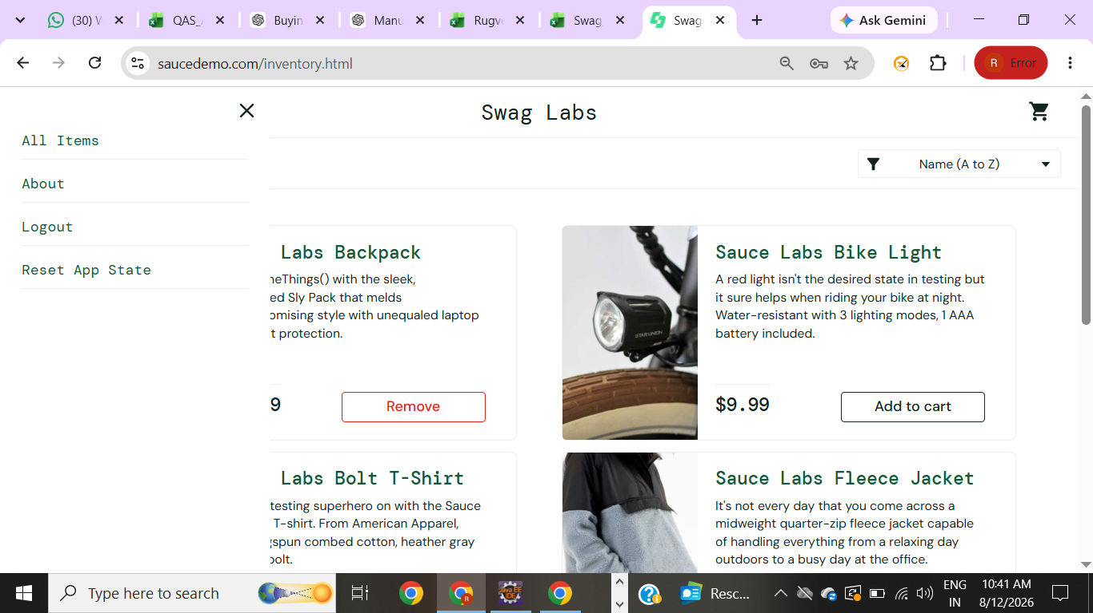
Bug ID | BUG_001
Test Case ID | TC_053
Module | Menu / Reset App State
Application | SauceDemo
Environment | Windows 11, Google Chrome
Bug Summary | Reset App State removes product from cart but button still shows Remove in shopping page
Steps to Reproduce | 1. Login with valid credentials. 2. Add a product to the cart. 3. Open the menu. 4. Click Reset App State. 5. Check the product on the Products page
Expected Result | Product should be removed from the cart and the button should change to Add to cart.
Actual Result | Product is removed from the cart, but the button still shows Remove.
Severity | Medium
Priority | Medium
Status | Open

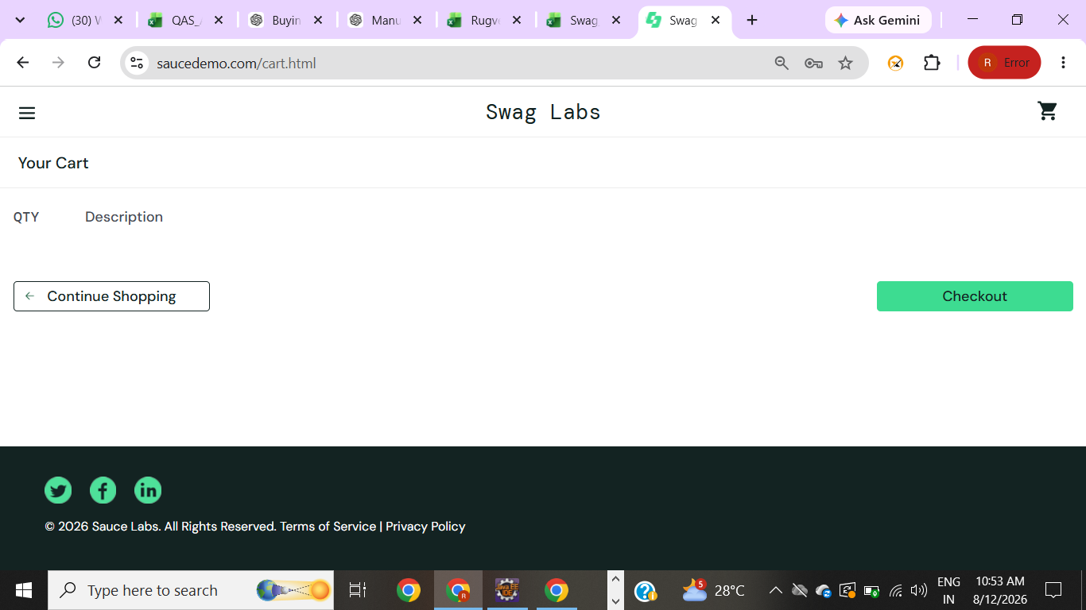
Bug ID | BUG_002
Test Case ID | TC_057
Module | Cart
Application | SauceDemo
Environment | Windows 11, Google Chrome
Bug Summary | Checkout button is displayed when the cart is empty
Steps to Reproduce | 1. Login with valid credentials. 2. Do not add any product to the cart. 3. Open the shopping cart. 4. Check the Checkout button.
Expected Result | Checkout button should not be displayed when the cart is empty.
Actual Result | Checkout button is displayed even though the cart is empty.
Severity | Medium
Priority | Medium
Status | Open

