Form_Responses_GraphAnalysis_RH
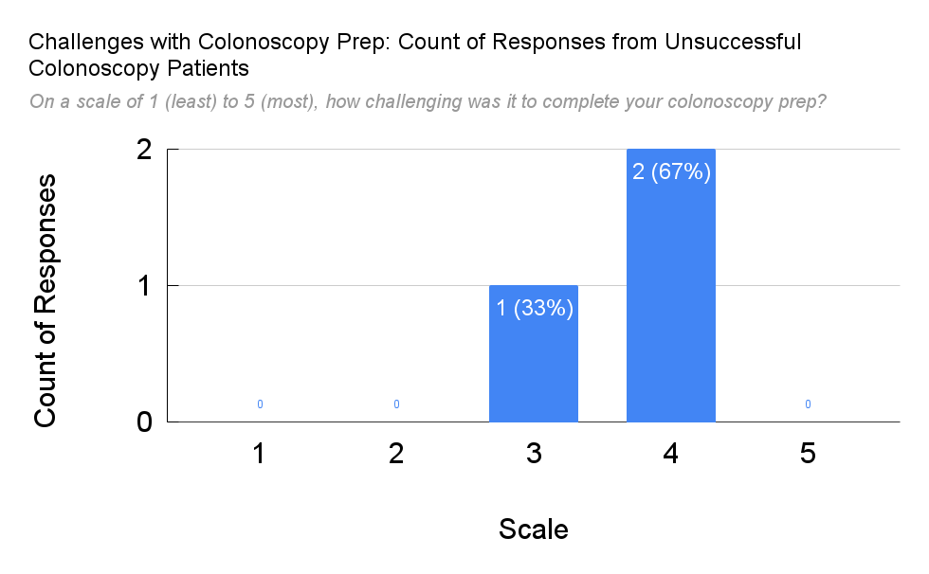
Timestamp | Q1: On a scale of 1 (least) to 5 (most), how motivated were you to try to complete your colonoscopy? | Q2: Did your primary care provider explain the purpose of the colonoscopy? | Were there any concerns you had about colonoscopies that were not addressed? | Explain Q3 | Did you experience any challenges with the process? | Please describe the main challenge you faced in completing your colonoscopy? | On a scale of 1 (least) to 5 (most), how challenging was it to schedule your colonoscopy | Explain Q6 | On a scale of 1 (least) to 5 (most), how challenging was it to find a chaperone? | On a scale of 1 (least) to 5 (most), how challenging was it to complete your colonoscopy prep? | Explain Q8 | Which of the following was most challenging about completing the prep for your colonoscopy? Check all that apply. | Explain Q9 | Were any of the following services offered to help you complete your colonoscopy? Check all that apply. | Explain Q10 | Which of the following services did you use? Check all that apply. | Explain Q11 | What could the VA do to help you complete your colonoscopy? | Explain Q7
2/6/2024 | 2 | Yes | No |  | No | Drinking the liquid prep | 1 |  | 2 | 4 | Drinking the liquid | Fear of results |  | Transportation services, Chaperone services, Social worker assistance |  |  |  | Less fluid
2/20/2024 | 5 | Yes | Yes | What percentage have problems/how many other vets have issues? | Yes | Drinking all that liquid | 5 | Having to have an attendant that could not wait. | 5 | 4 |  | Trying to sleep with diarrhea |  | Transportation services, Chaperone services, Social worker assistance |  | Transportation services, Chaperone services, Social worker assistance |  | Arrange transportation for next time. Next week. | It just was Chinese New Year. One time they couldn't wait by working late.
3/5/2024 | 5 | Yes | No |  | Yes | Prep - wasn't able to complete it | 1 |  | 1 | 3 |  | Volume |  | Transportation services |  |  |  | Make prep easier and option for hoptel | Able to have cousin come but previously used hoptel. Much easier.

 |  |  |  |  | Count of Responses from Unsuccesful Colonoscopy Group
 |  | Response | Head Count |  | Scale | Count of Responses | Count of Response %
 |  | Yes | 2 |  | 1 | 0 | 0
 |  | No | 1 |  | 2 | 0 | 0
 |  |  |  |  | 3 | 1 | 0.33
 |  |  |  |  | 4 | 2 | 0.67
 |  |  |  |  | 5 | 0 | 0

