Folha1
Trial Description |  |  |  | Uniarticular movements:

Trial | Movement Type | Agonist muscle
1 | uni-articular * | R DELTOID ANTERIOR
2 | uni-articular * | L DELTOID ANTERIOR
3 | uni-articular * | R DELTOID POSTERIOR
4 | uni-articular * | L DELTOID POSTERIOR
5 | uni-articular * | R BICEPS BRACHII
6 | uni-articular * | L BICEPS BRACHII
7 | uni-articular * | R DELTOID MEDIUS
8 | uni-articular * | L DELTOID MEDIUS
9 | Complex ** | R DELTOID ANTERIOR
10 | Complex ** | L DELTOID ANTERIOR
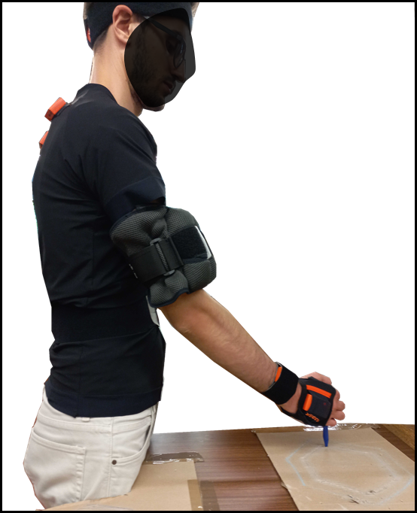
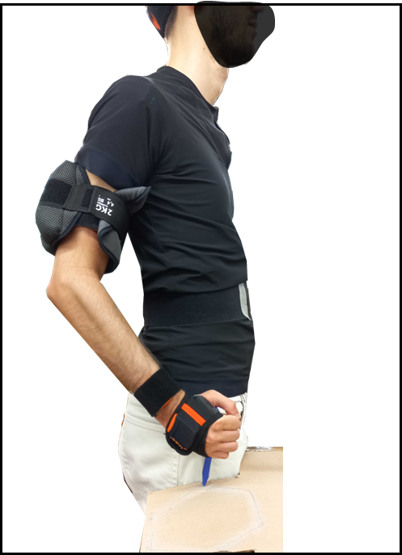
11 | Complex ** | R DELTOID POSTERIOR
12 | Complex ** | L DELTOID POSTERIOR

!! between every trial there was a 5 minute rest period

* uni articular movement means that only one joint was moving in a single direction
** Complex means that the movement involved more that one direction

Sampling frequency

(e) Complex task A targeting Deltoid Anterior
(f) Complex task B targeting Deltoid Posterior
sEMG data |  | 1259 | hz
self perceived fatigue level |  | 50 | hz

