Contents


GIM Activity: Jul 01, 2026 to Jul 31, 2026

Table of Contents

Disclaimer and References | Disclaimer on the use of this report, and references to associated ERCOT Binding Documents ***Please read***
Acronyms | A list of the various acronyms used throughout the report
Summary | Tables that provide project aggregate counts and megawatt capacities by GIM phase and fuel type
Project Details - Large Gen | A table that list project details for Large Generators as defined in ERCOT Planning Guide Section 5.2.1(3); only include projects for which a Full Interconnection Study has been requested
Project Details - Small Gen | A table that list project details for Small Generators as defined in ERCOT Planning Guide 5.2.1(3); only include projects for which the Resource Registration form has been approved by ERCOT
GIM Trends | Charts and tables that show historical and projected interconnection study trends
Commissioning Update | A table listing project commissioning approval milestones met for the month: energization, synchronization, and commercial operations approval
Inactive Projects | A table listing Inactive projects
Cancellation Update | A table listing the projects cancelled for the month

Time of Report Run: Aug 1, 2026 8:00:43 AM

GIM Trends
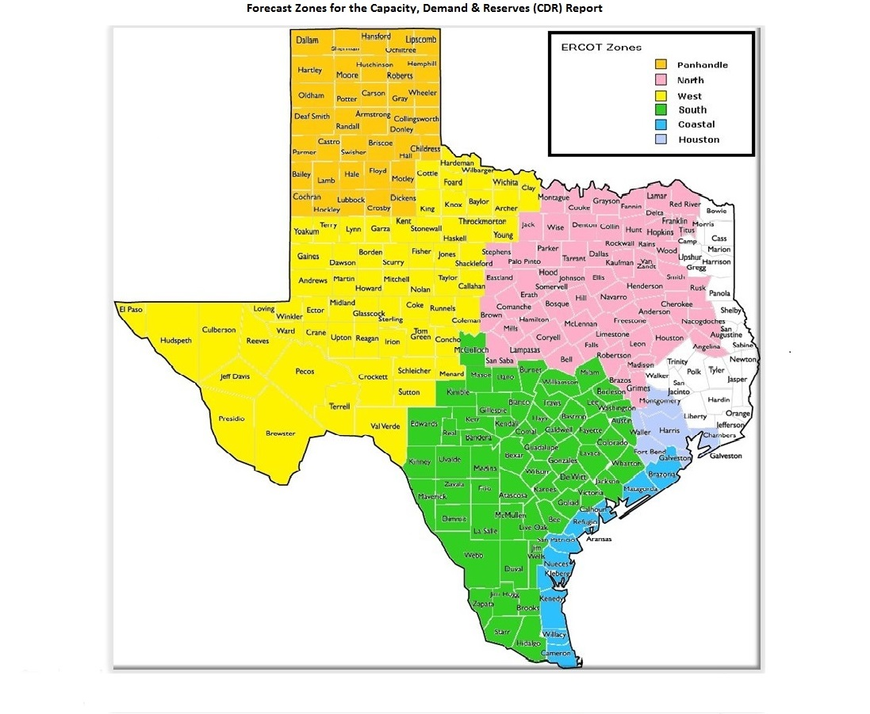
GIM Trends

Reflects all Large Generator projects for which a Security Screening Study has been requested. The third table reflects all Small Generator projects whose GIM applications have been approved.
Excludes projects that have a status of Inactive (status = INA).
Nameplate capacity will change across time due to additional projects, cancelations, expirations, adjustments from study results, and projects being placed into service.

Large Generator Monthly Capacity by GIM Milestone plus Project Count, 13-Month Rolling Basis
 | # Signed Interconnect Agreement | # Completed Full Study | # in Full Study | # Screening Study Complete | # Initial Screening study | GW Capacity
Jul-25 | 517 | 119 | 1242 | 86 | 27 | 432.10036
Aug-25 | 535 | 111 | 1201 | 82 | 33 | 427.44154
Sep-25 | 532 | 117 | 1196 | 94 | 20 | 431.16473
Oct-25 | 530 | 116 | 1164 | 94 | 11 | 431.20394
Nov-25 | 528 | 122 | 1159 | 91 | 9 | 434.41457
Dec-25 | 539 | 121 | 1150 | 90 | 5 | 440.29873
Jan-26 | 574 | 121 | 1136 | 79 | 17 | 449.55409
Feb-26 | 576 | 122 | 1134 | 78 | 25 | 452.88911
Mar-26 | 583 | 128 | 1135 | 77 | 19 | 457.50335
Apr-26 | 578 | 116 | 1115 | 85 | 9 | 452.60395
May-26 | 569 | 113 | 1120 | 89 | 4 | 457.70703
Jun-26 | 569 | 115 | 1109 | 85 | 4 | 462.17153
Jul-26 | 563 | 112 | 1122 | 41 | 5 | 456.00415
 | Year | Month | Total Projects |  |  | Project Count |  |  |  |  |  | Project Capacity (MW)
 |  |  |  |  |  | GIM milestones |  |  |  |  |  | Fuel Type
 |  |  |  | Small Generator Not Model Ready | Small Generator Model Ready | Initial Screening Study | Screening Study Complete | In Full Study | Completed Full Study | Signed Interconnection Agreement | Cancelled | Wind | Solar | Gas | Nuclear | Coal | Biomass | Battery | Other
 | 2023 | Jul | 1,500 | 25 | 28 | 50 | 76 | 903 | 83 | 335 | 16 | 28,615 | 133,979 | 12,368 | 0 | 0 | 53 | 110,408 | 2,386
 | 2023 | Aug | 1,537 | 31 | 30 | 45 | 82 | 927 | 85 | 337 | 7 | 32,034 | 136,165 | 11,842 | 0 | 0 | 53 | 111,579 | 2,235
 | 2023 | Sep | 1,580 | 40 | 32 | 43 | 102 | 924 | 93 | 346 | 15 | 31,640 | 141,315 | 11,384 | 0 | 0 | 53 | 114,563 | 2,235
 | 2023 | Oct | 1,628 | 41 | 32 | 49 | 102 | 952 | 99 | 353 | 16 | 31,916 | 143,221 | 13,638 | 0 | 0 | 53 | 120,534 | 2,235
 | 2023 | Nov | 1,656 | 44 | 30 | 55 | 99 | 961 | 92 | 375 | 10 | 32,510 | 142,606 | 15,457 | 0 | 0 | 53 | 124,941 | 2,385
 | 2023 | Dec | 1,671 | 41 | 28 | 39 | 116 | 974 | 92 | 381 | 12 | 34,591 | 145,654 | 15,483 | 0 | 0 | 53 | 127,068 | 2,367
 | 2024 | Jan | 1,731 | 42 | 29 | 35 | 133 | 1,011 | 95 | 386 | 12 | 36,261 | 148,135 | 15,546 | 0 | 0 | 53 | 133,592 | 2,247
 | 2024 | Feb | 1,783 | 43 | 27 | 65 | 132 | 1,023 | 102 | 391 | 13 | 37,215 | 152,098 | 16,022 | 0 | 0 | 0 | 140,219 | 2,967
 | 2024 | Mar | 1,775 | 39 | 29 | 80 | 100 | 1,035 | 101 | 391 | 64 | 35,120 | 155,273 | 15,429 | 0 | 0 | 0 | 141,484 | 2,332
 | 2024 | Apr | 1,780 | 42 | 33 | 58 | 115 | 1,025 | 112 | 395 | 15 | 32,956 | 152,917 | 15,573 | 0 | 0 | 0 | 145,000 | 2,332
 | 2024 | May | 1,813 | 39 | 41 | 48 | 129 | 1,023 | 125 | 408 | 9 | 33,887 | 154,225 | 15,938 | 0 | 0 | 0 | 149,002 | 2,332
 | 2024 | Jun | 1,812 | 34 | 44 | 20 | 137 | 1,023 | 140 | 414 | 27 | 31,452 | 152,433 | 17,089 | 0 | 0 | 0 | 147,743 | 2,332
 | 2024 | Jul | 1,858 | 31 | 46 | 27 | 136 | 1,033 | 158 | 427 | 5 | 33,731 | 154,407 | 22,160 | 0 | 0 | 0 | 151,811 | 2,562
 | 2024 | Aug | 1,886 | 27 | 49 | 24 | 140 | 1,057 | 152 | 437 | 8 | 33,853 | 154,770 | 25,328 | 0 | 0 | 0 | 154,799 | 2,562
 | 2024 | Sep | 1,881 | 29 | 48 | 21 | 140 | 1,050 | 158 | 435 | 19 | 34,839 | 153,658 | 25,967 | 0 | 0 | 0 | 154,264 | 2,961
 | 2024 | Oct | 1,872 | 35 | 44 | 28 | 127 | 1,039 | 159 | 440 | 29 | 33,467 | 154,860 | 25,954 | 0 | 0 | 0 | 152,580 | 3,713
 | 2024 | Nov | 1,903 | 33 | 48 | 21 | 126 | 1,070 | 156 | 449 | 11 | 35,307 | 155,676 | 27,160 | 0 | 0 | 0 | 156,530 | 3,113
 | 2024 | Dec | 1,917 | 32 | 46 | 22 | 120 | 1,103 | 147 | 447 | 14 | 34,450 | 154,487 | 27,578 | 0 | 0 | 0 | 160,043 | 2,913
 | 2025 | Jan | 1,952 | 30 | 46 | 16 | 119 | 1,163 | 133 | 445 | 17 | 38,223 | 153,607 | 28,774 | 0 | 0 | 0 | 165,933 | 2,781
 | 2025 | Feb | 1,987 | 24 | 50 | 19 | 113 | 1,200 | 121 | 460 | 16 | 39,893 | 155,990 | 32,190 | 0 | 0 | 0 | 168,836 | 2,781
 | 2025 | Mar | 2,018 | 26 | 50 | 19 | 113 | 1,207 | 112 | 491 | 18 | 39,795 | 156,685 | 33,578 | 600 | 0 | 0 | 171,592 | 2,913
 | 2025 | Apr | 2,037 | 32 | 50 | 29 | 102 | 1,212 | 105 | 507 | 38 | 42,483 | 159,426 | 33,583 | 600 | 0 | 0 | 172,486 | 3,063
Monthly Capacity by Fuel Type plus Project Count, 13-Month Rolling Basis
 | Natural Gas | Nuclear | Coal | Wind | Solar | Biomass | Battery | Other | Total Project Count | Cancelled Project Count
Jul-25 | 39.55768 | 0.6 | 0 | 45.04833 | 162.70267 | 0 | 181.39377 | 3.50135 | 2066 | 21
Aug-25 | 39.40277 | 0.6 | 0 | 44.64855 | 160.192 | 0 | 179.83835 | 3.50135 | 2041 | 30
Sep-25 | 43.69524 | 0.6 | 0 | 46.09345 | 159.93182 | 0 | 178.05276 | 3.56245 | 2042 | 25
Oct-25 | 47.84845 | 0.6 | 0 | 46.42228 | 158.15064 | 0 | 175.5791 | 3.38445 | 1999 | 51
Nov-25 | 52.65595 | 0.6 | 0 | 44.78568 | 159.53696 | 0 | 174.36901 | 3.25794 | 1994 | 13
Dec-25 | 53.71605 | 0.6 | 0 | 46.19094 | 161.80724 | 0 | 175.45901 | 3.25794 | 1984 | 17
Jan-26 | 57.40335 | 0.6 | 0 | 47.96085 | 162.06676 | 0 | 178.70275 | 3.5725 | 2008 | 20
Feb-26 | 60.71487 | 0.6 | 0 | 47.79298 | 162.92673 | 0 | 177.64192 | 3.88535 | 2008 | 21
Mar-26 | 63.89987 | 0.6 | 0 | 48.08884 | 165.25135 | 0 | 176.74504 | 3.57128 | 2013 | 15
Apr-26 | 64.74563 | 1.93652 | 0 | 48.34917 | 163.4791 | 0 | 171.10576 | 3.55134 | 1965 | 43
May-26 | 70.67869 | 1.93652 | 0 | 48.27467 | 163.09135 | 0 | 171.56682 | 2.75253 | 1960 | 13
Jun-26 | 77.60659 | 1.93652 | 0 | 47.99056 | 161.55414 | 0 | 170.94495 | 2.75253 | 1949 | 22
Jul-26 | 80.18006 | 1.93652 | 0 | 48.78167 | 157.95259 | 0 | 165.73407 | 1.99353 | 1906 | 56
 | 2025 | May | 2,031 | 31 | 50 | 21 | 89 | 1,223 | 106 | 511 | 26 | 40,885 | 158,490 | 32,490 | 600 | 0 | 0 | 173,997 | 3,208
 | 2025 | Jun | 2,054 | 28 | 50 | 27 | 88 | 1,237 | 114 | 510 | 17 | 41,414 | 161,677 | 35,260 | 600 | 0 | 0 | 177,929 | 3,501
 | 2025 | Jul | 2,066 | 23 | 52 | 27 | 86 | 1,242 | 119 | 517 | 21 | 45,048 | 162,703 | 39,558 | 600 | 0 | 0 | 181,394 | 3,501
 | 2025 | Aug | 2,041 | 23 | 56 | 33 | 82 | 1,201 | 111 | 535 | 30 | 44,649 | 160,192 | 39,403 | 600 | 0 | 0 | 179,838 | 3,501
 | 2025 | Sep | 2,042 | 29 | 54 | 20 | 94 | 1,196 | 117 | 532 | 25 | 46,093 | 159,932 | 43,695 | 600 | 0 | 0 | 178,053 | 3,562
 | 2025 | Oct | 1,999 | 28 | 56 | 11 | 94 | 1,164 | 116 | 530 | 51 | 46,422 | 158,151 | 47,848 | 600 | 0 | 0 | 175,579 | 3,384
 | 2025 | Nov | 1,994 | 28 | 57 | 9 | 91 | 1,159 | 122 | 528 | 13 | 44,786 | 159,537 | 52,656 | 600 | 0 | 0 | 174,369 | 3,258
 | 2025 | Dec | 1,984 | 25 | 54 | 5 | 90 | 1,150 | 121 | 539 | 17 | 46,191 | 161,807 | 53,716 | 600 | 0 | 0 | 175,459 | 3,258
 | 2026 | Jan | 2,008 | 31 | 50 | 17 | 79 | 1,136 | 121 | 574 | 20 | 47,961 | 162,067 | 57,403 | 600 | 0 | 0 | 178,703 | 3,573
 | 2026 | Feb | 2,008 | 31 | 42 | 25 | 78 | 1,134 | 122 | 576 | 21 | 47,793 | 162,927 | 60,715 | 600 | 0 | 0 | 177,642 | 3,885
 | 2026 | Mar | 2,013 | 28 | 43 | 19 | 77 | 1,135 | 128 | 583 | 15 | 48,089 | 165,251 | 63,900 | 600 | 0 | 0 | 176,745 | 3,571
 | 2026 | Apr | 1,965 | 26 | 36 | 9 | 85 | 1,115 | 116 | 578 | 43 | 48,349 | 163,479 | 64,746 | 1,937 | 0 | 0 | 171,106 | 3,551
 | 2026 | May | 1,960 | 28 | 37 | 4 | 89 | 1,120 | 113 | 569 | 13 | 48,275 | 163,091 | 70,679 | 1,937 | 0 | 0 | 171,567 | 2,753
 | 2026 | Jun | 1,949 | 32 | 35 | 4 | 85 | 1,109 | 115 | 569 | 22 | 47,991 | 161,554 | 77,607 | 1,937 | 0 | 0 | 170,945 | 2,753
 | 2026 | Jul | 1,906 | 33 | 30 | 5 | 41 | 1,122 | 112 | 563 | 56 | 48,782 | 157,953 | 80,180 | 1,937 | 0 | 0 | 165,734 | 1,994

Small Generator Monthly Capacity by GIM Milestone plus Project Count, 13-Month Rolling Basis
 | # Not Model Ready | # Model Ready | MW Capacity
Jul-25 | 23 | 52 | 703.44
Aug-25 | 23 | 56 | 741.48
Sep-25 | 29 | 54 | 770.99
Oct-25 | 28 | 56 | 780.98
Nov-25 | 28 | 57 | 790.97
Dec-25 | 25 | 54 | 732.45
Jan-26 | 31 | 50 | 752.12
Feb-26 | 31 | 42 | 672.74
Mar-26 | 28 | 43 | 653.03
Apr-26 | 26 | 36 | 563.57
May-26 | 28 | 37 | 593.55
Jun-26 | 32 | 35 | 613.76
Jul-26 | 33 | 30 | 574.29

Capacity for Planned Projects by Projected In-service Year and CDR Forecast Zone
 | Gas | Wind | Solar | Battery | Other
2025 |  |  | 0.1002 | 0.30996
2026 |  | 0.5427 | 1.82562 | 1.41329
2027 | 1.8474 | 0.49983 | 4.37987 | 6.12494 | 1.33652
2028 | 0.83998 | 0.1992 | 4.13941 | 5.42795 | 0.07963
2029 | 0.55611 | 0.7076 | 1.90773 | 3.05075
2030 | 0.311 | 2.87139 | 0.6036 | 0.25624
2025 | 0.014 |  |  |  | 0.05
2026 | 0.03 |  |  | 1.82987
2027 | 0.7225 |  | 0.40848 | 5.41142
2028 | 0.445 |  |  | 1.80304 | 0.05
2029 |  |  |  | 2.27753
2030 | 1.35 | 1.02939 |  | 0.20305
2023 |  | 0.0072
2024 |  | 0.0103
2025 |  | 0.265 | 0.26998 | 0.40353
2026 | 0.01989 | 1.70786 | 2.8167 | 1.95904 | 0.0199
2027 | 3.62425 | 4.94933 | 10.43151 | 8.0351 | 0.132
2028 | 7.49117 | 4.89189 | 16.78629 | 14.6952 | 0.18
2029 | 2.3698 | 4.7262 | 22.35845 | 12.16826 | 0.6
2030 | 9.00019 | 6.02478 | 8.50913 | 1.88298
2025 |  | 0.016 | 0.82373 | 0.1542 | 0.1
2026 | 0.021 | 1.51558 | 4.96037 | 1.1913
2027 | 2.73007 | 1.03215 | 9.90947 | 10.09511
2028 | 2.37542 | 0.8483 | 11.85321 | 20.77551 | 0.15
2029 | 6.3367 | 0.1987 | 6.97393 | 13.32081
2030 | 5.41229 |  | 0.43072 | 1.63 | 1.232
2031 | 2.5368
2032 | 6.9864
2025 |  |  | 0.38
2026 |  |  | 0.58499 | 0
2027 | 0.21 | 0.5136 | 3.52165 | 2.65408
2028 |  | 3.1343 | 4.81541 | 3.61791
2029 | 1.848 | 4.49898 | 2.3617 | 0.50896
2030 | 2.5413 | 0.6
2031 |  |  | 1.0041 | 0.3717
2025 | 0.0161 |  | 1.19653 | 0.133
2026 | 0.6988 | 0.87624 | 4.17759 | 2.7414
2027 | 2.07136 | 1.4638 | 4.84035 | 9.24392
2028 | 6.79374 | 4.25755 | 11.54253 | 16.21991
2029 | 2.46278 | 1.3938 | 13.01709 | 12.24969
2030 | 4.24114 |  | 0.73738 | 3.28
2031 | 1.89073
2032 | 1.2801 |  | 0.28487 | 0.29442
2033 | 1.10604

Note: Other contains all Fuel and Technology Types not in the Solar, Wind, Gas or Battery categories.

