测试说明
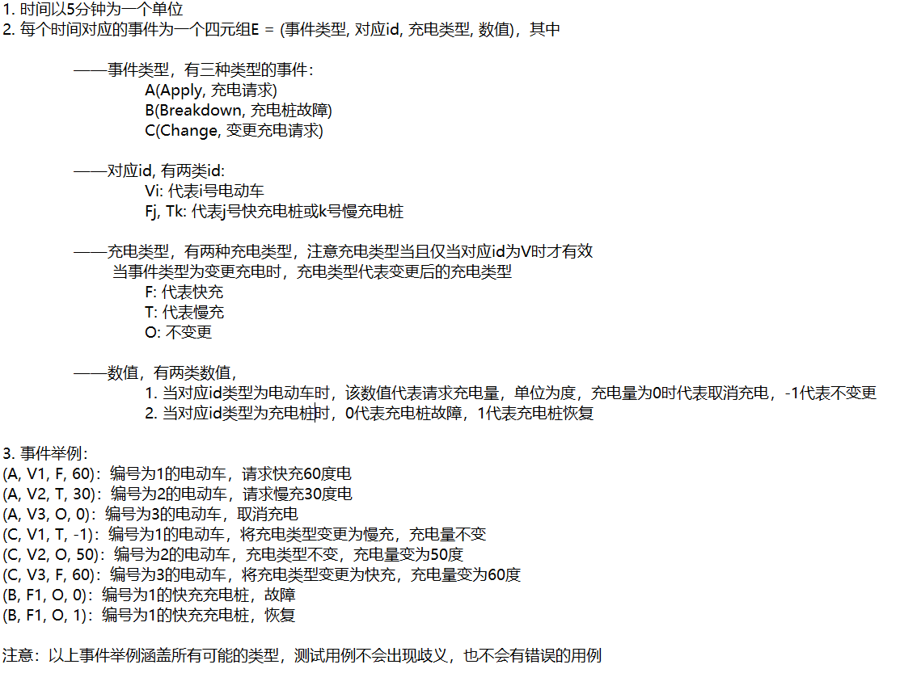
充电功率 | 快充 | 30度/小时
 | 慢充 | 10度/小时

计费费率 | 峰时 | 1.0元/度
 | 平时 | 0.7元/度
 | 谷时 | 0.4元/度
服务费单价 |  | 0.8元/度

充电桩数量 | 快充 | 2 | FastCharingPileNum
 | 慢充 | 3 | TrickleChargingPileNum

充电桩排队队列长度(M) | 3 |  | ChargingQueueLen
等候区最大容量(N) | 10 |  | WaitingAreaSize

1. 30s可输入一条信息，30s容错，输入事件数量为42，用时30min内 2. 比例尺1:10，三十分钟对应用例三百分钟，共计5小时，起始输入时间6:00，结束输入时间11:00，具体结束时间待计算。

PS. 充电桩出现损坏验收时默认采用优先级调度： 等候区停止调度，优先调度损坏充电桩队列里的车直至全部进入充电区，然后再调度等候区排队的车。 填表时， 请将等候区中的车按照到达的先后次序排列

PPS: 若完成了选做内容（8、 扩展调度请求），需自行设计测试用例，并录屏演示。

