BOID定义、使用
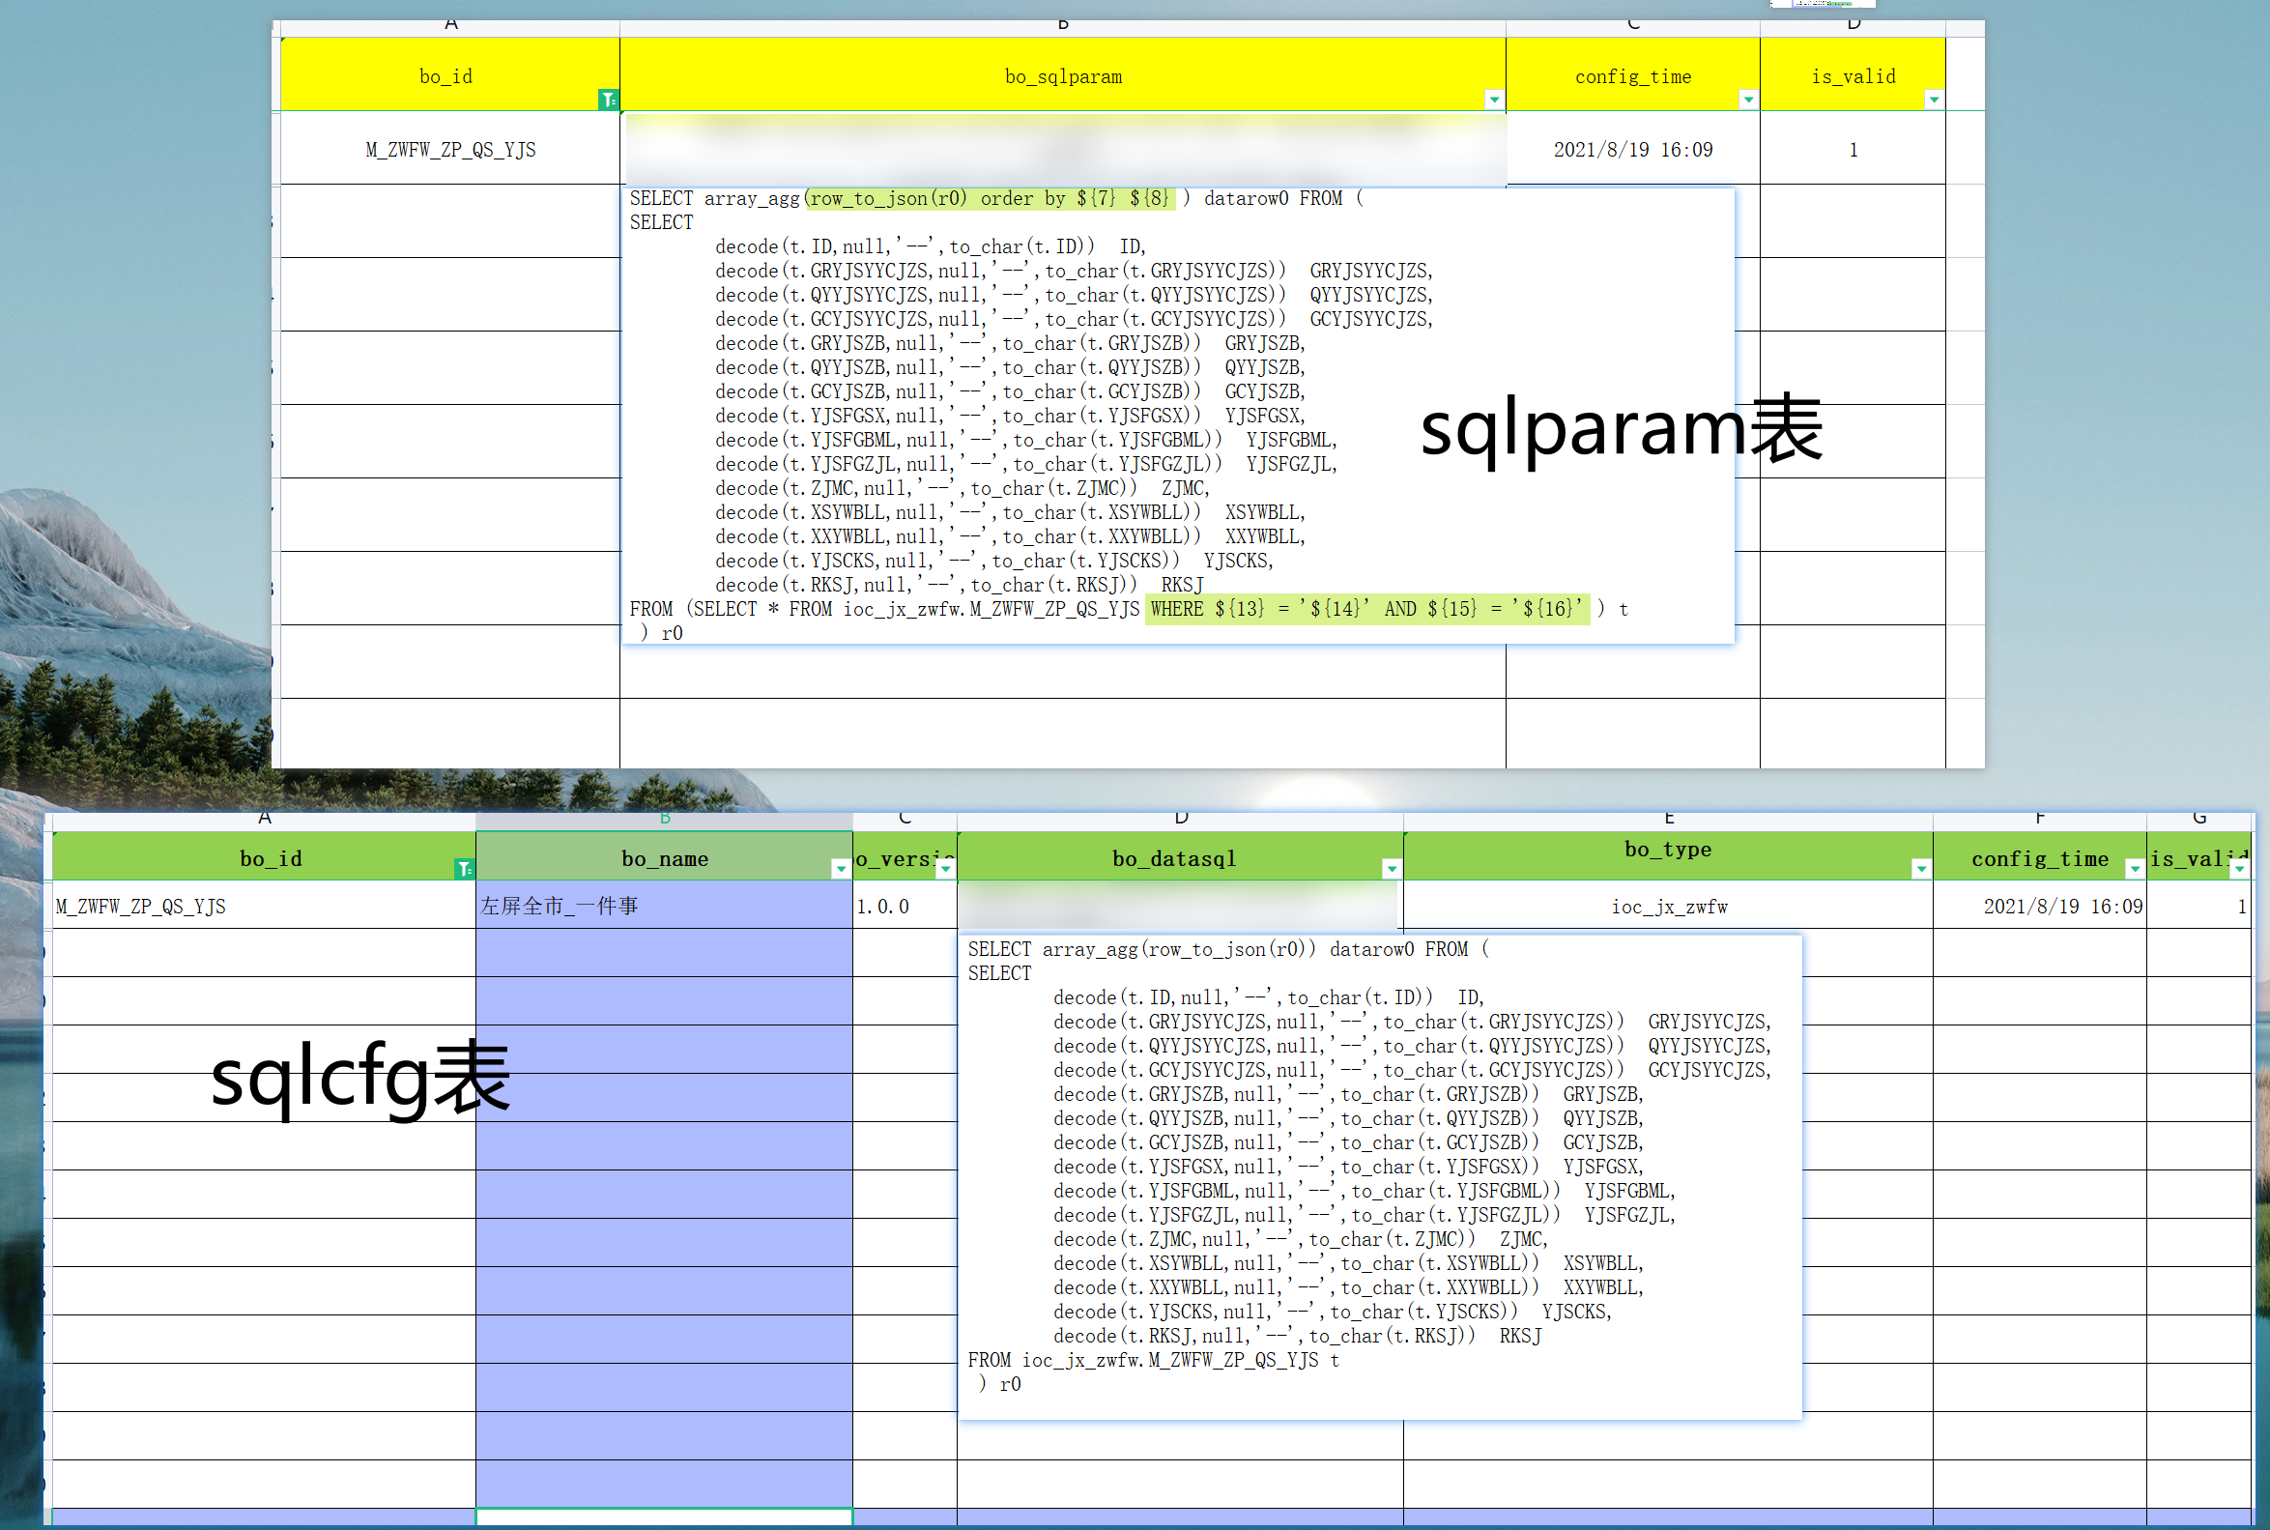
smartcity_ioc__dataservice/1.0.0/requestdata这个接口下的boid的定义与使用

表1：ioc_public.i_bo_public_sqlcfg （下称sqlcfg表）
表2：ioc_public.i_bo_public_sqlparam （下称sqlparam表）
sqlcfg表与sqlparam表都有对boid的描述，sqlcfg表没有入参（变量）的定义，两表是什么关系？
要定义一个新BOID，要同时对sqlcfg表、sqlparam表进行插入记录操作？

是否有新增BOID的流程指引？

不用入参sqlparam第一步
delete from ioc_public.i_bo_public_sqlparam where bo_id = 'M_ZWFW_ZP_QS_YJS';

第二步
INSERT INTO ioc_public.i_bo_public_sqlparam VALUES ('M_ZWFW_ZP_QS_YJS','
SELECT array_agg(row_to_json(r0) ) datarow0 FROM (
SELECT
 | decode(t.ID,null,'--',to_char(t.ID)) ID,
 | decode(t.GRYJSYYCJZS,null,'--',to_char(t.GRYJSYYCJZS)) GRYJSYYCJZS,
 | decode(t.QYYJSYYCJZS,null,'--',to_char(t.QYYJSYYCJZS)) QYYJSYYCJZS,
 | decode(t.GCYJSYYCJZS,null,'--',to_char(t.GCYJSYYCJZS)) GCYJSYYCJZS,
 | decode(t.GRYJSZB,null,'--',to_char(t.GRYJSZB)) GRYJSZB,
 | decode(t.QYYJSZB,null,'--',to_char(t.QYYJSZB)) QYYJSZB,
 | decode(t.GCYJSZB,null,'--',to_char(t.GCYJSZB)) GCYJSZB,
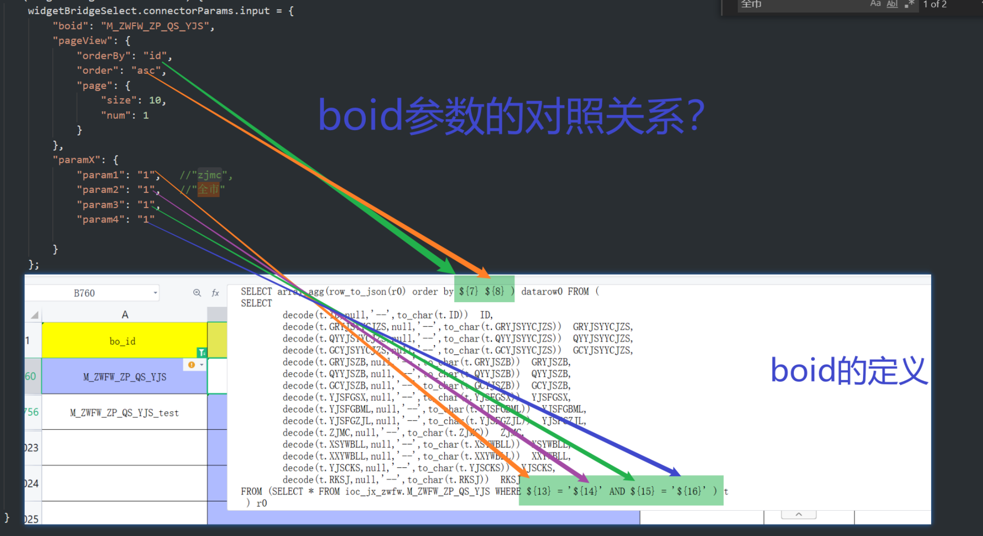
 | decode(t.YJSFGSX,null,'--',to_char(t.YJSFGSX)) YJSFGSX,
 | decode(t.YJSFGBML,null,'--',to_char(t.YJSFGBML)) YJSFGBML,
 | decode(t.YJSFGZJL,null,'--',to_char(t.YJSFGZJL)) YJSFGZJL,
 | decode(t.ZJMC,null,'--',to_char(t.ZJMC)) ZJMC,
 | decode(t.XSYWBLL,null,'--',to_char(t.XSYWBLL)) XSYWBLL,
 | decode(t.XXYWBLL,null,'--',to_char(t.XXYWBLL)) XXYWBLL,
 | decode(t.YJSCKS,null,'--',to_char(t.YJSCKS)) YJSCKS,
 | decode(t.RKSJ,null,'--',to_char(t.RKSJ)) RKSJ
FROM (SELECT * FROM ioc_jx_zwfw.M_ZWFW_ZP_QS_YJS WHERE ${13} = ''${14}'' AND ${15} = ''${16}'' order by ${7} ${8} ) t
) r0
,sysdate,1);

_bo_public_sqlcfg入不入参这个都是一样的，入参就是i_bo_public_sqlparam这里的语句order by ${7} ${8} 位置有变化

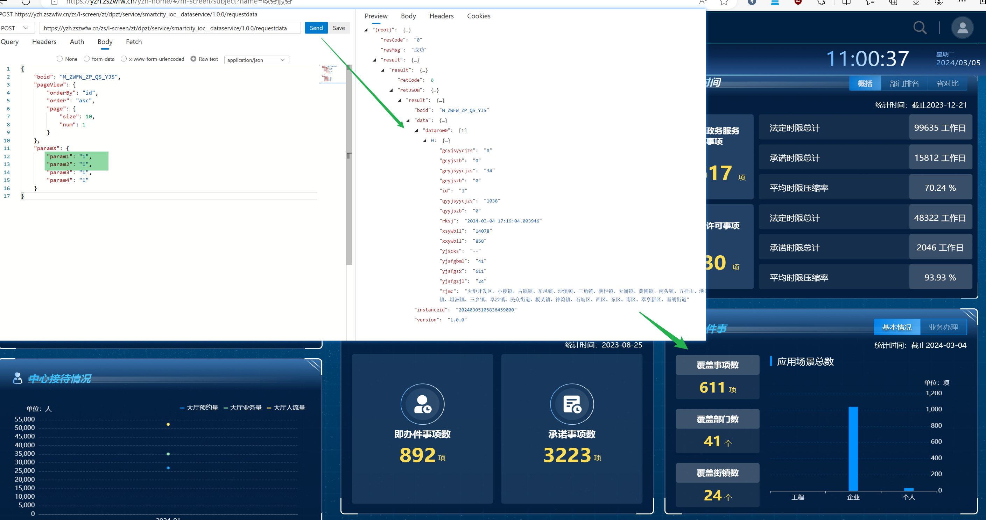
${7}
${8}
($13)
($14)
($15)
($16)
这六个是固定的

