Figure1
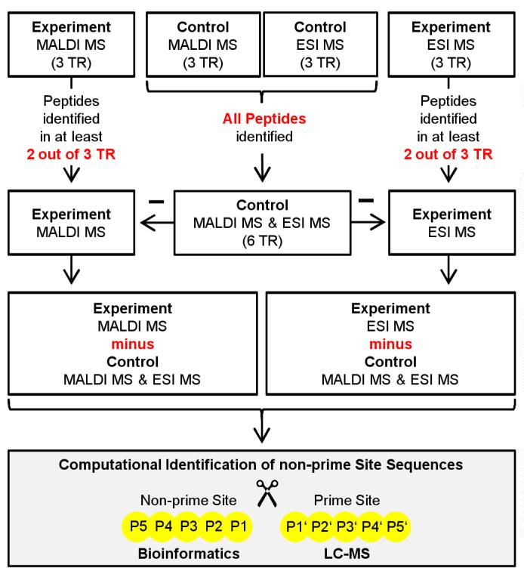
Supplementary Figure 1. Scheme of the handling of the peptides identified by MALDI MS
or ESI MS in the three technical replicates (TR) of experiments and controls. For the
experiments only peptides identified in at least two out of three TR were considered, whereas
for the controls all peptides identified were considered. To identify cleavage events catalyzed
by ADAM10 or ADAM17 peptides identified in the control (merged data from LC-MALDI
MS and LC-ESI MS) were subtracted from either MALDI MS or ESI MS identified peptides
in the experiment. The remaining peptides out of an experiment were combined and further
analyzed.
Supplementary Material, Tucher et al. | S2

Sheet17
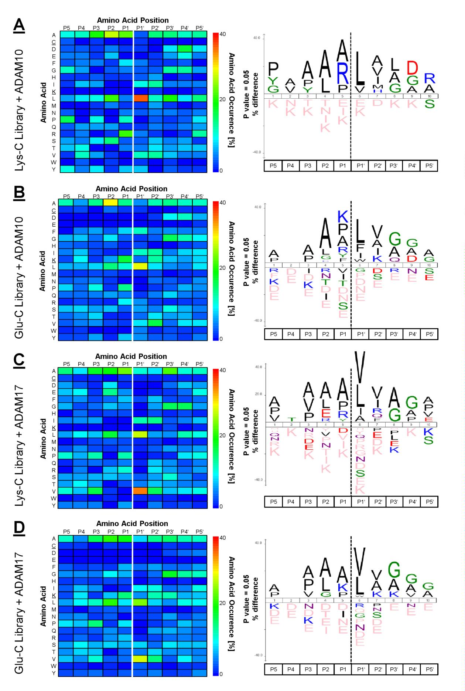
Supplementary Figure 3 (legend overleaf)
Supplementary Material, Tucher et al. | S16

