UsabilityBugs
1 | In filed of consumer number it is not accepting any random number

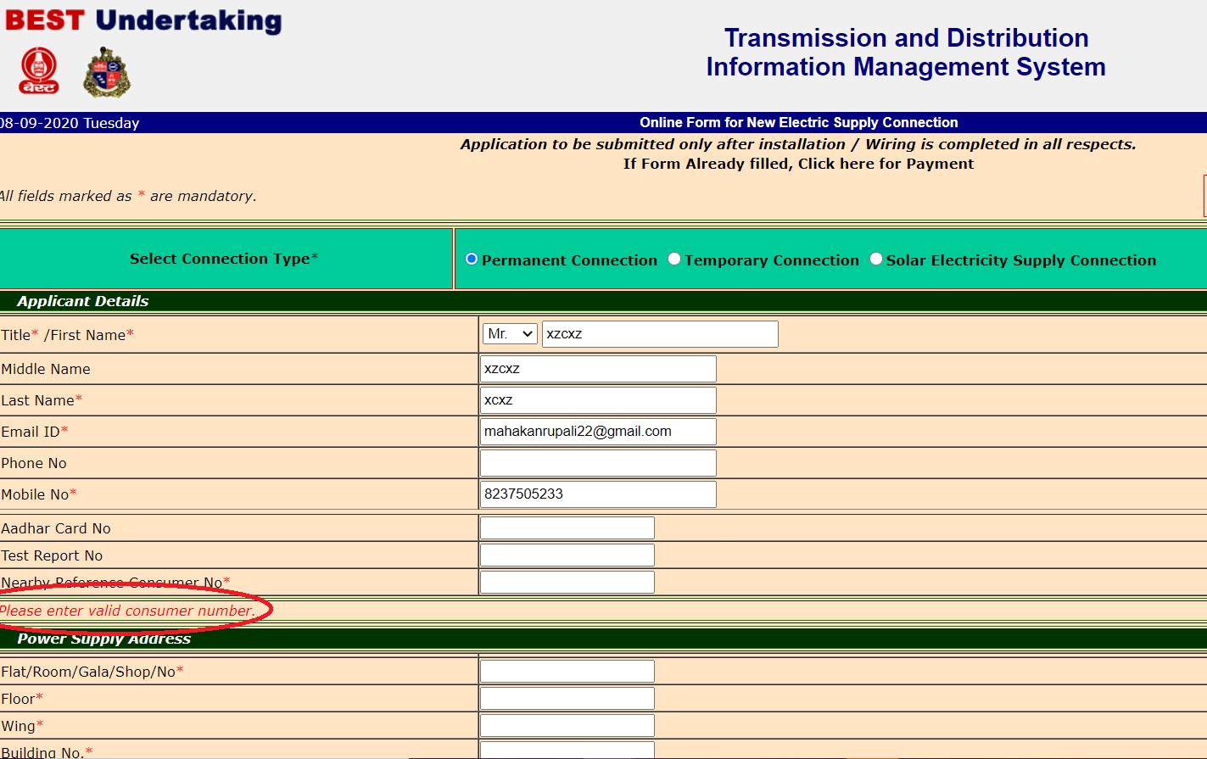

2 | In "TotalLoad" field if we enter any value then it redirected to blank page with text "Error in ex.Try after sometime".And this field accepts any alphanumeric value.

3 | when we upload any document then uploading process is shown at bottom left coerner which is not easily shown to new user it should be near the particular document
4 | At the time of uploading going on the upload button should not be clickable it should be disable


5 | Registration is redirected to blank page
 | https://www.bestundertaking.net/ConsumerRegistration.aspx?ReturnURL=consumerlogin.aspx

UIBugs
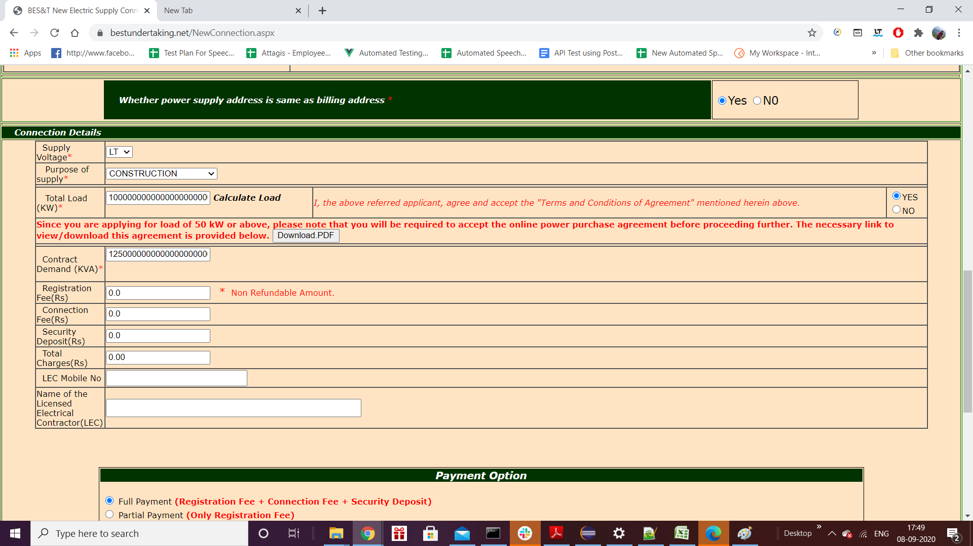
1) | Below highlighted buttons in red brder should have dark colour in backgrould and it should be attractive enough to understand the user
2) | "Download format of Notarized idemnity bond Rs.550" should not be in red colour to understand the user it should be highlighted in different colour .Simillarly for "view terms and conditions & declaration"

3 | Both Yes No button should ahve same format either all letters are capital or first capital then all others are small
4 | Calculate Load is clickable ,instead f this it should be in format of button to understand the user quickly

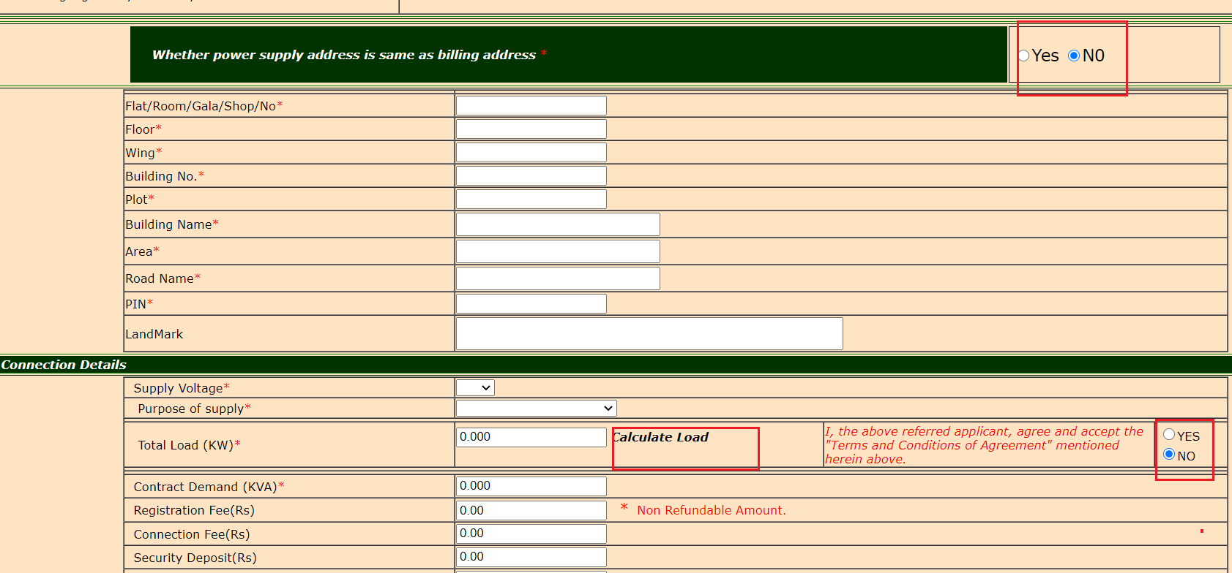

5 | View photo here and signature here icon should be properly design

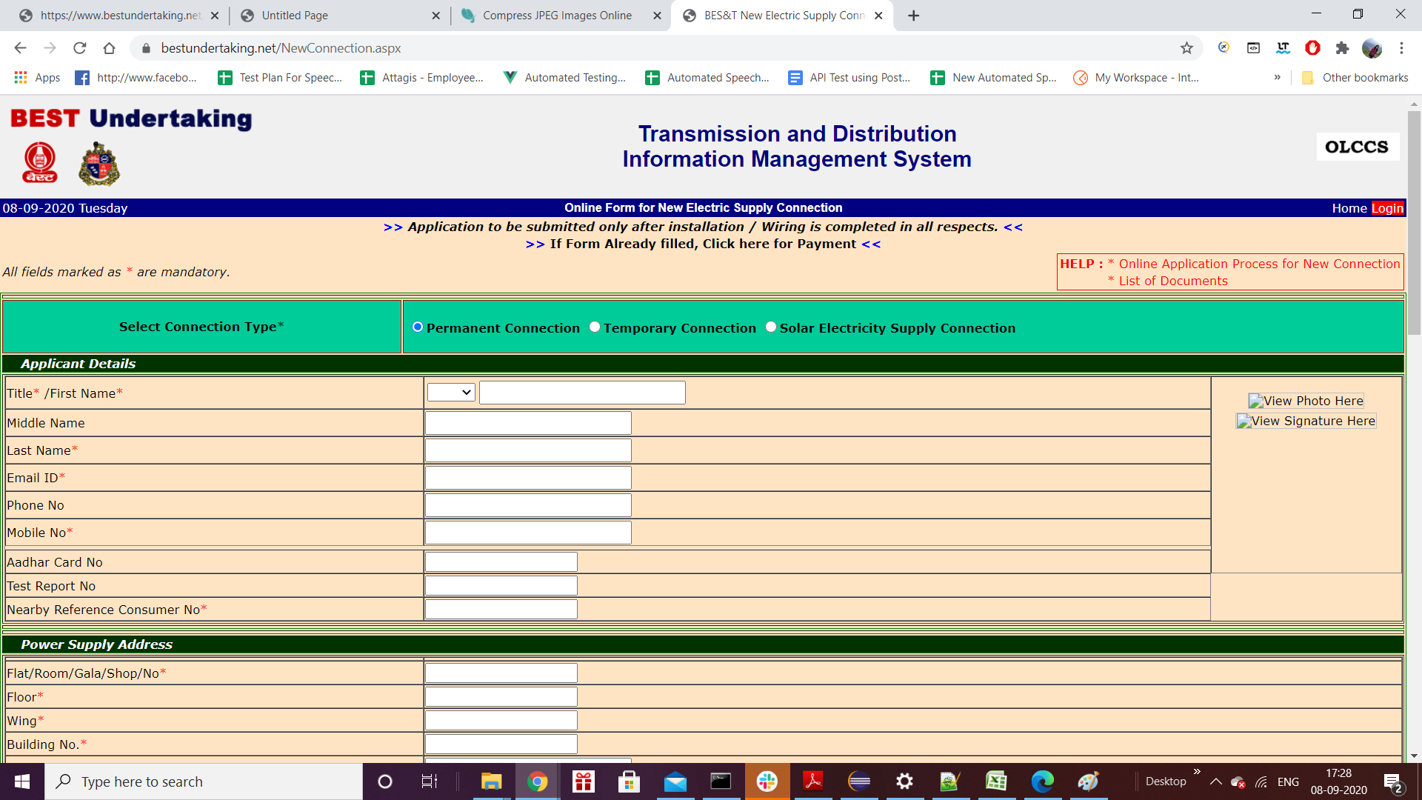

6 | This download pdf button should be highlited in colour

FunctionalityBugs
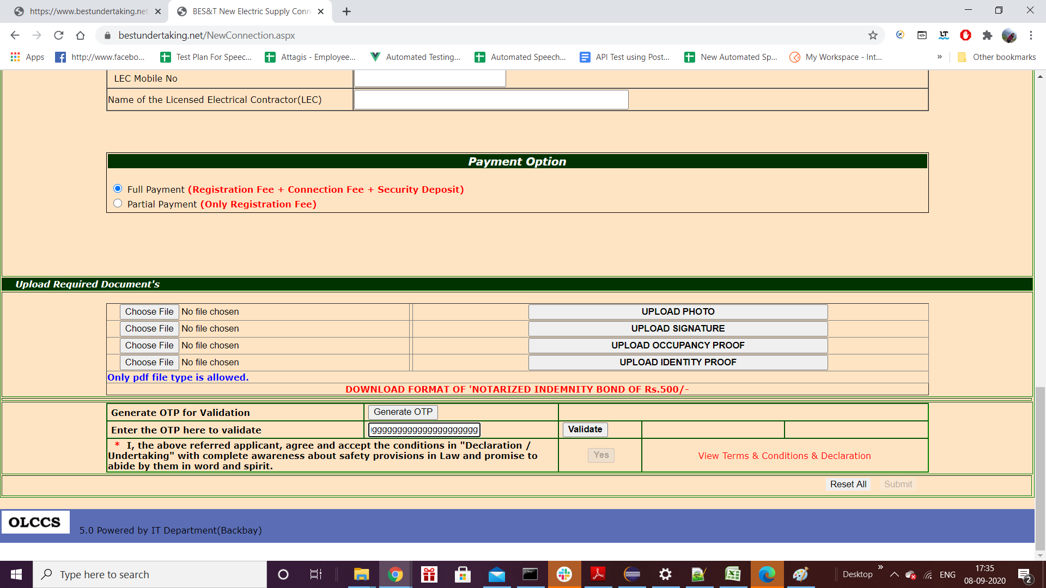
1 | OTP filed have no limit and alsi it should nt accept the characters

2 | I help there are links " * Online Application Process for New Connection * List of Documents" but user dont understand these links it should have underline or something to know user
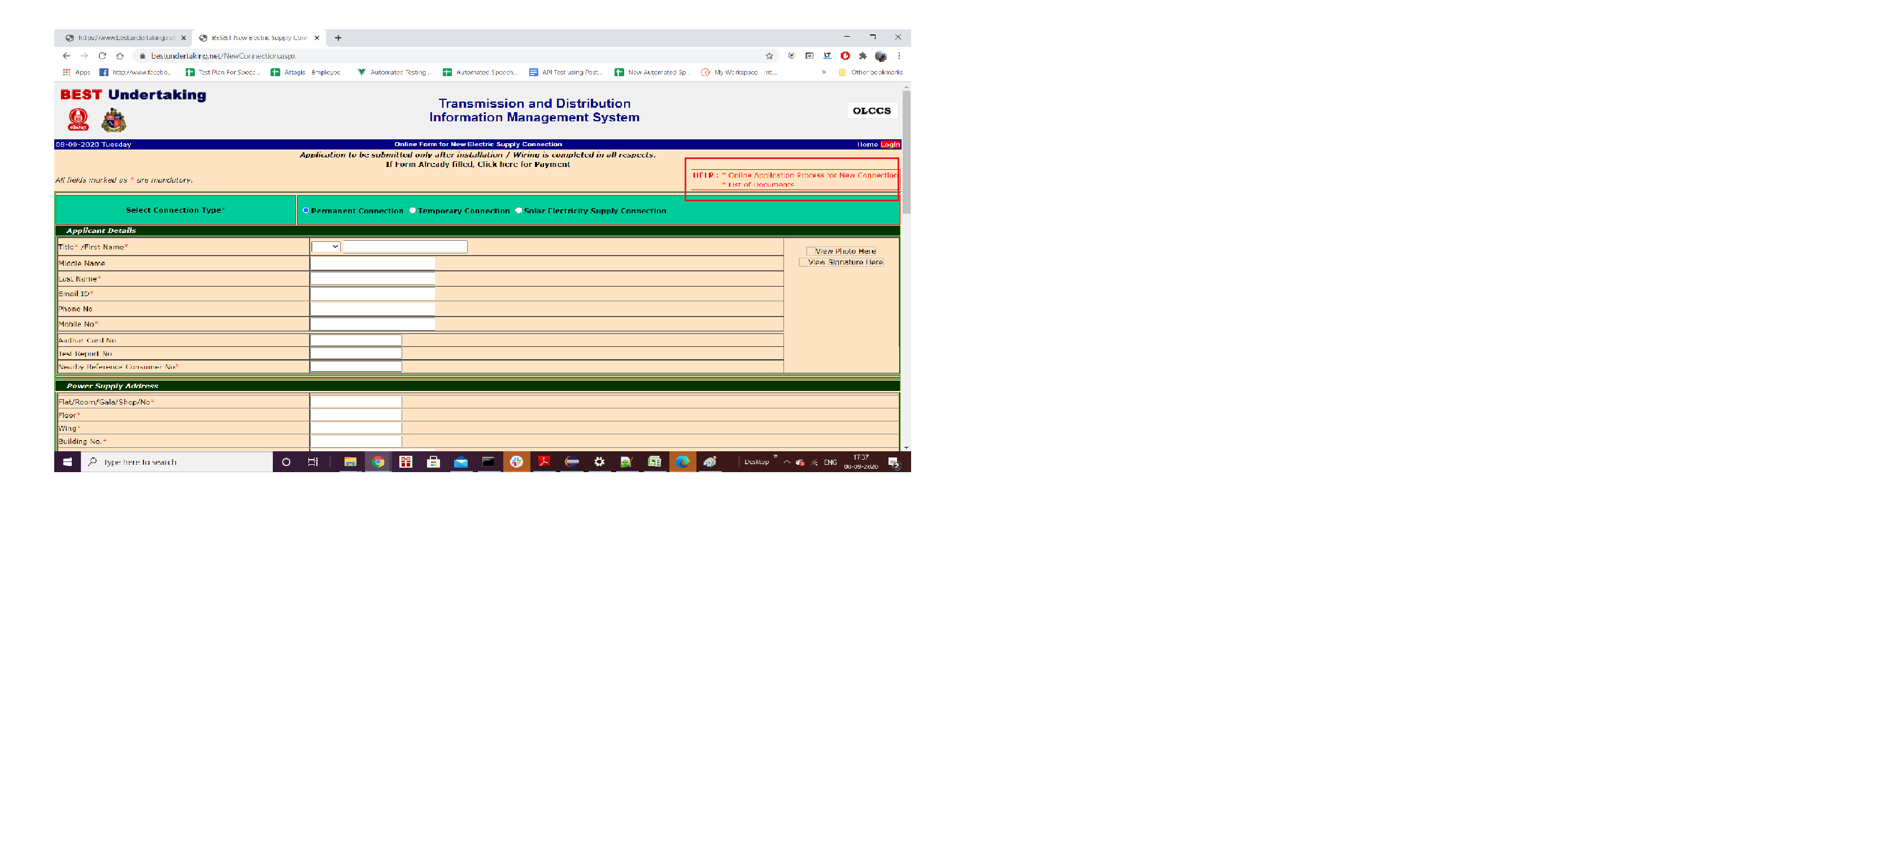

3 | Total Load filed accepts any alphanumeric value ,it should accept only numeric value
4 | Contract Demand ,Registratiom Fees,connection fee,security deposit and total charges shyuld not be 0

