DATA STRCS & ALGOS
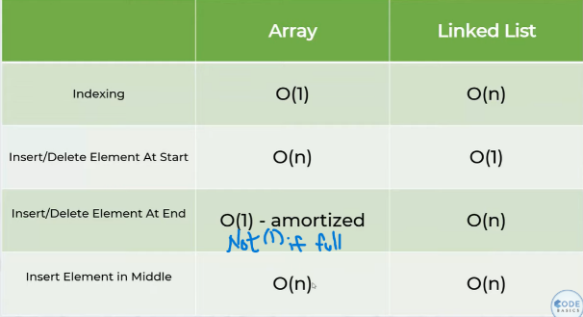
tg
What are data structures ?

Data Structutre are building blocks or raw material for any software program(good programmer = sound understanding of DSA)
Data structures are ways to organize and store data in a computer so that it can be accessed and modified efficiently
Ex : Linked lists, Hash table.

Big O Notation
Time taken to execute the program is directly proportional to no. of computations
Big O notation is used to measure running time or space requirements as the input size grows(It is often looking for worst case scenarios)
To find the Big O( represent time in mathematical terms >>> keep the fastest growing term >>>remove constants >>>Now, time = O(remaining term) (that is Big order of remaining term))
O(n)(order of n,linear)//O(n^2)(order of quadratic)
Measuring running time = time complexity, Measuring space growth : space complexity (Big O notation can be used for both)
Complexity of binary search is O(logn)(base --> 2)

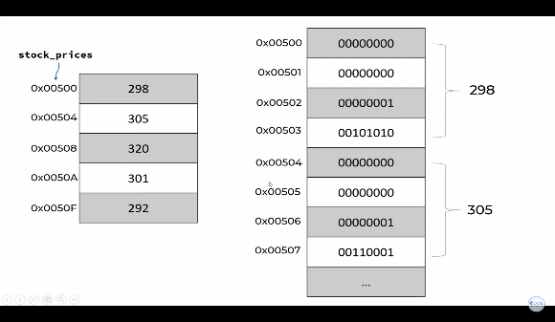
Arrays
This is how numbers are stored in lists,with addresses(like0x00500 - hexadecimal values) and numbers in binary(0s and 1s)
array[0] - 0x00500 // array[n] - 0x00500 * n * (size of integer = 4)
Scenario1 : Price on particular day (Looking by index = O(1))
Scenario2 : Particular Price on which day (Looking by index = O(n))
Scenario3 : Print all prices(Array traversal(process of accessing each element of array in systematic manner) = O(n))
Scenario4 : Insert a price into at particular index(Array insertion = O(n)(as we insert a value all other values have to hange their index)
Scenario5 : Deleting element(Array deletion = O(n)(as we delete one value all other values after deleted element have to move, which changes their index
Static array(Not present in python) - Size is fixed
Dynamic array - It is allocated some initial capacity, when values are tried to added after it is filled, all other values along with new value are shifted and now the alloted size in increased and it goes on
 | Ex : First given 10indices, after filled extra 10*2 = 20 indices are given,total = 30 indices are present, after filled extra 30*2 = 60 indices are given, total = 90 indices are present
Arrays can store numbers, text and objects(python lists can store both numbers and str at a time unlike other languages)
2D lists are present in python(also in other langs)

Linked Lists
This is how a linked list looks like, each element gives address to the next element, so data can be stored anywhere
This solves the process faced when using insert and del with lists(Linked list has to update address only)
Linked list has 2 benefits over arrays(no need to prealocate data, insertion is easier)
Double link list - (address of both next and the previous element, to help us also move backward)

