Data
ID | Picture | Name | Age | Salary | Department | Job Title | Error Image
EMP001 |  | Adam Angler | 29 | $83,200 | Project Office | PMO Co-ordinator | 
EMP002 |  | Bob Bryan | 39 | $66,140 | Project Office | Manager, Dev. Ops
EMP003 |  | Charlotte Chirssy | 27 | $101,260 | Project Office | Chief PMO
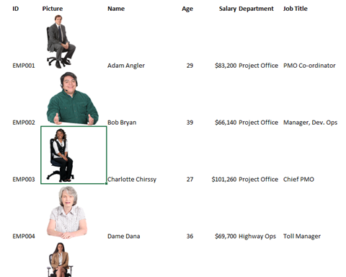
Example
Search: Char
XLOOKUP finds the name in orange cell, returns a referecene to the highlighted green cell.
Picture link then shows that green cell
as image.
EMP004 |  | Dame Dana | 36 | $69,700 | Highway Ops | Toll Manager
EMP005 |  | Emily Esther | 34 | $94,095 | Highway Ops | Toll Analyst
EMP006 |  | Francis Franco | 25 | $90,165 | Customer Integration | Sales Force Admin
EMP007 |  | Gayatri Ganesan | 39 | $73,555 | Customer Integration | Operational Support Admin
EMP008 |  | Hillary Hesham | 26 | $75,900 | Customer Integration | Website Developer
EMP009 |  | Ida Indigo | 28 | $74,590 | Shared Services | HR Advisor
EMP010 |  | Jackie Jules | 39 | $112,730 | Shared Services | HR Manager
EMP011 |  | Kevan Konstantine | 28 | $112,895 | Payroll | Payroll Manager
EMP012 |  | Larry Love | 29 | $93,025 | Payroll | Payroll Advisor

